3.6-#2
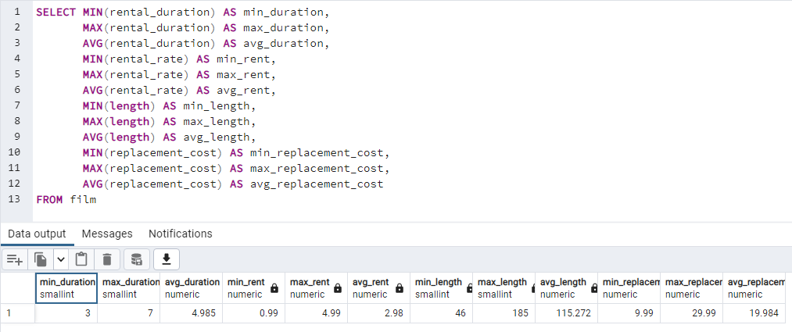

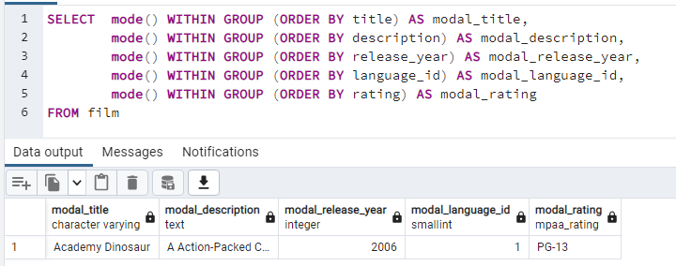

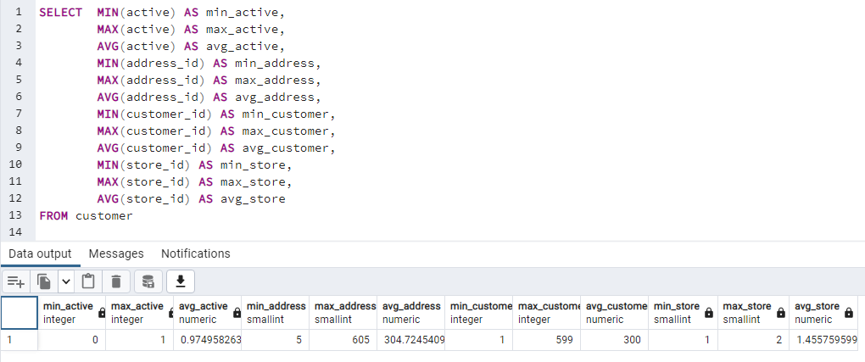

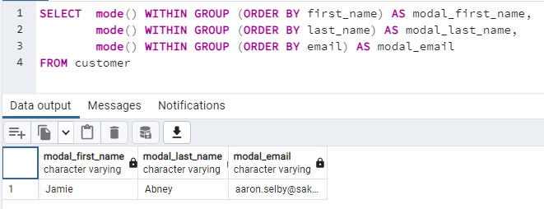

3.7-#1
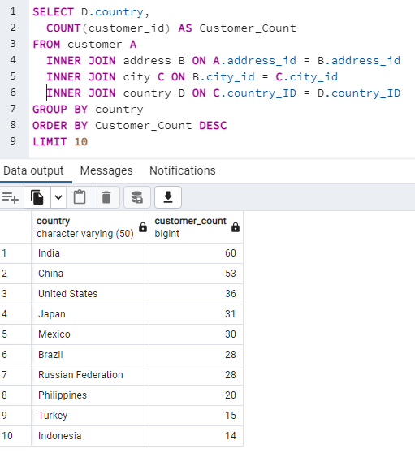

3.7-#2
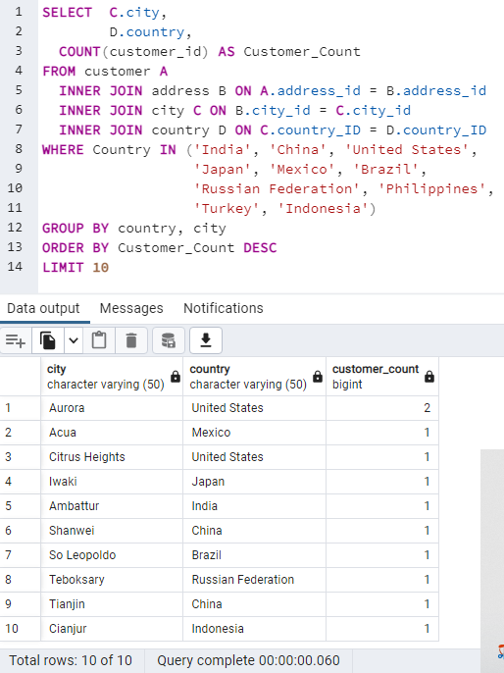

3.7-#3
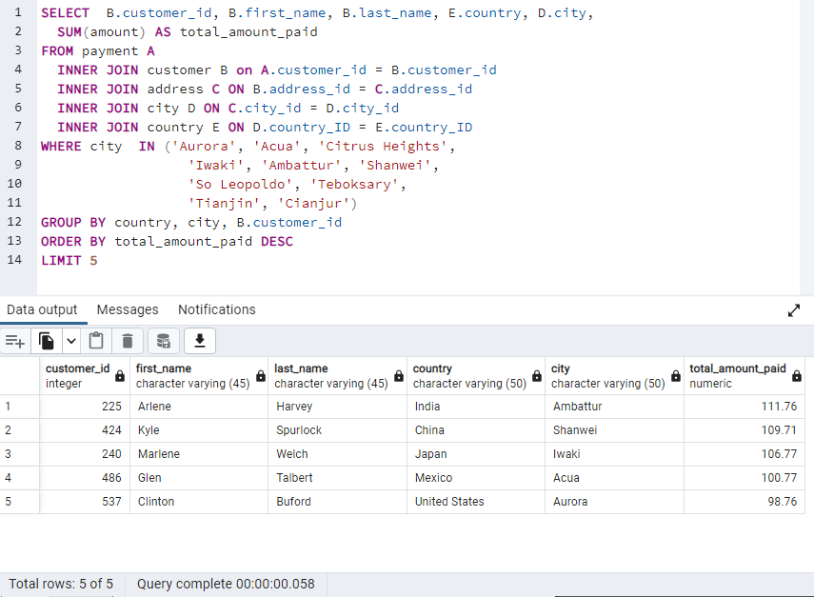

3.10-1
● Which movies contributed the most/least to revenue gain?

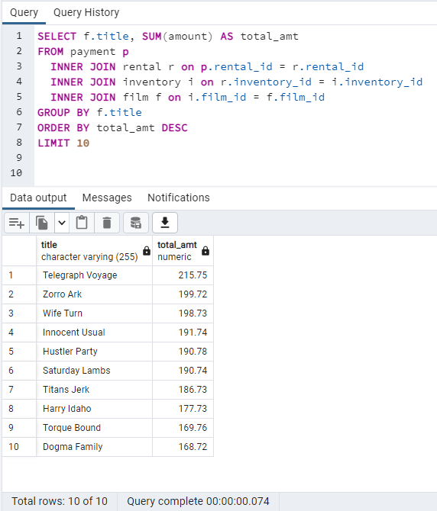

 | SELECT f.title, SUM(amount) AS total_amt
 | FROM payment p
 | INNER JOIN rental r on p.rental_id = r.rental_id
 | INNER JOIN inventory i on r.inventory_id = i.inventory_id
 | INNER JOIN film f on i.film_id = f.film_id
 | GROUP BY f.title
 | ORDER BY total_amt DESC
 | LIMIT 10

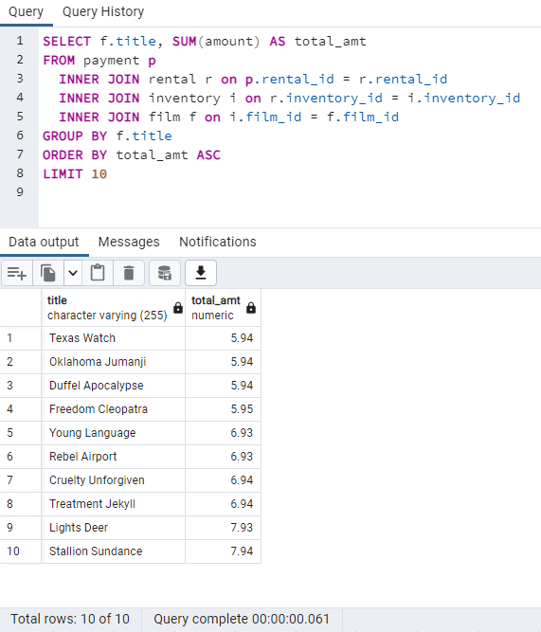
 | SELECT f.title, SUM(amount) AS total_amt
 | FROM payment p
 | INNER JOIN rental r on p.rental_id = r.rental_id
 | INNER JOIN inventory i on r.inventory_id = i.inventory_id
 | INNER JOIN film f on i.film_id = f.film_id
 | GROUP BY f.title
 | ORDER BY total_amt ASC
 | LIMIT 10

3.10-2
● What was the average rental duration for all videos?

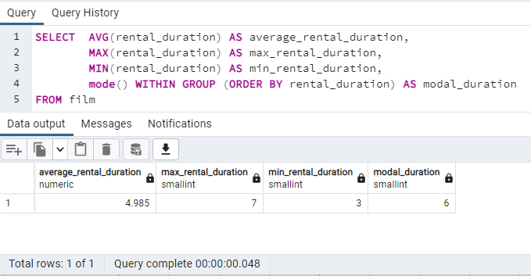
title | rental_duration
Academy Dinosaur | 6
Ace Goldfinger | 3
Adaptation Holes | 7
Affair Prejudice | 5 | SELECT AVG(rental_duration) AS average_rental_duration,
African Egg | 6 | MAX(rental_duration) AS max_rental_duration,
Agent Truman | 3 | MIN(rental_duration) AS min_rental_duration,
Airplane Sierra | 6 | mode() WITHIN GROUP (ORDER BY rental_duration) AS modal_duration
Airport Pollock | 6 | FROM film
Alabama Devil | 3
Aladdin Calendar | 6
Alamo Videotape | 6
Alaska Phantom | 6
Ali Forever | 4
Alice Fantasia | 6
Alien Center | 5
Alley Evolution | 6
Alone Trip | 3
Alter Victory | 6
Amadeus Holy | 6
Amelie Hellfighters | 4
American Circus | 3
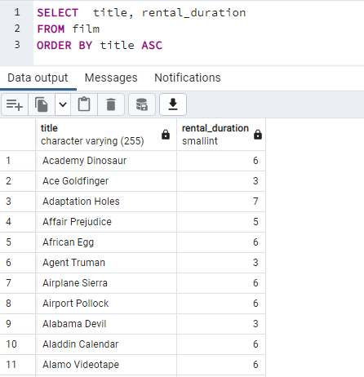
Amistad Midsummer | 6
Anaconda Confessions | 3
Analyze Hoosiers | 6
Angels Life | 3
Annie Identity | 3
Anonymous Human | 7
Anthem Luke | 5
Antitrust Tomatoes | 5
Anything Savannah | 4
Apache Divine | 5
Apocalypse Flamingos | 6
Apollo Teen | 5
Arabia Dogma | 6
Arachnophobia Rollercoaster | 4
Argonauts Town | 7
Arizona Bang | 3
Ark Ridgemont | 6
Armageddon Lost | 5
Army Flintstones | 4
Arsenic Independence | 4
Artist Coldblooded | 5
Atlantis Cause | 6
Attacks Hate | 5
Attraction Newton | 5
Autumn Crow | 3
Baby Hall | 5
Backlash Undefeated | 3
Badman Dawn | 6
Baked Cleopatra | 3
Balloon Homeward | 5
Ballroom Mockingbird | 6
Bang Kwai | 5
Banger Pinocchio | 5
Barbarella Streetcar | 6
Barefoot Manchurian | 6
Basic Easy | 4
Beach Heartbreakers | 6
Bear Graceland | 4
Beast Hunchback | 3
Beauty Grease | 5
Bed Highball | 5
Bedazzled Married | 6
Beethoven Exorcist | 6
Behavior Runaway | 3
Beneath Rush | 6
Berets Agent | 5
Betrayed Rear | 5
Beverly Outlaw | 3
Bikini Borrowers | 7
Bilko Anonymous | 3
Bill Others | 6
Bingo Talented | 5
Birch Antitrust | 4
Bird Independence | 6
Birdcage Casper | 4
Birds Perdition | 5
Blackout Private | 7
Blade Polish | 5
Blanket Beverly | 7
Blindness Gun | 6
Blood Argonauts | 3
Blues Instinct | 5
Boiled Dares | 7
Bonnie Holocaust | 4
Boogie Amelie | 6
Boondock Ballroom | 7
Born Spinal | 7
Borrowers Bedazzled | 7
Boulevard Mob | 3
Bound Cheaper | 5
Bowfinger Gables | 7
Brannigan Sunrise | 4
Braveheart Human | 7
Breakfast Goldfinger | 5
Breaking Home | 4
Bride Intrigue | 7
Bright Encounters | 4
Bringing Hysterical | 7
Brooklyn Desert | 7
Brotherhood Blanket | 3
Bubble Grosse | 4
Bucket Brotherhood | 7
Bugsy Song | 4
Bull Shawshank | 6
Bulworth Commandments | 4
Bunch Minds | 4
Butch Panther | 6
Butterfly Chocolat | 3
Cabin Flash | 4
Caddyshack Jedi | 3
Calendar Gunfight | 4
California Birds | 4
Camelot Vacation | 3
Campus Remember | 5
Candidate Perdition | 4
Candles Grapes | 6
Canyon Stock | 7
Caper Motions | 6
Caribbean Liberty | 3
Carol Texas | 4
Carrie Bunch | 7
Casablanca Super | 6
Casper Dragonfly | 3
Cassidy Wyoming | 5
Casualties Encino | 3
Cat Coneheads | 5
Catch Amistad | 7
Cause Date | 3
Celebrity Horn | 7
Center Dinosaur | 5
Chainsaw Uptown | 6
Chamber Italian | 7
Champion Flatliners | 4
Chance Resurrection | 3
Chaplin License | 7
Charade Duffel | 3
Chariots Conspiracy | 5
Chasing Fight | 7
Cheaper Clyde | 6
Chicago North | 6
Chicken Hellfighters | 3
Chill Luck | 6
Chinatown Gladiator | 7
Chisum Behavior | 5
Chitty Lock | 6
Chocolat Harry | 5
Chocolate Duck | 3
Christmas Moonshine | 7
Cider Desire | 7
Cincinatti Whisperer | 5
Circus Youth | 5
Citizen Shrek | 7
Clash Freddy | 6
Cleopatra Devil | 6
Clerks Angels | 3
Clockwork Paradise | 7
Clones Pinocchio | 6
Closer Bang | 5
Club Graffiti | 4
Clue Grail | 6
Clueless Bucket | 4
Clyde Theory | 4
Coast Rainbow | 4
Coldblooded Darling | 7
Color Philadelphia | 6
Coma Head | 6
Comancheros Enemy | 5
Comforts Rush | 3
Command Darling | 5
Commandments Express | 6
Coneheads Smoochy | 7
Confessions Maguire | 7
Confidential Interview | 6
Confused Candles | 3
Congeniality Quest | 6
Connecticut Tramp | 4
Connection Microcosmos | 6
Conquerer Nuts | 4
Conspiracy Spirit | 4
Contact Anonymous | 7
Control Anthem | 7
Conversation Downhill | 4
Core Suit | 3
Cowboy Doom | 3
Craft Outfield | 6
Cranes Reservoir | 5
Crazy Home | 7
Creatures Shakespeare | 3
Creepers Kane | 5
Crooked Frogmen | 6
Crossing Divorce | 4
Crossroads Casualties | 5
Crow Grease | 6
Crowds Telemark | 3
Cruelty Unforgiven | 7
Crusade Honey | 4
Crystal Breaking | 6
Cupboard Sinners | 4
Curtain Videotape | 7
Cyclone Family | 7
Daddy Pittsburgh | 5
Daisy Menagerie | 5
Dalmations Sweden | 4
Dances None | 3
Dancing Fever | 6
Dangerous Uptown | 7
Dares Pluto | 7
Darkness War | 6
Darko Dorado | 3
Darling Breaking | 7
Darn Forrester | 7
Date Speed | 4
Daughter Madigan | 3
Dawn Pond | 4
Day Unfaithful | 3
Dazed Punk | 6
Deceiver Betrayed | 7
Deep Crusade | 6
Deer Virginian | 7
Deliverance Mulholland | 4
Desert Poseidon | 4
Desire Alien | 7
Desperate Trainspotting | 7
Destination Jerk | 3
Destiny Saturday | 4
Details Packer | 4
Detective Vision | 4
Devil Desire | 6
Diary Panic | 7
Dinosaur Secretary | 7
Dirty Ace | 7
Disciple Mother | 3
Disturbing Scarface | 6
Divide Monster | 6
Divine Resurrection | 4
Divorce Shining | 3
Doctor Grail | 4
Dogma Family | 5
Dolls Rage | 7
Donnie Alley | 4
Doom Dancing | 4
Doors President | 3
Dorado Notting | 5
Double Wrath | 4
Doubtfire Labyrinth | 5
Downhill Enough | 3
Dozen Lion | 6
Dracula Crystal | 7
Dragon Squad | 4
Dragonfly Strangers | 6
Dream Pickup | 6
Drifter Commandments | 5
Driver Annie | 4
Driving Polish | 6
Drop Waterfront | 6
Drumline Cyclone | 3
Drums Dynamite | 6
Duck Racer | 4
Dude Blindness | 3
Duffel Apocalypse | 5
Dumbo Lust | 5
Durham Panky | 6
Dwarfs Alter | 6
Dying Maker | 5
Dynamite Tarzan | 4
Eagles Panky | 4
Early Home | 6
Earring Instinct | 3
Earth Vision | 7
Easy Gladiator | 5
Edge Kissing | 5
Effect Gladiator | 6
Egg Igby | 4
Egypt Tenenbaums | 3
Element Freddy | 6
Elephant Trojan | 4
Elf Murder | 4
Elizabeth Shane | 7
Empire Malkovich | 7
Encino Elf | 6
Encounters Curtain | 5
Ending Crowds | 6
Enemy Odds | 5
English Bulworth | 3
Enough Raging | 7
Entrapment Satisfaction | 5
Escape Metropolis | 7
Eve Resurrection | 5
Everyone Craft | 4
Evolution Alter | 5
Excitement Eve | 3
Exorcist Sting | 6
Expecations Natural | 5
Expendable Stallion | 3
Express Lonely | 5
Extraordinary Conquerer | 6
Eyes Driving | 4
Factory Dragon | 4
Falcon Volume | 5
Family Sweet | 4
Fantasia Park | 5
Fantasy Troopers | 6
Fargo Gandhi | 3
Fatal Haunted | 6
Feathers Metal | 3
Fellowship Autumn | 6
Ferris Mother | 3
Feud Frogmen | 6
Fever Empire | 5
Fiction Christmas | 4
Fiddler Lost | 4
Fidelity Devil | 5
Fight Jawbreaker | 3
Finding Anaconda | 4
Fire Wolves | 5
Fireball Philadelphia | 4
Firehouse Vietnam | 7
Fish Opus | 4
Flamingos Connecticut | 4
Flash Wars | 3
Flatliners Killer | 5
Flight Lies | 7
Flintstones Happiness | 3
Floats Garden | 6
Flying Hook | 6
Fool Mockingbird | 3
Forever Candidate | 7
Forrest Sons | 4
Forrester Comancheros | 7
Forward Temple | 6
Frankenstein Stranger | 7
Freaky Pocus | 7
Freddy Storm | 6
Freedom Cleopatra | 5
French Holiday | 5
Frida Slipper | 6
Frisco Forrest | 6
Frogmen Breaking | 5
Frontier Cabin | 6
Frost Head | 5
Fugitive Maguire | 7
Full Flatliners | 6
Fury Murder | 3
Gables Metropolis | 3
Galaxy Sweethearts | 4
Games Bowfinger | 7
Gandhi Kwai | 7
Gangs Pride | 4
Garden Island | 3
Gaslight Crusade | 4
Gathering Calendar | 4
Gentlemen Stage | 6
Ghost Groundhog | 6
Ghostbusters Elf | 7
Giant Troopers | 5
Gilbert Pelican | 7
Gilmore Boiled | 5
Gladiator Westward | 6
Glass Dying | 4
Gleaming Jawbreaker | 5
Glory Tracy | 7
Go Purple | 3
Godfather Diary | 3
Gold River | 4
Goldfinger Sensibility | 3
Goldmine Tycoon | 6
Gone Trouble | 7
Goodfellas Salute | 4
Gorgeous Bingo | 4
Gosford Donnie | 5
Graceland Dynamite | 5
Graduate Lord | 7
Graffiti Love | 3
Grail Frankenstein | 4
Grapes Fury | 4
Grease Youth | 7
Greatest North | 5
Greedy Roots | 7
Greek Everyone | 7
Grinch Massage | 7
Grit Clockwork | 3
Groove Fiction | 6
Grosse Wonderful | 5
Groundhog Uncut | 6
Gump Date | 3
Gun Bonnie | 7
Gunfight Moon | 5
Gunfighter Mussolini | 3
Guys Falcon | 4
Half Outfield | 6
Hall Cassidy | 5
Halloween Nuts | 6
Hamlet Wisdom | 7
Handicap Boondock | 4
Hanging Deep | 5
Hanky October | 5
Hanover Galaxy | 5
Happiness United | 6
Hardly Robbers | 7
Harold French | 6
Harper Dying | 3
Harry Idaho | 5
Hate Handicap | 4
Haunted Antitrust | 6
Haunting Pianist | 5
Hawk Chill | 5
Head Stranger | 4
Heartbreakers Bright | 3
Heaven Freedom | 7
Heavenly Gun | 5
Heavyweights Beast | 6
Hedwig Alter | 7
Hellfighters Sierra | 3
High Encino | 3
Highball Potter | 6
Hills Neighbors | 5
Hobbit Alien | 5
Hocus Frida | 4
Holes Brannigan | 7
Holiday Games | 7
Hollow Jeopardy | 7
Hollywood Anonymous | 7
Holocaust Highball | 6
Holy Tadpole | 6
Home Pity | 7
Homeward Cider | 5
Homicide Peach | 6
Honey Ties | 3
Hook Chariots | 7
Hoosiers Birdcage | 3
Hope Tootsie | 4
Horn Working | 4
Horror Reign | 3
Hotel Happiness | 6
Hours Rage | 4
House Dynamite | 7
Human Graffiti | 3
Hunchback Impossible | 4
Hunger Roof | 6
Hunter Alter | 5
Hunting Musketeers | 6
Hurricane Affair | 6
Hustler Party | 3
Hyde Doctor | 5
Hysterical Grail | 5
Ice Crossing | 5
Idaho Love | 3
Identity Lover | 4
Idols Snatchers | 5
Igby Maker | 7
Illusion Amelie | 4
Image Princess | 3
Impact Aladdin | 6
Impossible Prejudice | 7
Inch Jet | 6
Independence Hotel | 5
Indian Love | 4
Informer Double | 4
Innocent Usual | 3
Insects Stone | 3
Insider Arizona | 5
Instinct Airport | 4
Intentions Empire | 3
Interview Liaisons | 4
Intolerable Intentions | 6
Intrigue Worst | 6
Invasion Cyclone | 5
Iron Moon | 7
Ishtar Rocketeer | 4
Island Exorcist | 7
Italian African | 3
Jacket Frisco | 5
Jade Bunch | 6
Japanese Run | 6
Jason Trap | 5
Jawbreaker Brooklyn | 5
Jaws Harry | 4
Jedi Beneath | 7
Jeepers Wedding | 3
Jekyll Frogmen | 4
Jeopardy Encino | 3
Jericho Mulan | 3
Jerk Paycheck | 3
Jersey Sassy | 6
Jet Neighbors | 7
Jingle Sagebrush | 6
Joon Northwest | 3
Juggler Hardly | 4
Jumanji Blade | 4
Jumping Wrath | 4
Jungle Closer | 6
Kane Exorcist | 5
Karate Moon | 4
Kentuckian Giant | 5
Kick Savannah | 3
Kill Brotherhood | 4
Killer Innocent | 7
King Evolution | 3
Kiss Glory | 5
Kissing Dolls | 3
Knock Warlock | 4
Kramer Chocolate | 3
Kwai Homeward | 5
Labyrinth League | 6
Lady Stage | 4
Ladybugs Armageddon | 4
Lambs Cincinatti | 6
Language Cowboy | 5
Lawless Vision | 6
Lawrence Love | 7
League Hellfighters | 5
Leathernecks Dwarfs | 6
Lebowski Soldiers | 6
Legally Secretary | 7
Legend Jedi | 7
Lesson Cleopatra | 3
Liaisons Sweet | 5
Liberty Magnificent | 3
License Weekend | 7
Lies Treatment | 7
Life Twisted | 4
Lights Deer | 7
Lion Uncut | 6
Loathing Legally | 4
Lock Rear | 7
Lola Agent | 4
Lolita World | 4
Lonely Elephant | 3
Lord Arizona | 5
Lose Inch | 3
Loser Hustler | 5
Lost Bird | 4
Louisiana Harry | 5
Love Suicides | 6
Lovely Jingle | 3
Lover Truman | 3
Loverboy Attacks | 7
Luck Opus | 7
Lucky Flying | 7
Luke Mummy | 5
Lust Lock | 3
Madigan Dorado | 5
Madison Trap | 4
Madness Attacks | 4
Madre Gables | 7
Magic Mallrats | 3
Magnificent Chitty | 3
Magnolia Forrester | 4
Maguire Apache | 6
Maiden Home | 3
Majestic Floats | 5
Maker Gables | 4
Malkovich Pet | 6
Mallrats United | 4
Maltese Hope | 6
Manchurian Curtain | 5
Mannequin Worst | 3
Married Go | 7
Mars Roman | 6
Mask Peach | 6
Masked Bubble | 6
Massacre Usual | 6
Massage Image | 4
Matrix Snowman | 6
Maude Mod | 6
Meet Chocolate | 3
Memento Zoolander | 4
Menagerie Rushmore | 7
Mermaid Insects | 5
Metal Armageddon | 6
Metropolis Coma | 4
Microcosmos Paradise | 6
Midnight Westward | 3
Midsummer Groundhog | 3
Mighty Luck | 7
Mile Mulan | 4
Million Ace | 4
Minds Truman | 3
Mine Titans | 3
Minority Kiss | 4
Miracle Virtual | 3
Mission Zoolander | 3
Mixed Doors | 6
Mob Duffel | 4
Mockingbird Hollywood | 4
Mod Secretary | 6
Model Fish | 4
Modern Dorado | 3
Money Harold | 3
Monsoon Cause | 6
Monster Spartacus | 6
Monterey Labyrinth | 6
Montezuma Command | 6
Moon Bunch | 7
Moonshine Cabin | 4
Moonwalker Fool | 5
Mosquito Armageddon | 6
Mother Oleander | 3
Motions Details | 5
Moulin Wake | 4
Mourning Purple | 5
Movie Shakespeare | 6
Mulan Moon | 4
Mulholland Beast | 7
Mummy Creatures | 3
Muppet Mile | 5
Murder Antitrust | 6
Muscle Bright | 7
Music Boondock | 7
Musketeers Wait | 7
Mussolini Spoilers | 6
Mystic Truman | 5
Name Detective | 5
Nash Chocolat | 6
National Story | 4
Natural Stock | 4
Necklace Outbreak | 3
Neighbors Charade | 3
Nemo Campus | 5
Network Peak | 5
Newsies Story | 4
Newton Labyrinth | 4
Nightmare Chill | 3
None Spiking | 3
Noon Papi | 5
North Tequila | 4
Northwest Polish | 5
Notorious Reunion | 7
Notting Speakeasy | 7
Novocaine Flight | 4
Nuts Ties | 5
October Submarine | 6
Odds Boogie | 6
Oklahoma Jumanji | 7
Oleander Clue | 5
Open African | 7
Operation Operation | 7
Opposite Necklace | 7
Opus Ice | 5
Orange Grapes | 4
Order Betrayed | 7
Orient Closer | 3
Oscar Gold | 7
Others Soup | 7
Outbreak Divine | 6
Outfield Massacre | 4
Outlaw Hanky | 7
Oz Liaisons | 4
Pacific Amistad | 3
Packer Madigan | 3
Pajama Jawbreaker | 3
Panic Club | 3
Panky Submarine | 4
Panther Reds | 5
Papi Necklace | 3
Paradise Sabrina | 5
Paris Weekend | 7
Park Citizen | 3
Party Knock | 7
Past Suicides | 5
Paths Control | 3
Patient Sister | 7
Patriot Roman | 6
Patton Interview | 4
Paycheck Wait | 4
Peach Innocent | 3
Peak Forever | 7
Pearl Destiny | 3
Pelican Comforts | 4
Perdition Fargo | 7
Perfect Groove | 7
Personal Ladybugs | 3
Pet Haunting | 3
Phantom Glory | 6
Philadelphia Wife | 7
Pianist Outfield | 6
Pickup Driving | 3
Pilot Hoosiers | 6
Pinocchio Simon | 4
Pirates Roxanne | 4
Pittsburgh Hunchback | 4
Pity Bound | 5
Pizza Jumanji | 4
Platoon Instinct | 6
Pluto Oleander | 5
Pocus Pulp | 6
Polish Brooklyn | 6
Pollock Deliverance | 5
Pond Seattle | 7
Poseidon Forever | 6
Potluck Mixed | 3
Potter Connecticut | 5
Prejudice Oleander | 6
President Bang | 6
Pride Alamo | 6
Primary Glass | 7
Princess Giant | 3
Private Drop | 7
Prix Undefeated | 4
Psycho Shrunk | 5
Pulp Beverly | 4
Punk Divorce | 6
Pure Runner | 3
Purple Movie | 4
Queen Luke | 5
Quest Mussolini | 5
Quills Bull | 4
Racer Egg | 7
Rage Games | 4
Raging Airplane | 4
Raiders Antitrust | 4
Rainbow Shock | 3
Random Go | 6
Range Moonwalker | 3
Reap Unfaithful | 6
Rear Trading | 6
Rebel Airport | 7
Records Zorro | 7
Redemption Comforts | 3
Reds Pocus | 7
Reef Salute | 5
Reign Gentlemen | 3
Remember Diary | 5
Requiem Tycoon | 6
Reservoir Adaptation | 7
Resurrection Silverado | 6
Reunion Witches | 3
Rider Caddyshack | 5
Ridgemont Submarine | 3
Right Cranes | 7
Rings Heartbreakers | 5
River Outlaw | 4
Road Roxanne | 4
Robbers Joon | 7
Robbery Bright | 4
Rock Instinct | 4
Rocketeer Mother | 3
Rocky War | 4
Rollercoaster Bringing | 5
Roman Punk | 7
Roof Champion | 7
Room Roman | 7
Roots Remember | 4
Roses Treasure | 5
Rouge Squad | 3
Roxanne Rebel | 5
Rugrats Shakespeare | 4
Rules Human | 6
Run Pacific | 3
Runaway Tenenbaums | 6
Runner Madigan | 6
Rush Goodfellas | 3
Rushmore Mermaid | 6
Sabrina Midnight | 5
Saddle Antitrust | 7
Sagebrush Clueless | 4
Saints Bride | 5
Salute Apollo | 4
Samurai Lion | 5
Santa Paris | 7
Sassy Packer | 6
Satisfaction Confidential | 3
Saturday Lambs | 3
Saturn Name | 7
Savannah Town | 5
Scalawag Duck | 6
Scarface Bang | 3
School Jacket | 5
Scissorhands Slums | 5
Scorpion Apollo | 3
Sea Virgin | 4
Seabiscuit Punk | 6
Searchers Wait | 3
Seattle Expecations | 4
Secret Groundhog | 6
Secretary Rouge | 5
Secrets Paradise | 3
Sense Greek | 4
Sensibility Rear | 7
Seven Swarm | 4
Shakespeare Saddle | 6
Shane Darkness | 5
Shanghai Tycoon | 7
Shawshank Bubble | 6
Shepherd Midsummer | 7
Shining Roses | 4
Ship Wonderland | 5
Shock Cabin | 7
Shootist Superfly | 6
Show Lord | 3
Shrek License | 7
Shrunk Divine | 6
Side Ark | 5
Siege Madre | 7
Sierra Divide | 3
Silence Kane | 7
Silverado Goldfinger | 4
Simon North | 3
Sinners Atlantis | 7
Sister Freddy | 5
Sky Miracle | 7
Slacker Liaisons | 7
Sleeping Suspects | 7
Sleepless Monsoon | 5
Sleepy Japanese | 4
Sleuth Orient | 4
Sling Luke | 5
Slipper Fidelity | 5
Slums Duck | 5
Smile Earring | 4
Smoking Barbarella | 7
Smoochy Control | 7
Snatch Slipper | 6
Snatchers Montezuma | 4
Snowman Rollercoaster | 3
Soldiers Evolution | 7
Something Duck | 4
Song Hedwig | 3
Sons Interview | 3
Sorority Queen | 6
Soup Wisdom | 6
South Wait | 4
Spartacus Cheaper | 4
Speakeasy Date | 6
Speed Suit | 7
Spice Sorority | 5
Spiking Element | 7
Spinal Rocky | 7
Spirit Flintstones | 7
Spirited Casualties | 5
Splash Gump | 5
Splendor Patton | 5
Spoilers Hellfighters | 4
Spy Mile | 6
Squad Fish | 3
Stage World | 4
Stagecoach Armageddon | 5
Stallion Sundance | 5
Stampede Disturbing | 5
Star Operation | 5
State Wasteland | 4
Steel Santa | 4
Steers Armageddon | 6
Stepmom Dream | 7
Sting Personal | 3
Stock Glass | 7
Stone Fire | 3
Storm Happiness | 6
Story Side | 7
Straight Hours | 3
Strangelove Desire | 4
Stranger Strangers | 3
Strangers Graffiti | 4
Streak Ridgemont | 7
Streetcar Intentions | 5
Strictly Scarface | 3
Submarine Bed | 5
Sugar Wonka | 3
Suicides Silence | 4
Suit Walls | 3
Summer Scarface | 5
Sun Confessions | 5
Sundance Invasion | 5
Sunrise League | 3
Sunset Racer | 6
Super Wyoming | 5
Superfly Trip | 5
Suspects Quills | 4
Swarm Gold | 4
Sweden Shining | 6
Sweet Brotherhood | 3
Sweethearts Suspects | 3
Tadpole Park | 6
Talented Homicide | 6
Tarzan Videotape | 3
Taxi Kick | 4
Teen Apollo | 3
Telegraph Voyage | 3
Telemark Heartbreakers | 6
Temple Attraction | 5
Tenenbaums Command | 4
Tequila Past | 6
Terminator Club | 5
Texas Watch | 7
Theory Mermaid | 5
Thief Pelican | 5
Thin Sagebrush | 5
Ties Hunger | 3
Tights Dawn | 5
Timberland Sky | 3
Titanic Boondock | 3
Titans Jerk | 4
Tomatoes Hellfighters | 6
Tomorrow Hustler | 3
Tootsie Pilot | 3
Torque Bound | 3
Tourist Pelican | 4
Towers Hurricane | 7
Town Ark | 6
Tracy Cider | 3
Trading Pinocchio | 6
Traffic Hobbit | 5
Train Bunch | 3
Trainspotting Strangers | 7
Tramp Others | 4
Translation Summer | 4
Trap Guys | 3
Treasure Command | 3
Treatment Jekyll | 3
Trip Newton | 7
Trojan Tomorrow | 3
Troopers Metal | 3
Trouble Date | 6
Truman Crazy | 7
Turn Star | 3
Tuxedo Mile | 3
Twisted Pirates | 4
Tycoon Gathering | 3
Unbreakable Karate | 3
Uncut Suicides | 7
Undefeated Dalmations | 7
Unfaithful Kill | 7
Unforgiven Zoolander | 7
United Pilot | 3
Untouchables Sunrise | 5
Uprising Uptown | 6
Uptown Young | 5
Usual Untouchables | 5
Vacation Boondock | 4
Valentine Vanishing | 7
Valley Packer | 3
Vampire Whale | 4
Vanilla Day | 7
Vanished Garden | 5
Vanishing Rocky | 3
Varsity Trip | 7
Velvet Terminator | 3
Vertigo Northwest | 4
Victory Academy | 6
Videotape Arsenic | 4
Vietnam Smoochy | 7
Villain Desperate | 4
Virgin Daisy | 6
Virginian Pluto | 5
Virtual Spoilers | 3
Vision Torque | 5
Voice Peach | 6
Volcano Texas | 6
Volume House | 7
Voyage Legally | 6
Wagon Jaws | 7
Wait Cider | 3
Wake Jaws | 7
Walls Artist | 7
Wanda Chamber | 7
War Notting | 7
Wardrobe Phantom | 6
Warlock Werewolf | 6
Wars Pluto | 5
Wash Heavenly | 7
Wasteland Divine | 7
Watch Tracy | 5
Waterfront Deliverance | 4
Watership Frontier | 6
Wedding Apollo | 3
Weekend Personal | 5
Werewolf Lola | 6
West Lion | 4
Westward Seabiscuit | 7
Whale Bikini | 4
Whisperer Giant | 4
Wife Turn | 3
Wild Apollo | 4
Willow Tracy | 6
Wind Phantom | 6
Window Side | 3
Wisdom Worker | 3
Witches Panic | 6
Wizard Coldblooded | 4
Wolves Desire | 7
Women Dorado | 4
Won Dares | 7
Wonderful Drop | 3
Wonderland Christmas | 4
Wonka Sea | 6
Words Hunter | 3
Worker Tarzan | 7
Working Microcosmos | 4
World Leathernecks | 3
Worst Banger | 4
Wrath Mile | 5
Wrong Behavior | 6
Wyoming Storm | 6
Yentl Idaho | 5
Young Language | 6
Youth Kick | 4
Zhivago Core | 6
Zoolander Fiction | 5
Zorro Ark | 3

3.10-3
● Which countries are Rockbuster customers based in?

country | customer_total
India | 60
China | 53 | SELECT co.country, COUNT(cu.customer_id) AS customer_total
United States | 36 | FROM customer cu
Japan | 31 | INNER JOIN address ad ON cu.address_id = ad.address_id
Mexico | 30 | INNER JOIN city ci ON ad.city_id = ci.city_id
Brazil | 28 | INNER JOIN country co ON ci.country_ID = co.country_ID
Russian Federation | 28
Philippines | 20 | GROUP BY country
Turkey | 15 | ORDER BY customer_total DESC
Indonesia | 14
Argentina | 13
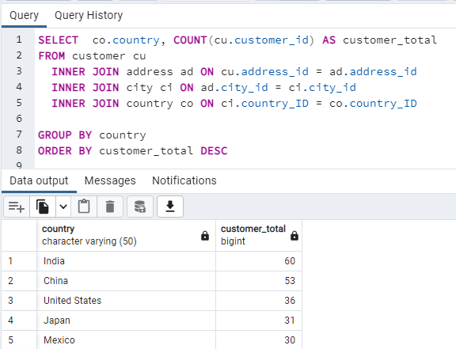
Nigeria | 13
South Africa | 11
Taiwan | 10
United Kingdom | 9
Poland | 8
Iran | 8
Germany | 7
Italy | 7
Venezuela | 7
Egypt | 6
Colombia | 6
Ukraine | 6
Vietnam | 6
Spain | 5
Canada | 5
South Korea | 5
Pakistan | 5
Netherlands | 5
Saudi Arabia | 5
Israel | 4
France | 4
Yemen | 4
Peru | 4
Dominican Republic | 3
Bangladesh | 3
Thailand | 3
Algeria | 3
Chile | 3
Malaysia | 3
Mozambique | 3
Switzerland | 3
Ecuador | 3
Paraguay | 3
Austria | 3
United Arab Emirates | 3
Morocco | 3
Tanzania | 3
Myanmar | 2
Bulgaria | 2
Cameroon | 2
Cambodia | 2
Congo, The Democratic Republic of the | 2
Sudan | 2
Romania | 2
Latvia | 2
Yugoslavia | 2
Puerto Rico | 2
Kazakstan | 2
Greece | 2
Bolivia | 2
Kenya | 2
French Polynesia | 2
Angola | 2
Belarus | 2
Oman | 2
Azerbaijan | 2
Hungary | 1
American Samoa | 1
Armenia | 1
Sri Lanka | 1
French Guiana | 1
Sweden | 1
Faroe Islands | 1
Ethiopia | 1
Bahrain | 1
Czech Republic | 1
Lithuania | 1
Turkmenistan | 1
Tunisia | 1
Virgin Islands, U.S. | 1
Malawi | 1
Chad | 1
Afghanistan | 1
Greenland | 1
Moldova | 1
Gambia | 1
Holy See (Vatican City State) | 1
Estonia | 1
Slovakia | 1
North Korea | 1
Nauru | 1
Liechtenstein | 1
Senegal | 1
Zambia | 1
Hong Kong | 1
Kuwait | 1
Madagascar | 1
Runion | 1
Saint Vincent and the Grenadines | 1
Tuvalu | 1
Finland | 1
Iraq | 1
Anguilla | 1
Brunei | 1
Tonga | 1
Nepal | 1
New Zealand | 1

3.10-4
● Where are customers with a high lifetime value based?

customer_id | last_name | first_name | country | city | total_amount_paid | SELECT B.customer_id, B.last_name, B.first_name, E.country, D.city,
148 | Hunt | Eleanor | Runion | Saint-Denis | 211.55 | SUM(amount) AS total_amount_paid
526 | Seal | Karl | United States | Cape Coral | 208.58 | FROM payment A
178 | Snyder | Marion | Brazil | Santa Brbara dOeste | 194.61 | INNER JOIN customer B on A.customer_id = B.customer_id
137 | Kennedy | Rhonda | Netherlands | Apeldoorn | 191.62 | INNER JOIN address C ON B.address_id = C.address_id
144 | Shaw | Clara | Belarus | Molodetno | 189.6 | INNER JOIN city D ON C.city_id = D.city_id
459 | Collazo | Tommy | Iran | Qomsheh | 183.63 | INNER JOIN country E ON D.country_ID = E.country_ID
181 | Bradley | Ana | United States | Memphis | 167.67
410 | Irby | Curtis | Canada | Richmond Hill | 167.62 | GROUP BY country, city, B.customer_id
236 | Dean | Marcia | Philippines | Tanza | 166.61 | ORDER BY total_amount_paid DESC
403 | Way | Mike | India | Valparai | 162.67
522 | Havens | Arnold | Philippines | Santa Rosa | 161.68
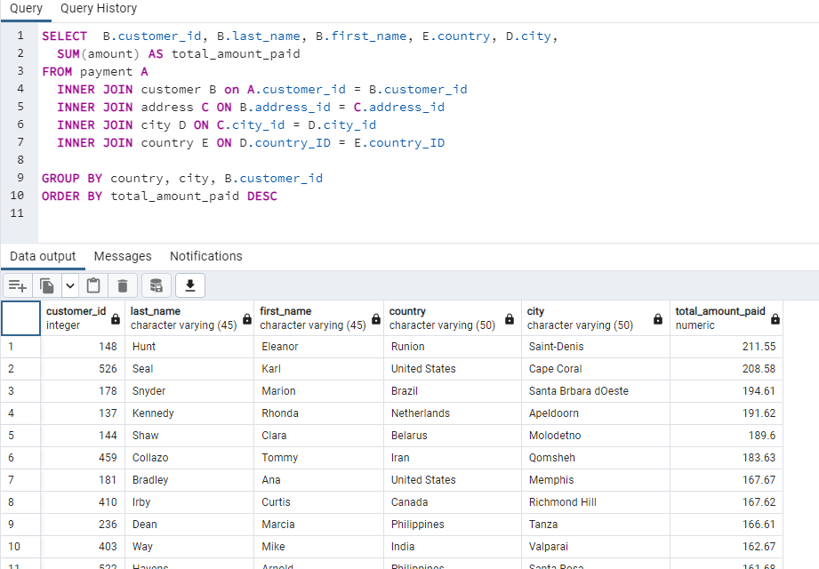
469 | Bull | Wesley | Spain | Ourense (Orense) | 158.65
470 | Allard | Gordon | Yemen | Hodeida | 157.69
373 | Leone | Louis | Philippines | Tanauan | 156.66
259 | Jensen | Lena | India | Halisahar | 154.7
468 | Cary | Tim | India | Bijapur | 154.66
462 | Sherrod | Warren | Russian Federation | Usolje-Sibirskoje | 152.69
372 | Mackenzie | Steve | Indonesia | Probolinggo | 152.68
187 | Riley | Brittany | Ukraine | Sumy | 151.73
550 | Brownlee | Guy | China | Zhoushan | 151.69
176 | Carroll | June | Algeria | Skikda | 151.68
532 | Renner | Neil | Vietnam | Cam Ranh | 149.69
75 | Sanders | Tammy | Taiwan | Changhwa | 149.61
209 | Chapman | Tonya | India | Bhilwara | 147.71
21 | Clark | Michelle | Bangladesh | Tangail | 146.68
26 | Hall | Jessica | Holy See (Vatican City State) | Citt del Vaticano | 146.68
86 | Long | Jacqueline | Thailand | Songkhla | 146.68
211 | Montgomery | Stacey | China | Fuyu | 146.67
346 | Simpkins | Arthur | Russian Federation | Maikop | 145.7
366 | Huey | Brandon | Turkey | Balikesir | 145.64
50 | Collins | Diane | Sudan | Omdurman | 144.7
360 | Madrigal | Ralph | Puerto Rico | Arecibo | 144.68
348 | Quintanilla | Roger | Taiwan | Hsichuh | 144.66
513 | Tubbs | Duane | Nauru | Yangor | 143.7
454 | Gresham | Alex | Mexico | Uruapan | 143.68
347 | Salisbury | Ryan | Latvia | Daugavpils | 142.7
390 | Heaton | Shawn | Thailand | Nakhon Sawan | 142.69
267 | Wade | Margie | China | Lengshuijiang | 142.67
257 | Douglas | Marsha | Mozambique | Beira | 142.66
39 | Nelson | Debra | Brazil | Vila Velha | 141.71
78 | Wood | Lori | India | Rae Bareli | 141.69
362 | Barfield | Nicholas | Brazil | Belm | 140.69
363 | Whiting | Roy | Kenya | Nyeri | 139.72
119 | Marshall | Sherry | Egypt | Shubra al-Khayma | 139.69
368 | Arce | Harry | Iran | Najafabad | 139.69
66 | Ward | Janice | Sweden | Malm | 139.67
237 | Gilbert | Tanya | South Korea | Naju | 138.69
29 | Hernandez | Angela | Japan | Shimonoseki | 138.65
87 | Patterson | Wanda | Colombia | Sincelejo | 137.72
80 | Ross | Marilyn | Nigeria | Ife | 137.7
439 | Fennell | Alexander | Italy | Bergamo | 137.67
558 | Eggleston | Jimmie | Poland | Wroclaw | 135.72
494 | Choate | Ramon | Ecuador | Robamba | 135.7
576 | Mccarter | Morris | Taiwan | Fengshan | 135.68
591 | Arsenault | Kent | Brazil | Juiz de Fora | 134.73
467 | Deloach | Alvin | Mexico | Cuauhtmoc | 134.72
479 | Hite | Zachary | United States | Akron | 134.71
210 | Oliver | Ella | Yemen | Aden | 134.7
120 | Ortiz | Sylvia | Colombia | Dos Quebradas | 134.7
204 | Schmidt | Rosemary | Turkey | Usak | 134.69
15 | Harris | Helen | India | Bhopal | 134.68
5 | Brown | Elizabeth | Taiwan | Nantou | 134.65
349 | Gilliland | Joe | Philippines | Imus | 133.72
404 | Scroggins | Stanley | Japan | Omiya | 133.71
172 | Willis | Bernice | Turkey | Batman | 133.7
197 | Peters | Sue | China | Changzhou | 133.68
265 | Terry | Jennie | Czech Republic | Olomouc | 132.72
533 | Milam | Jessie | China | Binzhou | 132.7
380 | Brinson | Russell | Poland | Tychy | 132.65
472 | Robins | Greg | Vietnam | Nam Dinh | 131.74
13 | Jackson | Karen | Turkey | Osmaniye | 131.73
46 | Campbell | Catherine | Russian Federation | Moscow | 131.69
125 | Webb | Ethel | South Africa | Boksburg | 131.69
3 | Williams | Linda | Greece | Athenai | 130.76
273 | Lowe | Priscilla | Mexico | Salamanca | 130.72
7 | Miller | Maria | Yugoslavia | Kragujevac | 130.72
502 | Cornwell | Brett | India | Siliguri (Shiliguri) | 130.7
342 | Martino | Harold | Brazil | Boa Vista | 130.68
566 | Mena | Casey | Turkey | Tokat | 130.68
112 | Reynolds | Rosa | United States | Lancaster | 129.72
560 | Archuleta | Jordan | Argentina | Avellaneda | 129.71
102 | Ford | Crystal | Israel | Ashdod | 129.7
168 | Berry | Regina | China | Jinchang | 129.68
484 | Vu | Roberto | China | Yinchuan | 128.73
242 | Frazier | Glenda | China | Qinhuangdao | 128.71
103 | Hamilton | Gladys | Nigeria | Ilorin | 128.71
84 | Perry | Sara | Mexico | Atlixco | 128.7
196 | Austin | Alma | Germany | Mannheim | 128.69
448 | Betancourt | Miguel | Germany | Erlangen | 127.73
221 | Morrison | Bessie | Italy | Syrakusa | 127.73
141 | Reyes | Debbie | Japan | Fukuyama | 127.69
520 | Westmoreland | Mitchell | Vietnam | Nha Trang | 127.69
38 | Gonzalez | Martha | Moldova | Chisinau | 127.66
200 | Lawson | Jeanne | Turkmenistan | Ashgabat | 126.74
146 | Rice | Jamie | United States | Sterling Heights | 126.73
436 | Quigley | Troy | Canada | Vancouver | 126.73
206 | Vasquez | Terri | Brazil | Blumenau | 126.73
108 | Cole | Tracy | Mexico | Huixquilucan | 126.72
114 | Ellis | Grace | Germany | Duisburg | 126.7
482 | Crawley | Maurice | Mexico | Coatzacoalcos | 125.74
426 | Motley | Bradley | India | Purnea (Purnia) | 125.74
295 | Bates | Daisy | Russian Federation | Kolpino | 125.72
147 | Robertson | Joanne | Japan | Urawa | 125.68
354 | Ngo | Justin | Brazil | Santo Andr | 125.67
45 | Phillips | Janet | Chile | Antofagasta | 124.74
89 | Flores | Julia | Argentina | La Plata | 124.71
198 | Kelley | Elsie | Nigeria | Ikerre | 124.68
129 | Porter | Carrie | China | Liaocheng | 124.66
300 | Farnsworth | John | India | Parbhani | 123.74
2 | Johnson | Patricia | United States | San Bernardino | 123.74
506 | Seward | Leslie | Indonesia | Pontianak | 123.72
371 | Poulin | Billy | Philippines | Cabuyao | 123.71
51 | Stewart | Alice | United States | Fontana | 123.7
27 | Allen | Shirley | Philippines | Davao | 123.7
30 | King | Melissa | Taiwan | Lungtan | 123.66
92 | Simmons | Tina | Brazil | Goinia | 122.74
434 | Tomlin | Eddie | Philippines | Ozamis | 122.74
535 | Elrod | Javier | Chad | NDjamna | 122.72
163 | Spencer | Cathy | Japan | Kakamigahara | 122.71
244 | Hanson | Viola | Philippines | Lapu-Lapu | 122.7
473 | Olivares | Jorge | Indonesia | Lhokseumawe | 122.69
508 | Howland | Milton | India | Vijayawada | 121.77
497 | Sledge | Gilbert | United Kingdom | York | 121.73
166 | Payne | Lynn | Malawi | Lilongwe | 121.73
451 | Rea | Jim | Mexico | El Fuerte | 121.7
438 | Lovelace | Barry | Zambia | Kitwe | 121.7
406 | Runyon | Nathan | Virgin Islands, U.S. | Charlotte Amalie | 121.69
491 | Mattox | Rick | Egypt | Mit Ghamr | 120.75
179 | Hart | Dana | Russian Federation | Kirovo-Tepetsk | 120.74
423 | Casillas | Alfred | Egypt | Sawhaj | 120.74
499 | Outlaw | Marc | Italy | Brindisi | 120.71
122 | Murray | Thelma | Peru | Lima | 120.7
59 | Murphy | Cheryl | India | Mysore | 119.76
389 | Kahn | Alan | China | Emeishan | 119.75
487 | Poindexter | Hector | Russian Federation | Pjatigorsk | 119.74
207 | Castillo | Gertrude | Greenland | Nuuk | 119.72
306 | Kowalski | Charles | Malaysia | Sungai Petani | 119.72
82 | Coleman | Kathryn | Ukraine | Simferopol | 118.76
41 | Mitchell | Stephanie | Armenia | Yerevan | 118.75
589 | Herrmann | Tracy | Ecuador | Loja | 118.75
565 | Nettles | Jaime | Peru | Hunuco | 118.73
128 | Tucker | Marjorie | Poland | Jastrzebie-Zdrj | 118.7
35 | Green | Virginia | France | Toulouse | 118.7
230 | George | Joy | Romania | Botosani | 118.69
583 | Thorn | Marshall | United Kingdom | Southampton | 117.77
285 | Mckinney | Miriam | Japan | Otsu | 117.77
585 | Swafford | Perry | Argentina | Quilmes | 117.76
504 | Adam | Nathaniel | United States | Joliet | 117.75
421 | Hawks | Lee | India | Pudukkottai | 117.75
573 | Box | Byron | Kazakstan | Zhezqazghan | 117.72
49 | Edwards | Joyce | Saudi Arabia | Jedda | 116.76
149 | Black | Valerie | United States | Brockton | 116.75
253 | Carlson | Terry | Japan | Miyakonojo | 116.74
274 | Jennings | Naomi | India | Karnal | 116.73
263 | Hopkins | Hilda | Philippines | Mandaluyong | 116.73
71 | James | Kathy | Philippines | Baybay | 116.72
356 | Fultz | Gerald | India | Satna | 116.71
56 | Cook | Gloria | French Polynesia | Papeete | 115.74
512 | Vines | Cecil | United Kingdom | London | 115.74
529 | Guillen | Erik | India | Bhimavaram | 115.72
393 | Causey | Philip | Russian Federation | Korolev | 115.71
158 | Stone | Veronica | United States | Greensboro | 115.7
279 | Shelton | Dianne | Iran | Tabriz | 114.76
54 | Rogers | Teresa | Japan | Iwakuni | 114.74
584 | Teel | Salvador | Gambia | Banjul | 114.73
262 | Davidson | Patsy | Ecuador | Portoviejo | 114.73
107 | Woods | Florence | Argentina | Merlo | 114.72
388 | Morrell | Craig | Philippines | Cavite | 114.72
1 | Smith | Mary | Japan | Sasebo | 114.7
433 | Bone | Don | Mozambique | Naala-Porto | 113.77
309 | Greco | Christopher | Italy | Brescia | 113.75
302 | Silverman | Michael | China | Tiefa | 113.74
266 | Herrera | Nora | Austria | Salzburg | 113.74
139 | Dixon | Amber | Taiwan | Touliu | 113.73
569 | Gardiner | Dave | China | Leshan | 113.73
416 | Pinson | Jeffery | Pakistan | Dadu | 113.72
314 | Linton | George | Brazil | Sorocaba | 113.71
260 | Vargas | Christy | China | Datong | 113.7
540 | Asher | Tyrone | Bulgaria | Ruse | 112.76
582 | Vanhorn | Andy | Mexico | Huejutla de Reyes | 112.76
63 | Richardson | Ashley | United States | Lincoln | 112.75
32 | Lopez | Amy | India | Jhansi | 112.74
131 | Hicks | Monica | Ukraine | Mukateve | 112.73
485 | Tobias | Clyde | China | Shaoguan | 112.72
453 | Martel | Calvin | Venezuela | Maracabo | 111.77
225 | Harvey | Arlene | India | Ambattur | 111.76
337 | Jordon | Jerry | Japan | Onomichi | 111.76
577 | Malcolm | Clifton | Taiwan | Tanshui | 111.74
173 | Ray | Audrey | Austria | Graz | 111.73
579 | Larue | Daryl | Iraq | Mosul | 111.73
113 | Fisher | Cindy | Venezuela | Cuman | 111.73
186 | Fox | Holly | India | Haldia | 111.71
42 | Perez | Carolyn | Thailand | Pak Kret | 111.71
592 | Roush | Terrance | Hungary | Szkesfehrvr | 111.71
531 | Waugh | Jamie | Japan | Kuwana | 110.77
258 | Fleming | Myrtle | Dominican Republic | Santiago de los Caballeros | 110.76
495 | Bess | Charlie | China | Baiyin | 110.76
515 | Rapp | Andre | Chile | Coquimbo | 110.74
213 | Williamson | Gina | Yemen | Taizz | 110.73
154 | Grant | Michele | China | Yuncheng | 110.73
559 | Banda | Everett | Egypt | Bilbays | 110.72
90 | Washington | Ruby | China | Meixian | 110.72
595 | Gunderson | Terrence | China | Jinzhou | 110.71
241 | Larson | Heidi | China | Xiangfan | 110.68
170 | Arnold | Beatrice | India | Udaipur | 109.77
536 | Churchill | Fernando | South Korea | Tonghae | 109.77
575 | Oglesby | Isaac | Mexico | Cuernavaca | 109.76
16 | Martin | Sandra | United Kingdom | Southend-on-Sea | 109.75
220 | Alvarez | Charlene | Tanzania | Zanzibar | 109.75
538 | Breaux | Ted | China | Baicheng | 109.73
376 | Gaither | Randy | Russian Federation | Kurgan | 109.73
447 | Bowens | Clifford | Russian Federation | Nabereznyje Telny | 109.73
481 | Devore | Herman | Tanzania | Mwanza | 109.72
446 | Culp | Theodore | India | Uluberia | 109.72
386 | Tan | Todd | Ukraine | Kamjanets-Podilskyi | 109.72
424 | Spurlock | Kyle | China | Shanwei | 109.71
284 | Gregory | Sonia | Nigeria | Benin City | 108.78
594 | Hiatt | Eduardo | China | Jining | 108.77
277 | Jimenez | Olga | Nigeria | Ogbomosho | 108.76
590 | Hannon | Seth | Bahrain | al-Manama | 108.76
334 | Mcwhorter | Raymond | Azerbaijan | Sumqayit | 108.75
518 | Harder | Gabriel | Turkey | Sivas | 108.75
574 | Vest | Julian | Japan | Akishima | 108.73
239 | Romero | Minnie | Indonesia | Ciomas | 108.72
167 | Pierce | Sally | India | Chandrapur | 108.71
293 | Fletcher | Mae | Spain | Donostia-San Sebastin | 107.79
571 | Chisholm | Johnnie | Poland | Plock | 107.78
427 | Mccartney | Jesus | Brazil | Guaruj | 107.77
332 | Qualls | Stephen | Bangladesh | Dhaka | 107.74
145 | Holmes | Lucille | South Africa | Soshanguve | 107.73
441 | Cheatham | Mario | Algeria | Batna | 107.73
588 | Ocampo | Marion | China | Weifang | 107.73
157 | Rose | Darlene | North Korea | Pyongyang | 107.71
418 | East | Jeff | Dominican Republic | San Felipe de Puerto Plata | 107.7
254 | Silva | Maxine | Brazil | Poos de Caldas | 107.7
91 | Butler | Lois | Brunei | Bandar Seri Begawan | 107.66
477 | Paine | Dan | United Kingdom | Stockport | 106.79
343 | Graf | Douglas | Mexico | Mexicali | 106.77
240 | Welch | Marlene | Japan | Iwaki | 106.77
155 | Knight | Gail | Switzerland | Bern | 106.76
234 | Fuller | Claudia | Kuwait | Jalib al-Shuyukh | 106.75
471 | Sauer | Dean | South Africa | Johannesburg | 106.74
116 | Gibson | Victoria | Indonesia | Pemalang | 106.74
457 | Gavin | Bill | United States | Rockford | 106.73
23 | Lewis | Sarah | Latvia | Liepaja | 106.73
160 | Dunn | Erin | Russian Federation | Ljubertsy | 106.73
52 | Sanchez | Julie | Spain | A Corua (La Corua) | 106.72
138 | Warren | Hazel | China | Hohhot | 106.68
490 | Mcduffie | Sam | Colombia | Sogamoso | 105.78
127 | Stevens | Elaine | Russian Federation | Smolensk | 105.78
331 | Robert | Eric | Argentina | Santa F | 105.78
294 | Watts | Shelly | United States | Dayton | 105.77
193 | Elliott | Katie | Kenya | Kisumu | 105.77
400 | Hardison | Bryan | United States | Dallas | 105.76
58 | Bell | Jean | Malaysia | Kuching | 105.76
396 | Shanks | Earl | Japan | Iwatsuki | 105.74
40 | Carter | Amanda | Morocco | Nador | 105.74
96 | Alexander | Diana | United States | Augusta-Richmond County | 105.73
444 | Hidalgo | Marcus | Estonia | Tartu | 105.72
28 | Young | Cynthia | India | Munger (Monghyr) | 105.7
345 | Artis | Carl | Paraguay | San Lorenzo | 104.79
493 | Harkins | Brent | Turkey | Sultanbeyli | 104.78
289 | Rodriquez | Violet | Hong Kong | Kowloon and New Kowloon | 104.76
121 | Gomez | Josephine | India | Etawah | 104.75
171 | Wagner | Dolores | Malaysia | Ipoh | 104.75
407 | Ratcliff | Dale | South Africa | Rustenburg | 104.74
31 | Wright | Brenda | India | Kamarhati | 104.74
25 | Walker | Deborah | Pakistan | Shikarpur | 104.73
397 | Schrader | Jimmy | Russian Federation | Atinsk | 104.72
442 | Bustamante | Leroy | China | Tongliao | 104.71
341 | Menard | Peter | Netherlands | Ede | 103.78
296 | Hale | Ramona | India | Patiala | 103.77
280 | Barrett | Tracey | Nigeria | Owo | 103.77
202 | Gutierrez | Carla | India | Bhusawal | 103.74
245 | Day | Courtney | South Korea | Uijongbu | 103.74
214 | Johnston | Kristin | United States | Sunnyvale | 103.74
20 | Robinson | Sharon | Pakistan | Mardan | 103.73
408 | Murrell | Manuel | Sri Lanka | Jaffna | 103.73
292 | Lambert | Misty | United Arab Emirates | Sharja | 102.78
553 | Pitt | Max | Yugoslavia | Novi Sad | 102.77
510 | Easter | Ben | Russian Federation | Kamyin | 102.77
98 | Griffin | Lillian | United Arab Emirates | al-Ayn | 102.76
587 | Stanfield | Sergio | Mexico | Celaya | 102.76
126 | Simpson | Ellen | Brazil | Po | 102.75
190 | Weaver | Yolanda | Tanzania | Tabora | 102.75
44 | Turner | Marie | Russian Federation | Lipetsk | 101.79
466 | Ebert | Leo | China | Dongying | 101.78
100 | Hayes | Robin | Russian Federation | Jelets | 101.77
593 | Mcalister | Rene | United States | Garden Grove | 101.76
405 | Schofield | Leonard | Argentina | Tandil | 101.7
486 | Talbert | Glen | Mexico | Acua | 100.77
572 | Burleson | Sidney | Poland | Czestochowa | 100.76
517 | Mccurdy | Brad | Taiwan | Chungho | 100.76
219 | Howell | Willie | Argentina | Vicente Lpez | 100.75
251 | Brewer | Vickie | Germany | Halle/Saale | 100.75
135 | Mason | Juanita | India | Pune | 100.72
519 | Deluca | Ron | Japan | Isesaki | 99.78
11 | Anderson | Lisa | Japan | Sagamihara | 99.77
297 | Rhodes | Sherri | India | Ahmadnagar | 99.74
57 | Morgan | Evelyn | Liechtenstein | Vaduz | 99.74
563 | Prewitt | Ken | Romania | Bucuresti | 99.73
503 | Barclay | Angel | Japan | Ueda | 99.72
452 | Milner | Tom | United Arab Emirates | Abu Dhabi | 99.71
381 | Boudreau | Bobby | Anguilla | South Hill | 99.68
19 | Martinez | Ruth | South Africa | Kimberley | 98.82
329 | Waggoner | Frank | Bangladesh | Jamalpur | 98.77
537 | Buford | Clinton | United States | Aurora | 98.76
175 | Olson | Annette | India | Allappuzha (Alleppey) | 98.76
374 | Hurtado | Jeremy | Brazil | Vitria de Santo Anto | 98.75
425 | Sikes | Francis | Mexico | San Juan Bautista Tuxtepec | 98.75
264 | May | Gwendolyn | Japan | Higashiosaka | 98.75
580 | Grey | Ross | Philippines | Iligan | 98.74
367 | Gooch | Adam | India | Adoni | 97.8
65 | Howard | Rose | French Guiana | Cayenne | 97.8
460 | Bostic | Leon | Colombia | Florencia | 97.79
192 | Lawrence | Laurie | India | Firozabad | 97.78
562 | Slone | Wallace | Nigeria | Sokoto | 97.78
409 | Moeller | Rodney | Nigeria | Deba Habe | 97.78
475 | Chestnut | Pedro | Ukraine | ostka | 97.78
123 | Freeman | Shannon | India | Varanasi (Benares) | 97.77
256 | Holland | Mabel | Myanmar | Monywa | 97.75
581 | Wofford | Virgil | Mexico | Jos Azueta | 97.75
269 | Walters | Cassandra | United States | Salinas | 96.79
268 | Soto | Nina | India | Palghat (Palakkad) | 96.79
379 | Coughlin | Carlos | India | Bhavnagar | 96.79
83 | Jenkins | Louise | South Africa | Springs | 96.78
352 | Crouse | Albert | Cameroon | Bamenda | 96.78
14 | White | Betty | United States | Citrus Heights | 96.77
414 | Ralston | Vincent | Mexico | Allende | 96.77
317 | Baugh | Edward | Faroe Islands | Trshavn | 96.76
445 | Forman | Micheal | Argentina | Escobar | 96.76
286 | Lucas | Velma | Nigeria | Effon-Alaiye | 96.76
500 | Kinder | Reginald | Indonesia | Madiun | 96.75
422 | Ellington | Melvin | China | Laohekou | 96.75
74 | Kelly | Denise | Brazil | Rio Claro | 96.74
554 | Olvera | Dwayne | India | Rajkot | 95.8
578 | Lumpkin | Willard | Mexico | Carmen | 95.79
106 | Wallace | Connie | Russian Federation | Ivanovo | 95.79
541 | Windham | Darren | Italy | Livorno | 95.78
180 | Cunningham | Stacy | Colombia | Pereira | 95.78
488 | Millard | Shane | Mexico | La Paz | 95.78
324 | Coy | Gary | China | Yuzhou | 95.78
339 | Perryman | Walter | China | Xinxiang | 95.76
456 | Ricketts | Ronnie | Senegal | Ziguinchor | 95.76
199 | Franklin | Beth | Vietnam | Haiphong | 95.76
132 | Crawford | Esther | South Africa | Botshabelo | 95.72
22 | Rodriguez | Laura | Morocco | Sal | 94.81
68 | Peterson | Nicole | India | Shivapuri | 94.78
150 | Daniels | Danielle | Mexico | Hidalgo | 94.78
276 | Graves | Brandy | United States | Warren | 94.77
153 | Nichols | Suzanne | Indonesia | Jakarta | 94.76
161 | Perkins | Geraldine | Israel | Tel Aviv-Jaffa | 94.76
546 | Knott | Kelly | China | Sanya | 94.76
10 | Taylor | Dorothy | Iran | Esfahan | 94.76
111 | Owens | Carmen | Venezuela | Caracas | 94.75
321 | Schuler | Kevin | Nepal | Birgunj | 93.83
432 | Burk | Edwin | South Africa | Newcastle | 93.8
528 | Herzog | Claude | Angola | Benguela | 93.8
319 | Weiner | Ronald | Mexico | San Felipe del Progreso | 93.79
443 | Skidmore | Francisco | Brazil | So Leopoldo | 93.79
336 | Mark | Joshua | India | Rampur | 93.78
105 | Sullivan | Dawn | Tuvalu | Funafuti | 93.78
385 | Holm | Phillip | Japan | Tama | 93.76
229 | Nguyen | Tamara | Brazil | Anpolis | 93.75
383 | Bales | Martin | Angola | Namibe | 93.75
377 | Fortner | Howard | Iran | Kermanshah | 93.74
12 | Thomas | Nancy | India | Yamuna Nagar | 93.74
47 | Parker | Frances | Brazil | Juazeiro do Norte | 92.81
544 | Nolen | Cody | Brazil | So Bernardo do Campo | 92.8
307 | Joy | Joseph | Brazil | Angra dos Reis | 92.8
365 | Schwarz | Bruce | Japan | Okinawa | 92.79
81 | Henderson | Andrea | Madagascar | Mahajanga | 92.79
511 | Benner | Chester | China | Suihua | 92.78
431 | Francisco | Joel | Bolivia | Sucre | 92.78
182 | Lane | Renee | United States | Compton | 92.76
516 | Noe | Elmer | Cambodia | Battambang | 92.76
474 | Gillette | Dustin | Netherlands | Emmen | 92.75
275 | Barnett | Carole | United States | Peoria | 92.75
188 | Armstrong | Melanie | Philippines | Bayugan | 92.75
489 | Meador | Ricardo | Japan | Okayama | 91.81
505 | Abney | Rafael | Philippines | Talavera | 91.81
212 | Richards | Wilma | United States | Bellevue | 91.8
37 | Baker | Pamela | China | Nanyang | 91.79
201 | Fields | Vicki | Germany | Witten | 91.78
417 | Estep | Travis | Saudi Arabia | al-Qatif | 91.78
392 | Douglass | Sean | Ethiopia | Addis Abeba | 91.77
570 | Cromwell | Ivan | Mexico | Monclova | 91.75
323 | Mahan | Matthew | Mexico | Cuautla | 91.75
64 | Cox | Judith | China | Daxian | 91.7
261 | Byrd | Deanna | Philippines | Tuguegarao | 90.78
216 | Meyer | Natalie | Brazil | Aparecida de Goinia | 90.78
99 | Diaz | Emily | South Korea | Kimchon | 90.77
36 | Adams | Kathleen | Iran | Arak | 90.75
461 | Blakely | Derek | Philippines | Gingoog | 90.73
552 | Waldrop | Hugh | China | Haining | 89.8
73 | Brooks | Beverly | Taiwan | Chiayi | 89.78
43 | Roberts | Christine | French Polynesia | Faaa | 89.78
364 | Varney | Benjamin | Mexico | Guadalajara | 89.78
333 | Purdy | Andrew | Azerbaijan | Baku | 89.78
156 | Ferguson | Bertha | Nigeria | Ondo | 89.77
233 | Kim | Lillie | Egypt | Idfu | 89.77
507 | Rhoads | Edgar | Turkey | Eskisehir | 89.77
235 | Lynch | Jackie | Colombia | Buenaventura | 89.77
69 | Gray | Judy | Algeria | Bchar | 89.77
463 | Power | Darrell | Canada | Halifax | 89.76
34 | Scott | Rebecca | Japan | Kurashiki | 89.76
361 | Lawton | Lawrence | Cameroon | Yaound | 89.71
247 | Moreno | Stella | Mexico | Coacalco de Berriozbal | 88.81
249 | Medina | Dora | China | Tianjin | 88.81
33 | Hill | Anna | Italy | Alessandria | 88.8
375 | Selby | Aaron | Congo, The Democratic Republic of the | Mwene-Ditu | 88.8
60 | Bailey | Mildred | India | Jaipur | 88.78
415 | Pullen | Glenn | Netherlands | Amersfoort | 88.78
231 | Jacobs | Georgia | India | Uttarpara-Kotrung | 88.77
53 | Morris | Heather | Japan | Nagareyama | 88.76
133 | Henry | Pauline | Mexico | Torren | 88.75
72 | Watson | Theresa | Philippines | Taguig | 88.73
17 | Thompson | Donna | Russian Federation | Elista | 87.82
203 | Ryan | Tara | Indonesia | Gorontalo | 87.81
547 | Emmons | Kurt | Japan | Kanazawa | 87.8
523 | Guajardo | Harvey | Vietnam | Vinh | 87.8
476 | Bourque | Derrick | Canada | Gatineau | 87.8
305 | Mccrary | Richard | United States | Arlington | 87.8
226 | Little | Maureen | Paraguay | Asuncin | 87.79
189 | Carpenter | Loretta | Canada | Oshawa | 87.79
130 | Hunter | Charlotte | Brazil | guas Lindas de Gois | 87.78
351 | Foust | Jack | Russian Federation | Zeleznogorsk | 87.77
597 | Duggan | Freddie | Peru | Sullana | 87.77
509 | Fortier | Raul | India | Chapra | 86.82
195 | Sims | Vanessa | Germany | Siegen | 86.81
478 | Lyman | Lewis | Israel | Ashqelon | 86.81
501 | Geary | Ruben | Poland | Lublin | 86.81
238 | Garrett | Nellie | India | Shimoga | 86.81
67 | Torres | Kelly | China | Xiangtan | 86.8
169 | Matthews | Erica | China | Pingxiang | 86.8
217 | Bishop | Agnes | India | Sambhal | 86.79
101 | Myers | Peggy | Saudi Arabia | Abha | 86.77
232 | Reid | Constance | Nigeria | Zaria | 86.77
419 | Carbone | Chad | India | Katihar | 86.76
228 | Stanley | Allison | Cambodia | Phnom Penh | 86.75
561 | Still | Ian | United States | Garland | 86.75
208 | Wheeler | Lucy | India | Balurghat | 86.75
115 | Harrison | Wendy | Mexico | Nezahualcyotl | 86.73
437 | Neumann | Randall | Dominican Republic | La Romana | 85.8
567 | Mcadams | Alfredo | Russian Federation | Serpuhov | 85.8
382 | Barkley | Victor | United States | Manchester | 85.78
455 | Wiles | Jon | Bolivia | El Alto | 85.78
359 | Markham | Willie | Argentina | Almirante Brown | 85.78
8 | Wilson | Susan | New Zealand | Hamilton | 85.77
24 | Lee | Kimberly | Argentina | Crdoba | 85.77
77 | Bennett | Jane | Brazil | Araatuba | 85.77
450 | Robb | Jay | Indonesia | Surakarta | 85.75
542 | Tirado | Lonnie | Indonesia | Pangkal Pinang | 84.84
55 | Reed | Doris | Russian Federation | Balaiha | 84.81
545 | Noland | Julio | Ukraine | Konotop | 84.81
88 | Hughes | Bonnie | South Korea | Cheju | 84.8
539 | Bolin | Mathew | Venezuela | Valencia | 84.8
299 | Gannon | James | Japan | Hiroshima | 84.79
6 | Davis | Jennifer | United States | Laredo | 84.75
140 | Ramos | Eva | United States | Clarksville | 83.82
480 | Hauser | Corey | Turkey | Gaziantep | 83.81
143 | Gordon | Leslie | Turkey | Kilis | 83.8
440 | Colby | Bernard | India | Dhule (Dhulia) | 83.79
598 | Delvalle | Wade | Switzerland | Lausanne | 83.78
340 | Newsom | Patrick | Vietnam | Hanoi | 83.77
496 | Wren | Tyler | China | Rizhao | 82.81
564 | Pfeiffer | Bob | China | Xintai | 82.78
498 | Sanborn | Gene | Oman | Salala | 82.76
483 | Chapa | Vernon | Turkey | Denizli | 81.83
524 | Ely | Jared | Indonesia | Purwakarta | 81.83
322 | Morrissey | Jason | Argentina | Baha Blanca | 81.81
308 | Grigsby | Thomas | United States | Kansas City | 81.81
174 | Watkins | Yvonne | Venezuela | Ocumare del Tuy | 81.81
312 | Rinehart | Mark | Saudi Arabia | Tabuk | 81.8
165 | Stephens | Lorraine | China | Hami | 81.8
534 | Jung | Christian | India | Amroha | 81.78
4 | Jones | Barbara | Myanmar | Myingyan | 81.78
527 | Meehan | Cory | Belarus | Mogiljov | 81.76
215 | Banks | Jessie | Bulgaria | Stara Zagora | 81.76
151 | Palmer | Megan | China | Laiwu | 81.75
311 | Trout | Paul | Russian Federation | Kursk | 80.85
449 | Aquino | Oscar | Iran | Sirjan | 80.83
205 | Carr | Eileen | Paraguay | Ciudad del Este | 80.82
316 | Curley | Steven | India | Miraj | 80.81
184 | Ruiz | Vivian | Netherlands | s-Hertogenbosch | 80.8
290 | Chambers | Kristina | Venezuela | Valle de la Pascua | 80.78
287 | Miles | Becky | India | Tambaram | 80.78
357 | Rico | Keith | Slovakia | Bratislava | 80.77
521 | South | Roland | China | Yingkou | 80.77
109 | West | Edna | South Africa | Klerksdorp | 79.81
304 | Royal | David | Peru | Callao | 79.81
282 | Castro | Jenny | Puerto Rico | Ponce | 79.8
185 | Harper | Roberta | Iran | Shahr-e Kord | 79.8
387 | Schilling | Jesse | Congo, The Democratic Republic of the | Lubumbashi | 79.78
391 | Gamez | Clarence | Japan | Izumisano | 79.75
429 | Isbell | Frederick | Japan | Tsuyama | 78.84
599 | Cintron | Austin | China | Tieli | 78.82
18 | Garcia | Carol | Nigeria | Kaduna | 78.81
9 | Moore | Margaret | Oman | Masqat | 78.8
338 | Gilman | Dennis | South Africa | Paarl | 78.8
62 | Cooper | Joan | United States | Saint Louis | 78.79
298 | Pena | Erika | Finland | Oulu | 78.79
227 | Burton | Colleen | Germany | Saarbrcken | 78.78
435 | Shelby | Ricky | China | Junan | 78.77
223 | Fernandez | Melinda | Pakistan | Mandi Bahauddin | 77.84
134 | Boyd | Emma | Egypt | Qalyub | 77.81
402 | Yanez | Luis | France | Brest | 77.81
394 | Brothers | Chris | Spain | Gijn | 77.8
384 | Stepp | Ernest | China | Huaian | 77.79
104 | Graham | Rita | France | Toulon | 77.78
243 | Burke | Lydia | Argentina | San Miguel de Tucumn | 77.77
246 | Mendoza | Marian | Brazil | Maring | 76.82
118 | Cruz | Kim | United States | Grand Prairie | 76.8
93 | Foster | Phyllis | China | Zalantun | 76.8
224 | Garza | Pearl | India | Jodhpur | 76.78
70 | Ramirez | Christina | Saudi Arabia | al-Hawiya | 75.83
270 | Curtis | Leah | Poland | Kalisz | 75.81
358 | Marlow | Samuel | India | Ranchi | 75.8
551 | Barbee | Clayton | Brazil | Alvorada | 75.79
530 | Ashcraft | Darryl | Argentina | Ezeiza | 75.78
183 | Andrews | Ida | Brazil | Luzinia | 75.78
194 | Chavez | Kristen | Japan | Hino | 74.84
555 | Lombardi | Dwight | South Africa | Chatsworth | 74.83
412 | Butterfield | Allen | India | Hoshiarpur | 74.83
327 | Thrasher | Larry | Turkey | Adana | 74.81
420 | Lance | Jacob | United States | El Monte | 74.8
76 | Price | Irene | Kazakstan | Pavlodar | 74.79
142 | Burns | April | United Kingdom | Dundee | 74.77
398 | Meek | Antonio | Brazil | Bag | 73.85
291 | Holt | Toni | United States | Roanoke | 73.83
399 | Isom | Danny | Pakistan | Okara | 73.82
428 | Kruger | Herbert | Russian Federation | Syktyvkar | 73.81
152 | Mills | Alicia | India | Nagaon | 73.81
79 | Barnes | Rachel | Japan | Kamakura | 73.81
543 | Pemberton | Lance | Morocco | Beni-Mellal | 73.8
596 | Forsythe | Enrique | Greece | Patras | 73.78
335 | Mauldin | Gregory | Tunisia | Sousse | 73.78
411 | Currier | Norman | Indonesia | Cianjur | 73.76
95 | Bryant | Paula | India | Pathankot | 72.83
325 | Bunn | Timothy | Brazil | Braslia | 72.82
556 | Gruber | Armando | United Kingdom | Southport | 72.82
85 | Powell | Anne | United Kingdom | Bradford | 72.79
301 | Baughman | Robert | Russian Federation | Kaliningrad | 71.85
222 | Hansen | Delores | Russian Federation | Jaroslavl | 71.84
94 | Gonzales | Norma | Philippines | Bislig | 71.81
430 | Houle | Ray | Russian Federation | Dzerzinsk | 71.8
278 | Horton | Billie | Turkey | Inegl | 71.79
177 | Duncan | Samantha | Mexico | Matamoros | 71.77
255 | Pearson | Irma | Philippines | Hagonoy | 70.82
378 | Culpepper | Eugene | China | Shenzhen | 70.82
370 | Truong | Wayne | India | Gulbarga | 70.81
303 | Satterfield | William | Yemen | Sanaa | 70.81
117 | Mcdonald | Edith | India | Gandhinagar | 69.83
514 | Troutman | Franklin | China | Zaoyang | 69.79
369 | Wheat | Fred | Mexico | Jurez | 69.79
310 | Cabral | Daniel | Brazil | Ibirit | 68.87
465 | Gandy | Floyd | Mexico | Zapopan | 68.84
525 | Clary | Adrian | Italy | Udine | 68.82
355 | Grissom | Terry | Japan | Matsue | 68.81
283 | Sutton | Felicia | China | Korla | 68.77
48 | Evans | Ann | Russian Federation | Niznekamsk | 67.86
464 | Kenyon | Jerome | Chile | Rancagua | 67.86
315 | Gooden | Kenneth | Israel | Bat Yam | 67.86
218 | Mccoy | Vera | Afghanistan | Kabul | 67.82
191 | Greene | Jeanette | Russian Federation | Novoterkassk | 66.82
458 | Dowd | Lloyd | Indonesia | Tegal | 66.81
568 | Henning | Alberto | Venezuela | Barcelona | 66.79
272 | Caldwell | Kay | China | Yantai | 65.87
328 | Spear | Jeffrey | Indonesia | Ciparay | 65.83
353 | Scarborough | Jonathan | Mexico | Pachuca de Soto | 65.83
413 | Yee | Marvin | India | Berhampore (Baharampur) | 65.81
164 | Gardner | Joann | Turkey | Tarsus | 64.85
344 | Billingsley | Henry | Tonga | Nukualofa | 64.84
326 | Andrew | Jose | Saint Vincent and the Grenadines | Kingstown | 64.82
548 | Cornish | Allan | Philippines | Tarlac | 63.84
313 | Mahon | Donald | China | Ezhou | 63.84
350 | Fraley | Juan | Russian Federation | Teboksary | 63.79
557 | Gaffney | Felix | Lithuania | Vilnius | 63.78
492 | Kraus | Lester | India | Kanchrapara | 62.85
549 | Christenson | Nelson | Spain | Santiago de Compostela | 62.84
401 | Carranza | Tony | Japan | Koriyama | 62.81
330 | Shelley | Scott | United States | Aurora | 60.82
136 | Morales | Anita | India | Hubli-Dharwad | 59.86
162 | Hudson | Lauren | France | Le Mans | 59.83
159 | Hawkins | Jill | Austria | Linz | 58.83
97 | Russell | Annie | Mozambique | Tete | 58.82
252 | Hoffman | Mattie | United Kingdom | London | 58.8
61 | Rivera | Katherine | Switzerland | Basel | 57.87
124 | Wells | Sheila | Turkey | Ktahya | 57.86
395 | Turpin | Johnny | Sudan | al-Qadarif | 57.81
271 | Neal | Penny | India | Kumbakonam | 56.84
250 | Fowler | Jo | Nigeria | Oyo | 54.85
288 | Craig | Bobbie | Mexico | Valle de Santiago | 52.81
586 | Stclair | Kirk | Taiwan | Tsaotun | 50.83
110 | Jordan | Tiffany | China | Enshi | 49.88
320 | Schwab | Anthony | American Samoa | Tafuna | 47.85
248 | Bowman | Caroline | United States | Tallahassee | 37.87
281 | Obrien | Leona | China | Fuzhou | 32.9
318 | Wyman | Brian | Poland | Bydgoszcz | 27.93

3.10-5
● Do sales figures vary between geographic regions?

country | total_customer | total_amount_paid | SELECT E.country, COUNT(amount) AS total_customer,
India | 1422 | 6034.78 | SUM(amount) AS total_amount_paid | Countries | Revenue | % of Total Revenue | Countries | Revenue | % of Total Revenue
China | 1297 | 5251.03 | FROM payment A | India | $6,034.78 | 9.84% | India | $6,034.78 | 9.84%
United States | 869 | 3685.31 | INNER JOIN customer B on A.customer_id = B.customer_id | China | $5,251.03 | 8.56% | China | $5,251.03 | 8.56%
Japan | 749 | 3122.51 | INNER JOIN address C ON B.address_id = C.address_id | United States | $3,685.31 | 6.01% | United States | $3,685.31 | 6.01%
Mexico | 718 | 2984.82 | INNER JOIN city D ON C.city_id = D.city_id | Japan | $3,122.51 | 5.09% | Japan | $3,122.51 | 5.09%
Brazil | 681 | 2919.19 | INNER JOIN country E ON D.country_ID = E.country_ID | Mexico | $2,984.82 | 4.87% | Mexico | $2,984.82 | 4.87%
Russian Federation | 638 | 2765.62 |  | Brazil | $2,919.19 | 4.76% | Brazil | $2,919.19 | 4.76%
Philippines | 530 | 2219.7 | GROUP BY country | Russian Federation | $2,765.62 | 4.51% | Russian Federation | $2,765.62 | 4.51%
Turkey | 351 | 1498.49 | ORDER BY total_amount_paid DESC | Philippines | $2,219.70 | 3.62% | Philippines | $2,219.70 | 3.62%
Indonesia | 331 | 1352.69 |  | Turkey | $1,498.49 | 2.44% | Turkey | $1,498.49 | 2.44%
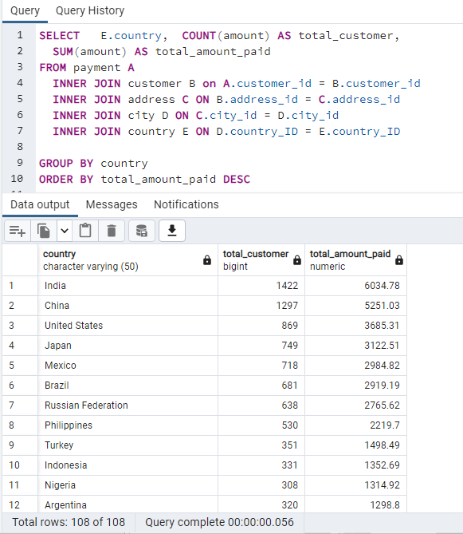
Nigeria | 308 | 1314.92 |  | Indonesia | $1,352.69 | 2.21% | Indonesia | $1,352.69 | 2.21%
Argentina | 320 | 1298.8 |  | Nigeria | $1,314.92 | 2.14% | TOTAL of top ten countries | $31,834.14 | 51.92%
Taiwan | 290 | 1155.1 |  | Argentina | $1,298.80 | 2.12%
South Africa | 254 | 1069.46 |  | Taiwan | $1,155.10 | 1.88%
Iran | 204 | 877.96 |  | South Africa | $1,069.46 | 1.74%
United Kingdom | 204 | 850.96 |  | Iran | $877.96 | 1.43%
Poland | 184 | 786.16 |  | United Kingdom | $850.96 | 1.39%
Italy | 174 | 753.26 |  | Poland | $786.16 | 1.28%
Germany | 176 | 741.24 |  | Italy | $753.26 | 1.23%
Vietnam | 155 | 676.45 |  | Germany | $741.24 | 1.21%
Ukraine | 147 | 675.53 |  | Vietnam | $676.45 | 1.10%
Colombia | 146 | 661.54 |  | Ukraine | $675.53 | 1.10%
Egypt | 152 | 659.48 |  | Colombia | $661.54 | 1.08%
Venezuela | 157 | 632.43 |  | Egypt | $659.48 | 1.08%
Canada | 130 | 559.7 |  | Venezuela | $632.43 | 1.03%
Netherlands | 127 | 557.73 |  | Canada | $559.70 | 0.91%
South Korea | 123 | 527.77 |  | Netherlands | $557.73 | 0.91%
Spain | 120 | 513.8 |  | South Korea | $527.77 | 0.86%
Yemen | 107 | 473.93 |  | Spain | $513.80 | 0.84%
Pakistan | 116 | 473.84 |  | Yemen | $473.93 | 0.77%
Saudi Arabia | 106 | 452.94 |  | Pakistan | $473.84 | 0.77%
Peru | 99 | 407.01 |  | Saudi Arabia | $452.94 | 0.74%
Thailand | 92 | 401.08 |  | Peru | $407.01 | 0.66%
Israel | 87 | 379.13 |  | Thailand | $401.08 | 0.65%
Ecuador | 82 | 369.18 |  | Israel | $379.13 | 0.62%
Bangladesh | 81 | 353.19 |  | Ecuador | $369.18 | 0.60%
Algeria | 82 | 349.18 |  | Bangladesh | $353.19 | 0.58%
France | 88 | 334.12 |  | Algeria | $349.18 | 0.57%
Malaysia | 77 | 330.23 |  | France | $334.12 | 0.54%
Tanzania | 78 | 322.22 |  | Malaysia | $330.23 | 0.54%
Mozambique | 75 | 315.25 |  | Tanzania | $322.22 | 0.53%
United Arab Emirates | 75 | 305.25 |  | Mozambique | $315.25 | 0.51%
Dominican Republic | 74 | 304.26 |  | United Arab Emirates | $305.25 | 0.50%
Chile | 66 | 303.34 |  | Dominican Republic | $304.26 | 0.50%
Austria | 70 | 284.3 |  | Chile | $303.34 | 0.49%
Morocco | 65 | 274.35 |  | Austria | $284.30 | 0.46%
Paraguay | 60 | 273.4 |  | Morocco | $274.35 | 0.45%
Belarus | 64 | 271.36 |  | Paraguay | $273.40 | 0.45%
Latvia | 57 | 249.43 |  | Belarus | $271.36 | 0.44%
Switzerland | 59 | 248.41 |  | Latvia | $249.43 | 0.41%
Kenya | 51 | 245.49 |  | Switzerland | $248.41 | 0.41%
Yugoslavia | 51 | 233.49 |  | Kenya | $245.49 | 0.40%
Puerto Rico | 52 | 224.48 |  | Yugoslavia | $233.49 | 0.38%
Romania | 58 | 218.42 |  | Puerto Rico | $224.48 | 0.37%
Runion | 45 | 211.55 |  | Romania | $218.42 | 0.36%
French Polynesia | 48 | 205.52 |  | Runion | $211.55 | 0.35%
Greece | 46 | 204.54 |  | French Polynesia | $205.52 | 0.34%
Sudan | 49 | 202.51 |  | Greece | $204.54 | 0.33%
Azerbaijan | 47 | 198.53 |  | Sudan | $202.51 | 0.33%
Bulgaria | 48 | 194.52 |  | Azerbaijan | $198.53 | 0.32%
Kazakstan | 49 | 192.51 |  | Bulgaria | $194.52 | 0.32%
Angola | 45 | 187.55 |  | Kazakstan | $192.51 | 0.31%
Cameroon | 51 | 186.49 |  | Angola | $187.55 | 0.31%
Myanmar | 47 | 179.53 |  | Cameroon | $186.49 | 0.30%
Cambodia | 49 | 179.51 |  | Myanmar | $179.53 | 0.29%
Bolivia | 44 | 178.56 |  | Cambodia | $179.51 | 0.29%
Congo, The Democratic Republic of the | 42 | 168.58 |  | Bolivia | $178.56 | 0.29%
Oman | 44 | 161.56 |  | Congo, The Democratic Republic of the | $168.58 | 0.27%
Holy See (Vatican City State) | 32 | 146.68 |  | Oman | $161.56 | 0.26%
Nauru | 30 | 143.7 |  | Holy See (Vatican City State) | $146.68 | 0.24%
Sweden | 33 | 139.67 |  | Nauru | $143.70 | 0.23%
Czech Republic | 28 | 132.72 |  | Sweden | $139.67 | 0.23%
Moldova | 34 | 127.66 |  | Czech Republic | $132.72 | 0.22%
Turkmenistan | 26 | 126.74 |  | Moldova | $127.66 | 0.21%
Chad | 28 | 122.72 |  | Turkmenistan | $126.74 | 0.21%
Malawi | 27 | 121.73 |  | Chad | $122.72 | 0.20%
Zambia | 30 | 121.7 |  | Malawi | $121.73 | 0.20%
Virgin Islands, U.S. | 31 | 121.69 |  | Zambia | $121.70 | 0.20%
Greenland | 28 | 119.72 |  | Virgin Islands, U.S. | $121.69 | 0.20%
Armenia | 25 | 118.75 |  | Greenland | $119.72 | 0.20%
Gambia | 27 | 114.73 |  | Armenia | $118.75 | 0.19%
Iraq | 27 | 111.73 |  | Gambia | $114.73 | 0.19%
Hungary | 29 | 111.71 |  | Iraq | $111.73 | 0.18%
Bahrain | 24 | 108.76 |  | Hungary | $111.71 | 0.18%
North Korea | 29 | 107.71 |  | Bahrain | $108.76 | 0.18%
Brunei | 34 | 107.66 |  | North Korea | $107.71 | 0.18%
Kuwait | 25 | 106.75 |  | Brunei | $107.66 | 0.18%
Estonia | 28 | 105.72 |  | Kuwait | $106.75 | 0.17%
Hong Kong | 24 | 104.76 |  | Estonia | $105.72 | 0.17%
Sri Lanka | 27 | 103.73 |  | Hong Kong | $104.76 | 0.17%
Liechtenstein | 26 | 99.74 |  | Sri Lanka | $103.73 | 0.17%
Anguilla | 32 | 99.68 |  | Liechtenstein | $99.74 | 0.16%
French Guiana | 20 | 97.8 |  | Anguilla | $99.68 | 0.16%
Faroe Islands | 24 | 96.76 |  | French Guiana | $97.80 | 0.16%
Senegal | 24 | 95.76 |  | Faroe Islands | $96.76 | 0.16%
Nepal | 17 | 93.83 |  | Senegal | $95.76 | 0.16%
Tuvalu | 22 | 93.78 |  | Nepal | $93.83 | 0.15%
Madagascar | 21 | 92.79 |  | Tuvalu | $93.78 | 0.15%
Ethiopia | 23 | 91.77 |  | Madagascar | $92.79 | 0.15%
New Zealand | 23 | 85.77 |  | Ethiopia | $91.77 | 0.15%
Slovakia | 23 | 80.77 |  | New Zealand | $85.77 | 0.14%
Finland | 21 | 78.79 |  | Slovakia | $80.77 | 0.13%
Tunisia | 22 | 73.78 |  | Finland | $78.79 | 0.13%
Afghanistan | 18 | 67.82 |  | Tunisia | $73.78 | 0.12%
Tonga | 16 | 64.84 |  | Afghanistan | $67.82 | 0.11%
Saint Vincent and the Grenadines | 18 | 64.82 |  | Tonga | $64.84 | 0.11%
Lithuania | 22 | 63.78 |  | Saint Vincent and the Grenadines | $64.82 | 0.11%
American Samoa | 15 | 47.85 |  | Lithuania | $63.78 | 0.10%
 |  |  |  | American Samoa | $47.85 | 0.08%
 |  |  |  | Grand Total | $61,312.04 | 100.00%

