Cranial measurement
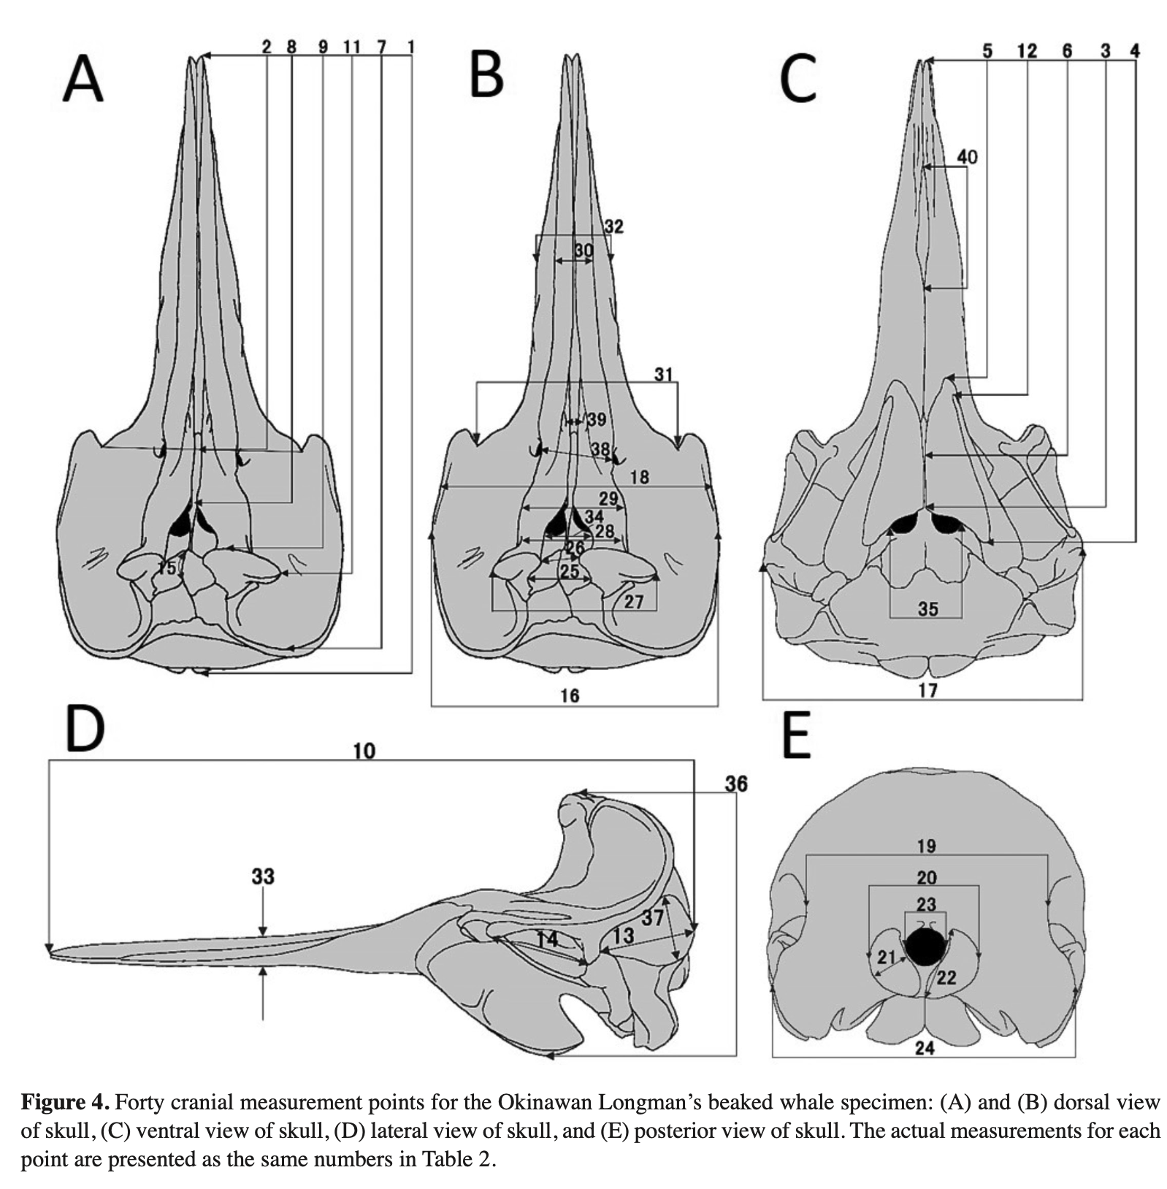
 | % CBL = percentage of condylobasal length
 | Measurement | cm | % CBL
1 | Condylobasal length
2 | Length of rostrum; tip of beak to line connecting apices of antorbital notches
3 | Tip of rostrum to posterior margin of pterygoid near mid-line
4 | Tip of rostrum to most posterior extension of wing of pterygoid
5 | Tip of rostrum to most anterior extension of pterygoid
6 | Tip of rostrum to most posterior extension of maxillaries between pterygoids on the palate
7 | Tip of rostrum to most posterior extension of maxillary plate
8 | Tip of rostrum to anterior margin of superior nares
9 | Tip of rostrum to most anterior point on premaxillary crest
10 | Tip of rostrum to most posterior extension of temporal fossa
11 | Tip of rostrum to most posterior extension of lateral tip of premaxillary crest
12 | Tip of rostrum to most anterior extension of pterygoids sinus
13 | Length of temporal fossa
14 | Length of orbit
15 | Length of nasal suture
16 | Breadth of skull across postorbital proess of frontals
17 | Breadth of skull across zygomatic processes of squamosals
18 | Breath of skull across centers of orbits
19 | Least breath of skull across posterior margins of temporal fossae
20 | Greatest span of occipital condyles
21 | Greatest width of an occipital condyle
22 | Greatest length of an occipital condyle
23 | Greatest breadth of foramen magnum
24 | Breadth of skull across exoccipitals
25 | Breadth of nasals on vertex
26 | Least distance between premaxillary crests
27 | Greatest span of premaxillary crests
28 | Least width (strictly transverse) of premaxillae where they narrow opposite superior nares
29 | Greatest width of premaxillae anterior to place of previous measurement
30 | Width of premaxillae at mid-length of rostrum
31 | Width of rostrum in apices of antorbital notches
32 | Greatest width of rostrum at mid-length of rostrum
33 | Greatest depth of rostrum at mid-length of rostrum
34 | Greatest transverse width of superior nares
35 | Greatest inside width of inferior nares; at apices of pterygoid notches, on the pterygoids
36 | Height of skull; distance between vertex of skull and most ventral point of pterygoids
37 | Greatest width of temporal fossa approximately at right angles to greatest length
38 | Least distance between (main or anterior) maxillary foramina
39 | Least distance between premaxillary foramina
40 | Greatest length of vomer visible at surface of palate

Mandibular & tooth measurement
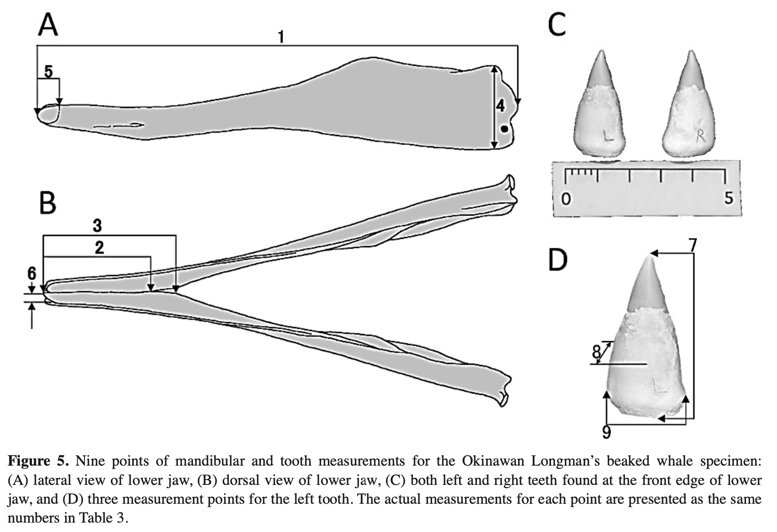
 | % CBL = percentage of mandible length
 | Measurement | cm | % ML
1 | Length of mandible
2 | Length of symphysis (fused length)
3 | Length of symphysis (including unfused posterior part)
4 | Height mandible at coronoid process
5 | Length of alveolus
6 | Width of alveolus
7 | Greatest (vertical) length of tooth
8 | Greatest anterior/ posterior width of tooth perpendicular to greatest length
9 | Greatest breadth of tooth
10 | Depth of alveolus

