Intro
Quick Guide

In the event of a clearing member's default, CME will hedge and liquidate the defaulted member's portfolio. To ensure we have adequate resources to cover the cost of hedging and liquidation, we kindly request you to provide your estimation of the liquidation costs for interest rate swap portfolios with various risk profiles.
This template is comprised of several tabs, one for each currency. Each currency tab contains several DV01 profiles (tables) of various trade types, broken down by size and tenor. Each profile is clearly marked to avoid confusion. Let’s consider the following example:

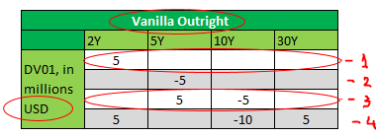

This table defines trades for which CMs are asked to provide estimates. This particular example contains four different Vanilla Outright trades (i.e. 3M Libor/Fixed), each row representing a trade, expressed in terms of DV01 profiles. All DV01 numbers in this example are in USD, as indicated in the first column:
* The first trade is an outright payer trade (positive DV01) that has the size of 5 million DV01 in 2Y tenor;
* The second trade has the outright receiver risk (negative DV01) of 5 million in 5Y tenor;
* The third trade is a curve trade (in this case - flattener) with the 5Y and 10Y tenor legs, and the DV01 size of each leg equal to 5 million in opposite direction;
* Finally, trade number 4 is a butterfly with payer wings of 5 million DV01 each in 2Y and 30Y tenors, and a 10 million DV01 receiver belly in 10Y tenor.
We ask you to estimate a charge (the distance from mid, in bps) that you would require to enter into each trade, under the assumption of distressed market conditions (i.e. a period of significantly heightened volatility, such as Lehman default, Bear Stearns collapse, Brexit, etc). For sizes that far exceed your average trade size or the standard market size, please provide your best estimates.
The right table is where you enter your responses, in bps:

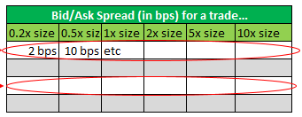

In the first row, you will enter your estimates for a charge that you would require for entering into a 2Y payer trade of various sizes. To determine your answer, first use the size multiplier provided above each cell (0.2x size for the first one, 0.5x size for the second one, and so on), and apply it to the original Trade 1 size from the left table (5mm). Hence, in the first cell you will provide your estimate of a charge required for entering into a 0.2 x 5 = 1mm DV01 2Y payer. Let’s say your estimate for this charge is 2 bps, in which case you will enter 2 in the first cell (don't type "bps", as the cells have been already pre-formatted to display correct units). Similarly, in the second cell you will provide you estimate for a charge for 0.5 x 5mm = 2.5mm DV01 2Y payer (10 bps in this example), and so on.
For the avoidance of doubt, we are not asking you for an actual par rate or spread. We are asking you for your estimate of an additional charge (above and beyond the actual par rate or spread) that you would require CME to pay to enter into a particular transaction, assuming distressed market environment.
You then follow this logic to enter your estimates for other trades - use the trade type and tenors specified in the left table as a base case scenario, and provide you estimates for various sizes in the right one:

Please assume that all trades are executed at CME independently of each other.
Please make sure to include the name and contact information for a trader responsible for each currency submission by filling out provided boxes at the top of each tab.

