Test Screenshots
Screen Id
ID1

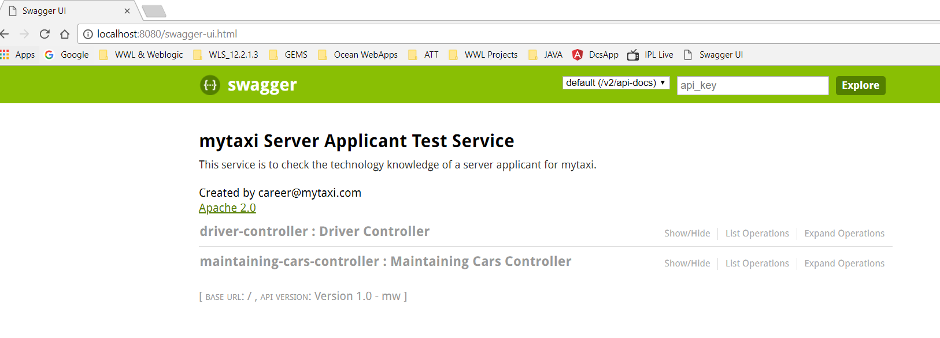
ID2

