工作表1
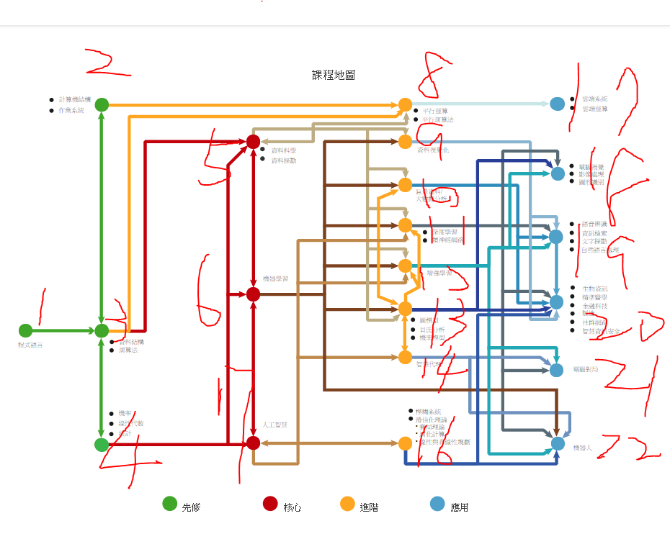
index | name | 單向(需先修) | 單向(後可修) | 互相
0 | [''] | [] | [] | []
1 | ['程式語言'] | [] | [3] | []
2 | ['計算機結構', '作業系統'] | [] | [8] | [3]
3 | ['資料結構', '演算法'] | [1] | [5,8] | [2,4]
4 | ['機率', '線性代數', '統計'] | [] | [5,6,7] | [3]
5 | ['資料科學', '資料探勘'] | [3,4] | [9,10,11,12,13] | [6,8]
6 | ['機器學習'] | [4] | [9,10,11,12,13,22] | [5,7]
7 | ['人工智慧'] | [4] | [11,12,14] | [6,16]
8 | ['平行運算', '平行演算法'] | [2,3] | [17] | [5]
9 | ['資料視覺化'] | [5,6] | [19,20] | []
10 | ['巨量資料', '大數據分析'] | [5,6] | [19,20] | [13]
11 | ['深度學習', '類神經網路'] | [5,6,7,13] | [18,19,20,21,22] | []
12 | ['強化學習'] | [5,6,7,13] | [18,19,21,22] | []
13 | ['圖模型', '貝氏分析', '機率模型'] | [5,6] | [11,12,18,20] | [10,14]
14 | ['智慧代理'] | [7] | [21,22] | [13]
15 | ['認知科學'] | [] | [] | []
16 | ['演化計算', '模糊系統'] | [] | [20,22] | [7]
17 | ['雲端系統', '雲端運算'] | [8] | [] | []
18 | ['電腦視覺'] | [11,12,13] | [] | []
19 | ['語音辨識', '資訊檢索', '文字探勘', '自然語言處理'] | [10,11,13] | [] | []
20 | ['生物資訊', '精準醫學', '金融科技', '製造', '社群網路'] | [9,10,11,13,16] | [] | []
21 | ['電腦對局'] | [11,12,14] | [] | []
22 | ['機器人'] | [11,12,14,16] | [] | []

