8
# | size | count | type | redop | root | time | algbw | busbw | #wrong | time | algbw | busbw | #wrong
# | (B) | (elements) | (us) | (GB/s) | (GB/s) | (us) | (GB/s) | (GB/s) |  |  |  |  |  | size(B) | time(us)
 | 8 | 2 | float | sum | -1 | 40.94 | 0 | 0 | 0 | 39.56 | 0 | 0 | 0 | 8 | 40.94
 | 16 | 4 | float | sum | -1 | 40.3 | 0 | 0 | 0 | 39.73 | 0 | 0 | 0 | 16 | 40.3
 | 32 | 8 | float | sum | -1 | 39.37 | 0 | 0 | 0 | 39.96 | 0 | 0 | 0 | 32 | 39.37
 | 64 | 16 | float | sum | -1 | 39.87 | 0 | 0 | 0 | 39.21 | 0 | 0 | 0 | 64 | 39.87
 | 128 | 32 | float | sum | -1 | 39.66 | 0 | 0.01 | 0 | 40.01 | 0 | 0.01 | 0 | 128 | 39.66
 | 256 | 64 | float | sum | -1 | 39.55 | 0.01 | 0.01 | 0 | 40.91 | 0.01 | 0.01 | 0 | 256 | 39.55
 | 512 | 128 | float | sum | -1 | 39.98 | 0.01 | 0.02 | 0 | 39.66 | 0.01 | 0.02 | 0 | 512 | 39.98
 | 1024 | 256 | float | sum | -1 | 39.49 | 0.03 | 0.05 | 0 | 39.79 | 0.03 | 0.05 | 0 | 1024 | 39.49
 | 2048 | 512 | float | sum | -1 | 40.1 | 0.05 | 0.09 | 0 | 39.72 | 0.05 | 0.09 | 0 | 2048 | 40.1
 | 4096 | 1024 | float | sum | -1 | 40.08 | 0.1 | 0.18 | 0 | 37.55 | 0.11 | 0.19 | 0 | 4096 | 40.08
 | 8192 | 2048 | float | sum | -1 | 39.42 | 0.21 | 0.36 | 0 | 38.16 | 0.21 | 0.38 | 0 | 8192 | 39.42
 | 16384 | 4096 | float | sum | -1 | 40.38 | 0.41 | 0.71 | 0 | 37.68 | 0.43 | 0.76 | 0 | 16384 | 40.38
 | 32768 | 8192 | float | sum | -1 | 44.13 | 0.74 | 1.3 | 0 | 37.46 | 0.87 | 1.53 | 0 | 32768 | 44.13
 | 65536 | 16384 | float | sum | -1 | 42.63 | 1.54 | 2.69 | 0 | 39.92 | 1.64 | 2.87 | 0 | 65536 | 42.63
 | 131072 | 32768 | float | sum | -1 | 47.43 | 2.76 | 4.84 | 0 | 48.01 | 2.73 | 4.78 | 0 | 131072 | 47.43
 | 262144 | 65536 | float | sum | -1 | 57.25 | 4.58 | 8.01 | 0 | 53.28 | 4.92 | 8.61 | 0 | 262144 | 57.25
 | 524288 | 131072 | float | sum | -1 | 67.26 | 7.79 | 13.64 | 0 | 67.9 | 7.72 | 13.51 | 0 | 524288 | 67.26
 | 1048576 | 262144 | float | sum | -1 | 72.75 | 14.41 | 25.22 | 0 | 71.71 | 14.62 | 25.59 | 0 | 1048576 | 72.75
 | 2097152 | 524288 | float | sum | -1 | 93.23 | 22.49 | 39.37 | 0 | 93.08 | 22.53 | 39.43 | 0 | 2097152 | 93.23
 | 4194304 | 1048576 | float | sum | -1 | 141.7 | 29.61 | 51.82 | 0 | 137.8 | 30.45 | 53.28 | 0 | 4194304 | 141.7
 | 8388608 | 2097152 | float | sum | -1 | 230.7 | 36.36 | 63.63 | 0 | 228.1 | 36.77 | 64.35 | 0 | 8388608 | 230.7
 | 16777216 | 4194304 | float | sum | -1 | 283.2 | 59.24 | 103.67 | 0 | 283.1 | 59.26 | 103.7 | 0 | 16777216 | 283.2
 | 33554432 | 8388608 | float | sum | -1 | 491.6 | 68.26 | 119.46 | 0 | 491.5 | 68.27 | 119.48 | 0 | 33554432 | 491.6
 | 67108864 | 16777216 | float | sum | -1 | 921.8 | 72.8 | 127.4 | 0 | 930.1 | 72.15 | 126.27 | 0 | 67108864 | 921.8
 | 134217728 | 33554432 | float | sum | -1 | 1799.2 | 74.6 | 130.55 | 0 | 1802.2 | 74.47 | 130.33 | 0 | 134217728 | 1799.2
 | 268435456 | 67108864 | float | sum | -1 | 3565.8 | 75.28 | 131.74 | 0 | 3555.9 | 75.49 | 132.11 | 0 | 268435456 | 3565.8
 | 536870912 | 134217728 | float | sum | -1 | 7019.7 | 76.48 | 133.84 | 0 | 7026.8 | 76.4 | 133.71 | 0 | 536870912 | 7019.7
 | 1073741824 | 268435456 | float | sum | -1 | 13994 | 76.73 | 134.27 | 0 | 14009 | 76.64 | 134.13 | 0 | 1073741824 | 13994
 | 2147483648 | 536870912 | float | sum | -1 | 27908 | 76.95 | 134.66 | 0 | 27940 | 76.86 | 134.51 | 0 | 2147483648 | 27908

 | 8-card | 4-card | 2-card
8 | 40.94 | 21.28 | 11.03
16 | 40.3 | 20.71 | 11.08
32 | 39.37 | 20.47 | 10.85
64 | 39.87 | 20.46 | 10.66
128 | 39.66 | 20.77 | 11.77
256 | 39.55 | 20.78 | 10.64
512 | 39.98 | 20.7 | 10.7
1024 | 39.49 | 20.51 | 10.78
2048 | 40.1 | 20.58 | 10.7
4096 | 40.08 | 20.96 | 11.74
8192 | 39.42 | 20.85 | 10.8
16384 | 40.38 | 21.03 | 11.83
32768 | 44.13 | 22.01 | 13.33
65536 | 42.63 | 24.27 | 16.27
131072 | 47.43 | 29.42 | 32.47
262144 | 57.25 | 29.31 | 42.47
524288 | 67.26 | 49.02 | 47.73
1048576 | 72.75 | 64.11 | 68.65
2097152 | 93.23 | 92.74 | 115.2
4194304 | 141.7 | 141.3 | 207.9
8388608 | 230.7 | 178.2 | 392
16777216 | 283.2 | 327 | 765.8
33554432 | 491.6 | 624.6 | 1510.9
67108864 | 921.8 | 1205.6 | 3000.2
134217728 | 1799.2 | 2378.9 | 5984.8
268435456 | 3565.8 | 4740.9 | 11917
536870912 | 7019.7 | 9483.6 | 23819
1073741824 | 13994 | 18950 | 47678
2147483648 | 27908 | 37980 | 95387

RoCE
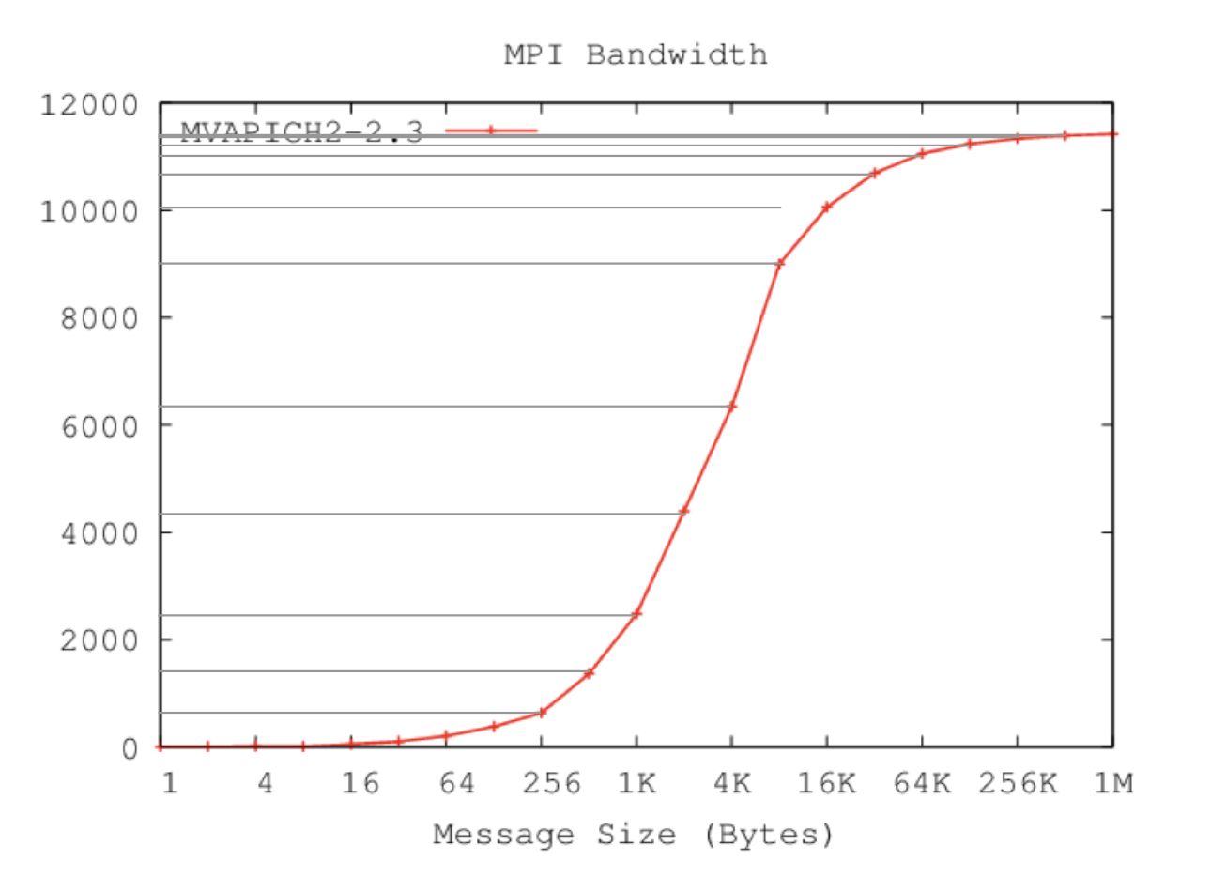
Size per Channel | time | Latency | BW
(B) | (us) | (us) | (MB/s)
8 | 1.1 | 1.1 |  | 数据来源： | 存在的问题：
16 | 1.1 | 1.1 |  | MVAPICH | MPI Lantecy中的数据和MPI Bandwidth数据好像对不上？
32 | 1.1 | 1.1 |  | Haswell+ConnectX-4(RoCE) | 目前是采用的time = Latency+Size/BW
64 | 1.1 | 1.1 |  | MPI Latency
128 | 1.15 | 1.15
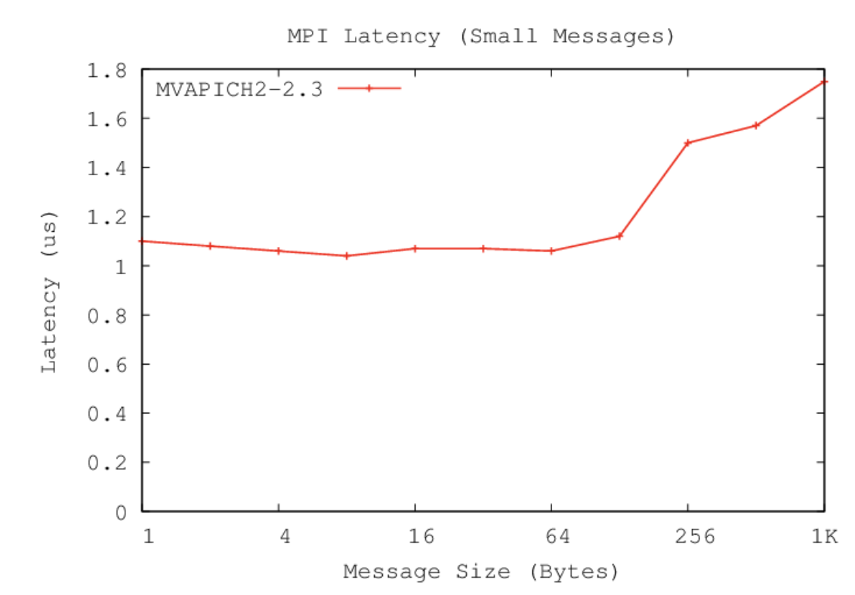
256 | 1.5 | 1.5
512 | 1.8511764706 | 1.55 | 1700
1024 | 2.1357446809 | 1.7 | 2350
2048 | 2.1762790698 | 1.7 | 4300
4096 | 2.3606451613 | 1.7 | 6200
8192 | 2.6102222222 | 1.7 | 9000
16384 | 3.3221782178 | 1.7 | 10100
32768 | 4.7340740741 | 1.7 | 10800
65536 | 7.6041441441 | 1.7 | 11100
131072 | 13.402857143 | 1.7 | 11200
262144 | 24.898584071 | 1.7 | 11300
524288 | 47.89277533 | 1.7 | 11350
1048576 | 94.085550661 | 1.7 | 11350
2097152 | 186.47110132 | 1.7 | 11350
4194304 | 371.24220264 | 1.7 | 11350
8388608 | 740.78440529 | 1.7 | 11350
16777216 | 1479.8688106 | 1.7 | 11350
33554432 | 2958.0376211 | 1.7 | 11350
67108864 | 5914.3752423 | 1.7 | 11350
134217728 | 11827.050485 | 1.7 | 11350

