FatigueAdvanceGui
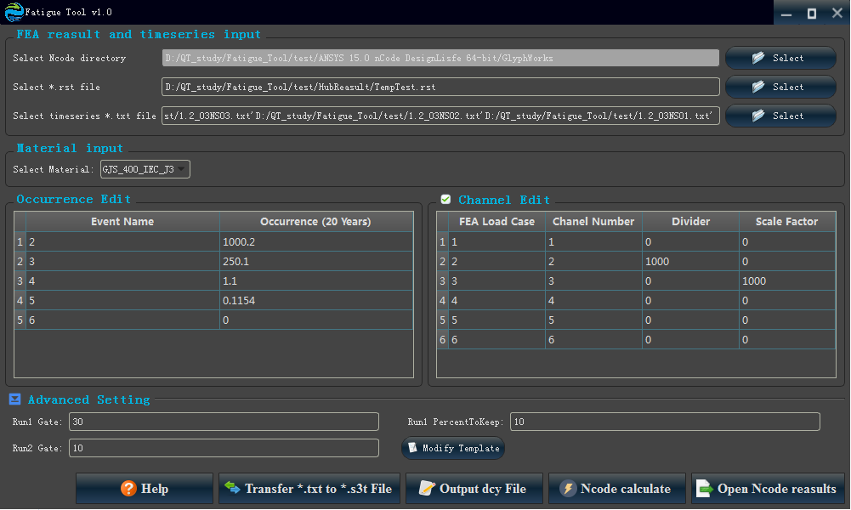
Num | TYPE | Text | Row | Column | H_Size | V_Size | Data_Type | Flag | Child_node | Parent_node | GuiTypeFlag | SpecifyTypeNum | Fuzhu_Para2 | Fuzhu_Para3 | Fuzhu_Para4 | Fuzhu_Para5 | Data_Type | Flag | Fuzhu_Para3 | Value | TYPE | SpecifyTypeNum | GuiF
1 | Qlabel | Select Ncode directory | 0 | 0 | 1 | 1 | NULL | AlignLeft | AlignVCenter | NULL | GuiF | 1 | NULL | NULL | NULL | NULL | NULL | AlignLeft | NULL | 0 | Qlabel | 1 | GuiF
2 | QLineEdit | 1RowEdit | 0 | 1 | 1 | 5 | NcodePara | 100 | NULL | NULL | GuiF | 1 | NULL | Select Ncode directory | NULL | NULL | NcodePara | 100 | Select Ncode directory | 0 | QLineEdit | 1 | GuiF
3 | QPushButton | Select | 0 | 6 | 1 | 1 | NULL | NULL | NULL | ConfigurationFolder\images\open_old.png | GuiF | 1 | NULL | NULL | NULL | NULL | NULL | NULL | NULL | 0 | QPushButton | 1 | GuiF
4 | Qlabel | Select *.rst file | 1 | 0 | 1 | 1 | NULL | AlignLeft | AlignVCenter | NULL | GuiF | 2 | NULL | NULL | NULL | NULL | NULL | AlignLeft | NULL | 0 | Qlabel | 2 | GuiF
5 | QLineEdit | 1RowEdit | 1 | 1 | 1 | 5 | NcodePara | 101 | NULL | NULL | GuiF | 2 | NULL | Select *.rst file | NULL | NULL | NcodePara | 101 | Select *.rst file | 0 | QLineEdit | 2 | GuiF
6 | QPushButton | Select | 1 | 6 | 1 | 1 | NULL | NULL | NULL | ConfigurationFolder\images\open_old.png | GuiF | 2 | NULL | NULL | NULL | NULL | NULL | NULL | NULL | 0 | QPushButton | 2 | GuiF
7 | Qlabel | Select timeseries *.txt file | 2 | 0 | 1 | 1 | NULL | AlignLeft | AlignVCenter | NULL | GuiF | 3 | NULL | NULL | NULL | NULL | NULL | AlignLeft | NULL | 0 | Qlabel | 3 | GuiF
8 | QLineEdit | 1RowEdit | 2 | 1 | 1 | 5 | NcodePara | 102 | NULL | NULL | GuiF | 3 | NULL | Select timeseries *.txt file | NULL | NULL | NcodePara | 102 | Select timeseries *.txt file | 0 | QLineEdit | 3 | GuiF
9 | QPushButton | Select | 2 | 6 | 1 | 1 | NULL | NULL | NULL | ConfigurationFolder\images\open_old.png | GuiF | 3 | NULL | NULL | NULL | NULL | NULL | NULL | NULL | 0 | QPushButton | 3 | GuiF
10 | Qlabel | Select Material: | 0 | 0 | 1 | 1 | NULL | AlignRight | AlignVCenter | NULL | GuiF | 4 | NULL | NULL | NULL | NULL | NULL | AlignRight | NULL | 11 | Qlabel | 4 | GuiF
11 | QComboBox | Null | 0 | 1 | 1 | 2 | NcodeMatNum | 100 | Null | ConfigurationFolder/NcodeMatData.csv | GuiF | 4 | NULL | HUBMat | NULL | NULL | NcodeMatNum | 100 | HUBMat | 12 | QComboBox | 4 | GuiF
12 | QSpacerItem | NULL | 0 | 3 | 1 | 4 | Null | Null | Null | Null | GuiF | 4 | Null | Null | Null | Null | Null | Null | Null | 13 | QSpacerItem | 4 | GuiF
13 | QTableWidget | NULL | 0 | 0 | 10 | 4 | Null | NUll | 0 | ConfigurationFolder/TableHeader1.csv | GuiF | 1 | 1 | ConfigurationFolder/OccurrenceTableData.csv | NULL | OccurrenceTableData | Null | OccurrenceTableData | ConfigurationFolder/OccurrenceTableData.csv | NULL_Value | QTableWidget | 1 | GuiF
14 | QTableWidget | NULL | 0 | 0 | 10 | 4 | Null | NUll | 0 | ConfigurationFolder/TableHeader2.csv | GuiF | 2 | 1 | ConfigurationFolder/ChannelTableData.csv | Null | ChannelTableData | Null | ChannelTableData | ConfigurationFolder/ChannelTableData.csv | NULL_Value | QTableWidget | 2 | GuiF
15 | QSpacerItem | NULL | 0 | 0 | 1 | 1 | Null | Null | Null | Null | GuiF | 5 | Null | Null | Null | Null | Null | Null | Null | 13 | QSpacerItem | 5 | GuiF
16 | QPushButton | Help | 0 | 1 | 1 | 1 | NULL | NULL | NULL | ConfigurationFolder\images\help.png | GuiF | 100 | NULL | NULL | NULL | NULL | NULL | NULL | NULL | NULL_Value | QPushButton | 100 | GuiF
17 | QPushButton | Transfer *.txt to *.s3t File | 0 | 2 | 1 | 1 | NULL | ConfigurationFolder/ConnectionBat/ButtonTrans.bat | NULL | ConfigurationFolder\images\Trans.png | GuiF | 101 | NULL | NULL | NULL | NULL | NULL | ConfigurationFolder/ConnectionBat/ButtonTrans.bat | NULL | NULL_Value | QPushButton | 101 | GuiF
18 | QPushButton | Output dcy File | 0 | 3 | 1 | 1 | NULL | ConfigurationFolder/ConnectionBat/Button1.bat | NULL | ConfigurationFolder\images\text_file.png | GuiF | 5 | NULL | NULL | NULL | NULL | NULL | ConfigurationFolder/ConnectionBat/Button1.bat | NULL | NULL_Value | QPushButton | 5 | GuiF
19 | QPushButton | Ncode calculate | 0 | 4 | 1 | 1 | NULL | ConfigurationFolder/ConnectionBat/ButtonCal.bat | NULL | ConfigurationFolder\images\Calculate.png | GuiF | 6 | NULL | NULL | NULL | NULL | NULL | ConfigurationFolder/ConnectionBat/ButtonCal.bat | NULL | NULL_Value | QPushButton | 6 | GuiF
20 | QPushButton | Open Ncode reasults | 0 | 5 | 1 | 1 | NULL | ConfigurationFolder/ConnectionBat/ButtonOpen.bat | NULL | ConfigurationFolder\images\export.png | GuiF | 7 | NULL | NULL | NULL | NULL | NULL | ConfigurationFolder/ConnectionBat/ButtonOpen.bat | NULL | NULL_Value | QPushButton | 7 | GuiF
21 | Qlabel | Run1 Gate: | 0 | 0 | 1 | 1 | NULL | AlignRight | AlignVCenter | NULL | GuiF | 10 | NULL | NULL | NULL | NULL | NULL | AlignRight | NULL | 11 | Qlabel | 10 | GuiF
22 | QLineEdit | NULL | 0 | 1 | 1 | 1 | NcodePara | 5000 | NULL | NULL | GuiF | 10 | NULL | Run1 Gate: | NULL | NULL | NcodePara | 5000 | Run1 Gate: | 0 | QLineEdit | 10 | GuiF
23 | QSpacerItem | NULL | 0 | 2 | 1 | 1 | Null | Null | Null | Null | GuiF | 10 | Null | Null | Null | Null | Null | Null | Null | 13 | QSpacerItem | 10 | GuiF
24 | Qlabel | Run1 PercentToKeep: | 0 | 3 | 1 | 1 | NULL | AlignRight | AlignVCenter | NULL | GuiF | 11 | NULL | NULL | NULL | NULL | NULL | AlignRight | NULL | 11 | Qlabel | 11 | GuiF
25 | QLineEdit | NULL | 0 | 4 | 1 | 1 | NcodePara | 5001 | NULL | NULL | GuiF | 11 | NULL | Run1 PercentToKeep: | NULL | NULL | NcodePara | 5001 | Run1 PercentToKeep: | 0 | QLineEdit | 11 | GuiF
26 | QSpacerItem | NULL | 0 | 5 | 1 | 1 | Null | Null | Null | Null | GuiF | 11 | Null | Null | Null | Null | Null | Null | Null | 13 | QSpacerItem | 11 | GuiF
27 | Qlabel | Run2 Gate: | 1 | 0 | 1 | 1 | NULL | AlignRight | AlignVCenter | NULL | GuiF | 12 | NULL | NULL | NULL | NULL | NULL | AlignRight | NULL | 11 | Qlabel | 12 | GuiF
28 | QLineEdit | NULL | 1 | 1 | 1 | 1 | NcodePara | 5002 | NULL | NULL | GuiF | 12 | NULL | Run2 Gate: | NULL | NULL | NcodePara | 5002 | Run2 Gate: | 0 | QLineEdit | 12 | GuiF
29 | QSpacerItem | NULL | 1 | 2 | 1 | 1 | Null | Null | Null | Null | GuiF | 12 | Null | Null | Null | Null | Null | Null | Null | 13 | QSpacerItem | 12 | GuiF
30 | QPushButton | Modify Template | 1 | 3 | 1 | 1 | NULL | ConfigurationFolder/ConnectionBat/ButtonOtherSet.bat | NULL | ConfigurationFolder\images\OtherSet.png | GuiF | 12 | NULL | NULL | NULL | NULL | NULL | ConfigurationFolder/ConnectionBat/ButtonOtherSet.bat | NULL | NULL_Value | QPushButton | 12 | GuiF
31 | QGridLayout | Null | 1 | 0 | 1 | 2 | Null | 1 | Null | Null | GuiF | 1 | 9 | Null | Null | Null | Null | 1 | Null | NULL_Value | QGridLayout | 1 | GuiF
32 | QGroupBox | FEA reasult and timeseries input | 1 | 0 | 1 | 2 | Null | 2 | 1 | NULL | GuiF | Null | Null | Null | 0 | Null | Null | 2 | Null | NULL_Value | QGroupBox | 2 | GuiF
33 | QHBoxLayout | NULL | 2 | 0 | 1 | 2 | NULL | 2 | NULL | NULL | GuiF | 10 | 12 | NULL | NULL | NULL | NULL | 2 | NULL | 0 | QHBoxLayout | 2 | GuiF
34 | QGridLayout | Null | 2 | 0 | 1 | 2 | Null | 2 | Null | Null | GuiF | 33 | 33 | Null | Null | Null | Null | 2 | Null | NULL_Value | QGridLayout | 2 | GuiF
35 | QGroupBox | Material input | 2 | 0 | 1 | 2 | Null | 3 | 2 | NULL | GuiF | Null | Null | Null | 0 | Null | Null | 3 | Null | NULL_Value | QGroupBox | 3 | GuiF
36 | QGridLayout | Null | 3 | 0 | 1 | 1 | Null | 4 | Null | Null | GuiF | 13 | 13 | Null | Null | Null | Null | 4 | Null | NULL_Value | QGridLayout | 4 | GuiF
37 | QGroupBox | Occurrence Edit | 3 | 0 | 1 | 1 | Null | 5 | 4 | NULL | GuiF | Null | Null | Null | 2 | Null | Null | 5 | Null | NULL_Value | QGroupBox | 5 | GuiF
38 | QGridLayout | Null | 3 | 1 | 1 | 1 | Null | 5 | Null | Null | GuiF | 14 | 14 | Null | Null | Null | Null | 5 | Null | NULL_Value | QGridLayout | 5 | GuiF
39 | QGroupBox | Channel Edit | 3 | 1 | 1 | 1 | Null | 6 | 5 | NULL | GuiF | Null | Null | Null | 2 | ChannelGroupCheck | Null | ChannelGroupCheck | Null | NULL_Value | QGroupBox | 6 | GuiF
40 | QHBoxLayout_M | NULL | 5 | 0 | 1 | 2 | NULL | 6 | NULL | NULL | GuiF | 15 | 20 | NULL | NULL | NULL | NULL | 6 | NULL | 0 | QHBoxLayout_M | 6 | GuiF
41 | QGridLayout | Null | 4 | 0 | 1 | 2 | Null | 50 | Null | Null | GuiF | 21 | 30 | Null | Null | Null | Null | 50 | Null | NULL_Value | QGridLayout | 50 | GuiF
42 | QGroupBox_E | Advanced Setting | 4 | 0 | 1 | 2 | Null | 51 | 50 | NULL | GuiF | 21 | 30 | Null | 0 | AdvancedSetting | Null | AdvancedSetting | Null | NULL_Value | QGroupBox_E | 51 | GuiF
43 | UserDefined | Null | Null | Null | Null | Null | PathFile | 100 | NULL | NULL | GuiF | 0 | Null | OutPutPath | Null | NULL | PathFile | 100 | OutPutPath | NULL | UserDefined | 0 | GuiF
44 | UserDefined | Null | Null | Null | Null | Null | PathFile | 101 | NULL | NULL | GuiF | 1 | Null | MainPath | Null | Null | PathFile | 101 | MainPath | Value | UserDefined | 1 | GuiF
45 | UserDefined | Null | Null | Null | Null | Null | Buttonstatus | 102 | NULL | NULL | GuiF | 2 | Null | NcodeCalculateStatus | Null | Null | Buttonstatus | 102 | NcodeCalculateStatus | Value | UserDefined | 2 | GuiF
46 | 1 | 2 | 3 | 4 | 5 | 6 | 7 | 8 | 9 | 10 | GuiF | 12 | 13 | 14 | 15 | 16

