FatigueAdvanceGui
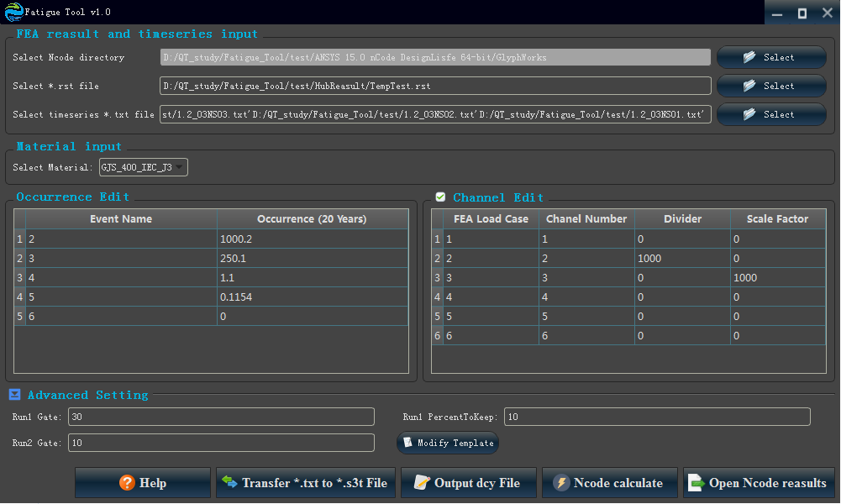
Num | TYPE | Text | Row | Column | H_Size | V_Size | Data_Type | Flag | Child_node | Parent_node | GuiTypeFlag | SpecifyTypeNum | Fuzhu_Para2 | Fuzhu_Para3 | Fuzhu_Para4 | Fuzhu_Para5 | check | falgcheck | Data_Type | Flag | Fuzhu_Para3 | Value | TYPE | SpecifyTypeNum | GuiF
1 | Qlabel | Select Ncode directory | 0 | 0 | 1 | 1 | NULL | AlignLeft | AlignVCenter | NULL | GuiF | 1 | NULL | NULL | NULL | NULL | Qlabel1 | 1 | NULL | AlignLeft | NULL | 0 | Qlabel | 1 | GuiF
2 | QLineEdit | 1RowEdit | 0 | 1 | 1 | 5 | NcodePara | 100 | NULL | NULL | GuiF | 1 | NULL | Select Ncode directory | NULL | NULL | QLineEdit1 | 1 | NcodePara | 100 | Select Ncode directory | 0 | QLineEdit | 1 | GuiF
3 | QPushButton | Select | 0 | 6 | 1 | 1 | NULL | NULL | NULL | ConfigurationFolder\images\open_old.png | GuiF | 1 | NULL | NULL | NULL | NULL | QPushButton1 | 1 | NULL | NULL | NULL | 0 | QPushButton | 1 | GuiF
4 | Qlabel | Select *.rst file | 1 | 0 | 1 | 1 | NULL | AlignLeft | AlignVCenter | NULL | GuiF | 2 | NULL | NULL | NULL | NULL | Qlabel2 | 1 | NULL | AlignLeft | NULL | 0 | Qlabel | 2 | GuiF
5 | QLineEdit | 1RowEdit | 1 | 1 | 1 | 5 | NcodePara | 101 | NULL | NULL | GuiF | 2 | NULL | Select *.rst file | NULL | NULL | QLineEdit2 | 1 | NcodePara | 101 | Select *.rst file | 0 | QLineEdit | 2 | GuiF
6 | QPushButton | Select | 1 | 6 | 1 | 1 | NULL | NULL | NULL | ConfigurationFolder\images\open_old.png | GuiF | 2 | NULL | NULL | NULL | NULL | QPushButton2 | 1 | NULL | NULL | NULL | 0 | QPushButton | 2 | GuiF
7 | Qlabel | Select timeseries *.txt file | 2 | 0 | 1 | 1 | NULL | AlignLeft | AlignVCenter | NULL | GuiF | 3 | NULL | NULL | NULL | NULL | Qlabel3 | 1 | NULL | AlignLeft | NULL | 0 | Qlabel | 3 | GuiF
8 | QLineEdit | 1RowEdit | 2 | 1 | 1 | 5 | NcodePara | 102 | NULL | NULL | GuiF | 3 | NULL | Select timeseries *.txt file | NULL | NULL | QLineEdit3 | 1 | NcodePara | 102 | Select timeseries *.txt file | 0 | QLineEdit | 3 | GuiF
9 | QPushButton | Select | 2 | 6 | 1 | 1 | NULL | NULL | NULL | ConfigurationFolder\images\open_old.png | GuiF | 3 | NULL | NULL | NULL | NULL | QPushButton3 | 1 | NULL | NULL | NULL | 0 | QPushButton | 3 | GuiF
10 | Qlabel | Select Material: | 0 | 0 | 1 | 1 | NULL | AlignRight | AlignVCenter | NULL | GuiF | 4 | NULL | NULL | NULL | NULL | Qlabel4 | 1 | NULL | AlignRight | NULL | 11 | Qlabel | 4 | GuiF
11 | QComboBox | Null | 0 | 1 | 1 | 2 | NcodeMatNum | 100 | Null | ConfigurationFolder/NcodeMatData.csv | GuiF | 4 | NULL | HUBMat | NULL | NULL | QComboBox4 | 1 | NcodeMatNum | 100 | HUBMat | 12 | QComboBox | 4 | GuiF
12 | QSpacerItem | NULL | 0 | 3 | 1 | 4 | Null | Null | Null | Null | GuiF | 4 | Null | Null | Null | Null | QSpacerItem4 | 1 | Null | Null | Null | 13 | QSpacerItem | 4 | GuiF
13 | QTableWidget | NULL | 0 | 0 | 10 | 4 | Null | NUll | 0 | ConfigurationFolder/TableHeader1.csv | GuiF | 1 | 1 | ConfigurationFolder/OccurrenceTableData.csv | NULL | OccurrenceTableData | QTableWidget1 | 1 | Null | OccurrenceTableData | ConfigurationFolder/OccurrenceTableData.csv | NULL_Value | QTableWidget | 1 | GuiF
14 | QTableWidget | NULL | 0 | 0 | 10 | 4 | Null | NUll | 0 | ConfigurationFolder/TableHeader2.csv | GuiF | 2 | 1 | ConfigurationFolder/ChannelTableData.csv | Null | ChannelTableData | QTableWidget2 | 1 | Null | ChannelTableData | ConfigurationFolder/ChannelTableData.csv | NULL_Value | QTableWidget | 2 | GuiF
15 | QSpacerItem | NULL | 0 | 0 | 1 | 1 | Null | Null | Null | Null | GuiF | 5 | Null | Null | Null | Null | QSpacerItem5 | 1 | Null | Null | Null | 13 | QSpacerItem | 5 | GuiF
16 | QPushButton | Help | 0 | 1 | 1 | 1 | NULL | NULL | NULL | ConfigurationFolder\images\help.png | GuiF | 100 | NULL | NULL | NULL | NULL | QPushButton100 | 1 | NULL | NULL | NULL | NULL_Value | QPushButton | 100 | GuiF
17 | QPushButton | Transfer *.txt to *.s3t File | 0 | 2 | 1 | 1 | NULL | ConfigurationFolder/ConnectionBat/ButtonTrans.bat | NULL | ConfigurationFolder\images\Trans.png | GuiF | 101 | NULL | NULL | NULL | NULL | QPushButton101 | 1 | NULL | ConfigurationFolder/ConnectionBat/ButtonTrans.bat | NULL | NULL_Value | QPushButton | 101 | GuiF
18 | QPushButton | Output dcy File | 0 | 3 | 1 | 1 | NULL | ConfigurationFolder/ConnectionBat/Button1.bat | NULL | ConfigurationFolder\images\text_file.png | GuiF | 5 | NULL | NULL | NULL | NULL | QPushButton5 | 1 | NULL | ConfigurationFolder/ConnectionBat/Button1.bat | NULL | NULL_Value | QPushButton | 5 | GuiF
19 | QPushButton | Ncode calculate | 0 | 4 | 1 | 1 | NULL | ConfigurationFolder/ConnectionBat/ButtonCal.bat | NULL | ConfigurationFolder\images\Calculate.png | GuiF | 6 | NULL | NULL | NULL | NULL | QPushButton6 | 1 | NULL | ConfigurationFolder/ConnectionBat/ButtonCal.bat | NULL | NULL_Value | QPushButton | 6 | GuiF
20 | QPushButton | Open Ncode reasults | 0 | 5 | 1 | 1 | NULL | ConfigurationFolder/ConnectionBat/ButtonOpen.bat | NULL | ConfigurationFolder\images\export.png | GuiF | 7 | NULL | NULL | NULL | NULL | QPushButton7 | 1 | NULL | ConfigurationFolder/ConnectionBat/ButtonOpen.bat | NULL | NULL_Value | QPushButton | 7 | GuiF
21 | Qlabel | Run1 Gate: | 0 | 0 | 1 | 1 | NULL | AlignRight | AlignVCenter | NULL | GuiF | 10 | NULL | NULL | NULL | NULL | Qlabel10 | 1 | NULL | AlignRight | NULL | 11 | Qlabel | 10 | GuiF
22 | QLineEdit | NULL | 0 | 1 | 1 | 1 | NcodePara | 5000 | NULL | NULL | GuiF | 10 | NULL | Run1 Gate: | NULL | NULL | QLineEdit10 | 1 | NcodePara | 5000 | Run1 Gate: | 0 | QLineEdit | 10 | GuiF
23 | QSpacerItem | NULL | 0 | 2 | 1 | 1 | Null | Null | Null | Null | GuiF | 10 | Null | Null | Null | Null | QSpacerItem10 | 1 | Null | Null | Null | 13 | QSpacerItem | 10 | GuiF
24 | Qlabel | Run1 PercentToKeep: | 0 | 3 | 1 | 1 | NULL | AlignRight | AlignVCenter | NULL | GuiF | 11 | NULL | NULL | NULL | NULL | Qlabel11 | 1 | NULL | AlignRight | NULL | 11 | Qlabel | 11 | GuiF
25 | QLineEdit | NULL | 0 | 4 | 1 | 1 | NcodePara | 5001 | NULL | NULL | GuiF | 11 | NULL | Run1 PercentToKeep: | NULL | NULL | QLineEdit11 | 1 | NcodePara | 5001 | Run1 PercentToKeep: | 0 | QLineEdit | 11 | GuiF
26 | QSpacerItem | NULL | 0 | 5 | 1 | 1 | Null | Null | Null | Null | GuiF | 11 | Null | Null | Null | Null | QSpacerItem11 | 1 | Null | Null | Null | 13 | QSpacerItem | 11 | GuiF
27 | Qlabel | Run2 Gate: | 1 | 0 | 1 | 1 | NULL | AlignRight | AlignVCenter | NULL | GuiF | 12 | NULL | NULL | NULL | NULL | Qlabel12 | 1 | NULL | AlignRight | NULL | 11 | Qlabel | 12 | GuiF
28 | QLineEdit | NULL | 1 | 1 | 1 | 1 | NcodePara | 5002 | NULL | NULL | GuiF | 12 | NULL | Run2 Gate: | NULL | NULL | QLineEdit12 | 1 | NcodePara | 5002 | Run2 Gate: | 0 | QLineEdit | 12 | GuiF
29 | QSpacerItem | NULL | 1 | 2 | 1 | 1 | Null | Null | Null | Null | GuiF | 12 | Null | Null | Null | Null | QSpacerItem12 | 1 | Null | Null | Null | 13 | QSpacerItem | 12 | GuiF
30 | QPushButton | Modify Template | 1 | 3 | 1 | 1 | NULL | ConfigurationFolder/ConnectionBat/ButtonOtherSet.bat | NULL | ConfigurationFolder\images\OtherSet.png | GuiF | 12 | NULL | NULL | NULL | NULL | QPushButton12 | 1 | NULL | ConfigurationFolder/ConnectionBat/ButtonOtherSet.bat | NULL | NULL_Value | QPushButton | 12 | GuiF
31 | QGridLayout | Null | 1 | 0 | 1 | 2 | Null | 1 | Null | Null | GuiF | 1 | 9 | Null | Null | Null | QGridLayout1 | 1 | Null | 1 | Null | NULL_Value | QGridLayout | 1 | GuiF
32 | QGroupBox | FEA reasult and timeseries input | 1 | 0 | 1 | 2 | Null | 2 | 1 | NULL | GuiF | Null | Null | Null | 0 | Null | QGroupBox2 | 1 | Null | 2 | Null | NULL_Value | QGroupBox | 2 | GuiF
33 | QHBoxLayout | NULL | 2 | 0 | 1 | 2 | NULL | 2 | NULL | NULL | GuiF | 10 | 12 | NULL | NULL | NULL | QHBoxLayout2 | 1 | NULL | 2 | NULL | 0 | QHBoxLayout | 2 | GuiF
34 | QGridLayout | Null | 2 | 0 | 1 | 2 | Null | 2 | Null | Null | GuiF | 33 | 33 | Null | Null | Null | QGridLayout2 | 1 | Null | 2 | Null | NULL_Value | QGridLayout | 2 | GuiF
35 | QGroupBox | Material input | 2 | 0 | 1 | 2 | Null | 3 | 2 | NULL | GuiF | Null | Null | Null | 0 | Null | QGroupBox3 | 1 | Null | 3 | Null | NULL_Value | QGroupBox | 3 | GuiF
36 | QGridLayout | Null | 3 | 0 | 1 | 1 | Null | 4 | Null | Null | GuiF | 13 | 13 | Null | Null | Null | QGridLayout4 | 1 | Null | 4 | Null | NULL_Value | QGridLayout | 4 | GuiF
37 | QGroupBox | Occurrence Edit | 3 | 0 | 1 | 1 | Null | 5 | 4 | NULL | GuiF | Null | Null | Null | 2 | Null | QGroupBox5 | 1 | Null | 5 | Null | NULL_Value | QGroupBox | 5 | GuiF
38 | QGridLayout | Null | 3 | 1 | 1 | 1 | Null | 5 | Null | Null | GuiF | 14 | 14 | Null | Null | Null | QGridLayout5 | 1 | Null | 5 | Null | NULL_Value | QGridLayout | 5 | GuiF
39 | QGroupBox | Channel Edit | 3 | 1 | 1 | 1 | Null | 6 | 5 | NULL | GuiF | Null | Null | Null | 2 | ChannelGroupCheck | QGroupBox6 | 1 | Null | ChannelGroupCheck | Null | NULL_Value | QGroupBox | 6 | GuiF
40 | QHBoxLayout_M | NULL | 5 | 0 | 1 | 2 | NULL | 6 | NULL | NULL | GuiF | 15 | 20 | NULL | NULL | NULL | QHBoxLayout_M6 | 1 | NULL | 6 | NULL | 0 | QHBoxLayout_M | 6 | GuiF
41 | QGridLayout | Null | 4 | 0 | 1 | 2 | Null | 50 | Null | Null | GuiF | 21 | 30 | Null | Null | Null | QGridLayout50 | 1 | Null | 50 | Null | NULL_Value | QGridLayout | 50 | GuiF
42 | QGroupBox_E | Advanced Setting | 4 | 0 | 1 | 2 | Null | 51 | 50 | NULL | GuiF | 21 | 30 | Null | 0 | AdvancedSetting | QGroupBox_E51 | 1 | Null | AdvancedSetting | Null | NULL_Value | QGroupBox_E | 51 | GuiF
43 | UserDefined | Null | Null | Null | Null | Null | PathFile | 100 | NULL | NULL | GuiF | 0 | Null | OutPutPath | Null | NULL | UserDefined0 | 1 | PathFile | 100 | OutPutPath | NULL | UserDefined | 0 | GuiF
44 | UserDefined | Null | Null | Null | Null | Null | PathFile | 101 | NULL | NULL | GuiF | 1 | Null | MainPath | Null | Null | UserDefined1 | 1 | PathFile | 101 | MainPath | Value | UserDefined | 1 | GuiF
45 | UserDefined | Null | Null | Null | Null | Null | Buttonstatus | 102 | NULL | NULL | GuiF | 2 | Null | NcodeCalculateStatus | Null | Null | UserDefined2 | 1 | Buttonstatus | 102 | NcodeCalculateStatus | Value | UserDefined | 2 | GuiF
46 | 1 | 2 | 3 | 4 | 5 | 6 | 7 | 8 | 9 | 10 | GuiF | 12 | 13 | 14 | 15 | 16 | 112 | 1

StudyGUI
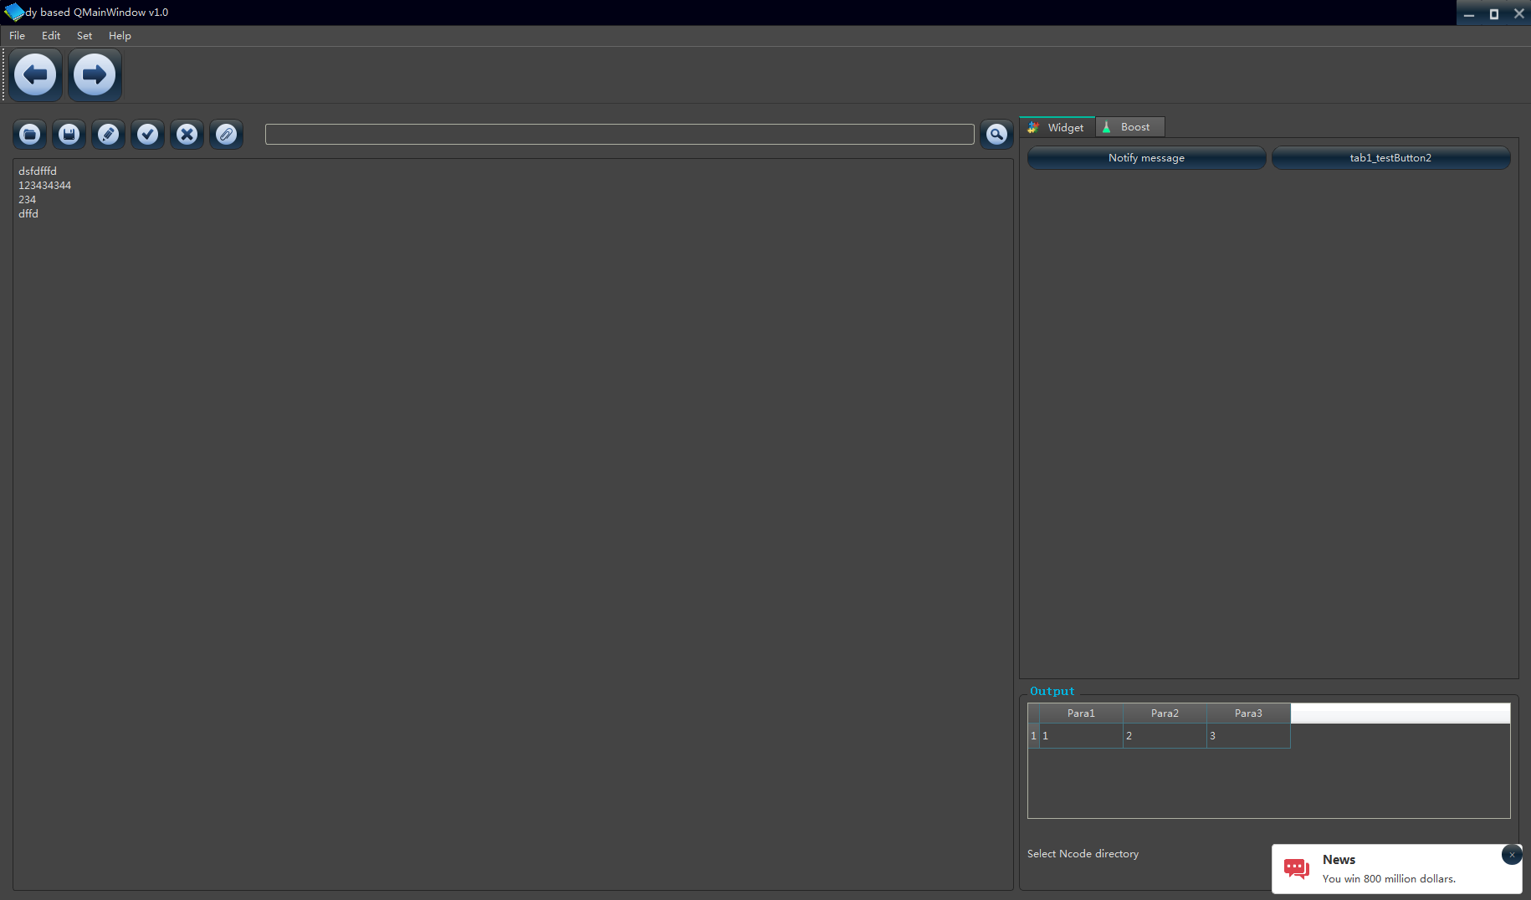
Num | TYPE | Text | Row | Column | H_Size | V_Size | Data_Type | Flag | Child_node | Parent_node | GuiTypeFlag | SpecifyTypeNum | Fuzhu_Para2 | Fuzhu_Para3 | Fuzhu_Para4 | Fuzhu_Para5 | check | falgcheck | Data_Type | Flag | Fuzhu_Para3 | Value | TYPE | SpecifyTypeNum | GuiStudyPro
1 | QPushButton |  | 0 | 0 | 1 | 1 | NULL | NULL | NULL | ConfigurationFolder/images/blue_open.png | GuiStudyPro | 0 | Open file | NULL | NULL | NULL | QPushButton0 | 1 | NULL | NULL | NULL | 0 | QPushButton | 0 | GuiStudyPro
2 | QPushButton |  | 0 | 1 | 1 | 1 | NULL | NULL | NULL | ConfigurationFolder/images/blue_save.png | GuiStudyPro | 1 | Save | NULL | NULL | NULL | QPushButton1 | 1 | NULL | NULL | NULL | 0 | QPushButton | 1 | GuiStudyPro
3 | QPushButton |  | 0 | 2 | 1 | 1 | NULL | NULL | NULL | ConfigurationFolder/images/blue_edit.png | GuiStudyPro | 2 | Edit | NULL | NULL | NULL | QPushButton2 | 1 | NULL | NULL | NULL | 0 | QPushButton | 2 | GuiStudyPro
4 | QPushButton |  | 0 | 3 | 1 | 1 | NULL | NULL | NULL | ConfigurationFolder/images/blue_yes.png | GuiStudyPro | 3 | Complete Edit | NULL | NULL | NULL | QPushButton3 | 1 | NULL | NULL | NULL | 0 | QPushButton | 3 | GuiStudyPro
5 | QPushButton |  | 0 | 4 | 1 | 1 | NULL | NULL | NULL | ConfigurationFolder/images/blue_no.png | GuiStudyPro | 4 | Clear | NULL | NULL | NULL | QPushButton4 | 1 | NULL | NULL | NULL | 0 | QPushButton | 4 | GuiStudyPro
6 | QPushButton |  | 0 | 5 | 1 | 1 | NULL | NULL | NULL | ConfigurationFolder/images/blue_atta.png | GuiStudyPro | 5 | Add attachment | NULL | NULL | NULL | QPushButton5 | 1 | NULL | NULL | NULL | 0 | QPushButton | 5 | GuiStudyPro
7 | QSpacerItem | NULL | 0 | 6 | 1 | 1 | NULL | NULL | NULL | NULL | GuiStudyPro | 0 | NULL | NULL | NULL | NULL | QSpacerItem0 | 1 | NULL | NULL | NULL | 13 | QSpacerItem | 0 | GuiStudyPro
8 | QLineEdit | default string | 0 | 7 | 1 | 1 | StudyCode | 100 | NULL | NULL | GuiStudyPro | 0 | NULL | Code file | NULL | NULL | QLineEdit0 | 1 | StudyCode | 100 | Code file | 0 | QLineEdit | 0 | GuiStudyPro
9 | QPushButton |  | 0 | 8 | 1 | 1 | NULL | NULL | NULL | ConfigurationFolder/images/blue_ser.png | GuiStudyPro | 6 | search | NULL | NULL | NULL | QPushButton6 | 1 | NULL | NULL | NULL | 0 | QPushButton | 6 | GuiStudyPro
10 | QTextEdit | default string | 0 | 0 | 1 | 1 | StudyCode | AlignLeft | AlignTop | ConfigurationFolder/GUIData/CodeText.csv | GuiStudyPro | 0 | NULL | Origin code | NULL | NULL | QTextEdit0 | 1 | StudyCode | AlignLeft | Origin code | 0 | QTextEdit | 0 | GuiStudyPro
11 | QPushButton | Notify message | 0 | 0 | 1 | 1 | NULL | NULL | NULL | NULL | GuiStudyPro | 10 | Save | NULL | NULL | NULL | QPushButton10 | 1 | NULL | NULL | NULL | 0 | QPushButton | 10 | GuiStudyPro
12 | QPushButton | DrawProgress_Bar | 0 | 1 | 1 | 1 | NULL | NULL | NULL | NULL | GuiStudyPro | 11 | Edit | NULL | NULL | NULL | QPushButton11 | 1 | NULL | NULL | NULL | 0 | QPushButton | 11 | GuiStudyPro
13 | QPushButton | NavListTree | 0 | 2 | 1 | 1 | NULL | NULL | NULL | NULL | GuiStudyPro | 12 | Edit | NULL | NULL | NULL | QPushButton12 | 1 | NULL | NULL | NULL | 0 | QPushButton | 12 | GuiStudyPro
14 | QPushButton | PropertBrowser | 0 | 3 | 1 | 1 | NULL | NULL | NULL | NULL | GuiStudyPro | 13 | Edit | NULL | NULL | NULL | QPushButton13 | 1 | NULL | NULL | NULL | 0 | QPushButton | 13 | GuiStudyPro
15 | QSpacerItem | NULL | 1 | 0 | 1 | 1 | NULL | NULL | NULL | NULL | GuiStudyPro | 1 | NULL | NULL | NULL | NULL | QSpacerItem1 | 1 | NULL | NULL | NULL | 13 | QSpacerItem | 1 | GuiStudyPro
16 | QPushButton | Notify message | 0 | 0 | 1 | 1 | NULL | NULL | NULL | NULL | GuiStudyPro | 51 | Save | NULL | NULL | NULL | QPushButton51 | 1 | NULL | NULL | NULL | 0 | QPushButton | 51 | GuiStudyPro
17 | QPushButton | tab2_testButton2 | 0 | 1 | 1 | 1 | NULL | NULL | NULL | NULL | GuiStudyPro | 52 | Edit | NULL | NULL | NULL | QPushButton52 | 1 | NULL | NULL | NULL | 0 | QPushButton | 52 | GuiStudyPro
18 | QSpacerItem | NULL | 1 | 0 | 1 | 1 | NULL | NULL | NULL | NULL | GuiStudyPro | 3 | NULL | NULL | NULL | NULL | QSpacerItem3 | 1 | NULL | NULL | NULL | 13 | QSpacerItem | 3 | GuiStudyPro
19 | QPushButton | ParseJson | 0 | 0 | 1 | 1 | NULL | NULL | NULL | NULL | GuiStudyPro | 101 | Save | NULL | NULL | NULL | QPushButton101 | 1 | NULL | NULL | NULL | 0 | QPushButton | 101 | GuiStudyPro
20 | QPushButton | testSetArrayElement | 0 | 1 | 1 | 1 | NULL | NULL | NULL | NULL | GuiStudyPro | 102 | Edit | NULL | NULL | NULL | QPushButton102 | 1 | NULL | NULL | NULL | 0 | QPushButton | 102 | GuiStudyPro
21 | QSpacerItem | NULL | 1 | 0 | 1 | 1 | NULL | NULL | NULL | NULL | GuiStudyPro | 4 | NULL | NULL | NULL | NULL | QSpacerItem4 | 1 | NULL | NULL | NULL | 13 | QSpacerItem | 4 | GuiStudyPro
22 | QTableWidget | NULL | 0 | 0 | 1 | 1 | NULL | NULL | 0 | ConfigurationFolder/GUIData/TestOutputHeader.csv | GuiStudyPro | 0 | 1 | ConfigurationFolder/GUIData/TestOutputTableData.csv | NULL | OutputTableData | QTableWidget0 | 1 | NULL | OutputTableData | ConfigurationFolder/GUIData/TestOutputTableData.csv | NULL_Value | QTableWidget | 0 | GuiStudyPro
23 | QTextEdit | Select Ncode directory | 1 | 0 | 1 | 1 | NULL | AlignLeft | AlignVCenter | NULL | GuiStudyPro | 1 | NULL | NULL | NULL | NULL | QTextEdit1 | 1 | NULL | AlignLeft | NULL | 0 | QTextEdit | 1 | GuiStudyPro
24 | QHBoxLayout | NULL | 0 | 0 | 1 | 1 | NULL | 0 | NULL | NULL | GuiStudyPro | 1 | 9 | NULL | NULL | NULL | QHBoxLayout0 | 1 | NULL | 0 | NULL | 0 | QHBoxLayout | 0 | GuiStudyPro
25 | QGridLayout | NULL | 1 | 0 | 1 | 1 | NULL | 0 | NULL | NULL | GuiStudyPro | 10 | 10 | NULL | NULL | NULL | QGridLayout0 | 1 | NULL | 0 | NULL | NULL_Value | QGridLayout | 0 | GuiStudyPro
26 | QGridLayout | NULL | 0 | 0 | 1 | 1 | NULL | 2 | NULL | NULL | GuiStudyPro | 11 | 15 | NULL | NULL | NULL | QGridLayout2 | 1 | NULL | 2 | NULL | NULL_Value | QGridLayout | 2 | GuiStudyPro
27 | QGridLayout | NULL | 0 | 0 | 1 | 1 | NULL | 3 | NULL | NULL | GuiStudyPro | 16 | 18 | NULL | NULL | NULL | QGridLayout3 | 1 | NULL | 3 | NULL | NULL_Value | QGridLayout | 3 | GuiStudyPro
28 | QGridLayout | NULL | 0 | 0 | 1 | 1 | NULL | 6 | NULL | NULL | GuiStudyPro | 19 | 21 | NULL | NULL | NULL | QGridLayout6 | 1 | NULL | 6 | NULL | NULL_Value | QGridLayout | 6 | GuiStudyPro
29 | QGridLayout | NULL | 0 | 0 | 1 | 1 | NULL | 4 | NULL | NULL | GuiStudyPro | 22 | 23 | NULL | NULL | NULL | QGridLayout4 | 1 | NULL | 4 | NULL | NULL_Value | QGridLayout | 4 | GuiStudyPro
30 | QTabWidget | Widget | 0 | 0 | 1 | 1 | NULL | 0 | 2 | Sub | GuiStudyPro | ConfigurationFolder\images\Widget.png | NULL | NULL | 2 | TabCheck | QTabWidget0 | 0 | NULL | TabCheck | NULL | NULL_Value | QTabWidget | 0 | GuiStudyPro
31 | QTabWidget | Boost | 0 | 0 | 1 | 1 | NULL | 0 | 3 | Sub | GuiStudyPro | ConfigurationFolder\images\test.png | NULL | NULL | 2 | TabCheck | QTabWidget0 | 0 | NULL | TabCheck | NULL | NULL_Value | QTabWidget | 0 | GuiStudyPro
32 | QTabWidget | JsonOper | 0 | 0 | 1 | 1 | NULL | 0 | 6 | Sub | GuiStudyPro | ConfigurationFolder\images\json.png | NULL | NULL | 2 | TabCheck | QTabWidget0 | 0 | NULL | TabCheck | NULL | NULL_Value | QTabWidget | 0 | GuiStudyPro
33 | QGroupBox | Output | 1 | 0 | 1 | 1 | NULL | 5 | 4 | Sub | GuiStudyPro | NULL | NULL | NULL | 0 | OutputGroup | QGroupBox5 | 1 | NULL | OutputGroup | NULL | NULL_Value | QGroupBox | 5 | GuiStudyPro
34 | QGridLayout_M | NULL | 0 | 0 | 1 | 1 | NULL | 1 | NULL | NULL | GuiStudyPro | 24 | 25 | NULL | NULL | NULL | QGridLayout1 | 1 | NULL | 1 | NULL | 0 | QGridLayout_M | 1 | GuiStudyPro
35 | QGridLayout_M | NULL | 0 | 1 | 1 | 1 | NULL | 5 | NULL | NULL | GuiStudyPro | 30 | 33 | NULL | NULL | NULL | QGridLayout5 | 1 | NULL | 5 | NULL | 0 | QGridLayout_M | 5 | GuiStudyPro

