Sheet1
From | To | Flow |  | Capacity | Nodes | Inflow | Outflow | Netflow | Yuke Luo
1 | 2 | 13 | <= | 20 | 1 |  | 28 | 28
1 | 3 | 15 | <= | 15 | 2 | 13 | 13 | 0
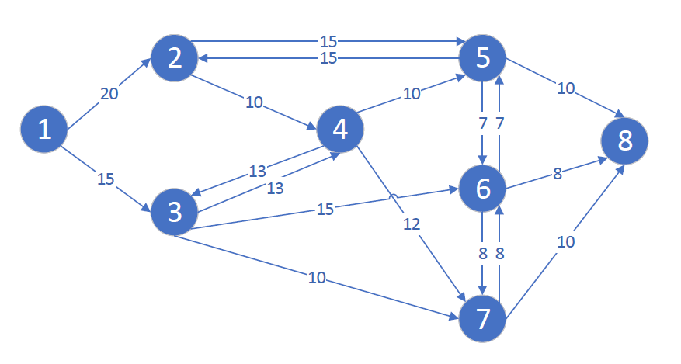
2 | 4 | 3 | <= | 10 | 3 | 18 | 18 | 0
2 | 5 | 10 | <= | 15 | 4 | 3 | 3 | 0
3 | 4 | 0 | <= | 13 | 5 | 10 | 10 | 0
3 | 6 | 15 | <= | 15 | 6 | 15 | 15 | 0
3 | 7 | 3 | <= | 10 | 7 | 10 | 10 | 0
4 | 3 | 3 | <= | 13 | 8 | 28
4 | 5 | 0 | <= | 10
4 | 7 | 0 | <= | 12
5 | 2 | 0 | <= | 15
5 | 6 | 0 | <= | 7 | MaxFlow
5 | 8 | 10 | <= | 10 | 28
6 | 5 | 0 | <= | 7
6 | 7 | 7 | <= | 8
6 | 8 | 8 | <= | 8
7 | 6 | 0 | <= | 8
7 | 8 | 10 | <= | 10

