Sheet1
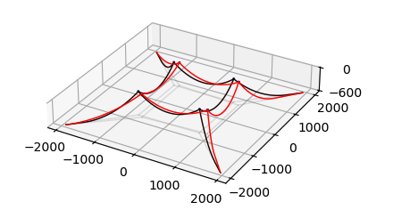
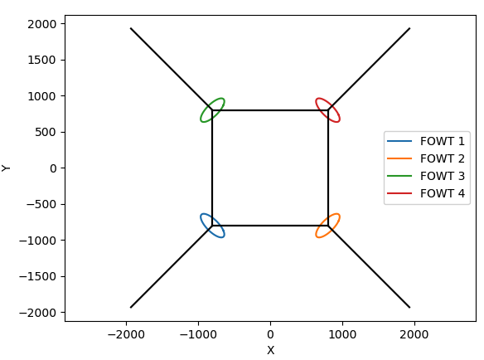
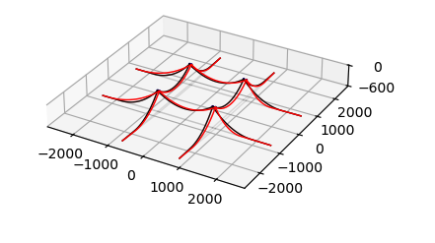
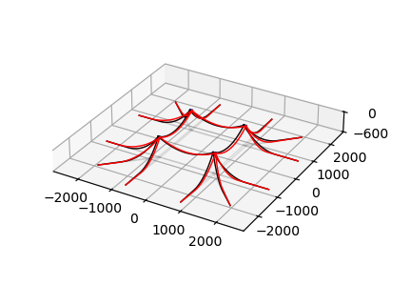
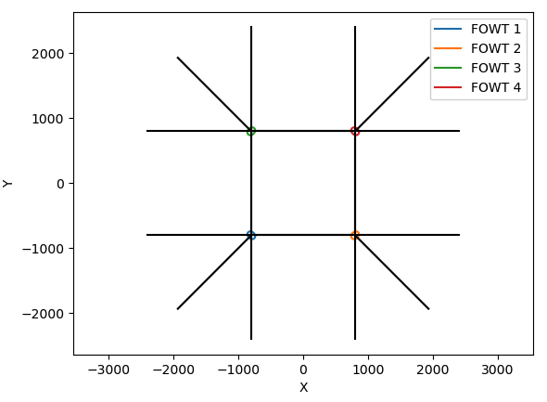
SINGLE ANCHOR |  |  |  |  |  |  |  | disp | DOUBLE ANCHOR |  |  |  |  |  |  |  | disp | TRIPLE ANCHOR |  |  |  |  |  |  |  | disp
MoorPy |  |  |  |  |  |  |  | 142.24 | MoorPy |  |  |  |  |  |  |  | 67.46 | MoorPy |  |  |  |  |  |  |  | 44.63
3.30E+04 | 1.97E+04 | -9.63E+03 | -6.98E-09 | -1.58E+03 | 4.33E-08 | 0.00E+00 | 0.00E+00 |  | 3338.25 | -34.68 | 0.00 | 0.00 | -1704.95 | 0.00 | 0.00 | 0.00 |  | 5.70E+04 | 9.73E+03 | -2.10E+04 | 1.40E-08 | -2.12E+03 | -1.01E-07 | 0.00E+00 | 0.00E+00
1.98E+04 | 3.30E+04 | 4.42E-08 | -1.58E+03 | -9.31E-09 | -9.63E+03 | 0.00E+00 | 0.00E+00 |  | -34.68 | 3338.26 | 0.00 | -1704.96 | 0.00 | 0.00 | 0.00 | 0.00 |  | 9.74E+03 | 5.70E+04 | -1.05E-07 | -2.12E+03 | 1.40E-08 | -2.10E+04 | 0.00E+00 | 0.00E+00
-9.61E+03 | -6.98E-09 | 3.30E+04 | -1.97E+04 | 0.00E+00 | 0.00E+00 | -1.58E+03 | -4.33E-08 |  | 0.00 | 0.00 | 3338.25 | 34.68 | 0.00 | 0.00 | -1704.95 | 0.00 |  | -2.09E+04 | 1.40E-08 | 5.70E+04 | -9.73E+03 | 0.00E+00 | 0.00E+00 | -2.12E+03 | 1.02E-07
4.42E-08 | -1.58E+03 | -1.97E+04 | 3.30E+04 | 0.00E+00 | 0.00E+00 | 9.31E-09 | -9.63E+03 |  | 0.00 | -1704.94 | 34.68 | 3338.23 | 0.00 | 0.00 | 0.00 | 0.00 |  | -1.05E-07 | -2.12E+03 | -9.73E+03 | 5.70E+04 | 0.00E+00 | 0.00E+00 | -1.40E-08 | -2.10E+04
-1.58E+03 | 4.42E-08 | 0.00E+00 | 0.00E+00 | 3.30E+04 | -1.97E+04 | -9.63E+03 | 6.98E-09 |  | -1704.95 | 0.00 | 0.00 | 0.00 | 3338.25 | 34.68 | 0.00 | 0.00 |  | -2.12E+03 | -1.02E-07 | 0.00E+00 | 0.00E+00 | 5.70E+04 | -9.74E+03 | -2.10E+04 | -1.40E-08
-9.31E-09 | -9.61E+03 | 0.00E+00 | 0.00E+00 | -1.98E+04 | 3.30E+04 | -4.30E-08 | -1.58E+03 |  | 0.00 | 0.00 | 0.00 | 0.00 | 34.68 | 3338.26 | 0.00 | -1704.96 |  | 1.40E-08 | -2.09E+04 | 0.00E+00 | 0.00E+00 | -9.74E+03 | 5.70E+04 | 1.06E-07 | -2.12E+03
0.00E+00 | 0.00E+00 | -1.58E+03 | -4.42E-08 | -9.61E+03 | 6.98E-09 | 3.30E+04 | 1.97E+04 |  | 0.00 | 0.00 | -1704.95 | 0.00 | 0.00 | 0.00 | 3338.25 | -34.68 |  | 0.00E+00 | 0.00E+00 | -2.12E+03 | 1.02E-07 | -2.09E+04 | -1.40E-08 | 5.70E+04 | 9.74E+03
0.00E+00 | 0.00E+00 | 9.31E-09 | -9.61E+03 | -4.30E-08 | -1.58E+03 | 1.97E+04 | 3.30E+04 |  | 0.00 | 0.00 | 0.00 | 0.00 | 0.00 | -1704.94 | -34.68 | 3338.23 |  | 0.00E+00 | 0.00E+00 | -1.40E-08 | -2.09E+04 | 1.05E-07 | -2.12E+03 | 9.73E+03 | 5.70E+04

LSM |  |  |  |  |  |  |  | 149.64 | LSM |  |  |  |  |  |  |  | 61.83 | LSM |  |  |  |  |  |  |  | 58.97
3.30E+04 | 1.97E+04 | -9.62E+03 | 0.00E+00 | -1.58E+03 | -4.92E-13 | 0.00E+00 | 0.00E+00 |  | 45000.65 | 0.00 | -11774.30 | 0.00 | -1704.95 | 0.00 | 0.00 | 0.00 |  | 5.74E+04 | 1.02E+04 | -2.09E+04 | 0.00E+00 | -2.12E+03 | -1.15E-12 | 0.00E+00 | 0.00E+00
1.97E+04 | 3.30E+04 | 0.00E+00 | -1.58E+03 | -4.92E-13 | -9.62E+03 | 0.00E+00 | 0.00E+00 |  | 0.00 | 45000.65 | 0.00 | -1704.95 | 0.00 | -11774.30 | 0.00 | 0.00 |  | 1.02E+04 | 5.74E+04 | 0.00E+00 | -2.12E+03 | -1.15E-12 | -2.09E+04 | 0.00E+00 | 0.00E+00
-9.62E+03 | 0.00E+00 | 3.30E+04 | -1.97E+04 | 0.00E+00 | 0.00E+00 | -1.58E+03 | -4.92E-13 |  | -11774.30 | 0.00 | 45000.65 | 0.00 | 0.00 | 0.00 | -1704.95 | 0.00 |  | -2.09E+04 | 0.00E+00 | 5.74E+04 | -1.02E+04 | 0.00E+00 | 0.00E+00 | -2.12E+03 | -1.15E-12
0.00E+00 | -1.58E+03 | -1.97E+04 | 3.30E+04 | 0.00E+00 | 0.00E+00 | -4.92E-13 | -9.62E+03 |  | 0.00 | -1704.95 | 0.00 | 45000.65 | 0.00 | 0.00 | 0.00 | -11774.30 |  | 0.00E+00 | -2.12E+03 | -1.02E+04 | 5.74E+04 | 0.00E+00 | 0.00E+00 | -1.15E-12 | -2.09E+04
-1.58E+03 | -4.92E-13 | 0.00E+00 | 0.00E+00 | 3.30E+04 | -1.97E+04 | -9.62E+03 | 0.00E+00 |  | -1704.95 | 0.00 | 0.00 | 0.00 | 45000.65 | 0.00 | -11774.30 | 0.00 |  | -2.12E+03 | -1.15E-12 | 0.00E+00 | 0.00E+00 | 5.74E+04 | -1.02E+04 | -2.09E+04 | 0.00E+00
-4.92E-13 | -9.62E+03 | 0.00E+00 | 0.00E+00 | -1.97E+04 | 3.30E+04 | 0.00E+00 | -1.58E+03 |  | 0.00 | -11774.30 | 0.00 | 0.00 | 0.00 | 45000.65 | 0.00 | -1704.95 |  | -1.15E-12 | -2.09E+04 | 0.00E+00 | 0.00E+00 | -1.02E+04 | 5.74E+04 | 0.00E+00 | -2.12E+03
0.00E+00 | 0.00E+00 | -1.58E+03 | -4.92E-13 | -9.62E+03 | 0.00E+00 | 3.30E+04 | 1.97E+04 |  | 0.00 | 0.00 | -1704.95 | 0.00 | -11774.30 | 0.00 | 45000.65 | 0.00 |  | 0.00E+00 | 0.00E+00 | -2.12E+03 | -1.15E-12 | -2.09E+04 | 0.00E+00 | 5.74E+04 | 1.02E+04
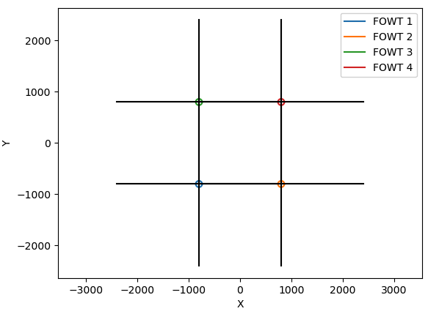
0.00E+00 | 0.00E+00 | -4.92E-13 | -9.62E+03 | 0.00E+00 | -1.58E+03 | 1.97E+04 | 3.30E+04 |  | 0.00 | 0.00 | 0.00 | -11774.30 | 0.00 | -1704.95 | 0.00 | 45000.65 |  | 0.00E+00 | 0.00E+00 | -1.15E-12 | -2.09E+04 | 0.00E+00 | -2.12E+03 | 1.02E+04 | 5.74E+04

