Аркуш1
Curl | Request Headers, Params/Body | Response
curl --location 'https://petstore.swagger.io/v2/pet' --header 'Content-Type: application/json' --data '{ "id": 23, "category": { "id": 23, "name": "Akk" }, "name": "dog", "photoUrls": [ "https://example.com/dog1.jpg" ], "tags": [ { "id": 23, "name": "Akk" } ], "status": "available" }' | 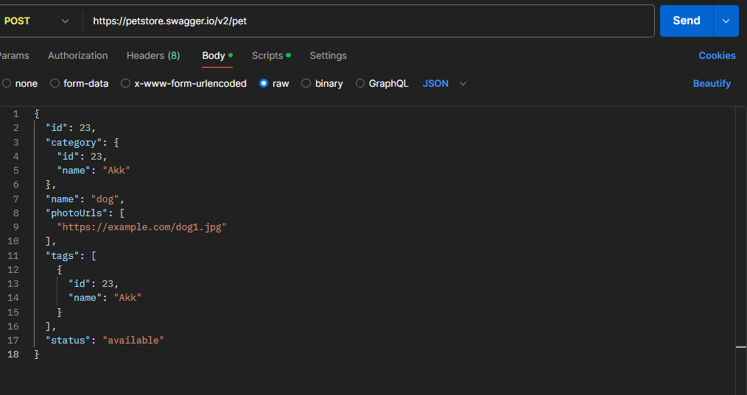 | 
 | 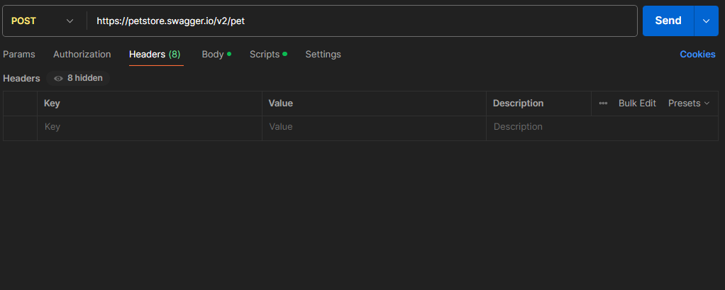
curl --location 'https://petstore.swagger.io/v2/pet' --header 'Content-Type: application/json' --data '{ "id": 23, "category": { "id": 23, "name": "Akk" , "name": "dog", "photoUrls": [ "https://example.com/dog1.jpg" ], "tags": [ { "id": 23, "name": "Akk" } ], "status": "available" }' | 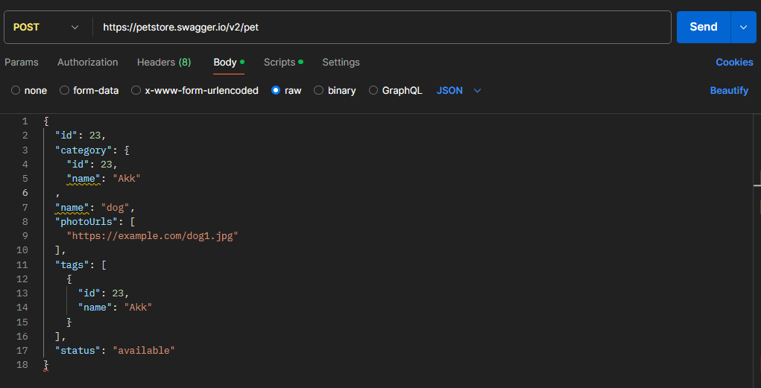

curl --location 'https://petstore.swagger.io/v2/pet' --header 'Content-Type: application/json' --data '{ "id": 23, "category": { "id": 23, "name": "Akk" }, "name": "dog", "photoUrls": [ "https://example.com/dog1.jpg" , "tags": [ { "id": 23, "name": "Akk" } ], "status": "available" }' | 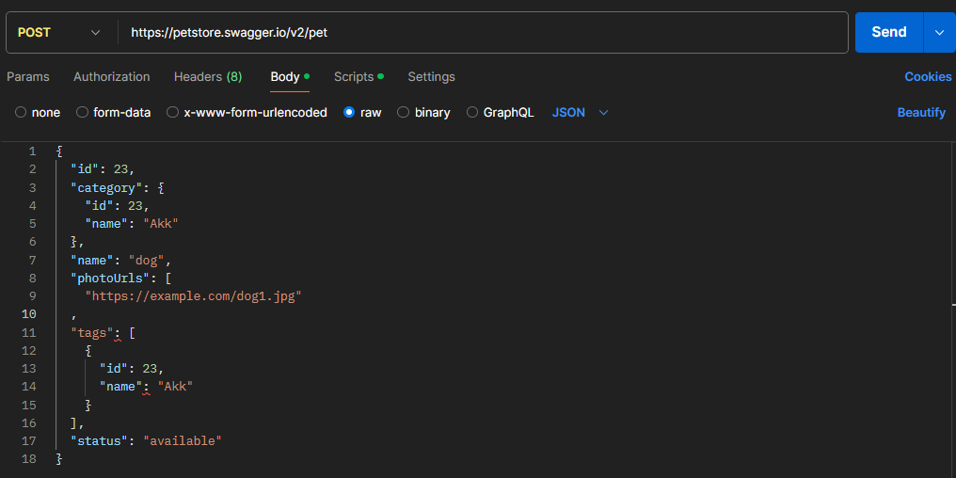
 | 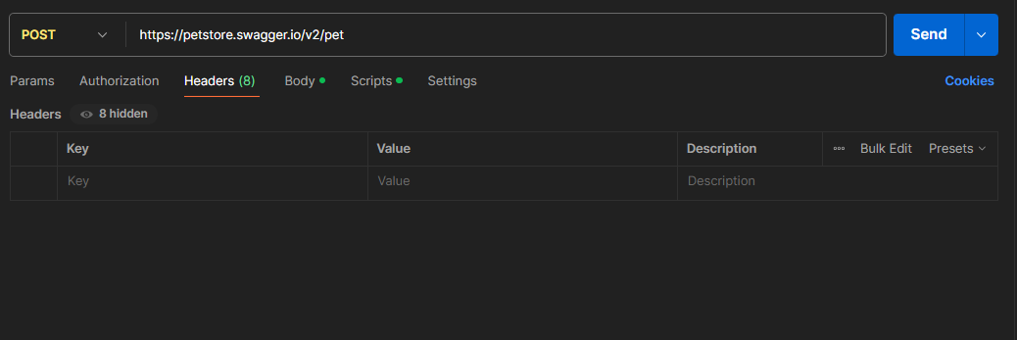
curl --location 'https://petstore.swagger.io/v2/pet' | 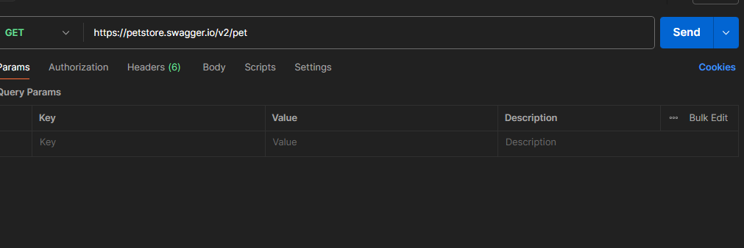

curl --location --request PUT 'https://petstore.swagger.io/v2/pet' |  | 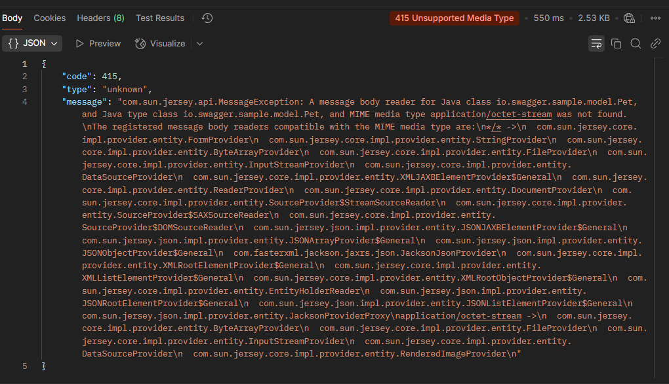

curl --location --request DELETE 'https://petstore.swagger.io/v2/pet' |  | 