Bug 0003
ID | 0003 |  |  | Screenshot:
The "Welcome to manager's page" scrolling line is located below the required level

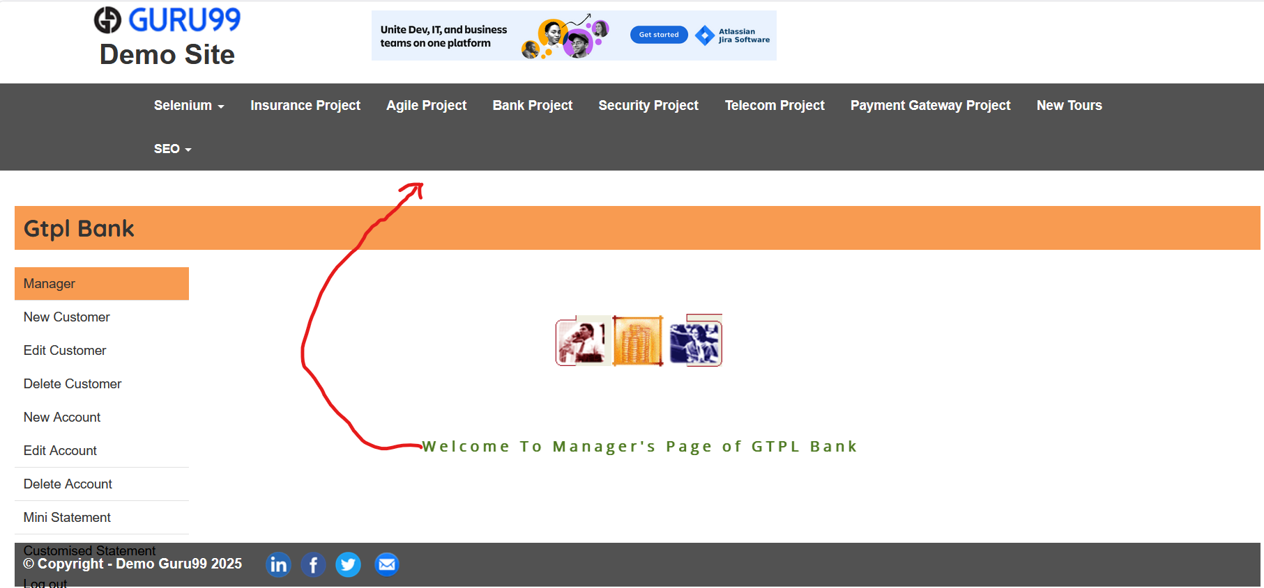
Environment | Windows 10, Firefox 150.0.1 (64-разрядный) | Author | Ausiannikava Yuliya
Version | - | Responsible | Ivanov Ivan
Severity | Minor
Priority | -

Reproduction steps:
1. Open the website by following the link https://demo.guru99.com/V1/index.php and enter your login and password 2. After logging in, the home page opens. If another page opens, go to the home page.

Actual result:
The "Welcome to manager's page" scrolling line is located below the required level.

Expected result:
The "Welcome to manager's page" scrolling line is located under the page header, before the "GTPL Bank" line.

Bug 0004
ID | 0004 |  |  | Screenshot:
When navigating through the menu on the main page, the link the user clicked on is not highlighted in orange.

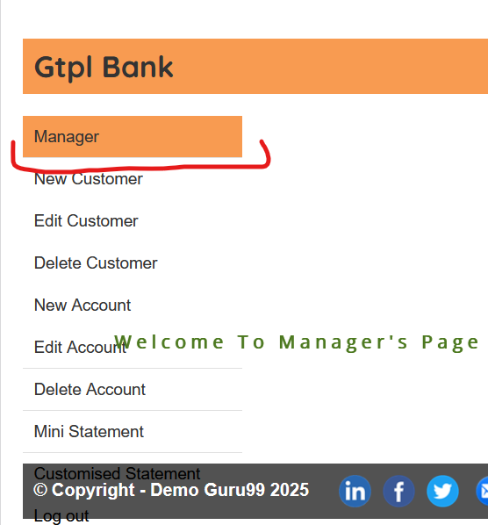
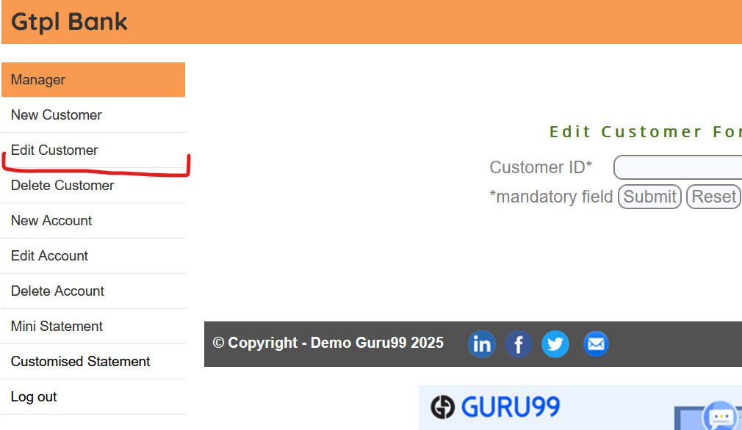
 |  |  |  | 1) Transition to link manager | 2) Go to the "Edit Customer" link
Environment | Windows 10, Firefox 150.0.1 (64-разрядный) | Author | Ausiannikava Yuliya
Version | - | Responsible | Ivanov Ivan
Severity | Minor
Priority | -

Reproduction steps:
1. Open the website by following the link https://demo.guru99.com/V1/index.php and enter your login and password 2. After logging in, the home page opens. If another page opens, go to the home page. 3. Look at the menu on the left

Actual result:
When navigating through the menu on the main page, the link the user clicked on is not highlighted in orange. When you click on any other link from the menu, only the link "Manager" remains highlighted in orange.

Expected result:
The link to the page the user is currently on is highlighted in bright orange.

Bug 0005
ID | 0005 |  |  | Screenshot:
While on the "Manager" page, when you hover over other links in the menu on the left, they are not highlighted in pale orange or are only half-highlighted

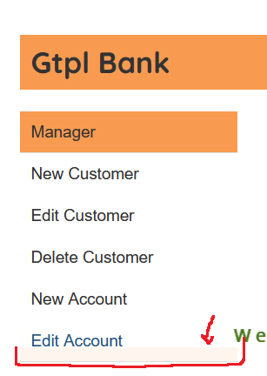
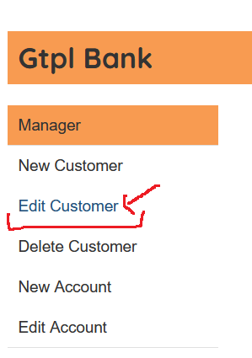
 |  |  |  | 1) The cursor on the "Edit Account" link is partially highlighted. | 2) The cursor on the "Edit Customer" link isn't highlighted at all.
Environment | Windows 10, Firefox 150.0.1 (64-разрядный) | Author | Ausiannikava Yuliya
Version | - | Responsible | Ivanov Ivan
Severity | Minor
Priority | -

Reproduction steps:
1. Open the website by following the link https://demo.guru99.com/V1/index.php and enter your login and password 2. After logging in, the home page opens. If another page opens, go to the home page. 3. Look at the menu on the left

Actual result:
When you are on the "Manager" page, when you hover over the "New User" and "Create Account" links, they are only half-highlighted in pale orange. The "Edit Customer", "Delite Customer" and "New Account" links are not highlighted at all.

Expected result:
All links in the left-hand menu, except for the page the user is currently on, are highlighted in pale orange when the user hovers over them. The link to the page the user is currently on is highlighted in bright orange.

Bug 0006
ID | 0006 |  |  | Screenshot:
The image on the "Manager" page does not load and appears cropped.
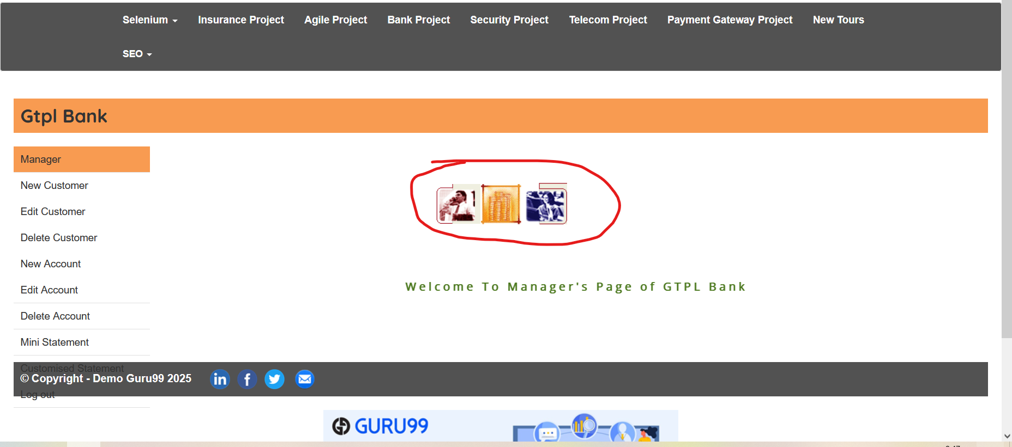

Environment | Windows 10, Firefox 150.0.1 (64-разрядный) | Author | Ausiannikava Yuliya
Version | - | Responsible | Ivanov Ivan
Severity | Minor
Priority | -

Reproduction steps:
1. Open the website by following the link https://demo.guru99.com/V1/index.php and enter your login and password 2. After logging in, the home page opens. If another page opens, go to the home page. 3. View in the center of the page.

Actual result:
The image on the "Manager" page does not load and appears cropped.

Expected result:
The image is fully rendered and appears legible.

