Rubber_Prices
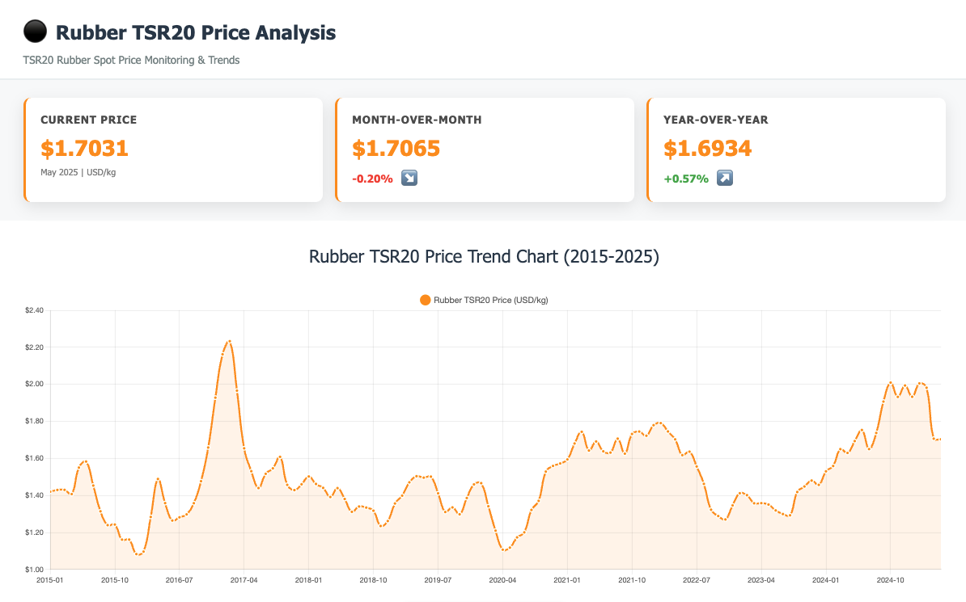
Date | Value
1999M01 | 0.5979
1999M02 | 0.5587
1999M03 | 0.5224
1999M04 | 0.5236
1999M05 | 0.5505
1999M06 | 0.554
1999M07 | 0.5109
1999M08 | 0.5392
1999M09 | 0.5967
1999M10 | 0.6793
1999M11 | 0.7639
1999M12 | 0.6958
2000M01 | 0.7069
2000M02 | 0.7304
2000M03 | 0.6555
2000M04 | 0.6441
2000M05 | 0.6171
2000M06 | 0.5957
2000M07 | 0.579
2000M08 | 0.6073
2000M09 | 0.6049
2000M10 | 0.6056
2000M11 | 0.6015
2000M12 | 0.6026
2001M01 | 0.5986
2001M02 | 0.5711
2001M03 | 0.5182
2001M04 | 0.512
2001M05 | 0.514
2001M06 | 0.514
2001M07 | 0.504
2001M08 | 0.5293
2001M09 | 0.4935
2001M10 | 0.4821
2001M11 | 0.467
2001M12 | 0.4794
2002M01 | 0.5388
2002M02 | 0.5831
2002M03 | 0.6814
2002M04 | 0.6422
2002M05 | 0.6814
2002M06 | 0.8314
2002M07 | 0.8128
2002M08 | 0.8306
2002M09 | 0.8955
2002M10 | 0.8313
2002M11 | 0.8403
2002M12 | 0.8496
2003M01 | 0.9031
2003M02 | 0.94
2003M03 | 0.9458
2003M04 | 0.878
2003M05 | 0.837
2003M06 | 0.8443
2003M07 | 0.8752
2003M08 | 0.9477
2003M09 | 1.0869
2003M10 | 1.2938
2003M11 | 1.2621
2003M12 | 1.235
2004M01 | 1.21
2004M02 | 1.2462
2004M03 | 1.2705
2004M04 | 1.2718
2004M05 | 1.239
2004M06 | 1.196
2004M07 | 1.1458
2004M08 | 1.1388
2004M09 | 1.145
2004M10 | 1.2129
2004M11 | 1.2163
2004M12 | 1.1869
2005M01 | 1.1875
2005M02 | 1.2163
2005M03 | 1.2226
2005M04 | 1.2095
2005M05 | 1.2061
2005M06 | 1.2669
2005M07 | 1.4524
2005M08 | 1.4393
2005M09 | 1.594
2005M10 | 1.6296
2005M11 | 1.5808
2005M12 | 1.6313
2006M01 | 1.7615
2006M02 | 1.9259
2006M03 | 1.9127
2006M04 | 1.9409
2006M05 | 2.1543
2006M06 | 2.3492
2006M07 | 2.3081
2006M08 | 2.1357
2006M09 | 1.8115
2006M10 | 1.7926
2006M11 | 1.615
2006M12 | 1.6454
2007M01 | 1.9395
2007M02 | 2.1174
2007M03 | 2.0525
2007M04 | 2.165
2007M05 | 2.2192
2007M06 | 2.1098
2007M07 | 2.0401
2007M08 | 2.0685
2007M09 | 2.1111
2007M10 | 2.2628
2007M11 | 2.3732
2007M12 | 2.4088
2008M01 | 2.5345
2008M02 | 2.7213
2008M03 | 2.6961
2008M04 | 2.7039
2008M05 | 2.9603
2008M06 | 3.171
2008M07 | 3.196
2008M08 | 2.9138
2008M09 | 2.8073
2008M10 | 1.8623
2008M11 | 1.6161
2008M12 | 1.1773
2009M01 | 1.4079
2009M02 | 1.2977
2009M03 | 1.2775
2009M04 | 1.483
2009M05 | 1.5616
2009M06 | 1.5268
2009M07 | 1.5955
2009M08 | 1.8389
2009M09 | 2.0666
2009M10 | 2.2637
2009M11 | 2.4888
2009M12 | 2.7942
2010M01 | 3.0372
2010M02 | 3.0808
2010M03 | 3.1763
2010M04 | 3.2806
2010M05 | 2.887
2010M06 | 2.9001
2010M07 | 2.9264
2010M08 | 3.1426
2010M09 | 3.3625
2010M10 | 3.848
2010M11 | 4.2383
2010M12 | 4.6894
2011M01 | 5.332
2011M02 | 5.5811
2011M03 | 4.8395
2011M04 | 4.9707
2011M05 | 4.5226
2011M06 | 4.5247
2011M07 | 4.5618
2011M08 | 4.6176
2011M09 | 4.5162
2011M10 | 4.0849
2011M11 | 3.3303
2011M12 | 3.3469
2012M01 | 3.5038
2012M02 | 3.7788
2012M03 | 3.7815
2012M04 | 3.6649
2012M05 | 3.3764
2012M06 | 2.863
2012M07 | 2.8929
2012M08 | 2.5951
2012M09 | 2.7628
2012M10 | 2.9538
2012M11 | 2.8003
2012M12 | 2.896
2013M01 | 3.0432
2013M02 | 3.0443
2013M03 | 2.8002
2013M04 | 2.4986
2013M05 | 2.5129
2013M06 | 2.3258
2013M07 | 2.2426
2013M08 | 2.3796
2013M09 | 2.4224
2013M10 | 2.3187
2013M11 | 2.3024
2013M12 | 2.3125
2014M01 | 2.1442
2014M02 | 1.9011
2014M03 | 1.929
2014M04 | 1.7757
2014M05 | 1.6931
2014M06 | 1.7113
2014M07 | 1.7004
2014M08 | 1.6661
2014M09 | 1.5319
2014M10 | 1.5061
2014M11 | 1.537
2014M12 | 1.4711
2015M01 | 1.4198
2015M02 | 1.4293
2015M03 | 1.4297
2015M04 | 1.4071
2015M05 | 1.5501
2015M06 | 1.5829
2015M07 | 1.4531
2015M08 | 1.314
2015M09 | 1.2393
2015M10 | 1.2424
2015M11 | 1.161
2015M12 | 1.1611
2016M01 | 1.0829
2016M02 | 1.0963
2016M03 | 1.2835
2016M04 | 1.4886
2016M05 | 1.3583
2016M06 | 1.2641
2016M07 | 1.2816
2016M08 | 1.2973
2016M09 | 1.3577
2016M10 | 1.4766
2016M11 | 1.6586
2016M12 | 1.928
2017M01 | 2.1623
2017M02 | 2.2329
2017M03 | 1.966
2017M04 | 1.6543
2017M05 | 1.5306
2017M06 | 1.4397
2017M07 | 1.5166
2017M08 | 1.5462
2017M09 | 1.6082
2017M10 | 1.4569
2017M11 | 1.4286
2017M12 | 1.46
2018M01 | 1.5021
2018M02 | 1.4618
2018M03 | 1.4405
2018M04 | 1.3914
2018M05 | 1.4392
2018M06 | 1.3806
2018M07 | 1.3112
2018M08 | 1.3399
2018M09 | 1.3341
2018M10 | 1.3172
2018M11 | 1.2346
2018M12 | 1.2614
2019M01 | 1.3562
2019M02 | 1.3987
2019M03 | 1.4705
2019M04 | 1.5036
2019M05 | 1.4958
2019M06 | 1.5012
2019M07 | 1.4112
2019M08 | 1.3102
2019M09 | 1.335
2019M10 | 1.2978
2019M11 | 1.3857
2019M12 | 1.4594
2020M01 | 1.466
2020M02 | 1.3412
2020M03 | 1.2095
2020M04 | 1.1067
2020M05 | 1.1178
2020M06 | 1.1731
2020M07 | 1.2003
2020M08 | 1.3214
2020M09 | 1.3705
2020M10 | 1.5285
2020M11 | 1.5592
2020M12 | 1.5724
2021M01 | 1.5943
2021M02 | 1.6803
2021M03 | 1.7435
2021M04 | 1.6424
2021M05 | 1.6913
2021M06 | 1.6381
2021M07 | 1.6312
2021M08 | 1.7064
2021M09 | 1.6255
2021M10 | 1.7317
2021M11 | 1.7448
2021M12 | 1.7222
2022M01 | 1.7791
2022M02 | 1.7905
2022M03 | 1.7454
2022M04 | 1.7027
2022M05 | 1.6174
2022M06 | 1.6362
2022M07 | 1.5561
2022M08 | 1.4623
2022M09 | 1.3227
2022M10 | 1.2885
2022M11 | 1.27
2022M12 | 1.3461
2023M01 | 1.4117
2023M02 | 1.4012
2023M03 | 1.3574
2023M04 | 1.3581
2023M05 | 1.3505
2023M06 | 1.3188
2023M07 | 1.2992
2023M08 | 1.2924
2023M09 | 1.4182
2023M10 | 1.4481
2023M11 | 1.4801
2023M12 | 1.4568
2024M01 | 1.5299
2024M02 | 1.5589
2024M03 | 1.6498
2024M04 | 1.6294
2024M05 | 1.6934
2024M06 | 1.7532
2024M07 | 1.6503
2024M08 | 1.7374
2024M09 | 1.9068
2024M10 | 2.0093
2024M11 | 1.9321
2024M12 | 1.9937
2025M01 | 1.9328
2025M02 | 2.0051
2025M03 | 1.9816
2025M04 | 1.7065
2025M05 | 1.7031

BLS_Data
Series Id | PCU325212325212P | PCU325211325211 | PCU332618332618 | PCU3251803251806
Series Title | PPI industry data for Synthetic rubber manufacturing-Primary products, not seasonally adjusted | PPI industry data for Plastics material and resin manufacturing, not seasonally adjusted | PPI industry data for Other fabricated wire product mfg, not seasonally adjusted | PPI industry data for Other basic inorganic chemical manufacturing-Carbon black, all processes, not seasonally adjusted
Industry | Synthetic rubber manufacturing | Plastics material and resin manufacturing | Other fabricated wire product mfg | Other basic inorganic chemical manufacturing
Product | Primary products | Plastics material and resin manufacturing | Other fabricated wire product mfg | Carbon black, all processes
Base Date | 198106 | 198012 | 198212 | 198312
Years | 2015 to 2025 | 2015 to 2025 | 2015 to 2025 | 2015 to 2025
Date | PCU325212325212P - Primary products | PCU325211325211 - Plastics material and resin manufacturing | PCU332618332618 - Other fabricated wire product mfg | PCU3251803251806 - Carbon black, all processes
2015M01 | 226.5 | 285.4 | 226.8 | 299.6
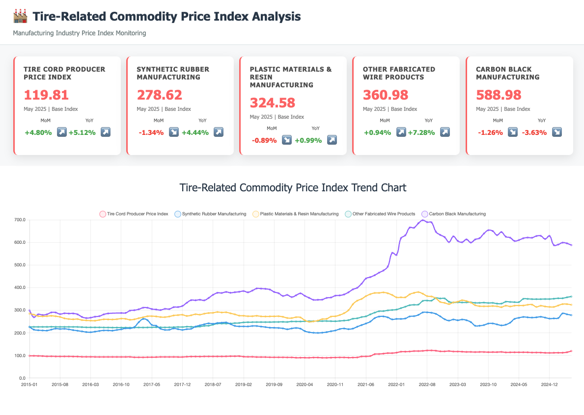
2015M02 | 214.5 | 280.8 | 226.7 | 269.4
2015M03 | 211.9 | 274 | 226.5 | 282.3
2015M04 | 210.8 | 273.2 | 226.6 | 279.3
2015M05 | 210.2 | 274.1 | 226.6 | 282.3
2015M06 | 214.6 | 275.6 | 227.1 | 290.6
2015M07 | 218.8 | 273.8 | 226.8 | 290.2
2015M08 | 217.3 | 270.7 | 226.8 | 283.3
2015M09 | 218.2 | 264.5 | 226.7 | 286.8
2015M10 | 215.7 | 261.4 | 226.9 | 285.8
2015M11 | 212.3 | 260.2 | 226.4 | 286.1
2015M12 | 209.6 | 261.2 | 226.4 | 282.3
2016M01 | 206.8 | 256.7 | 225.5 | 270.9
2016M02 | 203.8 | 255.4 | 224.7 | 265.7
2016M03 | 203 | 254.3 | 224.7 | 267.4
2016M04 | 205.6 | 254 | 224.5 | 271.7
2016M05 | 208.6 | 257.2 | 224.4 | 274.2
2016M06 | 210.9 | 260.1 | 224.1 | 281.9
2016M07 | 210.7 | 259.9 | 223.8 | 286.1
2016M08 | 210 | 259.5 | 223.6
2016M09 | 213.1 | 260.7 | 223.6
2016M10 | 215.7 | 263.3 | 223.6 | 288.3
2016M11 | 220.2 | 262.2 | 223.5 | 288.4
2016M12 | 220.2 | 258.1 | 223.3 | 298.7
2017M01 | 225.9 | 260.1 | 223.5 | 300.5
2017M02 | 247.3 | 265.1 | 224.2 | 304.6
2017M03 | 261.9 | 269.2 | 223.8 | 311.6
2017M04 | 256.6 | 273.8 | 224.2 | 311.4
2017M05 | 235.3 | 274.1 | 224.5 | 305.7
2017M06 | 231.7 | 272.9 | 225.2 | 303.6
2017M07 | 218.5 | 270.3 | 224.9 | 301.2
2017M08 | 213.4 | 269.9 | 224.4 | 306.6
2017M09 | 213.9 | 272.6 | 224.8 | 305.5
2017M10 | 219.7 | 277.2 | 225.3 | 313.9
2017M11 | 216.5 | 278.8 | 226.2 | 314.6
2017M12 | 213.2 | 280.3 | 225.9 | 319.4
2018M01 | 216.6 | 275.1 | 227.5 | 333.4
2018M02 | 218.1 | 278 | 227.1 | 345
2018M03 | 228 | 282.7 | 226.6 | 344.5
2018M04 | 233.4 | 280.7 | 227.9 | 346.8
2018M05 | 238.1 | 285.1 | 231 | 344.2
2018M06 | 242.3 | 288 | 231.8 | 354.7
2018M07 | 240.4 | 289 | 236.4 | 368.6
2018M08 | 243.9 | 292.6 | 241.1 | 377.5
2018M09 | 245.1 | 290.4 | 241.4 | 376.8
2018M10 | 246.4 | 291.4 | 241.1 | 381.4
2018M11 | 239.2 | 286.8 | 241.7 | 377.7
2018M12 | 231 | 282.2 | 243.4 | 380.2
2019M01 | 228.9 | 276.5 | 244 | 382.1
2019M02 | 228.8 | 275.8 | 246.6 | 385.3
2019M03 | 228.6 | 273.9 | 247.2 | 379.7
2019M04 | 230.7 | 273.9 | 247.6 | 387.3
2019M05 | 230.6 | 275.7 | 247.9 | 396.9
2019M06 | 228 | 273.2 | 248 | 396.2
2019M07 | 225.9 | 272.7 | 247.7 | 395
2019M08 | 223.1 | 273.1 | 248 | 392
2019M09 | 222.7 | 273.3 | 248.2 | 381.2
2019M10 | 221.9 | 273.8 | 248.5 | 375.8
2019M11 | 220.1 | 271.2 | 248.9 | 363.4
2019M12 | 216.1 | 266.1 | 248.4 | 368.3
2020M01 | 219.7 | 265.7 | 250.7 | 358.6
2020M02 | 221.9 | 269.6 | 250.4 | 366.3
2020M03 | 218.8 | 268.6 | 250.5 | 375.2
2020M04 | 208 | 255.8 | 251.5 | 364.2
2020M05 | 202.8 | 249 | 252.1 | 355
2020M06 | 200.7 | 251.1 | 252.1 | 346.3
2020M07 | 200 | 254.5 | 252.1 | 346.6
2020M08 | 201 | 261.2 | 252.4 | 347.3
2020M09 | 203.5 | 262.3 | 252.5 | 355
2020M10 | 207.4 | 272.2 | 251.9 | 356.8
2020M11 | 210.8 | 273.6 | 251.5 | 364.9
2020M12 | 217.1 | 279.1 | 253 | 366.1
2021M01 | 219.5 | 287.5 | 254.6 | 370.2
2021M02 | 216.5 | 300.4 | 256.5 | 379.8
2021M03 | 219.1 | 326.7 | 262.7 | 392.7
2021M04 | 227.4 | 342.8 | 264.7 | 399.9
2021M05 | 234.6 | 350.3 | 270.1 | 417.9
2021M06 | 241.6 | 362.9 | 273.4 | 440.9
2021M07 | 250.102 | 371.402 | 281.984 | 447.089
2021M08 | 265.421 | 376.96 | 289.739 | 455.444
2021M09 | 272.231 | 377.061 | 295.911 | 466.885
2021M10 | 272.928 | 379.449 | 296.582 | 476.385
2021M11 | 268.645 | 375.398 | 299.803 | 493.991
2021M12 | 259.801 | 367.883 | 301.488 | 554.383
2022M01 | 262.01 | 357.296 | 303.399 | 545.341
2022M02 | 261.905 | 357.647 | 309.72 | 619.201
2022M03 | 263.846 | 357.628 | 315.897 | 632.158
2022M04 | 272.806 | 370.66 | 322.652 | 666.451
2022M05 | 274.221 | 377.211 | 324.536 | 665.605
2022M06 | 279.73 | 380.764 | 325.576 | 685.644
2022M07 | 290.752 | 373.717 | 341.558 | 699.025
2022M08 | 291.066 | 362.99 | 343.165 | 690.509
2022M09 | 289.214 | 361.292 | 342.904 | 689.475
2022M10 | 284.226 | 353.335 | 354.545 | 647.911
2022M11 | 273.214 | 337.078 | 352.46 | 633.839
2022M12 | 260.542 | 333.108 | 352.695 | 624.283
2023M01 | 254.458 | 327.564 | 337.899 | 602.029
2023M02 | 259.416 | 334.96 | 334.758 | 627.536
2023M03 | 255.882 | 338.133 | 335.55 | 607.658
2023M04 | 259.285 | 344.749 | 334.788 | 601.382
2023M05 | 256.164 | 340.782 | 335.11 | 614.132
2023M06 | 247.771 | 334.366 | 335.642 | 600.099
2023M07 | 231.511 | 322.48 | 333.052 | 613.906
2023M08 | 231.782 | 318.412 | 333.049 | 619.609
2023M09 | 234.704 | 317.718 | 334.054 | 640.253
2023M10 | 241.451 | 318.102 | 332.562 | 654.879
2023M11 | 241.904 | 318.798 | 332.951 | 651.125
2023M12 | 237.594 | 317.748 | 329.781 | 633.002
2024M01 | 233.298 | 314.049 | 329.806 | 646.687
2024M02 | 236.404 | 320.519 | 338.172 | 626.07
2024M03 | 245.346 | 317.074 | 337.12 | 621.784
2024M04 | 262.028 | 320.7 | 336.413 | 606.95
2024M05 | 266.774 | 321.393 | 336.487 | 611.139
2024M06 | 270.59 | 321.248 | 350.784 | 619.234
2024M07 | 269.024 | 324.553 | 350.66 | 622.293
2024M08 | 267.801 | 325.268 | 349.637 | 621.351
2024M09 | 269.019 | 315.105 | 349.598 | 629.031
2024M10 | 271.422 | 320.429 | 349.558 | 630.023
2024M11 | 267.68 | 317.001 | 350.084 | 615.906
2024M12 | 263.366 | 315.192 | 349.962 | 629.814
2025M01 | 264.331 | 315.011 | 351.374 | 588.625
2025M02 | 265.547 | 321.45 | 353.337 | 591.307
2025M03 | 286.294 | 327.577 | 353.414 | 599.75
2025M04 | 282.417 | 327.499 | 357.621 | 596.465
2025M05 | 278.622 | 324.582 | 360.979 | 588.975
2025M06
2025M07
2025M08
2025M09
2025M10
2025M11
2025M12

Exchange_Rates
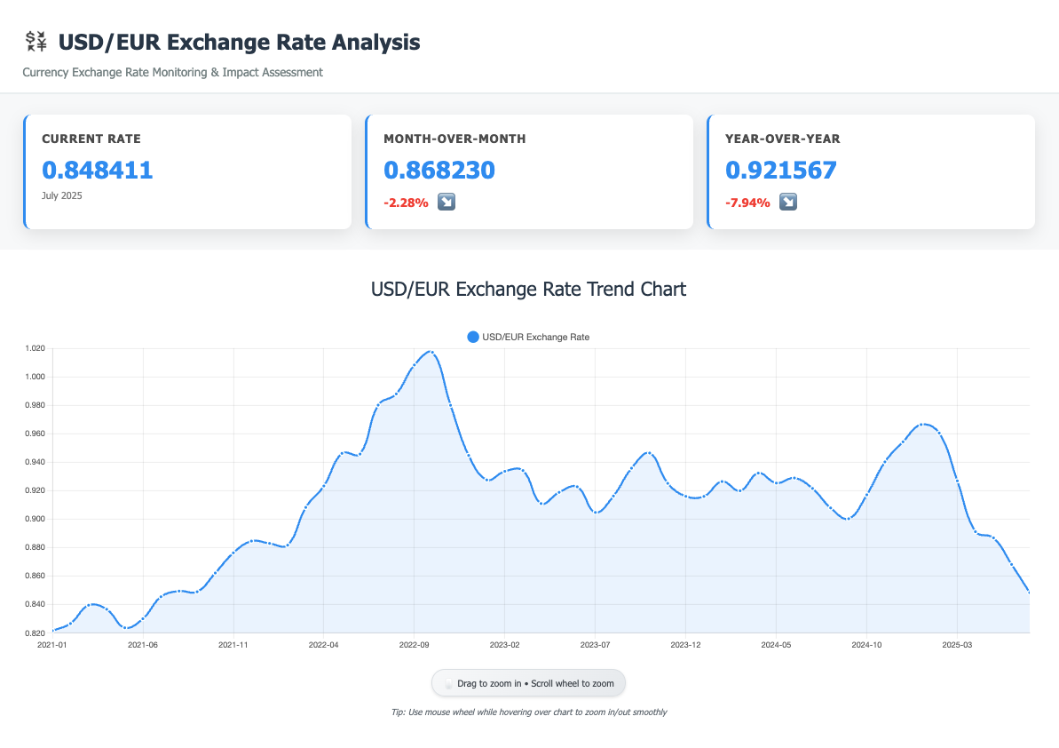
Year_Month | Exchange_Rate | Currency_Pair
2021M01 | 0.821704 | USD/EUR
2021M02 | 0.826723 | USD/EUR
2021M03 | 0.839597 | USD/EUR
2021M04 | 0.836743 | USD/EUR
2021M05 | 0.823758 | USD/EUR
2021M06 | 0.830102 | USD/EUR
2021M07 | 0.845531 | USD/EUR
2021M08 | 0.849518 | USD/EUR
2021M09 | 0.849032 | USD/EUR
2021M10 | 0.862206 | USD/EUR
2021M11 | 0.876354 | USD/EUR
2021M12 | 0.884622 | USD/EUR
2022M01 | 0.882991 | USD/EUR
2022M02 | 0.881757 | USD/EUR
2022M03 | 0.908265 | USD/EUR
2022M04 | 0.923303 | USD/EUR
2022M05 | 0.946206 | USD/EUR
2022M06 | 0.945712 | USD/EUR
2022M07 | 0.980067 | USD/EUR
2022M08 | 0.987932 | USD/EUR
2022M09 | 1.008235 | USD/EUR
2022M10 | 1.017115 | USD/EUR
2022M11 | 0.979964 | USD/EUR
2022M12 | 0.94477 | USD/EUR
2023M01 | 0.927553 | USD/EUR
2023M02 | 0.933614 | USD/EUR
2023M03 | 0.934133 | USD/EUR
2023M04 | 0.910962 | USD/EUR
2023M05 | 0.918837 | USD/EUR
2023M06 | 0.922745 | USD/EUR
2023M07 | 0.904728 | USD/EUR
2023M08 | 0.916236 | USD/EUR
2023M09 | 0.935779 | USD/EUR
2023M10 | 0.946433 | USD/EUR
2023M11 | 0.925158 | USD/EUR
2023M12 | 0.916024 | USD/EUR
2024M01 | 0.916002 | USD/EUR
2024M02 | 0.926416 | USD/EUR
2024M03 | 0.919929 | USD/EUR
2024M04 | 0.932321 | USD/EUR
2024M05 | 0.925324 | USD/EUR
2024M06 | 0.928905 | USD/EUR
2024M07 | 0.921567 | USD/EUR
2024M08 | 0.907876 | USD/EUR
2024M09 | 0.900302 | USD/EUR
2024M10 | 0.91712 | USD/EUR
2024M11 | 0.940202 | USD/EUR
2024M12 | 0.954297 | USD/EUR
2025M01 | 0.966388 | USD/EUR
2025M02 | 0.960447 | USD/EUR
2025M03 | 0.926906 | USD/EUR
2025M04 | 0.891211 | USD/EUR
2025M05 | 0.886863 | USD/EUR
2025M06 | 0.86823 | USD/EUR
2025M07 | 0.848411 | USD/EUR

