Living individual after culling
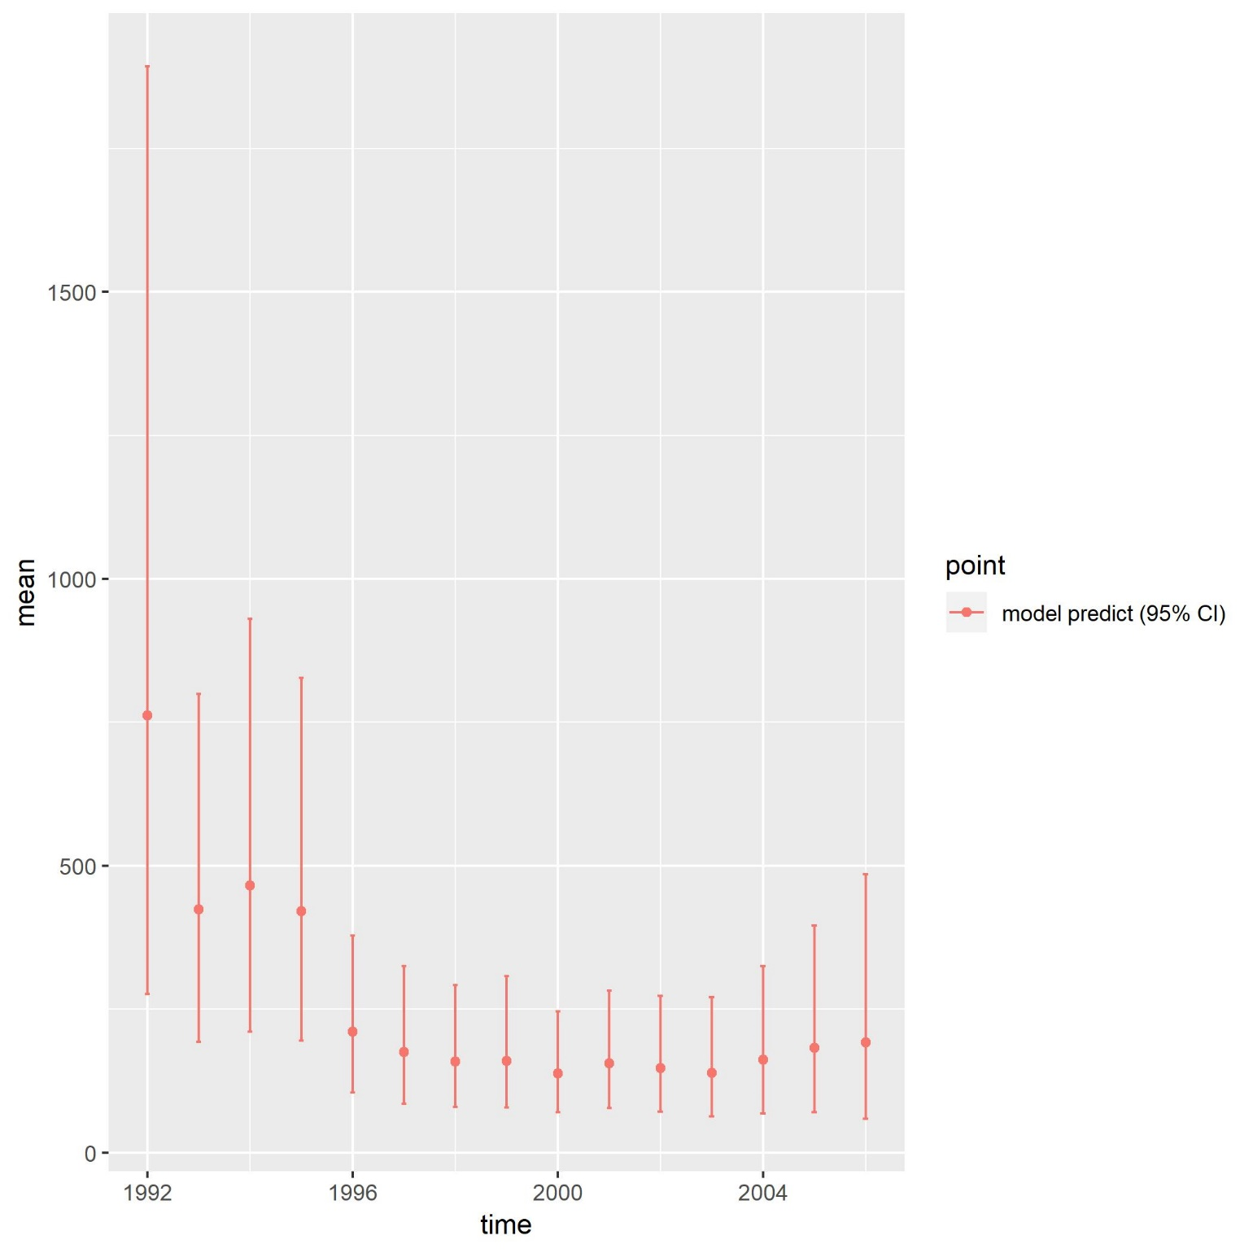
 | 1992(baseline) | 1993 | 1994 | 1995 | 1996 | 1997 | 1998 | 1999 | 2000 | 2001 | 2002 | 2003 | 2004 | 2005 | 2006
0.5 | 344.41 | 249.78398263 | 232.35537252 | 289.60809289 | 91.498065264 | 138.18325858 | 79.120163025 | 126.63121538 | 65.228738191 | 106.63033374 | 90.124250905 | 87.779799372 | 81.634347049 | 108.94658453 | 119.55062125
1.5 | 96.04 | 102.54185212 | 137.97961626 | 66.996859919 | 82.005537184 | 16.575794017 | 63.53182402 | 17.167821863 | 58.080707267 | 23.744179064 | 39.460582155 | 32.212043817 | 51.015187561 | 37.593800749 | 43.774127612
2.5 | 208.02 | 29.315095733 | 55.840356685 | 37.42167387 | 18.861293215 | 14.175629557 | 6.957855971 | 13.239093378 | 7.6288445456 | 20.31816426 | 8.4577677536 | 13.384150225 | 18.441649972 | 23.133082284 | 14.604005135
3.5 | 32.3 | 18.105268908 | 16.383779933 | 15.551305011 | 10.5952308 | 3.3694779049 | 6.3161864372 | 1.4680063442 | 5.8951924573 | 2.671703108 | 7.2551548816 | 2.8685262665 | 7.781045159 | 8.3277763468 | 9.3153532136
4.5 | 9.59 | 10.174905805 | 10.026515444 | 4.7069024913 | 4.3377976325 | 1.8926497311 | 1.5242343425 | 1.2988702198 | 0.6486575037 | 2.0395451778 | 0.96964719593 | 2.4769749887 | 1.6047040756 | 3.553862016 | 3.3220696791
5.5 | 24 | 0.98614125032 | 5.6766770302 | 2.8805493701 | 1.3242407585 | 0.75678455858 | 0.85394281276 | 0.32409662886 | 0.57824754139 | 0.23148550507 | 0.73905792763 | 0.32869659403 | 1.4240041159 | 0.71805424737 | 1.4375596088
6.5 | 42.46 | 7.5555393619 | 0.525822736 | 1.6358200695 | 0.82765833225 | 0.23310053489 | 0.33649864347 | 0.17461228986 | 0.14631067177 | 0.20466202165 | 0.083791535818 | 0.24821357077 | 0.18311644913 | 0.65731486713 | 0.28649249872
7.5 | 4.7 | 5.1769829477 | 7.2184042307 | 2.1883155523 | 1.0599564359 | 0.32831155939 | 0.25467444289 | 0.12327417993 | 0.13104096699 | 0.10005429493 | 0.11168165797 | 0.066037426972 | 0.17753554165 | 0.1659309085 | 0.33098104666
Total | 761.52 | 423.63976876 | 466.00654484 | 420.98951917 | 210.50977962 | 175.51500644 | 158.89537969 | 160.42699028 | 138.33773914 | 155.94012717 | 147.20193401 | 139.36444226 | 162.26158992 | 183.09640595 | 192.62121004

all Posterior mean

