Living individual after culling
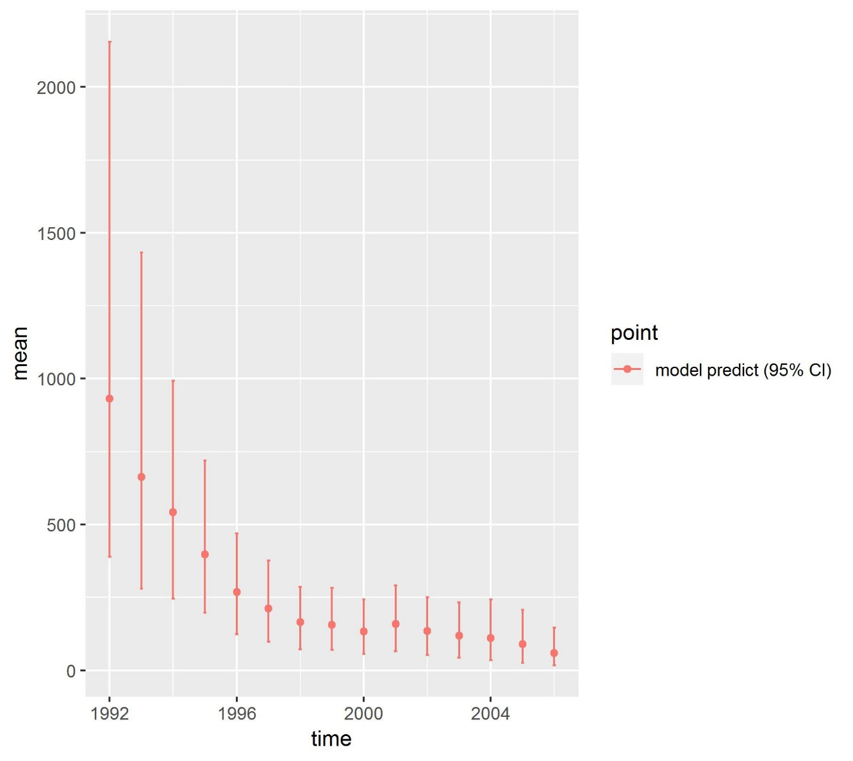
 | 1992(baseline) | 1993 | 1994 | 1995 | 1996 | 1997 | 1998 | 1999 | 2000 | 2001 | 2002 | 2003 | 2004 | 2005 | 2006
0.5 | 296.709717 | 377.50791637 | 233.72895942 | 204.02774837 | 113.14807747 | 125.89804249 | 57.809989901 | 87.059728737 | 50.873621507 | 81.634501638 | 54.676865813 | 58.353056954 | 43.489437319 | 41.548816759 | 29.657741846
1.5 | 170.473597 | 115.67136759 | 163.53335533 | 90.29651522 | 79.68823899 | 35.725217556 | 64.341688097 | 26.345339051 | 47.542475924 | 30.412397693 | 41.587409027 | 25.996141037 | 33.147238605 | 21.258593421 | 15.41204705
2.5 | 235.592385 | 68.435448675 | 64.391874824 | 49.382954213 | 35.993015777 | 26.603301545 | 17.561633355 | 24.230768934 | 14.649467441 | 26.754531225 | 16.16324465 | 19.011605846 | 15.584438886 | 13.725556194 | 5.7230813734
3.5 | 94.581514 | 40.734901602 | 35.980913728 | 24.415796195 | 18.327218388 | 12.812854907 | 13.966567512 | 6.6694189803 | 11.816653041 | 8.783612091 | 13.624289889 | 7.22244082 | 10.52870236 | 6.8954018256 | 3.9499489518
4.5 | 47.912909 | 26.348097754 | 20.6050841 | 13.106851381 | 9.434688339 | 5.1816848557 | 6.8403436157 | 6.3295707374 | 3.4038777331 | 6.6764121664 | 4.0548767629 | 5.7469806942 | 4.5144565691 | 4.328562766 | 2.4318834179
5.5 | 41.283306 | 8.4266001731 | 12.34952054 | 7.4180627712 | 5.4723036027 | 3.0990600037 | 2.3414972612 | 3.0519282974 | 3.2152805262 | 1.6702473811 | 3.0844549642 | 1.1333076499 | 3.3524417969 | 0.20156820779 | 1.4272006834
6.5 | 38.528728 | 16.606085829 | 0.24187750703 | 3.9347374651 | 2.9932193387 | 1.6999059755 | 1.5478900278 | 0.7939543857 | 1.7142159785 | 1.6441806523 | 0.1017262914 | 1.3413982848 | 0.19590392243 | 1.6032922989 | 0.077835521775
7.5 | 5.635585 | 8.7530224284 | 10.255301637 | 3.6115950083 | 2.4096657428 | 1.329581682 | 0.29007338313 | 0.71552459823 | 0.20936818599 | 1.1831863355 | 1.0424249724 | 0.11449191352 | 0.18675640374 | 0.17255111655 | 0.54723703692
Total | 930.717741 | 662.48344043 | 541.08688709 | 396.19426062 | 267.46642765 | 212.34964902 | 164.69968315 | 155.19623372 | 133.42496034 | 158.75906918 | 134.33529237 | 118.9194232 | 110.99937586 | 89.73434259 | 59.226975882
Total Fawn | 296.709717 | 377.50791637 | 233.72895942 | 204.02774837 | 113.14807747 | 125.89804249 | 57.809989901 | 87.059728737 | 50.873621507 | 81.634501638 | 54.676865813 | 58.353056954 | 43.489437319 | 41.548816759 | 29.657741846
Total Y+A | 634.008024 | 284.97552405 | 307.35792767 | 192.16651225 | 154.31835018 | 86.451606526 | 106.88969325 | 68.136504984 | 82.55133883 | 77.124567544 | 79.658426557 | 60.566366245 | 67.509938543 | 48.18552583 | 29.569234036
Fawn Y+A Ratio | 0.4679904761 | 1.3247029464 | 0.76044552093 | 1.0617237414 | 0.73321207323 | 1.4562834347 | 0.54083783144 | 1.2777251894 | 0.61626646192 | 1.0584759725 | 0.68639148645 | 0.96345646224 | 0.64419311079 | 0.86226758022 | 1.0029932399

all Posterior mean

