Sheet1
 |  |  |  |  |  |  |  |  | 3 | 5 | 7

 |  |  |  |  |  |  |  |  | x
 |  |  |  |  |  |  |  | Y | -1 | 0 | 1
 |  |  |  |  |  |  |  | -1 | -2 | 0 | 2 |  | -1 | -1 | -1
 |  |  |  |  |  |  |  | 0 | -2 | 0 | 2 |  | 0 | 0 | 0
 |  |  |  |  |  |  |  | 1 | -2 | 0 | 2 |  | 1 | 1 | 1
 |  |  |  |  |  |  |  |  | sobel |  |  |  | sobel
2 | 4 | 5 | 4 | 2 | 17
4 | 9 | 12 | 9 | 4 | 38
5 | 12 | 15 | 12 | 5 | 49
4 | 9 | 12 | 9 | 4 | 38
2 | 4 | 5 | 4 | 2 | 17

 |  |  |  |  | 159

0.012578616352 | 0.025157232704 | 0.031446540881 | 0.025157232704 | 0.012578616352
0.025157232704 | 0.056603773585 | 0.075471698113 | 0.056603773585 | 0.025157232704
0.031446540881 | 0.075471698113 | 0.094339622642 | 0.075471698113 | 0.031446540881
0.025157232704 | 0.056603773585 | 0.075471698113 | 0.056603773585 | 0.025157232704
0.012578616352 | 0.025157232704 | 0.031446540881 | 0.025157232704 | 0.012578616352

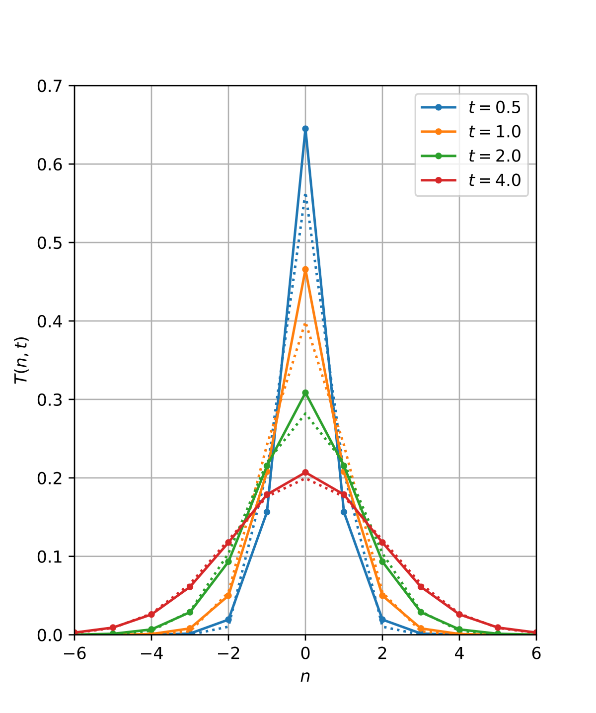
0.03125 | 0.03125 | 0.0625 | 0.03125 | 0.03125
0.03125 | 0.0625 | 0.125 | 0.0625 | 0.03125 |  |  |  |  |  |  |  |  |  |  |  | sigma
0.0625 | 0.125 | 0.25 | 0.125 | 0.0625 |  |  |  |  |  | -2 | -1 | 0 | 1 | 2 |  | 0.8
0.03125 | 0.0625 | 0.125 | 0.0625 | 0.03125 |  |  |  |  | -2 | 0.00048006455968 | 0.0050023875837 | 0.010926219016 | 0.0050023875837 | 0.00048006455968
0.03125 | 0.03125 | 0.0625 | 0.03125 | 0.03125 |  |  |  |  | -1 | 0.0050023875837 | 0.052126075615 | 0.11385381662 | 0.052126075615 | 0.0050023875837
 |  |  |  |  |  |  |  |  | 0 | 0.010926219016 | 0.11385381662 | 0.24867959858 | 0.11385381662 | 0.010926219016
 |  |  |  |  |  |  |  |  | 1 | 0.0050023875837 | 0.052126075615 | 0.11385381662 | 0.052126075615 | 0.0050023875837
 |  |  |  |  |  |  |  |  | 2 | 0.00048006455968 | 0.0050023875837 | 0.010926219016 | 0.0050023875837 | 0.00048006455968

 |  |  |  |  |  |  |  |  |  |  |  |  | 0.9982434025

Gaussian Kernel Shape

.

 |  |  |  |  |  |  |  |  |  |  |  |  | 1/0 | ->inf
 |  |  |  |  |  |  |  |  |  |  |  |  | 0/1

new min |  | a | 0 |  | X | New X | Formular
new max |  | b | 255 |  | 0 | 0 | 0
 |  |  |  |  | 0.03 |  | 7.65
 |  |  |  |  | 0.1 |  | 25.5
 |  |  |  |  | 0.2 |  | 51
 |  |  |  |  | 0.3 |  | 76.5
 |  |  |  |  | 0.4 |  | 102
 |  |  |  |  | 0.5 |  | 127.5
 |  |  |  |  | 0.6 |  | 153
 |  |  |  |  | 0.7 |  | 178.5
 |  |  |  |  | 0.8 |  | 204
 |  |  |  |  | 0.9 |  | 229.5
 |  |  |  |  | 1 | 255 | 255

 | high

 | low

Sheet2
 | x1 | y1 | x2 | y2
1 | 81.28861317 | 65.778415657 | 131.28861317 | 115.77841566
2 | 89.724527095 | 91.175137277 | 139.72452709 | 141.17513728
3 | 74.002829502 | 12.894503767 | 124.0028295 | 62.894503767
4 | 75.071923541 | 3.5519465962 | 125.07192354 | 53.551946596
5 | 32.463496971 | 36.810461689 | 82.463496971 | 86.810461689
6 | 25.071858386 | 92.034303298 | 75.071858386 | 142.0343033
7 | 68.12827981 | 51.61390367 | 118.12827981 | 101.61390367
8 | 19.279876486 | 4.4995784651 | 69.279876486 | 54.499578465
9 | 87.173408709 | 42.598046093 | 137.17340871 | 92.598046093
10 | 73.109925087 | 36.330385568 | 123.10992509 | 86.330385568

Left

