No.1
No.1
テスト項目
・ファイル名「m_product_stork_l_ ＋ "_" + タイムスタンプ（YYYYMMDD）.tsv.gz」がS3上に配置されている状態であること
・DWHのジョブでエラーが発生しないこと
・大口割サービス対象商品マスタ（DWH）にデータが登録されること

S3
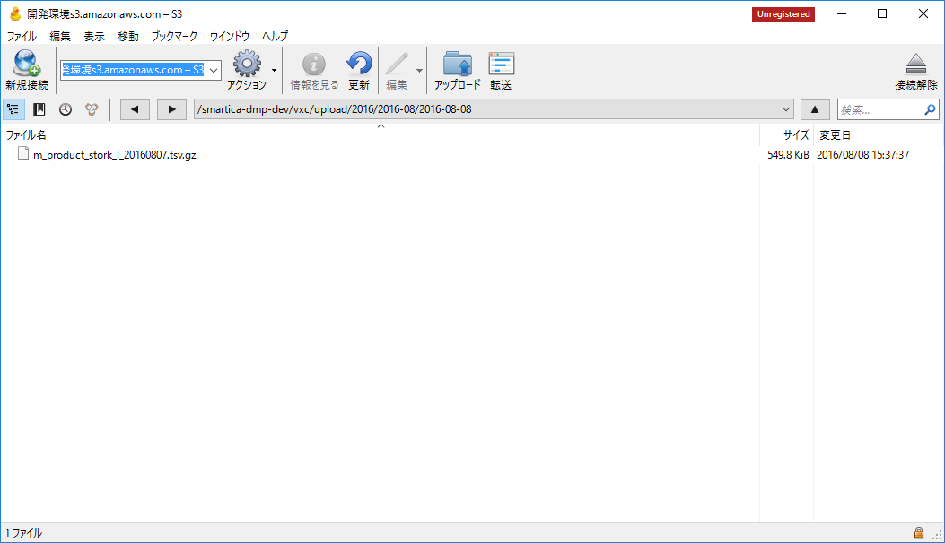

S3上に連携ファイルあり

 | ↓ジョブ実行
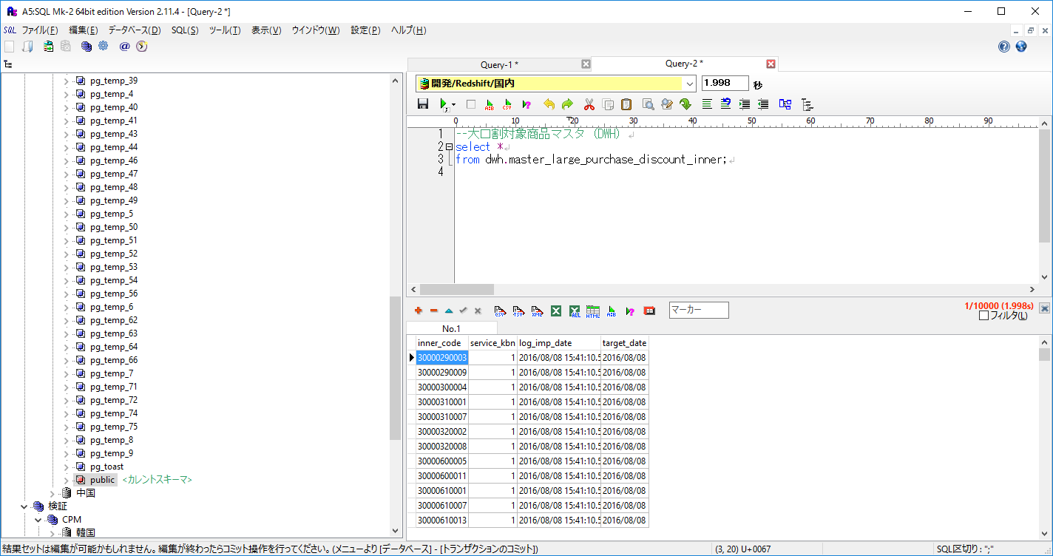

大口割サービス対象商品マスタ（DWH）にデータが登録されることを確認

実行ログ
→エラーが発生していないことを確認
15:41:01.816 [main] ! INFO o.springframework.context.support.ClassPathXmlApplicationContext - Refreshing org.springframework.context.support.ClassPathXmlApplicationContext@54fb2274: startup date [Mon Aug 08 15:41:01 JST 2016]; root of context hierarchy
15:41:01.848 [main] ! INFO org.springframework.beans.factory.xml.XmlBeanDefinitionReader - Loading XML bean definitions from class path resource [launch-context.xml]
15:41:01.964 [main] ! INFO o.s.beans.factory.support.DefaultListableBeanFactory - Overriding bean definition for bean 'import.etl.misumi.daily.job': replacing [Generic bean: class [org.springframework.batch.core.configuration.xml.SimpleFlowFactoryBean]; scope=; abstract=false; lazyInit=false; autowireMode=0; dependencyCheck=0; autowireCandidate=true; primary=false; factoryBeanName=null; factoryMethodName=null; initMethodName=null; destroyMethodName=null] with [Generic bean: class [org.springframework.batch.core.configuration.xml.JobParserJobFactoryBean]; scope=; abstract=false; lazyInit=false; autowireMode=0; dependencyCheck=0; autowireCandidate=true; primary=false; factoryBeanName=null; factoryMethodName=null; initMethodName=null; destroyMethodName=null]
15:41:01.966 [main] ! INFO o.s.beans.factory.support.DefaultListableBeanFactory - Overriding bean definition for bean 'import.etl.adhoc_segment.hourly.job': replacing [Generic bean: class [org.springframework.batch.core.configuration.xml.SimpleFlowFactoryBean]; scope=; abstract=false; lazyInit=false; autowireMode=0; dependencyCheck=0; autowireCandidate=true; primary=false; factoryBeanName=null; factoryMethodName=null; initMethodName=null; destroyMethodName=null] with [Generic bean: class [org.springframework.batch.core.configuration.xml.JobParserJobFactoryBean]; scope=; abstract=false; lazyInit=false; autowireMode=0; dependencyCheck=0; autowireCandidate=true; primary=false; factoryBeanName=null; factoryMethodName=null; initMethodName=null; destroyMethodName=null]
15:41:01.966 [main] ! INFO org.springframework.beans.factory.xml.XmlBeanDefinitionReader - Loading XML bean definitions from class path resource [META-INF/spring/smartica/etl/misumi/import-dwh-pre-context.xml]
15:41:02.013 [main] ! INFO o.s.beans.factory.support.DefaultListableBeanFactory - Overriding bean definition for bean 'import.dwh.pre.job': replacing [Generic bean: class [org.springframework.batch.core.configuration.xml.SimpleFlowFactoryBean]; scope=; abstract=false; lazyInit=false; autowireMode=0; dependencyCheck=0; autowireCandidate=true; primary=false; factoryBeanName=null; factoryMethodName=null; initMethodName=null; destroyMethodName=null] with [Generic bean: class [org.springframework.batch.core.configuration.xml.JobParserJobFactoryBean]; scope=; abstract=false; lazyInit=false; autowireMode=0; dependencyCheck=0; autowireCandidate=true; primary=false; factoryBeanName=null; factoryMethodName=null; initMethodName=null; destroyMethodName=null]
15:41:02.014 [main] ! INFO org.springframework.beans.factory.xml.XmlBeanDefinitionReader - Loading XML bean definitions from class path resource [META-INF/spring/smartica/etl/misumi/import-dwh-required-context.xml]
15:41:02.086 [main] ! INFO o.s.beans.factory.support.DefaultListableBeanFactory - Overriding bean definition for bean 'import.dwh.required.job': replacing [Generic bean: class [org.springframework.batch.core.configuration.xml.SimpleFlowFactoryBean]; scope=; abstract=false; lazyInit=false; autowireMode=0; dependencyCheck=0; autowireCandidate=true; primary=false; factoryBeanName=null; factoryMethodName=null; initMethodName=null; destroyMethodName=null] with [Generic bean: class [org.springframework.batch.core.configuration.xml.JobParserJobFactoryBean]; scope=; abstract=false; lazyInit=false; autowireMode=0; dependencyCheck=0; autowireCandidate=true; primary=false; factoryBeanName=null; factoryMethodName=null; initMethodName=null; destroyMethodName=null]
15:41:02.087 [main] ! INFO o.s.beans.factory.support.DefaultListableBeanFactory - Overriding bean definition for bean 'import.dwh.master_ec_customer.job': replacing [Generic bean: class [org.springframework.batch.core.configuration.xml.SimpleFlowFactoryBean]; scope=; abstract=false; lazyInit=false; autowireMode=0; dependencyCheck=0; autowireCandidate=true; primary=false; factoryBeanName=null; factoryMethodName=null; initMethodName=null; destroyMethodName=null] with [Generic bean: class [org.springframework.batch.core.configuration.xml.JobParserJobFactoryBean]; scope=; abstract=false; lazyInit=false; autowireMode=0; dependencyCheck=0; autowireCandidate=true; primary=false; factoryBeanName=null; factoryMethodName=null; initMethodName=null; destroyMethodName=null]
15:41:02.087 [main] ! INFO o.s.beans.factory.support.DefaultListableBeanFactory - Overriding bean definition for bean 'import.dwh.master_customer.job': replacing [Generic bean: class [org.springframework.batch.core.configuration.xml.SimpleFlowFactoryBean]; scope=; abstract=false; lazyInit=false; autowireMode=0; dependencyCheck=0; autowireCandidate=true; primary=false; factoryBeanName=null; factoryMethodName=null; initMethodName=null; destroyMethodName=null] with [Generic bean: class [org.springframework.batch.core.configuration.xml.JobParserJobFactoryBean]; scope=; abstract=false; lazyInit=false; autowireMode=0; dependencyCheck=0; autowireCandidate=true; primary=false; factoryBeanName=null; factoryMethodName=null; initMethodName=null; destroyMethodName=null]
15:41:02.089 [main] ! INFO o.s.beans.factory.support.DefaultListableBeanFactory - Overriding bean definition for bean 'import.dwh.master_series.job': replacing [Generic bean: class [org.springframework.batch.core.configuration.xml.SimpleFlowFactoryBean]; scope=; abstract=false; lazyInit=false; autowireMode=0; dependencyCheck=0; autowireCandidate=true; primary=false; factoryBeanName=null; factoryMethodName=null; initMethodName=null; destroyMethodName=null] with [Generic bean: class [org.springframework.batch.core.configuration.xml.JobParserJobFactoryBean]; scope=; abstract=false; lazyInit=false; autowireMode=0; dependencyCheck=0; autowireCandidate=true; primary=false; factoryBeanName=null; factoryMethodName=null; initMethodName=null; destroyMethodName=null]
15:41:02.090 [main] ! INFO o.s.beans.factory.support.DefaultListableBeanFactory - Overriding bean definition for bean 'import.dwh.master_category.job': replacing [Generic bean: class [org.springframework.batch.core.configuration.xml.SimpleFlowFactoryBean]; scope=; abstract=false; lazyInit=false; autowireMode=0; dependencyCheck=0; autowireCandidate=true; primary=false; factoryBeanName=null; factoryMethodName=null; initMethodName=null; destroyMethodName=null] with [Generic bean: class [org.springframework.batch.core.configuration.xml.JobParserJobFactoryBean]; scope=; abstract=false; lazyInit=false; autowireMode=0; dependencyCheck=0; autowireCandidate=true; primary=false; factoryBeanName=null; factoryMethodName=null; initMethodName=null; destroyMethodName=null]
15:41:02.090 [main] ! INFO o.s.beans.factory.support.DefaultListableBeanFactory - Overriding bean definition for bean 'import.dwh.master_product_mapping.job': replacing [Generic bean: class [org.springframework.batch.core.configuration.xml.SimpleFlowFactoryBean]; scope=; abstract=false; lazyInit=false; autowireMode=0; dependencyCheck=0; autowireCandidate=true; primary=false; factoryBeanName=null; factoryMethodName=null; initMethodName=null; destroyMethodName=null] with [Generic bean: class [org.springframework.batch.core.configuration.xml.JobParserJobFactoryBean]; scope=; abstract=false; lazyInit=false; autowireMode=0; dependencyCheck=0; autowireCandidate=true; primary=false; factoryBeanName=null; factoryMethodName=null; initMethodName=null; destroyMethodName=null]
15:41:02.091 [main] ! INFO o.s.beans.factory.support.DefaultListableBeanFactory - Overriding bean definition for bean 'import.dwh.master_m_material.job': replacing [Generic bean: class [org.springframework.batch.core.configuration.xml.SimpleFlowFactoryBean]; scope=; abstract=false; lazyInit=false; autowireMode=0; dependencyCheck=0; autowireCandidate=true; primary=false; factoryBeanName=null; factoryMethodName=null; initMethodName=null; destroyMethodName=null] with [Generic bean: class [org.springframework.batch.core.configuration.xml.JobParserJobFactoryBean]; scope=; abstract=false; lazyInit=false; autowireMode=0; dependencyCheck=0; autowireCandidate=true; primary=false; factoryBeanName=null; factoryMethodName=null; initMethodName=null; destroyMethodName=null]
15:41:02.092 [main] ! INFO o.s.beans.factory.support.DefaultListableBeanFactory - Overriding bean definition for bean 'import.dwh.log_dtwosv.job': replacing [Generic bean: class [org.springframework.batch.core.configuration.xml.SimpleFlowFactoryBean]; scope=; abstract=false; lazyInit=false; autowireMode=0; dependencyCheck=0; autowireCandidate=true; primary=false; factoryBeanName=null; factoryMethodName=null; initMethodName=null; destroyMethodName=null] with [Generic bean: class [org.springframework.batch.core.configuration.xml.JobParserJobFactoryBean]; scope=; abstract=false; lazyInit=false; autowireMode=0; dependencyCheck=0; autowireCandidate=true; primary=false; factoryBeanName=null; factoryMethodName=null; initMethodName=null; destroyMethodName=null]
15:41:02.093 [main] ! INFO o.s.beans.factory.support.DefaultListableBeanFactory - Overriding bean definition for bean 'import.dwh.log_dtwosm.job': replacing [Generic bean: class [org.springframework.batch.core.configuration.xml.SimpleFlowFactoryBean]; scope=; abstract=false; lazyInit=false; autowireMode=0; dependencyCheck=0; autowireCandidate=true; primary=false; factoryBeanName=null; factoryMethodName=null; initMethodName=null; destroyMethodName=null] with [Generic bean: class [org.springframework.batch.core.configuration.xml.JobParserJobFactoryBean]; scope=; abstract=false; lazyInit=false; autowireMode=0; dependencyCheck=0; autowireCandidate=true; primary=false; factoryBeanName=null; factoryMethodName=null; initMethodName=null; destroyMethodName=null]
15:41:02.094 [main] ! INFO o.s.beans.factory.support.DefaultListableBeanFactory - Overriding bean definition for bean 'import.dwh.log_jp_source_visit_btc.job': replacing [Generic bean: class [org.springframework.batch.core.configuration.xml.SimpleFlowFactoryBean]; scope=; abstract=false; lazyInit=false; autowireMode=0; dependencyCheck=0; autowireCandidate=true; primary=false; factoryBeanName=null; factoryMethodName=null; initMethodName=null; destroyMethodName=null] with [Generic bean: class [org.springframework.batch.core.configuration.xml.JobParserJobFactoryBean]; scope=; abstract=false; lazyInit=false; autowireMode=0; dependencyCheck=0; autowireCandidate=true; primary=false; factoryBeanName=null; factoryMethodName=null; initMethodName=null; destroyMethodName=null]
15:41:02.095 [main] ! INFO o.s.beans.factory.support.DefaultListableBeanFactory - Overriding bean definition for bean 'import.dwh.log_jp_source_visit_forcia.job': replacing [Generic bean: class [org.springframework.batch.core.configuration.xml.SimpleFlowFactoryBean]; scope=; abstract=false; lazyInit=false; autowireMode=0; dependencyCheck=0; autowireCandidate=true; primary=false; factoryBeanName=null; factoryMethodName=null; initMethodName=null; destroyMethodName=null] with [Generic bean: class [org.springframework.batch.core.configuration.xml.JobParserJobFactoryBean]; scope=; abstract=false; lazyInit=false; autowireMode=0; dependencyCheck=0; autowireCandidate=true; primary=false; factoryBeanName=null; factoryMethodName=null; initMethodName=null; destroyMethodName=null]
15:41:02.096 [main] ! INFO o.s.beans.factory.support.DefaultListableBeanFactory - Overriding bean definition for bean 'import.dwh.log_jp_dt_cart.job': replacing [Generic bean: class [org.springframework.batch.core.configuration.xml.SimpleFlowFactoryBean]; scope=; abstract=false; lazyInit=false; autowireMode=0; dependencyCheck=0; autowireCandidate=true; primary=false; factoryBeanName=null; factoryMethodName=null; initMethodName=null; destroyMethodName=null] with [Generic bean: class [org.springframework.batch.core.configuration.xml.JobParserJobFactoryBean]; scope=; abstract=false; lazyInit=false; autowireMode=0; dependencyCheck=0; autowireCandidate=true; primary=false; factoryBeanName=null; factoryMethodName=null; initMethodName=null; destroyMethodName=null]
15:41:02.098 [main] ! INFO o.s.beans.factory.support.DefaultListableBeanFactory - Overriding bean definition for bean 'import.dwh.log_jp_dt_cart_out.job': replacing [Generic bean: class [org.springframework.batch.core.configuration.xml.SimpleFlowFactoryBean]; scope=; abstract=false; lazyInit=false; autowireMode=0; dependencyCheck=0; autowireCandidate=true; primary=false; factoryBeanName=null; factoryMethodName=null; initMethodName=null; destroyMethodName=null] with [Generic bean: class [org.springframework.batch.core.configuration.xml.JobParserJobFactoryBean]; scope=; abstract=false; lazyInit=false; autowireMode=0; dependencyCheck=0; autowireCandidate=true; primary=false; factoryBeanName=null; factoryMethodName=null; initMethodName=null; destroyMethodName=null]
15:41:02.099 [main] ! INFO o.s.beans.factory.support.DefaultListableBeanFactory - Overriding bean definition for bean 'import.dwh.master_dt_tokuisaki.job': replacing [Generic bean: class [org.springframework.batch.core.configuration.xml.SimpleFlowFactoryBean]; scope=; abstract=false; lazyInit=false; autowireMode=0; dependencyCheck=0; autowireCandidate=true; primary=false; factoryBeanName=null; factoryMethodName=null; initMethodName=null; destroyMethodName=null] with [Generic bean: class [org.springframework.batch.core.configuration.xml.JobParserJobFactoryBean]; scope=; abstract=false; lazyInit=false; autowireMode=0; dependencyCheck=0; autowireCandidate=true; primary=false; factoryBeanName=null; factoryMethodName=null; initMethodName=null; destroyMethodName=null]
15:41:02.100 [main] ! INFO o.s.beans.factory.support.DefaultListableBeanFactory - Overriding bean definition for bean 'import.dwh.master_site.job': replacing [Generic bean: class [org.springframework.batch.core.configuration.xml.SimpleFlowFactoryBean]; scope=; abstract=false; lazyInit=false; autowireMode=0; dependencyCheck=0; autowireCandidate=true; primary=false; factoryBeanName=null; factoryMethodName=null; initMethodName=null; destroyMethodName=null] with [Generic bean: class [org.springframework.batch.core.configuration.xml.JobParserJobFactoryBean]; scope=; abstract=false; lazyInit=false; autowireMode=0; dependencyCheck=0; autowireCandidate=true; primary=false; factoryBeanName=null; factoryMethodName=null; initMethodName=null; destroyMethodName=null]
15:41:02.101 [main] ! INFO o.s.beans.factory.support.DefaultListableBeanFactory - Overriding bean definition for bean 'import.dwh.master_tantou.job': replacing [Generic bean: class [org.springframework.batch.core.configuration.xml.SimpleFlowFactoryBean]; scope=; abstract=false; lazyInit=false; autowireMode=0; dependencyCheck=0; autowireCandidate=true; primary=false; factoryBeanName=null; factoryMethodName=null; initMethodName=null; destroyMethodName=null] with [Generic bean: class [org.springframework.batch.core.configuration.xml.JobParserJobFactoryBean]; scope=; abstract=false; lazyInit=false; autowireMode=0; dependencyCheck=0; autowireCandidate=true; primary=false; factoryBeanName=null; factoryMethodName=null; initMethodName=null; destroyMethodName=null]
15:41:02.102 [main] ! INFO o.s.beans.factory.support.DefaultListableBeanFactory - Overriding bean definition for bean 'import.dwh.master_user.job': replacing [Generic bean: class [org.springframework.batch.core.configuration.xml.SimpleFlowFactoryBean]; scope=; abstract=false; lazyInit=false; autowireMode=0; dependencyCheck=0; autowireCandidate=true; primary=false; factoryBeanName=null; factoryMethodName=null; initMethodName=null; destroyMethodName=null] with [Generic bean: class [org.springframework.batch.core.configuration.xml.JobParserJobFactoryBean]; scope=; abstract=false; lazyInit=false; autowireMode=0; dependencyCheck=0; autowireCandidate=true; primary=false; factoryBeanName=null; factoryMethodName=null; initMethodName=null; destroyMethodName=null]
15:41:02.103 [main] ! INFO o.s.beans.factory.support.DefaultListableBeanFactory - Overriding bean definition for bean 'import.dwh.master_dt_site_product.job': replacing [Generic bean: class [org.springframework.batch.core.configuration.xml.SimpleFlowFactoryBean]; scope=; abstract=false; lazyInit=false; autowireMode=0; dependencyCheck=0; autowireCandidate=true; primary=false; factoryBeanName=null; factoryMethodName=null; initMethodName=null; destroyMethodName=null] with [Generic bean: class [org.springframework.batch.core.configuration.xml.JobParserJobFactoryBean]; scope=; abstract=false; lazyInit=false; autowireMode=0; dependencyCheck=0; autowireCandidate=true; primary=false; factoryBeanName=null; factoryMethodName=null; initMethodName=null; destroyMethodName=null]
15:41:02.103 [main] ! INFO o.s.beans.factory.support.DefaultListableBeanFactory - Overriding bean definition for bean 'import.dwh.master_inner.job': replacing [Generic bean: class [org.springframework.batch.core.configuration.xml.SimpleFlowFactoryBean]; scope=; abstract=false; lazyInit=false; autowireMode=0; dependencyCheck=0; autowireCandidate=true; primary=false; factoryBeanName=null; factoryMethodName=null; initMethodName=null; destroyMethodName=null] with [Generic bean: class [org.springframework.batch.core.configuration.xml.JobParserJobFactoryBean]; scope=; abstract=false; lazyInit=false; autowireMode=0; dependencyCheck=0; autowireCandidate=true; primary=false; factoryBeanName=null; factoryMethodName=null; initMethodName=null; destroyMethodName=null]
15:41:02.104 [main] ! INFO o.s.beans.factory.support.DefaultListableBeanFactory - Overriding bean definition for bean 'import.dwh.master_brand.job': replacing [Generic bean: class [org.springframework.batch.core.configuration.xml.SimpleFlowFactoryBean]; scope=; abstract=false; lazyInit=false; autowireMode=0; dependencyCheck=0; autowireCandidate=true; primary=false; factoryBeanName=null; factoryMethodName=null; initMethodName=null; destroyMethodName=null] with [Generic bean: class [org.springframework.batch.core.configuration.xml.JobParserJobFactoryBean]; scope=; abstract=false; lazyInit=false; autowireMode=0; dependencyCheck=0; autowireCandidate=true; primary=false; factoryBeanName=null; factoryMethodName=null; initMethodName=null; destroyMethodName=null]
15:41:02.105 [main] ! INFO o.s.beans.factory.support.DefaultListableBeanFactory - Overriding bean definition for bean 'import.dwh.master_client_marketing.job': replacing [Generic bean: class [org.springframework.batch.core.configuration.xml.SimpleFlowFactoryBean]; scope=; abstract=false; lazyInit=false; autowireMode=0; dependencyCheck=0; autowireCandidate=true; primary=false; factoryBeanName=null; factoryMethodName=null; initMethodName=null; destroyMethodName=null] with [Generic bean: class [org.springframework.batch.core.configuration.xml.JobParserJobFactoryBean]; scope=; abstract=false; lazyInit=false; autowireMode=0; dependencyCheck=0; autowireCandidate=true; primary=false; factoryBeanName=null; factoryMethodName=null; initMethodName=null; destroyMethodName=null]
15:41:02.106 [main] ! INFO o.s.beans.factory.support.DefaultListableBeanFactory - Overriding bean definition for bean 'import.dwh.master_customer_marketing.job': replacing [Generic bean: class [org.springframework.batch.core.configuration.xml.SimpleFlowFactoryBean]; scope=; abstract=false; lazyInit=false; autowireMode=0; dependencyCheck=0; autowireCandidate=true; primary=false; factoryBeanName=null; factoryMethodName=null; initMethodName=null; destroyMethodName=null] with [Generic bean: class [org.springframework.batch.core.configuration.xml.JobParserJobFactoryBean]; scope=; abstract=false; lazyInit=false; autowireMode=0; dependencyCheck=0; autowireCandidate=true; primary=false; factoryBeanName=null; factoryMethodName=null; initMethodName=null; destroyMethodName=null]
15:41:02.107 [main] ! INFO o.s.beans.factory.support.DefaultListableBeanFactory - Overriding bean definition for bean 'import.dwh.master_m_bill_to.job': replacing [Generic bean: class [org.springframework.batch.core.configuration.xml.SimpleFlowFactoryBean]; scope=; abstract=false; lazyInit=false; autowireMode=0; dependencyCheck=0; autowireCandidate=true; primary=false; factoryBeanName=null; factoryMethodName=null; initMethodName=null; destroyMethodName=null] with [Generic bean: class [org.springframework.batch.core.configuration.xml.JobParserJobFactoryBean]; scope=; abstract=false; lazyInit=false; autowireMode=0; dependencyCheck=0; autowireCandidate=true; primary=false; factoryBeanName=null; factoryMethodName=null; initMethodName=null; destroyMethodName=null]
15:41:02.107 [main] ! INFO o.s.beans.factory.support.DefaultListableBeanFactory - Overriding bean definition for bean 'import.dwh.master_series_info.job': replacing [Generic bean: class [org.springframework.batch.core.configuration.xml.SimpleFlowFactoryBean]; scope=; abstract=false; lazyInit=false; autowireMode=0; dependencyCheck=0; autowireCandidate=true; primary=false; factoryBeanName=null; factoryMethodName=null; initMethodName=null; destroyMethodName=null] with [Generic bean: class [org.springframework.batch.core.configuration.xml.JobParserJobFactoryBean]; scope=; abstract=false; lazyInit=false; autowireMode=0; dependencyCheck=0; autowireCandidate=true; primary=false; factoryBeanName=null; factoryMethodName=null; initMethodName=null; destroyMethodName=null]
15:41:02.108 [main] ! INFO o.s.beans.factory.support.DefaultListableBeanFactory - Overriding bean definition for bean 'import.dwh.log_bulk_estimate_order_distinction.job': replacing [Generic bean: class [org.springframework.batch.core.configuration.xml.SimpleFlowFactoryBean]; scope=; abstract=false; lazyInit=false; autowireMode=0; dependencyCheck=0; autowireCandidate=true; primary=false; factoryBeanName=null; factoryMethodName=null; initMethodName=null; destroyMethodName=null] with [Generic bean: class [org.springframework.batch.core.configuration.xml.JobParserJobFactoryBean]; scope=; abstract=false; lazyInit=false; autowireMode=0; dependencyCheck=0; autowireCandidate=true; primary=false; factoryBeanName=null; factoryMethodName=null; initMethodName=null; destroyMethodName=null]
15:41:02.120 [main] ! INFO org.springframework.beans.factory.xml.XmlBeanDefinitionReader - Loading XML bean definitions from class path resource [META-INF/spring/smartica/etl/misumi/import-dwh-optional-context.xml]
15:41:02.156 [main] ! INFO o.s.beans.factory.support.DefaultListableBeanFactory - Overriding bean definition for bean 'import.dwh.adhoc_segment.step': replacing [Generic bean: class [org.springframework.batch.core.configuration.xml.StepParserStepFactoryBean]; scope=; abstract=false; lazyInit=false; autowireMode=0; dependencyCheck=0; autowireCandidate=true; primary=false; factoryBeanName=null; factoryMethodName=null; initMethodName=null; destroyMethodName=null] with [Generic bean: class [org.springframework.batch.core.configuration.xml.StepParserStepFactoryBean]; scope=; abstract=false; lazyInit=false; autowireMode=0; dependencyCheck=0; autowireCandidate=true; primary=false; factoryBeanName=null; factoryMethodName=null; initMethodName=null; destroyMethodName=null]
15:41:02.160 [main] ! INFO o.s.beans.factory.support.DefaultListableBeanFactory - Overriding bean definition for bean 'import.dwh.optional.job': replacing [Generic bean: class [org.springframework.batch.core.configuration.xml.SimpleFlowFactoryBean]; scope=; abstract=false; lazyInit=false; autowireMode=0; dependencyCheck=0; autowireCandidate=true; primary=false; factoryBeanName=null; factoryMethodName=null; initMethodName=null; destroyMethodName=null] with [Generic bean: class [org.springframework.batch.core.configuration.xml.JobParserJobFactoryBean]; scope=; abstract=false; lazyInit=false; autowireMode=0; dependencyCheck=0; autowireCandidate=true; primary=false; factoryBeanName=null; factoryMethodName=null; initMethodName=null; destroyMethodName=null]
15:41:02.161 [main] ! INFO o.s.beans.factory.support.DefaultListableBeanFactory - Overriding bean definition for bean 'import.dwh.master_ms_user.job': replacing [Generic bean: class [org.springframework.batch.core.configuration.xml.SimpleFlowFactoryBean]; scope=; abstract=false; lazyInit=false; autowireMode=0; dependencyCheck=0; autowireCandidate=true; primary=false; factoryBeanName=null; factoryMethodName=null; initMethodName=null; destroyMethodName=null] with [Generic bean: class [org.springframework.batch.core.configuration.xml.JobParserJobFactoryBean]; scope=; abstract=false; lazyInit=false; autowireMode=0; dependencyCheck=0; autowireCandidate=true; primary=false; factoryBeanName=null; factoryMethodName=null; initMethodName=null; destroyMethodName=null]
15:41:02.161 [main] ! INFO o.s.beans.factory.support.DefaultListableBeanFactory - Overriding bean definition for bean 'import.dwh.log_jp_source_caddownload.job': replacing [Generic bean: class [org.springframework.batch.core.configuration.xml.SimpleFlowFactoryBean]; scope=; abstract=false; lazyInit=false; autowireMode=0; dependencyCheck=0; autowireCandidate=true; primary=false; factoryBeanName=null; factoryMethodName=null; initMethodName=null; destroyMethodName=null] with [Generic bean: class [org.springframework.batch.core.configuration.xml.JobParserJobFactoryBean]; scope=; abstract=false; lazyInit=false; autowireMode=0; dependencyCheck=0; autowireCandidate=true; primary=false; factoryBeanName=null; factoryMethodName=null; initMethodName=null; destroyMethodName=null]
15:41:02.162 [main] ! INFO o.s.beans.factory.support.DefaultListableBeanFactory - Overriding bean definition for bean 'import.dwh.log_jp_dt_codefix.job': replacing [Generic bean: class [org.springframework.batch.core.configuration.xml.SimpleFlowFactoryBean]; scope=; abstract=false; lazyInit=false; autowireMode=0; dependencyCheck=0; autowireCandidate=true; primary=false; factoryBeanName=null; factoryMethodName=null; initMethodName=null; destroyMethodName=null] with [Generic bean: class [org.springframework.batch.core.configuration.xml.JobParserJobFactoryBean]; scope=; abstract=false; lazyInit=false; autowireMode=0; dependencyCheck=0; autowireCandidate=true; primary=false; factoryBeanName=null; factoryMethodName=null; initMethodName=null; destroyMethodName=null]
15:41:02.162 [main] ! INFO o.s.beans.factory.support.DefaultListableBeanFactory - Overriding bean definition for bean 'import.dwh.adhoc_segment.job': replacing [Generic bean: class [org.springframework.batch.core.configuration.xml.SimpleFlowFactoryBean]; scope=; abstract=false; lazyInit=false; autowireMode=0; dependencyCheck=0; autowireCandidate=true; primary=false; factoryBeanName=null; factoryMethodName=null; initMethodName=null; destroyMethodName=null] with [Generic bean: class [org.springframework.batch.core.configuration.xml.JobParserJobFactoryBean]; scope=; abstract=false; lazyInit=false; autowireMode=0; dependencyCheck=0; autowireCandidate=true; primary=false; factoryBeanName=null; factoryMethodName=null; initMethodName=null; destroyMethodName=null]
15:41:02.163 [main] ! INFO o.s.beans.factory.support.DefaultListableBeanFactory - Overriding bean definition for bean 'import.dwh.master_message.job': replacing [Generic bean: class [org.springframework.batch.core.configuration.xml.SimpleFlowFactoryBean]; scope=; abstract=false; lazyInit=false; autowireMode=0; dependencyCheck=0; autowireCandidate=true; primary=false; factoryBeanName=null; factoryMethodName=null; initMethodName=null; destroyMethodName=null] with [Generic bean: class [org.springframework.batch.core.configuration.xml.JobParserJobFactoryBean]; scope=; abstract=false; lazyInit=false; autowireMode=0; dependencyCheck=0; autowireCandidate=true; primary=false; factoryBeanName=null; factoryMethodName=null; initMethodName=null; destroyMethodName=null]
15:41:02.164 [main] ! INFO o.s.beans.factory.support.DefaultListableBeanFactory - Overriding bean definition for bean 'import.dwh.log_catalog_da_summary.job': replacing [Generic bean: class [org.springframework.batch.core.configuration.xml.SimpleFlowFactoryBean]; scope=; abstract=false; lazyInit=false; autowireMode=0; dependencyCheck=0; autowireCandidate=true; primary=false; factoryBeanName=null; factoryMethodName=null; initMethodName=null; destroyMethodName=null] with [Generic bean: class [org.springframework.batch.core.configuration.xml.JobParserJobFactoryBean]; scope=; abstract=false; lazyInit=false; autowireMode=0; dependencyCheck=0; autowireCandidate=true; primary=false; factoryBeanName=null; factoryMethodName=null; initMethodName=null; destroyMethodName=null]
15:41:02.164 [main] ! INFO o.s.beans.factory.support.DefaultListableBeanFactory - Overriding bean definition for bean 'import.dwh.log_catalog_da_detail.job': replacing [Generic bean: class [org.springframework.batch.core.configuration.xml.SimpleFlowFactoryBean]; scope=; abstract=false; lazyInit=false; autowireMode=0; dependencyCheck=0; autowireCandidate=true; primary=false; factoryBeanName=null; factoryMethodName=null; initMethodName=null; destroyMethodName=null] with [Generic bean: class [org.springframework.batch.core.configuration.xml.JobParserJobFactoryBean]; scope=; abstract=false; lazyInit=false; autowireMode=0; dependencyCheck=0; autowireCandidate=true; primary=false; factoryBeanName=null; factoryMethodName=null; initMethodName=null; destroyMethodName=null]
15:41:02.165 [main] ! INFO o.s.beans.factory.support.DefaultListableBeanFactory - Overriding bean definition for bean 'import.dwh.log_catalog_shipping_instruction.job': replacing [Generic bean: class [org.springframework.batch.core.configuration.xml.SimpleFlowFactoryBean]; scope=; abstract=false; lazyInit=false; autowireMode=0; dependencyCheck=0; autowireCandidate=true; primary=false; factoryBeanName=null; factoryMethodName=null; initMethodName=null; destroyMethodName=null] with [Generic bean: class [org.springframework.batch.core.configuration.xml.JobParserJobFactoryBean]; scope=; abstract=false; lazyInit=false; autowireMode=0; dependencyCheck=0; autowireCandidate=true; primary=false; factoryBeanName=null; factoryMethodName=null; initMethodName=null; destroyMethodName=null]
15:41:02.166 [main] ! INFO o.s.beans.factory.support.DefaultListableBeanFactory - Overriding bean definition for bean 'import.dwh.log_message_open.job': replacing [Generic bean: class [org.springframework.batch.core.configuration.xml.SimpleFlowFactoryBean]; scope=; abstract=false; lazyInit=false; autowireMode=0; dependencyCheck=0; autowireCandidate=true; primary=false; factoryBeanName=null; factoryMethodName=null; initMethodName=null; destroyMethodName=null] with [Generic bean: class [org.springframework.batch.core.configuration.xml.JobParserJobFactoryBean]; scope=; abstract=false; lazyInit=false; autowireMode=0; dependencyCheck=0; autowireCandidate=true; primary=false; factoryBeanName=null; factoryMethodName=null; initMethodName=null; destroyMethodName=null]
15:41:02.166 [main] ! INFO o.s.beans.factory.support.DefaultListableBeanFactory - Overriding bean definition for bean 'import.dwh.log_message_send.job': replacing [Generic bean: class [org.springframework.batch.core.configuration.xml.SimpleFlowFactoryBean]; scope=; abstract=false; lazyInit=false; autowireMode=0; dependencyCheck=0; autowireCandidate=true; primary=false; factoryBeanName=null; factoryMethodName=null; initMethodName=null; destroyMethodName=null] with [Generic bean: class [org.springframework.batch.core.configuration.xml.JobParserJobFactoryBean]; scope=; abstract=false; lazyInit=false; autowireMode=0; dependencyCheck=0; autowireCandidate=true; primary=false; factoryBeanName=null; factoryMethodName=null; initMethodName=null; destroyMethodName=null]
15:41:02.167 [main] ! INFO o.s.beans.factory.support.DefaultListableBeanFactory - Overriding bean definition for bean 'import.dwh.master_top_banner.job': replacing [Generic bean: class [org.springframework.batch.core.configuration.xml.SimpleFlowFactoryBean]; scope=; abstract=false; lazyInit=false; autowireMode=0; dependencyCheck=0; autowireCandidate=true; primary=false; factoryBeanName=null; factoryMethodName=null; initMethodName=null; destroyMethodName=null] with [Generic bean: class [org.springframework.batch.core.configuration.xml.JobParserJobFactoryBean]; scope=; abstract=false; lazyInit=false; autowireMode=0; dependencyCheck=0; autowireCandidate=true; primary=false; factoryBeanName=null; factoryMethodName=null; initMethodName=null; destroyMethodName=null]
15:41:02.168 [main] ! INFO o.s.beans.factory.support.DefaultListableBeanFactory - Overriding bean definition for bean 'import.dwh.master_ta_kubun.job': replacing [Generic bean: class [org.springframework.batch.core.configuration.xml.SimpleFlowFactoryBean]; scope=; abstract=false; lazyInit=false; autowireMode=0; dependencyCheck=0; autowireCandidate=true; primary=false; factoryBeanName=null; factoryMethodName=null; initMethodName=null; destroyMethodName=null] with [Generic bean: class [org.springframework.batch.core.configuration.xml.JobParserJobFactoryBean]; scope=; abstract=false; lazyInit=false; autowireMode=0; dependencyCheck=0; autowireCandidate=true; primary=false; factoryBeanName=null; factoryMethodName=null; initMethodName=null; destroyMethodName=null]
15:41:02.168 [main] ! INFO o.s.beans.factory.support.DefaultListableBeanFactory - Overriding bean definition for bean 'import.dwh.log_business_visit.job': replacing [Generic bean: class [org.springframework.batch.core.configuration.xml.SimpleFlowFactoryBean]; scope=; abstract=false; lazyInit=false; autowireMode=0; dependencyCheck=0; autowireCandidate=true; primary=false; factoryBeanName=null; factoryMethodName=null; initMethodName=null; destroyMethodName=null] with [Generic bean: class [org.springframework.batch.core.configuration.xml.JobParserJobFactoryBean]; scope=; abstract=false; lazyInit=false; autowireMode=0; dependencyCheck=0; autowireCandidate=true; primary=false; factoryBeanName=null; factoryMethodName=null; initMethodName=null; destroyMethodName=null]
15:41:02.169 [main] ! INFO o.s.beans.factory.support.DefaultListableBeanFactory - Overriding bean definition for bean 'import.dwh.master_coupon_distribution.job': replacing [Generic bean: class [org.springframework.batch.core.configuration.xml.SimpleFlowFactoryBean]; scope=; abstract=false; lazyInit=false; autowireMode=0; dependencyCheck=0; autowireCandidate=true; primary=false; factoryBeanName=null; factoryMethodName=null; initMethodName=null; destroyMethodName=null] with [Generic bean: class [org.springframework.batch.core.configuration.xml.JobParserJobFactoryBean]; scope=; abstract=false; lazyInit=false; autowireMode=0; dependencyCheck=0; autowireCandidate=true; primary=false; factoryBeanName=null; factoryMethodName=null; initMethodName=null; destroyMethodName=null]
15:41:02.169 [main] ! INFO o.s.beans.factory.support.DefaultListableBeanFactory - Overriding bean definition for bean 'import.dwh.log_review_posting.job': replacing [Generic bean: class [org.springframework.batch.core.configuration.xml.SimpleFlowFactoryBean]; scope=; abstract=false; lazyInit=false; autowireMode=0; dependencyCheck=0; autowireCandidate=true; primary=false; factoryBeanName=null; factoryMethodName=null; initMethodName=null; destroyMethodName=null] with [Generic bean: class [org.springframework.batch.core.configuration.xml.JobParserJobFactoryBean]; scope=; abstract=false; lazyInit=false; autowireMode=0; dependencyCheck=0; autowireCandidate=true; primary=false; factoryBeanName=null; factoryMethodName=null; initMethodName=null; destroyMethodName=null]
15:41:02.170 [main] ! INFO o.s.beans.factory.support.DefaultListableBeanFactory - Overriding bean definition for bean 'import.dwh.master_large_purchase_discount_inner.job': replacing [Generic bean: class [org.springframework.batch.core.configuration.xml.SimpleFlowFactoryBean]; scope=; abstract=false; lazyInit=false; autowireMode=0; dependencyCheck=0; autowireCandidate=true; primary=false; factoryBeanName=null; factoryMethodName=null; initMethodName=null; destroyMethodName=null] with [Generic bean: class [org.springframework.batch.core.configuration.xml.JobParserJobFactoryBean]; scope=; abstract=false; lazyInit=false; autowireMode=0; dependencyCheck=0; autowireCandidate=true; primary=false; factoryBeanName=null; factoryMethodName=null; initMethodName=null; destroyMethodName=null]
15:41:02.171 [main] ! INFO o.s.beans.factory.support.DefaultListableBeanFactory - Overriding bean definition for bean 'import.dwh.large_purchase_discount_result.job': replacing [Generic bean: class [org.springframework.batch.core.configuration.xml.SimpleFlowFactoryBean]; scope=; abstract=false; lazyInit=false; autowireMode=0; dependencyCheck=0; autowireCandidate=true; primary=false; factoryBeanName=null; factoryMethodName=null; initMethodName=null; destroyMethodName=null] with [Generic bean: class [org.springframework.batch.core.configuration.xml.JobParserJobFactoryBean]; scope=; abstract=false; lazyInit=false; autowireMode=0; dependencyCheck=0; autowireCandidate=true; primary=false; factoryBeanName=null; factoryMethodName=null; initMethodName=null; destroyMethodName=null]
15:41:02.171 [main] ! INFO o.s.beans.factory.support.DefaultListableBeanFactory - Overriding bean definition for bean 'redshift.schema.dwh': replacing [Generic bean: class [java.lang.String]; scope=; abstract=false; lazyInit=false; autowireMode=0; dependencyCheck=0; autowireCandidate=true; primary=false; factoryBeanName=null; factoryMethodName=null; initMethodName=null; destroyMethodName=null; defined in class path resource [META-INF/spring/smartica/etl/misumi/import-dwh-required-context.xml]] with [Generic bean: class [java.lang.String]; scope=; abstract=false; lazyInit=false; autowireMode=0; dependencyCheck=0; autowireCandidate=true; primary=false; factoryBeanName=null; factoryMethodName=null; initMethodName=null; destroyMethodName=null; defined in class path resource [META-INF/spring/smartica/etl/misumi/import-dwh-optional-context.xml]]
15:41:02.171 [main] ! INFO o.s.beans.factory.support.DefaultListableBeanFactory - Overriding bean definition for bean 's3.bucket.name': replacing [Generic bean: class [java.lang.String]; scope=; abstract=false; lazyInit=false; autowireMode=0; dependencyCheck=0; autowireCandidate=true; primary=false; factoryBeanName=null; factoryMethodName=null; initMethodName=null; destroyMethodName=null; defined in class path resource [META-INF/spring/smartica/etl/misumi/import-dwh-required-context.xml]] with [Generic bean: class [java.lang.String]; scope=; abstract=false; lazyInit=false; autowireMode=0; dependencyCheck=0; autowireCandidate=true; primary=false; factoryBeanName=null; factoryMethodName=null; initMethodName=null; destroyMethodName=null; defined in class path resource [META-INF/spring/smartica/etl/misumi/import-dwh-optional-context.xml]]
15:41:02.171 [main] ! INFO o.s.beans.factory.support.DefaultListableBeanFactory - Overriding bean definition for bean 's3.path.etl.input': replacing [Generic bean: class [java.lang.String]; scope=; abstract=false; lazyInit=false; autowireMode=0; dependencyCheck=0; autowireCandidate=true; primary=false; factoryBeanName=null; factoryMethodName=null; initMethodName=null; destroyMethodName=null; defined in class path resource [META-INF/spring/smartica/etl/misumi/import-dwh-required-context.xml]] with [Generic bean: class [java.lang.String]; scope=; abstract=false; lazyInit=false; autowireMode=0; dependencyCheck=0; autowireCandidate=true; primary=false; factoryBeanName=null; factoryMethodName=null; initMethodName=null; destroyMethodName=null; defined in class path resource [META-INF/spring/smartica/etl/misumi/import-dwh-optional-context.xml]]
15:41:02.179 [main] ! INFO org.springframework.beans.factory.xml.XmlBeanDefinitionReader - Loading XML bean definitions from class path resource [META-INF/spring/smartica/etl/misumi/etl-master-context.xml]
15:41:02.220 [main] ! INFO o.s.beans.factory.support.DefaultListableBeanFactory - Overriding bean definition for bean 'etl.sub.customer_adhoc_segment.step': replacing [Generic bean: class [org.springframework.batch.core.configuration.xml.StepParserStepFactoryBean]; scope=; abstract=false; lazyInit=false; autowireMode=0; dependencyCheck=0; autowireCandidate=true; primary=false; factoryBeanName=null; factoryMethodName=null; initMethodName=null; destroyMethodName=null] with [Generic bean: class [org.springframework.batch.core.configuration.xml.StepParserStepFactoryBean]; scope=; abstract=false; lazyInit=false; autowireMode=0; dependencyCheck=0; autowireCandidate=true; primary=false; factoryBeanName=null; factoryMethodName=null; initMethodName=null; destroyMethodName=null]
15:41:02.224 [main] ! INFO o.s.beans.factory.support.DefaultListableBeanFactory - Overriding bean definition for bean 'etl.master.job': replacing [Generic bean: class [org.springframework.batch.core.configuration.xml.SimpleFlowFactoryBean]; scope=; abstract=false; lazyInit=false; autowireMode=0; dependencyCheck=0; autowireCandidate=true; primary=false; factoryBeanName=null; factoryMethodName=null; initMethodName=null; destroyMethodName=null] with [Generic bean: class [org.springframework.batch.core.configuration.xml.JobParserJobFactoryBean]; scope=; abstract=false; lazyInit=false; autowireMode=0; dependencyCheck=0; autowireCandidate=true; primary=false; factoryBeanName=null; factoryMethodName=null; initMethodName=null; destroyMethodName=null]
15:41:02.225 [main] ! INFO o.s.beans.factory.support.DefaultListableBeanFactory - Overriding bean definition for bean 'etl.master.customer.job': replacing [Generic bean: class [org.springframework.batch.core.configuration.xml.SimpleFlowFactoryBean]; scope=; abstract=false; lazyInit=false; autowireMode=0; dependencyCheck=0; autowireCandidate=true; primary=false; factoryBeanName=null; factoryMethodName=null; initMethodName=null; destroyMethodName=null] with [Generic bean: class [org.springframework.batch.core.configuration.xml.JobParserJobFactoryBean]; scope=; abstract=false; lazyInit=false; autowireMode=0; dependencyCheck=0; autowireCandidate=true; primary=false; factoryBeanName=null; factoryMethodName=null; initMethodName=null; destroyMethodName=null]
15:41:02.225 [main] ! INFO o.s.beans.factory.support.DefaultListableBeanFactory - Overriding bean definition for bean 'etl.master.product_mapping.job': replacing [Generic bean: class [org.springframework.batch.core.configuration.xml.SimpleFlowFactoryBean]; scope=; abstract=false; lazyInit=false; autowireMode=0; dependencyCheck=0; autowireCandidate=true; primary=false; factoryBeanName=null; factoryMethodName=null; initMethodName=null; destroyMethodName=null] with [Generic bean: class [org.springframework.batch.core.configuration.xml.JobParserJobFactoryBean]; scope=; abstract=false; lazyInit=false; autowireMode=0; dependencyCheck=0; autowireCandidate=true; primary=false; factoryBeanName=null; factoryMethodName=null; initMethodName=null; destroyMethodName=null]
15:41:02.226 [main] ! INFO o.s.beans.factory.support.DefaultListableBeanFactory - Overriding bean definition for bean 'etl.master.category.job': replacing [Generic bean: class [org.springframework.batch.core.configuration.xml.SimpleFlowFactoryBean]; scope=; abstract=false; lazyInit=false; autowireMode=0; dependencyCheck=0; autowireCandidate=true; primary=false; factoryBeanName=null; factoryMethodName=null; initMethodName=null; destroyMethodName=null] with [Generic bean: class [org.springframework.batch.core.configuration.xml.JobParserJobFactoryBean]; scope=; abstract=false; lazyInit=false; autowireMode=0; dependencyCheck=0; autowireCandidate=true; primary=false; factoryBeanName=null; factoryMethodName=null; initMethodName=null; destroyMethodName=null]
15:41:02.226 [main] ! INFO o.s.beans.factory.support.DefaultListableBeanFactory - Overriding bean definition for bean 'etl.master.series.job': replacing [Generic bean: class [org.springframework.batch.core.configuration.xml.SimpleFlowFactoryBean]; scope=; abstract=false; lazyInit=false; autowireMode=0; dependencyCheck=0; autowireCandidate=true; primary=false; factoryBeanName=null; factoryMethodName=null; initMethodName=null; destroyMethodName=null] with [Generic bean: class [org.springframework.batch.core.configuration.xml.JobParserJobFactoryBean]; scope=; abstract=false; lazyInit=false; autowireMode=0; dependencyCheck=0; autowireCandidate=true; primary=false; factoryBeanName=null; factoryMethodName=null; initMethodName=null; destroyMethodName=null]
15:41:02.227 [main] ! INFO o.s.beans.factory.support.DefaultListableBeanFactory - Overriding bean definition for bean 'etl.sub.customer_occupation.job': replacing [Generic bean: class [org.springframework.batch.core.configuration.xml.SimpleFlowFactoryBean]; scope=; abstract=false; lazyInit=false; autowireMode=0; dependencyCheck=0; autowireCandidate=true; primary=false; factoryBeanName=null; factoryMethodName=null; initMethodName=null; destroyMethodName=null] with [Generic bean: class [org.springframework.batch.core.configuration.xml.JobParserJobFactoryBean]; scope=; abstract=false; lazyInit=false; autowireMode=0; dependencyCheck=0; autowireCandidate=true; primary=false; factoryBeanName=null; factoryMethodName=null; initMethodName=null; destroyMethodName=null]
15:41:02.227 [main] ! INFO o.s.beans.factory.support.DefaultListableBeanFactory - Overriding bean definition for bean 'etl.master.ms_user.job': replacing [Generic bean: class [org.springframework.batch.core.configuration.xml.SimpleFlowFactoryBean]; scope=; abstract=false; lazyInit=false; autowireMode=0; dependencyCheck=0; autowireCandidate=true; primary=false; factoryBeanName=null; factoryMethodName=null; initMethodName=null; destroyMethodName=null] with [Generic bean: class [org.springframework.batch.core.configuration.xml.JobParserJobFactoryBean]; scope=; abstract=false; lazyInit=false; autowireMode=0; dependencyCheck=0; autowireCandidate=true; primary=false; factoryBeanName=null; factoryMethodName=null; initMethodName=null; destroyMethodName=null]
15:41:02.228 [main] ! INFO o.s.beans.factory.support.DefaultListableBeanFactory - Overriding bean definition for bean 'etl.master.cst_site_series.job': replacing [Generic bean: class [org.springframework.batch.core.configuration.xml.SimpleFlowFactoryBean]; scope=; abstract=false; lazyInit=false; autowireMode=0; dependencyCheck=0; autowireCandidate=true; primary=false; factoryBeanName=null; factoryMethodName=null; initMethodName=null; destroyMethodName=null] with [Generic bean: class [org.springframework.batch.core.configuration.xml.JobParserJobFactoryBean]; scope=; abstract=false; lazyInit=false; autowireMode=0; dependencyCheck=0; autowireCandidate=true; primary=false; factoryBeanName=null; factoryMethodName=null; initMethodName=null; destroyMethodName=null]
15:41:02.228 [main] ! INFO o.s.beans.factory.support.DefaultListableBeanFactory - Overriding bean definition for bean 'etl.rule_cst_site_series.job': replacing [Generic bean: class [org.springframework.batch.core.configuration.xml.SimpleFlowFactoryBean]; scope=; abstract=false; lazyInit=false; autowireMode=0; dependencyCheck=0; autowireCandidate=true; primary=false; factoryBeanName=null; factoryMethodName=null; initMethodName=null; destroyMethodName=null] with [Generic bean: class [org.springframework.batch.core.configuration.xml.JobParserJobFactoryBean]; scope=; abstract=false; lazyInit=false; autowireMode=0; dependencyCheck=0; autowireCandidate=true; primary=false; factoryBeanName=null; factoryMethodName=null; initMethodName=null; destroyMethodName=null]
15:41:02.229 [main] ! INFO o.s.beans.factory.support.DefaultListableBeanFactory - Overriding bean definition for bean 'etl.rule_cst_other_site_series.job': replacing [Generic bean: class [org.springframework.batch.core.configuration.xml.SimpleFlowFactoryBean]; scope=; abstract=false; lazyInit=false; autowireMode=0; dependencyCheck=0; autowireCandidate=true; primary=false; factoryBeanName=null; factoryMethodName=null; initMethodName=null; destroyMethodName=null] with [Generic bean: class [org.springframework.batch.core.configuration.xml.JobParserJobFactoryBean]; scope=; abstract=false; lazyInit=false; autowireMode=0; dependencyCheck=0; autowireCandidate=true; primary=false; factoryBeanName=null; factoryMethodName=null; initMethodName=null; destroyMethodName=null]
15:41:02.229 [main] ! INFO o.s.beans.factory.support.DefaultListableBeanFactory - Overriding bean definition for bean 'etl.update_master_customer_groove_plate.job': replacing [Generic bean: class [org.springframework.batch.core.configuration.xml.SimpleFlowFactoryBean]; scope=; abstract=false; lazyInit=false; autowireMode=0; dependencyCheck=0; autowireCandidate=true; primary=false; factoryBeanName=null; factoryMethodName=null; initMethodName=null; destroyMethodName=null] with [Generic bean: class [org.springframework.batch.core.configuration.xml.JobParserJobFactoryBean]; scope=; abstract=false; lazyInit=false; autowireMode=0; dependencyCheck=0; autowireCandidate=true; primary=false; factoryBeanName=null; factoryMethodName=null; initMethodName=null; destroyMethodName=null]
15:41:02.230 [main] ! INFO o.s.beans.factory.support.DefaultListableBeanFactory - Overriding bean definition for bean 'etl.master.inner.job': replacing [Generic bean: class [org.springframework.batch.core.configuration.xml.SimpleFlowFactoryBean]; scope=; abstract=false; lazyInit=false; autowireMode=0; dependencyCheck=0; autowireCandidate=true; primary=false; factoryBeanName=null; factoryMethodName=null; initMethodName=null; destroyMethodName=null] with [Generic bean: class [org.springframework.batch.core.configuration.xml.JobParserJobFactoryBean]; scope=; abstract=false; lazyInit=false; autowireMode=0; dependencyCheck=0; autowireCandidate=true; primary=false; factoryBeanName=null; factoryMethodName=null; initMethodName=null; destroyMethodName=null]
15:41:02.230 [main] ! INFO o.s.beans.factory.support.DefaultListableBeanFactory - Overriding bean definition for bean 'etl.master.category_series.job': replacing [Generic bean: class [org.springframework.batch.core.configuration.xml.SimpleFlowFactoryBean]; scope=; abstract=false; lazyInit=false; autowireMode=0; dependencyCheck=0; autowireCandidate=true; primary=false; factoryBeanName=null; factoryMethodName=null; initMethodName=null; destroyMethodName=null] with [Generic bean: class [org.springframework.batch.core.configuration.xml.JobParserJobFactoryBean]; scope=; abstract=false; lazyInit=false; autowireMode=0; dependencyCheck=0; autowireCandidate=true; primary=false; factoryBeanName=null; factoryMethodName=null; initMethodName=null; destroyMethodName=null]
15:41:02.230 [main] ! INFO o.s.beans.factory.support.DefaultListableBeanFactory - Overriding bean definition for bean 'etl.update.master.inner.job': replacing [Generic bean: class [org.springframework.batch.core.configuration.xml.SimpleFlowFactoryBean]; scope=; abstract=false; lazyInit=false; autowireMode=0; dependencyCheck=0; autowireCandidate=true; primary=false; factoryBeanName=null; factoryMethodName=null; initMethodName=null; destroyMethodName=null] with [Generic bean: class [org.springframework.batch.core.configuration.xml.JobParserJobFactoryBean]; scope=; abstract=false; lazyInit=false; autowireMode=0; dependencyCheck=0; autowireCandidate=true; primary=false; factoryBeanName=null; factoryMethodName=null; initMethodName=null; destroyMethodName=null]
15:41:02.231 [main] ! INFO o.s.beans.factory.support.DefaultListableBeanFactory - Overriding bean definition for bean 'etl.master.brand.job': replacing [Generic bean: class [org.springframework.batch.core.configuration.xml.SimpleFlowFactoryBean]; scope=; abstract=false; lazyInit=false; autowireMode=0; dependencyCheck=0; autowireCandidate=true; primary=false; factoryBeanName=null; factoryMethodName=null; initMethodName=null; destroyMethodName=null] with [Generic bean: class [org.springframework.batch.core.configuration.xml.JobParserJobFactoryBean]; scope=; abstract=false; lazyInit=false; autowireMode=0; dependencyCheck=0; autowireCandidate=true; primary=false; factoryBeanName=null; factoryMethodName=null; initMethodName=null; destroyMethodName=null]
15:41:02.231 [main] ! INFO o.s.beans.factory.support.DefaultListableBeanFactory - Overriding bean definition for bean 'etl.sub.customer_scenario_mailsend.job': replacing [Generic bean: class [org.springframework.batch.core.configuration.xml.SimpleFlowFactoryBean]; scope=; abstract=false; lazyInit=false; autowireMode=0; dependencyCheck=0; autowireCandidate=true; primary=false; factoryBeanName=null; factoryMethodName=null; initMethodName=null; destroyMethodName=null] with [Generic bean: class [org.springframework.batch.core.configuration.xml.JobParserJobFactoryBean]; scope=; abstract=false; lazyInit=false; autowireMode=0; dependencyCheck=0; autowireCandidate=true; primary=false; factoryBeanName=null; factoryMethodName=null; initMethodName=null; destroyMethodName=null]
15:41:02.232 [main] ! INFO o.s.beans.factory.support.DefaultListableBeanFactory - Overriding bean definition for bean 'etl.sub.customer_occupation_summary.job': replacing [Generic bean: class [org.springframework.batch.core.configuration.xml.SimpleFlowFactoryBean]; scope=; abstract=false; lazyInit=false; autowireMode=0; dependencyCheck=0; autowireCandidate=true; primary=false; factoryBeanName=null; factoryMethodName=null; initMethodName=null; destroyMethodName=null] with [Generic bean: class [org.springframework.batch.core.configuration.xml.JobParserJobFactoryBean]; scope=; abstract=false; lazyInit=false; autowireMode=0; dependencyCheck=0; autowireCandidate=true; primary=false; factoryBeanName=null; factoryMethodName=null; initMethodName=null; destroyMethodName=null]
15:41:02.232 [main] ! INFO o.s.beans.factory.support.DefaultListableBeanFactory - Overriding bean definition for bean 'etl.sub.customer_adhoc_segment.job': replacing [Generic bean: class [org.springframework.batch.core.configuration.xml.SimpleFlowFactoryBean]; scope=; abstract=false; lazyInit=false; autowireMode=0; dependencyCheck=0; autowireCandidate=true; primary=false; factoryBeanName=null; factoryMethodName=null; initMethodName=null; destroyMethodName=null] with [Generic bean: class [org.springframework.batch.core.configuration.xml.JobParserJobFactoryBean]; scope=; abstract=false; lazyInit=false; autowireMode=0; dependencyCheck=0; autowireCandidate=true; primary=false; factoryBeanName=null; factoryMethodName=null; initMethodName=null; destroyMethodName=null]
15:41:02.233 [main] ! INFO o.s.beans.factory.support.DefaultListableBeanFactory - Overriding bean definition for bean 'etl.sub.customer_payment_method.job': replacing [Generic bean: class [org.springframework.batch.core.configuration.xml.SimpleFlowFactoryBean]; scope=; abstract=false; lazyInit=false; autowireMode=0; dependencyCheck=0; autowireCandidate=true; primary=false; factoryBeanName=null; factoryMethodName=null; initMethodName=null; destroyMethodName=null] with [Generic bean: class [org.springframework.batch.core.configuration.xml.JobParserJobFactoryBean]; scope=; abstract=false; lazyInit=false; autowireMode=0; dependencyCheck=0; autowireCandidate=true; primary=false; factoryBeanName=null; factoryMethodName=null; initMethodName=null; destroyMethodName=null]
15:41:02.233 [main] ! INFO o.s.beans.factory.support.DefaultListableBeanFactory - Overriding bean definition for bean 'etl.master.series_info.job': replacing [Generic bean: class [org.springframework.batch.core.configuration.xml.SimpleFlowFactoryBean]; scope=; abstract=false; lazyInit=false; autowireMode=0; dependencyCheck=0; autowireCandidate=true; primary=false; factoryBeanName=null; factoryMethodName=null; initMethodName=null; destroyMethodName=null] with [Generic bean: class [org.springframework.batch.core.configuration.xml.JobParserJobFactoryBean]; scope=; abstract=false; lazyInit=false; autowireMode=0; dependencyCheck=0; autowireCandidate=true; primary=false; factoryBeanName=null; factoryMethodName=null; initMethodName=null; destroyMethodName=null]
15:41:02.234 [main] ! INFO o.s.beans.factory.support.DefaultListableBeanFactory - Overriding bean definition for bean 'etl.sub.customer_regular_service.job': replacing [Generic bean: class [org.springframework.batch.core.configuration.xml.SimpleFlowFactoryBean]; scope=; abstract=false; lazyInit=false; autowireMode=0; dependencyCheck=0; autowireCandidate=true; primary=false; factoryBeanName=null; factoryMethodName=null; initMethodName=null; destroyMethodName=null] with [Generic bean: class [org.springframework.batch.core.configuration.xml.JobParserJobFactoryBean]; scope=; abstract=false; lazyInit=false; autowireMode=0; dependencyCheck=0; autowireCandidate=true; primary=false; factoryBeanName=null; factoryMethodName=null; initMethodName=null; destroyMethodName=null]
15:41:02.234 [main] ! INFO o.s.beans.factory.support.DefaultListableBeanFactory - Overriding bean definition for bean 'etl.master_message.job': replacing [Generic bean: class [org.springframework.batch.core.configuration.xml.SimpleFlowFactoryBean]; scope=; abstract=false; lazyInit=false; autowireMode=0; dependencyCheck=0; autowireCandidate=true; primary=false; factoryBeanName=null; factoryMethodName=null; initMethodName=null; destroyMethodName=null] with [Generic bean: class [org.springframework.batch.core.configuration.xml.JobParserJobFactoryBean]; scope=; abstract=false; lazyInit=false; autowireMode=0; dependencyCheck=0; autowireCandidate=true; primary=false; factoryBeanName=null; factoryMethodName=null; initMethodName=null; destroyMethodName=null]
15:41:02.235 [main] ! INFO o.s.beans.factory.support.DefaultListableBeanFactory - Overriding bean definition for bean 'etl.master_category_all.job': replacing [Generic bean: class [org.springframework.batch.core.configuration.xml.SimpleFlowFactoryBean]; scope=; abstract=false; lazyInit=false; autowireMode=0; dependencyCheck=0; autowireCandidate=true; primary=false; factoryBeanName=null; factoryMethodName=null; initMethodName=null; destroyMethodName=null] with [Generic bean: class [org.springframework.batch.core.configuration.xml.JobParserJobFactoryBean]; scope=; abstract=false; lazyInit=false; autowireMode=0; dependencyCheck=0; autowireCandidate=true; primary=false; factoryBeanName=null; factoryMethodName=null; initMethodName=null; destroyMethodName=null]
15:41:02.235 [main] ! INFO o.s.beans.factory.support.DefaultListableBeanFactory - Overriding bean definition for bean 'etl.master_top_banner.job': replacing [Generic bean: class [org.springframework.batch.core.configuration.xml.SimpleFlowFactoryBean]; scope=; abstract=false; lazyInit=false; autowireMode=0; dependencyCheck=0; autowireCandidate=true; primary=false; factoryBeanName=null; factoryMethodName=null; initMethodName=null; destroyMethodName=null] with [Generic bean: class [org.springframework.batch.core.configuration.xml.JobParserJobFactoryBean]; scope=; abstract=false; lazyInit=false; autowireMode=0; dependencyCheck=0; autowireCandidate=true; primary=false; factoryBeanName=null; factoryMethodName=null; initMethodName=null; destroyMethodName=null]
15:41:02.236 [main] ! INFO o.s.beans.factory.support.DefaultListableBeanFactory - Overriding bean definition for bean 'etl.sub.customer_prefecture.job': replacing [Generic bean: class [org.springframework.batch.core.configuration.xml.SimpleFlowFactoryBean]; scope=; abstract=false; lazyInit=false; autowireMode=0; dependencyCheck=0; autowireCandidate=true; primary=false; factoryBeanName=null; factoryMethodName=null; initMethodName=null; destroyMethodName=null] with [Generic bean: class [org.springframework.batch.core.configuration.xml.JobParserJobFactoryBean]; scope=; abstract=false; lazyInit=false; autowireMode=0; dependencyCheck=0; autowireCandidate=true; primary=false; factoryBeanName=null; factoryMethodName=null; initMethodName=null; destroyMethodName=null]
15:41:02.236 [main] ! INFO o.s.beans.factory.support.DefaultListableBeanFactory - Overriding bean definition for bean 'etl.sub.customer_ta_kubun.job': replacing [Generic bean: class [org.springframework.batch.core.configuration.xml.SimpleFlowFactoryBean]; scope=; abstract=false; lazyInit=false; autowireMode=0; dependencyCheck=0; autowireCandidate=true; primary=false; factoryBeanName=null; factoryMethodName=null; initMethodName=null; destroyMethodName=null] with [Generic bean: class [org.springframework.batch.core.configuration.xml.JobParserJobFactoryBean]; scope=; abstract=false; lazyInit=false; autowireMode=0; dependencyCheck=0; autowireCandidate=true; primary=false; factoryBeanName=null; factoryMethodName=null; initMethodName=null; destroyMethodName=null]
15:41:02.237 [main] ! INFO o.s.beans.factory.support.DefaultListableBeanFactory - Overriding bean definition for bean 'etl.master.customer_cookie.job': replacing [Generic bean: class [org.springframework.batch.core.configuration.xml.SimpleFlowFactoryBean]; scope=; abstract=false; lazyInit=false; autowireMode=0; dependencyCheck=0; autowireCandidate=true; primary=false; factoryBeanName=null; factoryMethodName=null; initMethodName=null; destroyMethodName=null] with [Generic bean: class [org.springframework.batch.core.configuration.xml.JobParserJobFactoryBean]; scope=; abstract=false; lazyInit=false; autowireMode=0; dependencyCheck=0; autowireCandidate=true; primary=false; factoryBeanName=null; factoryMethodName=null; initMethodName=null; destroyMethodName=null]
15:41:02.237 [main] ! INFO o.s.beans.factory.support.DefaultListableBeanFactory - Overriding bean definition for bean 'etl.master_coupon_distribution.job': replacing [Generic bean: class [org.springframework.batch.core.configuration.xml.SimpleFlowFactoryBean]; scope=; abstract=false; lazyInit=false; autowireMode=0; dependencyCheck=0; autowireCandidate=true; primary=false; factoryBeanName=null; factoryMethodName=null; initMethodName=null; destroyMethodName=null] with [Generic bean: class [org.springframework.batch.core.configuration.xml.JobParserJobFactoryBean]; scope=; abstract=false; lazyInit=false; autowireMode=0; dependencyCheck=0; autowireCandidate=true; primary=false; factoryBeanName=null; factoryMethodName=null; initMethodName=null; destroyMethodName=null]
15:41:02.238 [main] ! INFO o.s.beans.factory.support.DefaultListableBeanFactory - Overriding bean definition for bean 'etl.sub.customer_purchase_rec.job': replacing [Generic bean: class [org.springframework.batch.core.configuration.xml.SimpleFlowFactoryBean]; scope=; abstract=false; lazyInit=false; autowireMode=0; dependencyCheck=0; autowireCandidate=true; primary=false; factoryBeanName=null; factoryMethodName=null; initMethodName=null; destroyMethodName=null] with [Generic bean: class [org.springframework.batch.core.configuration.xml.JobParserJobFactoryBean]; scope=; abstract=false; lazyInit=false; autowireMode=0; dependencyCheck=0; autowireCandidate=true; primary=false; factoryBeanName=null; factoryMethodName=null; initMethodName=null; destroyMethodName=null]
...

No.2
No.2
テスト項目
・連携ファイルがS3上に配置されていない状態
・DWHのジョブでエラーが発生するが、後続処理が継続実行されること
・大口割サービス対象商品マスタ(DWH)のレコード数が0件となること

S3
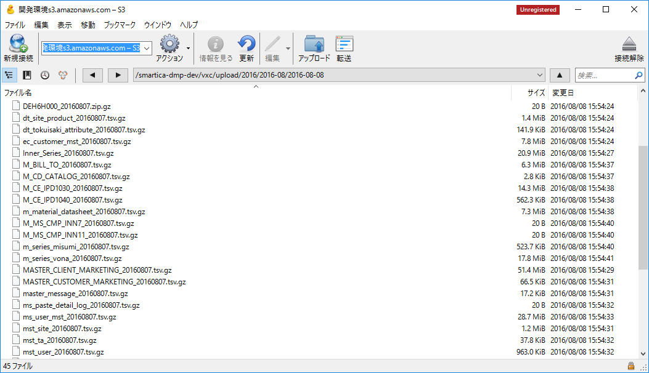

「m_product_stork_l_ ＋ "_" + （YYYYMMDD）.tsv.gz」がS3上に存在しない

 | ↓ジョブ実行
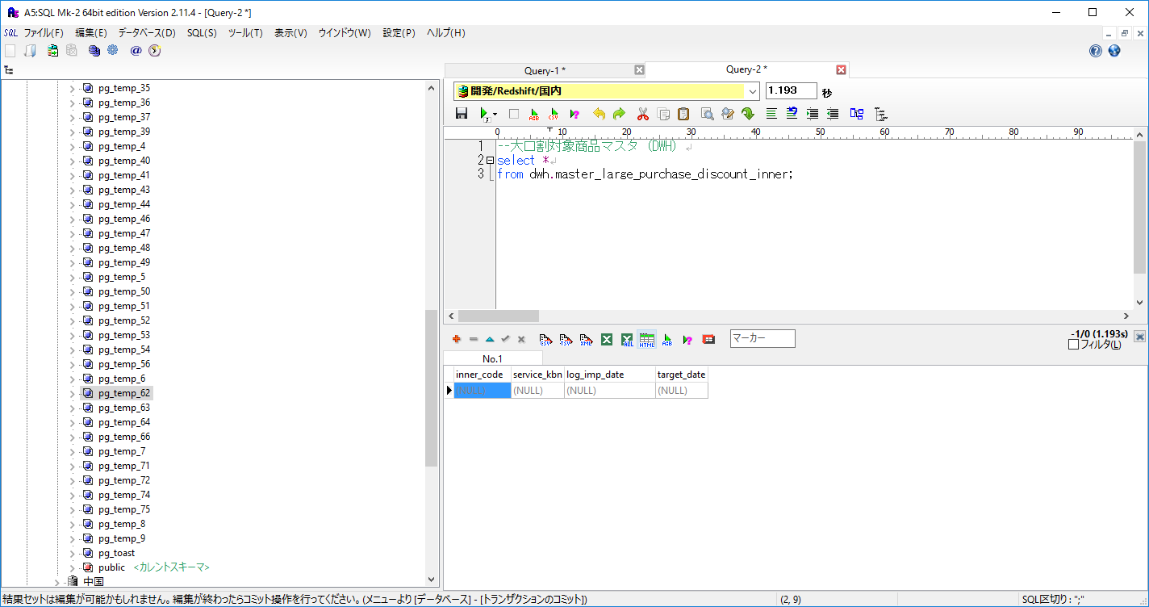

DWHにデータが作成されていないことを確認

実行ログ
（中略）
18:28:46.687 [SimpleAsyncTaskExecutor-16] ! INFO smartica.etl.misumi.dwh.DWHImporter - finish the dwh import process to the master_large_purchase_discount_inner table unsuccessfully.
18:28:46.699 [SimpleAsyncTaskExecutor-16] ! ERROR org.springframework.batch.core.step.AbstractStep - Encountered an error executing the step
org.postgresql.util.PSQLException: ERROR: The specified S3 prefix 'vxc/upload/2016/2016-08/2016-08-08/m_product_stork_l_20160807.tsv.gz' does not exist
詳細l:
-----------------------------------------------
error: The specified S3 prefix 'vxc/upload/2016/2016-08/2016-08-08/m_product_stork_l_20160807.tsv.gz' does not exist
ジョブでエラーが発生するが後続処理が実施されることを確認
...

No.3
No.3
テスト項目
・連携ファイルが空（0バイト）の状態でS3上に配置されていること
・DWHのジョブでエラーが発生しないこと
・大口割サービス対象商品マスタ(DWH)のレコード数が0件となること

S3
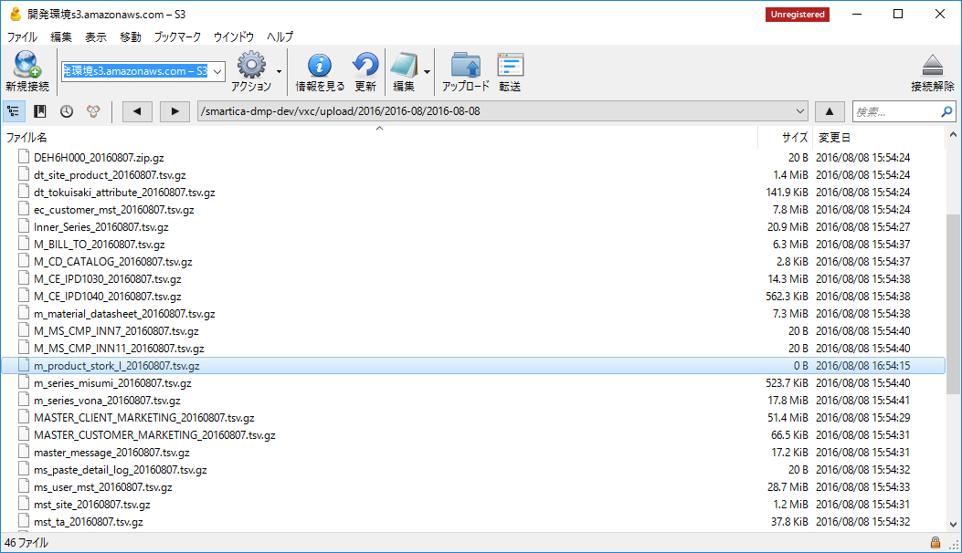

S3上に空（0バイト）の連携ファイルあり

 | ↓ジョブ実行
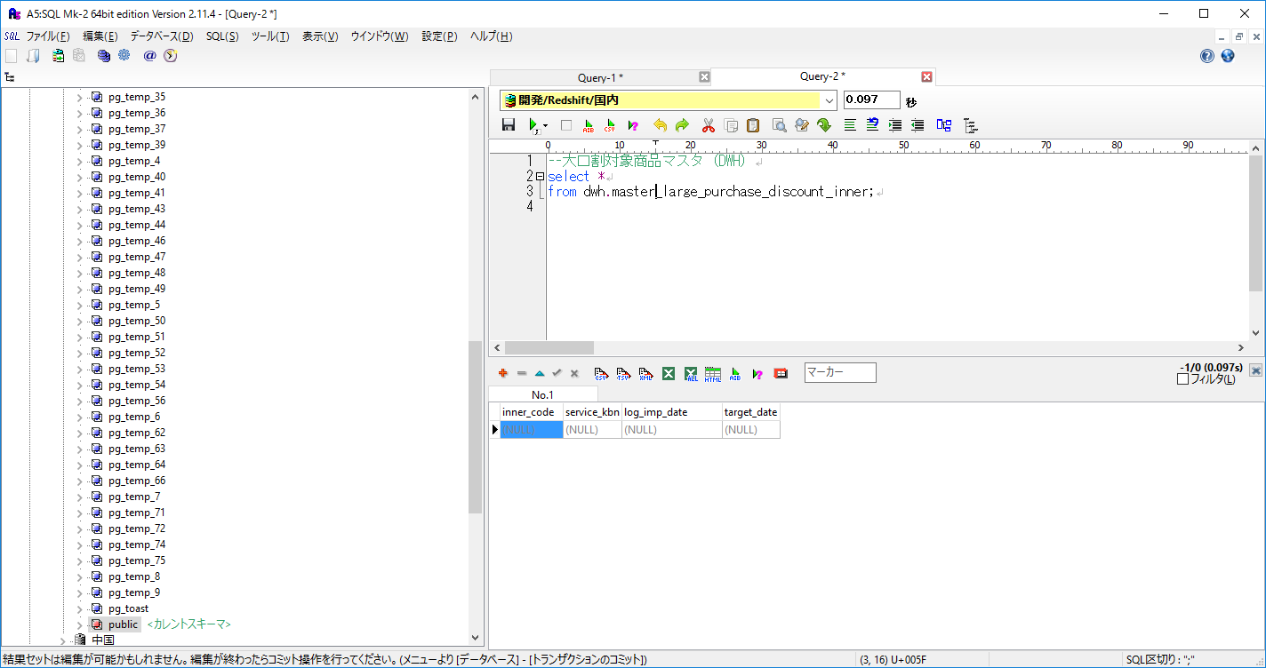

DWHにデータが作成されていないことを確認

実行ログ
→エラーが発生していないことを確認
17:01:38.076 [main] ! INFO o.springframework.context.support.ClassPathXmlApplicationContext - Refreshing org.springframework.context.support.ClassPathXmlApplicationContext@54fb2274: startup date [Mon Aug 08 17:01:38 JST 2016]; root of context hierarchy
17:01:38.107 [main] ! INFO org.springframework.beans.factory.xml.XmlBeanDefinitionReader - Loading XML bean definitions from class path resource [launch-context.xml]
17:01:38.222 [main] ! INFO o.s.beans.factory.support.DefaultListableBeanFactory - Overriding bean definition for bean 'import.etl.misumi.daily.job': replacing [Generic bean: class [org.springframework.batch.core.configuration.xml.SimpleFlowFactoryBean]; scope=; abstract=false; lazyInit=false; autowireMode=0; dependencyCheck=0; autowireCandidate=true; primary=false; factoryBeanName=null; factoryMethodName=null; initMethodName=null; destroyMethodName=null] with [Generic bean: class [org.springframework.batch.core.configuration.xml.JobParserJobFactoryBean]; scope=; abstract=false; lazyInit=false; autowireMode=0; dependencyCheck=0; autowireCandidate=true; primary=false; factoryBeanName=null; factoryMethodName=null; initMethodName=null; destroyMethodName=null]
17:01:38.227 [main] ! INFO o.s.beans.factory.support.DefaultListableBeanFactory - Overriding bean definition for bean 'import.etl.adhoc_segment.hourly.job': replacing [Generic bean: class [org.springframework.batch.core.configuration.xml.SimpleFlowFactoryBean]; scope=; abstract=false; lazyInit=false; autowireMode=0; dependencyCheck=0; autowireCandidate=true; primary=false; factoryBeanName=null; factoryMethodName=null; initMethodName=null; destroyMethodName=null] with [Generic bean: class [org.springframework.batch.core.configuration.xml.JobParserJobFactoryBean]; scope=; abstract=false; lazyInit=false; autowireMode=0; dependencyCheck=0; autowireCandidate=true; primary=false; factoryBeanName=null; factoryMethodName=null; initMethodName=null; destroyMethodName=null]
17:01:38.228 [main] ! INFO org.springframework.beans.factory.xml.XmlBeanDefinitionReader - Loading XML bean definitions from class path resource [META-INF/spring/smartica/etl/misumi/import-dwh-pre-context.xml]
17:01:38.274 [main] ! INFO o.s.beans.factory.support.DefaultListableBeanFactory - Overriding bean definition for bean 'import.dwh.pre.job': replacing [Generic bean: class [org.springframework.batch.core.configuration.xml.SimpleFlowFactoryBean]; scope=; abstract=false; lazyInit=false; autowireMode=0; dependencyCheck=0; autowireCandidate=true; primary=false; factoryBeanName=null; factoryMethodName=null; initMethodName=null; destroyMethodName=null] with [Generic bean: class [org.springframework.batch.core.configuration.xml.JobParserJobFactoryBean]; scope=; abstract=false; lazyInit=false; autowireMode=0; dependencyCheck=0; autowireCandidate=true; primary=false; factoryBeanName=null; factoryMethodName=null; initMethodName=null; destroyMethodName=null]
17:01:38.276 [main] ! INFO org.springframework.beans.factory.xml.XmlBeanDefinitionReader - Loading XML bean definitions from class path resource [META-INF/spring/smartica/etl/misumi/import-dwh-required-context.xml]
17:01:38.345 [main] ! INFO o.s.beans.factory.support.DefaultListableBeanFactory - Overriding bean definition for bean 'import.dwh.required.job': replacing [Generic bean: class [org.springframework.batch.core.configuration.xml.SimpleFlowFactoryBean]; scope=; abstract=false; lazyInit=false; autowireMode=0; dependencyCheck=0; autowireCandidate=true; primary=false; factoryBeanName=null; factoryMethodName=null; initMethodName=null; destroyMethodName=null] with [Generic bean: class [org.springframework.batch.core.configuration.xml.JobParserJobFactoryBean]; scope=; abstract=false; lazyInit=false; autowireMode=0; dependencyCheck=0; autowireCandidate=true; primary=false; factoryBeanName=null; factoryMethodName=null; initMethodName=null; destroyMethodName=null]
...

No.4、5
No.4、5
テスト項目
・ファイル名「ec_so_detail_stork_l_ ＋ "_" + タイムスタンプ（YYYYMMDD）.tsv.gz」がS3上に配置されている状態であること
・DWHのジョブでエラーが発生しないこと
・大口割利用実績（DWH）のデータが洗い替えされること

ジョブ実施前
S3
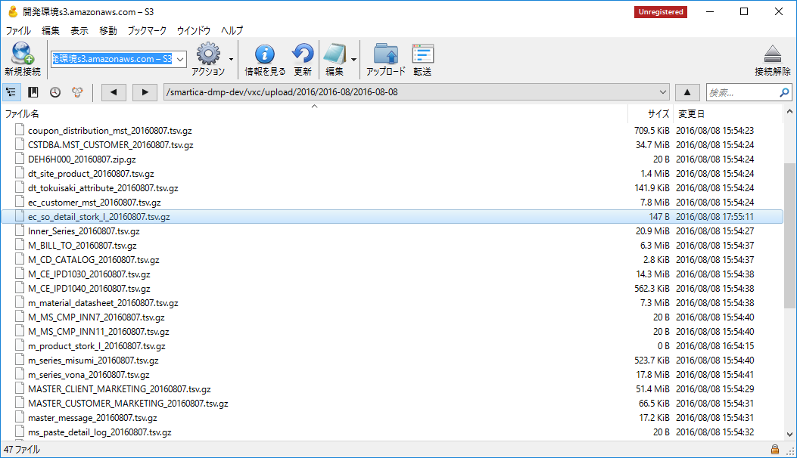

S3上に連携ファイルあり

・大口割利用実績（DWH）に登録されているデータ
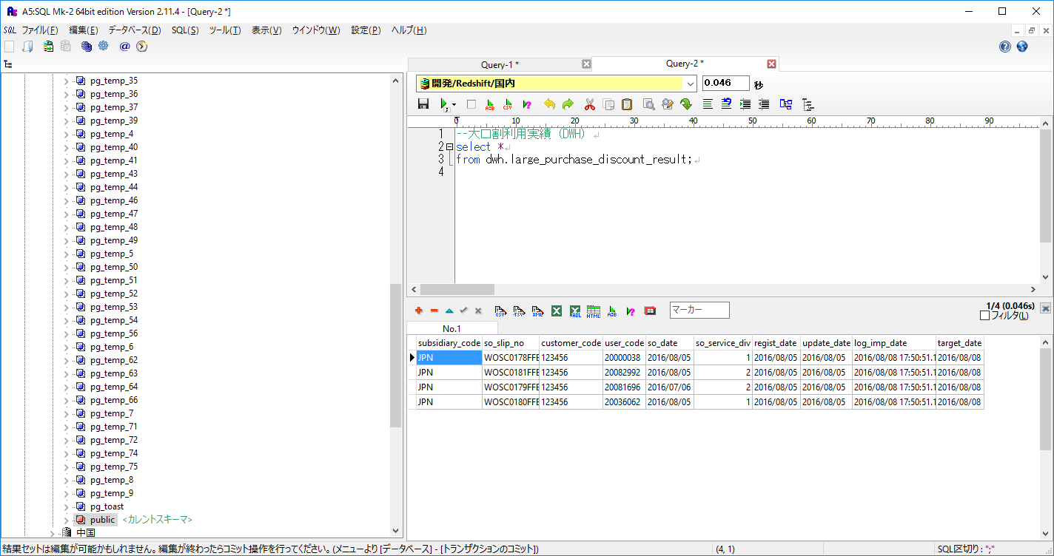

 | ↓ジョブ実行

大口割利用実績（DWH）
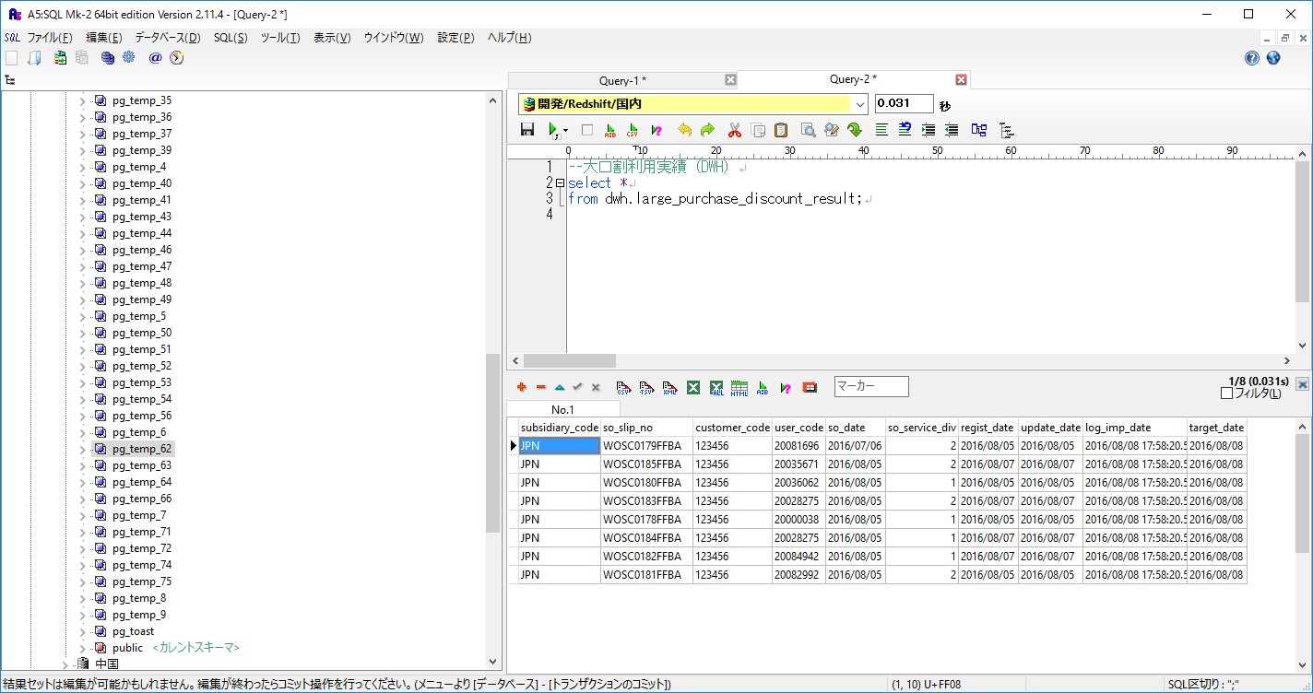

DWHデータが洗い替えされていることを確認
（log_imp_dateが今回実行分のデータのみ）

実行ログ
→エラーが発生していないことを確認
17:58:14.319 [main] ! INFO o.springframework.context.support.ClassPathXmlApplicationContext - Refreshing org.springframework.context.support.ClassPathXmlApplicationContext@60c9e03: startup date [Mon Aug 08 17:58:14 JST 2016]; root of context hierarchy
17:58:14.351 [main] ! INFO org.springframework.beans.factory.xml.XmlBeanDefinitionReader - Loading XML bean definitions from class path resource [launch-context.xml]
17:58:14.465 [main] ! INFO o.s.beans.factory.support.DefaultListableBeanFactory - Overriding bean definition for bean 'import.etl.misumi.daily.job': replacing [Generic bean: class [org.springframework.batch.core.configuration.xml.SimpleFlowFactoryBean]; scope=; abstract=false; lazyInit=false; autowireMode=0; dependencyCheck=0; autowireCandidate=true; primary=false; factoryBeanName=null; factoryMethodName=null; initMethodName=null; destroyMethodName=null] with [Generic bean: class [org.springframework.batch.core.configuration.xml.JobParserJobFactoryBean]; scope=; abstract=false; lazyInit=false; autowireMode=0; dependencyCheck=0; autowireCandidate=true; primary=false; factoryBeanName=null; factoryMethodName=null; initMethodName=null; destroyMethodName=null]
17:58:14.466 [main] ! INFO o.s.beans.factory.support.DefaultListableBeanFactory - Overriding bean definition for bean 'import.etl.adhoc_segment.hourly.job': replacing [Generic bean: class [org.springframework.batch.core.configuration.xml.SimpleFlowFactoryBean]; scope=; abstract=false; lazyInit=false; autowireMode=0; dependencyCheck=0; autowireCandidate=true; primary=false; factoryBeanName=null; factoryMethodName=null; initMethodName=null; destroyMethodName=null] with [Generic bean: class [org.springframework.batch.core.configuration.xml.JobParserJobFactoryBean]; scope=; abstract=false; lazyInit=false; autowireMode=0; dependencyCheck=0; autowireCandidate=true; primary=false; factoryBeanName=null; factoryMethodName=null; initMethodName=null; destroyMethodName=null]
17:58:14.467 [main] ! INFO org.springframework.beans.factory.xml.XmlBeanDefinitionReader - Loading XML bean definitions from class path resource [META-INF/spring/smartica/etl/misumi/import-dwh-pre-context.xml]
17:58:14.511 [main] ! INFO o.s.beans.factory.support.DefaultListableBeanFactory - Overriding bean definition for bean 'import.dwh.pre.job': replacing [Generic bean: class [org.springframework.batch.core.configuration.xml.SimpleFlowFactoryBean]; scope=; abstract=false; lazyInit=false; autowireMode=0; dependencyCheck=0; autowireCandidate=true; primary=false; factoryBeanName=null; factoryMethodName=null; initMethodName=null; destroyMethodName=null] with [Generic bean: class [org.springframework.batch.core.configuration.xml.JobParserJobFactoryBean]; scope=; abstract=false; lazyInit=false; autowireMode=0; dependencyCheck=0; autowireCandidate=true; primary=false; factoryBeanName=null; factoryMethodName=null; initMethodName=null; destroyMethodName=null]
...

No.6
No.6
テスト項目
・連携ファイルが空（0バイト）の状態でS3上に配置されていること
・DWHのジョブでエラーが発生しないこと
・大口割サービス対象商品マスタ(DWH)のレコード数が0件となること

S3
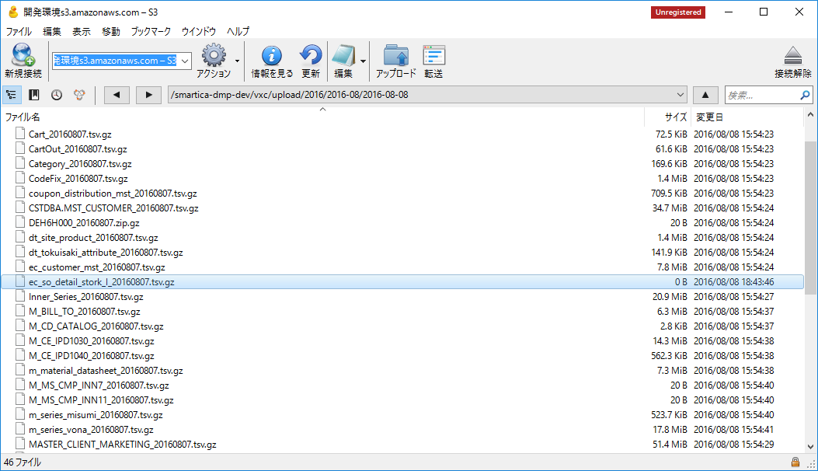

・大口割利用実績（DWH）に登録されているデータ
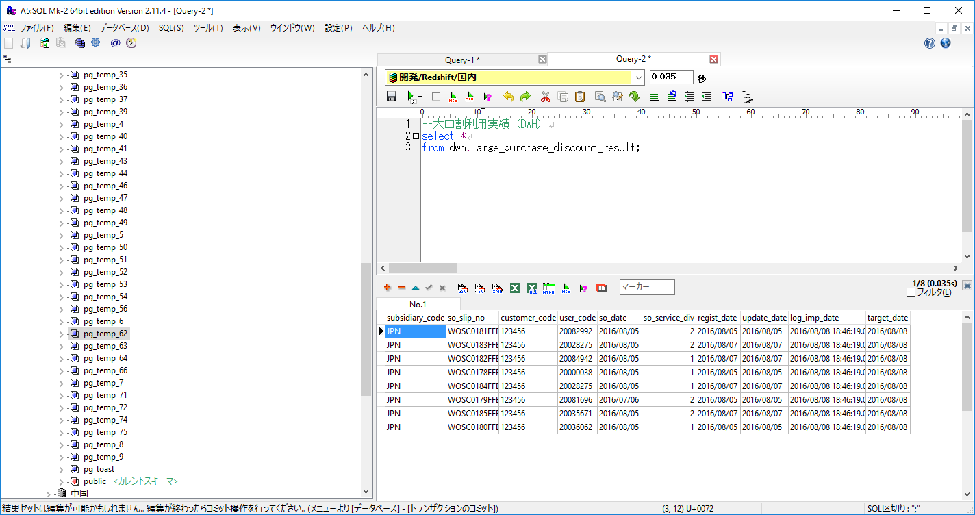

 | ↓ジョブ実行
大口割利用実績（DWH）
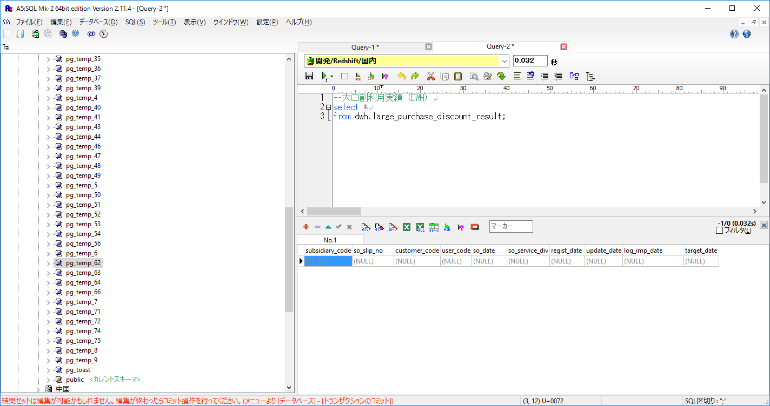

DWHのデータが0件であることを確認

実行ログ
→エラーが発生していないことを確認
18:48:15.642 [main] ! INFO o.springframework.context.support.ClassPathXmlApplicationContext - Refreshing org.springframework.context.support.ClassPathXmlApplicationContext@2659da0f: startup date [Mon Aug 08 18:48:15 JST 2016]; root of context hierarchy
18:48:15.675 [main] ! INFO org.springframework.beans.factory.xml.XmlBeanDefinitionReader - Loading XML bean definitions from class path resource [launch-context.xml]
18:48:15.790 [main] ! INFO o.s.beans.factory.support.DefaultListableBeanFactory - Overriding bean definition for bean 'import.etl.misumi.daily.job': replacing [Generic bean: class [org.springframework.batch.core.configuration.xml.SimpleFlowFactoryBean]; scope=; abstract=false; lazyInit=false; autowireMode=0; dependencyCheck=0; autowireCandidate=true; primary=false; factoryBeanName=null; factoryMethodName=null; initMethodName=null; destroyMethodName=null] with [Generic bean: class [org.springframework.batch.core.configuration.xml.JobParserJobFactoryBean]; scope=; abstract=false; lazyInit=false; autowireMode=0; dependencyCheck=0; autowireCandidate=true; primary=false; factoryBeanName=null; factoryMethodName=null; initMethodName=null; destroyMethodName=null]
18:48:15.792 [main] ! INFO o.s.beans.factory.support.DefaultListableBeanFactory - Overriding bean definition for bean 'import.etl.adhoc_segment.hourly.job': replacing [Generic bean: class [org.springframework.batch.core.configuration.xml.SimpleFlowFactoryBean]; scope=; abstract=false; lazyInit=false; autowireMode=0; dependencyCheck=0; autowireCandidate=true; primary=false; factoryBeanName=null; factoryMethodName=null; initMethodName=null; destroyMethodName=null] with [Generic bean: class [org.springframework.batch.core.configuration.xml.JobParserJobFactoryBean]; scope=; abstract=false; lazyInit=false; autowireMode=0; dependencyCheck=0; autowireCandidate=true; primary=false; factoryBeanName=null; factoryMethodName=null; initMethodName=null; destroyMethodName=null]
18:48:15.792 [main] ! INFO org.springframework.beans.factory.xml.XmlBeanDefinitionReader - Loading XML bean definitions from class path resource [META-INF/spring/smartica/etl/misumi/import-dwh-pre-context.xml]
18:48:15.838 [main] ! INFO o.s.beans.factory.support.DefaultListableBeanFactory - Overriding bean definition for bean 'import.dwh.pre.job': replacing [Generic bean: class [org.springframework.batch.core.configuration.xml.SimpleFlowFactoryBean]; scope=; abstract=false; lazyInit=false; autowireMode=0; dependencyCheck=0; autowireCandidate=true; primary=false; factoryBeanName=null; factoryMethodName=null; initMethodName=null; destroyMethodName=null] with [Generic bean: class [org.springframework.batch.core.configuration.xml.JobParserJobFactoryBean]; scope=; abstract=false; lazyInit=false; autowireMode=0; dependencyCheck=0; autowireCandidate=true; primary=false; factoryBeanName=null; factoryMethodName=null; initMethodName=null; destroyMethodName=null]
...

No.7
No.7
テスト項目
・連携ファイルがS3上に配置されていない状態
・DWHのジョブでエラーが発生するが、後続処理が継続実行されること
・大口割利用実績（DWH）のレコード数が0件となること

ジョブ実施前
S3
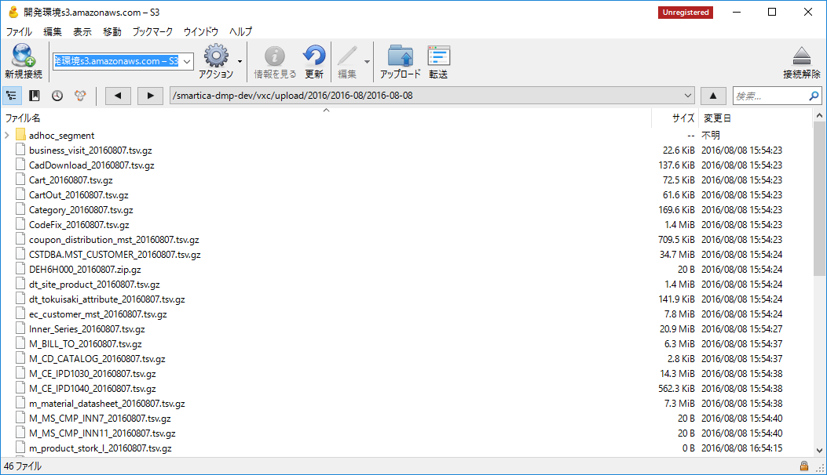

S3上に「ec_so_detail_stork_l_ ＋ "_" + （YYYYMMDD）.tsv.gz」ファイルなし

・大口割利用実績（DWH）に登録されているデータ
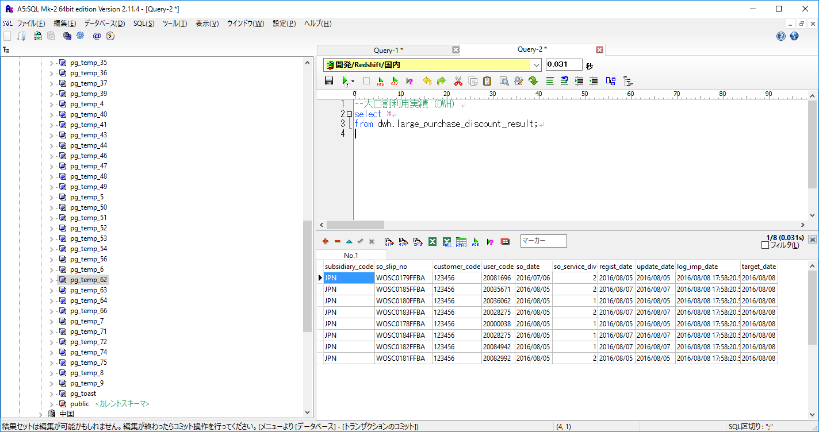

 | ↓ジョブ実行
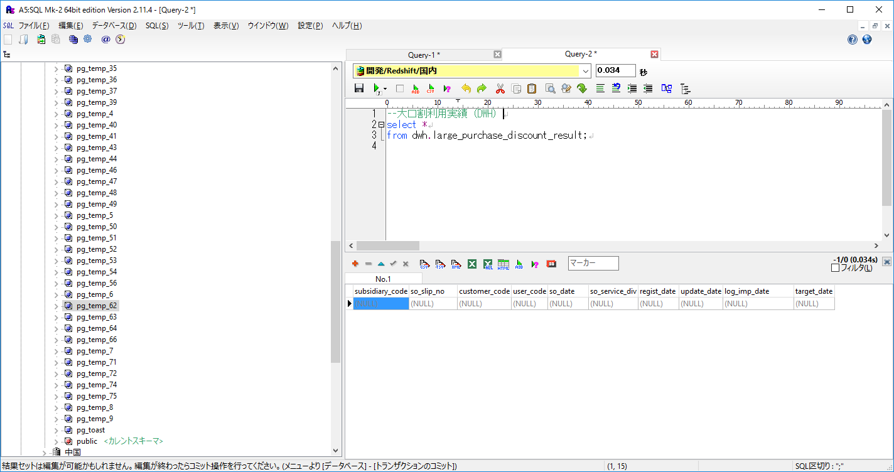

DWHにデータが作成されていないことを確認

実行ログ
（中略）
18:28:50.397 [SimpleAsyncTaskExecutor-1] ! INFO smartica.etl.misumi.dwh.DWHImporter - finish the dwh import process to the master_ms_user table successfully.
18:28:52.260 [SimpleAsyncTaskExecutor-17] ! INFO smartica.etl.misumi.dwh.DWHImporter - finish the dwh import process to the large_purchase_discount_result table unsuccessfully.
18:28:52.266 [SimpleAsyncTaskExecutor-17] ! ERROR org.springframework.batch.core.step.AbstractStep - Encountered an error executing the step
org.postgresql.util.PSQLException: ERROR: The specified S3 prefix 'vxc/upload/2016/2016-08/2016-08-08/ec_so_detail_stork_l_20160807.tsv.gz' does not exist
詳細l:
-----------------------------------------------
ジョブでエラーが発生するが後続処理が実施されることを確認
error: The specified S3 prefix 'vxc/upload/2016/2016-08/2016-08-08/ec_so_detail_stork_l_20160807.tsv.gz' does not exist
code: 8001
...

No.8
No.8
テスト項目
・連携ファイル内に異常データが含まれている場合、DWHのジョブでエラーが発生しないこと
・異常データが取り込まれないこと

以下の異常データを含むファイルを取り込む（一番上のみ正常データ）
各項目それぞれNULLを含む
JPN WOSC0181FFBA 123456 20082992 2016-08-05 2 2016-08-05 2016-08-05
WOSC0186FFBA 123456 20083836 2016-08-05 2 2016-08-07 2016-08-07
JPN 123456 20084691 2016-08-05 2 2016-08-07 2016-08-07
JPN WOSC0188FFBA 20000853 2016-08-05 2 2016-08-07 2016-08-07
JPN WOSC0189FFBA 123456 2016-08-05 2 2016-08-07 2016-08-07
JPN WOSC0190FFBA 123456 20050250 2 2016-08-07 2016-08-07
JPN WOSC0191FFBA 123456 20069291 2016-08-05 2016-08-07 2016-08-07
JPN WOSC0192FFBA 123456 20079180 2016-08-05 2 2016-08-07
JPN WOSC0193FFBA 123456 20048756 2016-08-05 2 2016-08-07

 | ↓ジョブ実行

大口割利用実績（DWH）
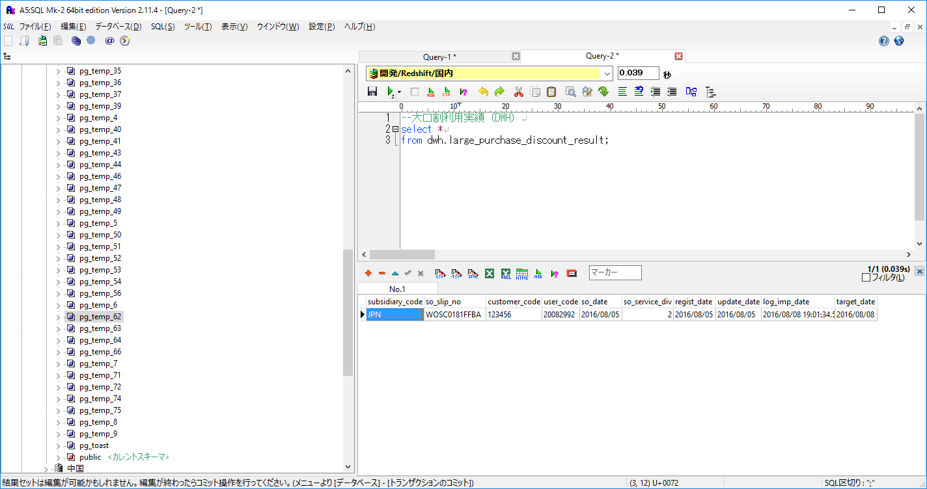

異常データが取り込まれていないことを確認
受注伝票番号：WOSC0181FFBAのみ正常データ

実行ログ
→エラーが発生していないことを確認
19:01:28.474 [main] ! INFO o.springframework.context.support.ClassPathXmlApplicationContext - Refreshing org.springframework.context.support.ClassPathXmlApplicationContext@60c9e03: startup date [Mon Aug 08 19:01:28 JST 2016]; root of context hierarchy
19:01:28.506 [main] ! INFO org.springframework.beans.factory.xml.XmlBeanDefinitionReader - Loading XML bean definitions from class path resource [launch-context.xml]
19:01:28.620 [main] ! INFO o.s.beans.factory.support.DefaultListableBeanFactory - Overriding bean definition for bean 'import.etl.misumi.daily.job': replacing [Generic bean: class [org.springframework.batch.core.configuration.xml.SimpleFlowFactoryBean]; scope=; abstract=false; lazyInit=false; autowireMode=0; dependencyCheck=0; autowireCandidate=true; primary=false; factoryBeanName=null; factoryMethodName=null; initMethodName=null; destroyMethodName=null] with [Generic bean: class [org.springframework.batch.core.configuration.xml.JobParserJobFactoryBean]; scope=; abstract=false; lazyInit=false; autowireMode=0; dependencyCheck=0; autowireCandidate=true; primary=false; factoryBeanName=null; factoryMethodName=null; initMethodName=null; destroyMethodName=null]
19:01:28.622 [main] ! INFO o.s.beans.factory.support.DefaultListableBeanFactory - Overriding bean definition for bean 'import.etl.adhoc_segment.hourly.job': replacing [Generic bean: class [org.springframework.batch.core.configuration.xml.SimpleFlowFactoryBean]; scope=; abstract=false; lazyInit=false; autowireMode=0; dependencyCheck=0; autowireCandidate=true; primary=false; factoryBeanName=null; factoryMethodName=null; initMethodName=null; destroyMethodName=null] with [Generic bean: class [org.springframework.batch.core.configuration.xml.JobParserJobFactoryBean]; scope=; abstract=false; lazyInit=false; autowireMode=0; dependencyCheck=0; autowireCandidate=true; primary=false; factoryBeanName=null; factoryMethodName=null; initMethodName=null; destroyMethodName=null]
19:01:28.622 [main] ! INFO org.springframework.beans.factory.xml.XmlBeanDefinitionReader - Loading XML bean definitions from class path resource [META-INF/spring/smartica/etl/misumi/import-dwh-pre-context.xml]
19:01:28.669 [main] ! INFO o.s.beans.factory.support.DefaultListableBeanFactory - Overriding bean definition for bean 'import.dwh.pre.job': replacing [Generic bean: class [org.springframework.batch.core.configuration.xml.SimpleFlowFactoryBean]; scope=; abstract=false; lazyInit=false; autowireMode=0; dependencyCheck=0; autowireCandidate=true; primary=false; factoryBeanName=null; factoryMethodName=null; initMethodName=null; destroyMethodName=null] with [Generic bean: class [org.springframework.batch.core.configuration.xml.JobParserJobFactoryBean]; scope=; abstract=false; lazyInit=false; autowireMode=0; dependencyCheck=0; autowireCandidate=true; primary=false; factoryBeanName=null; factoryMethodName=null; initMethodName=null; destroyMethodName=null]
...

No.9
No.9
テスト項目
・最大項目長のデータが含まれる場合、DWHのジョブでエラーが発生しないこと
・大口割利用実績（DWH）にデータが登録されること（最大値を超えた分は切り捨て）

以下の最大桁長を含む以下のデータを取り込む（一番上のデータのみ正常）
JPN WOSC0181FFBA 123456 20082992 2016-08-05 2 2016-08-05 2016-08-05
1234567890123 WOSC0194FFBA12 1234560 200842090 2016-08-05 2 2016-08-07 2016-08-07

 | ↓ジョブ実行

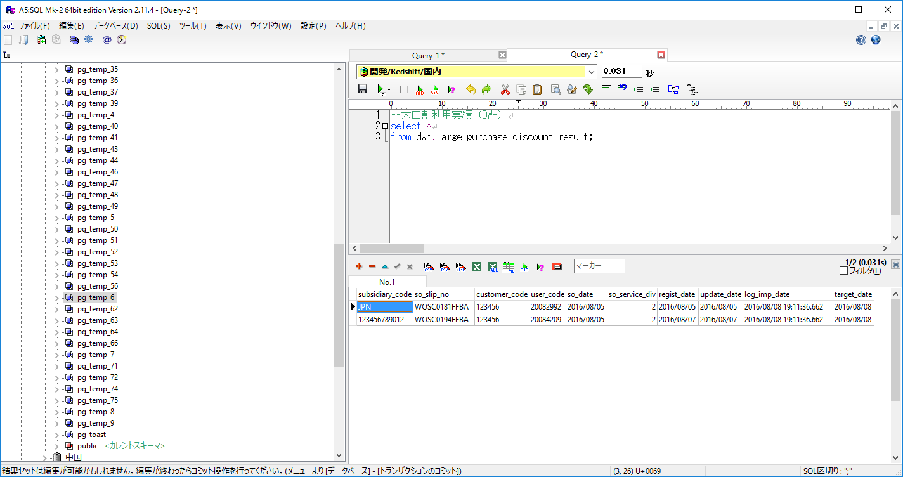

大口割利用実績（DWH）にデータが登録されること（最大値を超えた分は切り捨て）を確認

実行ログ
→エラーが発生していないことを確認
19:11:30.259 [main] ! INFO o.springframework.context.support.ClassPathXmlApplicationContext - Refreshing org.springframework.context.support.ClassPathXmlApplicationContext@6395e579: startup date [Mon Aug 08 19:11:30 JST 2016]; root of context hierarchy
19:11:30.290 [main] ! INFO org.springframework.beans.factory.xml.XmlBeanDefinitionReader - Loading XML bean definitions from class path resource [launch-context.xml]
19:11:30.405 [main] ! INFO o.s.beans.factory.support.DefaultListableBeanFactory - Overriding bean definition for bean 'import.etl.misumi.daily.job': replacing [Generic bean: class [org.springframework.batch.core.configuration.xml.SimpleFlowFactoryBean]; scope=; abstract=false; lazyInit=false; autowireMode=0; dependencyCheck=0; autowireCandidate=true; primary=false; factoryBeanName=null; factoryMethodName=null; initMethodName=null; destroyMethodName=null] with [Generic bean: class [org.springframework.batch.core.configuration.xml.JobParserJobFactoryBean]; scope=; abstract=false; lazyInit=false; autowireMode=0; dependencyCheck=0; autowireCandidate=true; primary=false; factoryBeanName=null; factoryMethodName=null; initMethodName=null; destroyMethodName=null]
19:11:30.407 [main] ! INFO o.s.beans.factory.support.DefaultListableBeanFactory - Overriding bean definition for bean 'import.etl.adhoc_segment.hourly.job': replacing [Generic bean: class [org.springframework.batch.core.configuration.xml.SimpleFlowFactoryBean]; scope=; abstract=false; lazyInit=false; autowireMode=0; dependencyCheck=0; autowireCandidate=true; primary=false; factoryBeanName=null; factoryMethodName=null; initMethodName=null; destroyMethodName=null] with [Generic bean: class [org.springframework.batch.core.configuration.xml.JobParserJobFactoryBean]; scope=; abstract=false; lazyInit=false; autowireMode=0; dependencyCheck=0; autowireCandidate=true; primary=false; factoryBeanName=null; factoryMethodName=null; initMethodName=null; destroyMethodName=null]
19:11:30.407 [main] ! INFO org.springframework.beans.factory.xml.XmlBeanDefinitionReader - Loading XML bean definitions from class path resource [META-INF/spring/smartica/etl/misumi/import-dwh-pre-context.xml]
19:11:30.452 [main] ! INFO o.s.beans.factory.support.DefaultListableBeanFactory - Overriding bean definition for bean 'import.dwh.pre.job': replacing [Generic bean: class [org.springframework.batch.core.configuration.xml.SimpleFlowFactoryBean]; scope=; abstract=false; lazyInit=false; autowireMode=0; dependencyCheck=0; autowireCandidate=true; primary=false; factoryBeanName=null; factoryMethodName=null; initMethodName=null; destroyMethodName=null] with [Generic bean: class [org.springframework.batch.core.configuration.xml.JobParserJobFactoryBean]; scope=; abstract=false; lazyInit=false; autowireMode=0; dependencyCheck=0; autowireCandidate=true; primary=false; factoryBeanName=null; factoryMethodName=null; initMethodName=null; destroyMethodName=null]
...

No.9-1
No.9-1（2016/8/17追加）
テスト項目
・前々日の連携ファイルが取り込めることを確認する
・連携ファイルデータの登録日時、更新日時がTIMESTAMP型で取り込めることを確認する

登録日時、更新日時がTIMESTAMP型
バッチ実行日：2016/8/17

連携ファイルデータ
MJP WP4709484900 741712 3738569 2016-08-15 2 2016-08-13 20:31:33 2016-08-15 08:16:06
MJP WP4709484900 741712 3738569 2016-08-15 2 2016-08-13 20:31:33 2016-08-15 08:16:06
MJP WP4709484900 741712 3738569 2016-08-15 2 2016-08-13 20:31:33 2016-08-15 08:16:06
MJP WP4709484900 741712 3738569 2016-08-15 2 2016-08-13 20:31:33 2016-08-15 08:16:06

S3
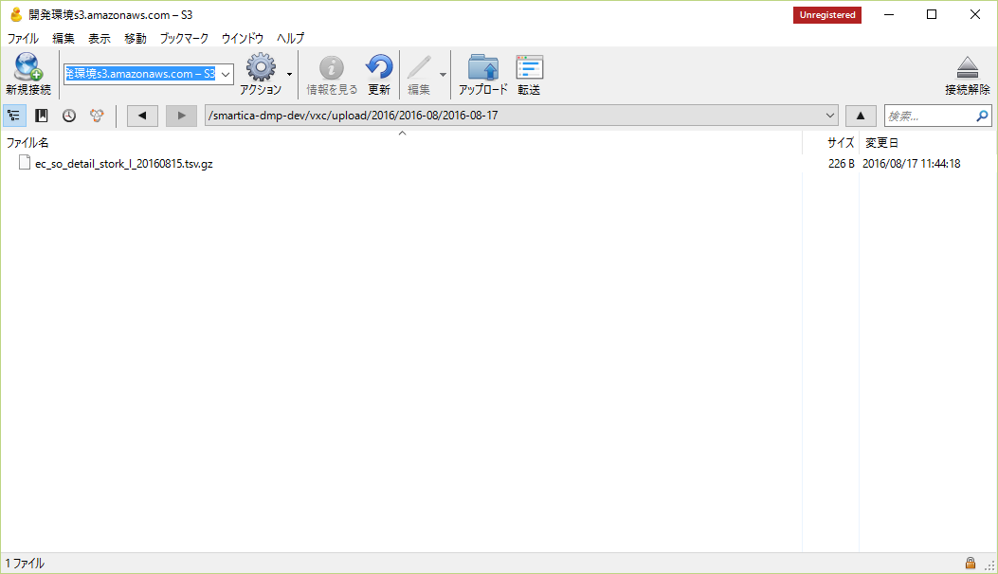

2016-08--17のフォルダ内に前々日（20160815）の連携ファイルあり

 | ↓ジョブ実行

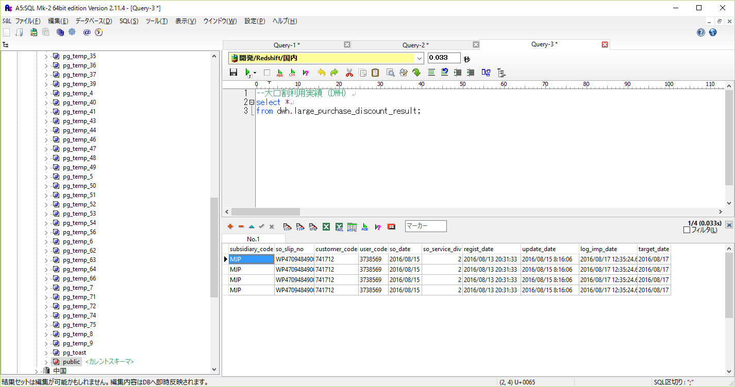

データが登録されていることを確認

実行ログ
→エラーが発生していないことを確認
12:35:18.318 [main] ! INFO o.springframework.context.support.ClassPathXmlApplicationContext - Refreshing org.springframework.context.support.ClassPathXmlApplicationContext@6395e579: startup date [Wed Aug 17 12:35:18 JST 2016]; root of context hierarchy
12:35:18.351 [main] ! INFO org.springframework.beans.factory.xml.XmlBeanDefinitionReader - Loading XML bean definitions from class path resource [launch-context.xml]
12:35:18.472 [main] ! INFO o.s.beans.factory.support.DefaultListableBeanFactory - Overriding bean definition for bean 'import.etl.misumi.daily.job': replacing [Generic bean: class [org.springframework.batch.core.configuration.xml.SimpleFlowFactoryBean]; scope=; abstract=false; lazyInit=false; autowireMode=0; dependencyCheck=0; autowireCandidate=true; primary=false; factoryBeanName=null; factoryMethodName=null; initMethodName=null; destroyMethodName=null] with [Generic bean: class [org.springframework.batch.core.configuration.xml.JobParserJobFactoryBean]; scope=; abstract=false; lazyInit=false; autowireMode=0; dependencyCheck=0; autowireCandidate=true; primary=false; factoryBeanName=null; factoryMethodName=null; initMethodName=null; destroyMethodName=null]
12:35:18.474 [main] ! INFO o.s.beans.factory.support.DefaultListableBeanFactory - Overriding bean definition for bean 'import.etl.adhoc_segment.hourly.job': replacing [Generic bean: class [org.springframework.batch.core.configuration.xml.SimpleFlowFactoryBean]; scope=; abstract=false; lazyInit=false; autowireMode=0; dependencyCheck=0; autowireCandidate=true; primary=false; factoryBeanName=null; factoryMethodName=null; initMethodName=null; destroyMethodName=null] with [Generic bean: class [org.springframework.batch.core.configuration.xml.JobParserJobFactoryBean]; scope=; abstract=false; lazyInit=false; autowireMode=0; dependencyCheck=0; autowireCandidate=true; primary=false; factoryBeanName=null; factoryMethodName=null; initMethodName=null; destroyMethodName=null]
12:35:18.474 [main] ! INFO org.springframework.beans.factory.xml.XmlBeanDefinitionReader - Loading XML bean definitions from class path resource [META-INF/spring/smartica/etl/misumi/import-dwh-pre-context.xml]
12:35:18.520 [main] ! INFO o.s.beans.factory.support.DefaultListableBeanFactory - Overriding bean definition for bean 'import.dwh.pre.job': replacing [Generic bean: class [org.springframework.batch.core.configuration.xml.SimpleFlowFactoryBean]; scope=; abstract=false; lazyInit=false; autowireMode=0; dependencyCheck=0; autowireCandidate=true; primary=false; factoryBeanName=null; factoryMethodName=null; initMethodName=null; destroyMethodName=null] with [Generic bean: class [org.springframework.batch.core.configuration.xml.JobParserJobFactoryBean]; scope=; abstract=false; lazyInit=false; autowireMode=0; dependencyCheck=0; autowireCandidate=true; primary=false; factoryBeanName=null; factoryMethodName=null; initMethodName=null; destroyMethodName=null]
...

No.10
...
顧客マスタ（DM）
 | 607149 | 20000038 | 16 | 2 | 2002-04-12 | 2002-04-12 | 1 | 2014-01-26 | 2016-02-15 | 2016-02-15 | ​(NULL)​ | 0

 |  |  |  |  | ↓ジョブ実行

長納期大口割対象商品購入ログ（DM）
 | id | master_customer_id | so_slip_no | so_service_div | cpm_create_date | target_date
 | 141 | 607149 | WOSC0178FFBA | 1 | 2016-08-09 | 2016-08-09

データが登録されていることを確認

項番2
不正データ
大口割利用実績(DWH).担当者コード≠顧客マスタ(DM).顧客コード（ミスミ様サイト内）で
購入サービス区分が1

大口割利用実績（DWH）
 | subsidiary_code | so_slip_no | customer_code | user_code | so_date | so_service_div | regist_date | update_date | log_imp_date | target_date
 | JPN | WOSC0196FFBA | 123456 | 12345679 | 2016-08-05 | 1 | 2016-08-07 | 2016-08-07 | 2016-08-09 | 2016-08-09

顧客マスタ（DM）
 | →データなし

 |  |  |  |  | ↓ジョブ実行

長納期大口割対象商品購入ログ（DM）
 | id | master_customer_id | so_slip_no | so_service_div | cpm_create_date | target_date

データが作成されていないことを確認
（受注伝票番号で絞った結果）

項番3
正常データ
大口割利用実績(DWH).担当者コード = 顧客マスタ(DM).顧客コード（ミスミ様サイト内）で
購入サービス区分が2

大口割利用実績（DWH）
 | subsidiary_code | so_slip_no | customer_code | user_code | so_date | so_service_div | regist_date | update_date | log_imp_date | target_date
 | JPN | WOSC0179FFBA | 123456 | 20081696 | 2016-07-06 | 2 | 2016-08-05 | 2016-08-05 | 2016-08-09 | 2016-08-09
...
顧客マスタ（DM）
 | 607458 | 20081696 | 13 | 2 | 2006-03-10 | 2006-03-10 | 1 | 2014-01-26 | 2016-02-25 | 2016-02-25 | ​(NULL)​ | 0

 |  |  |  |  | ↓ジョブ実行

長納期大口割対象商品購入ログ（DM）
 | id | master_customer_id | so_slip_no | so_service_div | cpm_create_date | target_date
 | 147 | 607458 | WOSC0179FFBA | 2 | 2016-08-09 | 2016-08-09

データが作成されていることを確認

項番4
不正データ
大口割利用実績(DWH).担当者コード = 顧客マスタ(DM).顧客コード（ミスミ様サイト内）で
購入サービス区分が3

大口割利用実績（DWH）
 | subsidiary_code | so_slip_no | customer_code | user_code | so_date | so_service_div | regist_date | update_date | log_imp_date | target_date
...
 |  |  |  |  | ↓ジョブ実行

長納期大口割対象商品購入ログ（DM）
 | id | master_customer_id | so_slip_no | so_service_div | cpm_create_date | target_date

データが作成されていないことを確認
（受注伝票番号で絞った結果）

実行ログ
→エラーが発生していないことを確認
11:35:52.774 [main] ! INFO o.springframework.context.support.ClassPathXmlApplicationContext - Refreshing org.springframework.context.support.ClassPathXmlApplicationContext@54fb2274: startup date [Tue Aug 09 11:35:52 JST 2016]; root of context hierarchy
11:35:52.807 [main] ! INFO org.springframework.beans.factory.xml.XmlBeanDefinitionReader - Loading XML bean definitions from class path resource [launch-context.xml]
11:35:52.921 [main] ! INFO o.s.beans.factory.support.DefaultListableBeanFactory - Overriding bean definition for bean 'import.etl.misumi.daily.job': replacing [Generic bean: class [org.springframework.batch.core.configuration.xml.SimpleFlowFactoryBean]; scope=; abstract=false; lazyInit=false; autowireMode=0; dependencyCheck=0; autowireCandidate=true; primary=false; factoryBeanName=null; factoryMethodName=null; initMethodName=null; destroyMethodName=null] with [Generic bean: class [org.springframework.batch.core.configuration.xml.JobParserJobFactoryBean]; scope=; abstract=false; lazyInit=false; autowireMode=0; dependencyCheck=0; autowireCandidate=true; primary=false; factoryBeanName=null; factoryMethodName=null; initMethodName=null; destroyMethodName=null]
11:35:52.923 [main] ! INFO o.s.beans.factory.support.DefaultListableBeanFactory - Overriding bean definition for bean 'import.etl.adhoc_segment.hourly.job': replacing [Generic bean: class [org.springframework.batch.core.configuration.xml.SimpleFlowFactoryBean]; scope=; abstract=false; lazyInit=false; autowireMode=0; dependencyCheck=0; autowireCandidate=true; primary=false; factoryBeanName=null; factoryMethodName=null; initMethodName=null; destroyMethodName=null] with [Generic bean: class [org.springframework.batch.core.configuration.xml.JobParserJobFactoryBean]; scope=; abstract=false; lazyInit=false; autowireMode=0; dependencyCheck=0; autowireCandidate=true; primary=false; factoryBeanName=null; factoryMethodName=null; initMethodName=null; destroyMethodName=null]
11:35:52.923 [main] ! INFO org.springframework.beans.factory.xml.XmlBeanDefinitionReader - Loading XML bean definitions from class path resource [META-INF/spring/smartica/etl/misumi/import-dwh-pre-context.xml]
...

No.11
...
顧客マスタ（DM）
 | id | original_id | biz_type | member_type | ec_add_date | wos_add_date | is_active | cpm_create_date | cpm_update_date | target_date | biz_type_28
 | 607149 | 20000038 | 16 | 2 | 2002-04-12 | 2002-04-12 | 1 | 2014-01-26 | 2016-02-15 | 2016-02-15 | ​(NULL)​

長納期大口割対象商品購入ログ(DM)
 | id | master_customer_id | so_slip_no | so_service_div | cpm_create_date | target_date
 | 141 | 607149 | WOSC0178FFBA | 1 | 2016-08-09 | 2016-08-09

データが登録されていること
col10にTRUE（1）が登録されていることを確認
sub_customer_boolean_0001
 | master_customer_id | col10
 | 607149 | 1

項番2
顧客マスタ（DM）.システムID ＝ 長納期大口割対象商品購入ログ(DM).顧客システムID
長納期大口割対象商品購入ログ(DM)に同顧客システムIDが複数データあり

顧客マスタ（DM）
 | id | original_id | biz_type | member_type | ec_add_date | wos_add_date | is_active | cpm_create_date | cpm_update_date | target_date | biz_type_28
 | 611289 | 20048756 | 4 | 2 | 2004-10-14 | 2004-10-14 | 1 | 2014-01-26 | 2015-08-05 | 2015-07-28 | ​(NULL)​

長納期大口割対象商品購入ログ(DM)
→ログデータが複数あり
 | id | master_customer_id | so_slip_no | so_service_div | cpm_create_date | target_date
 | 195 | 611289 | WOSC0200FFBA | 2 | 2016-08-09 | 2016-08-09
 | 189 | 611289 | WOSC0200FFBA | 1 | 2016-08-09 | 2016-08-09
 | 201 | 611289 | WOSC0199FFBA | 1 | 2016-08-09 | 2016-08-09

データが登録されていること（複数件登録されていない）
col10にTRUE（1）が登録されていることを確認
sub_customer_boolean_0001
 | master_customer_id | col10
 | 611289 | 1

項番3
顧客マスタ（DM）にデータはあるが、長納期大口割対象商品購入ログ(DM)にデータはない

顧客マスタ（DM）
 | id | original_id | biz_type | member_type | ec_add_date | wos_add_date | is_active | cpm_create_date | cpm_update_date | target_date | biz_type_28 | groove_plate_flag
 | 623866 | 20037047 | 11 | 2 | 2004-01-13 | 2004-01-13 | 1 | 2014-01-26 | 2015-08-06 | 2015-07-31 | ​(NULL)​ | 0

長納期大口割対象商品購入ログ(DM)
 | →データなし

データが登録されていること
col10にFALSE（0）が登録されていることを確認
sub_customer_boolean_0001
 | master_customer_id | col10
 | 623866 | 0

項番4
顧客マスタ（DM）にデータはないが、長納期大口割対象商品購入ログ(DM)にデータがある

顧客マスタ（DM）
 | →データなし

長納期大口割対象商品購入ログ(DM)
 | id | master_customer_id | so_slip_no | so_service_div | cpm_create_date | target_date
 | 1 | 9996234 | WOSC0195FFBA | 1 | 2016-08-09 | 2016-08-09

sub_customer_boolean_0001
 | master_customer_id | col10
データが登録されていないことを確認

実行ログ
→エラーが発生していないことを確認
12:05:50.788 [main] ! INFO o.springframework.context.support.ClassPathXmlApplicationContext - Refreshing org.springframework.context.support.ClassPathXmlApplicationContext@76650cb3: startup date [Tue Aug 09 12:05:50 JST 2016]; root of context hierarchy
12:05:50.832 [main] ! INFO org.springframework.beans.factory.xml.XmlBeanDefinitionReader - Loading XML bean definitions from class path resource [launch-context.xml]
12:05:50.919 [main] ! INFO org.springframework.beans.factory.xml.XmlBeanDefinitionReader - Loading XML bean definitions from class path resource [env.xml]
12:05:50.971 [main] ! INFO o.s.beans.factory.support.DefaultListableBeanFactory - Overriding bean definition for bean 'core': replacing [Generic bean: class [org.springframework.batch.core.configuration.xml.SimpleFlowFactoryBean]; scope=; abstract=false; lazyInit=false; autowireMode=0; dependencyCheck=0; autowireCandidate=true; primary=false; factoryBeanName=null; factoryMethodName=null; initMethodName=null; destroyMethodName=null] with [Generic bean: class [org.springframework.batch.core.configuration.xml.JobParserJobFactoryBean]; scope=; abstract=false; lazyInit=false; autowireMode=0; dependencyCheck=0; autowireCandidate=true; primary=false; factoryBeanName=null; factoryMethodName=null; initMethodName=null; destroyMethodName=null]
...

No.12
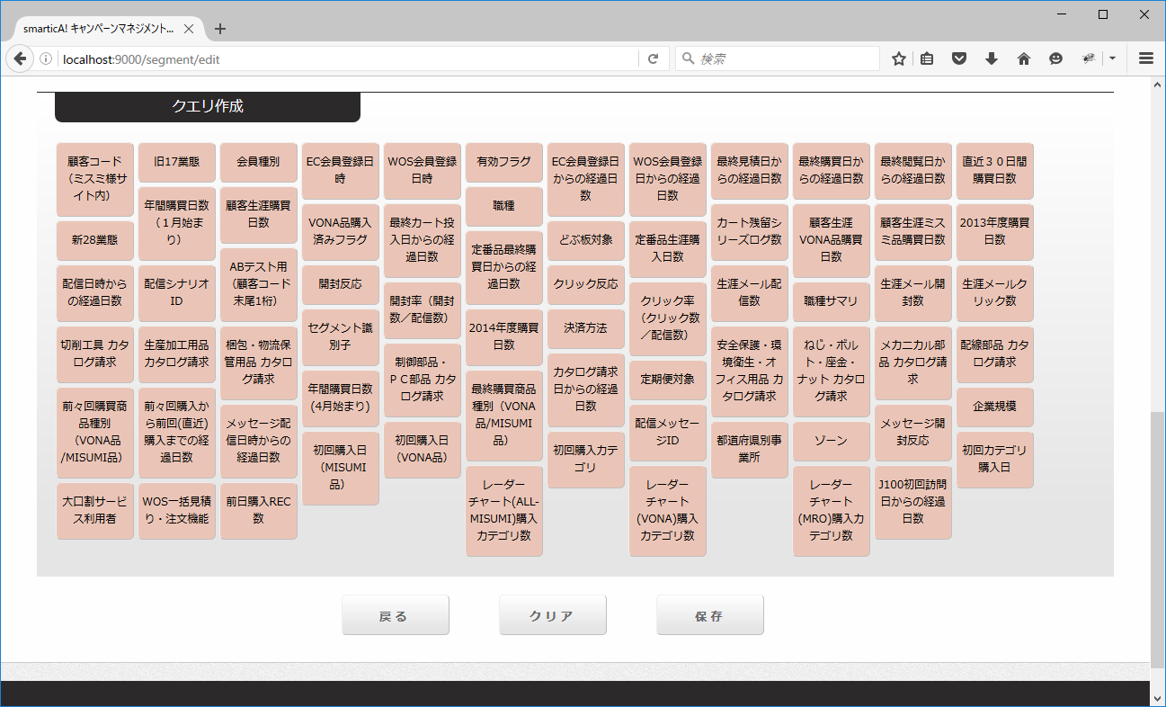
No.12
テスト項目
セグメントクエリ名が正しく表示されること。
セグメント名：大口割サービス利用者

No.13
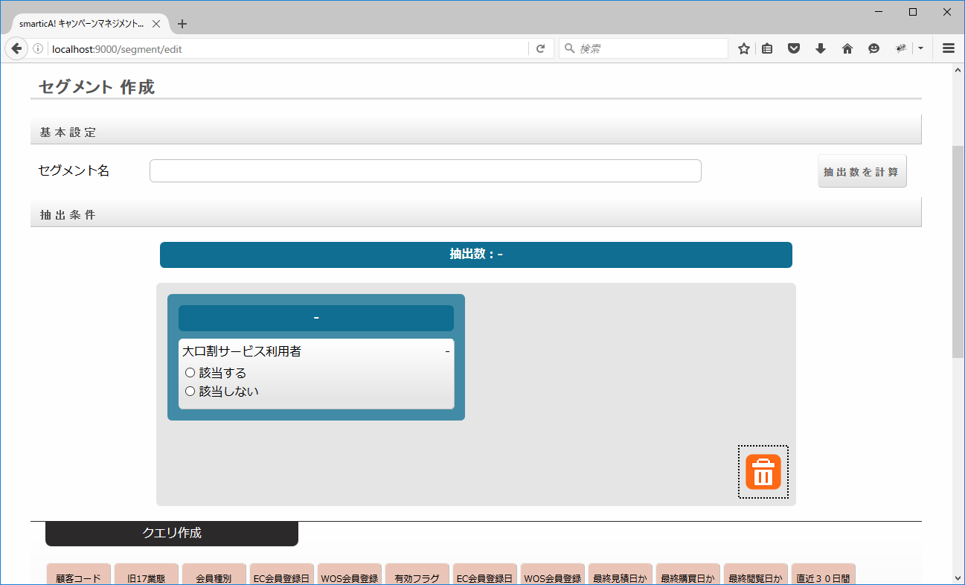
No.13
テスト項目
セグメント選択肢以下通りになること。
・該当する
・該当しない

No.14
NO.14
テスト項目
・「該当する」を選択し、画面上で抽出数計算した結果とDBから取得した顧客数が一致すること

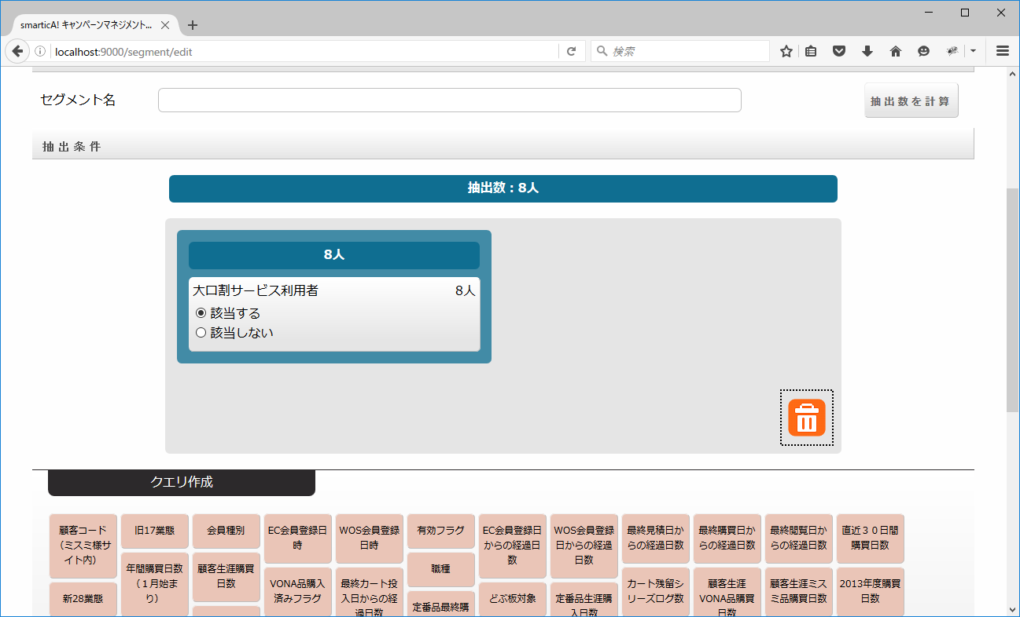

画面上で抽出数計算した結果とDBから取得した顧客数が一致していることを確認

select count(*)
from sub_customer_boolean_0001 | count
where col10 = true | 8

No.15
NO.15
テスト項目
・「該当しない」を選択し、画面上で抽出数計算した結果とDBから取得した顧客数が一致すること


画面上で抽出数計算した結果とDBから取得した顧客数が一致していることを確認

select count(*)
from sub_customer_boolean_0001 | count
where col10 = false | 768264

