Mixed_CAVE
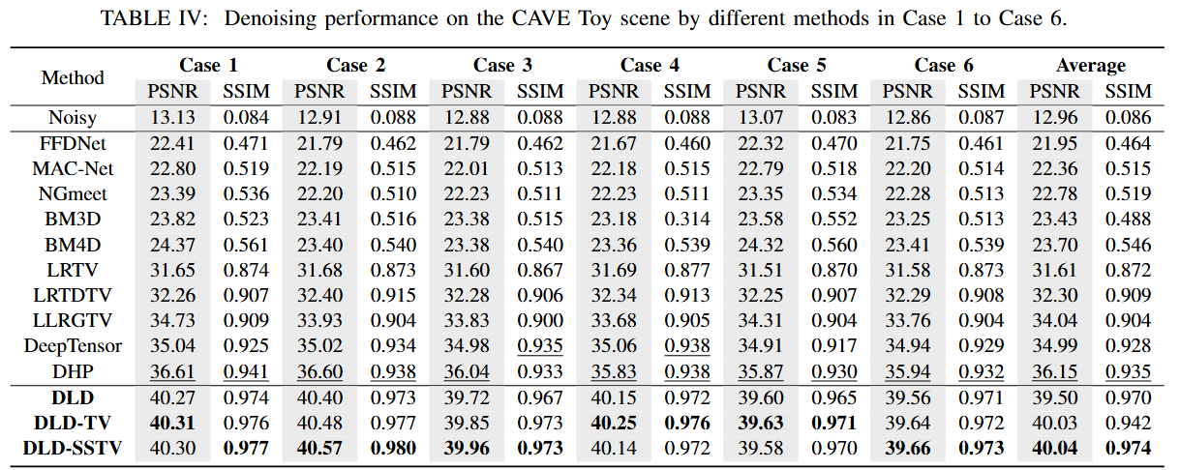

MoLi
PnP-MoLi

