Dashboard
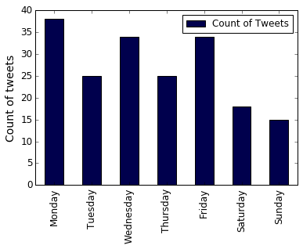
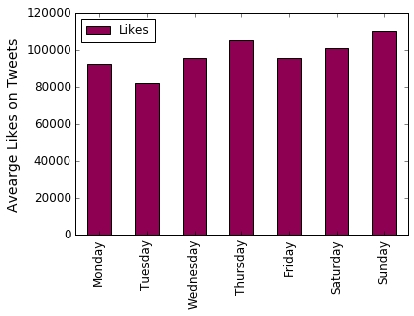
Donald Trump Tweets Analysis |  | Data Facts |  |  | Since April 2018 Trump posted the most tweets on Monday | Which day of the week does Donald's tweets get liked the most?
 |  | Total Number of Tweets in Focus: |  | 189
 |  | Date posted of the oldest tweet in Sample: |  | 4/24/18

 |  | Date posted of the most recent tweet in Sample: |  | 5/23/18
 |  | Average character length of a tweet |  | 189
 |  | Mentions of Obama |  | 7
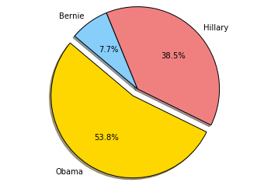

 |  | Mentions of Politicians

 |  |  |  |  | Tweets aggregated over time (sum of tweets on weekday since time of collection)

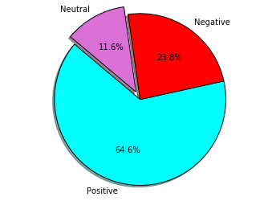
Most Liked Tweet: |  | Time Series: Popularity Meter |  |  |  | Sentiment Analysis: Tweet text Polarity
'Thank you Kanye, very cool!'' |  |  |  |  |  |  | Tweet rated highest on Negative Polarity

 |  |  |  |  |  |  | 'Is everybody believing what is going on. James Comey can’t define what a leak is. He illegally leaked CLASSIFIED INFORMATION but doesn’t understand what he did or how serious it is. He lied all over the place to cover it up. He’s either very sick or very dumb. Remember sailor!''

Date Posted = 2018-04-25
Likes = 361668
Retweets = 108106

Sample consists of 189 most recent tweets of Donald irrespective of Date

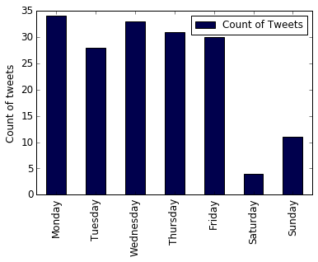
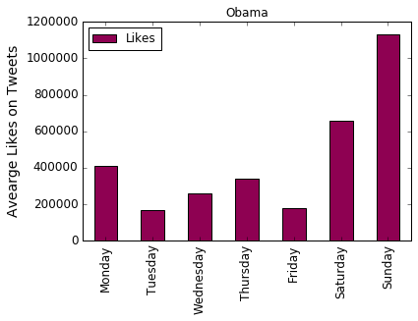
Barack Obama Tweets Analysis |  | Data Facts |  |  | Since September 2016 Obama posted the most tweets on Monday | Which day of the week does Obama's tweets get liked the most?
 |  | Total Number of Tweets in Focus: |  | 171
 |  | Date posted of the oldest tweet in Sample: |  | 10/3/16

 |  | Date posted of the most recent tweet in Sample: |  | 5/23/18
 |  | Average character length of a tweet |  | 116
 |  | Mentions of Donald |  | 0

 |  |  | Obama has not mentioned any politician in his last 171 tweets since October 2016

 |  |  |  |  | Tweets aggregated over time (sum of tweets on weekday since time of collection)

Most Liked Tweet: |  | Time Series: Popularity Meter |  |  |  | Sentiment Analysis: Tweet Polarity

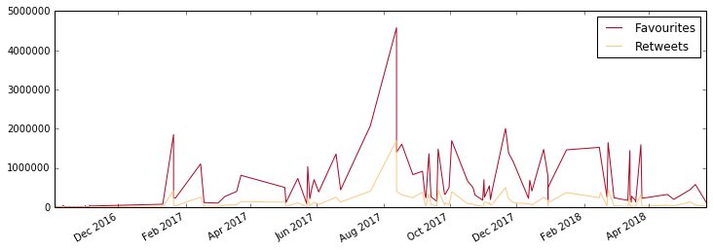
'No one is born hating another person because of the color of his skin or his background or his religion…'' |  |  |  |  |  |  | Tweet rated highest on Negative Polarity

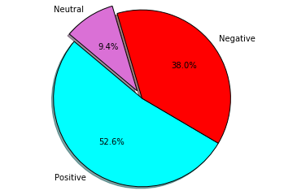
 |  |  |  |  |  |  | 'Climate change's effects are devastating. Denying the science behind it does nothing to help. #ActOnClimate''

Date Posted = 2017-08-13
Likes = 4576129
Retweets = 1702646

Sample consists of 171 most recent tweets of Obama irrespective of Date

Results in this dashboard are created in Python 3.5.2 using Spyder IDE

 | Retweets = 1702646

