Sheet1
1 | 1 | 2
2 | 1 | 3
3 | 1 | 4
4 | 2 | 4
5 | 3 | 4
6 | 4 | 5
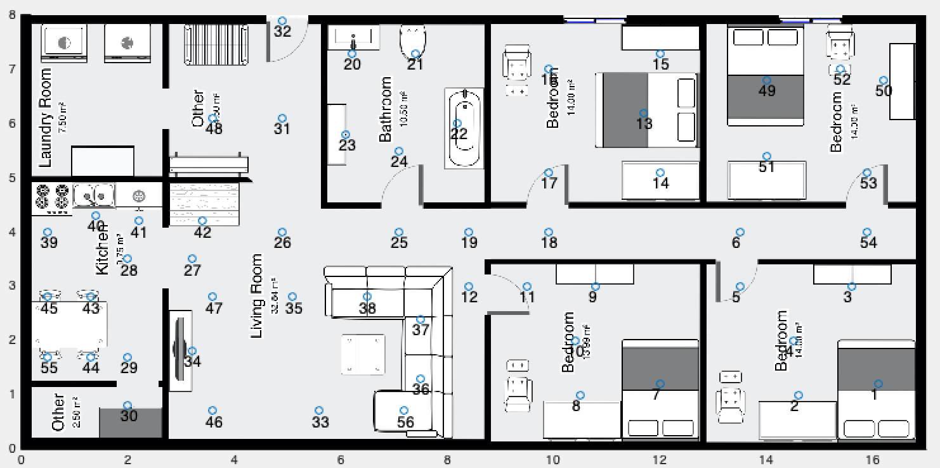
7 | 5 | 6
8 | 6 | 18
9 | 6 | 54
10 | 7 | 8
11 | 7 | 9
12 | 7 | 10
13 | 8 | 10
14 | 9 | 10
15 | 10 | 11
16 | 11 | 12
17 | 12 | 19
18 | 13 | 14
19 | 13 | 16
20 | 14 | 17
21 | 15 | 16
22 | 16 | 17
23 | 17 | 18
24 | 18 | 19
25 | 19 | 25
26 | 20 | 21
27 | 20 | 23
28 | 20 | 24
29 | 21 | 22
30 | 21 | 23
31 | 21 | 24
32 | 22 | 24
33 | 23 | 24
34 | 24 | 25
35 | 25 | 26
36 | 26 | 27
37 | 26 | 31
38 | 26 | 35
39 | 26 | 42
40 | 26 | 47
41 | 27 | 28
42 | 27 | 35
43 | 27 | 42
44 | 27 | 47
45 | 28 | 29
46 | 28 | 40
47 | 28 | 41
48 | 28 | 43
49 | 28 | 45
50 | 29 | 30
51 | 29 | 44
52 | 31 | 32
53 | 31 | 48
54 | 33 | 34
55 | 33 | 35
56 | 33 | 36
57 | 33 | 46
58 | 33 | 47
59 | 33 | 56
60 | 34 | 35
61 | 34 | 46
62 | 34 | 47
63 | 35 | 38
64 | 35 | 47
65 | 36 | 56
66 | 37 | 38
67 | 39 | 40
68 | 39 | 43
69 | 39 | 45
70 | 40 | 41
71 | 40 | 43
72 | 40 | 45
73 | 44 | 55
74 | 46 | 47
75 | 49 | 51
76 | 49 | 52
77 | 49 | 57
78 | 50 | 52
79 | 50 | 57
80 | 51 | 53
81 | 51 | 57
82 | 52 | 57
83 | 53 | 57
84 | 53 | 54

