Sheet1
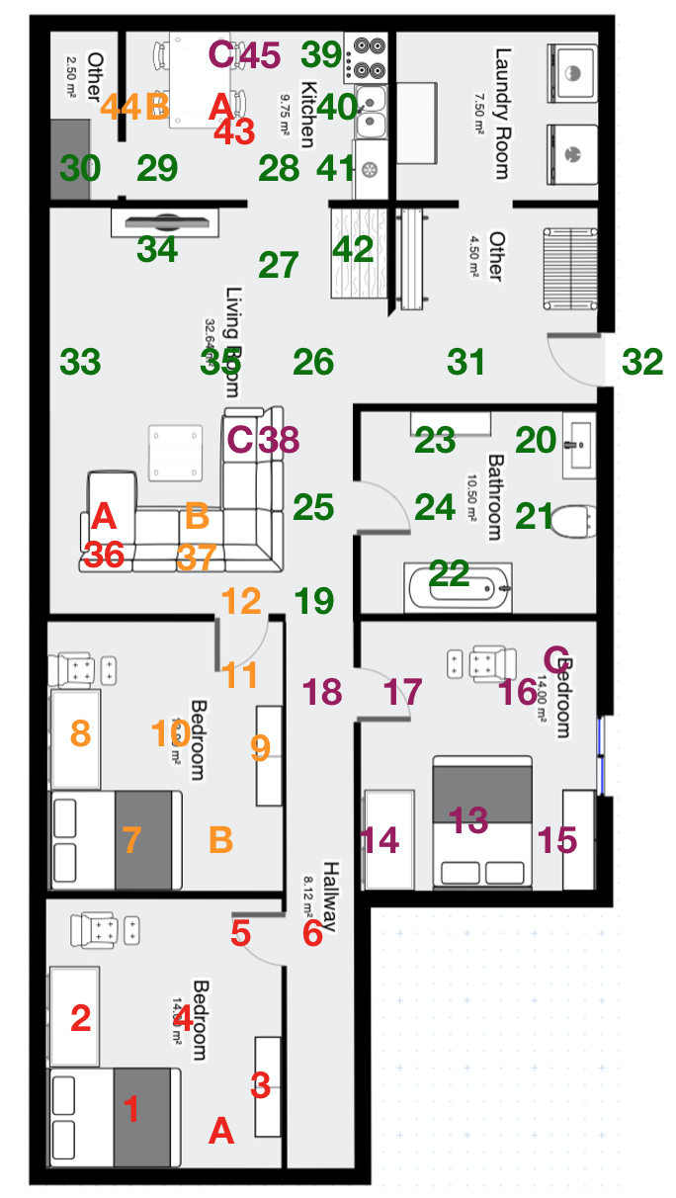
 | 1 | 2 | 3 | 4 | 5 | 6 | 7 | 8 | 9 | 10 | 11 | 12 | 13 | 14 | 15 | 16 | 17
 |  |  |  |  |  |  |  |  |  |  |  |  |  |  |  |  |  |  | 1 | 16 | 1.2 | 16 | 10 | 7 | 31 | 5.3 | 6
8 |  |  |  |  |  |  |  |  |  |  |  |  |  |  |  |  |  | 8 | 2 | 14.5 | 1 | 17 | 10 | 5.2 | 32 | 5.3 | 8.5
7 |  |  |  |  |  |  |  |  |  |  |  |  |  |  |  |  |  | 7 | 3 | 15.5 | 3 | 18 | 10 | 4 | 33 | 5.3 | 0.5
6 |  |  |  |  |  |  |  |  |  |  |  |  |  |  |  |  |  | 6 | 4 | 14.5 | 2 | 19 | 8.4 | 4 | 34 | 3.5 | 2
5 |  |  |  |  |  |  |  |  |  |  |  |  |  |  |  |  |  | 5 | 5 | 13.5 | 3 | 20 | 6.5 | 7.6 | 35 | 5.3 | 2.8
4 |  |  |  |  |  |  |  |  |  |  |  |  |  |  |  |  |  | 4 | 6 | 13.5 | 4 | 21 | 7.7 | 7.3 | 36 | 7.5 | 1.2
3 |  |  |  |  |  |  |  |  |  |  |  |  |  |  |  |  |  | 3 | 7 | 12 | 1.2 | 22 | 8.5 | 6 | 37 | 7.8 | 2.2
2 |  |  |  |  |  |  |  |  |  |  |  |  |  |  |  |  |  | 2 | 8 | 10.5 | 1 | 23 | 6.5 | 5.8 | 38 | 6.5 | 3
1 |  |  |  |  |  |  |  |  |  |  |  |  |  |  |  |  |  | 1 | 9 | 10.6 | 3 | 24 | 7.4 | 5.5 | 39 | 0.5 | 4
 |  |  |  |  |  |  |  |  |  |  |  |  |  |  |  |  |  |  | 10 | 10.5 | 2 | 25 | 7.4 | 4 | 40 | 1.5 | 4
 |  |  |  |  |  |  |  |  |  |  |  |  |  |  |  |  |  |  | 11 | 9.5 | 3 | 26 | 5.3 | 4 | 41 | 2.5 | 4
 | 1 | 2 | 3 | 4 | 5 | 6 | 7 | 8 | 9 | 10 | 11 | 12 | 13 | 14 | 15 | 16 | 17 |  | 12 | 8.4 | 3 | 27 | 3.9 | 3.5 | 42 | 3.3 | 4.2
 |  |  |  |  |  |  |  |  |  |  |  |  |  |  |  |  |  |  | 13 | 11.8 | 6.2 | 28 | 2.5 | 3.5 | 43 | 1.3 | 2.8
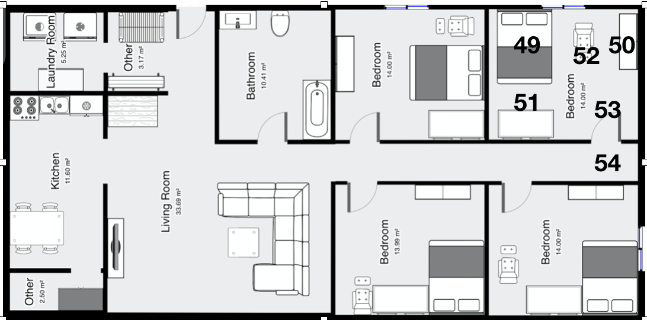
 |  |  |  |  |  |  |  |  |  |  |  |  |  |  |  |  |  |  | 14 | 12.3 | 5 | 29 | 2.5 | 1.8 | 44 | 1.3 | 1.8
 |  |  |  |  |  |  |  |  |  |  |  |  |  |  |  |  |  |  | 15 | 12.3 | 7.2 | 30 | 2.5 | 0.8 | 45 | 0.4 | 2.8

 |  |  |  |  |  |  |  |  |  |  |  |  |  |  |  |  |  |  | 49 | 13.8 | 6.8
 |  |  |  |  |  |  |  |  |  |  |  |  |  |  |  |  |  |  | 50 | 16.2 | 7
 |  |  |  |  |  |  |  |  |  |  |  |  |  |  |  |  |  |  | 51 | 13.8 | 5.5
 |  |  |  |  |  |  |  |  |  |  |  |  |  |  |  |  |  |  | 52 | 15.2 | 6.5
 |  |  |  |  |  |  |  |  |  |  |  |  |  |  |  |  |  |  | 53 | 16 | 5
 |  |  |  |  |  |  |  |  |  |  |  |  |  |  |  |  |  |  | 54 | 16 | 4
 |  |  |  |  |  |  |  |  |  |  |  |  |  |  |  |  |  |  | 55

Sensor_loc
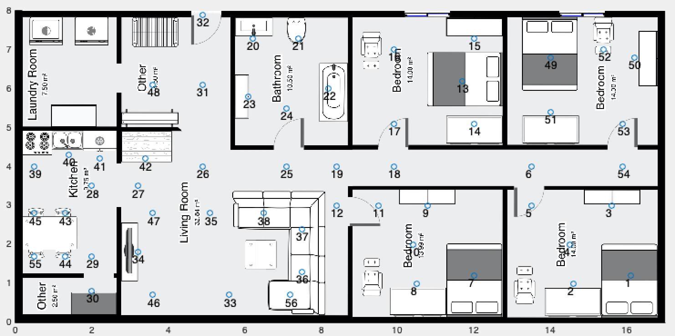
1 | 16.1 | 1.2
2 | 14.6 | 1
3 | 15.6 | 3
4 | 14.5 | 2
5 | 13.5 | 3
6 | 13.5 | 4
7 | 12 | 1.2
8 | 10.5 | 1
9 | 10.8 | 3
10 | 10.4 | 2
11 | 9.5 | 3
12 | 8.4 | 3
13 | 11.7 | 6.2
14 | 12 | 5.1
15 | 12 | 7.3
16 | 9.9 | 7
17 | 9.9 | 5.1
18 | 9.9 | 4
19 | 8.4 | 4
20 | 6.2 | 7.3
21 | 7.4 | 7.3
22 | 8.2 | 6
23 | 6.1 | 5.8
24 | 7.1 | 5.5
25 | 7.1 | 4
26 | 4.9 | 4
27 | 3.2 | 3.5
28 | 2 | 3.5
29 | 2 | 1.7
30 | 2 | 0.8
31 | 4.9 | 6.1
32 | 4.9 | 7.9
33 | 5.6 | 0.7
34 | 3.2 | 1.8
35 | 5.1 | 2.8
36 | 7.5 | 1.3
37 | 7.5 | 2.4
38 | 6.5 | 2.8
39 | 0.5 | 4
40 | 1.4 | 4.3
41 | 2.2 | 4.2
42 | 3.4 | 4.2
43 | 1.3 | 2.8
44 | 1.3 | 1.7
45 | 0.5 | 2.8
46 | 3.6 | 0.7
47 | 3.6 | 2.8
48 | 3.6 | 6.1
49 | 14 | 6.8
50 | 16.2 | 6.8
51 | 14 | 5.4
52 | 15.4 | 7
53 | 15.9 | 5.1
54 | 15.9 | 4
55 | 0.5 | 1.7
56 | 7.2 | 0.7
57 | 15.4 | 6

