ISO_20022_Message
https://www.bot.or.th/th/our-services/financial-service/Member-BOT/Member-Corner/BAHTNET-ISO-20022.html#accordion-1ed2896146-item-130f290b34
https://www.bot.or.th/content/dam/bot/fipcs/documents/DDD/2565/ThaiPDF/25650126.pdf
No. | ISO 20022 Message | Description | Business Purpose
1 | pacs.008 | Financial Institution to Financial Institution Customer Credit Transfer | Interbank customer credit transfer
2 | pacs.009 | Financial Institution Credit Transfer | Interbank FI-to-FI transfer
3 | pacs.009.COV | Financial Institution Credit Transfer Cover | Cover payment for underlying customer transfer
4 | camt.054 | Bank to Customer Debit Notification | Debit advice to customer
5 | camt.054 | Bank to Customer Credit Notification | Credit advice to customer
6 | camt.056 | FI to FI Payment Cancellation Request – Return Message | Request to return a payment
7 | camt.056 | FI to FI Payment Cancellation Request – Cancellation Message | Request to cancel a payment
8 | camt.087 | Request to Modify Payment | Amendment / modification request
9 | camt.998 | Cash Management Proprietary Message | General information / Repo contact
10 | pacs.002 | FI to FI Payment Status Report | Error / status reporting
11 | camt.053 | Bank to Customer Statement | Account statement
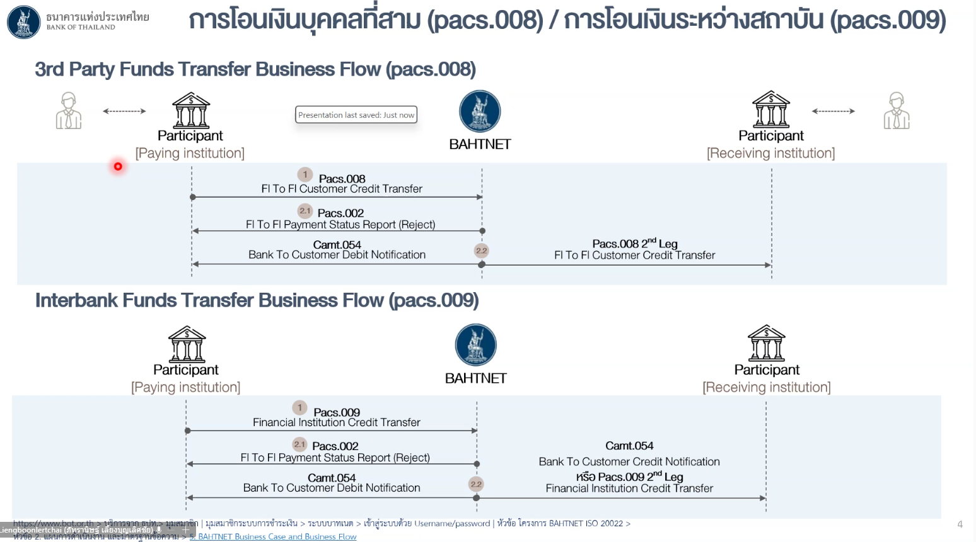

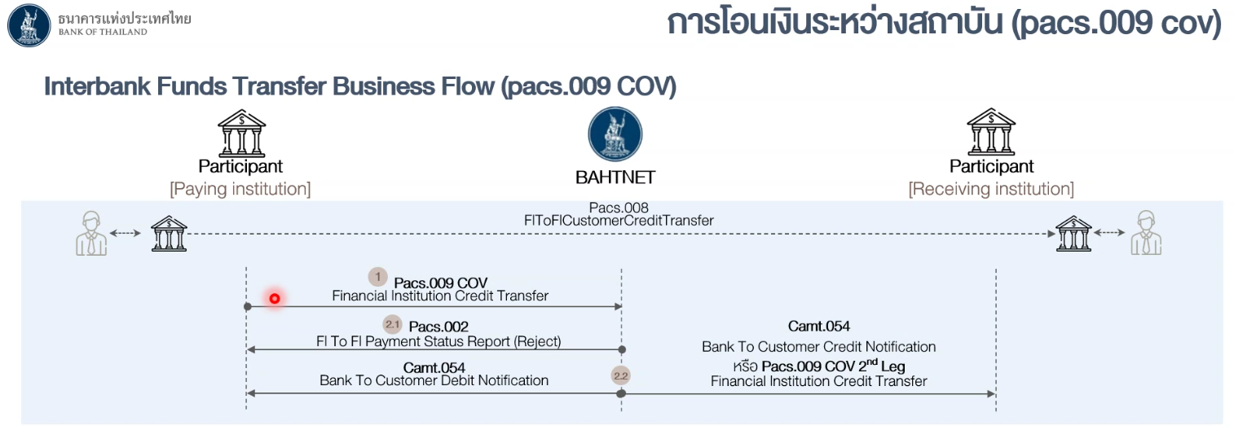

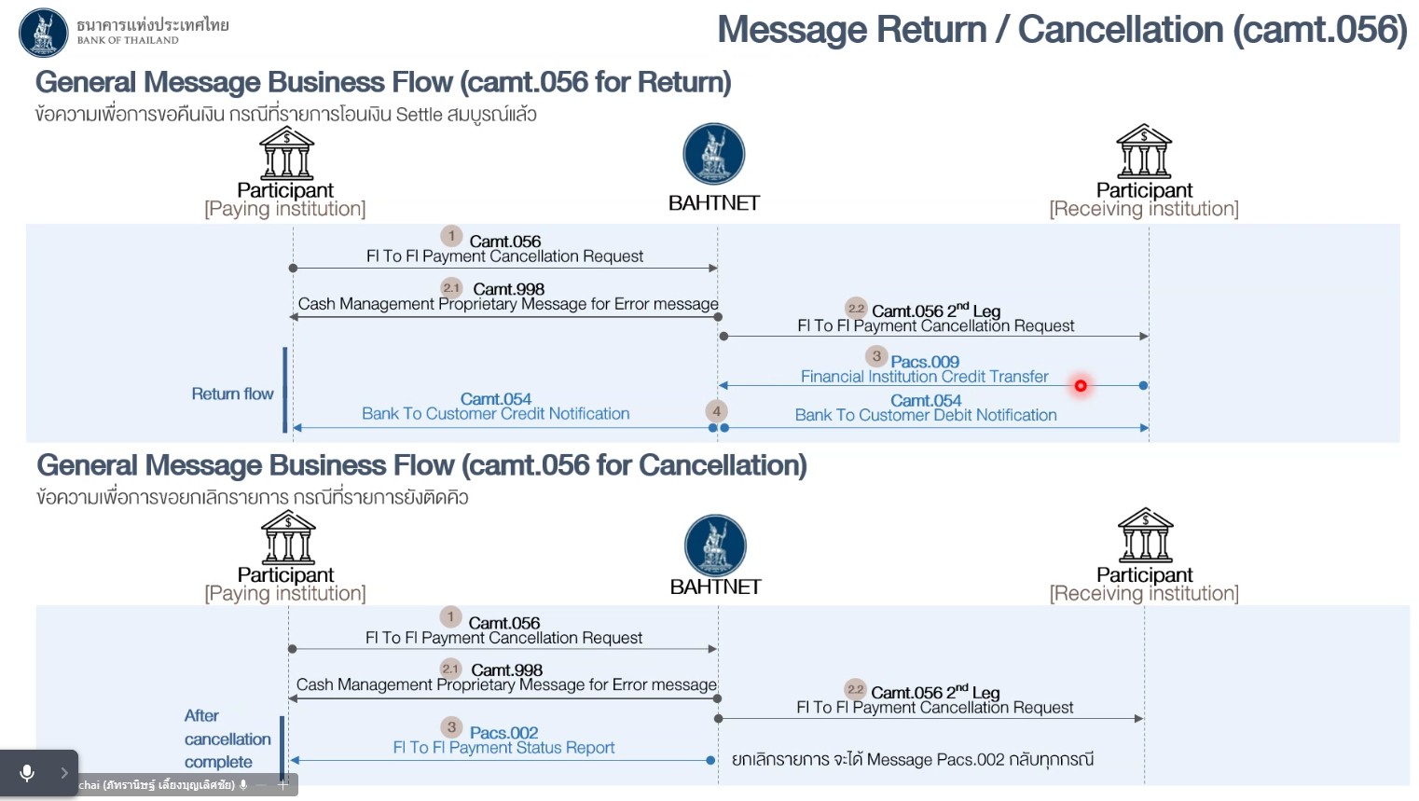
 |  |  |  | https://www.bot.or.th/content/dam/bot/documents/th/our-roles/payment-systems/regulations-announcements/BAHTNET-Systems/attachment-to-the-announcement-practice/7-bot-announcementswift/SWIFT.pdf

