Sheet1
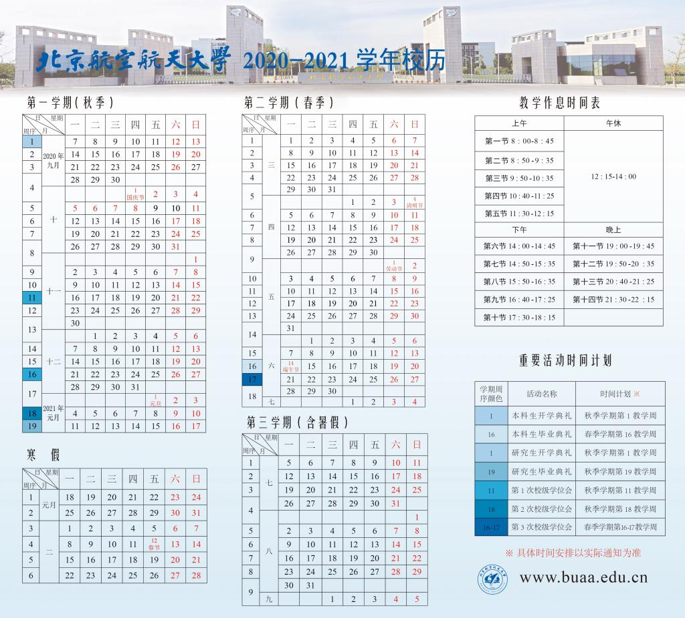
 |  | 2021-06-02 | 2021-06-03 | 2021-06-04 | 2021-06-05 | 2021-06-06 | 2021-06-07 | 2021-06-08 | 2021-06-09 | 2021-06-10 | 2021-06-11 | 2021-06-12 | 2021-06-13 | 2021-06-14 | 2021-06-15 | 2021-06-16
 |  | Monday | Tuesday | Wednesday | Thursday | Friday | Saturday | Sunday | Monday | Tuesday | Wednesday | Thursday | Friday | Saturday | Sunday | Sunday
8:00:00 | 9:00:00 |  |  |  |  |  |  |  |  |  |  |  |  |  |  | 提交翻译工作
9:00:00 | 10:00:00
10:00:00 | 11:00:00
11:00:00 | 12:00:00
12:00:00 | 13:00:00
13:00:00 | 14:00:00 |  |  |  |  |  | 苏比依博物馆
14:00:00 | 15:00:00
15:00:00 | 16:00:00
16:00:00 | 17:00:00
17:00:00 | 18:00:00 |  |  | 钰涵火锅
18:00:00 | 19:00:00
19:00:00 | 20:00:00
20:00:00 | 21:00:00
21:00:00 | 22:00:00
22:00:00 | 23:00:00

 |  |  |  | 翻译文档

 |  |  |  |  |  |  | 海上应急

