Feuil1
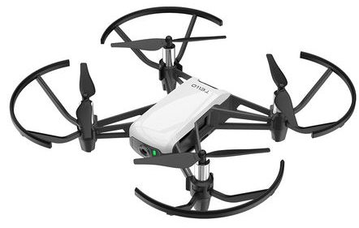
DJI Tello
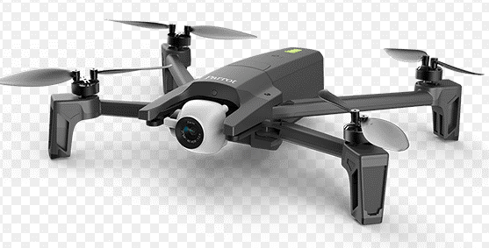
parrot Anafi
Drone | DJI Tello | Parrot Anafi | DJI Mini 2 / SE | DJI Mavic Air 2 | Crazyflie DIY
lien | https://www.ryzerobotics.com/fr/tello?from=store-product-page | https://www.parrot.com/fr/drones/anafi | https://www.dji.com/fr/mini-2?site=brandsite&from=nav | https://www.dji.com/fr/mavic-air-2?site=brandsite&from=eol_mavic-air | https://www.bitcraze.io/products/old-products/crazyflie-2-0/
prix | 150 € | 550 € | 350-550€ | 900 €
dimensions | 98 x 92.5 x 41 mm | 175x240x65 mm | 159 x 203 x 55 mm | 183 x 253 x 77 mm | Custom
masse | 80 g | 320 g | 249 g | 570 g | Custom

Caméra | caméra fixe | gimbale 2 axes | gimbale 2 axes | gimbales 3 axes | Custom
vidéo | HD 720p30 | 4K UHD | 4K : 3840x2160 | 4K : 3 840 x 2 160 | Custom

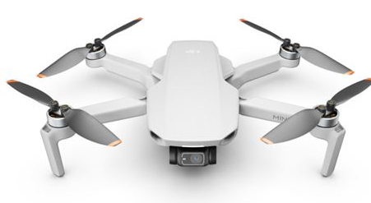
DJI mini 2
control | python / tello EDU | Air SDK 7.0 |  | Window SDK | mc ESP 32
 | https://www.ryzerobotics.com/fr/tello-edu | https://developer.parrot.com/docs/airsdk/general/overview.html |  | https://developer.dji.com/
 |  | Olympe : Python
 |  | https://developer.parrot.com/docs/olympe/overview.html

Stock | https://www.amazon.fr/Ryze-DJI-compatibilit%C3%A9-contr%C3%B4leur-Transmission/dp/B078XV32CJ/ref=sr_1_3?__mk_fr_FR=%C3%85M%C3%85%C5%BD%C3%95%C3%91&crid=16F9VJN29TTJ5&keywords=dji+tello&qid=1643881466&sprefix=dji+tello%2Caps%2C84&sr=8-3 | https://www.amazon.fr/Parrot-ANAFI-Quadricopt%C3%A8re-Pliable-Cam%C3%A9ra/dp/B07D5R2JKL?th=1 | https://store.dji.com/fr/product/mini-2?vid=99471 |  | unlimited
 |  | https://www.darty.com/nav/achat/telephonie/drone/drone/parrot_anafi.html
 |  | https://www.fnac.com/Drone-4K-Parrot-Anafi-Noir/a12415480/w-4

 | HTC Vive tracker
 | https://gist.github.com/DanielArnett/c9a56c9c7cc0def20648480bca1f6772
 | https://knowledge.autodesk.com/support/vred-products/learn-explore/caas/CloudHelp/cloudhelp/2019/ENU/VRED/files/VR-and-VR-Setup/Using-Python-for-VR/VRED-VR-and-VR-Setup-Using-Python-for-VR-Python-for-HTC-Vive-html-html.html

