Sheet1
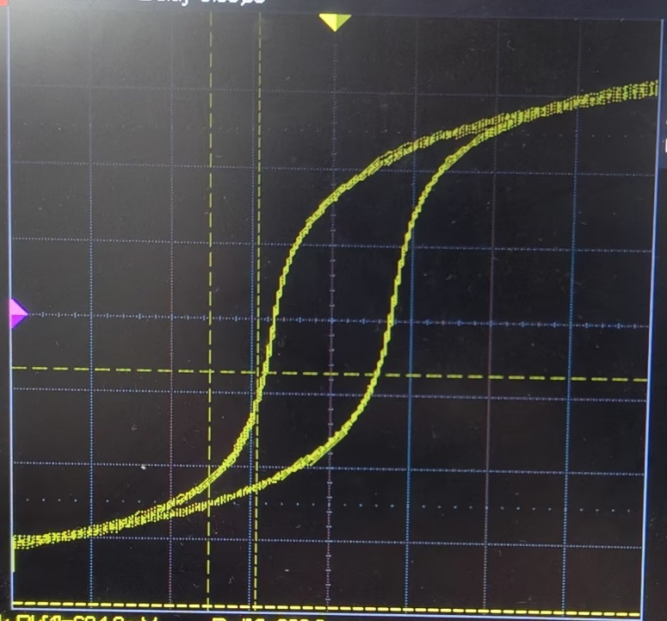
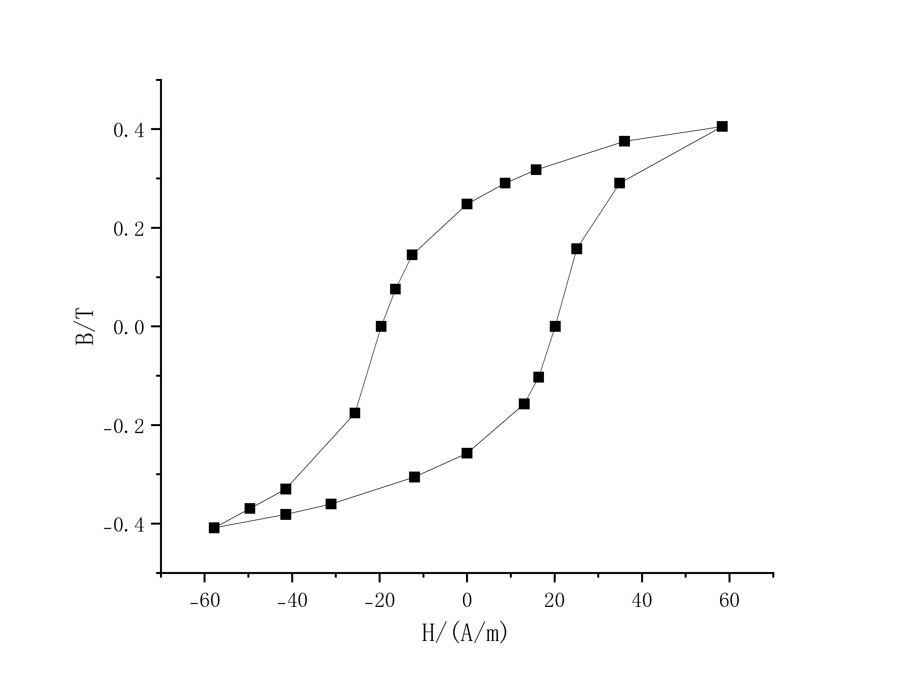
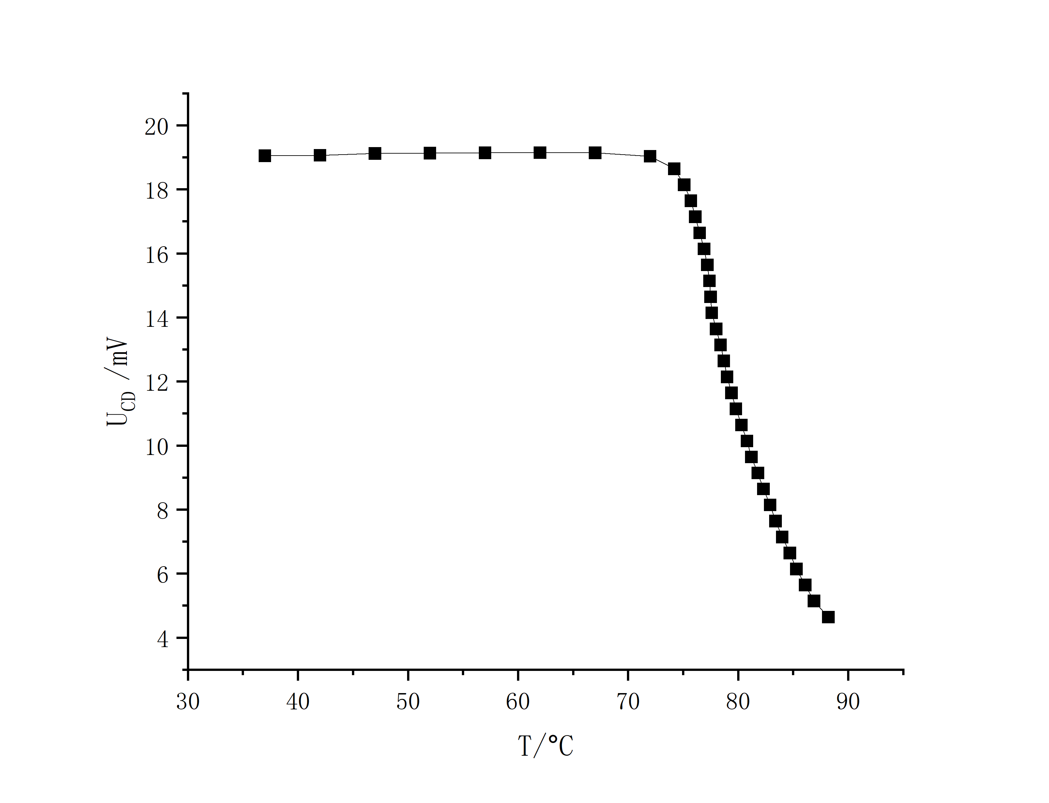
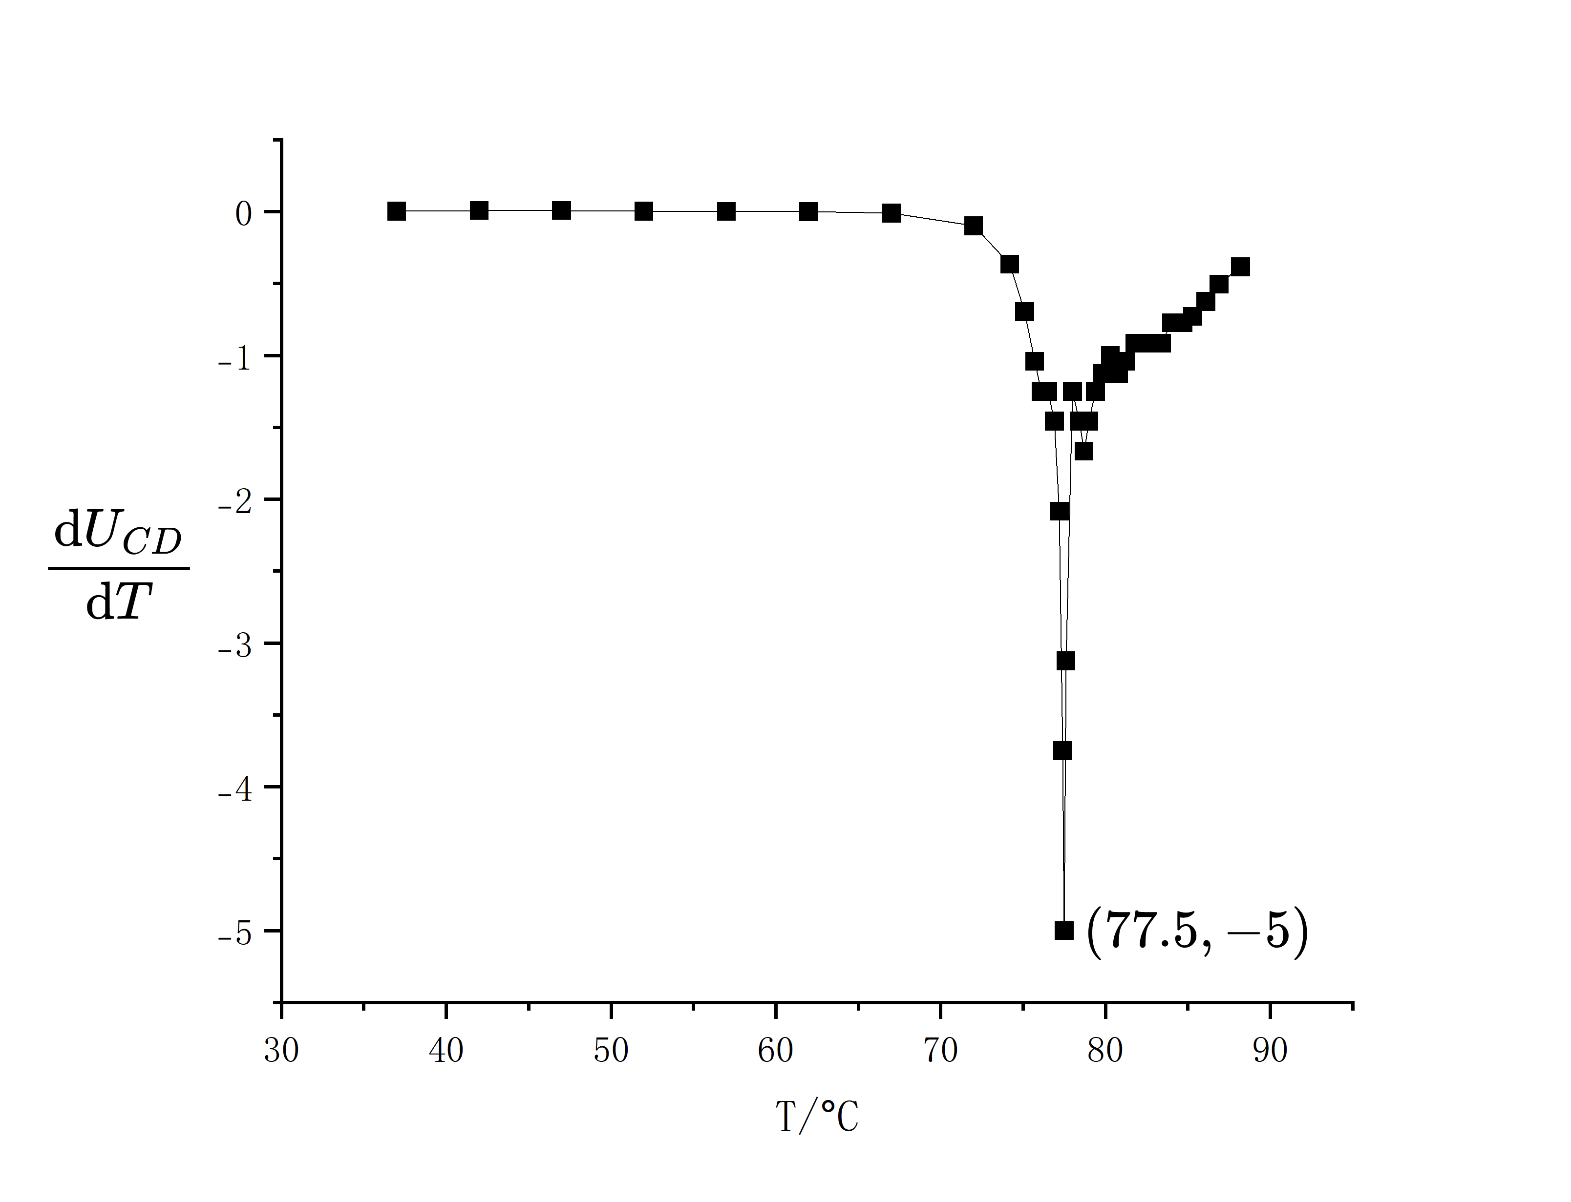
原始数据

UR1/mV | -212.0 | -152.0 | -114.0 | -44.00 | 0 | 48.00 | 60.00 | 74.00 | 92.00
UC/mV | -135.0 | -126.0 | -119.0 | -101.0 | -85.00 | -52.00 | -34.00 | 0 | 52.00
UR1/mV | 128.0 | 214.0 | 132.0 | 58.00 | 32.00 | 0 | -46.00 | -60.00 | -72.00
UC/mV | 96.00 | 134.0 | 124.0 | 105.0 | 96.00 | 82.00 | 48.00 | 25.00 | 0
UR1/mV | -94.00 | -152.0 | -182.0
UC/mV | -58.00 | -109.0 | -122.0

T/。C | 37.0 | 42.0 | 47.0 | 52.0 | 57.0 | 62.0 | 67.0 | 72.0 | 74.2
UCD/mV | 19.051 | 19.062 | 19.122 | 19.133 | 19.143 | 19.144 | 19.142 | 19.032 | 18.642
T/。C | 75.1 | 75.7 | 76.1 | 76.5 | 76.9 | 77.2 | 77.4 | 77.5 | 77.6
UCD/mV | 18.142 | 17.642 | 17.142 | 16.642 | 16.142 | 15.642 | 15.142 | 14.642 | 14.142
T/。C | 78.0 | 78.4 | 78.7 | 79.0 | 79.4 | 79.8 | 80.3 | 80.8 | 81.2
UCD/mV | 13.642 | 13.142 | 12.642 | 12.142 | 11.642 | 11.142 | 10.642 | 10.142 | 9.642
T/。C | 81.8 | 82.3 | 82.9 | 83.4 | 84.0 | 84.7 | 85.3 | 86.1 | 86.9
UCD/mV | 9.142 | 8.642 | 8.142 | 7.642 | 7.142 | 6.642 | 6.142 | 5.642 | 5.142
T/。C | 88.2
UCD/mV | 4.642

R1 = 10.16Ω |  | R可变 = 805.1Ω (最大1.9118kΩ) |  |  | 两个R 1 : 200.36Ω 2 : 200.75Ω |  |  |  | C = 4.7μF

由UR1 = (R1L/N1)H，UC = -(N2S/RC)B，可知H = (N1/R1L)UR1，B = -(RC/N2S)UC

又L = 3.61×10-2m，S = 1.25×10-5m2，N1 = N2 = 100，故可以得到下表

H/Am-1 | -57.80 | -41.44 | -31.08 | -12.00 | 0 | 13.09 | 16.36 | 20.18 | 25.08
B/T | 0.4087 | 0.3814 | 0.3602 | 0.3057 | 0.2573 | 0.1574 | 0.1029 | 0 | -0.1574
H/Am-1 | 34.90 | 58.35 | 35.99 | 15.81 | 8.725 | 0 | -12.54 | -16.36 | -19.63
B/T | -0.2906 | -0.4056 | -0.3754 | -0.3179 | -0.2906 | -0.2482 | -0.1453 | -0.07568 | 0
H/Am-1 | -25.63 | -41.44 | -49.62
B/T | 0.1756 | 0.3300 | 0.3693

