change history
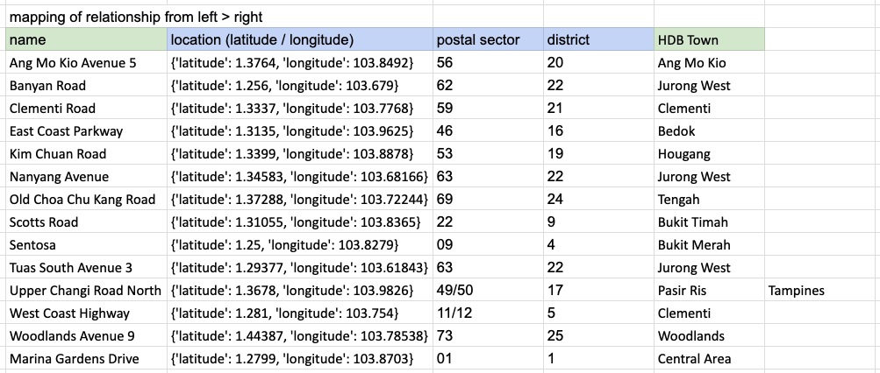
Change Date | Affected Field Name | Affected Field Value | Remarks | Change Reason | Person
2024-11-25 | station_id | S102 | Semakau Landfill | No HDB town can be mapped; Included in station table but excluded from locations table | Erica
2024-11-25 | station_id | S115 | Tuas South Avenue 3 | No HDB town can be mapped; Included in station table but excluded from locations table | Erica
2024-11-26 | station_id | S106 | Pulau Ubin | No data on air_temp table and humidity table; Included in station table but excluded from locations table | Erica
2024-11-26 | floor_area_sqm | (n/a) |  | Change data type to float, as having ingestion issue via Python | Yvonne
2024-11-26 | resale_price | (n/a) |  | Change data type to float, as having ingestion issue via Python | Yvonne

Explanation on the mapping of Jurong West, why Tuas South Avenue 3 does not map with any HDB town |  |  |  | `
1 HDB Town can only get readings from 1 weather station, so Jurong West cannot be mapped to 3 weather stations. Nanyang Avenue was mapped to Jurong West because of its nearest distance.

