change history
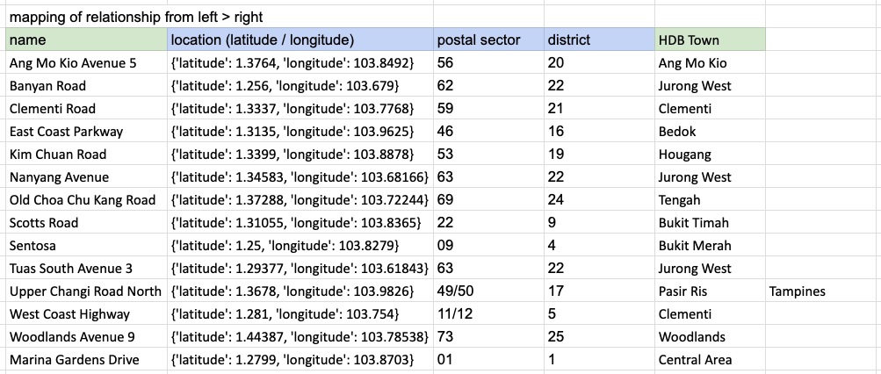
Change Date | Affected Field Name | Affected Field Value | Remarks | Change Reason
2024-11-25 | station_id | S102 | Semakau Landfill | No HDB town can be mapped; Excluded from locations table
2024-11-25 | station_id | S106 | Pulau Ubin | No data on air_temp table and humidity table; Excluded from locations table and station table
2024-11-25 | station_id | S115 | Tuas South Avenue 3 | No HDB town can be mapped; Excluded from locations table

Explanation on the mapping of Jurong West, why Tuas South Avenue 3 does not map with any HDB town
1 HDB Town can only get readings from 1 weather station, so Jurong West cannot be mapped to 3 weather stations. Nanyang Avenue was mapped to Jurong West because of its nearest distance.

