FNC54
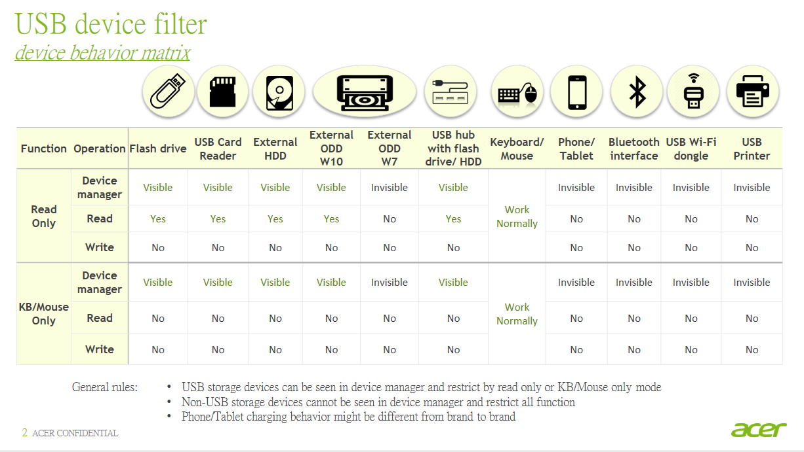
Back | FNC54
USB Device Filter
 |  | Progress % |  |  |  |  |  |  |  | 0.00% | Item
 |  | Pass rate % |  |  |  |  |  |  |  | 0.00% | 32
 |  | Fail rate % |  |  |  |  |  |  |  | 0.00% | Test SKU
 |  | N/A rate % |  |  |  |  |  |  |  | 0.00%
 | Test Procedure | Pass Criteria |  |  |  |  |  |  |  |  | SKU1 | SKU2 | SKU3 | SKU4 | Notes/Comment

USB device filter driver test for DT Commercial only
1. Do full function test in following rules (non-leading project only use "＊"device type for validation) a. USB device filter driver update b. OS upgrade c. Leading projects when OS upgrade or driver update (Pick each one for intel & AMD platform)
Device type |  | Model name
Flash Drive |  | SanDisk Cruzer Blade 8GB USB2.0 Handy Drive
USB Card reader |  | (Built-in Device)
External HDD |  | Seagate Ultra Slim USB3.0 1T HDD
External ODD |  | Samsung SE208DB/CHBS USB2.0 ODD
USB hub with flash drive / HDD |  | 绿联 USB2.0 HUB 20271 + SanDisk Cruzer Blade 8GB USB2.0 Handy Drive
Keyboard / Mouse |  | Keyboard/Mouse in Project's AVLC
Phone / Tablet |  | Apple iPad2 or above
Phone / Tablet by USB connection |  | Android Phone
Bluetooth interface |  | (Built-in Device)
USB Wi-Fi dongle |  | (Built-in Device)
USB Printer |  | Lenovo LJ2208W 黑白激光無線Wifi打印機

 | Start Time: | End Time: |  |  |  |  |  |  |  |  | Test SKU |  |  |  | Total Time:
 | Test Procedure | Pass Criteria |  |  |  |  |  |  |  |  | SKU1 | SKU2 | SKU3 | SKU4 | Notes/Comment
Do follow SOP of USB secure test to execute all test cases
1 | Use "acer tool" to check USB device filter driver version | 1. Driver version match SCL (DVT stage) 2. Only EVT stage needs to do driver install / uninstall test (as attached flie - Install & Uninstall) |  |  |  |  |  |  |  |  | - | - | - | - | Driver version:
2 | Press "Del" key to enter BIOS Setup Utility -> Security | BIOS default value is correct |  |  |  |  |  |  |  |  | - | - | - | -
3 | Make sure the item exist and default value is " All Allowed" |  |  |  |  |  |  |  |  |  | - | - | - | -
4 | Follow all test steps of SOP to make sure each USB device type works as USB Device Filter setting in BIOS. | 1. Read / Write function works as BIOS setting. 2. Device is able to be detected in Device Manager. |  |  |  |  |  |  |  |  | - | - | - | -
5 | Flash drive ＊ | Read-Only |  |  | Keyboard/Mouse Only |  |  | All Allowed
6 | USB card reader ＊ | Read | Write | Dev. Mgr | Read | Write | Dev. Mgr | Read | Write | Dev. Mgr
7 | External HDD | Y | N | Y | N | N | Y | Y | Y | Y | - | - | - | -
8 | External ODD Win 10 | Y | N | Y | N | N | Y | Y | Y | Y | - | - | - | -
9 | Keyboard/ Mouse＊ | Always work for all setting in BIOS.
10 | Phone/ Tablet by USB connection | Read-Only |  |  | Keyboard/Mouse Only |  |  | All Allowed
11 | Bluetooth interface＊ | Read | Write | Dev. Mgr | Read | Write | Dev.Mgr | Read | Write | Dev. Mgr
12 | USB Wi-Fi dongle | N | N | N | N | N | N | Y | Y | Y | - | - | - | -
13 | USB Printer
14 | Manually 20 times ACPI test (S3/S4/S5) | 1. No device is lost during the testing |  |  |  |  |  |  |  |  | - | - | - | -

