Game SW list test
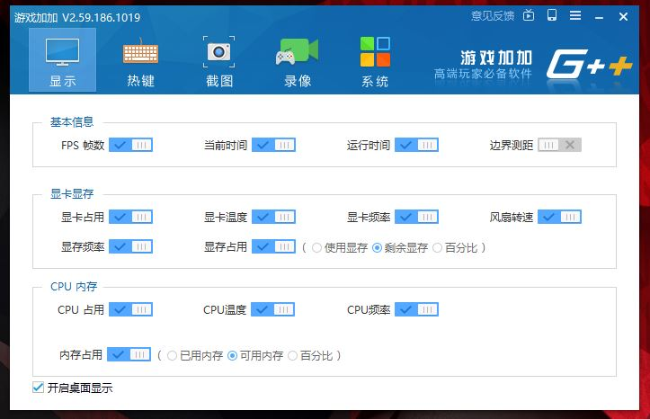
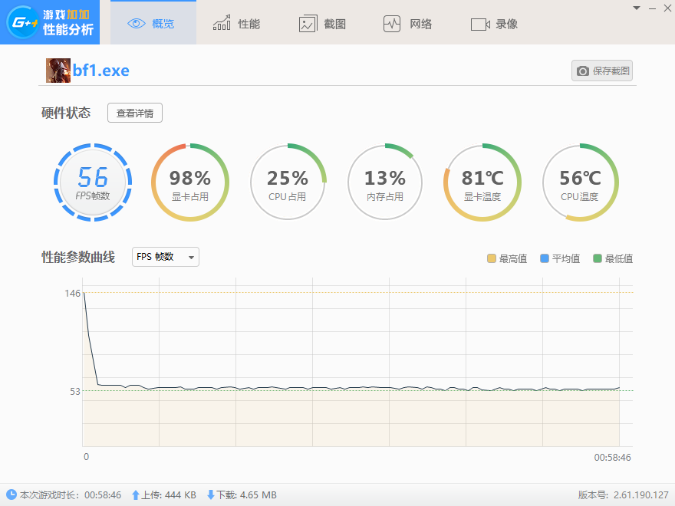
 |  |  |  |  |  |  |  | v1.5 | 2020-02-05
Category | Test item name | Display setting | Graphic Setting in Game | Test Duration | Test Criteria | SKU1 | SKU2 | SKU3 | Note (add the Avg FPS log) 使用遊戲加加 | http://gamepp.com/
[All DT/AIO] Game on Microsoft Store | Forza Motorsport6:Apex (Download by Win10 Microsoft store) | 1920*1080/60hz | UMA/AMD VGA :Game default setting Nvidia VGA: Geforce Experience Optimzie setting | [All DT/AIO]:15mins for each item [Predator/Aspire GX/Nitro] :1hr for each item | 1.No any error message, mapping/texture/color error, system/program hang up during test. 2.Check sound is normal. system no any abnormal after exit program 3.Show tester judgment in test report (Pass/Failed) 4.Run game/demo/benchmark w/ full screen mode and default resolution 5.HW setting meet game minimum Spec [Game Test Duration Criteria] For [All DT/AIO project]: Each game play for 15 mins. For [Predator/Aspire GX/Nitro project ]: Each game play for 1hour. [Game Test Performance Criteria] 1.For all DT/AIO project : Record Avg FPS test log only. 2.For Predator/Aspire GX/Nitro project : Record the Avg FPS test log and meet Avg 60fps@1080p [Gaming device test with Game list] 1.Gaming KB/Mouse test 2.GamePad/Controller test 3.MS Xbox controller 4.Gaming Headset audio test
 | Fruit Ninja ((For 5/10 Touch points AIO, please play it by finger) (Download by Win10 Microsoft Store)
[All DT/AIO] DirectX Games --SinglePlayer | Forza Horizon 4 (2018.10 release) | 1920*1080/60hz
 | Need for Speed payback (2017.11.10 release)
 | DOOM4 (2016.5 release)
 | Battlefield 1 (2016.10 release)
 | NBA 2K20 (2019.9 release)
[All DT/AIO] DirectX Online Game--Mulitplayer | League of Legends (LOL) | 1920*1080/60hz
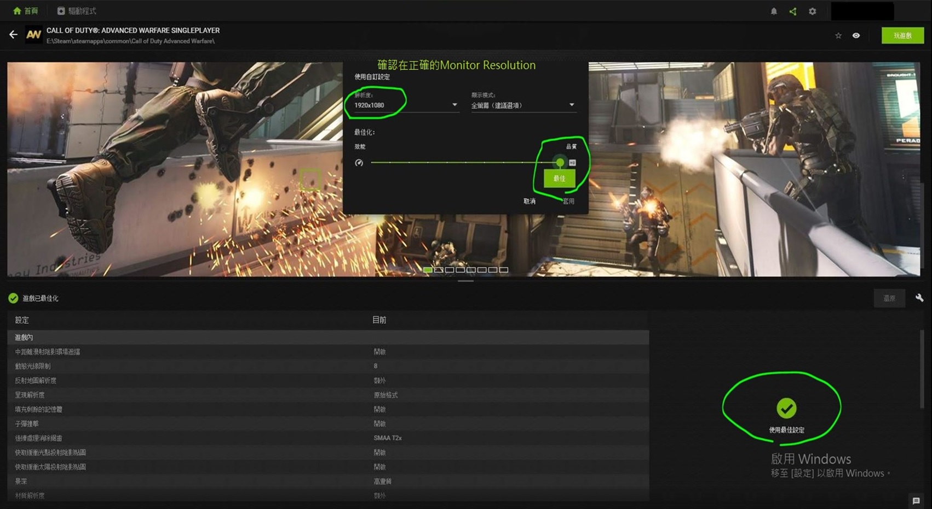
 | PlayerUnknown's Battlegrounds (PUBG) (2017.3.23 release)
[Predator /Aspire GX/ Nitro] Model 4K Game Test: (Game test with 16:9 and 21:9 4K monitor) | DOOM4 (2016.5 release) | 21:9 3440*1440 /100hz | [Nvidia VGA]: Geforce Experience Optimzie setting [AMD VGA] :Radeon Game Advisor setting
 | Battlefield 1 (2016.10 release) | 16:9 3840*2160 /60hz
 | Forza Horizon 4 (2018.10 release) | 21:9 3440*1440 /100hz
 | Forza Horizon 4 (Benchmark mode) | 21:9 3440*1440 /100hz
 | Need for Speed payback (2017.11.10 release) | 16:9 3840*2160 /60hz
 | NBA 2K20 (2019.9 release) | 16:9 3840*2160 /60hz
 | Shadow of Tomb Raider (2018.9 release) | 21:9 3440*1440 /100hz
 | Shadow of Tomb Raider (Benchmark mode) | 21:9 3440*1440 /100hz
 | Battlefield V (2018.11 release) | 21:9 3440*1440 /100hz
 | Assassin's Creed Odyssey ( 2018.10 release) | 21:9 3440*1440 /100hz
 | Assassin's Creed Odyssey (Benchmark mode) | 21:9 3440*1440 /100hz
[Predator] Model Triple Monitors output Game test (test with 3 Full-HD monitors & 4K monitors) | Battlefield V (2018.11 release) | 3x FHD monitor (16:9) 5760*1080/60hz | [Nvidia VGA]: Geforce Experience Optimzie setting [AMD VGA] :Radeon Game Advisor setting
 |  | 3x 4K monitor (16:9) 11520*2160 /60hz
 | Forza Horizon 4 (2018.10 release) | 3x FHD monitor (16:9) 5760*1080/60hz
 |  | 3x 4K monitor (16:9) 11520*2160 /60hz

