Metro_UI&App_test
No. | Test Scope | Item | Scnraio | Test Case / Use Case Details | Expected Result | Test Result | Remark
1 | Q+F | Windows Live Apps | Check App can work after upgrade/install. | 1. Mail: Setup account, sent/receive mail. 2. Calendar: Log-in and track personal, family, and work events 3. People: Bring together contacts and networks in one place 4. Messaging: Perform Video chat to other Win7 MSN user. 5. SkyDrive: Upload and then download 5 more files (over 20MB file size) Refer for attachment for detail. | 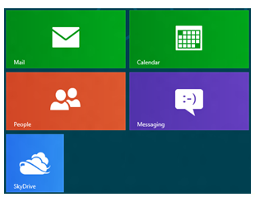 App and driver function works fine. No any wirning message or retry message during operation.
2 | Q+F | Xbox Live Apps | Obtain Xbox Live account, check function after upgrade/install Win8 OS. | 1. Xbox Companion Send all the content you find on Windows directly to your Xbox 360 Use your PC to follow along with the action on your Xbox 360 2. Xbox LIVE Games Connected with your Xbox friends and content Access to all Xbox LIVE games 3. Music Discover, play all the best music Listen to favorite personal music 4. Video Discover, play movies and TV Play personal videos 5. Games Pinball FX2 test Solitaire test | App and driver function works fine. No any wirning message or retry message during operation.
3 | Q+F | Information Utility | Refer to Regeion, Location and Time Zone set in OS, check Information is met latest status. | 1. Maps 2. Weather 3. Finance Display DOW/S&P 500/NASDAQ (or Refer to Tester location/Region/Time Zone ) information in real time Show the latest business news Watchlist of selected stock | App and driver function works fine. No any wirning message or retry message during operation.
4 | Q+F | Other Utilites | Perform Misc. test for all other Apps. | 1. Photos Connect to SkyDrive, Facebook, and Flickr photos 2. Camera Quick snap a photo or record video by just one click Change Log-in Account Picture by PC Settings\Personalize\Account Picture\Webcam 3. Reader Browse XPS and PDF files 4. Remote Desktop Test RDP function | App and driver function works fine. No any wirning message or retry message during operation. Uninstall App should also remove Icon on Start Page
5 | Q+F | Acer Bundle Apps | Test acer Bundle Apps | T.B.D. by Acer SWPM and SCL | T.B.D. by Acer SWPM and SCL
6 | Q+F | Windows Store | Install Apps and perform it | 1. Spotlight Install first 3 Apps and launch to play or operation. 2. 14 Categories (Games, Social, Entertainment, Photos, Music & Videos, Books & reference, News & weather, Food & dining, Shopping, Travel, Finance, Productivity, Tools and Security) Each Category random select and install one App, Run App for function test. | 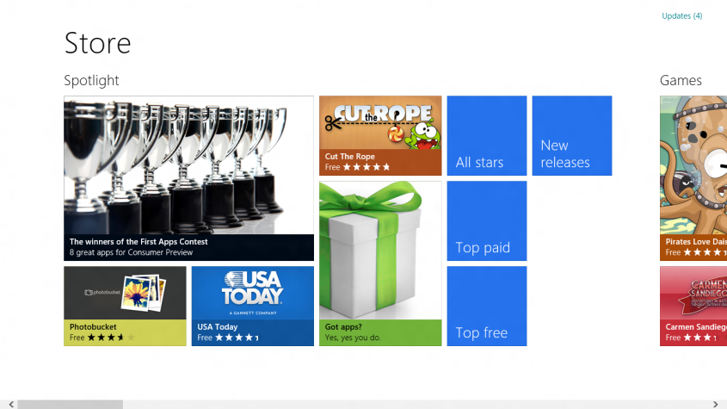 App and driver function works fine. No any wirning message or retry message during operation. Installed App should pin to Start Page(Metro UI) Uninstall App should also remove Icon on Start Page

