NV SLI mode Test(DT)
 | Test item | Description | Display Setting | Pass criteria | Result | Note/Attachement (FPS reocrd by GamePP) | 2020-07-16 | 1.3
1 | NV Control panel test
1-1 | SLI mode status check in NV Control Panel | 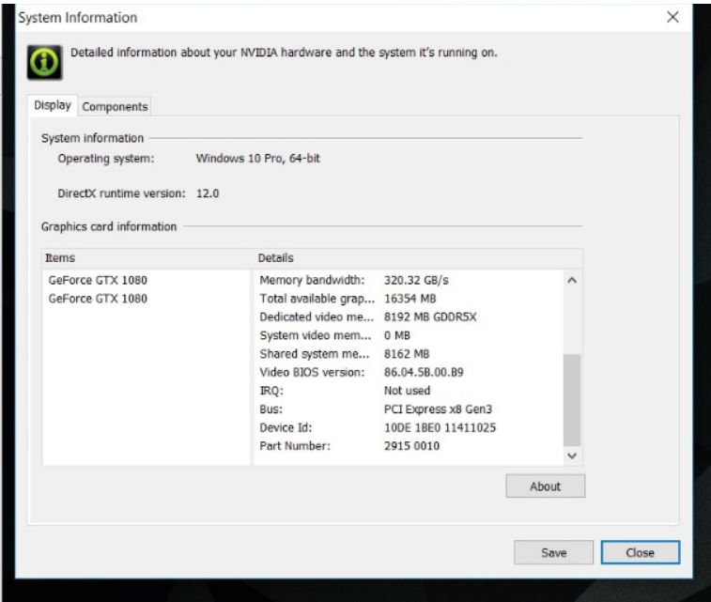 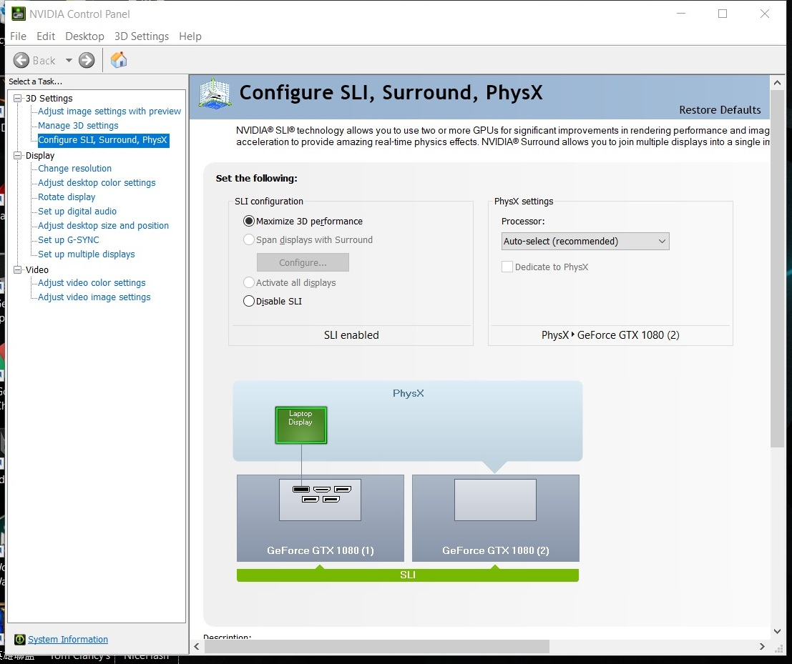 |  | 1.VGA card info is correct to meet AVLc spec 2.no error message found in NV control panel 3.Check SLI Default Status (Expect behavior : Enable)
1-2 | Enable /Disable SLI mode test |  |  | 1.Function is working normal without error or BSOD after Enable/Disable SLI mode 10 times 2.No screen Lag or low response while mode switch
1-3 | GPU-Z tool info check (latest version) |  |  | 1.VGA card info is correct to meet AVLc spec and check SLI mode status 2.attache the screenshot
2 | Stress Test (SLI enable)
2-1 | Verify long run ACPI functionality | Acer S3&S4/Reboot 300cycles |  | Function is working normal without error
2-2 | Verify long run H.264 functionality | BD playback 4hrs |  | Function is working normal without error
2-3 | Verify long run DirectX functionality | 3DMark TimeSPY loop test for 6hrs |  | Function is working normal without error
 |  | 3DMark TimeSPY Stress test (20min) |  | Get "Pass" result and without error |  | save 3DMARK log
3 | Compatibility (SLI enable)
3-1 | Verify Microsoft Edge on YouTube 4K/1080P video playback | https://www.youtube.com/watch?v=zKsrKqGyeY0&list=PLwJH-XOKXh0g2FJ-6J5JuAowQd7R9M1lP | 21:9 4K Monitor (3440x1440) | 2hrs playback without error
3-2 | DX12 Game test test: Shadow of TombRaider | Game play for 30min (4K Monitor) |  | Game play is working normal without error (Check is SLI Enable) |  | Record FPS
4 | Performance Test
4-1 | Run 3DMARK 11 Score (Enable/Disable SLI | Verify DX11 benchmark with screenshot for SLI enable/disable | 21:9 4K Monitor (3440x1440) | 1. 2Way SLI mode performance is over 1.5x single card mode 2. 3Way&4 Way mode follow vendor spec 3. attache the screenshot |  | record score
4-2 | Run 3DMARK Score (Enable/Disable SLI mode) 1.FireStrike Ultra 2.TimeSPY 3.Port Royal | 1.Verify DX11/DX12 benchmark with screenshot for SLI enable/disable 2.live update with latest version of 3DMARK |  | 1. 2Way SLI mode performance is over 1.5x single card mode 2. 3Way&4 Way mode follow vendor spec 3. attache the screenshot |  | record score and save 3DMARK log
4-3-1 | DX11 Game test (Enable/Disable SLI mode): @4K monitor BattleField 1 | record FPS |  | 1. 2Way SLI mode performance is over 1.5x single card mode 2. 3Way&4 Way mode follow vendor spec |  | record FPS
4-3-2 | DX12 Game test (Enable/Disable SLI mode): @4K monitor Shadow of TombRaider | 1.Enable DX12 in Game setting 2.Run Benchmark Mode |  | 1. 2Way SLI mode performance is over 1.5x single card mode 2. 3Way&4 Way mode follow vendor spec |  | Screen Shot log

AMD Crossfire Test (DT)
 | Test item | Description | Pass criteria | Result | Note/Attachement
1 | AMD Control panel test
1-1 | Crossfire mode status check in AMD Control Panel | 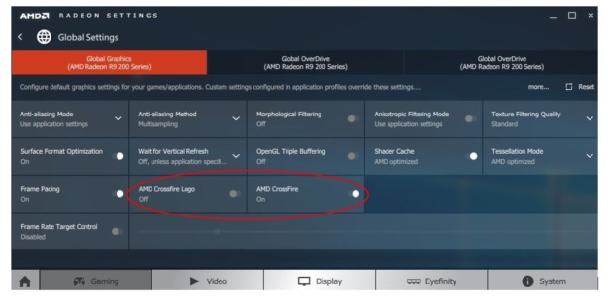 | 1.VGA card info is correct to meet AVLc spec 2.no error message found in AMD control panel 3.Check Crossfire Default Status (Expect behavior : Enable)
1-2 | Enable /Disable Crossfire mode test |  | 1.Function is working normal without error after Enable/Disable Crossfire mode 10 times 2.No screen Lag or low response while mode switch
1-3 | GPU-Z tool info check | 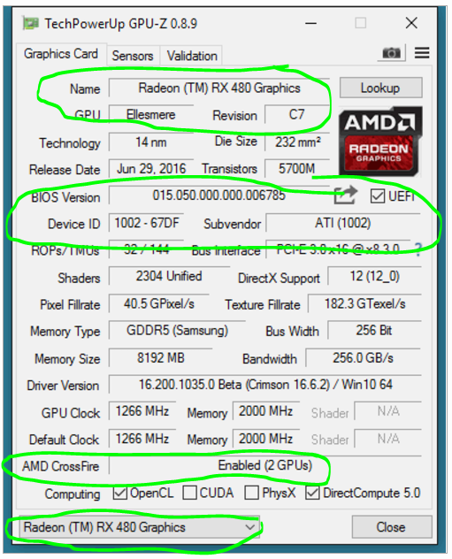 | 1.VGA card info is correct to meet AVLc spec and check Crossfire mode status 2.attache the screenshot
2 | Stress Test (Crossfire enable)
2-1 | Verify long run ACPI functionality | Acer S3&S4/Reboot 300cycles | Function is working normal without error
2-2 | Verify long run H.264 functionality | BD playback 4hrs | Function is working normal without error
2-3 | Verify long run DirectX functionality | 3DMark (2013) longrun for 6hrs | Function is working normal without error
3 | Compatibility (Crossfire enable)
3-1 | Verify Microsoft Edge on YouTube 4K/1080P video playback | https://www.youtube.com/watch?v=zKsrKqGyeY0&list=PLwJH-XOKXh0g2FJ-6J5JuAowQd7R9M1lP | 2hrs playback without error
3-2 | DX12 Game test test: BattleField V | Game play for 30min (4K Monitor) | Game play is working normal without error
4 | Performance Test
4-1 | Run 3DMARK 11 - P Score and X Score (Enable/Disable SLI mode) | Verify DX11 benchmark with screenshot for Crossfire mode enable/disable | 1. 2Way Crossfire mode performance is over 1.5x single card mode 2. 3Way&4 Way mode follow vendor spec 3. attache the screenshot |  | record score
4-2 | Run 3DMARK 13 Score (Enable/Disable mode) 1.FireStrike Ultra @4K monitor 2.TimeSPY @4K monitor | Verify DX12 benchmark with screenshot for Crossfire modeenable/disable | 1. 2Way Crossfire mode performance is over 1.5x single card mode 2. 3Way&4 Way mode follow vendor spec 3. attache the screenshot |  | record score
4-3 | DX12 Game test (Enable/Disable mode): @4K monitor BattleField V | record FPS | 1. 2Way Crossfire mode performance is over 1.5x single card mode 2. 3Way&4 Way mode follow vendor spec 3. record FPS by Fraps tool |  | record FPS

