USB Type-C
No. | Test Scope | Item | Scenraio | Test Case / Use Case Details | Expected Result | Test Result | Remark
1 | DVT/ Regression | Device Enumeration | Confirms that core aspects of device enumeration are functional. | 1. Restart the test system and log on to Windows. 2. Open Device Manager on the test system. From Start, type devmgmt.msc in the Search text box. 3. Connect a device to a USB Type-C enabled system. Make sure the device is powered on or connected to an external power source, if necessary. - System: Connect any USB Type-C device to the system. - Device: Connect the device to a USB Type-C enabled system. - Dock: Connect any USB 3.0 device and any USB Type-C device that supports alternate mode or is a USB Type-C accessory to the dock. Connect the dock to the system. 4. Confirm that the device node is added in Device Manager. For more information, see How to confirm device addition. 5. Confirm that the plugged in devices function without errors. 6. Disconnect the device (and dock if applicable) and observe changes in Device Manager. The dock and device should not appear in Device Manager. For more information, see How to confirm device removal. 7. Flip or reverse the orientation of USB Type-C cable and repeat steps 3 through 6. | 1. To confirm that device enumeration is functional 2. Following device can be work. a) USB Type-A to USB Type-C adapter b) USB 3.0 hub c) USB mouse d) USB 3.0 flash drive e) USB Type-C storage drive f) USB Type-C video (dongle is acceptable) g) USB Type-C A/V dongle (includes both video, USB, and possibly audio as a single adapter) - Power supply: Two USB Type-C chargers from different suppliers.
2 | DVT/ Regression | System Boot | Confirms that the product does not inhibit normal system boot. | 1. Restart the test system and log on to Windows. 2. Connect the following USB devices to a system with an exposed USB Type-C port: - System: Connect these devices to an exposed USB Type-C port of the system by using a USB Type-C to USB Type-A adapter as shown in this image: USB hub ; USB keyboard ; USB 3.0 flash drive - Dock: Connect these devices to the ports exposed on the dock under test. USB hub ; USB keyboard ; USB 3.0 flash drive - Device: Connect your device to the exposed USB Type-C port of the system. 3. Open Device Manager on the test system. From Start, type devmgmt.msc in the Search text box. 4. Confirm that the device node is added in Device Manager. For more information, see How to confirm device addition. 5. Restart the system; make sure that the system shuts down and starts properly. Investigate system failures, if any. 6. For a system or dock testing, confirm the following: - USB flash drive is recognized by UEFI / BIOS as bootable media and the system can be booted from it. - USB keyboard is recognized by UEFI/BIOS and can be used to enter UEFI/BIOS. 7. After the system starts, confirm that devices appear in Device Manager, indicating that they were properly enumerated. 8. Validate the device functionality for all attached devices. 9. For a system repeat steps 3 through 8 by connecting a USB Type-C dock to the system with these devices connected to the dock. - USB hub - USB keyboard - USB 3.0 flash drive | 1. To confirm that the product under test does not inhibit the normal system boot process 2. Following device can be work. a) USB Type-A to USB Type-C adapter b) USB 3.0 hub c) USB mouse d) USB 3.0 flash drive e) USB Type-C storage drive f) USB Type-C video (dongle is acceptable) g) USB Type-C A/V dongle (includes both video, USB, and possibly audio as a single adapter) - Power supply: Two USB Type-C chargers from different suppliers. |  | 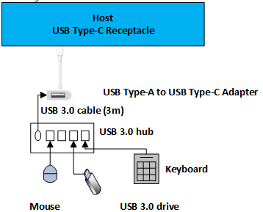
3 | DVT/ Regression | System Power Transitions | Tests whether the system's power transitions and wake-up capability from lower power states are not affected by the product | 1. Restart the test system and log on to Windows. 2. Attach a USB 3.0 hub to the exposed USB Type-C port on the system. For more information, see How to connect a device to a system. 3. Connect a USB device to the hub. 4. Open Device Manager on the test system. 5. Confirm that devices are added in Device Manager. For more information, see How to confirm device addition. 6. Send the system to a lower power state, such as Sleep or Hibernate, via the start menu or automation described below. 7. Wake up the system from the lower power state. If the device supports remote wake, use the device to wake the system. For more information, see Troubleshooting system wake. Otherwise wake the system normally (by using the power button or the keyboard). 8. Confirm that the device is still functional. For more information, see How to confirm device functionality. - Repeat this test for other available system power states: Sleep (S3), Hibernate (S4), and Hybrid Sleep. | 1. To confirm that the system’s power transitions and wake-up capability from lower power states are not affected by the product 2. Following device can be work. a) USB Type-A to USB Type-C adapter b) USB 3.0 hub c) USB mouse d) USB 3.0 flash drive e) USB Type-C storage drive f) USB Type-C video (dongle is acceptable) g) USB Type-C A/V dongle (includes both video, USB, and possibly audio as a single adapter) - Power supply: Two USB Type-C chargers from different suppliers.
4 | DVT/ Regression | Selective Suspend | Confirms the selective suspend setting enabled in image default setting | 1. Open device manage, make sure all Devices connect to USB type-C port are Selective Suspend enabled. | Make sure Selective Suspend in Device Manager is Enabled |  | 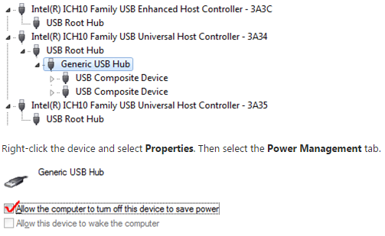
6 | DVT/ Regression | Dock Identification | Confirm device descriptor in dock is properly implemented. | 1. Restart the test system and log on to Windows. 2. Connect the USB Type-C dock to the system. 3. Ensure dock state is properly identified. - Note: Additional information on dock identification can be found in the 2015 WinHEC slide presentation (approximately slide 26 in section entitled: Identifying device as a dock). | Make sure dock is functional
7 | DVT/ Regression | Alternate Mode Negotiation | Confirm supported alternate modes | 1. Restart the test system and log on to Windows. 2. Open Device Manager on the test system. From Start, type devmgmt.msc in the Search text box. 3. Connect an alternate mode-enabled USB Type-C device to an alternate mode-enabled USB Type-C port on the system; make sure both the device and the system share at least one alternate mode in common and that the device is powered or connected to an external power source, if necessary. - Note: For Type-C dongles/adapters, ensure that an appropriate peripheral is powered on and connected to the non-Type-C end of the dongle/adapter. 4. Confirm that the alternate mode device is added in Device Manager. In some cases, the alternate mode device may show up as a Monitor device or another bus device. For more information, see How to confirm device addition. 5. Disconnect the device and observe changes in Device Manager. The hub and device should no longer appear in Device Manager. For more information, see How to confirm device removal. 6. Flip or reverse the orientation of the USB Type-C cable and repeat steps 2-5. | Confirm Alternate Mode negotiation for supported modes |  | 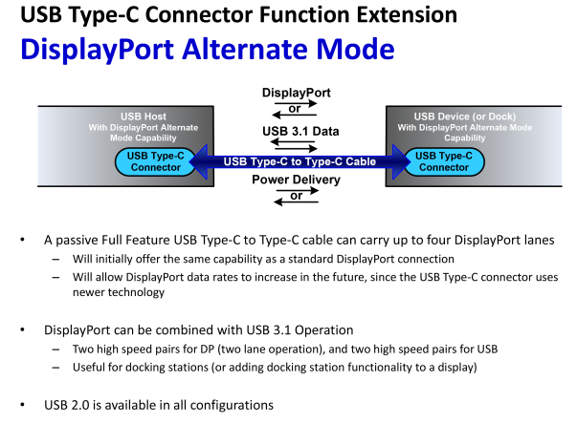
8 | DVT/ Regression | Charging and power delivery (PD) | Confirm charging with USB Type-C. | 1. Perform USB power deliver testing as defined by USB.org. 2. Restart the test system and log on to Windows. 3. For a system, perform these steps: a. Connect two systems together with a USB Type-C cable. Confirm that only one system is receiving current. b. If systems contains more than one USB Type-C port, connect two USB Type-C ports on the same system with a USB Type-C cable. Confirm the system is not charging (itself). c. Connect the bundled USB Type-C charger (if bundled) to the USB Type-C port of the system. Confirm the system is charging. d. Repeat step 3c above with USB Type-C chargers from other sources. e. Connect USB Type-C device to the systems exposed USB Type-C port. Confirm the device is receiving current. 4. For a dock, perform these steps: a. Connect dock to USB Type-C enabled system with USB Type-C cable. b. Confirm the dock is charging the system connected. 5. For a device, perform these steps: a. Connect device the device to a USB Type-C enabled system. Confirm the device receives power from the system. b. (optional) Connect device the device to a USB Type-C enabled system. Confirm the device will charge the system. | Confirm charging with USB Type-C |  | 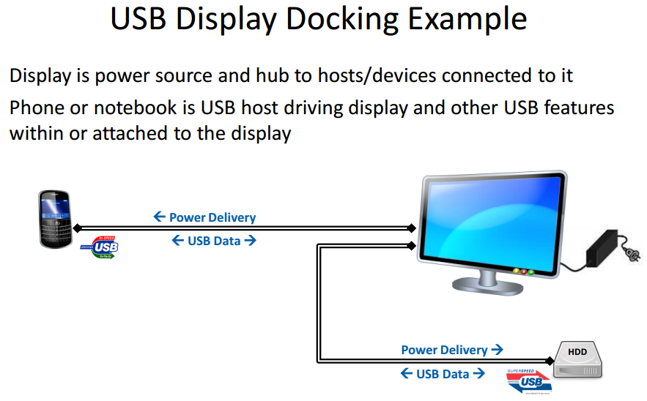 | 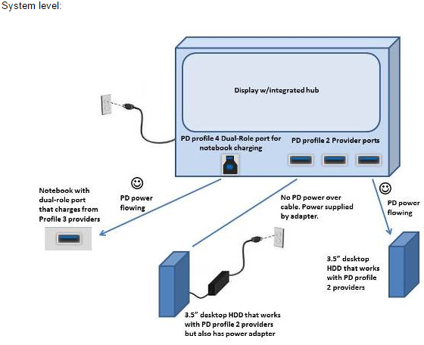 | 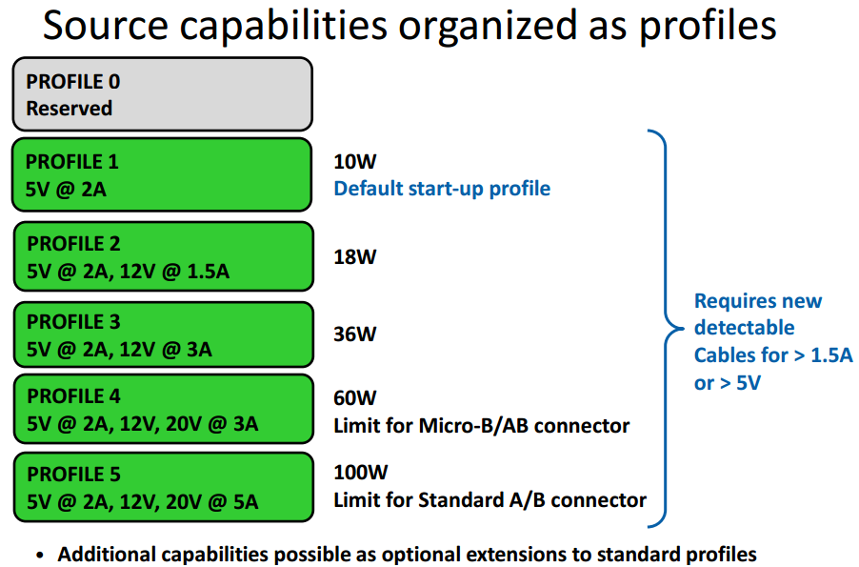
9 | DVT/ Regression | Role Swap | Confirm role swap. | 1. Restart the test system and log on to Windows. 2. Connect two systems together with a USB Type-C cable. 3. Confirm current roles of each system. 4. Perform necessary steps to swap roles. 5. Confirm current roles of each system have changed. | Confirm role swap
10 | DVT/ Regression | System Power Transitions | Tests product reliability after repetitive system power events | 1. Connect USB type-C device to system. a) USB 3.0 hub b) USB mouse c) USB 3.0 flash drive d) USB Type-C storage drive e) USB Type-C video (dongle is acceptable) f) USB Type-C A/V dongle 2. Perform acer PSR USB detect tool, each device 50 time, device not lost after S3/S4/S5. | Device not lost after S3/S4/S5.
11 | DVT/ Regression | Plug and Play (PnP) | Generates various PnP sequences. | 1. Let system into S3 and resume it. Hot plug each USB type-C devices 50 times. 2. Let system into S4 and resume it. Hot plug each USB type-C devices 50 times. | Confirm that device enumeration is functional
12 | DVT/ Regression | Device Topology | Tests a range of devices and topologies with the product. | Systems: - Windows 10Windows 10 system (PC, tablet or phone) with exposed USB Type-C port. - Additional Windows 10Windows 10 system (PC, tablet or phone) with exposed USB Type-C port. system (PC, tablet or phone) with exposed USB Type-C port. We recommend a system from another product line or OEM. Peripherals: USB Type-A to Type-C adapterUSB Type-A to USB Type-C adapter USB 3.0 hub USB mouse USB 3.0 flash drive USB Type-C storage drive USB Type-C video (dongle is acceptable) USB Type-C A/V dongle (includes video, audio, and USB as a single unit) - Power supply: Two USB Type-C chargers from different suppliers. - Perform all function stress test cases. Suggested configuration for the USB Type-C A/V is shown in this image: | The full interoperability test plan covers a larger set of user scenarios. Run these tests when the system of device is preparing for USB-IF certification. |  | 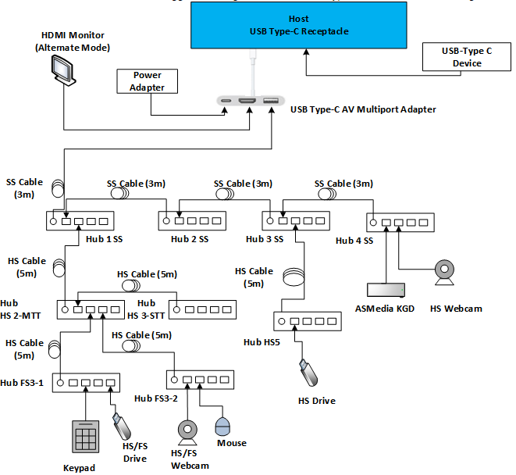
13 | DVT/ Regression | Flipping cable | Flipping or reversing the USB Type-C cable | The USB Type-C cable is intended to maintain user functionality regardless of cable orientation. Flipping or reversing the cable is achieved by removing cable, rotating it 180 degrees and reinserting the cable. |  |  | 