Sheet1
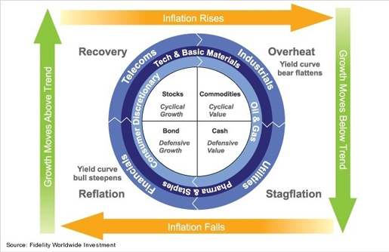
Stagflation |  |  |  | Communication | IYZ
 |  |  |  | Consumer Discretionary | IYC
 |  |  |  | Consumer Staples | IYK
 |  |  |  | Energy | IYE
 |  |  |  | Financials | IYF
Reflation |  |  |  | HealthCare | IYH
 |  |  |  | Industrials | IYJ
 |  |  |  | Materials | IYM
 |  |  |  | Real Estate | IYR
 |  |  |  | Technology | IYW
Recover |  |  |  | Utility | IDU
 |  |  |  | Bond | AGG

Overheat
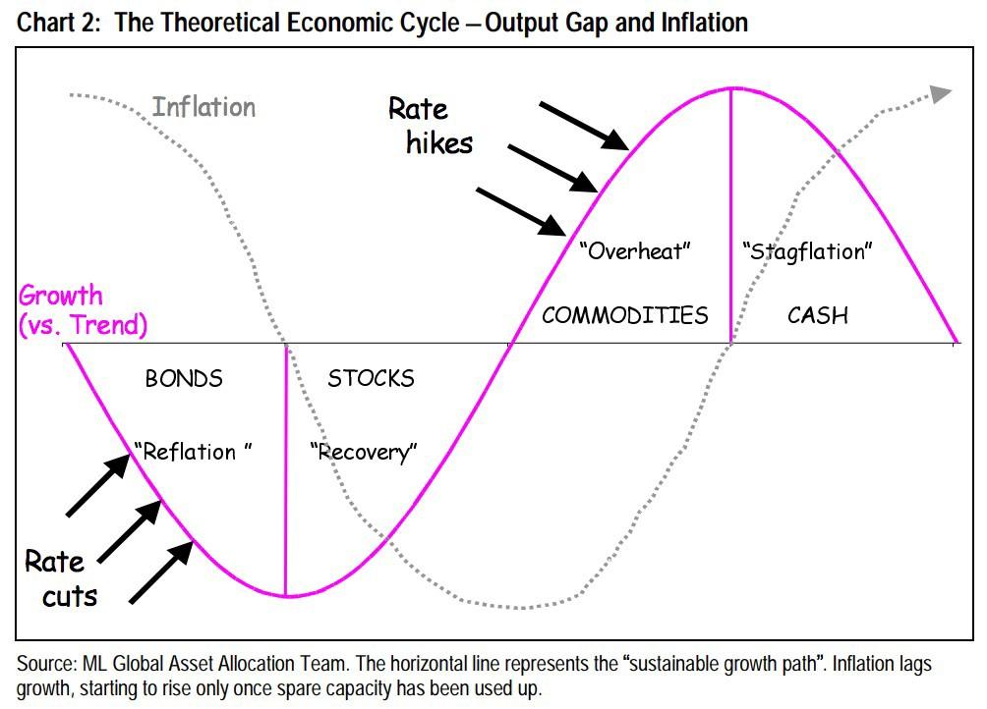

Stage Identifier |  | Inflation 1st derivative positve | Inflation 1st derivative negative
 | GDP 1st derivative positive | Reflation - 0 | Stagflation -3
 | GDP 1st derivative negative | Recovery - 1 | Overheat -2

