Sheet1
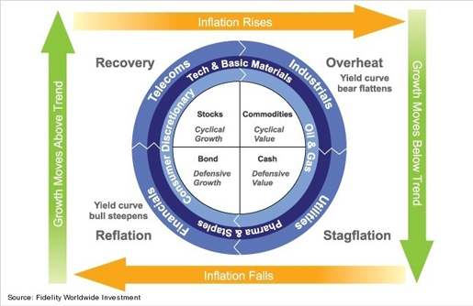
Reflation |  | Top Performer |  | Worst Performer | Communication | IYZ
 | IYW | Tech | IYE | Energy | Consumer Discretionary | IYC
 | IYC | Consumer Discretionary | IYZ | Communication | Consumer Staples | IYK
 | IYH | Healthcare | AGG | Bond | Energy | IYE
 |  |  |  |  | Financials | IYF
 |  | Top Performer |  | Worst Performer | HealthCare | IYH
Recover | Real Estate | IYR | Communication | IYZ | Industrials | IYJ
 | Utility | IDU | Energy | IYE | Materials | IYM
 | Financial | IYF | Materials | IYM | Real Estate | IYR
 |  |  |  |  | Technology | IYW
 |  | Top Performer |  | Worst Performer | Utility | IDU
Overheat | Energy | IYE | Real Estate | IYR | Bond | AGG
 | Tech | IYW | Financial | IYF
 | Utility | IDU | Bond | AGG

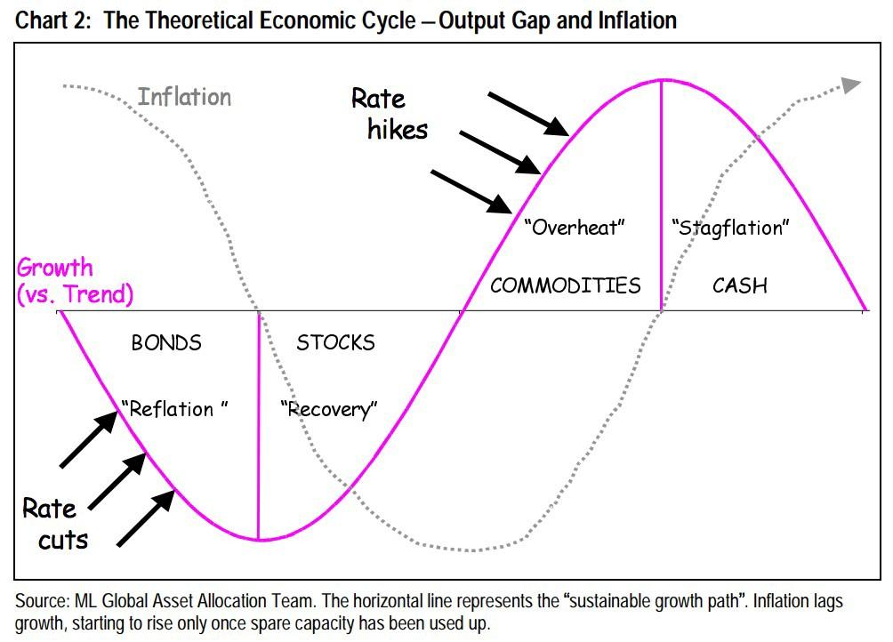
Stagflation |  | Top Performer |  | Worst Performer
 | Energy | IYE | Bond | AGG
 | Materials | IYM | Utility | IDU
 | Technology | IYW | Financials | IYF

Stage Identifier |  | Inflation 1st derivative positve | Inflation 1st derivative negative
 | GDP 1st derivative positive | Reflation - 0 | Stagflation -3
 | GDP 1st derivative negative | Recovery - 1 | Overheat -2

