Albania
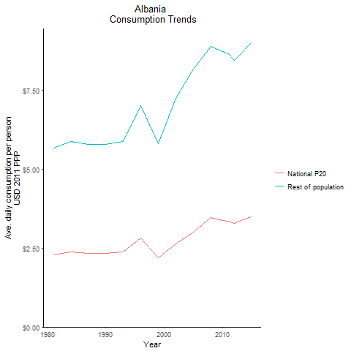
CountryName | National P20 | Rest of population | Year
Albania | 2.279984553 | 5.6577572864 | 1981
Albania | 2.371266063 | 5.8842697856 | 1984
Albania | 2.32911105 | 5.7796701827 | 1990
Albania | 2.3262126 | 5.7724715075 | 1987
Albania | 2.37125979 | 5.8842549155 | 1993
Albania | 2.8277796475 | 7.0171016635 | 1996
Albania | 2.18970752 | 5.7929005173 | 1999
Albania | 2.6377865745 | 7.2350533564 | 2002
Albania | 2.9994261075 | 8.1745105964 | 2005
Albania | 3.463382494 | 8.8953283491 | 2008
Albania | 3.377326536 | 8.7331149413 | 2010
Albania | 3.3542154775 | 8.6637201032 | 2011
Albania | 3.27832177 | 8.4384935301 | 2012
Albania | 3.3444524655 | 8.6087088014 | 2013
Albania | 3.492163125 | 8.9889126434 | 2015

Armenia
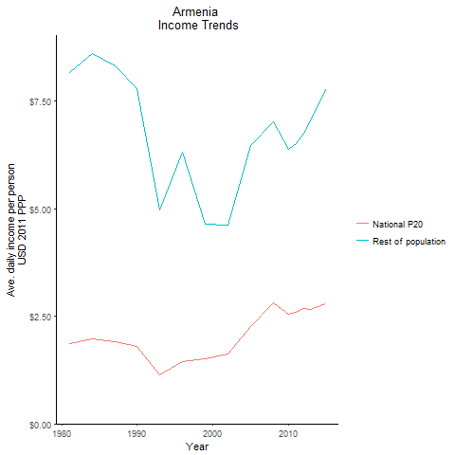
CountryName | National P20 | Rest of population | Year
Armenia | 1.87314751 | 8.1713268211 | 1981
Armenia | 1.9716091395 | 8.6008210028 | 1984
Armenia | 1.788381568 | 7.8015237861 | 1990
Armenia | 1.90653276 | 8.3169339333 | 1987
Armenia | 1.139959493 | 4.9728840994 | 1993
Armenia | 1.447456878 | 6.3143316709 | 1996
Armenia | 1.5216249 | 4.6508855558 | 1999
Armenia | 1.6140503115 | 4.6112750934 | 2002
Armenia | 2.26798998 | 6.4741956557 | 2005
Armenia | 2.822861536 | 7.0320161228 | 2008
Armenia | 2.5567140225 | 6.3817297136 | 2010
Armenia | 2.590707858 | 6.5194216656 | 2011
Armenia | 2.671100208 | 6.7569044001 | 2012
Armenia | 2.6578334265 | 7.0395293146 | 2013
Armenia | 2.7855224645 | 7.7740659592 | 2015

Azerbaijan
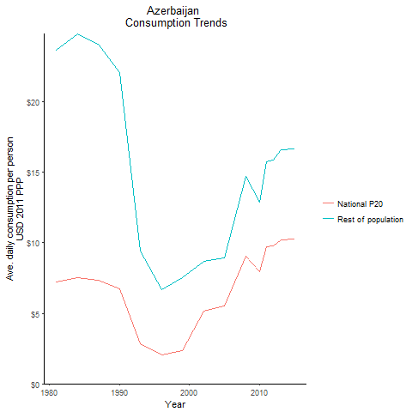
CountryName | National P20 | Rest of population | Year
Azerbaijan | 7.214188 | 23.703759849 | 1981
Azerbaijan | 7.556706675 | 24.828971276 | 1984
Azerbaijan | 6.720616614 | 22.081855436 | 1990
Azerbaijan | 7.338316325 | 24.112289412 | 1987
Azerbaijan | 2.864463909 | 9.411731968 | 1993
Azerbaijan | 2.058268339 | 6.7019822303 | 1996
Azerbaijan | 2.3668090165 | 7.5033087048 | 1999
Azerbaijan | 5.140491122 | 8.7059292743 | 2002
Azerbaijan | 5.520797603 | 8.9425745719 | 2005
Azerbaijan | 9.0738822 | 14.698559587 | 2008
Azerbaijan | 7.9448905085 | 12.869111619 | 2010
Azerbaijan | 9.7166388 | 15.739111533 | 2011
Azerbaijan | 9.7953879375 | 15.874035207 | 2012
Azerbaijan | 10.2313131 | 16.578049807 | 2013
Azerbaijan | 10.298516625 | 16.683118789 | 2015

Belarus
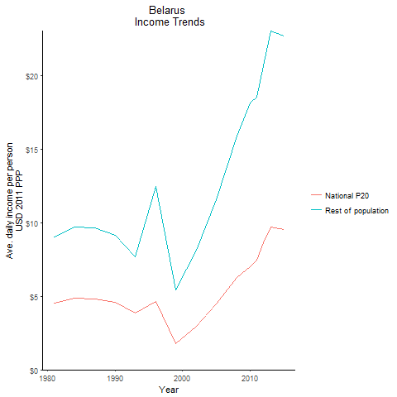
CountryName | National P20 | Rest of population | Year
Belarus | 4.5182658445 | 9.0309157307 | 1981
Belarus | 4.862073416 | 9.7181008241 | 1984
Belarus | 4.58824744 | 9.1707970441 | 1990
Belarus | 4.84686192 | 9.6877036981 | 1987
Belarus | 3.848232234 | 7.691696736 | 1993
Belarus | 4.645896203 | 12.492935538 | 1996
Belarus | 1.791360865 | 5.431317318 | 1999
Belarus | 2.948236312 | 8.1620053056 | 2002
Belarus | 4.49873407 | 11.554035661 | 2005
Belarus | 6.29715405 | 15.927201898 | 2008
Belarus | 7.028313432 | 18.183979176 | 2010
Belarus | 7.476657517 | 18.55814384 | 2011
Belarus | 8.67509995 | 20.707108574 | 2012
Belarus | 9.7253858625 | 23.071217918 | 2013
Belarus | 9.5635848 | 22.743551745 | 2015

Bulgaria
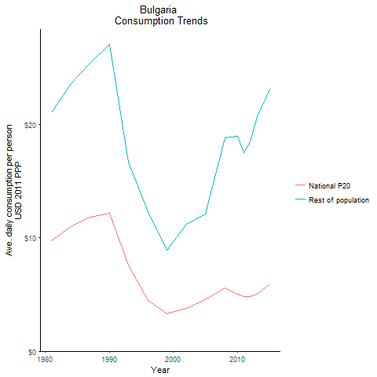
CountryName | National P20 | Rest of population | Year
Bulgaria | 9.7695846 | 20.991964124 | 1981
Bulgaria | 10.979658675 | 23.591033276 | 1984
Bulgaria | 12.179892875 | 27.027388425 | 1990
Bulgaria | 11.801288412 | 25.356366938 | 1987
Bulgaria | 7.617597833 | 16.640573144 | 1993
Bulgaria | 4.481715367 | 12.288469788 | 1996
Bulgaria | 3.276069232 | 8.8847621441 | 1999
Bulgaria | 3.790716524 | 11.221689362 | 2002
Bulgaria | 4.56108487 | 12.078706865 | 2005
Bulgaria | 5.607301305 | 18.800277413 | 2008
Bulgaria | 5.053352198 | 18.924282498 | 2010
Bulgaria | 4.795470381 | 17.506300898 | 2011
Bulgaria | 4.8397240125 | 18.454230641 | 2012
Bulgaria | 5.028236109 | 20.701058781 | 2013
Bulgaria | 5.9113067145 | 23.134555513 | 2015

Croatia
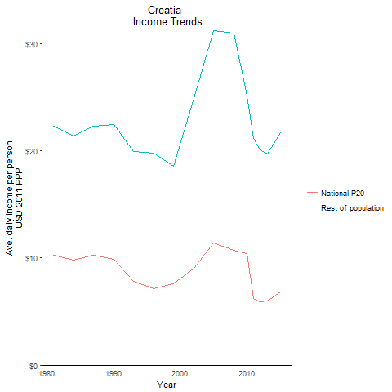
CountryName | National P20 | Rest of population | Year
Croatia | 10.254493 | 22.307289079 | 1981
Croatia | 9.83221125 | 21.391141708 | 1984
Croatia | 9.8691918 | 22.424749995 | 1990
Croatia | 10.255594737 | 22.309623233 | 1987
Croatia | 7.786931275 | 19.927911017 | 1993
Croatia | 7.140661475 | 19.787633261 | 1996
Croatia | 7.558403203 | 18.580804679 | 1999
Croatia | 9.0616182125 | 24.86706805 | 2002
Croatia | 11.3714895 | 31.227589269 | 2005
Croatia | 10.7516885 | 30.977876505 | 2008
Croatia | 10.3931251 | 25.127546122 | 2010
Croatia | 6.2550597785 | 21.123673412 | 2011
Croatia | 5.9441233295 | 20.080192455 | 2012
Croatia | 6.004389125 | 19.739926006 | 2013
Croatia | 6.797876202 | 21.694481634 | 2015

Czech Republic
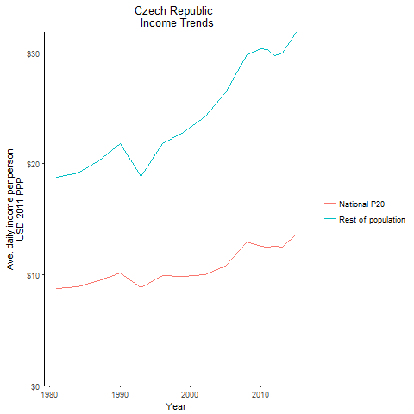
CountryName | National P20 | Rest of population | Year
Czech Republic | 8.7418821375 | 18.757936315 | 1981
Czech Republic | 8.92351215 | 19.143789086 | 1984
Czech Republic | 10.168521 | 21.812301257 | 1990
Czech Republic | 9.437711625 | 20.244277573 | 1987
Czech Republic | 8.804807025 | 18.886883175 | 1993
Czech Republic | 9.942960625 | 21.839879022 | 1996
Czech Republic | 9.8676412875 | 22.790903377 | 1999
Czech Republic | 9.971606825 | 24.23183802 | 2002
Czech Republic | 10.789889813 | 26.36439467 | 2005
Czech Republic | 12.93816875 | 29.825815347 | 2008
Czech Republic | 12.5598771 | 30.351936204 | 2010
Czech Republic | 12.493581287 | 30.326559473 | 2011
Czech Republic | 12.576835425 | 29.738622651 | 2012
Czech Republic | 12.512663725 | 29.982365576 | 2013
Czech Republic | 13.6360467 | 31.859165037 | 2015

Estonia
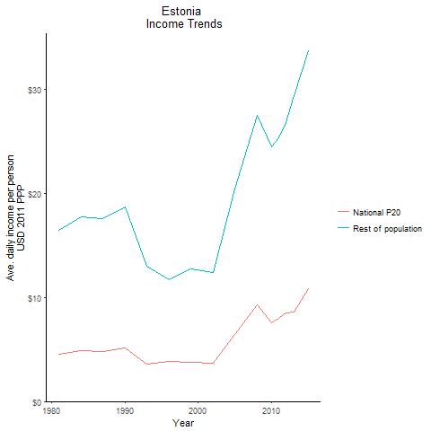
CountryName | National P20 | Rest of population | Year
Estonia | 4.509895754 | 16.469983596 | 1981
Estonia | 4.859432996 | 17.746469148 | 1984
Estonia | 5.108298165 | 18.655319979 | 1990
Estonia | 4.8142525375 | 17.581483441 | 1987
Estonia | 3.551361485 | 12.9694473 | 1993
Estonia | 3.842730957 | 11.696247398 | 1996
Estonia | 3.74822658 | 12.738340615 | 1999
Estonia | 3.6903518535 | 12.426820256 | 2002
Estonia | 6.471101735 | 20.383225936 | 2005
Estonia | 9.2867295625 | 27.499718979 | 2008
Estonia | 7.590845825 | 24.496658407 | 2010
Estonia | 7.9868256 | 25.362327847 | 2011
Estonia | 8.479693125 | 26.813531513 | 2012
Estonia | 8.5736716 | 29.366609497 | 2013
Estonia | 10.870557075 | 33.683884019 | 2015

Georgia
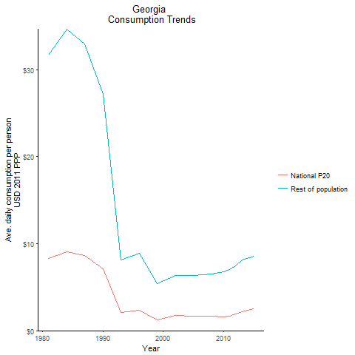
CountryName | National P20 | Rest of population | Year
Georgia | 8.2786866 | 31.705092734 | 1981
Georgia | 9.0490682875 | 34.655942517 | 1984
Georgia | 7.0958284875 | 27.176696303 | 1990
Georgia | 8.60612375 | 32.958438926 | 1987
Georgia | 2.132696495 | 8.167438205 | 1993
Georgia | 2.319496439 | 8.8827916437 | 1996
Georgia | 1.238828975 | 5.4294982357 | 1999
Georgia | 1.710917404 | 6.3720665394 | 2002
Georgia | 1.66247721 | 6.3719916564 | 2005
Georgia | 1.6541954415 | 6.4967949752 | 2008
Georgia | 1.599006927 | 6.7789236107 | 2010
Georgia | 1.67342693 | 7.0470158702 | 2011
Georgia | 1.896002976 | 7.4861129546 | 2012
Georgia | 2.138664624 | 8.139463981 | 2013
Georgia | 2.487427192 | 8.5653185445 | 2015

Hungary
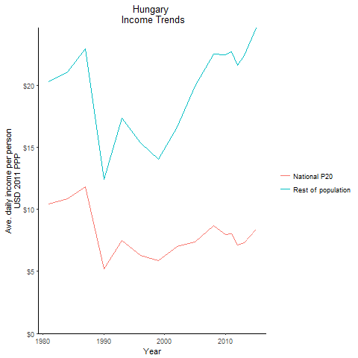
CountryName | National P20 | Rest of population | Year
Hungary | 10.46755365 | 20.301471861 | 1981
Hungary | 10.875859037 | 21.093506474 | 1984
Hungary | 5.190462886 | 12.451651402 | 1990
Hungary | 11.821026937 | 22.925361074 | 1987
Hungary | 7.469936794 | 17.347581555 | 1993
Hungary | 6.262919054 | 15.377472976 | 1996
Hungary | 5.886256175 | 14.053534586 | 1999
Hungary | 6.995463915 | 16.638216213 | 2002
Hungary | 7.358201307 | 19.941448303 | 2005
Hungary | 8.678170475 | 22.527961491 | 2008
Hungary | 7.9975753 | 22.481826723 | 2010
Hungary | 8.058438125 | 22.741493208 | 2011
Hungary | 7.1478718375 | 21.639682726 | 2012
Hungary | 7.319487525 | 22.414710311 | 2013
Hungary | 8.374225 | 24.64854649 | 2015

Kazakhstan
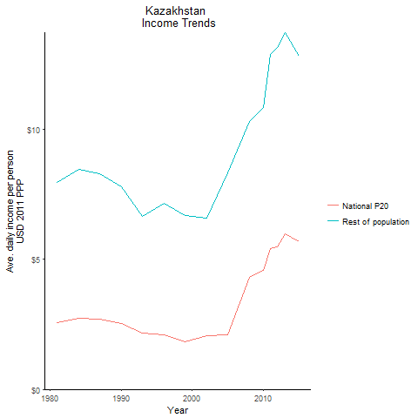
CountryName | National P20 | Rest of population | Year
Kazakhstan | 2.5694946225 | 7.9389126457 | 1981
Kazakhstan | 2.730599642 | 8.4366637881 | 1984
Kazakhstan | 2.515108024 | 7.7708654598 | 1990
Kazakhstan | 2.67901002 | 8.2772707827 | 1987
Kazakhstan | 2.152926308 | 6.6518560942 | 1993
Kazakhstan | 2.10115701 | 7.1427682817 | 1996
Kazakhstan | 1.829273664 | 6.6670898032 | 1999
Kazakhstan | 2.0600740875 | 6.5683102452 | 2002
Kazakhstan | 2.093522094 | 8.3246715313 | 2005
Kazakhstan | 4.29666311 | 10.299126003 | 2008
Kazakhstan | 4.559371116 | 10.829684618 | 2010
Kazakhstan | 5.405315052 | 12.857213703 | 2011
Kazakhstan | 5.465026185 | 13.120488659 | 2012
Kazakhstan | 5.962154121 | 13.702595716 | 2013
Kazakhstan | 5.654911691 | 12.784774817 | 2015

Kyrgyz Republic
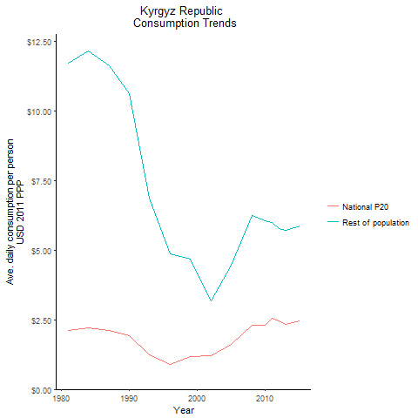
CountryName | National P20 | Rest of population | Year
Kyrgyz Republic | 2.121028045 | 11.723251208 | 1981
Kyrgyz Republic | 2.195282808 | 12.133617654 | 1984
Kyrgyz Republic | 1.91805183 | 10.601365125 | 1990
Kyrgyz Republic | 2.0989635145 | 11.601250902 | 1987
Kyrgyz Republic | 1.242596782 | 6.8679973798 | 1993
Kyrgyz Republic | 0.8818338615 | 4.8740141374 | 1996
Kyrgyz Republic | 1.18019175 | 4.66997672 | 1999
Kyrgyz Republic | 1.20074718 | 3.1740815612 | 2002
Kyrgyz Republic | 1.6277675475 | 4.4637348255 | 2005
Kyrgyz Republic | 2.292642692 | 6.2524146695 | 2008
Kyrgyz Republic | 2.298545254 | 6.060188344 | 2010
Kyrgyz Republic | 2.559683255 | 5.9838490493 | 2011
Kyrgyz Republic | 2.4593847345 | 5.7862497068 | 2012
Kyrgyz Republic | 2.347168752 | 5.7232845243 | 2013
Kyrgyz Republic | 2.4611589175 | 5.8701472569 | 2015

Latvia
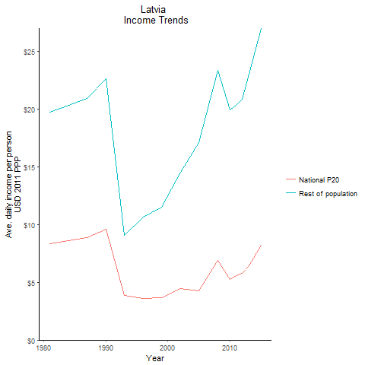
CountryName | National P20 | Rest of population | Year
Latvia | 8.3650050125 | 19.703802172 | 1981
Latvia | 8.62385055 | 20.312771609 | 1984
Latvia | 9.6000690125 | 22.612581377 | 1990
Latvia | 8.8719379125 | 20.898856618 | 1987
Latvia | 3.85655727 | 9.0837565729 | 1993
Latvia | 3.570376635 | 10.657557896 | 1996
Latvia | 3.646605865 | 11.475837575 | 1999
Latvia | 4.462847139 | 14.549404654 | 2002
Latvia | 4.2889199625 | 17.069070009 | 2005
Latvia | 6.905753174 | 23.390338419 | 2008
Latvia | 5.232441247 | 19.924447222 | 2010
Latvia | 5.55068254 | 20.302058132 | 2011
Latvia | 5.77798969 | 20.837550523 | 2012
Latvia | 6.4053896955 | 23.060185453 | 2013
Latvia | 8.2128367125 | 26.99540863 | 2015

Lithuania
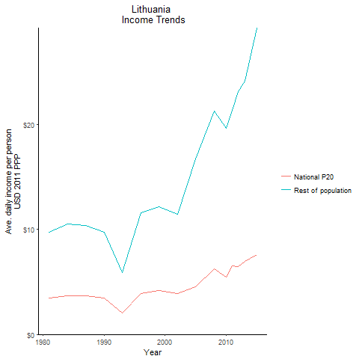
CountryName | National P20 | Rest of population | Year
Lithuania | 3.436351821 | 9.7627408119 | 1981
Lithuania | 3.702493172 | 10.51884657 | 1984
Lithuania | 3.4280961 | 9.7392800846 | 1990
Lithuania | 3.6508861795 | 10.372218181 | 1987
Lithuania | 2.071486704 | 5.8851228445 | 1993
Lithuania | 3.914196388 | 11.600570081 | 1996
Lithuania | 4.159998969 | 12.178534504 | 1999
Lithuania | 3.87072972 | 11.411702502 | 2002
Lithuania | 4.564373745 | 16.685436701 | 2005
Lithuania | 6.2359820215 | 21.251545591 | 2008
Lithuania | 5.4519975125 | 19.664103362 | 2010
Lithuania | 6.541591356 | 21.357103531 | 2011
Lithuania | 6.477004586 | 23.138022826 | 2012
Lithuania | 6.9568651375 | 24.120849469 | 2013
Lithuania | 7.6305204 | 29.197795927 | 2015

Poland
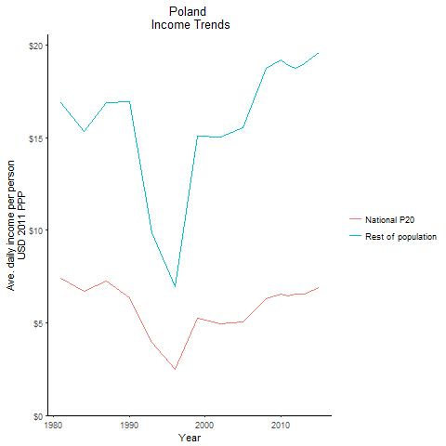
CountryName | National P20 | Rest of population | Year
Poland | 7.387444802 | 16.926719621 | 1981
Poland | 6.69394899 | 15.337725081 | 1984
Poland | 6.357219144 | 16.965054118 | 1990
Poland | 7.246083285 | 16.919690138 | 1987
Poland | 3.9707451 | 9.8817096154 | 1993
Poland | 2.4959349525 | 6.9594655769 | 1996
Poland | 5.2526796675 | 15.073586248 | 1999
Poland | 4.953111183 | 15.044575629 | 2002
Poland | 5.040952212 | 15.521950988 | 2005
Poland | 6.302774828 | 18.761622731 | 2008
Poland | 6.557828706 | 19.211866111 | 2010
Poland | 6.4815440475 | 18.927505769 | 2011
Poland | 6.560423376 | 18.7845558 | 2012
Poland | 6.558262854 | 19.002254834 | 2013
Poland | 6.92356258 | 19.597921684 | 2015

Romania
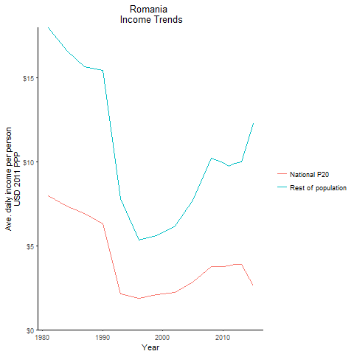
CountryName | National P20 | Rest of population | Year
Romania | 7.978439075 | 17.994131327 | 1981
Romania | 7.369275332 | 16.616898975 | 1984
Romania | 6.3011421735 | 15.431171991 | 1990
Romania | 6.935502714 | 15.638795554 | 1987
Romania | 2.113606668 | 7.8006832645 | 1993
Romania | 1.872159226 | 5.3479286867 | 1996
Romania | 2.0885272315 | 5.603679151 | 1999
Romania | 2.2058588125 | 6.1862394065 | 2002
Romania | 2.8204430625 | 7.7147221111 | 2005
Romania | 3.7549088045 | 10.230301566 | 2008
Romania | 3.7710575205 | 9.9585328801 | 2010
Romania | 3.817885926 | 9.7216079706 | 2011
Romania | 3.880650103 | 9.9144169263 | 2012
Romania | 3.8926669285 | 9.9819784734 | 2013
Romania | 2.625252591 | 12.265537537 | 2015

Russian Federation
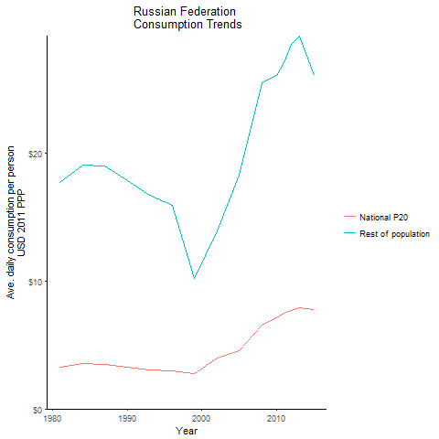
CountryName | National P20 | Rest of population | Year
Russian Federation | 3.25693311 | 17.703398229 | 1981
Russian Federation | 3.50908758 | 19.073997968 | 1984
Russian Federation | 3.28218796 | 17.840673558 | 1990
Russian Federation | 3.486809637 | 18.95290581 | 1987
Russian Federation | 3.068999952 | 16.68186782 | 1993
Russian Federation | 2.956556028 | 15.868096609 | 1996
Russian Federation | 2.7255799725 | 10.187202267 | 1999
Russian Federation | 3.95030655 | 13.87294802 | 2002
Russian Federation | 4.534153708 | 18.281927326 | 2005
Russian Federation | 6.56717706 | 25.484201625 | 2008
Russian Federation | 7.133321706 | 26.050291491 | 2010
Russian Federation | 7.468032 | 27.05609063 | 2011
Russian Federation | 7.714456575 | 28.500805034 | 2012
Russian Federation | 7.917001575 | 29.106642757 | 2013
Russian Federation | 7.7240366375 | 26.022390841 | 2015

Slovak Republic
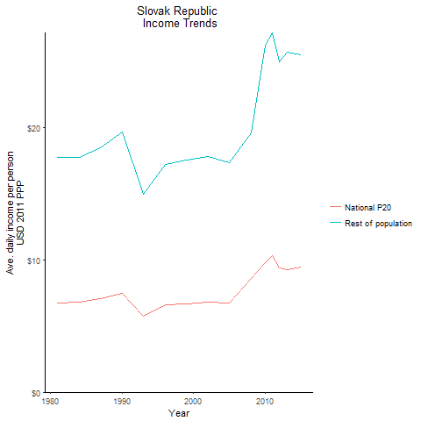
CountryName | National P20 | Rest of population | Year
Slovak Republic | 6.765843546 | 17.727658292 | 1981
Slovak Republic | 6.7835544615 | 17.77406207 | 1984
Slovak Republic | 7.50114805 | 19.655429426 | 1990
Slovak Republic | 7.0627425125 | 18.506395194 | 1987
Slovak Republic | 5.722351305 | 14.993536831 | 1993
Slovak Republic | 6.58211328 | 17.246248392 | 1996
Slovak Republic | 6.675778932 | 17.532616911 | 1999
Slovak Republic | 6.7869192405 | 17.846100327 | 2002
Slovak Republic | 6.73634736 | 17.373630968 | 2005
Slovak Republic | 8.6015797125 | 19.644453017 | 2008
Slovak Republic | 9.7623596 | 26.241645716 | 2010
Slovak Republic | 10.309784637 | 27.189581238 | 2011
Slovak Republic | 9.4122432 | 24.96163509 | 2012
Slovak Republic | 9.2685889875 | 25.711051383 | 2013
Slovak Republic | 9.4871775625 | 25.528628897 | 2015

Turkey
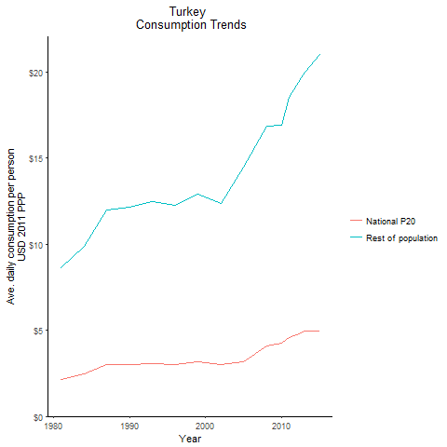
CountryName | National P20 | Rest of population | Year
Turkey | 2.1633826405 | 8.6341488604 | 1981
Turkey | 2.471223415 | 9.8627311326 | 1984
Turkey | 3.006985707 | 12.170733025 | 1990
Turkey | 3.001660921 | 11.979714907 | 1987
Turkey | 3.060245124 | 12.467535979 | 1993
Turkey | 3.007537379 | 12.265818395 | 1996
Turkey | 3.157365048 | 12.898955998 | 1999
Turkey | 3.022842992 | 12.354383773 | 2002
Turkey | 3.1464026955 | 14.455289737 | 2005
Turkey | 4.0685753745 | 16.850071225 | 2008
Turkey | 4.245565599 | 16.917883943 | 2010
Turkey | 4.559911524 | 18.527972804 | 2011
Turkey | 4.731853423 | 19.244201028 | 2012
Turkey | 4.970447 | 20.014977291 | 2013
Turkey | 4.978136441 | 20.997917945 | 2015

Ukraine
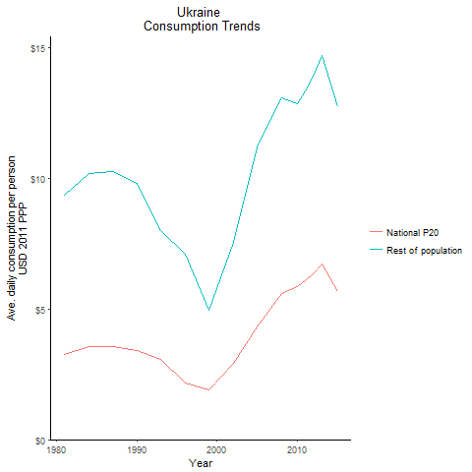
CountryName | National P20 | Rest of population | Year
Ukraine | 3.256717725 | 9.3717123496 | 1981
Ukraine | 3.54492215 | 10.201066723 | 1984
Ukraine | 3.4047885855 | 9.7978329906 | 1990
Ukraine | 3.569892976 | 10.272963742 | 1987
Ukraine | 3.0904367445 | 7.9899223207 | 1993
Ukraine | 2.1857107475 | 7.1159709433 | 1996
Ukraine | 1.919339682 | 4.9708568603 | 1999
Ukraine | 2.906369625 | 7.5533459499 | 2002
Ukraine | 4.332661163 | 11.218314161 | 2005
Ukraine | 5.5829734635 | 13.093931977 | 2008
Ukraine | 5.849030835 | 12.85395599 | 2010
Ukraine | 6.094342422 | 13.355921244 | 2011
Ukraine | 6.3297656685 | 13.914280501 | 2012
Ukraine | 6.7273449175 | 14.691991168 | 2013
Ukraine | 5.6859628825 | 12.763216129 | 2015

Uzbekistan
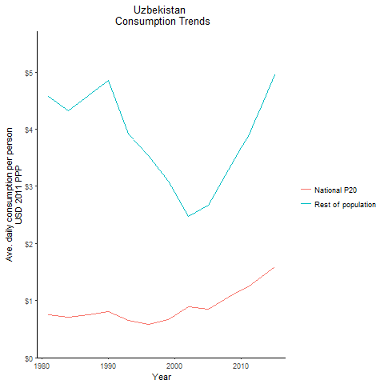
CountryName | National P20 | Rest of population | Year
Uzbekistan | 0.756854008 | 4.5805440322 | 1981
Uzbekistan | 0.713843817 | 4.3202732923 | 1984
Uzbekistan | 0.8032862975 | 4.8615469188 | 1990
Uzbekistan | 0.757360404 | 4.5836352415 | 1987
Uzbekistan | 0.6482245185 | 3.9231001717 | 1993
Uzbekistan | 0.58511544 | 3.5412216879 | 1996
Uzbekistan | 0.664119589 | 3.0866670891 | 1999
Uzbekistan | 0.884912652 | 2.4680285493 | 2002
Uzbekistan | 0.854121762 | 2.6647665458 | 2005
Uzbekistan | 1.05241029 | 3.2833145508 | 2008
Uzbekistan | 1.179917523 | 3.6811248658 | 2010
Uzbekistan | 1.2440172195 | 3.881076517 | 2011
Uzbekistan | 1.326342381 | 4.13796235 | 2012
Uzbekistan | 1.410268644 | 4.3997369486 | 2013
Uzbekistan | 1.586395047 | 4.9492327451 | 2015

Bosnia and Herzegovina
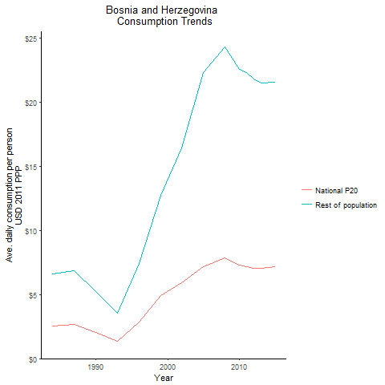
CountryName | National P20 | Rest of population | Year
Bosnia and Herzegovina | 2.5514615 | 6.6226236661 | 1984
Bosnia and Herzegovina | 2.017013026 | 5.2354330449 | 1990
Bosnia and Herzegovina | 2.644324216 | 6.8636668912 | 1987
Bosnia and Herzegovina | 1.367744969 | 3.5501445797 | 1993
Bosnia and Herzegovina | 2.866634804 | 7.4406947237 | 1996
Bosnia and Herzegovina | 4.9085836155 | 12.740800671 | 1999
Bosnia and Herzegovina | 5.918587067 | 16.417420357 | 2002
Bosnia and Herzegovina | 7.141693385 | 22.265145147 | 2005
Bosnia and Herzegovina | 7.82574765 | 24.265243909 | 2008
Bosnia and Herzegovina | 7.26690302 | 22.564894793 | 2010
Bosnia and Herzegovina | 7.179345495 | 22.277817051 | 2011
Bosnia and Herzegovina | 7.063615832 | 21.814486453 | 2012
Bosnia and Herzegovina | 7.0108942275 | 21.506983292 | 2013
Bosnia and Herzegovina | 7.1495324845 | 21.529755235 | 2015

Macedonia, former Yugoslav Rep
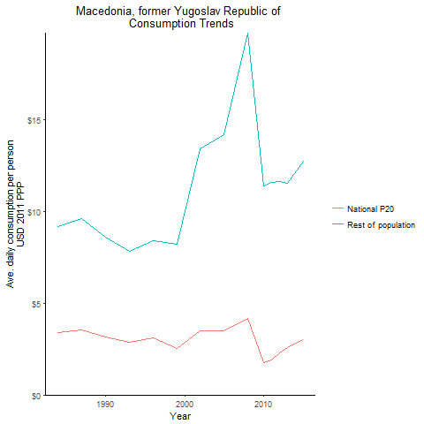
CountryName | National P20 | Rest of population | Year
Macedonia, former Yugoslav Republic of | 3.398645952 | 9.1818453613 | 1984
Macedonia, former Yugoslav Republic of | 3.1826949 | 8.5984276449 | 1990
Macedonia, former Yugoslav Republic of | 3.5656423325 | 9.6330044854 | 1987
Macedonia, former Yugoslav Republic of | 2.89146636 | 7.8116361497 | 1993
Macedonia, former Yugoslav Republic of | 3.119747952 | 8.4283698613 | 1996
Macedonia, former Yugoslav Republic of | 2.535179416 | 8.2391366528 | 1999
Macedonia, former Yugoslav Republic of | 3.505121392 | 13.41504157 | 2002
Macedonia, former Yugoslav Republic of | 3.48627956 | 14.170845178 | 2005
Macedonia, former Yugoslav Republic of | 4.178329222 | 19.732546462 | 2008
Macedonia, former Yugoslav Republic of | 1.762422545 | 11.383199843 | 2010
Macedonia, former Yugoslav Republic of | 1.929999051 | 11.601935854 | 2011
Macedonia, former Yugoslav Republic of | 2.288977812 | 11.641770615 | 2012
Macedonia, former Yugoslav Republic of | 2.563053712 | 11.536405065 | 2013
Macedonia, former Yugoslav Republic of | 3.0030524815 | 12.748747839 | 2015

Moldova
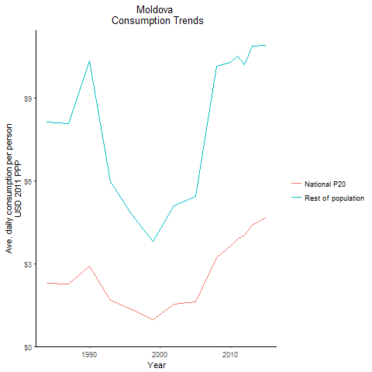
CountryName | National P20 | Rest of population | Year
Moldova | 2.282079218 | 8.143025401 | 1984
Moldova | 2.899191492 | 10.345029524 | 1990
Moldova | 2.260304581 | 8.0653320739 | 1987
Moldova | 1.675923209 | 5.9801383758 | 1993
Moldova | 1.33221122 | 4.7536814416 | 1996
Moldova | 0.961207661 | 3.7961421943 | 1999
Moldova | 1.535405138 | 5.1124610443 | 2002
Moldova | 1.63001157 | 5.440282039 | 2005
Moldova | 3.215001135 | 10.162433278 | 2008
Moldova | 3.634999965 | 10.286428091 | 2010
Moldova | 3.903448703 | 10.516361112 | 2011
Moldova | 4.0291279065 | 10.207630352 | 2012
Moldova | 4.385030592 | 10.896447831 | 2013
Moldova | 4.684753002 | 10.901292571 | 2015

Montenegro
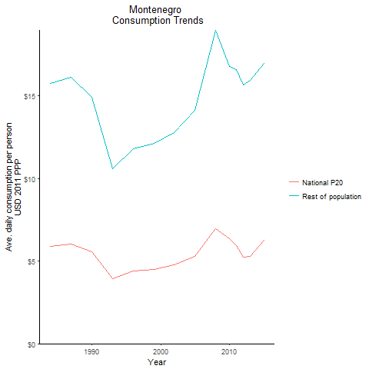
CountryName | National P20 | Rest of population | Year
Montenegro | 5.8838807175 | 15.780044889 | 1984
Montenegro | 5.562673866 | 14.918589068 | 1990
Montenegro | 6.017296444 | 16.137878629 | 1987
Montenegro | 3.9568183725 | 10.611803626 | 1993
Montenegro | 4.398213312 | 11.795634343 | 1996
Montenegro | 4.519016016 | 12.11960627 | 1999
Montenegro | 4.7697340625 | 12.792000731 | 2002
Montenegro | 5.279730602 | 14.159755021 | 2005
Montenegro | 6.984132105 | 18.978328618 | 2008
Montenegro | 6.363591648 | 16.790443184 | 2010
Montenegro | 5.94872838 | 16.611600097 | 2011
Montenegro | 5.243100408 | 15.667096131 | 2012
Montenegro | 5.2800513225 | 15.940573471 | 2013
Montenegro | 6.266066924 | 16.95887368 | 2015

Serbia
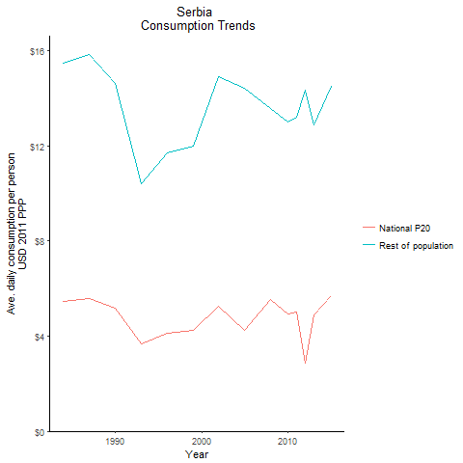
CountryName | National P20 | Rest of population | Year
Serbia | 5.46491808 | 15.488551302 | 1984
Serbia | 5.166571983 | 14.643013169 | 1990
Serbia | 5.58884176 | 15.839774492 | 1987
Serbia | 3.675063304 | 10.415784859 | 1993
Serbia | 4.1332426675 | 11.714387963 | 1996
Serbia | 4.23254718 | 11.995824849 | 1999
Serbia | 5.263272404 | 14.917103817 | 2002
Serbia | 4.251847896 | 14.43789419 | 2005
Serbia | 5.5539272285 | 13.567537371 | 2008
Serbia | 4.926917968 | 13.017917083 | 2010
Serbia | 5.000994447 | 13.199913032 | 2011
Serbia | 2.866085417 | 14.355264947 | 2012
Serbia | 4.89850752 | 12.900437504 | 2013
Serbia | 5.720703877 | 14.50143088 | 2015

Slovenia
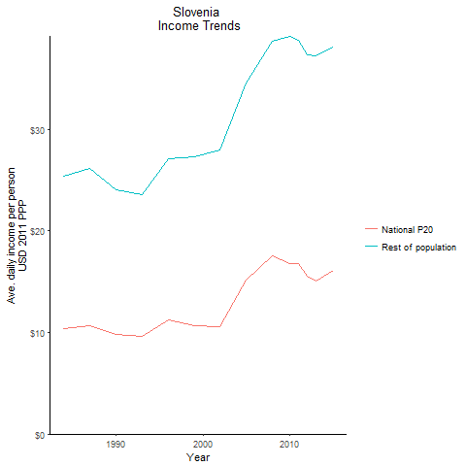
CountryName | National P20 | Rest of population | Year
Slovenia | 10.3687467 | 25.344873599 | 1984
Slovenia | 9.8506470125 | 24.075704 | 1990
Slovenia | 10.697213925 | 26.146141724 | 1987
Slovenia | 9.6577248 | 23.604305786 | 1993
Slovenia | 11.247894075 | 27.151973057 | 1996
Slovenia | 10.660883062 | 27.341099782 | 1999
Slovenia | 10.6004612 | 28.003728536 | 2002
Slovenia | 15.18408045 | 34.549470298 | 2005
Slovenia | 17.5986045 | 38.66259545 | 2008
Slovenia | 16.819627175 | 39.175134302 | 2010
Slovenia | 16.745869537 | 38.81988878 | 2011
Slovenia | 15.55405425 | 37.342376848 | 2012
Slovenia | 15.071266875 | 37.245775062 | 2013
Slovenia | 16.134625625 | 38.143631265 | 2015

Tajikistan
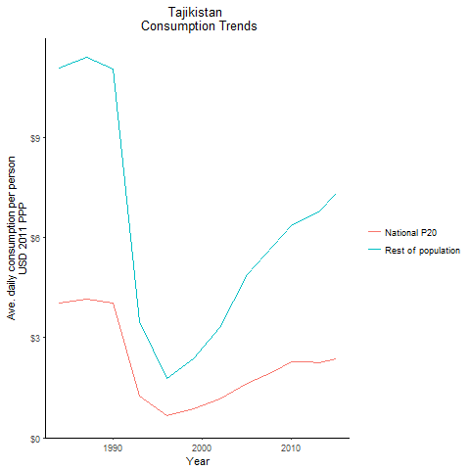
CountryName | National P20 | Rest of population | Year
Tajikistan | 4.0358163965 | 11.086971928 | 1984
Tajikistan | 4.023548921 | 11.053233318 | 1990
Tajikistan | 4.145988765 | 11.389597329 | 1987
Tajikistan | 1.264974432 | 3.4750647482 | 1993
Tajikistan | 0.650872041 | 1.7880570582 | 1996
Tajikistan | 0.863028813 | 2.3708896461 | 1999
Tajikistan | 1.152879872 | 3.3177257854 | 2002
Tajikistan | 1.61910639 | 4.8932316217 | 2005
Tajikistan | 1.978394964 | 5.7743861905 | 2008
Tajikistan | 2.266179552 | 6.3520920983 | 2010
Tajikistan | 2.26832164 | 6.4967524667 | 2011
Tajikistan | 2.266668159 | 6.6317425493 | 2012
Tajikistan | 2.262131302 | 6.7583178594 | 2013
Tajikistan | 2.3553424015 | 7.3309712489 | 2015

Turkmenistan
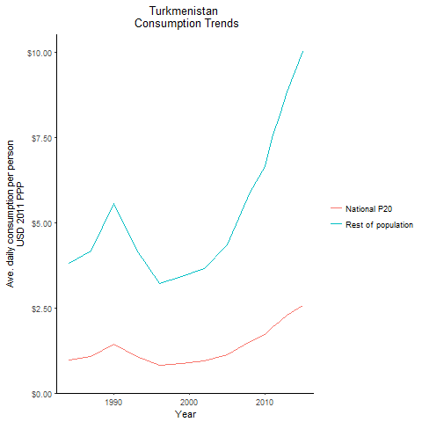
CountryName | National P20 | Rest of population | Year
Turkmenistan | 0.977820492 | 3.8001115893 | 1984
Turkmenistan | 1.4309412755 | 5.5610633113 | 1990
Turkmenistan | 1.075042035 | 4.1779340118 | 1987
Turkmenistan | 1.082157402 | 4.2055880468 | 1993
Turkmenistan | 0.828986312 | 3.2217123261 | 1996
Turkmenistan | 0.879728801 | 3.4189514984 | 1999
Turkmenistan | 0.940355625 | 3.6545208198 | 2002
Turkmenistan | 1.1175527365 | 4.343180309 | 2005
Turkmenistan | 1.52176584 | 5.9140311427 | 2008
Turkmenistan | 1.710638622 | 6.6480787007 | 2010
Turkmenistan | 1.92917699 | 7.4973482183 | 2011
Turkmenistan | 2.105157526 | 8.1812722623 | 2012
Turkmenistan | 2.277330912 | 8.8503754912 | 2013
Turkmenistan | 2.579505456 | 10.024730485 | 2015

Kosovo
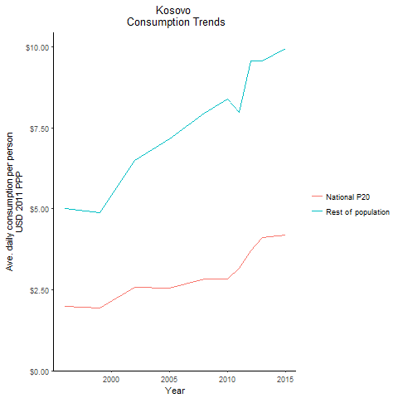
CountryName | National P20 | Rest of population | Year
Kosovo | 1.99282125 | 5.0094453724 | 1996
Kosovo | 1.9418167665 | 4.8814307399 | 1999
Kosovo | 2.587658724 | 6.5049168258 | 2002
Kosovo | 2.546818339 | 7.1620296618 | 2005
Kosovo | 2.822752846 | 7.9459090488 | 2008
Kosovo | 2.826201155 | 8.3818716291 | 2010
Kosovo | 3.167626815 | 7.9723467209 | 2011
Kosovo | 3.7006401185 | 9.5608920252 | 2012
Kosovo | 4.1075388375 | 9.5697892632 | 2013
Kosovo | 4.192293716 | 9.9390443792 | 2015

