Algeria
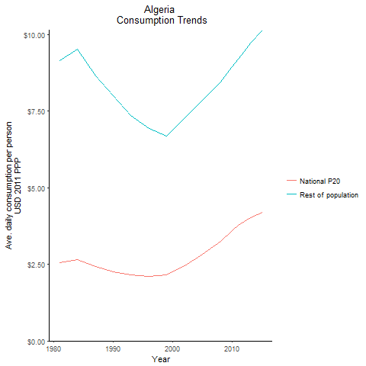
CountryName | National P20 | Rest of population | Year
Algeria | 2.561224491 | 9.1515952471 | 1981
Algeria | 2.6623113175 | 9.5128139514 | 1984
Algeria | 2.265824936 | 8.0007876016 | 1990
Algeria | 2.421176992 | 8.6511934232 | 1987
Algeria | 2.149772175 | 7.3561405179 | 1993
Algeria | 2.106051842 | 6.9416212861 | 1996
Algeria | 2.1507933435 | 6.6949893354 | 1999
Algeria | 2.4624670525 | 7.2809667985 | 2002
Algeria | 2.826956418 | 7.854755416 | 2005
Algeria | 3.2458798985 | 8.447553313 | 2008
Algeria | 3.593466477 | 8.9379881753 | 2010
Algeria | 3.780629626 | 9.1953439634 | 2011
Algeria | 3.901882517 | 9.4540458091 | 2012
Algeria | 4.014400143 | 9.7266766766 | 2013
Algeria | 4.185357012 | 10.140890884 | 2015

Egypt, Arab Republic of
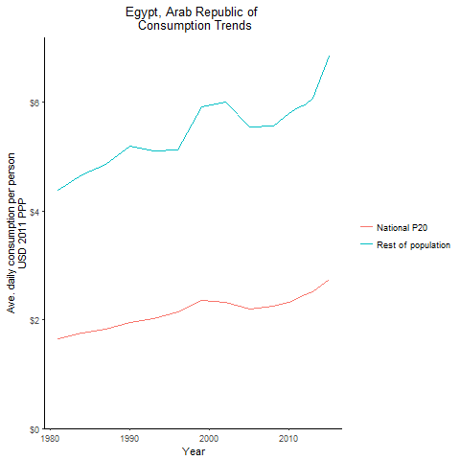
CountryName | National P20 | Rest of population | Year
Egypt, Arab Republic of | 1.64676909 | 4.3725063576 | 1981
Egypt, Arab Republic of | 1.758246518 | 4.6685219321 | 1984
Egypt, Arab Republic of | 1.957492141 | 5.1975502524 | 1990
Egypt, Arab Republic of | 1.827508659 | 4.8524118763 | 1987
Egypt, Arab Republic of | 2.022655336 | 5.1107347961 | 1993
Egypt, Arab Republic of | 2.139482673 | 5.1137717975 | 1996
Egypt, Arab Republic of | 2.355187723 | 5.9197482747 | 1999
Egypt, Arab Republic of | 2.324598048 | 5.9935641866 | 2002
Egypt, Arab Republic of | 2.193980696 | 5.5427500315 | 2005
Egypt, Arab Republic of | 2.2435175385 | 5.5612658209 | 2008
Egypt, Arab Republic of | 2.32189704 | 5.7971188907 | 2010
Egypt, Arab Republic of | 2.3827794575 | 5.8965065055 | 2011
Egypt, Arab Republic of | 2.458427795 | 5.9439231882 | 2012
Egypt, Arab Republic of | 2.520941124 | 6.0773414313 | 2013
Egypt, Arab Republic of | 2.74639155 | 6.8391034824 | 2015

Iran, Islamic Republic of
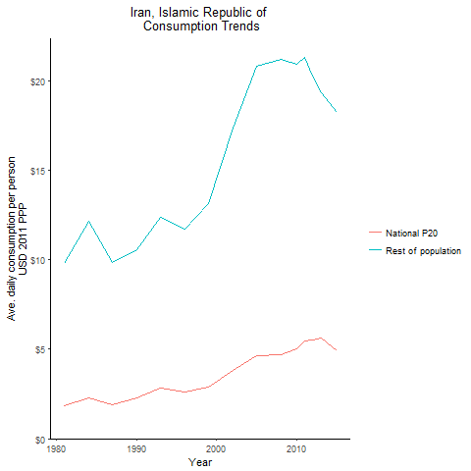
CountryName | National P20 | Rest of population | Year
Iran, Islamic Republic of | 1.846960187 | 9.7811106382 | 1981
Iran, Islamic Republic of | 2.2990642975 | 12.175361323 | 1984
Iran, Islamic Republic of | 2.29521145 | 10.564724535 | 1990
Iran, Islamic Republic of | 1.9205097525 | 9.8354547537 | 1987
Iran, Islamic Republic of | 2.804793354 | 12.39711399 | 1993
Iran, Islamic Republic of | 2.605882485 | 11.72181568 | 1996
Iran, Islamic Republic of | 2.870387535 | 13.153174349 | 1999
Iran, Islamic Republic of | 3.8343225525 | 17.37953991 | 2002
Iran, Islamic Republic of | 4.647433752 | 20.814682658 | 2005
Iran, Islamic Republic of | 4.674739758 | 21.21881917 | 2008
Iran, Islamic Republic of | 5.0195630625 | 20.958428412 | 2010
Iran, Islamic Republic of | 5.4438321295 | 21.297836488 | 2011
Iran, Islamic Republic of | 5.53048904 | 20.261428425 | 2012
Iran, Islamic Republic of | 5.636544235 | 19.330451612 | 2013
Iran, Islamic Republic of | 4.8986270515 | 18.244299402 | 2015

Iraq
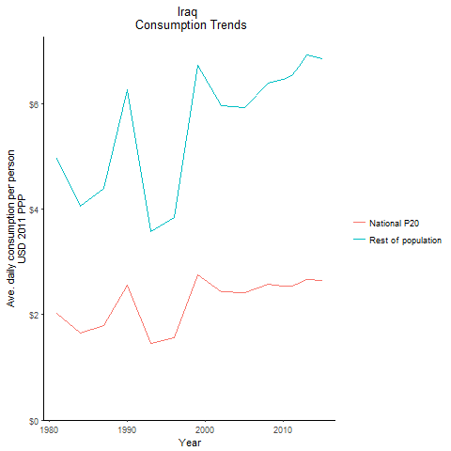
CountryName | National P20 | Rest of population | Year
Iraq | 2.0243667235 | 4.953649415 | 1981
Iraq | 1.656439047 | 4.0533258547 | 1984
Iraq | 2.55776544 | 6.2588860373 | 1990
Iraq | 1.794276176 | 4.3906241067 | 1987
Iraq | 1.459693053 | 3.5719237231 | 1993
Iraq | 1.56751539 | 3.8357293717 | 1996
Iraq | 2.745777426 | 6.7189487942 | 1999
Iraq | 2.43284816 | 5.9532071381 | 2002
Iraq | 2.418735667 | 5.9186845764 | 2005
Iraq | 2.574580464 | 6.3817877607 | 2008
Iraq | 2.5468593605 | 6.4557824201 | 2010
Iraq | 2.5471654 | 6.5286470062 | 2011
Iraq | 2.5859793715 | 6.701885979 | 2012
Iraq | 2.665927429 | 6.909085266 | 2013
Iraq | 2.639536133 | 6.84068309 | 2015

Jordan
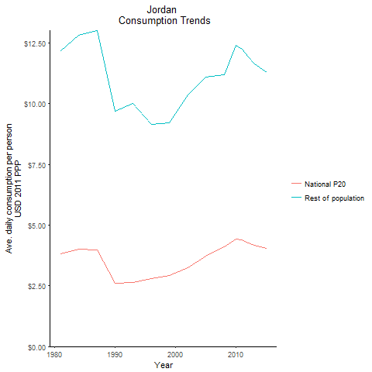
CountryName | National P20 | Rest of population | Year
Jordan | 3.801911799 | 12.182375475 | 1981
Jordan | 4.023625728 | 12.826205897 | 1984
Jordan | 2.61341433 | 9.6747176504 | 1990
Jordan | 3.973948364 | 13.003625238 | 1987
Jordan | 2.63444825 | 9.9963646498 | 1993
Jordan | 2.79998216 | 9.1508332271 | 1996
Jordan | 2.93039375 | 9.2046796447 | 1999
Jordan | 3.2396150835 | 10.366822257 | 2002
Jordan | 3.7304437025 | 11.10023702 | 2005
Jordan | 4.097069685 | 11.191761346 | 2008
Jordan | 4.426069242 | 12.395771731 | 2010
Jordan | 4.375932948 | 12.250156489 | 2011
Jordan | 4.257232872 | 11.917858905 | 2012
Jordan | 4.1586639365 | 11.641921687 | 2013
Jordan | 4.032498573 | 11.288731521 | 2015

Morocco
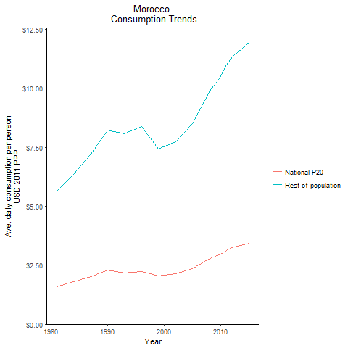
CountryName | National P20 | Rest of population | Year
Morocco | 1.5906365825 | 5.6459723612 | 1981
Morocco | 1.7921741425 | 6.361360574 | 1984
Morocco | 2.309633616 | 8.2291203631 | 1990
Morocco | 2.02992988 | 7.2221901327 | 1987
Morocco | 2.18047984 | 8.0874540126 | 1993
Morocco | 2.2312099095 | 8.3972427281 | 1996
Morocco | 2.0426138555 | 7.4376287279 | 1999
Morocco | 2.145785805 | 7.7520357405 | 2002
Morocco | 2.3677127835 | 8.4985279685 | 2005
Morocco | 2.7772847055 | 9.8820596455 | 2008
Morocco | 2.9795946 | 10.517787651 | 2010
Morocco | 3.13162269 | 11.010155971 | 2011
Morocco | 3.2402082075 | 11.345861647 | 2012
Morocco | 3.31529539 | 11.561389851 | 2013
Morocco | 3.4299190615 | 11.936431194 | 2015

Syrian Arab Republic
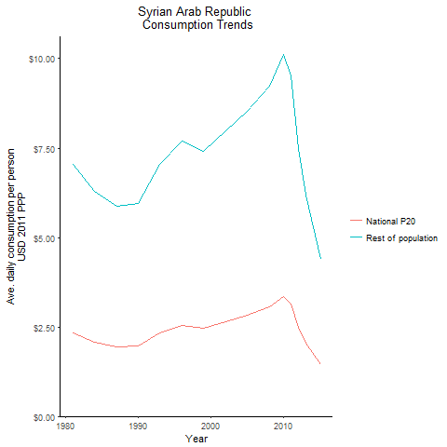
CountryName | National P20 | Rest of population | Year
Syrian Arab Republic | 2.33257695 | 7.0422639817 | 1981
Syrian Arab Republic | 2.084858564 | 6.294394948 | 1984
Syrian Arab Republic | 1.970315338 | 5.9485732203 | 1990
Syrian Arab Republic | 1.943174625 | 5.8666159328 | 1987
Syrian Arab Republic | 2.3294346 | 7.0327632678 | 1993
Syrian Arab Republic | 2.546369944 | 7.6877129935 | 1996
Syrian Arab Republic | 2.450852708 | 7.3993703846 | 1999
Syrian Arab Republic | 2.64045224 | 7.9717540633 | 2002
Syrian Arab Republic | 2.8209755475 | 8.5167684419 | 2005
Syrian Arab Republic | 3.05641209 | 9.2275983474 | 2008
Syrian Arab Republic | 3.346798614 | 10.104271579 | 2010
Syrian Arab Republic | 3.149330625 | 9.508124878 | 2011
Syrian Arab Republic | 2.4785290365 | 7.4828910285 | 2012
Syrian Arab Republic | 2.047254396 | 6.1808699626 | 2013
Syrian Arab Republic | 1.449555371 | 4.3763659518 | 2015

Tunisia
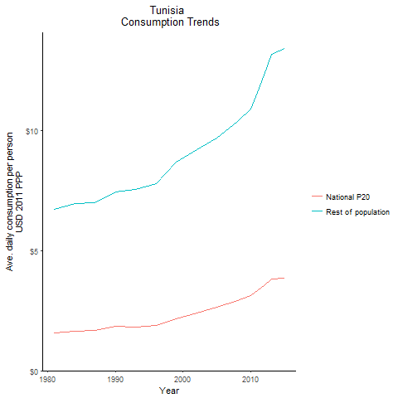
CountryName | National P20 | Rest of population | Year
Tunisia | 1.573082332 | 6.7148472252 | 1981
Tunisia | 1.632066119 | 6.9665999086 | 1984
Tunisia | 1.84996994 | 7.4244787479 | 1990
Tunisia | 1.671274749 | 7.0018182991 | 1987
Tunisia | 1.8201850275 | 7.5299468938 | 1993
Tunisia | 1.86871425 | 7.7843049991 | 1996
Tunisia | 2.159273457 | 8.6720473892 | 1999
Tunisia | 2.394421095 | 9.212837192 | 2002
Tunisia | 2.647780056 | 9.6748632052 | 2005
Tunisia | 2.92562745 | 10.377358891 | 2008
Tunisia | 3.135089106 | 10.905629093 | 2010
Tunisia | 3.3386962785 | 11.565653328 | 2011
Tunisia | 3.55613832 | 12.318913365 | 2012
Tunisia | 3.8051650945 | 13.181556672 | 2013
Tunisia | 3.86660169 | 13.394394783 | 2015

Yemen, Republic of
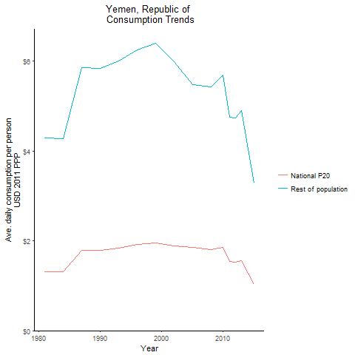
CountryName | National P20 | Rest of population | Year
Yemen, Republic of | 1.318779815 | 4.2974598408 | 1981
Yemen, Republic of | 1.313430227 | 4.2800534022 | 1984
Yemen, Republic of | 1.79359032 | 5.8447394063 | 1990
Yemen, Republic of | 1.795905026 | 5.8522525106 | 1987
Yemen, Republic of | 1.845474739 | 6.0138025481 | 1993
Yemen, Republic of | 1.921068315 | 6.2601164829 | 1996
Yemen, Republic of | 1.959618276 | 6.3955680337 | 1999
Yemen, Republic of | 1.889912892 | 5.986731366 | 2002
Yemen, Republic of | 1.85844 | 5.4747489041 | 2005
Yemen, Republic of | 1.8040885375 | 5.4317970437 | 2008
Yemen, Republic of | 1.855946884 | 5.6990201283 | 2010
Yemen, Republic of | 1.54022677 | 4.7609789239 | 2011
Yemen, Republic of | 1.5196725545 | 4.7417188477 | 2012
Yemen, Republic of | 1.554842202 | 4.8966853399 | 2013
Yemen, Republic of | 1.0361384665 | 3.2934478491 | 2015

Djibouti
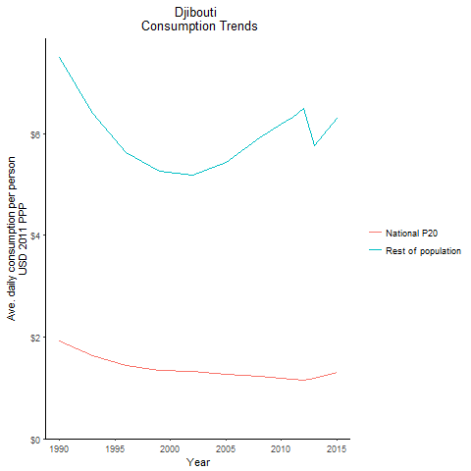
CountryName | National P20 | Rest of population | Year
Djibouti | 1.918077838 | 7.488825746 | 1990
Djibouti | 1.6362936975 | 6.3886306852 | 1993
Djibouti | 1.441325781 | 5.6274425274 | 1996
Djibouti | 1.345295665 | 5.2524829331 | 1999
Djibouti | 1.327216605 | 5.1819122871 | 2002
Djibouti | 1.256296608 | 5.4242847521 | 2005
Djibouti | 1.231642764 | 5.9159756104 | 2008
Djibouti | 1.193158713 | 6.1768527875 | 2010
Djibouti | 1.174720799 | 6.3205882934 | 2011
Djibouti | 1.1588576755 | 6.4857896907 | 2012
Djibouti | 1.194471 | 5.7698890993 | 2013
Djibouti | 1.303804054 | 6.2978599454 | 2015

Lebanon
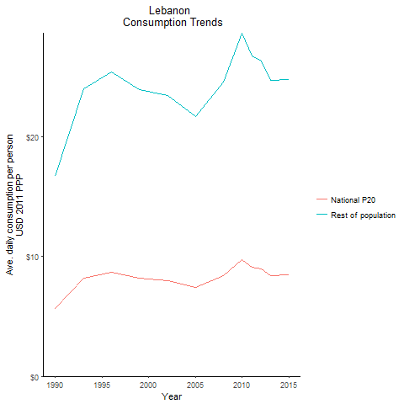
CountryName | National P20 | Rest of population | Year
Lebanon | 5.68098736 | 16.658192886 | 1990
Lebanon | 8.179572375 | 23.985786358 | 1993
Lebanon | 8.6556004875 | 25.381619056 | 1996
Lebanon | 8.15838815 | 23.926048168 | 1999
Lebanon | 8.00148305 | 23.463394991 | 2002
Lebanon | 7.3922418585 | 21.678260083 | 2005
Lebanon | 8.3863221 | 24.59127153 | 2008
Lebanon | 9.762013025 | 28.626099483 | 2010
Lebanon | 9.114189375 | 26.725629369 | 2011
Lebanon | 8.962130625 | 26.279419399 | 2012
Lebanon | 8.414214775 | 24.672777813 | 2013
Lebanon | 8.4485233 | 24.773713011 | 2015

West Bank and Gaza
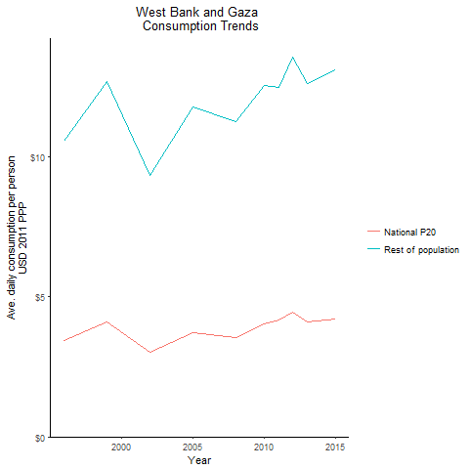
CountryName | National P20 | Rest of population | Year
West Bank and Gaza | 3.42952471 | 10.571007864 | 1996
West Bank and Gaza | 4.122725047 | 12.70769956 | 1999
West Bank and Gaza | 3.036627407 | 9.3599499976 | 2002
West Bank and Gaza | 3.722127447 | 11.789513344 | 2005
West Bank and Gaza | 3.564534092 | 11.278181545 | 2008
West Bank and Gaza | 4.0538661345 | 12.559269083 | 2010
West Bank and Gaza | 4.1619107575 | 12.505508612 | 2011
West Bank and Gaza | 4.467564318 | 13.556302071 | 2012
West Bank and Gaza | 4.124665545 | 12.63946786 | 2013
West Bank and Gaza | 4.196975079 | 13.117512395 | 2015

