Australia
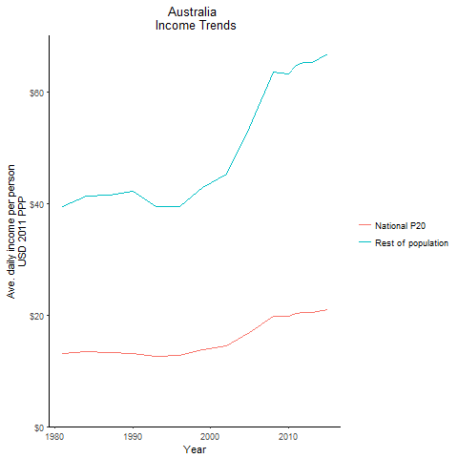
CountryName | National P20 | Rest of population | Year
Australia | 13.1323991 | 39.524105704 | 1981
Australia | 13.42246425 | 41.280808595 | 1984
Australia | 13.19631605 | 42.167441535 | 1990
Australia | 13.21216015 | 41.54728873 | 1987
Australia | 12.569210762 | 39.401847994 | 1993
Australia | 12.8393361 | 39.404796112 | 1996
Australia | 13.788608925 | 42.890724481 | 1999
Australia | 14.405233387 | 45.253075215 | 2002
Australia | 16.924174775 | 53.742065895 | 2005
Australia | 19.810032401 | 63.571806968 | 2008
Australia | 19.86510362 | 63.327080259 | 2010
Australia | 20.3371812 | 64.831978673 | 2011
Australia | 20.50352062 | 65.362243133 | 2012
Australia | 20.467651269 | 65.247922799 | 2013
Australia | 20.95718238 | 66.80845783 | 2015

Austria
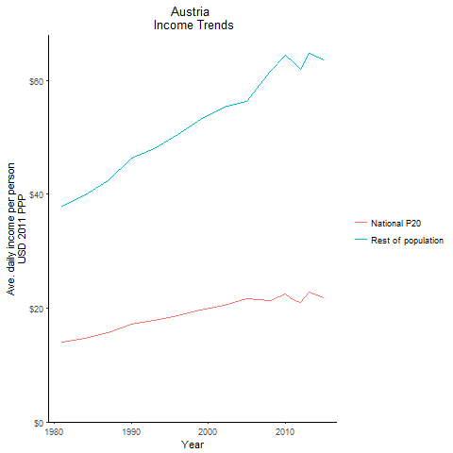
CountryName | National P20 | Rest of population | Year
Austria | 14.04129165 | 37.933485307 | 1981
Austria | 14.782237 | 39.935125682 | 1984
Austria | 17.152978125 | 46.341234921 | 1990
Austria | 15.724760937 | 42.480535793 | 1987
Austria | 17.7744612 | 48.017302508 | 1993
Austria | 18.693048437 | 50.498998165 | 1996
Austria | 19.700975449 | 53.222399973 | 1999
Austria | 20.497500295 | 55.374200269 | 2002
Austria | 21.64192245 | 56.35849199 | 2005
Austria | 21.399072 | 61.607149808 | 2008
Austria | 22.536409519 | 64.404185292 | 2010
Austria | 21.53054205 | 63.35533709 | 2011
Austria | 20.93520748 | 61.932787171 | 2012
Austria | 22.853486866 | 64.744052941 | 2013
Austria | 21.758399212 | 63.671687868 | 2015

Belgium
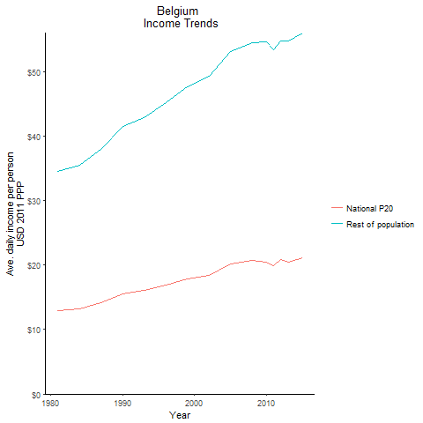
CountryName | National P20 | Rest of population | Year
Belgium | 12.906219362 | 34.522099954 | 1981
Belgium | 13.254951275 | 35.454025195 | 1984
Belgium | 15.491267075 | 41.434950355 | 1990
Belgium | 14.2052112 | 37.996190351 | 1987
Belgium | 16.002325712 | 42.803158298 | 1993
Belgium | 16.890029275 | 45.178081722 | 1996
Belgium | 17.833659525 | 47.700160461 | 1999
Belgium | 18.41965215 | 49.267525319 | 2002
Belgium | 20.11343061 | 53.093190293 | 2005
Belgium | 20.667914943 | 54.420295237 | 2008
Belgium | 20.449258057 | 54.647932061 | 2010
Belgium | 19.954929217 | 53.315404682 | 2011
Belgium | 20.835674196 | 54.751834876 | 2012
Belgium | 20.481305828 | 54.715742036 | 2013
Belgium | 21.10568145 | 55.993976898 | 2015

Canada
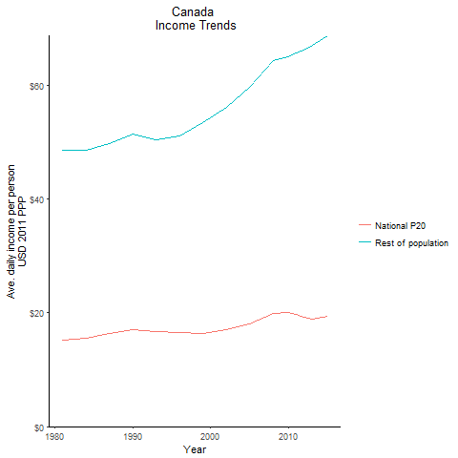
CountryName | National P20 | Rest of population | Year
Canada | 15.186137863 | 48.563698411 | 1981
Canada | 15.56404425 | 48.541756061 | 1984
Canada | 17.10914615 | 51.481288805 | 1990
Canada | 16.36495585 | 49.784569257 | 1987
Canada | 16.693376575 | 50.403149007 | 1993
Canada | 16.492061475 | 51.176683261 | 1996
Canada | 16.38237475 | 53.382310422 | 1999
Canada | 16.99151195 | 56.057505574 | 2002
Canada | 18.08871022 | 59.654315596 | 2005
Canada | 19.89912555 | 64.363930941 | 2008
Canada | 19.995361815 | 64.968885574 | 2010
Canada | 19.65743955 | 65.706009976 | 2011
Canada | 19.235567137 | 66.180971229 | 2012
Canada | 18.90481216 | 66.988632576 | 2013
Canada | 19.400924119 | 68.746631984 | 2015

Cyprus
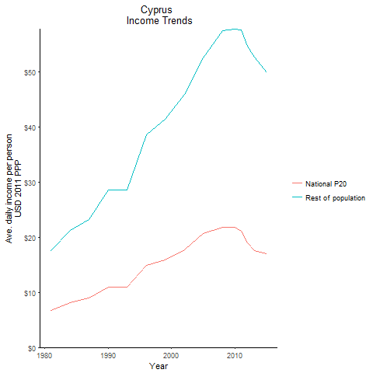
CountryName | National P20 | Rest of population | Year
Cyprus | 6.7468020385 | 17.529515929 | 1981
Cyprus | 8.15680635 | 21.197208002 | 1984
Cyprus | 11.0057906 | 28.595523583 | 1990
Cyprus | 8.95398855 | 23.266738479 | 1987
Cyprus | 11.0240774 | 28.643920376 | 1993
Cyprus | 14.84228415 | 38.564319373 | 1996
Cyprus | 15.962469525 | 41.476190838 | 1999
Cyprus | 17.686290375 | 45.952865762 | 2002
Cyprus | 20.65162821 | 52.632421715 | 2005
Cyprus | 21.79023824 | 57.551330851 | 2008
Cyprus | 21.765131116 | 57.84942955 | 2010
Cyprus | 21.13968969 | 57.714625523 | 2011
Cyprus | 19.016589487 | 54.744400573 | 2012
Cyprus | 17.520878375 | 52.725109173 | 2013
Cyprus | 17.026711875 | 49.971363127 | 2015

Denmark
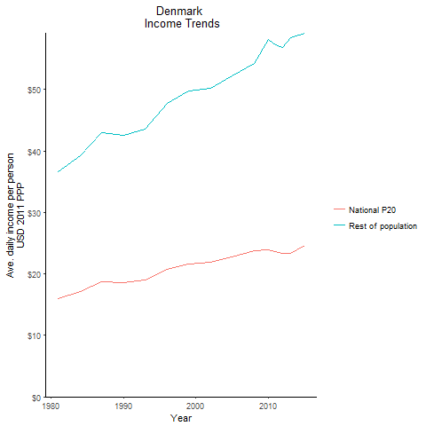
CountryName | National P20 | Rest of population | Year
Denmark | 15.9651376 | 36.637460805 | 1981
Denmark | 17.1132115 | 39.272080687 | 1984
Denmark | 18.547140938 | 42.564392848 | 1990
Denmark | 18.734682 | 42.99442539 | 1987
Denmark | 18.988951625 | 43.578611409 | 1993
Denmark | 20.8012491 | 47.735591835 | 1996
Denmark | 21.64992137 | 49.683136096 | 1999
Denmark | 21.875738194 | 50.201366821 | 2002
Denmark | 22.782309855 | 52.210997879 | 2005
Denmark | 23.69759301 | 54.283341474 | 2008
Denmark | 23.85508125 | 58.147832427 | 2010
Denmark | 23.615528947 | 57.185501325 | 2011
Denmark | 23.387892323 | 56.866465276 | 2012
Denmark | 23.37212272 | 58.397777539 | 2013
Denmark | 24.559805209 | 59.157185684 | 2015

Finland
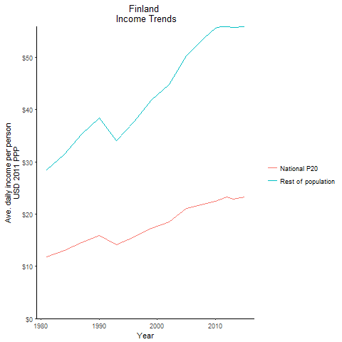
CountryName | National P20 | Rest of population | Year
Finland | 11.781409612 | 28.506166775 | 1981
Finland | 12.978487925 | 31.401683498 | 1984
Finland | 15.848854425 | 38.347238449 | 1990
Finland | 14.555041875 | 35.216360079 | 1987
Finland | 14.086048062 | 34.082994834 | 1993
Finland | 15.5671227 | 37.670959051 | 1996
Finland | 17.301551625 | 41.867707984 | 1999
Finland | 18.5001984 | 44.764607934 | 2002
Finland | 21.027165187 | 50.279208703 | 2005
Finland | 21.958203844 | 53.664777806 | 2008
Finland | 22.507726467 | 55.581534137 | 2010
Finland | 22.86409955 | 55.841755934 | 2011
Finland | 23.298251198 | 55.880711173 | 2012
Finland | 22.88325759 | 55.742322589 | 2013
Finland | 23.212965703 | 55.900758574 | 2015

France
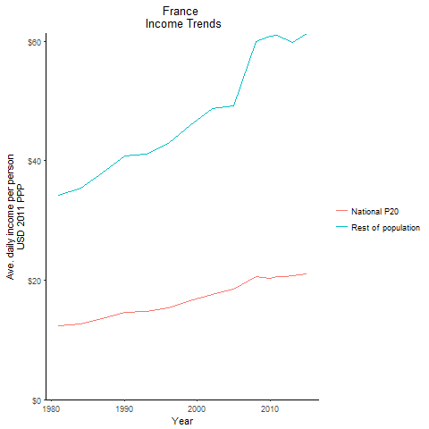
CountryName | National P20 | Rest of population | Year
France | 12.32613855 | 34.30108728 | 1981
France | 12.7217018 | 35.400790988 | 1984
France | 14.666284425 | 40.809456291 | 1990
France | 13.641168725 | 37.960159874 | 1987
France | 14.7827565 | 41.135941012 | 1993
France | 15.4298088 | 42.933999855 | 1996
France | 16.5120681 | 45.94592818 | 1999
France | 17.539473337 | 48.804350844 | 2002
France | 18.43739905 | 49.217677635 | 2005
France | 20.577617874 | 59.917581833 | 2008
France | 20.25451155 | 60.838317318 | 2010
France | 20.664305214 | 61.076019587 | 2011
France | 20.613214237 | 60.512833427 | 2012
France | 20.804062169 | 59.828340622 | 2013
France | 21.001863836 | 61.365150479 | 2015

Germany
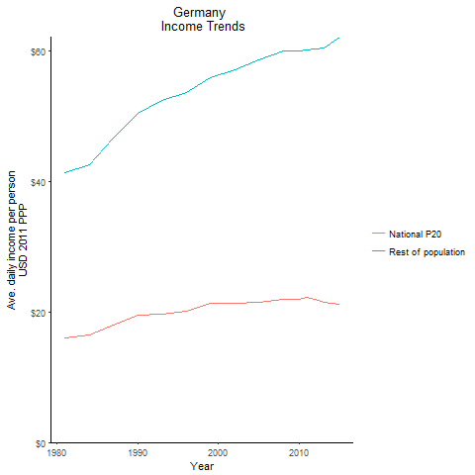
CountryName | National P20 | Rest of population | Year
Germany | 15.949355625 | 41.273661094 | 1981
Germany | 16.43796945 | 42.540507637 | 1984
Germany | 19.452625087 | 50.339145098 | 1990
Germany | 18.0059962 | 46.598322868 | 1987
Germany | 19.681871809 | 52.306463555 | 1993
Germany | 20.149544535 | 53.613682359 | 1996
Germany | 21.341221076 | 55.780160484 | 1999
Germany | 21.320878516 | 57.010807768 | 2002
Germany | 21.403398905 | 58.502835205 | 2005
Germany | 21.840973 | 59.894715654 | 2008
Germany | 21.962829051 | 59.895525614 | 2010
Germany | 22.204503285 | 60.098901576 | 2011
Germany | 21.86090179 | 60.26580195 | 2012
Germany | 21.503149255 | 60.379322275 | 2013
Germany | 21.09007922 | 62.075548688 | 2015

Greece
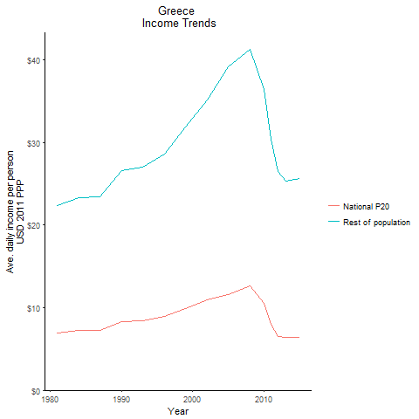
CountryName | National P20 | Rest of population | Year
Greece | 6.9571597875 | 22.327831971 | 1981
Greece | 7.247300425 | 23.260933798 | 1984
Greece | 8.270276275 | 26.546702164 | 1990
Greece | 7.2910663875 | 23.399400526 | 1987
Greece | 8.4175068 | 27.02252056 | 1993
Greece | 8.90916375 | 28.59243646 | 1996
Greece | 9.9285242 | 31.865021005 | 1999
Greece | 10.9408579 | 35.116755388 | 2002
Greece | 11.538198138 | 39.174381972 | 2005
Greece | 12.667914475 | 41.215021381 | 2008
Greece | 10.486711 | 36.439103072 | 2010
Greece | 7.95411625 | 30.422731211 | 2011
Greece | 6.534513375 | 26.502977136 | 2012
Greece | 6.353037961 | 25.284721332 | 2013
Greece | 6.3620105 | 25.625291896 | 2015

Iceland
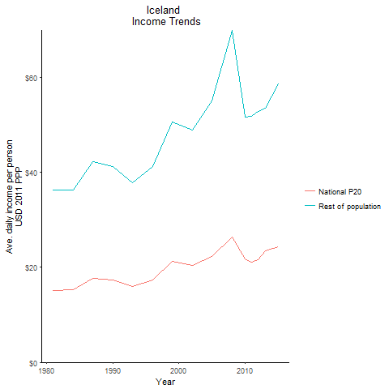
CountryName | National P20 | Rest of population | Year
Iceland | 15.2076528 | 36.26898406 | 1981
Iceland | 15.250102875 | 36.370292089 | 1984
Iceland | 17.3073896 | 41.276727942 | 1990
Iceland | 17.701446675 | 42.216542441 | 1987
Iceland | 15.894594125 | 37.909598044 | 1993
Iceland | 17.3158421 | 41.29688879 | 1996
Iceland | 21.218273437 | 50.603965887 | 1999
Iceland | 20.480133144 | 48.843596851 | 2002
Iceland | 22.238367196 | 55.122928749 | 2005
Iceland | 26.44893418 | 69.945136318 | 2008
Iceland | 21.7737207 | 51.605967085 | 2010
Iceland | 21.117567992 | 51.742265536 | 2011
Iceland | 21.643294039 | 52.793491559 | 2012
Iceland | 23.454992225 | 53.601964273 | 2013
Iceland | 24.362539725 | 58.688159589 | 2015

Ireland
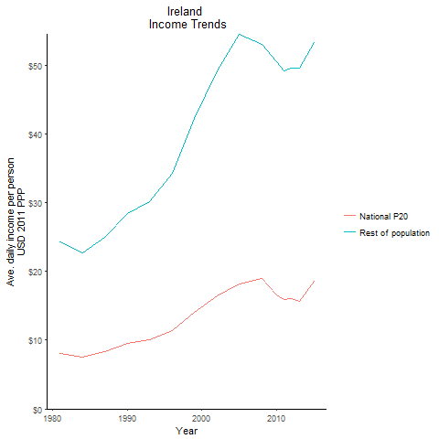
CountryName | National P20 | Rest of population | Year
Ireland | 8.09682775 | 24.317441008 | 1981
Ireland | 7.567498125 | 22.729051496 | 1984
Ireland | 9.4662932 | 28.430452727 | 1990
Ireland | 8.324344 | 25.003394822 | 1987
Ireland | 10.025983 | 30.110675483 | 1993
Ireland | 11.424979125 | 34.315333301 | 1996
Ireland | 14.068657487 | 42.250383573 | 1999
Ireland | 16.377161625 | 49.18644932 | 2002
Ireland | 18.214023437 | 54.513864004 | 2005
Ireland | 18.942365675 | 53.039353787 | 2008
Ireland | 16.590979125 | 50.523433301 | 2010
Ireland | 15.85046925 | 49.230916934 | 2011
Ireland | 16.1039329 | 49.57407157 | 2012
Ireland | 15.6874828 | 49.563156697 | 2013
Ireland | 18.51525875 | 53.237733258 | 2015

Israel
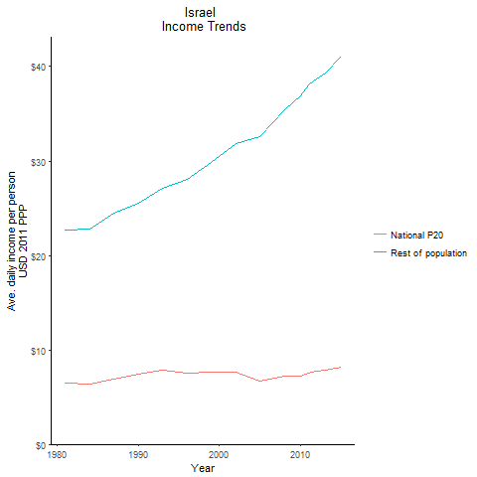
CountryName | National P20 | Rest of population | Year
Israel | 6.44124312 | 22.725253604 | 1981
Israel | 6.370728555 | 22.756920601 | 1984
Israel | 7.432565838 | 25.565355801 | 1990
Israel | 6.873337383 | 24.474077983 | 1987
Israel | 7.8479165625 | 27.087822229 | 1993
Israel | 7.5176262 | 28.075030436 | 1996
Israel | 7.63676445 | 29.816634915 | 1999
Israel | 7.6066617 | 31.884996219 | 2002
Israel | 6.65703357 | 32.53141421 | 2005
Israel | 7.2528836375 | 35.45048183 | 2008
Israel | 7.2557796875 | 36.883494804 | 2010
Israel | 7.531170025 | 38.082291055 | 2011
Israel | 7.6932948 | 38.63267767 | 2012
Israel | 7.8311916375 | 39.327297981 | 2013
Israel | 8.1782012625 | 41.067668862 | 2015

Italy
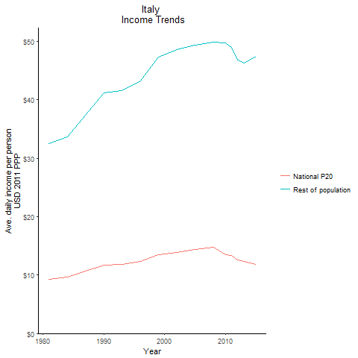
CountryName | National P20 | Rest of population | Year
Italy | 9.2856848 | 32.49198017 | 1981
Italy | 9.623186725 | 33.672544415 | 1984
Italy | 11.7603264 | 41.151986893 | 1990
Italy | 10.6727008 | 37.341180964 | 1987
Italy | 11.888200062 | 41.593607519 | 1993
Italy | 12.37746755 | 43.305441332 | 1996
Italy | 13.5262224 | 47.324567688 | 1999
Italy | 13.89657795 | 48.620403458 | 2002
Italy | 14.319671875 | 49.372219018 | 2005
Italy | 14.71156515 | 49.844574466 | 2008
Italy | 13.5362151 | 49.750014718 | 2010
Italy | 13.337308388 | 49.02730304 | 2011
Italy | 12.606279838 | 46.847087575 | 2012
Italy | 12.324972075 | 46.347907666 | 2013
Italy | 11.83461045 | 47.489717251 | 2015

Japan
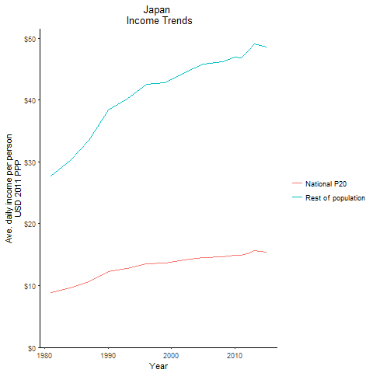
CountryName | National P20 | Rest of population | Year
Japan | 8.82354525 | 27.73898766 | 1981
Japan | 9.6139106 | 30.225401802 | 1984
Japan | 12.2057658 | 38.372476358 | 1990
Japan | 10.650681625 | 33.485393977 | 1987
Japan | 12.761080313 | 40.115634031 | 1993
Japan | 13.523455025 | 42.514040353 | 1996
Japan | 13.600049 | 42.753672682 | 1999
Japan | 14.152377725 | 44.488987761 | 2002
Japan | 14.572019525 | 45.811912927 | 2005
Japan | 14.67732115 | 46.139340945 | 2008
Japan | 14.9218311 | 46.911021677 | 2010
Japan | 14.892014025 | 46.816311562 | 2011
Japan | 15.218769713 | 47.842485654 | 2012
Japan | 15.60112885 | 49.046553404 | 2013
Japan | 15.442119875 | 48.546059072 | 2015

Korea, Republic of
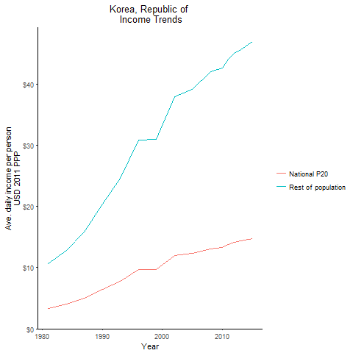
CountryName | National P20 | Rest of population | Year
Korea, Republic of | 3.35512566 | 10.650187078 | 1981
Korea, Republic of | 4.0490578235 | 12.852934174 | 1984
Korea, Republic of | 6.424151471 | 20.392226516 | 1990
Korea, Republic of | 4.9805560625 | 15.809770573 | 1987
Korea, Republic of | 7.742291625 | 24.576627094 | 1993
Korea, Republic of | 9.7393327875 | 30.91589557 | 1996
Korea, Republic of | 9.748509075 | 30.94448917 | 1999
Korea, Republic of | 11.968441625 | 37.991370416 | 2002
Korea, Republic of | 12.3241428 | 39.120210875 | 2005
Korea, Republic of | 13.092158888 | 42.100152059 | 2008
Korea, Republic of | 13.360733787 | 42.66074806 | 2010
Korea, Republic of | 13.819748025 | 44.077884912 | 2011
Korea, Republic of | 14.13417495 | 45.027661742 | 2012
Korea, Republic of | 14.334768688 | 45.666773582 | 2013
Korea, Republic of | 14.7346045 | 46.943362574 | 2015

Luxembourg
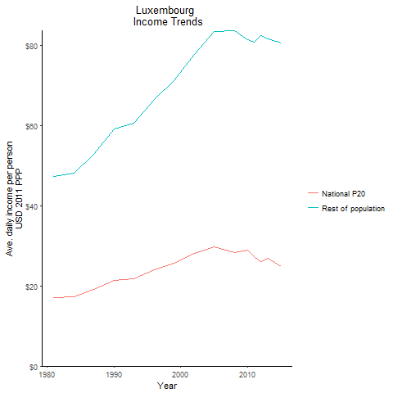
CountryName | National P20 | Rest of population | Year
Luxembourg | 17.03089395 | 47.269865554 | 1981
Luxembourg | 17.39367775 | 48.277046316 | 1984
Luxembourg | 21.31931945 | 59.171238631 | 1990
Luxembourg | 19.044996828 | 52.858928875 | 1987
Luxembourg | 21.849026726 | 60.64142825 | 1993
Luxembourg | 24.02580495 | 66.683014516 | 1996
Luxembourg | 25.71437835 | 71.369624591 | 1999
Luxembourg | 28.0413001 | 77.837195523 | 2002
Luxembourg | 29.744306 | 83.5929235 | 2005
Luxembourg | 28.2709037 | 83.809178185 | 2008
Luxembourg | 28.98431 | 81.595675925 | 2010
Luxembourg | 27.2456208 | 80.994403019 | 2011
Luxembourg | 26.14717875 | 82.472794354 | 2012
Luxembourg | 26.9899704 | 81.678781373 | 2013
Luxembourg | 24.927860374 | 80.609774633 | 2015

Malta
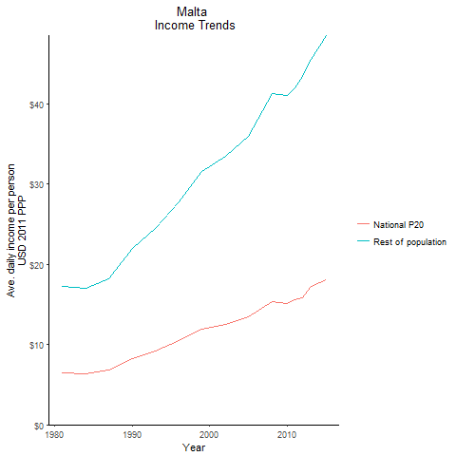
CountryName | National P20 | Rest of population | Year
Malta | 6.47220888 | 17.229455999 | 1981
Malta | 6.40826852 | 17.0592315 | 1984
Malta | 8.27287615 | 22.024443976 | 1990
Malta | 6.8233412615 | 18.164192082 | 1987
Malta | 9.1719541375 | 24.416344342 | 1993
Malta | 10.4521529 | 27.824238487 | 1996
Malta | 11.870752 | 31.603206521 | 1999
Malta | 12.567036738 | 33.455064103 | 2002
Malta | 13.5111807 | 35.968807565 | 2005
Malta | 15.292238062 | 41.300598019 | 2008
Malta | 15.10481205 | 41.044495618 | 2010
Malta | 15.539659437 | 41.965482401 | 2011
Malta | 15.876759925 | 43.455015498 | 2012
Malta | 17.21623025 | 45.584997232 | 2013
Malta | 18.1071336 | 48.537298792 | 2015

Netherlands
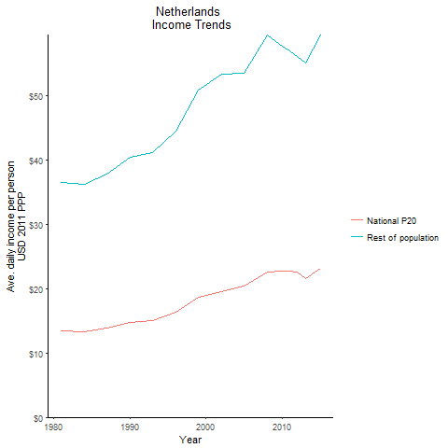
CountryName | National P20 | Rest of population | Year
Netherlands | 13.410392 | 36.548762274 | 1981
Netherlands | 13.2990039 | 36.244147655 | 1984
Netherlands | 14.813775 | 40.374241182 | 1990
Netherlands | 13.858283438 | 37.768374346 | 1987
Netherlands | 15.10634135 | 41.169661238 | 1993
Netherlands | 16.337438525 | 44.526777355 | 1996
Netherlands | 18.667146988 | 50.874309144 | 1999
Netherlands | 19.5757832 | 53.350437762 | 2002
Netherlands | 20.459961844 | 53.487543786 | 2005
Netherlands | 22.524991312 | 59.466532994 | 2008
Netherlands | 22.691655016 | 57.696332821 | 2010
Netherlands | 22.755814753 | 56.949854531 | 2011
Netherlands | 22.554365424 | 56.131326452 | 2012
Netherlands | 21.554997525 | 55.13123692 | 2013
Netherlands | 23.211870313 | 59.371909134 | 2015

Norway
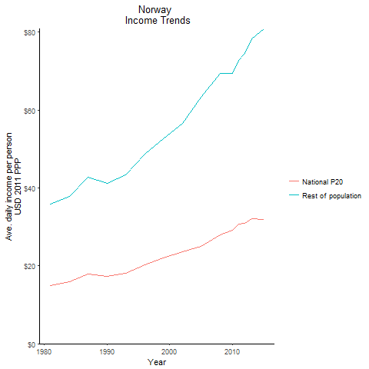
CountryName | National P20 | Rest of population | Year
Norway | 15.02278615 | 35.922480175 | 1981
Norway | 15.831537237 | 37.853814321 | 1984
Norway | 17.263258875 | 41.275883911 | 1990
Norway | 17.851506938 | 42.682862992 | 1987
Norway | 18.147551938 | 43.390454481 | 1993
Norway | 20.343702859 | 48.641074285 | 1996
Norway | 21.973419758 | 52.537658759 | 1999
Norway | 23.6919879 | 56.646687957 | 2002
Norway | 24.901983934 | 63.268476619 | 2005
Norway | 27.9258276 | 69.432488305 | 2008
Norway | 29.04818865 | 69.500185714 | 2010
Norway | 30.656794 | 72.864431637 | 2011
Norway | 31.0053603 | 74.622865404 | 2012
Norway | 32.1749865 | 78.393321868 | 2013
Norway | 31.8928566 | 80.903840645 | 2015

Portugal
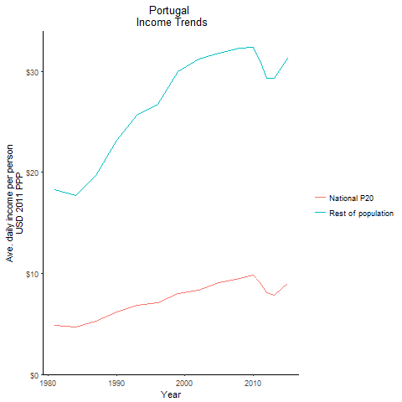
CountryName | National P20 | Rest of population | Year
Portugal | 4.875423047 | 18.307285334 | 1981
Portugal | 4.7087525225 | 17.681444746 | 1984
Portugal | 6.177449058 | 23.196440475 | 1990
Portugal | 5.252946691 | 19.724887985 | 1987
Portugal | 6.8293059375 | 25.64973105 | 1993
Portugal | 7.1147412 | 26.717320179 | 1996
Portugal | 7.9858926 | 29.994988494 | 1999
Portugal | 8.3063960875 | 31.192694129 | 2002
Portugal | 9.06825465 | 31.818024009 | 2005
Portugal | 9.5229378 | 32.274147742 | 2008
Portugal | 9.7987624 | 32.366854605 | 2010
Portugal | 9.12335905 | 31.058489005 | 2011
Portugal | 8.097564375 | 29.366293838 | 2012
Portugal | 7.81848165 | 29.362202875 | 2013
Portugal | 8.97686705 | 31.31065584 | 2015

Spain
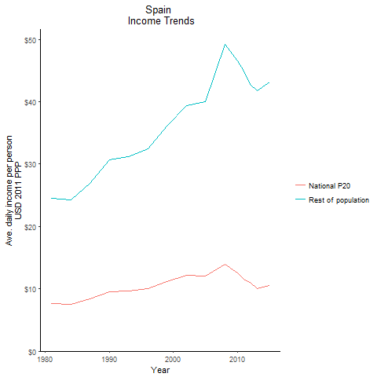
CountryName | National P20 | Rest of population | Year
Spain | 7.596689625 | 24.565381018 | 1981
Spain | 7.50194995 | 24.254056348 | 1984
Spain | 9.4888577 | 30.680893794 | 1990
Spain | 8.3292993 | 26.929955997 | 1987
Spain | 9.662467575 | 31.241974887 | 1993
Spain | 10.044668138 | 32.475046664 | 1996
Spain | 11.178141975 | 36.143278205 | 1999
Spain | 12.173105313 | 39.356709973 | 2002
Spain | 12.0762549 | 39.986922576 | 2005
Spain | 13.872129262 | 49.146337547 | 2008
Spain | 12.572396375 | 46.551818714 | 2010
Spain | 11.4748785 | 44.966691334 | 2011
Spain | 11.062456125 | 42.809111996 | 2012
Spain | 10.0518904 | 41.814904112 | 2013
Spain | 10.54899725 | 43.198312331 | 2015

Sweden
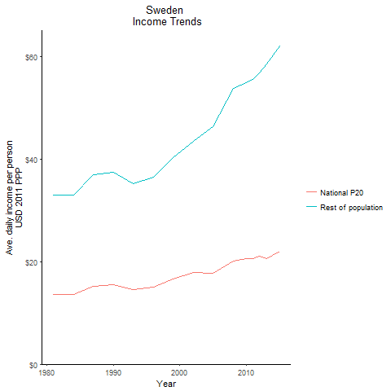
CountryName | National P20 | Rest of population | Year
Sweden | 13.581556013 | 32.921115106 | 1981
Sweden | 13.612528087 | 32.99624606 | 1984
Sweden | 15.463610687 | 37.48317952 | 1990
Sweden | 15.259501975 | 36.98839163 | 1987
Sweden | 14.546341875 | 35.259778915 | 1993
Sweden | 15.057826088 | 36.499505122 | 1996
Sweden | 16.60486795 | 40.249892602 | 1999
Sweden | 17.926334775 | 43.455662882 | 2002
Sweden | 17.6579575 | 46.248195557 | 2005
Sweden | 20.180848488 | 53.731239933 | 2008
Sweden | 20.635502966 | 54.90490508 | 2010
Sweden | 20.596810646 | 55.539605558 | 2011
Sweden | 21.047202908 | 56.849747218 | 2012
Sweden | 20.554546788 | 58.595623577 | 2013
Sweden | 22.038282215 | 61.990922597 | 2015

Switzerland
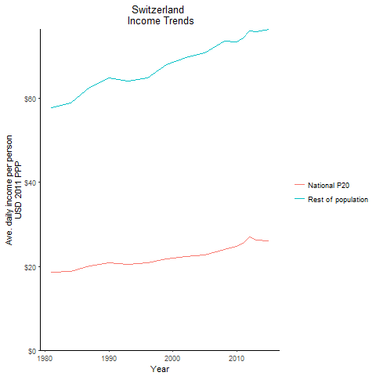
CountryName | National P20 | Rest of population | Year
Switzerland | 18.55587875 | 57.896482367 | 1981
Switzerland | 18.88099815 | 58.910818956 | 1984
Switzerland | 20.83305635 | 65.00155783 | 1990
Switzerland | 20.095852103 | 62.701406837 | 1987
Switzerland | 20.5509731 | 64.121448506 | 1993
Switzerland | 20.83178962 | 64.99760054 | 1996
Switzerland | 21.836523125 | 68.132513054 | 1999
Switzerland | 22.349436255 | 69.732860114 | 2002
Switzerland | 22.719810116 | 70.888472128 | 2005
Switzerland | 23.95624555 | 73.751020804 | 2008
Switzerland | 24.727604886 | 73.512770011 | 2010
Switzerland | 25.565636119 | 74.435207409 | 2011
Switzerland | 26.957963848 | 76.085454244 | 2012
Switzerland | 26.178465712 | 75.893493161 | 2013
Switzerland | 26.002061663 | 76.548402393 | 2015

United Kingdom
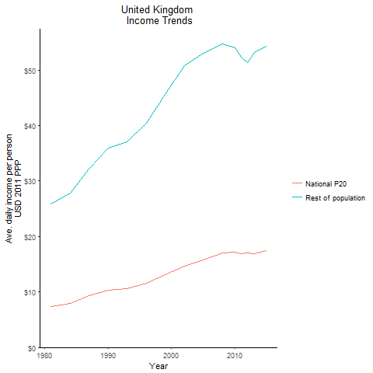
CountryName | National P20 | Rest of population | Year
United Kingdom | 7.429212 | 25.845975082 | 1981
United Kingdom | 7.9948851 | 27.811185574 | 1984
United Kingdom | 10.354385688 | 36.015547414 | 1990
United Kingdom | 9.26743955 | 32.23476888 | 1987
United Kingdom | 10.659531163 | 37.076889812 | 1993
United Kingdom | 11.60628645 | 40.371291401 | 1996
United Kingdom | 13.122762187 | 45.644706713 | 1999
United Kingdom | 14.6092695 | 50.819504543 | 2002
United Kingdom | 15.75036435 | 53.103340419 | 2005
United Kingdom | 16.994491813 | 54.679020882 | 2008
United Kingdom | 17.11825305 | 53.974066874 | 2010
United Kingdom | 16.83677855 | 52.386545089 | 2011
United Kingdom | 17.016823688 | 51.404465311 | 2012
United Kingdom | 16.92460405 | 53.163451727 | 2013
United Kingdom | 17.4981432 | 54.371916255 | 2015

United States
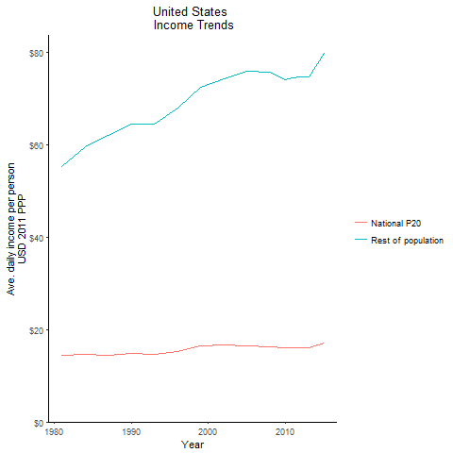
CountryName | National P20 | Rest of population | Year
United States | 14.4531321 | 55.320073139 | 1981
United States | 14.562985938 | 59.480322009 | 1984
United States | 14.920914187 | 64.428209809 | 1990
United States | 14.4757522 | 62.046705786 | 1987
United States | 14.572924275 | 64.575618246 | 1993
United States | 15.195745075 | 67.908255512 | 1996
United States | 16.456698863 | 72.383975969 | 1999
United States | 16.6527556 | 74.265975484 | 2002
United States | 16.52001307 | 75.894955637 | 2005
United States | 16.256309825 | 75.730826653 | 2008
United States | 15.9771321 | 74.04216903 | 2010
United States | 16.05566445 | 74.418535942 | 2011
United States | 16.095231225 | 74.597110002 | 2012
United States | 16.140554975 | 74.788546188 | 2013
United States | 17.027672064 | 79.735766916 | 2015

