Belize
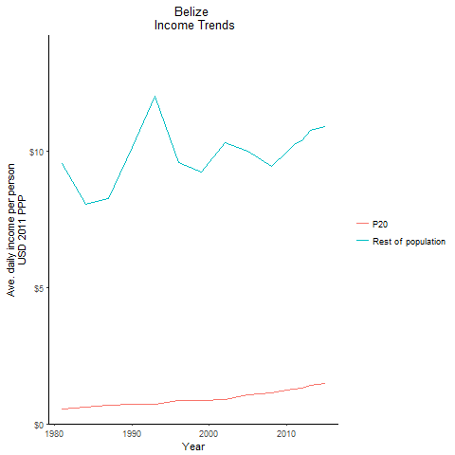
CountryName | P20 | Rest of population | Year
Belize | 0.54819013239 | 9.5778930774 | 1981
Belize | 0.6213317229 | 8.0613695422 | 1984
Belize | 0.71278604955 | 10.168195714 | 1990
Belize | 0.69820987695 | 8.2698945349 | 1987
Belize | 0.73113668767 | 12.050299003 | 1993
Belize | 0.84293123521 | 9.5824194566 | 1996
Belize | 0.87239702057 | 9.242883674 | 1999
Belize | 0.88387252996 | 10.322934337 | 2002
Belize | 1.0588671482 | 10.023725836 | 2005
Belize | 1.1516727824 | 9.4725430744 | 2008
Belize | 1.2273213263 | 9.9682471934 | 2010
Belize | 1.2882818068 | 10.251994685 | 2011
Belize | 1.3162167368 | 10.39510134 | 2012
Belize | 1.4185938124 | 10.780124664 | 2013
Belize | 1.4740730526 | 10.905428722 | 2015

Bolivia
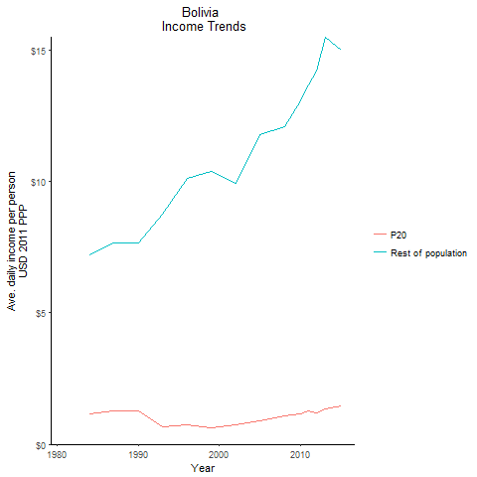
CountryName | P20 | Rest of population | Year
Bolivia |  |  | 1981
Bolivia | 1.1513115687 | 7.1925768792 | 1984
Bolivia | 1.2513796059 | 7.6401261185 | 1990
Bolivia | 1.2590945674 | 7.6374312405 | 1987
Bolivia | 0.66403334497 | 8.7452236089 | 1993
Bolivia | 0.72887623575 | 10.099740484 | 1996
Bolivia | 0.61754991126 | 10.385702738 | 1999
Bolivia | 0.73194692604 | 9.9107606065 | 2002
Bolivia | 0.90075281406 | 11.774537798 | 2005
Bolivia | 1.0754220423 | 12.090105502 | 2008
Bolivia | 1.1418768707 | 13.06479773 | 2010
Bolivia | 1.2842874523 | 13.667417634 | 2011
Bolivia | 1.209210636 | 14.179590336 | 2012
Bolivia | 1.3415780301 | 15.484821976 | 2013
Bolivia | 1.4458120744 | 14.995994666 | 2015

Brazil
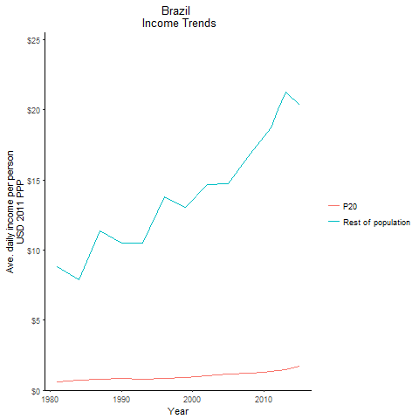
CountryName | P20 | Rest of population | Year
Brazil | 0.59427519002 | 8.7925648069 | 1981
Brazil | 0.74649028867 | 7.9043655807 | 1984
Brazil | 0.8217296116 | 10.495597333 | 1990
Brazil | 0.78041673395 | 11.38403981 | 1987
Brazil | 0.77909082518 | 10.490408286 | 1993
Brazil | 0.85598059035 | 13.823821094 | 1996
Brazil | 0.90033337102 | 13.065584251 | 1999
Brazil | 1.0314650069 | 14.647886636 | 2002
Brazil | 1.1819749136 | 14.725875225 | 2005
Brazil | 1.2382013981 | 16.88382944 | 2008
Brazil | 1.2808831055 | 18.112579098 | 2010
Brazil | 1.3486256354 | 18.733079504 | 2011
Brazil | 1.4276323245 | 20.058387328 | 2012
Brazil | 1.4959162002 | 21.263234203 | 2013
Brazil | 1.6974963932 | 20.35364015 | 2015

Chile
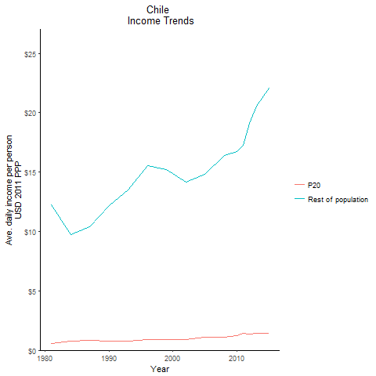
CountryName | P20 | Rest of population | Year
Chile | 0.54055949788 | 12.279299093 | 1981
Chile | 0.74146441727 | 9.7388049025 | 1984
Chile | 0.76981700472 | 12.162294098 | 1990
Chile | 0.82356044317 | 10.382121984 | 1987
Chile | 0.76205445965 | 13.511974735 | 1993
Chile | 0.92208427789 | 15.533686079 | 1996
Chile | 0.8954376896 | 15.213530767 | 1999
Chile | 0.91089139431 | 14.133954838 | 2002
Chile | 1.0821024639 | 14.828906723 | 2005
Chile | 1.0663743613 | 16.422297918 | 2008
Chile | 1.1980999849 | 16.744220672 | 2010
Chile | 1.3947290171 | 17.248403691 | 2011
Chile | 1.379999687 | 19.137498856 | 2012
Chile | 1.4458810557 | 20.583711545 | 2013
Chile | 1.4384764997 | 22.091699641 | 2015

Colombia
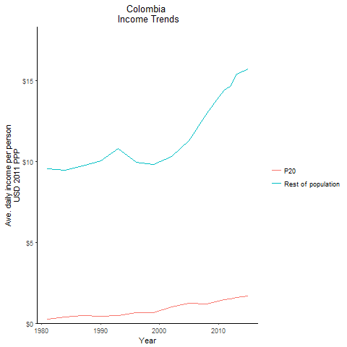
CountryName | P20 | Rest of population | Year
Colombia | 0.27022471787 | 9.5614610914 | 1981
Colombia | 0.39898287015 | 9.4470971934 | 1984
Colombia | 0.430959037 | 10.041032399 | 1990
Colombia | 0.45704688488 | 9.7307990182 | 1987
Colombia | 0.45784972262 | 10.808574034 | 1993
Colombia | 0.63257643854 | 9.9672114517 | 1996
Colombia | 0.64439268758 | 9.837730951 | 1999
Colombia | 1.0277825108 | 10.335046064 | 2002
Colombia | 1.2188752435 | 11.323156436 | 2005
Colombia | 1.1934171626 | 13.013081462 | 2008
Colombia | 1.3485428212 | 13.975395777 | 2010
Colombia | 1.4581593229 | 14.4557314 | 2011
Colombia | 1.4904276303 | 14.660807818 | 2012
Colombia | 1.5814418777 | 15.416159776 | 2013
Colombia | 1.7007963593 | 15.715911801 | 2015

Costa Rica
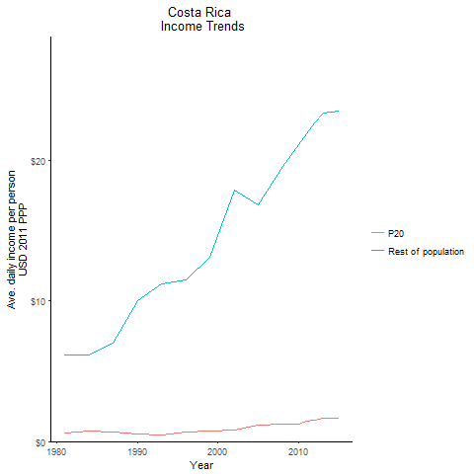
CountryName | P20 | Rest of population | Year
Costa Rica | 0.63638972034 | 6.1352289737 | 1981
Costa Rica | 0.71088421437 | 6.1321300698 | 1984
Costa Rica | 0.50837908368 | 10.037083049 | 1990
Costa Rica | 0.64341398763 | 7.0314324744 | 1987
Costa Rica | 0.49099303533 | 11.238529733 | 1993
Costa Rica | 0.68687516362 | 11.534120457 | 1996
Costa Rica | 0.76420606633 | 13.119088485 | 1999
Costa Rica | 0.83321695803 | 17.869087211 | 2002
Costa Rica | 1.1937517995 | 16.851345018 | 2005
Costa Rica | 1.2202366825 | 19.603422843 | 2008
Costa Rica | 1.2303385879 | 21.108187061 | 2010
Costa Rica | 1.437427785 | 21.911154747 | 2011
Costa Rica | 1.5129136452 | 22.661263975 | 2012
Costa Rica | 1.6311174587 | 23.398187998 | 2013
Costa Rica | 1.6723929571 | 23.523237847 | 2015

Dominican Republic
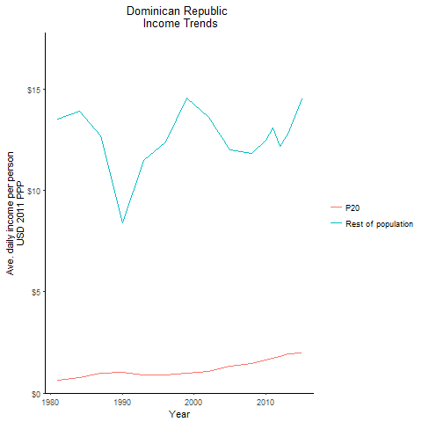
CountryName | P20 | Rest of population | Year
Dominican Republic | 0.62850245974 | 13.507313121 | 1981
Dominican Republic | 0.77121821793 | 13.924421344 | 1984
Dominican Republic | 1.0444555044 | 8.3860496707 | 1990
Dominican Republic | 1.000010314 | 12.693932231 | 1987
Dominican Republic | 0.87769417667 | 11.47634753 | 1993
Dominican Republic | 0.91084071179 | 12.412153103 | 1996
Dominican Republic | 0.98091042642 | 14.56633075 | 1999
Dominican Republic | 1.0669619982 | 13.609562863 | 2002
Dominican Republic | 1.3097319046 | 12.013493577 | 2005
Dominican Republic | 1.477156521 | 11.851914684 | 2008
Dominican Republic | 1.6354316721 | 12.495277844 | 2010
Dominican Republic | 1.7114091652 | 13.111268765 | 2011
Dominican Republic | 1.7859529367 | 12.196131982 | 2012
Dominican Republic | 1.9165600835 | 12.803850718 | 2013
Dominican Republic | 1.9581084307 | 14.504046843 | 2015

Ecuador
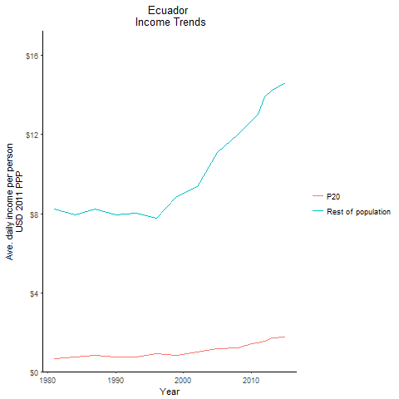
CountryName | P20 | Rest of population | Year
Ecuador | 0.67195036155 | 8.2403167782 | 1981
Ecuador | 0.75481935252 | 7.933474215 | 1984
Ecuador | 0.75765034352 | 7.9252952182 | 1990
Ecuador | 0.82029401724 | 8.2436277437 | 1987
Ecuador | 0.72804083455 | 8.0074389155 | 1993
Ecuador | 0.90520178882 | 7.772661775 | 1996
Ecuador | 0.84515963254 | 8.8773115161 | 1999
Ecuador | 0.99507753178 | 9.381350255 | 2002
Ecuador | 1.1452824582 | 11.08712135 | 2005
Ecuador | 1.221896909 | 12.013392573 | 2008
Ecuador | 1.4150413639 | 12.694028748 | 2010
Ecuador | 1.4607143793 | 13.035845582 | 2011
Ecuador | 1.5461701182 | 13.894434821 | 2012
Ecuador | 1.7145982763 | 14.254236405 | 2013
Ecuador | 1.7645805696 | 14.645982438 | 2015

El Salvador
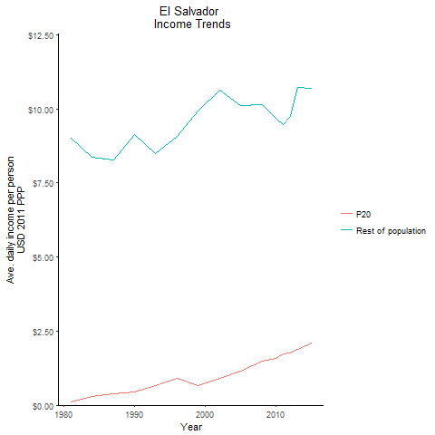
CountryName | P20 | Rest of population | Year
El Salvador | 0.11403145139 | 9.0194900334 | 1981
El Salvador | 0.2977906513 | 8.3571345781 | 1984
El Salvador | 0.44274859259 | 9.1434238455 | 1990
El Salvador | 0.39009898378 | 8.2857909461 | 1987
El Salvador | 0.66700112522 | 8.4786139666 | 1993
El Salvador | 0.90631542478 | 9.0658301319 | 1996
El Salvador | 0.66417651479 | 9.9282066533 | 1999
El Salvador | 0.91076764449 | 10.63079886 | 2002
El Salvador | 1.1402111385 | 10.108247107 | 2005
El Salvador | 1.4727124878 | 10.155972494 | 2008
El Salvador | 1.5778192926 | 9.6810305202 | 2010
El Salvador | 1.7182984847 | 9.4584550982 | 2011
El Salvador | 1.7584543043 | 9.7400805551 | 2012
El Salvador | 1.8718915422 | 10.716280841 | 2013
El Salvador | 2.0838419886 | 10.683293857 | 2015

Guatemala
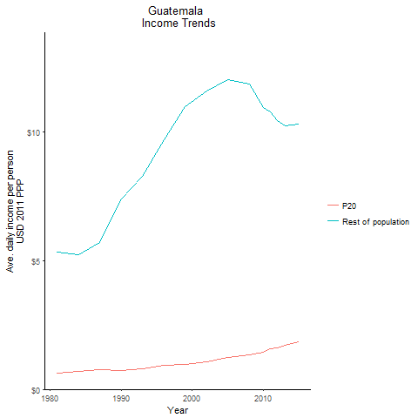
CountryName | P20 | Rest of population | Year
Guatemala | 0.62223696608 | 5.3417447023 | 1981
Guatemala | 0.70191042921 | 5.2355969083 | 1984
Guatemala | 0.72458268342 | 7.3872249258 | 1990
Guatemala | 0.75142394433 | 5.7202526261 | 1987
Guatemala | 0.80041498154 | 8.2899357067 | 1993
Guatemala | 0.9284780606 | 9.684309586 | 1996
Guatemala | 0.96950328634 | 10.992178353 | 1999
Guatemala | 1.0669888841 | 11.591719948 | 2002
Guatemala | 1.2340652576 | 12.050376081 | 2005
Guatemala | 1.3502422509 | 11.866379172 | 2008
Guatemala | 1.4568473606 | 10.95704758 | 2010
Guatemala | 1.5619020371 | 10.771392588 | 2011
Guatemala | 1.6214442153 | 10.444676126 | 2012
Guatemala | 1.729638442 | 10.237687214 | 2013
Guatemala | 1.8472916051 | 10.296342939 | 2015

Guyana
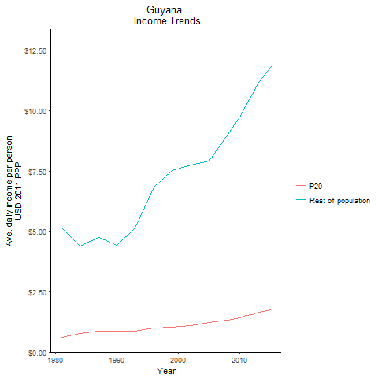
CountryName | P20 | Rest of population | Year
Guyana | 0.61232287762 | 5.1489200884 | 1981
Guyana | 0.78306574369 | 4.3837133776 | 1984
Guyana | 0.85294522218 | 4.422498159 | 1990
Guyana | 0.8753782849 | 4.7399016989 | 1987
Guyana | 0.88264489263 | 5.139890367 | 1993
Guyana | 0.98919954034 | 6.8274953406 | 1996
Guyana | 1.0429565221 | 7.5188509179 | 1999
Guyana | 1.1013352189 | 7.7392170847 | 2002
Guyana | 1.2144949684 | 7.9100800767 | 2005
Guyana | 1.3231948346 | 9.0287710486 | 2008
Guyana | 1.4178598189 | 9.7221556318 | 2010
Guyana | 1.5112980894 | 10.22472071 | 2011
Guyana | 1.5676085152 | 10.687742185 | 2012
Guyana | 1.660812917 | 11.183042113 | 2013
Guyana | 1.7639823161 | 11.824210262 | 2015

Honduras
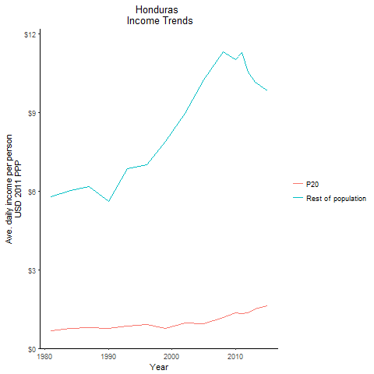
CountryName | P20 | Rest of population | Year
Honduras | 0.67053350901 | 5.7767650435 | 1981
Honduras | 0.74888795252 | 6.0161504554 | 1984
Honduras | 0.76635511703 | 5.595364553 | 1990
Honduras | 0.79882234147 | 6.1648429341 | 1987
Honduras | 0.8591164974 | 6.8539448111 | 1993
Honduras | 0.90402873873 | 6.9946466431 | 1996
Honduras | 0.77424248226 | 7.8969298145 | 1999
Honduras | 0.96404476102 | 8.9591272929 | 2002
Honduras | 0.94988903442 | 10.237508985 | 2005
Honduras | 1.1893304634 | 11.317305038 | 2008
Honduras | 1.3543172077 | 11.019480822 | 2010
Honduras | 1.3275557633 | 11.287637917 | 2011
Honduras | 1.3678267676 | 10.530340234 | 2012
Honduras | 1.4931527058 | 10.140858775 | 2013
Honduras | 1.6345682804 | 9.8068921918 | 2015

Jamaica
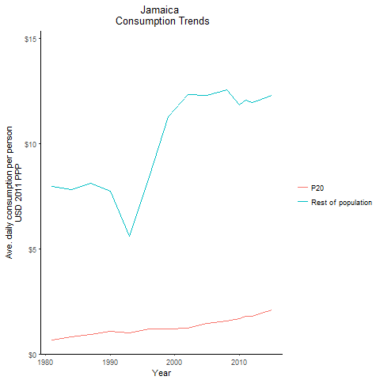
CountryName | P20 | Rest of population | Year
Jamaica | 0.65668223859 | 7.962878304 | 1981
Jamaica | 0.8292539368 | 7.8172118077 | 1984
Jamaica | 1.0734196865 | 7.7341755611 | 1990
Jamaica | 0.92676701484 | 8.1171058701 | 1987
Jamaica | 0.99022636068 | 5.5869492934 | 1993
Jamaica | 1.189353805 | 8.408802118 | 1996
Jamaica | 1.1850205113 | 11.288574048 | 1999
Jamaica | 1.2171164375 | 12.342812376 | 2002
Jamaica | 1.4601671647 | 12.28875102 | 2005
Jamaica | 1.5476369731 | 12.540858938 | 2008
Jamaica | 1.6784776475 | 11.846676764 | 2010
Jamaica | 1.7779335019 | 12.056222005 | 2011
Jamaica | 1.8073077901 | 11.968198828 | 2012
Jamaica | 1.909485805 | 12.059068335 | 2013
Jamaica | 2.0759918052 | 12.301950972 | 2015

Mexico
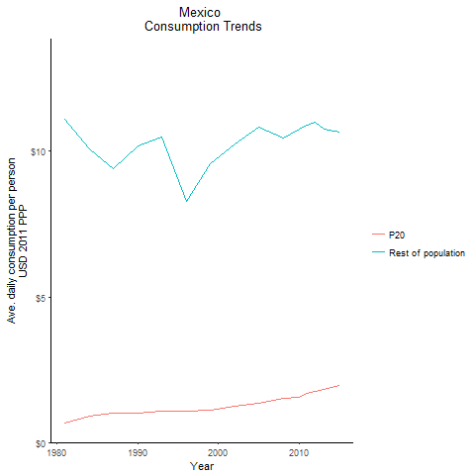
CountryName | P20 | Rest of population | Year
Mexico | 0.6710451142 | 11.110772023 | 1981
Mexico | 0.90407749069 | 10.075622683 | 1984
Mexico | 1.0129568277 | 10.189385141 | 1990
Mexico | 0.99620984323 | 9.4183242653 | 1987
Mexico | 1.0687832046 | 10.496950056 | 1993
Mexico | 1.0881303385 | 8.2980651896 | 1996
Mexico | 1.1021964011 | 9.5897401445 | 1999
Mexico | 1.2372207915 | 10.251100535 | 2002
Mexico | 1.337365836 | 10.839960953 | 2005
Mexico | 1.5233362049 | 10.460060192 | 2008
Mexico | 1.5572653381 | 10.758290623 | 2010
Mexico | 1.6782926666 | 10.891703404 | 2011
Mexico | 1.7608013716 | 10.997470977 | 2012
Mexico | 1.8391429835 | 10.778599998 | 2013
Mexico | 1.9614073961 | 10.652770244 | 2015

Nicaragua
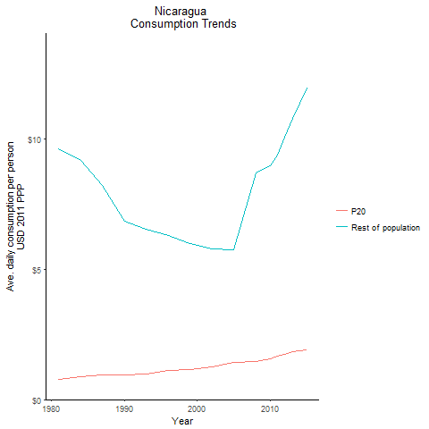
CountryName | P20 | Rest of population | Year
Nicaragua | 0.75794296712 | 9.6100415528 | 1981
Nicaragua | 0.88282159056 | 9.1706822073 | 1984
Nicaragua | 0.95691756992 | 6.8371077991 | 1990
Nicaragua | 0.94825502092 | 8.2056274087 | 1987
Nicaragua | 0.9869528284 | 6.5345162753 | 1993
Nicaragua | 1.1203727458 | 6.2711997979 | 1996
Nicaragua | 1.1553263022 | 5.9668799785 | 1999
Nicaragua | 1.2474400591 | 5.759113461 | 2002
Nicaragua | 1.4374925399 | 5.7398407942 | 2005
Nicaragua | 1.4749630942 | 8.6723743976 | 2008
Nicaragua | 1.5631938595 | 8.9559734585 | 2010
Nicaragua | 1.6605795199 | 9.3601614418 | 2011
Nicaragua | 1.7355501826 | 10.05832485 | 2012
Nicaragua | 1.846519278 | 10.76731143 | 2013
Nicaragua | 1.9093341454 | 11.94104712 | 2015

Panama
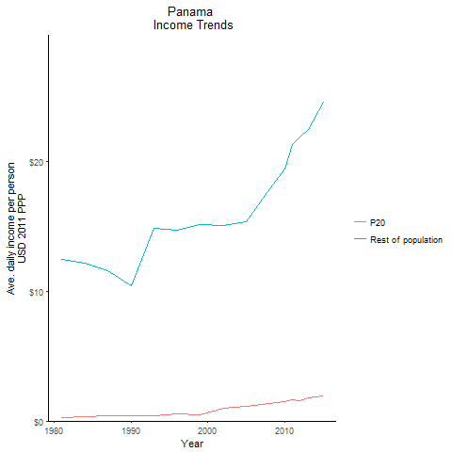
CountryName | P20 | Rest of population | Year
Panama | 0.28140477223 | 12.452808243 | 1981
Panama | 0.3391451729 | 12.207456275 | 1984
Panama | 0.4193743197 | 10.441689469 | 1990
Panama | 0.37865668456 | 11.590646654 | 1987
Panama | 0.42047774273 | 14.889223216 | 1993
Panama | 0.52633344611 | 14.728427701 | 1996
Panama | 0.51331287203 | 15.159702702 | 1999
Panama | 0.99671504159 | 15.091136974 | 2002
Panama | 1.156951035 | 15.412367772 | 2005
Panama | 1.3512148028 | 17.946445466 | 2008
Panama | 1.4954896451 | 19.474084921 | 2010
Panama | 1.6086691926 | 21.324460859 | 2011
Panama | 1.5478915959 | 21.914947041 | 2012
Panama | 1.7808251489 | 22.500835824 | 2013
Panama | 1.9351848925 | 24.623427718 | 2015

Paraguay
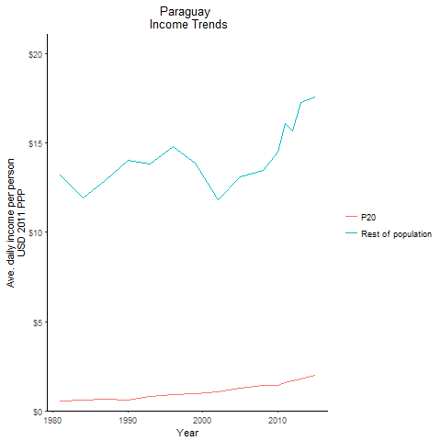
CountryName | P20 | Rest of population | Year
Paraguay | 0.55338090022 | 13.220777114 | 1981
Paraguay | 0.58603820497 | 11.920558586 | 1984
Paraguay | 0.58783244825 | 14.043853293 | 1990
Paraguay | 0.635152168 | 12.919586673 | 1987
Paraguay | 0.79855003099 | 13.812659305 | 1993
Paraguay | 0.91219991406 | 14.791873378 | 1996
Paraguay | 0.95277437648 | 13.864781392 | 1999
Paraguay | 1.0654243227 | 11.824108992 | 2002
Paraguay | 1.2491315516 | 13.097908683 | 2005
Paraguay | 1.4103441163 | 13.475600189 | 2008
Paraguay | 1.4377169323 | 14.5264025 | 2010
Paraguay | 1.5563509287 | 16.102785286 | 2011
Paraguay | 1.7000192626 | 15.700375369 | 2012
Paraguay | 1.7884905246 | 17.305957254 | 2013
Paraguay | 1.9951964381 | 17.580221266 | 2015

Peru
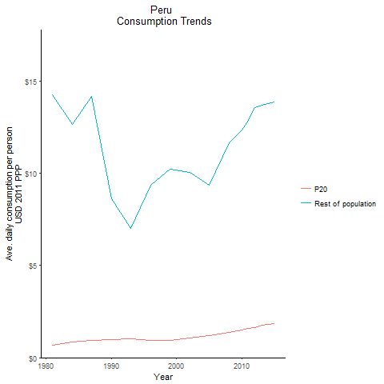
CountryName | P20 | Rest of population | Year
Peru | 0.67607744393 | 14.293028442 | 1981
Peru | 0.8708602422 | 12.652049668 | 1984
Peru | 0.97567192166 | 8.6374692639 | 1990
Peru | 0.94564993157 | 14.176650988 | 1987
Peru | 1.0144763008 | 7.0387954963 | 1993
Peru | 0.93597748359 | 9.3521302632 | 1996
Peru | 0.93820825375 | 10.215709548 | 1999
Peru | 1.0634321137 | 10.067510863 | 2002
Peru | 1.2167808267 | 9.3442057501 | 2005
Peru | 1.3678465349 | 11.666373243 | 2008
Peru | 1.4879422778 | 12.379234503 | 2010
Peru | 1.6033337713 | 12.881762764 | 2011
Peru | 1.6290240005 | 13.569479795 | 2012
Peru | 1.7446776161 | 13.697924904 | 2013
Peru | 1.8674021287 | 13.886603695 | 2015

St. Lucia
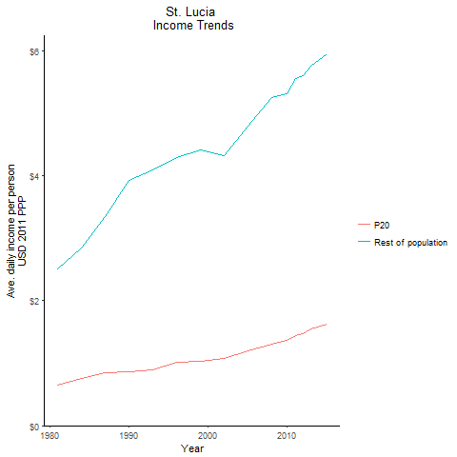
CountryName | P20 | Rest of population | Year
St. Lucia | 0.64978519796 | 2.5055160969 | 1981
St. Lucia | 0.75315247303 | 2.8454274258 | 1984
St. Lucia | 0.85735644193 | 3.9199790547 | 1990
St. Lucia | 0.84929058321 | 3.341691152 | 1987
St. Lucia | 0.89115048916 | 4.093228602 | 1993
St. Lucia | 1.0147602294 | 4.2831883536 | 1996
St. Lucia | 1.0341659605 | 4.4157076392 | 1999
St. Lucia | 1.0696977706 | 4.3243697226 | 2002
St. Lucia | 1.1981493247 | 4.7875365139 | 2005
St. Lucia | 1.2969515283 | 5.2456570568 | 2008
St. Lucia | 1.3597960442 | 5.3055680668 | 2010
St. Lucia | 1.4421355127 | 5.5452496667 | 2011
St. Lucia | 1.4774430383 | 5.5941503545 | 2012
St. Lucia | 1.5487624108 | 5.752310614 | 2013
St. Lucia | 1.6250419654 | 5.942686687 | 2015

Suriname
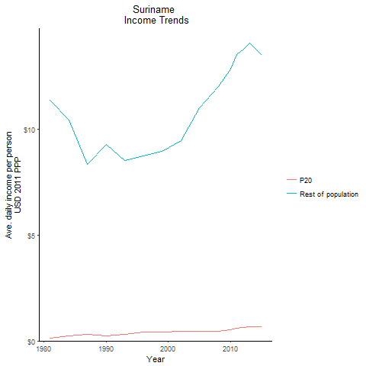
CountryName | P20 | Rest of population | Year
Suriname | 0.14669690981 | 11.337215125 | 1981
Suriname | 0.22761006577 | 10.419949431 | 1984
Suriname | 0.25431242941 | 9.2742657696 | 1990
Suriname | 0.30290258438 | 8.3308298052 | 1987
Suriname | 0.32349461301 | 8.5206541384 | 1993
Suriname | 0.40691138851 | 8.7418454661 | 1996
Suriname | 0.40322430236 | 8.9435690983 | 1999
Suriname | 0.43979357511 | 9.4482678771 | 2002
Suriname | 0.46233530187 | 10.987050443 | 2005
Suriname | 0.45593633475 | 12.009078032 | 2008
Suriname | 0.53997958193 | 12.83220778 | 2010
Suriname | 0.60945529877 | 13.517798422 | 2011
Suriname | 0.61945722998 | 13.739628543 | 2012
Suriname | 0.65345927232 | 14.038543783 | 2013
Suriname | 0.6518859042 | 13.483474716 | 2015

Trinidad and Tobago
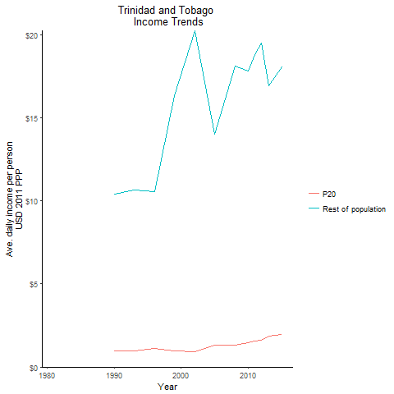
CountryName | P20 | Rest of population | Year
Trinidad and Tobago |  |  | 1981
Trinidad and Tobago |  |  | 1984
Trinidad and Tobago | 0.96073195975 | 10.407776181 | 1990
Trinidad and Tobago |  |  | 1987
Trinidad and Tobago | 0.9624726044 | 10.685157882 | 1993
Trinidad and Tobago | 1.1109861108 | 10.539273988 | 1996
Trinidad and Tobago | 0.94934900243 | 16.359810584 | 1999
Trinidad and Tobago | 0.90802689164 | 20.263584731 | 2002
Trinidad and Tobago | 1.3203022254 | 14.019023304 | 2005
Trinidad and Tobago | 1.3276428173 | 18.103870145 | 2008
Trinidad and Tobago | 1.470094243 | 17.814361594 | 2010
Trinidad and Tobago | 1.5807658468 | 18.81330029 | 2011
Trinidad and Tobago | 1.6341873438 | 19.52988948 | 2012
Trinidad and Tobago | 1.8396031118 | 16.91749258 | 2013
Trinidad and Tobago | 1.9542615028 | 18.091298206 | 2015

Uruguay
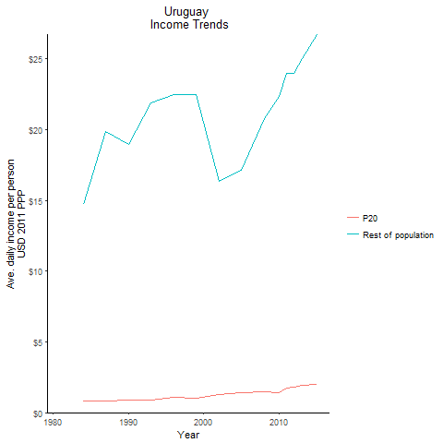
CountryName | P20 | Rest of population | Year
Uruguay |  |  | 1981
Uruguay | 0.84859136203 | 14.706591291 | 1984
Uruguay | 0.89379735453 | 18.962045094 | 1990
Uruguay | 0.81498618977 | 19.868942428 | 1987
Uruguay | 0.89811485686 | 21.879871704 | 1993
Uruguay | 1.0630153935 | 22.440792677 | 1996
Uruguay | 1.0275175643 | 22.453276252 | 1999
Uruguay | 1.2596055343 | 16.32463009 | 2002
Uruguay | 1.4325552474 | 17.118537172 | 2005
Uruguay | 1.5008514103 | 20.775477998 | 2008
Uruguay | 1.4202422583 | 22.336367935 | 2010
Uruguay | 1.7549949647 | 23.998173656 | 2011
Uruguay | 1.8050130953 | 23.970258664 | 2012
Uruguay | 1.9426370853 | 25.016511405 | 2013
Uruguay | 1.9999189594 | 26.716383056 | 2015

Venezuela, Republica Bolivaria
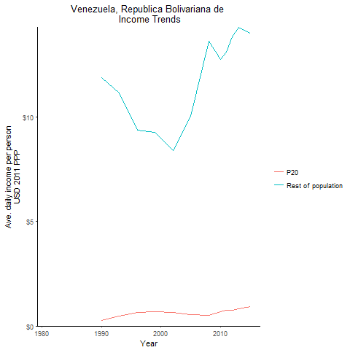
CountryName | P20 | Rest of population | Year
Venezuela, Republica Bolivariana de |  |  | 1981
Venezuela, Republica Bolivariana de | 1.1797661569 | 13.813248451 | 1984
Venezuela, Republica Bolivariana de | 0.25609750017 | 11.883974906 | 1990
Venezuela, Republica Bolivariana de |  |  | 1987
Venezuela, Republica Bolivariana de | 0.46319981315 | 11.137200424 | 1993
Venezuela, Republica Bolivariana de | 0.65988583058 | 9.3827469645 | 1996
Venezuela, Republica Bolivariana de | 0.70100179868 | 9.2692238755 | 1999
Venezuela, Republica Bolivariana de | 0.66301391961 | 8.3861479462 | 2002
Venezuela, Republica Bolivariana de | 0.54195328494 | 10.031563969 | 2005
Venezuela, Republica Bolivariana de | 0.51778029644 | 13.645632759 | 2008
Venezuela, Republica Bolivariana de | 0.66871756927 | 12.754359995 | 2010
Venezuela, Republica Bolivariana de | 0.73992017075 | 13.117384663 | 2011
Venezuela, Republica Bolivariana de | 0.76305625533 | 13.822064282 | 2012
Venezuela, Republica Bolivariana de | 0.82021217042 | 14.299454446 | 2013
Venezuela, Republica Bolivariana de | 0.93891837073 | 14.018371654 | 2015

Haiti
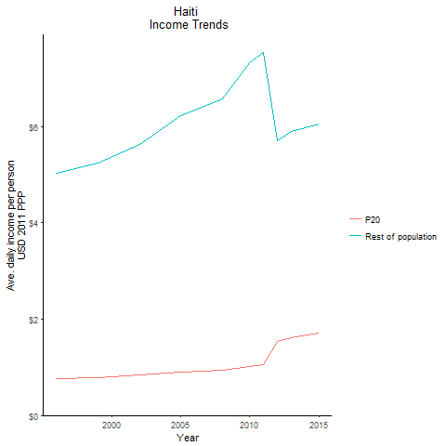
CountryName | P20 | Rest of population | Year
Haiti | 0.76694878177 | 5.0338204383 | 1996
Haiti | 0.789010493 | 5.241890788 | 1999
Haiti | 0.83611303816 | 5.6188803012 | 2002
Haiti | 0.90757234699 | 6.222092351 | 2005
Haiti | 0.940914782 | 6.5795953843 | 2008
Haiti | 1.0134715045 | 7.3200905109 | 2010
Haiti | 1.055011077 | 7.5294448641 | 2011
Haiti | 1.5264068486 | 5.6986777906 | 2012
Haiti | 1.6139732967 | 5.8990456705 | 2013
Haiti | 1.7015502878 | 6.0530957622 | 2015

