China
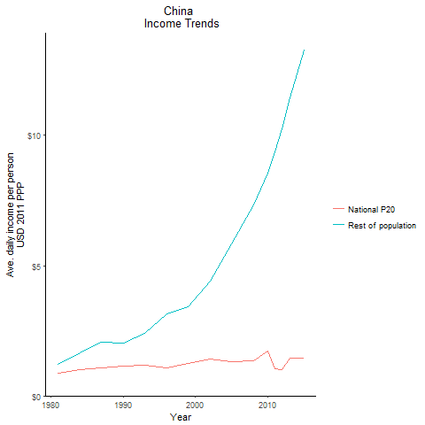
CountryName | National P20 | Rest of population | Year
China | 0.880511375 | 1.2034062658 | 1981
China | 0.880511375 | 1.2034062658 | 1981
China | 0.880511375 | 1.2034062658 | 1981
China | 0.880511375 | 1.2034062658 | 1981
China | 0.880511375 | 1.2034062658 | 1981
China | 0.880511375 | 1.2034062658 | 1981
China | 0.880511375 | 1.2034062658 | 1981
China | 0.880511375 | 1.2034062658 | 1981
China | 0.880511375 | 1.2034062658 | 1981
China | 0.880511375 | 1.2034062658 | 1981
China | 0.880511375 | 1.2034062658 | 1981
China | 0.880511375 | 1.2034062658 | 1981
China | 0.880511375 | 1.2034062658 | 1981
China | 0.880511375 | 1.2034062658 | 1981
China | 0.880511375 | 1.2034062658 | 1981
China | 0.880511375 | 1.2034062658 | 1981
China | 0.880511375 | 1.2034062658 | 1981
China | 0.880511375 | 1.2034062658 | 1981
China | 0.880511375 | 1.2034062658 | 1981
China | 0.880511375 | 1.2034062658 | 1981
China | 0.880511375 | 1.2034062658 | 1981
China | 0.880511375 | 1.2034062658 | 1981
China | 0.880511375 | 1.2034062658 | 1981
China | 0.880511375 | 1.2034062658 | 1981
China | 0.880511375 | 1.2034062658 | 1981
China | 0.880511375 | 1.2034062658 | 1981
China | 0.880511375 | 1.2034062658 | 1981
China | 1.00819818 | 1.6377051125 | 1984
China | 1.00819818 | 1.6377051125 | 1984
China | 1.00819818 | 1.6377051125 | 1984
China | 1.00819818 | 1.6377051125 | 1984
China | 1.00819818 | 1.6377051125 | 1984
China | 1.00819818 | 1.6377051125 | 1984
China | 1.00819818 | 1.6377051125 | 1984
China | 1.00819818 | 1.6377051125 | 1984
China | 1.00819818 | 1.6377051125 | 1984
China | 1.00819818 | 1.6377051125 | 1984
China | 1.00819818 | 1.6377051125 | 1984
China | 1.00819818 | 1.6377051125 | 1984
China | 1.00819818 | 1.6377051125 | 1984
China | 1.00819818 | 1.6377051125 | 1984
China | 1.00819818 | 1.6377051125 | 1984
China | 1.00819818 | 1.6377051125 | 1984
China | 1.00819818 | 1.6377051125 | 1984
China | 1.00819818 | 1.6377051125 | 1984
China | 1.00819818 | 1.6377051125 | 1984
China | 1.00819818 | 1.6377051125 | 1984
China | 1.00819818 | 1.6377051125 | 1984
China | 1.00819818 | 1.6377051125 | 1984
China | 1.00819818 | 1.6377051125 | 1984
China | 1.00819818 | 1.6377051125 | 1984
China | 1.00819818 | 1.6377051125 | 1984
China | 1.00819818 | 1.6377051125 | 1984
China | 1.00819818 | 1.6377051125 | 1984
China | 1.142690164 | 2.02006787 | 1990
China | 1.142690164 | 2.02006787 | 1990
China | 1.142690164 | 2.02006787 | 1990
China | 1.142690164 | 2.02006787 | 1990
China | 1.142690164 | 2.02006787 | 1990
China | 1.142690164 | 2.02006787 | 1990
China | 1.142690164 | 2.02006787 | 1990
China | 1.142690164 | 2.02006787 | 1990
China | 1.142690164 | 2.02006787 | 1990
China | 1.142690164 | 2.02006787 | 1990
China | 1.142690164 | 2.02006787 | 1990
China | 1.142690164 | 2.02006787 | 1990
China | 1.142690164 | 2.02006787 | 1990
China | 1.142690164 | 2.02006787 | 1990
China | 1.142690164 | 2.02006787 | 1990
China | 1.142690164 | 2.02006787 | 1990
China | 1.142690164 | 2.02006787 | 1990
China | 1.142690164 | 2.02006787 | 1990
China | 1.142690164 | 2.02006787 | 1990
China | 1.142690164 | 2.02006787 | 1990
China | 1.142690164 | 2.02006787 | 1990
China | 1.142690164 | 2.02006787 | 1990
China | 1.142690164 | 2.02006787 | 1990
China | 1.142690164 | 2.02006787 | 1990
China | 1.142690164 | 2.02006787 | 1990
China | 1.142690164 | 2.02006787 | 1990
China | 1.142690164 | 2.02006787 | 1990
China | 1.066173634 | 2.0640933038 | 1987
China | 1.066173634 | 2.0640933038 | 1987
China | 1.066173634 | 2.0640933038 | 1987
China | 1.066173634 | 2.0640933038 | 1987
China | 1.066173634 | 2.0640933038 | 1987
China | 1.066173634 | 2.0640933038 | 1987
China | 1.066173634 | 2.0640933038 | 1987
China | 1.066173634 | 2.0640933038 | 1987
China | 1.066173634 | 2.0640933038 | 1987
China | 1.066173634 | 2.0640933038 | 1987
China | 1.066173634 | 2.0640933038 | 1987
China | 1.066173634 | 2.0640933038 | 1987
China | 1.066173634 | 2.0640933038 | 1987
China | 1.066173634 | 2.0640933038 | 1987
China | 1.066173634 | 2.0640933038 | 1987
China | 1.066173634 | 2.0640933038 | 1987
China | 1.066173634 | 2.0640933038 | 1987
China | 1.066173634 | 2.0640933038 | 1987
China | 1.066173634 | 2.0640933038 | 1987
China | 1.066173634 | 2.0640933038 | 1987
China | 1.066173634 | 2.0640933038 | 1987
China | 1.066173634 | 2.0640933038 | 1987
China | 1.066173634 | 2.0640933038 | 1987
China | 1.066173634 | 2.0640933038 | 1987
China | 1.066173634 | 2.0640933038 | 1987
China | 1.066173634 | 2.0640933038 | 1987
China | 1.066173634 | 2.0640933038 | 1987
China | 1.172225833 | 2.3939329938 | 1993
China | 1.172225833 | 2.3939329938 | 1993
China | 1.172225833 | 2.3939329938 | 1993
China | 1.172225833 | 2.3939329938 | 1993
China | 1.172225833 | 2.3939329938 | 1993
China | 1.172225833 | 2.3939329938 | 1993
China | 1.172225833 | 2.3939329938 | 1993
China | 1.172225833 | 2.3939329938 | 1993
China | 1.172225833 | 2.3939329938 | 1993
China | 1.172225833 | 2.3939329938 | 1993
China | 1.172225833 | 2.3939329938 | 1993
China | 1.172225833 | 2.3939329938 | 1993
China | 1.172225833 | 2.3939329938 | 1993
China | 1.172225833 | 2.3939329938 | 1993
China | 1.172225833 | 2.3939329938 | 1993
China | 1.172225833 | 2.3939329938 | 1993
China | 1.172225833 | 2.3939329938 | 1993
China | 1.172225833 | 2.3939329938 | 1993
China | 1.172225833 | 2.3939329938 | 1993
China | 1.172225833 | 2.3939329938 | 1993
China | 1.172225833 | 2.3939329938 | 1993
China | 1.172225833 | 2.3939329938 | 1993
China | 1.172225833 | 2.3939329938 | 1993
China | 1.172225833 | 2.3939329938 | 1993
China | 1.172225833 | 2.3939329938 | 1993
China | 1.172225833 | 2.3939329938 | 1993
China | 1.172225833 | 2.3939329938 | 1993
China | 1.067761605 | 3.1356312426 | 1996
China | 1.067761605 | 3.1356312426 | 1996
China | 1.067761605 | 3.1356312426 | 1996
China | 1.067761605 | 3.1356312426 | 1996
China | 1.067761605 | 3.1356312426 | 1996
China | 1.067761605 | 3.1356312426 | 1996
China | 1.067761605 | 3.1356312426 | 1996
China | 1.067761605 | 3.1356312426 | 1996
China | 1.067761605 | 3.1356312426 | 1996
China | 1.067761605 | 3.1356312426 | 1996
China | 1.067761605 | 3.1356312426 | 1996
China | 1.067761605 | 3.1356312426 | 1996
China | 1.067761605 | 3.1356312426 | 1996
China | 1.067761605 | 3.1356312426 | 1996
China | 1.067761605 | 3.1356312426 | 1996
China | 1.067761605 | 3.1356312426 | 1996
China | 1.067761605 | 3.1356312426 | 1996
China | 1.067761605 | 3.1356312426 | 1996
China | 1.067761605 | 3.1356312426 | 1996
China | 1.067761605 | 3.1356312426 | 1996
China | 1.067761605 | 3.1356312426 | 1996
China | 1.067761605 | 3.1356312426 | 1996
China | 1.067761605 | 3.1356312426 | 1996
China | 1.067761605 | 3.1356312426 | 1996
China | 1.067761605 | 3.1356312426 | 1996
China | 1.067761605 | 3.1356312426 | 1996
China | 1.067761605 | 3.1356312426 | 1996
China | 1.238184576 | 3.4318779656 | 1999
China | 1.238184576 | 3.4318779656 | 1999
China | 1.238184576 | 3.4318779656 | 1999
China | 1.238184576 | 3.4318779656 | 1999
China | 1.238184576 | 3.4318779656 | 1999
China | 1.238184576 | 3.4318779656 | 1999
China | 1.238184576 | 3.4318779656 | 1999
China | 1.238184576 | 3.4318779656 | 1999
China | 1.238184576 | 3.4318779656 | 1999
China | 1.238184576 | 3.4318779656 | 1999
China | 1.238184576 | 3.4318779656 | 1999
China | 1.238184576 | 3.4318779656 | 1999
China | 1.238184576 | 3.4318779656 | 1999
China | 1.238184576 | 3.4318779656 | 1999
China | 1.238184576 | 3.4318779656 | 1999
China | 1.238184576 | 3.4318779656 | 1999
China | 1.238184576 | 3.4318779656 | 1999
China | 1.238184576 | 3.4318779656 | 1999
China | 1.238184576 | 3.4318779656 | 1999
China | 1.238184576 | 3.4318779656 | 1999
China | 1.238184576 | 3.4318779656 | 1999
China | 1.238184576 | 3.4318779656 | 1999
China | 1.238184576 | 3.4318779656 | 1999
China | 1.238184576 | 3.4318779656 | 1999
China | 1.238184576 | 3.4318779656 | 1999
China | 1.238184576 | 3.4318779656 | 1999
China | 1.238184576 | 3.4318779656 | 1999
China | 1.4070421875 | 4.3984887682 | 2002
China | 1.4070421875 | 4.3984887682 | 2002
China | 1.4070421875 | 4.3984887682 | 2002
China | 1.4070421875 | 4.3984887682 | 2002
China | 1.4070421875 | 4.3984887682 | 2002
China | 1.4070421875 | 4.3984887682 | 2002
China | 1.4070421875 | 4.3984887682 | 2002
China | 1.4070421875 | 4.3984887682 | 2002
China | 1.4070421875 | 4.3984887682 | 2002
China | 1.4070421875 | 4.3984887682 | 2002
China | 1.4070421875 | 4.3984887682 | 2002
China | 1.4070421875 | 4.3984887682 | 2002
China | 1.4070421875 | 4.3984887682 | 2002
China | 1.4070421875 | 4.3984887682 | 2002
China | 1.4070421875 | 4.3984887682 | 2002
China | 1.4070421875 | 4.3984887682 | 2002
China | 1.4070421875 | 4.3984887682 | 2002
China | 1.4070421875 | 4.3984887682 | 2002
China | 1.4070421875 | 4.3984887682 | 2002
China | 1.4070421875 | 4.3984887682 | 2002
China | 1.4070421875 | 4.3984887682 | 2002
China | 1.4070421875 | 4.3984887682 | 2002
China | 1.4070421875 | 4.3984887682 | 2002
China | 1.4070421875 | 4.3984887682 | 2002
China | 1.4070421875 | 4.3984887682 | 2002
China | 1.4070421875 | 4.3984887682 | 2002
China | 1.4070421875 | 4.3984887682 | 2002
China | 1.320205272 | 5.848818545 | 2005
China | 1.320205272 | 5.848818545 | 2005
China | 1.320205272 | 5.848818545 | 2005
China | 1.320205272 | 5.848818545 | 2005
China | 1.320205272 | 5.848818545 | 2005
China | 1.320205272 | 5.848818545 | 2005
China | 1.320205272 | 5.848818545 | 2005
China | 1.320205272 | 5.848818545 | 2005
China | 1.320205272 | 5.848818545 | 2005
China | 1.320205272 | 5.848818545 | 2005
China | 1.320205272 | 5.848818545 | 2005
China | 1.320205272 | 5.848818545 | 2005
China | 1.320205272 | 5.848818545 | 2005
China | 1.320205272 | 5.848818545 | 2005
China | 1.320205272 | 5.848818545 | 2005
China | 1.320205272 | 5.848818545 | 2005
China | 1.320205272 | 5.848818545 | 2005
China | 1.320205272 | 5.848818545 | 2005
China | 1.320205272 | 5.848818545 | 2005
China | 1.320205272 | 5.848818545 | 2005
China | 1.320205272 | 5.848818545 | 2005
China | 1.320205272 | 5.848818545 | 2005
China | 1.320205272 | 5.848818545 | 2005
China | 1.320205272 | 5.848818545 | 2005
China | 1.320205272 | 5.848818545 | 2005
China | 1.320205272 | 5.848818545 | 2005
China | 1.320205272 | 5.848818545 | 2005
China | 1.33457915 | 7.331770281 | 2008
China | 1.33457915 | 7.331770281 | 2008
China | 1.33457915 | 7.331770281 | 2008
China | 1.33457915 | 7.331770281 | 2008
China | 1.33457915 | 7.331770281 | 2008
China | 1.33457915 | 7.331770281 | 2008
China | 1.33457915 | 7.331770281 | 2008
China | 1.33457915 | 7.331770281 | 2008
China | 1.33457915 | 7.331770281 | 2008
China | 1.33457915 | 7.331770281 | 2008
China | 1.33457915 | 7.331770281 | 2008
China | 1.33457915 | 7.331770281 | 2008
China | 1.33457915 | 7.331770281 | 2008
China | 1.33457915 | 7.331770281 | 2008
China | 1.33457915 | 7.331770281 | 2008
China | 1.33457915 | 7.331770281 | 2008
China | 1.33457915 | 7.331770281 | 2008
China | 1.33457915 | 7.331770281 | 2008
China | 1.33457915 | 7.331770281 | 2008
China | 1.33457915 | 7.331770281 | 2008
China | 1.33457915 | 7.331770281 | 2008
China | 1.33457915 | 7.331770281 | 2008
China | 1.33457915 | 7.331770281 | 2008
China | 1.33457915 | 7.331770281 | 2008
China | 1.33457915 | 7.331770281 | 2008
China | 1.33457915 | 7.331770281 | 2008
China | 1.33457915 | 7.331770281 | 2008
China | 1.7140559075 | 8.5527421875 | 2010
China | 1.7140559075 | 8.5527421875 | 2010
China | 1.7140559075 | 8.5527421875 | 2010
China | 1.7140559075 | 8.5527421875 | 2010
China | 1.7140559075 | 8.5527421875 | 2010
China | 1.7140559075 | 8.5527421875 | 2010
China | 1.7140559075 | 8.5527421875 | 2010
China | 1.7140559075 | 8.5527421875 | 2010
China | 1.7140559075 | 8.5527421875 | 2010
China | 1.7140559075 | 8.5527421875 | 2010
China | 1.7140559075 | 8.5527421875 | 2010
China | 1.7140559075 | 8.5527421875 | 2010
China | 1.7140559075 | 8.5527421875 | 2010
China | 1.7140559075 | 8.5527421875 | 2010
China | 1.7140559075 | 8.5527421875 | 2010
China | 1.7140559075 | 8.5527421875 | 2010
China | 1.7140559075 | 8.5527421875 | 2010
China | 1.7140559075 | 8.5527421875 | 2010
China | 1.7140559075 | 8.5527421875 | 2010
China | 1.7140559075 | 8.5527421875 | 2010
China | 1.7140559075 | 8.5527421875 | 2010
China | 1.7140559075 | 8.5527421875 | 2010
China | 1.7140559075 | 8.5527421875 | 2010
China | 1.7140559075 | 8.5527421875 | 2010
China | 1.7140559075 | 8.5527421875 | 2010
China | 1.7140559075 | 8.5527421875 | 2010
China | 1.7140559075 | 8.5527421875 | 2010
China | 1.036257241 | 9.3768452788 | 2011
China | 1.036257241 | 9.3768452788 | 2011
China | 1.036257241 | 9.3768452788 | 2011
China | 1.036257241 | 9.3768452788 | 2011
China | 1.036257241 | 9.3768452788 | 2011
China | 1.036257241 | 9.3768452788 | 2011
China | 1.036257241 | 9.3768452788 | 2011
China | 1.036257241 | 9.3768452788 | 2011
China | 1.036257241 | 9.3768452788 | 2011
China | 1.036257241 | 9.3768452788 | 2011
China | 1.036257241 | 9.3768452788 | 2011
China | 1.036257241 | 9.3768452788 | 2011
China | 1.036257241 | 9.3768452788 | 2011
China | 1.036257241 | 9.3768452788 | 2011
China | 1.036257241 | 9.3768452788 | 2011
China | 1.036257241 | 9.3768452788 | 2011
China | 1.036257241 | 9.3768452788 | 2011
China | 1.036257241 | 9.3768452788 | 2011
China | 1.036257241 | 9.3768452788 | 2011
China | 1.036257241 | 9.3768452788 | 2011
China | 1.036257241 | 9.3768452788 | 2011
China | 1.036257241 | 9.3768452788 | 2011
China | 1.036257241 | 9.3768452788 | 2011
China | 1.036257241 | 9.3768452788 | 2011
China | 1.036257241 | 9.3768452788 | 2011
China | 1.036257241 | 9.3768452788 | 2011
China | 1.036257241 | 9.3768452788 | 2011
China | 1.023178377 | 10.260984858 | 2012
China | 1.023178377 | 10.260984858 | 2012
China | 1.023178377 | 10.260984858 | 2012
China | 1.023178377 | 10.260984858 | 2012
China | 1.023178377 | 10.260984858 | 2012
China | 1.023178377 | 10.260984858 | 2012
China | 1.023178377 | 10.260984858 | 2012
China | 1.023178377 | 10.260984858 | 2012
China | 1.023178377 | 10.260984858 | 2012
China | 1.023178377 | 10.260984858 | 2012
China | 1.023178377 | 10.260984858 | 2012
China | 1.023178377 | 10.260984858 | 2012
China | 1.023178377 | 10.260984858 | 2012
China | 1.023178377 | 10.260984858 | 2012
China | 1.023178377 | 10.260984858 | 2012
China | 1.023178377 | 10.260984858 | 2012
China | 1.023178377 | 10.260984858 | 2012
China | 1.023178377 | 10.260984858 | 2012
China | 1.023178377 | 10.260984858 | 2012
China | 1.023178377 | 10.260984858 | 2012
China | 1.023178377 | 10.260984858 | 2012
China | 1.023178377 | 10.260984858 | 2012
China | 1.023178377 | 10.260984858 | 2012
China | 1.023178377 | 10.260984858 | 2012
China | 1.023178377 | 10.260984858 | 2012
China | 1.023178377 | 10.260984858 | 2012
China | 1.023178377 | 10.260984858 | 2012
China | 1.463251505 | 11.457400822 | 2013
China | 1.463251505 | 11.457400822 | 2013
China | 1.463251505 | 11.457400822 | 2013
China | 1.463251505 | 11.457400822 | 2013
China | 1.463251505 | 11.457400822 | 2013
China | 1.463251505 | 11.457400822 | 2013
China | 1.463251505 | 11.457400822 | 2013
China | 1.463251505 | 11.457400822 | 2013
China | 1.463251505 | 11.457400822 | 2013
China | 1.463251505 | 11.457400822 | 2013
China | 1.463251505 | 11.457400822 | 2013
China | 1.463251505 | 11.457400822 | 2013
China | 1.463251505 | 11.457400822 | 2013
China | 1.463251505 | 11.457400822 | 2013
China | 1.463251505 | 11.457400822 | 2013
China | 1.463251505 | 11.457400822 | 2013
China | 1.463251505 | 11.457400822 | 2013
China | 1.463251505 | 11.457400822 | 2013
China | 1.463251505 | 11.457400822 | 2013
China | 1.463251505 | 11.457400822 | 2013
China | 1.463251505 | 11.457400822 | 2013
China | 1.463251505 | 11.457400822 | 2013
China | 1.463251505 | 11.457400822 | 2013
China | 1.463251505 | 11.457400822 | 2013
China | 1.463251505 | 11.457400822 | 2013
China | 1.463251505 | 11.457400822 | 2013
China | 1.463251505 | 11.457400822 | 2013
China | 1.454786287 | 13.266104798 | 2015
China | 1.454786287 | 13.266104798 | 2015
China | 1.454786287 | 13.266104798 | 2015
China | 1.454786287 | 13.266104798 | 2015
China | 1.454786287 | 13.266104798 | 2015
China | 1.454786287 | 13.266104798 | 2015
China | 1.454786287 | 13.266104798 | 2015
China | 1.454786287 | 13.266104798 | 2015
China | 1.454786287 | 13.266104798 | 2015
China | 1.454786287 | 13.266104798 | 2015
China | 1.454786287 | 13.266104798 | 2015
China | 1.454786287 | 13.266104798 | 2015
China | 1.454786287 | 13.266104798 | 2015
China | 1.454786287 | 13.266104798 | 2015
China | 1.454786287 | 13.266104798 | 2015
China | 1.454786287 | 13.266104798 | 2015
China | 1.454786287 | 13.266104798 | 2015
China | 1.454786287 | 13.266104798 | 2015
China | 1.454786287 | 13.266104798 | 2015
China | 1.454786287 | 13.266104798 | 2015
China | 1.454786287 | 13.266104798 | 2015
China | 1.454786287 | 13.266104798 | 2015
China | 1.454786287 | 13.266104798 | 2015
China | 1.454786287 | 13.266104798 | 2015
China | 1.454786287 | 13.266104798 | 2015
China | 1.454786287 | 13.266104798 | 2015
China | 1.454786287 | 13.266104798 | 2015

Fiji
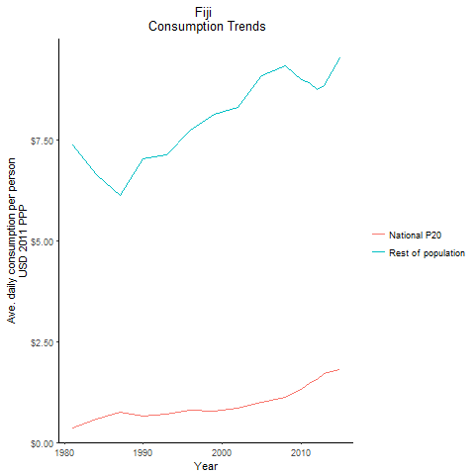
CountryName | National P20 | Rest of population | Year
Fiji | 0.346342988 | 7.3739169927 | 1981
Fiji | 0.586109568 | 6.6404178135 | 1984
Fiji | 0.6527146015 | 7.0222323085 | 1990
Fiji | 0.7515105895 | 6.1334552293 | 1987
Fiji | 0.696343121 | 7.1369224389 | 1993
Fiji | 0.795758492 | 7.7452083222 | 1996
Fiji | 0.7787861 | 8.1344993654 | 1999
Fiji | 0.860218861 | 8.3063672026 | 2002
Fiji | 0.987653952 | 9.0925796627 | 2005
Fiji | 1.1165951 | 9.3422662935 | 2008
Fiji | 1.31257838 | 8.9953704735 | 2010
Fiji | 1.4693621275 | 8.9177827558 | 2011
Fiji | 1.565778014 | 8.741360976 | 2012
Fiji | 1.711910407 | 8.848934727 | 2013
Fiji | 1.809962467 | 9.521551849 | 2015

Indonesia
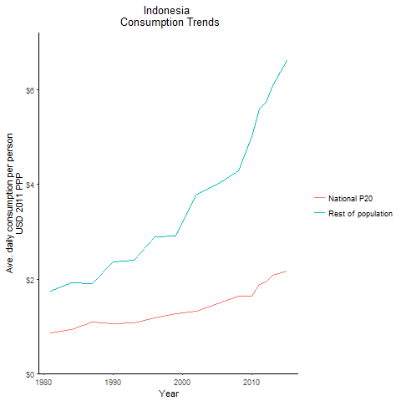
CountryName | National P20 | Rest of population | Year
Indonesia | 0.8622143885 | 1.7479694166 | 1981
Indonesia | 0.8622143885 | 1.7479694166 | 1981
Indonesia | 0.8622143885 | 1.7479694166 | 1981
Indonesia | 0.8622143885 | 1.7479694166 | 1981
Indonesia | 0.8622143885 | 1.7479694166 | 1981
Indonesia | 0.8622143885 | 1.7479694166 | 1981
Indonesia | 0.8622143885 | 1.7479694166 | 1981
Indonesia | 0.8622143885 | 1.7479694166 | 1981
Indonesia | 0.8622143885 | 1.7479694166 | 1981
Indonesia | 0.8622143885 | 1.7479694166 | 1981
Indonesia | 0.8622143885 | 1.7479694166 | 1981
Indonesia | 0.8622143885 | 1.7479694166 | 1981
Indonesia | 0.8622143885 | 1.7479694166 | 1981
Indonesia | 0.8622143885 | 1.7479694166 | 1981
Indonesia | 0.8622143885 | 1.7479694166 | 1981
Indonesia | 0.8622143885 | 1.7479694166 | 1981
Indonesia | 0.8622143885 | 1.7479694166 | 1981
Indonesia | 0.8622143885 | 1.7479694166 | 1981
Indonesia | 0.8622143885 | 1.7479694166 | 1981
Indonesia | 0.8622143885 | 1.7479694166 | 1981
Indonesia | 0.8622143885 | 1.7479694166 | 1981
Indonesia | 0.8622143885 | 1.7479694166 | 1981
Indonesia | 0.8622143885 | 1.7479694166 | 1981
Indonesia | 0.8622143885 | 1.7479694166 | 1981
Indonesia | 0.8622143885 | 1.7479694166 | 1981
Indonesia | 0.8622143885 | 1.7479694166 | 1981
Indonesia | 0.8622143885 | 1.7479694166 | 1981
Indonesia | 0.925181118 | 1.9159674602 | 1984
Indonesia | 0.925181118 | 1.9159674602 | 1984
Indonesia | 0.925181118 | 1.9159674602 | 1984
Indonesia | 0.925181118 | 1.9159674602 | 1984
Indonesia | 0.925181118 | 1.9159674602 | 1984
Indonesia | 0.925181118 | 1.9159674602 | 1984
Indonesia | 0.925181118 | 1.9159674602 | 1984
Indonesia | 0.925181118 | 1.9159674602 | 1984
Indonesia | 0.925181118 | 1.9159674602 | 1984
Indonesia | 0.925181118 | 1.9159674602 | 1984
Indonesia | 0.925181118 | 1.9159674602 | 1984
Indonesia | 0.925181118 | 1.9159674602 | 1984
Indonesia | 0.925181118 | 1.9159674602 | 1984
Indonesia | 0.925181118 | 1.9159674602 | 1984
Indonesia | 0.925181118 | 1.9159674602 | 1984
Indonesia | 0.925181118 | 1.9159674602 | 1984
Indonesia | 0.925181118 | 1.9159674602 | 1984
Indonesia | 0.925181118 | 1.9159674602 | 1984
Indonesia | 0.925181118 | 1.9159674602 | 1984
Indonesia | 0.925181118 | 1.9159674602 | 1984
Indonesia | 0.925181118 | 1.9159674602 | 1984
Indonesia | 0.925181118 | 1.9159674602 | 1984
Indonesia | 0.925181118 | 1.9159674602 | 1984
Indonesia | 0.925181118 | 1.9159674602 | 1984
Indonesia | 0.925181118 | 1.9159674602 | 1984
Indonesia | 0.925181118 | 1.9159674602 | 1984
Indonesia | 0.925181118 | 1.9159674602 | 1984
Indonesia | 1.052236604 | 2.3684430408 | 1990
Indonesia | 1.052236604 | 2.3684430408 | 1990
Indonesia | 1.052236604 | 2.3684430408 | 1990
Indonesia | 1.052236604 | 2.3684430408 | 1990
Indonesia | 1.052236604 | 2.3684430408 | 1990
Indonesia | 1.052236604 | 2.3684430408 | 1990
Indonesia | 1.052236604 | 2.3684430408 | 1990
Indonesia | 1.052236604 | 2.3684430408 | 1990
Indonesia | 1.052236604 | 2.3684430408 | 1990
Indonesia | 1.052236604 | 2.3684430408 | 1990
Indonesia | 1.052236604 | 2.3684430408 | 1990
Indonesia | 1.052236604 | 2.3684430408 | 1990
Indonesia | 1.052236604 | 2.3684430408 | 1990
Indonesia | 1.052236604 | 2.3684430408 | 1990
Indonesia | 1.052236604 | 2.3684430408 | 1990
Indonesia | 1.052236604 | 2.3684430408 | 1990
Indonesia | 1.052236604 | 2.3684430408 | 1990
Indonesia | 1.052236604 | 2.3684430408 | 1990
Indonesia | 1.052236604 | 2.3684430408 | 1990
Indonesia | 1.052236604 | 2.3684430408 | 1990
Indonesia | 1.052236604 | 2.3684430408 | 1990
Indonesia | 1.052236604 | 2.3684430408 | 1990
Indonesia | 1.052236604 | 2.3684430408 | 1990
Indonesia | 1.052236604 | 2.3684430408 | 1990
Indonesia | 1.052236604 | 2.3684430408 | 1990
Indonesia | 1.052236604 | 2.3684430408 | 1990
Indonesia | 1.052236604 | 2.3684430408 | 1990
Indonesia | 1.088156695 | 1.8970508263 | 1987
Indonesia | 1.088156695 | 1.8970508263 | 1987
Indonesia | 1.088156695 | 1.8970508263 | 1987
Indonesia | 1.088156695 | 1.8970508263 | 1987
Indonesia | 1.088156695 | 1.8970508263 | 1987
Indonesia | 1.088156695 | 1.8970508263 | 1987
Indonesia | 1.088156695 | 1.8970508263 | 1987
Indonesia | 1.088156695 | 1.8970508263 | 1987
Indonesia | 1.088156695 | 1.8970508263 | 1987
Indonesia | 1.088156695 | 1.8970508263 | 1987
Indonesia | 1.088156695 | 1.8970508263 | 1987
Indonesia | 1.088156695 | 1.8970508263 | 1987
Indonesia | 1.088156695 | 1.8970508263 | 1987
Indonesia | 1.088156695 | 1.8970508263 | 1987
Indonesia | 1.088156695 | 1.8970508263 | 1987
Indonesia | 1.088156695 | 1.8970508263 | 1987
Indonesia | 1.088156695 | 1.8970508263 | 1987
Indonesia | 1.088156695 | 1.8970508263 | 1987
Indonesia | 1.088156695 | 1.8970508263 | 1987
Indonesia | 1.088156695 | 1.8970508263 | 1987
Indonesia | 1.088156695 | 1.8970508263 | 1987
Indonesia | 1.088156695 | 1.8970508263 | 1987
Indonesia | 1.088156695 | 1.8970508263 | 1987
Indonesia | 1.088156695 | 1.8970508263 | 1987
Indonesia | 1.088156695 | 1.8970508263 | 1987
Indonesia | 1.088156695 | 1.8970508263 | 1987
Indonesia | 1.088156695 | 1.8970508263 | 1987
Indonesia | 1.07694171 | 2.4048211478 | 1993
Indonesia | 1.07694171 | 2.4048211478 | 1993
Indonesia | 1.07694171 | 2.4048211478 | 1993
Indonesia | 1.07694171 | 2.4048211478 | 1993
Indonesia | 1.07694171 | 2.4048211478 | 1993
Indonesia | 1.07694171 | 2.4048211478 | 1993
Indonesia | 1.07694171 | 2.4048211478 | 1993
Indonesia | 1.07694171 | 2.4048211478 | 1993
Indonesia | 1.07694171 | 2.4048211478 | 1993
Indonesia | 1.07694171 | 2.4048211478 | 1993
Indonesia | 1.07694171 | 2.4048211478 | 1993
Indonesia | 1.07694171 | 2.4048211478 | 1993
Indonesia | 1.07694171 | 2.4048211478 | 1993
Indonesia | 1.07694171 | 2.4048211478 | 1993
Indonesia | 1.07694171 | 2.4048211478 | 1993
Indonesia | 1.07694171 | 2.4048211478 | 1993
Indonesia | 1.07694171 | 2.4048211478 | 1993
Indonesia | 1.07694171 | 2.4048211478 | 1993
Indonesia | 1.07694171 | 2.4048211478 | 1993
Indonesia | 1.07694171 | 2.4048211478 | 1993
Indonesia | 1.07694171 | 2.4048211478 | 1993
Indonesia | 1.07694171 | 2.4048211478 | 1993
Indonesia | 1.07694171 | 2.4048211478 | 1993
Indonesia | 1.07694171 | 2.4048211478 | 1993
Indonesia | 1.07694171 | 2.4048211478 | 1993
Indonesia | 1.07694171 | 2.4048211478 | 1993
Indonesia | 1.07694171 | 2.4048211478 | 1993
Indonesia | 1.182750918 | 2.8969356952 | 1996
Indonesia | 1.182750918 | 2.8969356952 | 1996
Indonesia | 1.182750918 | 2.8969356952 | 1996
Indonesia | 1.182750918 | 2.8969356952 | 1996
Indonesia | 1.182750918 | 2.8969356952 | 1996
Indonesia | 1.182750918 | 2.8969356952 | 1996
Indonesia | 1.182750918 | 2.8969356952 | 1996
Indonesia | 1.182750918 | 2.8969356952 | 1996
Indonesia | 1.182750918 | 2.8969356952 | 1996
Indonesia | 1.182750918 | 2.8969356952 | 1996
Indonesia | 1.182750918 | 2.8969356952 | 1996
Indonesia | 1.182750918 | 2.8969356952 | 1996
Indonesia | 1.182750918 | 2.8969356952 | 1996
Indonesia | 1.182750918 | 2.8969356952 | 1996
Indonesia | 1.182750918 | 2.8969356952 | 1996
Indonesia | 1.182750918 | 2.8969356952 | 1996
Indonesia | 1.182750918 | 2.8969356952 | 1996
Indonesia | 1.182750918 | 2.8969356952 | 1996
Indonesia | 1.182750918 | 2.8969356952 | 1996
Indonesia | 1.182750918 | 2.8969356952 | 1996
Indonesia | 1.182750918 | 2.8969356952 | 1996
Indonesia | 1.182750918 | 2.8969356952 | 1996
Indonesia | 1.182750918 | 2.8969356952 | 1996
Indonesia | 1.182750918 | 2.8969356952 | 1996
Indonesia | 1.182750918 | 2.8969356952 | 1996
Indonesia | 1.182750918 | 2.8969356952 | 1996
Indonesia | 1.182750918 | 2.8969356952 | 1996
Indonesia | 1.272179958 | 2.9043544626 | 1999
Indonesia | 1.272179958 | 2.9043544626 | 1999
Indonesia | 1.272179958 | 2.9043544626 | 1999
Indonesia | 1.272179958 | 2.9043544626 | 1999
Indonesia | 1.272179958 | 2.9043544626 | 1999
Indonesia | 1.272179958 | 2.9043544626 | 1999
Indonesia | 1.272179958 | 2.9043544626 | 1999
Indonesia | 1.272179958 | 2.9043544626 | 1999
Indonesia | 1.272179958 | 2.9043544626 | 1999
Indonesia | 1.272179958 | 2.9043544626 | 1999
Indonesia | 1.272179958 | 2.9043544626 | 1999
Indonesia | 1.272179958 | 2.9043544626 | 1999
Indonesia | 1.272179958 | 2.9043544626 | 1999
Indonesia | 1.272179958 | 2.9043544626 | 1999
Indonesia | 1.272179958 | 2.9043544626 | 1999
Indonesia | 1.272179958 | 2.9043544626 | 1999
Indonesia | 1.272179958 | 2.9043544626 | 1999
Indonesia | 1.272179958 | 2.9043544626 | 1999
Indonesia | 1.272179958 | 2.9043544626 | 1999
Indonesia | 1.272179958 | 2.9043544626 | 1999
Indonesia | 1.272179958 | 2.9043544626 | 1999
Indonesia | 1.272179958 | 2.9043544626 | 1999
Indonesia | 1.272179958 | 2.9043544626 | 1999
Indonesia | 1.272179958 | 2.9043544626 | 1999
Indonesia | 1.272179958 | 2.9043544626 | 1999
Indonesia | 1.272179958 | 2.9043544626 | 1999
Indonesia | 1.272179958 | 2.9043544626 | 1999
Indonesia | 1.3260240285 | 3.8043145408 | 2002
Indonesia | 1.3260240285 | 3.8043145408 | 2002
Indonesia | 1.3260240285 | 3.8043145408 | 2002
Indonesia | 1.3260240285 | 3.8043145408 | 2002
Indonesia | 1.3260240285 | 3.8043145408 | 2002
Indonesia | 1.3260240285 | 3.8043145408 | 2002
Indonesia | 1.3260240285 | 3.8043145408 | 2002
Indonesia | 1.3260240285 | 3.8043145408 | 2002
Indonesia | 1.3260240285 | 3.8043145408 | 2002
Indonesia | 1.3260240285 | 3.8043145408 | 2002
Indonesia | 1.3260240285 | 3.8043145408 | 2002
Indonesia | 1.3260240285 | 3.8043145408 | 2002
Indonesia | 1.3260240285 | 3.8043145408 | 2002
Indonesia | 1.3260240285 | 3.8043145408 | 2002
Indonesia | 1.3260240285 | 3.8043145408 | 2002
Indonesia | 1.3260240285 | 3.8043145408 | 2002
Indonesia | 1.3260240285 | 3.8043145408 | 2002
Indonesia | 1.3260240285 | 3.8043145408 | 2002
Indonesia | 1.3260240285 | 3.8043145408 | 2002
Indonesia | 1.3260240285 | 3.8043145408 | 2002
Indonesia | 1.3260240285 | 3.8043145408 | 2002
Indonesia | 1.3260240285 | 3.8043145408 | 2002
Indonesia | 1.3260240285 | 3.8043145408 | 2002
Indonesia | 1.3260240285 | 3.8043145408 | 2002
Indonesia | 1.3260240285 | 3.8043145408 | 2002
Indonesia | 1.3260240285 | 3.8043145408 | 2002
Indonesia | 1.3260240285 | 3.8043145408 | 2002
Indonesia | 1.48237407 | 4.0083420989 | 2005
Indonesia | 1.48237407 | 4.0083420989 | 2005
Indonesia | 1.48237407 | 4.0083420989 | 2005
Indonesia | 1.48237407 | 4.0083420989 | 2005
Indonesia | 1.48237407 | 4.0083420989 | 2005
Indonesia | 1.48237407 | 4.0083420989 | 2005
Indonesia | 1.48237407 | 4.0083420989 | 2005
Indonesia | 1.48237407 | 4.0083420989 | 2005
Indonesia | 1.48237407 | 4.0083420989 | 2005
Indonesia | 1.48237407 | 4.0083420989 | 2005
Indonesia | 1.48237407 | 4.0083420989 | 2005
Indonesia | 1.48237407 | 4.0083420989 | 2005
Indonesia | 1.48237407 | 4.0083420989 | 2005
Indonesia | 1.48237407 | 4.0083420989 | 2005
Indonesia | 1.48237407 | 4.0083420989 | 2005
Indonesia | 1.48237407 | 4.0083420989 | 2005
Indonesia | 1.48237407 | 4.0083420989 | 2005
Indonesia | 1.48237407 | 4.0083420989 | 2005
Indonesia | 1.48237407 | 4.0083420989 | 2005
Indonesia | 1.48237407 | 4.0083420989 | 2005
Indonesia | 1.48237407 | 4.0083420989 | 2005
Indonesia | 1.48237407 | 4.0083420989 | 2005
Indonesia | 1.48237407 | 4.0083420989 | 2005
Indonesia | 1.48237407 | 4.0083420989 | 2005
Indonesia | 1.48237407 | 4.0083420989 | 2005
Indonesia | 1.48237407 | 4.0083420989 | 2005
Indonesia | 1.48237407 | 4.0083420989 | 2005
Indonesia | 1.635029777 | 4.2901877612 | 2008
Indonesia | 1.635029777 | 4.2901877612 | 2008
Indonesia | 1.635029777 | 4.2901877612 | 2008
Indonesia | 1.635029777 | 4.2901877612 | 2008
Indonesia | 1.635029777 | 4.2901877612 | 2008
Indonesia | 1.635029777 | 4.2901877612 | 2008
Indonesia | 1.635029777 | 4.2901877612 | 2008
Indonesia | 1.635029777 | 4.2901877612 | 2008
Indonesia | 1.635029777 | 4.2901877612 | 2008
Indonesia | 1.635029777 | 4.2901877612 | 2008
Indonesia | 1.635029777 | 4.2901877612 | 2008
Indonesia | 1.635029777 | 4.2901877612 | 2008
Indonesia | 1.635029777 | 4.2901877612 | 2008
Indonesia | 1.635029777 | 4.2901877612 | 2008
Indonesia | 1.635029777 | 4.2901877612 | 2008
Indonesia | 1.635029777 | 4.2901877612 | 2008
Indonesia | 1.635029777 | 4.2901877612 | 2008
Indonesia | 1.635029777 | 4.2901877612 | 2008
Indonesia | 1.635029777 | 4.2901877612 | 2008
Indonesia | 1.635029777 | 4.2901877612 | 2008
Indonesia | 1.635029777 | 4.2901877612 | 2008
Indonesia | 1.635029777 | 4.2901877612 | 2008
Indonesia | 1.635029777 | 4.2901877612 | 2008
Indonesia | 1.635029777 | 4.2901877612 | 2008
Indonesia | 1.635029777 | 4.2901877612 | 2008
Indonesia | 1.635029777 | 4.2901877612 | 2008
Indonesia | 1.635029777 | 4.2901877612 | 2008
Indonesia | 1.642647086 | 5.0184382285 | 2010
Indonesia | 1.642647086 | 5.0184382285 | 2010
Indonesia | 1.642647086 | 5.0184382285 | 2010
Indonesia | 1.642647086 | 5.0184382285 | 2010
Indonesia | 1.642647086 | 5.0184382285 | 2010
Indonesia | 1.642647086 | 5.0184382285 | 2010
Indonesia | 1.642647086 | 5.0184382285 | 2010
Indonesia | 1.642647086 | 5.0184382285 | 2010
Indonesia | 1.642647086 | 5.0184382285 | 2010
Indonesia | 1.642647086 | 5.0184382285 | 2010
Indonesia | 1.642647086 | 5.0184382285 | 2010
Indonesia | 1.642647086 | 5.0184382285 | 2010
Indonesia | 1.642647086 | 5.0184382285 | 2010
Indonesia | 1.642647086 | 5.0184382285 | 2010
Indonesia | 1.642647086 | 5.0184382285 | 2010
Indonesia | 1.642647086 | 5.0184382285 | 2010
Indonesia | 1.642647086 | 5.0184382285 | 2010
Indonesia | 1.642647086 | 5.0184382285 | 2010
Indonesia | 1.642647086 | 5.0184382285 | 2010
Indonesia | 1.642647086 | 5.0184382285 | 2010
Indonesia | 1.642647086 | 5.0184382285 | 2010
Indonesia | 1.642647086 | 5.0184382285 | 2010
Indonesia | 1.642647086 | 5.0184382285 | 2010
Indonesia | 1.642647086 | 5.0184382285 | 2010
Indonesia | 1.642647086 | 5.0184382285 | 2010
Indonesia | 1.642647086 | 5.0184382285 | 2010
Indonesia | 1.642647086 | 5.0184382285 | 2010
Indonesia | 1.8787060525 | 5.6055495143 | 2011
Indonesia | 1.8787060525 | 5.6055495143 | 2011
Indonesia | 1.8787060525 | 5.6055495143 | 2011
Indonesia | 1.8787060525 | 5.6055495143 | 2011
Indonesia | 1.8787060525 | 5.6055495143 | 2011
Indonesia | 1.8787060525 | 5.6055495143 | 2011
Indonesia | 1.8787060525 | 5.6055495143 | 2011
Indonesia | 1.8787060525 | 5.6055495143 | 2011
Indonesia | 1.8787060525 | 5.6055495143 | 2011
Indonesia | 1.8787060525 | 5.6055495143 | 2011
Indonesia | 1.8787060525 | 5.6055495143 | 2011
Indonesia | 1.8787060525 | 5.6055495143 | 2011
Indonesia | 1.8787060525 | 5.6055495143 | 2011
Indonesia | 1.8787060525 | 5.6055495143 | 2011
Indonesia | 1.8787060525 | 5.6055495143 | 2011
Indonesia | 1.8787060525 | 5.6055495143 | 2011
Indonesia | 1.8787060525 | 5.6055495143 | 2011
Indonesia | 1.8787060525 | 5.6055495143 | 2011
Indonesia | 1.8787060525 | 5.6055495143 | 2011
Indonesia | 1.8787060525 | 5.6055495143 | 2011
Indonesia | 1.8787060525 | 5.6055495143 | 2011
Indonesia | 1.8787060525 | 5.6055495143 | 2011
Indonesia | 1.8787060525 | 5.6055495143 | 2011
Indonesia | 1.8787060525 | 5.6055495143 | 2011
Indonesia | 1.8787060525 | 5.6055495143 | 2011
Indonesia | 1.8787060525 | 5.6055495143 | 2011
Indonesia | 1.8787060525 | 5.6055495143 | 2011
Indonesia | 1.9468651125 | 5.7464289274 | 2012
Indonesia | 1.9468651125 | 5.7464289274 | 2012
Indonesia | 1.9468651125 | 5.7464289274 | 2012
Indonesia | 1.9468651125 | 5.7464289274 | 2012
Indonesia | 1.9468651125 | 5.7464289274 | 2012
Indonesia | 1.9468651125 | 5.7464289274 | 2012
Indonesia | 1.9468651125 | 5.7464289274 | 2012
Indonesia | 1.9468651125 | 5.7464289274 | 2012
Indonesia | 1.9468651125 | 5.7464289274 | 2012
Indonesia | 1.9468651125 | 5.7464289274 | 2012
Indonesia | 1.9468651125 | 5.7464289274 | 2012
Indonesia | 1.9468651125 | 5.7464289274 | 2012
Indonesia | 1.9468651125 | 5.7464289274 | 2012
Indonesia | 1.9468651125 | 5.7464289274 | 2012
Indonesia | 1.9468651125 | 5.7464289274 | 2012
Indonesia | 1.9468651125 | 5.7464289274 | 2012
Indonesia | 1.9468651125 | 5.7464289274 | 2012
Indonesia | 1.9468651125 | 5.7464289274 | 2012
Indonesia | 1.9468651125 | 5.7464289274 | 2012
Indonesia | 1.9468651125 | 5.7464289274 | 2012
Indonesia | 1.9468651125 | 5.7464289274 | 2012
Indonesia | 1.9468651125 | 5.7464289274 | 2012
Indonesia | 1.9468651125 | 5.7464289274 | 2012
Indonesia | 1.9468651125 | 5.7464289274 | 2012
Indonesia | 1.9468651125 | 5.7464289274 | 2012
Indonesia | 1.9468651125 | 5.7464289274 | 2012
Indonesia | 1.9468651125 | 5.7464289274 | 2012
Indonesia | 2.079633724 | 6.0899956786 | 2013
Indonesia | 2.079633724 | 6.0899956786 | 2013
Indonesia | 2.079633724 | 6.0899956786 | 2013
Indonesia | 2.079633724 | 6.0899956786 | 2013
Indonesia | 2.079633724 | 6.0899956786 | 2013
Indonesia | 2.079633724 | 6.0899956786 | 2013
Indonesia | 2.079633724 | 6.0899956786 | 2013
Indonesia | 2.079633724 | 6.0899956786 | 2013
Indonesia | 2.079633724 | 6.0899956786 | 2013
Indonesia | 2.079633724 | 6.0899956786 | 2013
Indonesia | 2.079633724 | 6.0899956786 | 2013
Indonesia | 2.079633724 | 6.0899956786 | 2013
Indonesia | 2.079633724 | 6.0899956786 | 2013
Indonesia | 2.079633724 | 6.0899956786 | 2013
Indonesia | 2.079633724 | 6.0899956786 | 2013
Indonesia | 2.079633724 | 6.0899956786 | 2013
Indonesia | 2.079633724 | 6.0899956786 | 2013
Indonesia | 2.079633724 | 6.0899956786 | 2013
Indonesia | 2.079633724 | 6.0899956786 | 2013
Indonesia | 2.079633724 | 6.0899956786 | 2013
Indonesia | 2.079633724 | 6.0899956786 | 2013
Indonesia | 2.079633724 | 6.0899956786 | 2013
Indonesia | 2.079633724 | 6.0899956786 | 2013
Indonesia | 2.079633724 | 6.0899956786 | 2013
Indonesia | 2.079633724 | 6.0899956786 | 2013
Indonesia | 2.079633724 | 6.0899956786 | 2013
Indonesia | 2.079633724 | 6.0899956786 | 2013
Indonesia | 2.16094804 | 6.6328246338 | 2015
Indonesia | 2.16094804 | 6.6328246338 | 2015
Indonesia | 2.16094804 | 6.6328246338 | 2015
Indonesia | 2.16094804 | 6.6328246338 | 2015
Indonesia | 2.16094804 | 6.6328246338 | 2015
Indonesia | 2.16094804 | 6.6328246338 | 2015
Indonesia | 2.16094804 | 6.6328246338 | 2015
Indonesia | 2.16094804 | 6.6328246338 | 2015
Indonesia | 2.16094804 | 6.6328246338 | 2015
Indonesia | 2.16094804 | 6.6328246338 | 2015
Indonesia | 2.16094804 | 6.6328246338 | 2015
Indonesia | 2.16094804 | 6.6328246338 | 2015
Indonesia | 2.16094804 | 6.6328246338 | 2015
Indonesia | 2.16094804 | 6.6328246338 | 2015
Indonesia | 2.16094804 | 6.6328246338 | 2015
Indonesia | 2.16094804 | 6.6328246338 | 2015
Indonesia | 2.16094804 | 6.6328246338 | 2015
Indonesia | 2.16094804 | 6.6328246338 | 2015
Indonesia | 2.16094804 | 6.6328246338 | 2015
Indonesia | 2.16094804 | 6.6328246338 | 2015
Indonesia | 2.16094804 | 6.6328246338 | 2015
Indonesia | 2.16094804 | 6.6328246338 | 2015
Indonesia | 2.16094804 | 6.6328246338 | 2015
Indonesia | 2.16094804 | 6.6328246338 | 2015
Indonesia | 2.16094804 | 6.6328246338 | 2015
Indonesia | 2.16094804 | 6.6328246338 | 2015
Indonesia | 2.16094804 | 6.6328246338 | 2015

Kiribati
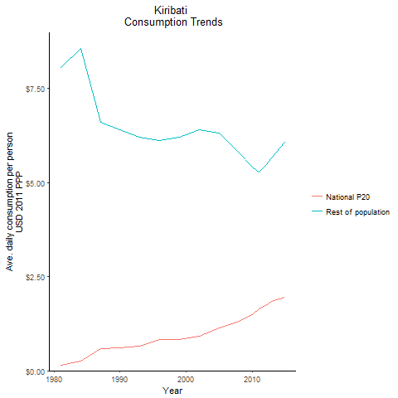
CountryName | National P20 | Rest of population | Year
Kiribati | 0.135876391 | 8.0647487105 | 1981
Kiribati | 0.2536801725 | 8.5578073541 | 1984
Kiribati | 0.5982048875 | 6.403410422 | 1990
Kiribati | 0.5789587475 | 6.600641135 | 1987
Kiribati | 0.661730431 | 6.2112728717 | 1993
Kiribati | 0.8294335695 | 6.1227196898 | 1996
Kiribati | 0.833604123 | 6.2133455446 | 1999
Kiribati | 0.917932892 | 6.3982482838 | 2002
Kiribati | 1.1314667075 | 6.3203511313 | 2005
Kiribati | 1.322516553 | 5.7836297659 | 2008
Kiribati | 1.495895826 | 5.4118548106 | 2010
Kiribati | 1.653811491 | 5.2886471272 | 2011
Kiribati | 1.72277694 | 5.4571180938 | 2012
Kiribati | 1.843492322 | 5.6570926729 | 2013
Kiribati | 1.953660769 | 6.0852012461 | 2015

Malaysia
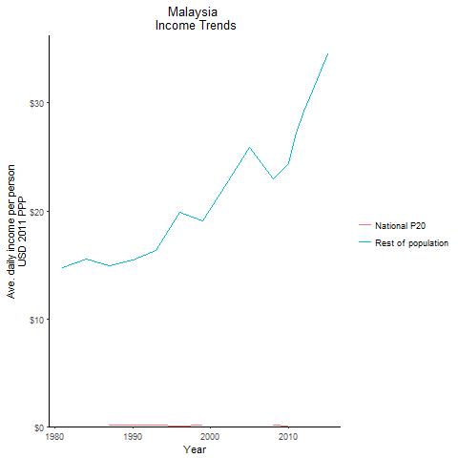
CountryName | National P20 | Rest of population | Year
Malaysia | -0.1292086925 | 14.77553505 | 1981
Malaysia | -0.01195739 | 15.565209895 | 1984
Malaysia | 0.1486641195 | 15.441864107 | 1990
Malaysia | 0.178483588 | 14.881246226 | 1987
Malaysia | 0.17317822 | 16.369849281 | 1993
Malaysia | 0.07152705 | 19.87789221 | 1996
Malaysia | 0.1113023 | 19.044596343 | 1999
Malaysia | -0.127067418 | 22.480273704 | 2002
Malaysia | -0.25601845 | 25.90512516 | 2005
Malaysia | 0.09895 | 22.953984418 | 2008
Malaysia | 0.079603708 | 24.367871676 | 2010
Malaysia | -0.013224084 | 27.205859446 | 2011
Malaysia | -0.2119416 | 29.273047044 | 2012
Malaysia | -0.2277615 | 31.070303389 | 2013
Malaysia | -0.55498025 | 34.523425884 | 2015

Mongolia
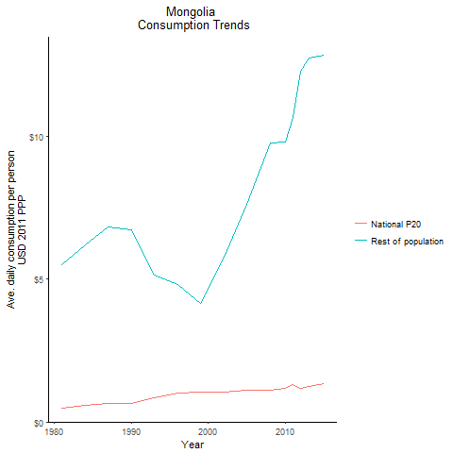
CountryName | National P20 | Rest of population | Year
Mongolia | 0.48947056 | 5.5093761956 | 1981
Mongolia | 0.597455996 | 6.1881894257 | 1984
Mongolia | 0.652973658 | 6.7217730239 | 1990
Mongolia | 0.6556404505 | 6.8122816682 | 1987
Mongolia | 0.850807843 | 5.1181459845 | 1993
Mongolia | 1.0092237375 | 4.8100831067 | 1996
Mongolia | 1.0449957875 | 4.1335373545 | 1999
Mongolia | 1.031563918 | 5.7690062808 | 2002
Mongolia | 1.120977717 | 7.6130473516 | 2005
Mongolia | 1.1080560625 | 9.767269546 | 2008
Mongolia | 1.173764275 | 9.7721671504 | 2010
Mongolia | 1.3146379215 | 10.642385725 | 2011
Mongolia | 1.1790511755 | 12.252692001 | 2012
Mongolia | 1.236473494 | 12.730476147 | 2013
Mongolia | 1.354447624 | 12.806105902 | 2015

Myanmar
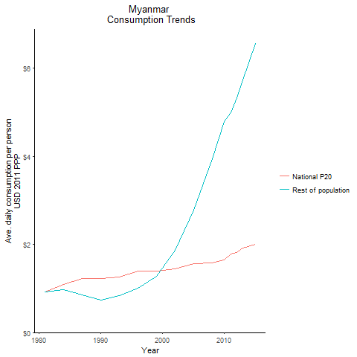
CountryName | National P20 | Rest of population | Year
Myanmar | 0.918753925 | 0.92492521738 | 1981
Myanmar | 1.086771615 | 0.97862613735 | 1984
Myanmar | 1.22401108 | 0.7302481889 | 1990
Myanmar | 1.2179062825 | 0.84730644307 | 1987
Myanmar | 1.2580447475 | 0.83772922408 | 1993
Myanmar | 1.3986582885 | 1.0091385786 | 1996
Myanmar | 1.395743618 | 1.272569438 | 1999
Myanmar | 1.442051484 | 1.86194754 | 2002
Myanmar | 1.5609077265 | 2.7826449862 | 2005
Myanmar | 1.5835538335 | 3.944877295 | 2008
Myanmar | 1.64275276 | 4.7794309881 | 2010
Myanmar | 1.7752803755 | 4.9934538787 | 2011
Myanmar | 1.8176898 | 5.3319323445 | 2012
Myanmar | 1.924212335 | 5.7365578752 | 2013
Myanmar | 2.009325268 | 6.550668683 | 2015

Papua New Guinea
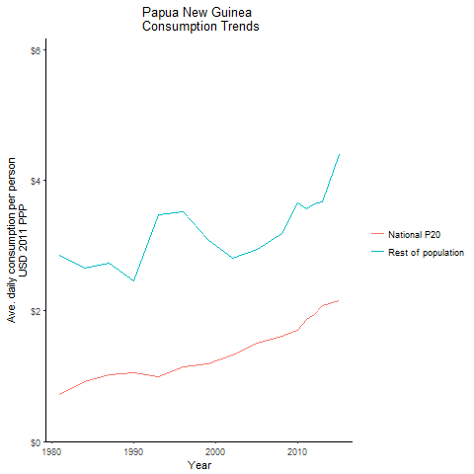
CountryName | National P20 | Rest of population | Year
Papua New Guinea | 0.724075015 | 2.8583687805 | 1981
Papua New Guinea | 0.92075656 | 2.6560455175 | 1984
Papua New Guinea | 1.046464305 | 2.4600241977 | 1990
Papua New Guinea | 1.02929092 | 2.7269835714 | 1987
Papua New Guinea | 0.99325895 | 3.4722556735 | 1993
Papua New Guinea | 1.14033708 | 3.5172287437 | 1996
Papua New Guinea | 1.18812296 | 3.0981017258 | 1999
Papua New Guinea | 1.328386692 | 2.8005148338 | 2002
Papua New Guinea | 1.506706883 | 2.946255608 | 2005
Papua New Guinea | 1.61645424 | 3.1805794537 | 2008
Papua New Guinea | 1.707026263 | 3.6499680918 | 2010
Papua New Guinea | 1.867640128 | 3.5636064064 | 2011
Papua New Guinea | 1.937119865 | 3.6422446913 | 2012
Papua New Guinea | 2.0805877515 | 3.6727804594 | 2013
Papua New Guinea | 2.1619099 | 4.3983649908 | 2015

Philippines
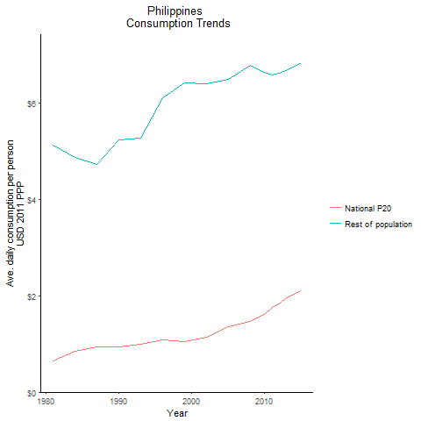
CountryName | National P20 | Rest of population | Year
Philippines | 0.649611553 | 5.1200710844 | 1981
Philippines | 0.8473634245 | 4.8676440754 | 1984
Philippines | 0.936155787 | 5.2345747519 | 1990
Philippines | 0.9466216905 | 4.7337815637 | 1987
Philippines | 1.00143236 | 5.2829734168 | 1993
Philippines | 1.0891348775 | 6.1109847738 | 1996
Philippines | 1.05792192 | 6.4181017118 | 1999
Philippines | 1.140219099 | 6.4022082389 | 2002
Philippines | 1.352003208 | 6.4855526227 | 2005
Philippines | 1.463829175 | 6.7849413364 | 2008
Philippines | 1.60471813 | 6.6417190976 | 2010
Philippines | 1.758988027 | 6.5916735412 | 2011
Philippines | 1.8376331305 | 6.6170533612 | 2012
Philippines | 1.96864347 | 6.6706473517 | 2013
Philippines | 2.108523702 | 6.8353375677 | 2015

Samoa
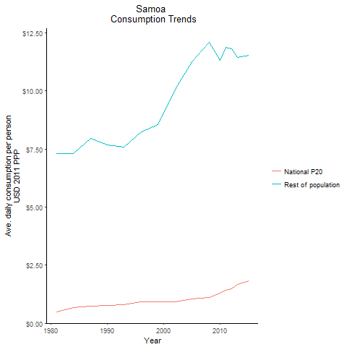
CountryName | National P20 | Rest of population | Year
Samoa | 0.499386658 | 7.3032807328 | 1981
Samoa | 0.672140965 | 7.3100113341 | 1984
Samoa | 0.752704182 | 7.6831664203 | 1990
Samoa | 0.7439362015 | 7.9639227989 | 1987
Samoa | 0.8099043575 | 7.5796924038 | 1993
Samoa | 0.9245027915 | 8.2338304665 | 1996
Samoa | 0.9225317565 | 8.5394807595 | 1999
Samoa | 0.9126303515 | 10.06756296 | 2002
Samoa | 1.0326344805 | 11.249964668 | 2005
Samoa | 1.109312255 | 12.078208923 | 2008
Samoa | 1.3083598675 | 11.320685376 | 2010
Samoa | 1.4159524 | 11.87100779 | 2011
Samoa | 1.4931402435 | 11.801672473 | 2012
Samoa | 1.66792387 | 11.424701224 | 2013
Samoa | 1.8159806575 | 11.536532233 | 2015

Thailand
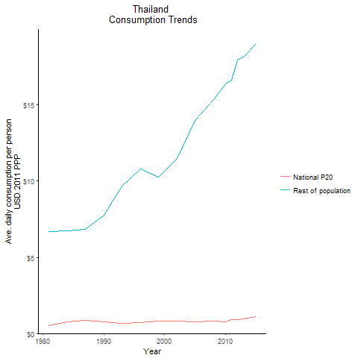
CountryName | National P20 | Rest of population | Year
Thailand | 0.533689312 | 6.6914749323 | 1981
Thailand | 0.741588868 | 6.7442616871 | 1984
Thailand | 0.76561797 | 7.7853366034 | 1990
Thailand | 0.859965472 | 6.8210565772 | 1987
Thailand | 0.679781786 | 9.6789888001 | 1993
Thailand | 0.714955829 | 10.782899399 | 1996
Thailand | 0.79158014 | 10.276206335 | 1999
Thailand | 0.80337639 | 11.480786039 | 2002
Thailand | 0.764675445 | 13.964737988 | 2005
Thailand | 0.8064891755 | 15.358872227 | 2008
Thailand | 0.7822182875 | 16.411274195 | 2010
Thailand | 0.8902660765 | 16.633459508 | 2011
Thailand | 0.922344134 | 17.94057424 | 2012
Thailand | 0.957066038 | 18.220551299 | 2013
Thailand | 1.110587624 | 19.010816108 | 2015

Timor-Leste
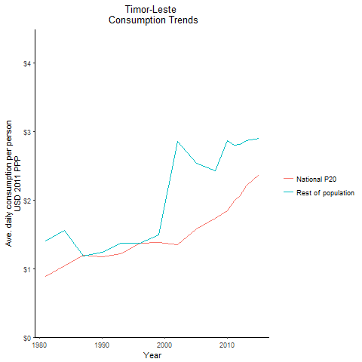
CountryName | National P20 | Rest of population | Year
Timor-Leste | 0.882006155 | 1.4001329818 | 1981
Timor-Leste | 1.04039644 | 1.5609954105 | 1984
Timor-Leste | 1.175582809 | 1.2360841608 | 1990
Timor-Leste | 1.1922101665 | 1.1859040337 | 1987
Timor-Leste | 1.217238464 | 1.3686251785 | 1993
Timor-Leste | 1.369656465 | 1.3731621851 | 1996
Timor-Leste | 1.384531655 | 1.4892773602 | 1999
Timor-Leste | 1.3480287345 | 2.8585952821 | 2002
Timor-Leste | 1.5835408095 | 2.5406775374 | 2005
Timor-Leste | 1.7378904125 | 2.4265406845 | 2008
Timor-Leste | 1.840996594 | 2.8655993447 | 2010
Timor-Leste | 1.98734948 | 2.7977531779 | 2011
Timor-Leste | 2.069293464 | 2.8134656751 | 2012
Timor-Leste | 2.21015632 | 2.8646980433 | 2013
Timor-Leste | 2.368854027 | 2.9059599179 | 2015

Tonga
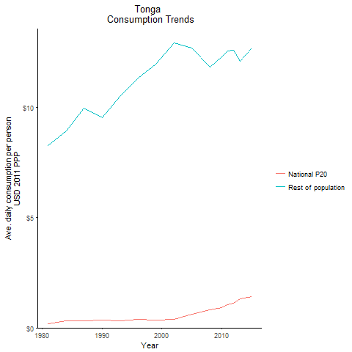
CountryName | National P20 | Rest of population | Year
Tonga | 0.2026982035 | 8.2813775039 | 1981
Tonga | 0.31397935 | 8.9387942036 | 1984
Tonga | 0.3636096 | 9.5250099288 | 1990
Tonga | 0.3314146525 | 9.964335378 | 1987
Tonga | 0.31644017 | 10.508276259 | 1993
Tonga | 0.399236394 | 11.338845696 | 1996
Tonga | 0.35881028 | 11.947337156 | 1999
Tonga | 0.3808018425 | 12.913206389 | 2002
Tonga | 0.615849412 | 12.71251162 | 2005
Tonga | 0.8242914915 | 11.84389973 | 2008
Tonga | 0.9214194895 | 12.287358826 | 2010
Tonga | 1.040743055 | 12.552029305 | 2011
Tonga | 1.109057207 | 12.602956246 | 2012
Tonga | 1.308772116 | 12.106426149 | 2013
Tonga | 1.410526405 | 12.681562919 | 2015

Vanuatu
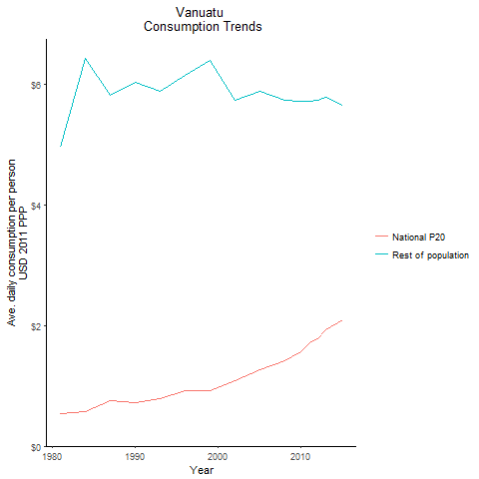
CountryName | National P20 | Rest of population | Year
Vanuatu | 0.544070164 | 4.9571687604 | 1981
Vanuatu | 0.58040284 | 6.4171773722 | 1984
Vanuatu | 0.7252160755 | 6.028137077 | 1990
Vanuatu | 0.7587464935 | 5.8104243355 | 1987
Vanuatu | 0.788615633 | 5.8766173246 | 1993
Vanuatu | 0.918240559 | 6.1393782164 | 1996
Vanuatu | 0.917222877 | 6.3952901712 | 1999
Vanuatu | 1.0809034245 | 5.7379440069 | 2002
Vanuatu | 1.270090732 | 5.872907454 | 2005
Vanuatu | 1.419570455 | 5.7224087561 | 2008
Vanuatu | 1.556030792 | 5.7122484664 | 2010
Vanuatu | 1.706311552 | 5.7127864956 | 2011
Vanuatu | 1.777961134 | 5.7380576617 | 2012
Vanuatu | 1.927152576 | 5.7719337738 | 2013
Vanuatu | 2.093779375 | 5.6436017316 | 2015

Vietnam
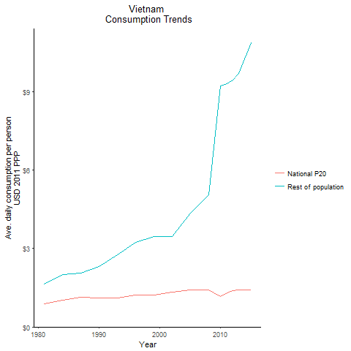
CountryName | National P20 | Rest of population | Year
Vietnam | 0.872527741 | 1.6504484757 | 1981
Vietnam | 1.016406085 | 2.0119053281 | 1984
Vietnam | 1.0994641765 | 2.3216906682 | 1990
Vietnam | 1.129438897 | 2.0575552073 | 1987
Vietnam | 1.1117710565 | 2.772096003 | 1993
Vietnam | 1.228169557 | 3.2394906244 | 1996
Vietnam | 1.228547664 | 3.4717711662 | 1999
Vietnam | 1.340570145 | 3.457515409 | 2002
Vietnam | 1.41286182 | 4.3666598875 | 2005
Vietnam | 1.42023227 | 5.0429734393 | 2008
Vietnam | 1.168286488 | 9.2236530355 | 2010
Vietnam | 1.309001061 | 9.3063990498 | 2011
Vietnam | 1.380848625 | 9.4407344191 | 2012
Vietnam | 1.4299133025 | 9.7076572908 | 2013
Vietnam | 1.41131456 | 10.864335744 | 2015

Lao People's Democratic Republ
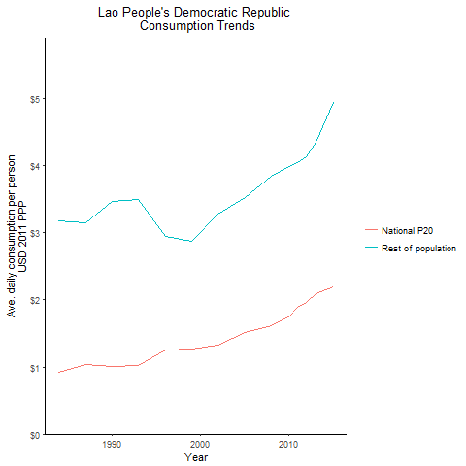
CountryName | National P20 | Rest of population | Year
Lao People's Democratic Republic | 0.923904937 | 3.1813063685 | 1984
Lao People's Democratic Republic | 1.007672754 | 3.4754116745 | 1990
Lao People's Democratic Republic | 1.041226219 | 3.1439167329 | 1987
Lao People's Democratic Republic | 1.016761321 | 3.5005110396 | 1993
Lao People's Democratic Republic | 1.247531373 | 2.946634965 | 1996
Lao People's Democratic Republic | 1.263923802 | 2.878744529 | 1999
Lao People's Democratic Republic | 1.328790462 | 3.2875115626 | 2002
Lao People's Democratic Republic | 1.514766326 | 3.527193761 | 2005
Lao People's Democratic Republic | 1.621086838 | 3.8450666467 | 2008
Lao People's Democratic Republic | 1.746380664 | 3.9834897655 | 2010
Lao People's Democratic Republic | 1.892295846 | 4.0433849426 | 2011
Lao People's Democratic Republic | 1.96042777 | 4.1306040164 | 2012
Lao People's Democratic Republic | 2.09507716 | 4.3549170114 | 2013
Lao People's Democratic Republic | 2.199472523 | 4.9386688556 | 2015

Micronesia, Federated States o
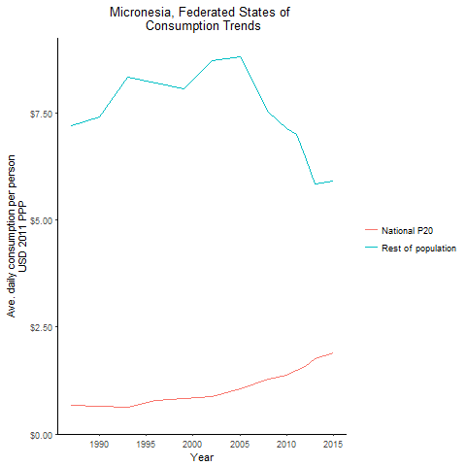
CountryName | National P20 | Rest of population | Year
Micronesia, Federated States of | 0.6539983675 | 7.4083442437 | 1990
Micronesia, Federated States of | 0.676176146 | 7.1879134977 | 1987
Micronesia, Federated States of | 0.625910932 | 8.3232277465 | 1993
Micronesia, Federated States of | 0.7869759345 | 8.1979053314 | 1996
Micronesia, Federated States of | 0.819523503 | 8.066291727 | 1999
Micronesia, Federated States of | 0.86414823 | 8.7053917096 | 2002
Micronesia, Federated States of | 1.064571333 | 8.7920694955 | 2005
Micronesia, Federated States of | 1.272786293 | 7.5099746596 | 2008
Micronesia, Federated States of | 1.36288456 | 7.1238583121 | 2010
Micronesia, Federated States of | 1.477862157 | 7.0016782964 | 2011
Micronesia, Federated States of | 1.578472595 | 6.480284591 | 2012
Micronesia, Federated States of | 1.75664422 | 5.8246745614 | 2013
Micronesia, Federated States of | 1.903692085 | 5.9100865678 | 2015

Solomon Islands
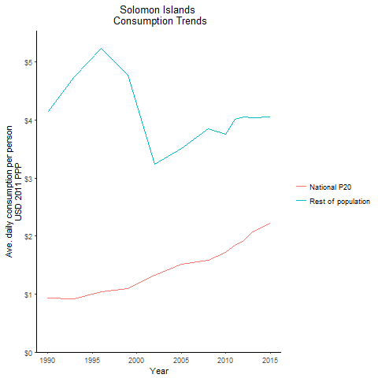
CountryName | National P20 | Rest of population | Year
Solomon Islands | 0.928580307 | 4.1321316356 | 1990
Solomon Islands | 0.92105696 | 4.7494645271 | 1993
Solomon Islands | 1.043290085 | 5.2326500815 | 1996
Solomon Islands | 1.094313998 | 4.7727872539 | 1999
Solomon Islands | 1.330482464 | 3.2372733566 | 2002
Solomon Islands | 1.515083736 | 3.5158105728 | 2005
Solomon Islands | 1.587078228 | 3.8572386622 | 2008
Solomon Islands | 1.713781744 | 3.7501107284 | 2010
Solomon Islands | 1.8346797295 | 4.0088971909 | 2011
Solomon Islands | 1.918548558 | 4.0611916276 | 2012
Solomon Islands | 2.07432521 | 4.0480104783 | 2013
Solomon Islands | 2.227084264 | 4.0555809888 | 2015

Tuvalu
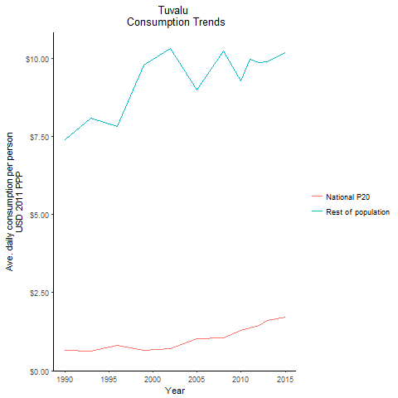
CountryName | National P20 | Rest of population | Year
Tuvalu | 0.643583802 | 7.4043725427 | 1990
Tuvalu | 0.6334808915 | 8.0895667634 | 1993
Tuvalu | 0.80815223 | 7.8359605726 | 1996
Tuvalu | 0.653887904 | 9.7937663802 | 1999
Tuvalu | 0.71341604 | 10.308273387 | 2002
Tuvalu | 1.0264075125 | 8.9892378479 | 2005
Tuvalu | 1.06137371 | 10.25147712 | 2008
Tuvalu | 1.27950274 | 9.2791133561 | 2010
Tuvalu | 1.368296308 | 9.973335512 | 2011
Tuvalu | 1.448385648 | 9.8778487935 | 2012
Tuvalu | 1.599689367 | 9.8828324528 | 2013
Tuvalu | 1.72642 | 10.180303219 | 2015

