Albania
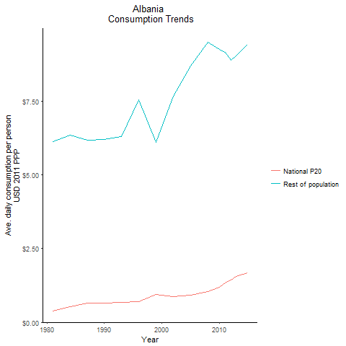
CountryName | National P20 | Rest of population | Year
Albania | 0.369984553 | 6.1352572864 | 1981
Albania | 0.521266063 | 6.3467697856 | 1984
Albania | 0.64911105 | 6.1996701827 | 1990
Albania | 0.6562126 | 6.1899715075 | 1987
Albania | 0.68125979 | 6.3067549155 | 1993
Albania | 0.7077796475 | 7.5471016635 | 1996
Albania | 0.93970752 | 6.1054005173 | 1999
Albania | 0.8777865745 | 7.6750533564 | 2002
Albania | 0.9294261075 | 8.6920105964 | 2005
Albania | 1.043382494 | 9.5003283491 | 2008
Albania | 1.197326536 | 9.2781149413 | 2010
Albania | 1.3342154775 | 9.1687201032 | 2011
Albania | 1.42832177 | 8.9009935301 | 2012
Albania | 1.5544524655 | 9.0562088014 | 2013
Albania | 1.672163125 | 9.4439126434 | 2015

Armenia
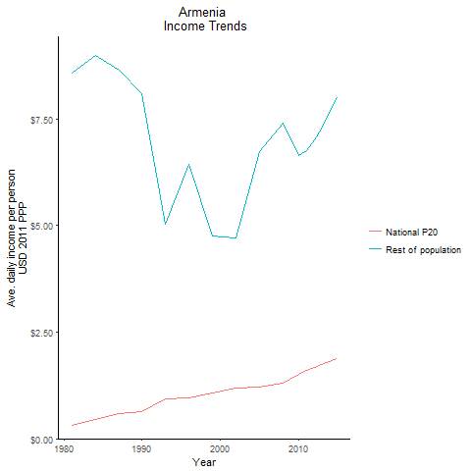
CountryName | National P20 | Rest of population | Year
Armenia | 0.30314751 | 8.5638268211 | 1981
Armenia | 0.4516091395 | 8.9808210028 | 1984
Armenia | 0.628381568 | 8.0915237861 | 1990
Armenia | 0.59653276 | 8.6444339333 | 1987
Armenia | 0.929959493 | 5.0253840994 | 1993
Armenia | 0.967456878 | 6.4343316709 | 1996
Armenia | 1.0716249 | 4.7633855558 | 1999
Armenia | 1.1940503115 | 4.7162750934 | 2002
Armenia | 1.21798998 | 6.7366956557 | 2005
Armenia | 1.302861536 | 7.4120161228 | 2008
Armenia | 1.5067140225 | 6.6442297136 | 2010
Armenia | 1.610707858 | 6.7644216656 | 2011
Armenia | 1.681100208 | 7.0044044001 | 2012
Armenia | 1.7478334265 | 7.2670293146 | 2013
Armenia | 1.8755224645 | 8.0015659592 | 2015

Azerbaijan
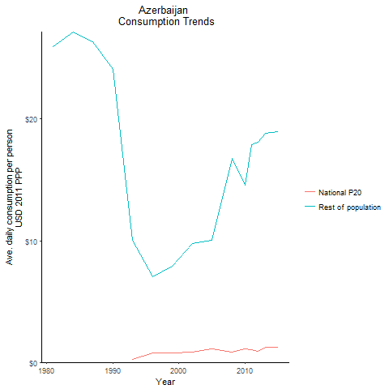
CountryName | National P20 | Rest of population | Year
Azerbaijan | -1.755812 | 25.946259849 | 1981
Azerbaijan | -1.733293325 | 27.151471276 | 1984
Azerbaijan | -1.299383386 | 24.086855436 | 1990
Azerbaijan | -1.581683675 | 26.342289412 | 1987
Azerbaijan | 0.254463909 | 10.064231968 | 1993
Azerbaijan | 0.758268339 | 7.0269822303 | 1996
Azerbaijan | 0.7468090165 | 7.9083087048 | 1999
Azerbaijan | 0.810491122 | 9.7884292743 | 2002
Azerbaijan | 1.120797603 | 10.042574572 | 2005
Azerbaijan | 0.8238822 | 16.761059587 | 2008
Azerbaijan | 1.0748905085 | 14.586611619 | 2010
Azerbaijan | 1.0066388 | 17.916611533 | 2011
Azerbaijan | 0.9153879375 | 18.094035207 | 2012
Azerbaijan | 1.2513131 | 18.823049807 | 2013
Azerbaijan | 1.228516625 | 18.950618789 | 2015

Belarus
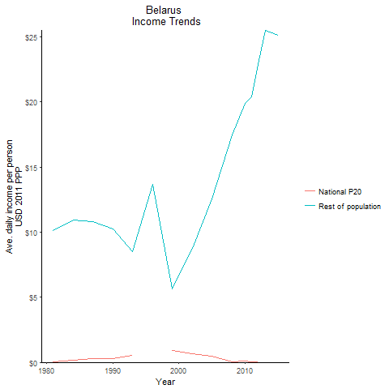
CountryName | National P20 | Rest of population | Year
Belarus | 0.0382658445 | 10.150915731 | 1981
Belarus | 0.142073416 | 10.898100824 | 1984
Belarus | 0.30824744 | 10.240797044 | 1990
Belarus | 0.26686192 | 10.832703698 | 1987
Belarus | 0.528232234 | 8.521696736 | 1993
Belarus | -0.044103797 | 13.665435538 | 1996
Belarus | 0.891360865 | 5.656317318 | 1999
Belarus | 0.678236312 | 8.7295053056 | 2002
Belarus | 0.45873407 | 12.564035661 | 2005
Belarus | 0.04715405 | 17.489701898 | 2008
Belarus | 0.128313432 | 19.908979176 | 2010
Belarus | 0.036657517 | 20.41814384 | 2011
Belarus | 0.04509995 | 22.864608574 | 2012
Belarus | -0.0046141375 | 25.503717918 | 2013
Belarus | -0.0064152 | 25.136051745 | 2015

Bulgaria
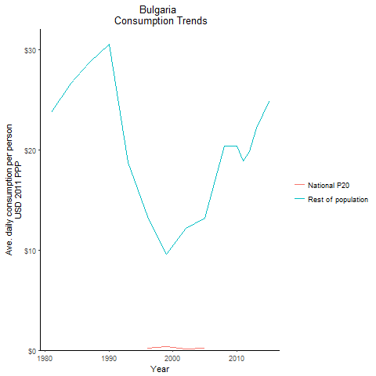
CountryName | National P20 | Rest of population | Year
Bulgaria | -1.2004154 | 23.734464124 | 1981
Bulgaria | -1.310341325 | 26.663533276 | 1984
Bulgaria | -1.750107125 | 30.509888425 | 1990
Bulgaria | -1.6187115875 | 28.711366938 | 1987
Bulgaria | -0.592402167 | 18.693073144 | 1993
Bulgaria | 0.241715367 | 13.348469788 | 1996
Bulgaria | 0.336069232 | 9.6197621441 | 1999
Bulgaria | 0.120716524 | 12.139189362 | 2002
Bulgaria | 0.22108487 | 13.163706865 | 2005
Bulgaria | -0.702698695 | 20.377777413 | 2008
Bulgaria | -0.686647802 | 20.359282498 | 2010
Bulgaria | -0.584529619 | 18.851300898 | 2011
Bulgaria | -0.5202759875 | 19.794230641 | 2012
Bulgaria | -0.911763891 | 22.186058781 | 2013
Bulgaria | -0.7786932855 | 24.807055513 | 2015

Croatia
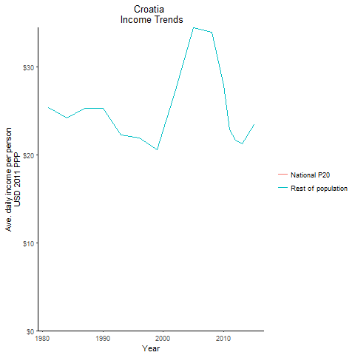
CountryName | National P20 | Rest of population | Year
Croatia | -1.965507 | 25.362289079 | 1981
Croatia | -1.45778875 | 24.213641708 | 1984
Croatia | -1.8108082 | 25.344749995 | 1990
Croatia | -1.6644052625 | 25.289623233 | 1987
Croatia | -1.593068725 | 22.272911017 | 1993
Croatia | -1.579338525 | 21.967633261 | 1996
Croatia | -0.661596797 | 20.635804679 | 1999
Croatia | -1.0383817875 | 27.39206805 | 2002
Croatia | -1.7685105 | 34.512589269 | 2005
Croatia | -1.2483115 | 33.977876505 | 2008
Croatia | -0.7168749 | 27.905046122 | 2010
Croatia | -0.6849402215 | 22.858673412 | 2011
Croatia | -0.5158766705 | 21.695192455 | 2012
Croatia | -0.225610875 | 21.297426006 | 2013
Croatia | -0.402123798 | 23.494481634 | 2015

Czech Republic
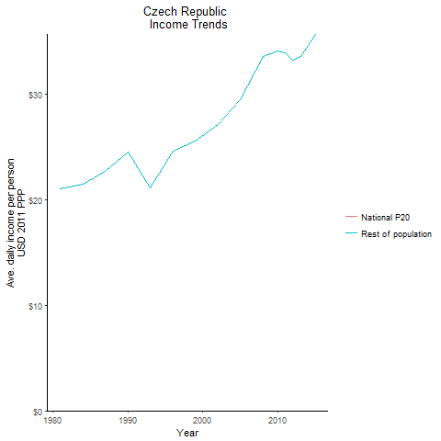
CountryName | National P20 | Rest of population | Year
Czech Republic | -0.4781178625 | 21.062936315 | 1981
Czech Republic | -0.36648785 | 21.466289086 | 1984
Czech Republic | -0.511479 | 24.482301257 | 1990
Czech Republic | -0.482288375 | 22.724277573 | 1987
Czech Republic | -0.325192975 | 21.169383175 | 1993
Czech Republic | -1.027039375 | 24.582379022 | 1996
Czech Republic | -1.3323587125 | 25.590903377 | 1999
Czech Republic | -1.628393175 | 27.13183802 | 2002
Czech Republic | -1.6001101875 | 29.46189467 | 2005
Czech Republic | -2.06183125 | 33.575815347 | 2008
Czech Republic | -2.3001229 | 34.066936204 | 2010
Czech Republic | -1.9664187125 | 33.941559473 | 2011
Czech Republic | -1.553164575 | 33.271122651 | 2012
Czech Republic | -1.717336275 | 33.539865576 | 2013
Czech Republic | -1.6839533 | 35.689165037 | 2015

Estonia
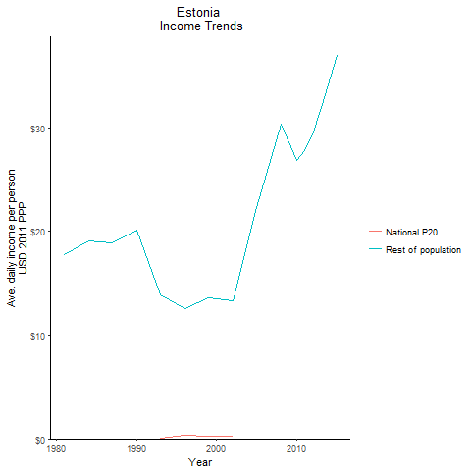
CountryName | National P20 | Rest of population | Year
Estonia | -0.690104246 | 17.769983596 | 1981
Estonia | -0.640567004 | 19.121469148 | 1984
Estonia | -0.621701835 | 20.087819979 | 1990
Estonia | -0.5057474625 | 18.911483441 | 1987
Estonia | 0.021361485 | 13.8519473 | 1993
Estonia | 0.302730957 | 12.581247398 | 1996
Estonia | 0.25822658 | 13.610840615 | 1999
Estonia | 0.2703518535 | 13.281820256 | 2002
Estonia | -1.078898265 | 22.270725936 | 2005
Estonia | -1.9632704375 | 30.312218979 | 2008
Estonia | -1.769154175 | 26.836658407 | 2010
Estonia | -1.7231744 | 27.789827847 | 2011
Estonia | -1.650306875 | 29.346031513 | 2012
Estonia | -1.9063284 | 31.986609497 | 2013
Estonia | -2.199442925 | 36.951384019 | 2015

Georgia
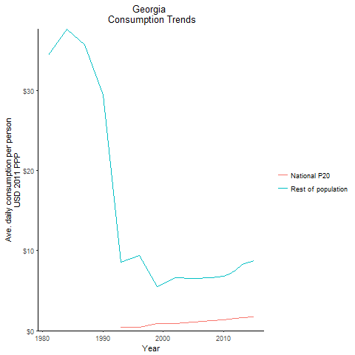
CountryName | National P20 | Rest of population | Year
Georgia | -2.6913134 | 34.447592734 | 1981
Georgia | -2.9909317125 | 37.665942517 | 1984
Georgia | -1.8341715125 | 29.409196303 | 1990
Georgia | -2.56387625 | 35.750938926 | 1987
Georgia | 0.392696495 | 8.602438205 | 1993
Georgia | 0.469496439 | 9.3452916437 | 1996
Georgia | 0.888828975 | 5.5169982357 | 1999
Georgia | 0.880917404 | 6.5795665394 | 2002
Georgia | 1.09247721 | 6.5144916564 | 2005
Georgia | 1.2441954415 | 6.5992949752 | 2008
Georgia | 1.359006927 | 6.8389236107 | 2010
Georgia | 1.42342693 | 7.1095158702 | 2011
Georgia | 1.506002976 | 7.5836129546 | 2012
Georgia | 1.618664624 | 8.269463981 | 2013
Georgia | 1.727427192 | 8.7553185445 | 2015

Hungary
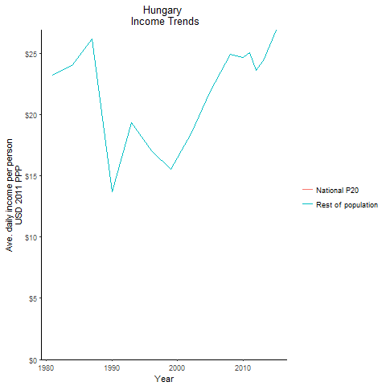
CountryName | National P20 | Rest of population | Year
Hungary | -1.25244635 | 23.231471861 | 1981
Hungary | -1.1641409625 | 24.103506474 | 1984
Hungary | 0.100462886 | 13.724151402 | 1990
Hungary | -1.0989730625 | 26.155361074 | 1987
Hungary | -0.500063206 | 19.340081555 | 1993
Hungary | -0.327080946 | 17.024972976 | 1996
Hungary | -0.013743825 | 15.528534586 | 1999
Hungary | -0.204536085 | 18.438216213 | 2002
Hungary | -0.471798693 | 21.898948303 | 2005
Hungary | -1.071829525 | 24.965461491 | 2008
Hungary | -0.8624247 | 24.696826723 | 2010
Hungary | -1.151561875 | 25.043993208 | 2011
Hungary | -0.7321281625 | 23.609682726 | 2012
Hungary | -0.660512475 | 24.409710311 | 2013
Hungary | -0.695775 | 26.91604649 | 2015

Kazakhstan
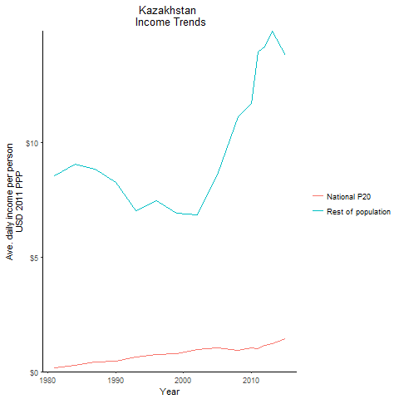
CountryName | National P20 | Rest of population | Year
Kazakhstan | 0.1494946225 | 8.5439126457 | 1981
Kazakhstan | 0.270599642 | 9.0516637881 | 1984
Kazakhstan | 0.455108024 | 8.2858654598 | 1990
Kazakhstan | 0.40901002 | 8.8447707827 | 1987
Kazakhstan | 0.632926308 | 7.0318560942 | 1993
Kazakhstan | 0.73115701 | 7.4852682817 | 1996
Kazakhstan | 0.799273664 | 6.9245898032 | 1999
Kazakhstan | 0.9600740875 | 6.8433102452 | 2002
Kazakhstan | 1.043522094 | 8.5871715313 | 2005
Kazakhstan | 0.94666311 | 11.136626003 | 2008
Kazakhstan | 1.039371116 | 11.709684618 | 2010
Kazakhstan | 1.015315052 | 13.954713703 | 2011
Kazakhstan | 1.135026185 | 14.202988659 | 2012
Kazakhstan | 1.222154121 | 14.887595716 | 2013
Kazakhstan | 1.444911691 | 13.837274817 | 2015

Kyrgyz Republic
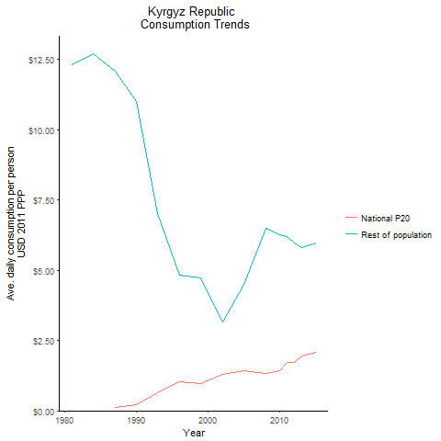
CountryName | National P20 | Rest of population | Year
Kyrgyz Republic | -0.198971955 | 12.303251208 | 1981
Kyrgyz Republic | -0.054717192 | 12.696117654 | 1984
Kyrgyz Republic | 0.21805183 | 11.026365125 | 1990
Kyrgyz Republic | 0.1189635145 | 12.096250902 | 1987
Kyrgyz Republic | 0.652596782 | 7.0154973798 | 1993
Kyrgyz Republic | 1.0218338615 | 4.8390141374 | 1996
Kyrgyz Republic | 0.96019175 | 4.72497672 | 1999
Kyrgyz Republic | 1.30074718 | 3.1490815612 | 2002
Kyrgyz Republic | 1.4377675475 | 4.5112348255 | 2005
Kyrgyz Republic | 1.332642692 | 6.4924146695 | 2008
Kyrgyz Republic | 1.418545254 | 6.280188344 | 2010
Kyrgyz Republic | 1.709683255 | 6.1963490493 | 2011
Kyrgyz Republic | 1.7193847345 | 5.9712497068 | 2012
Kyrgyz Republic | 1.957168752 | 5.8207845243 | 2013
Kyrgyz Republic | 2.0911589175 | 5.9626472569 | 2015

Latvia
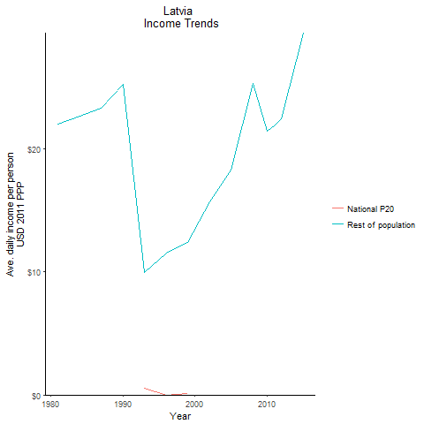
CountryName | National P20 | Rest of population | Year
Latvia | -0.8549949875 | 22.008802172 | 1981
Latvia | -0.66614945 | 22.635271609 | 1984
Latvia | -0.8299309875 | 25.220081377 | 1990
Latvia | -0.5480620875 | 23.253856618 | 1987
Latvia | 0.52655727 | 9.9162565729 | 1993
Latvia | 0.000376635 | 11.550057896 | 1996
Latvia | 0.086605865 | 12.365837575 | 1999
Latvia | -0.067152861 | 15.681904654 | 2002
Latvia | -0.6010800375 | 18.291570009 | 2005
Latvia | -0.564246826 | 25.257838419 | 2008
Latvia | -0.767558753 | 21.424447222 | 2010
Latvia | -0.50931746 | 21.817058132 | 2011
Latvia | -0.54201031 | 22.417550523 | 2012
Latvia | -1.0046103045 | 24.912685453 | 2013
Latvia | -1.3571632875 | 29.38790863 | 2015

Lithuania
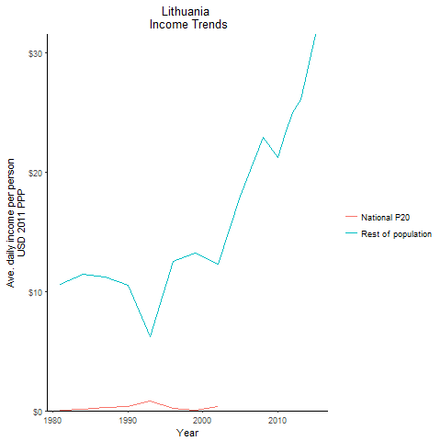
CountryName | National P20 | Rest of population | Year
Lithuania | 0.056351821 | 10.607740812 | 1981
Lithuania | 0.152493172 | 11.40634657 | 1984
Lithuania | 0.3480961 | 10.509280085 | 1990
Lithuania | 0.2908861795 | 11.212218181 | 1987
Lithuania | 0.781486704 | 6.2076228445 | 1993
Lithuania | 0.184196388 | 12.533070081 | 1996
Lithuania | 0.049998969 | 13.206034504 | 1999
Lithuania | 0.32072972 | 12.299202502 | 2002
Lithuania | -0.625626255 | 17.982936701 | 2005
Lithuania | -0.2340179785 | 22.869045591 | 2008
Lithuania | -0.5580024875 | 21.166603362 | 2010
Lithuania | -0.708408644 | 23.169603531 | 2011
Lithuania | -0.772995414 | 24.950522826 | 2012
Lithuania | -0.7731348625 | 26.053349469 | 2013
Lithuania | -1.6894796 | 31.527795927 | 2015

Poland
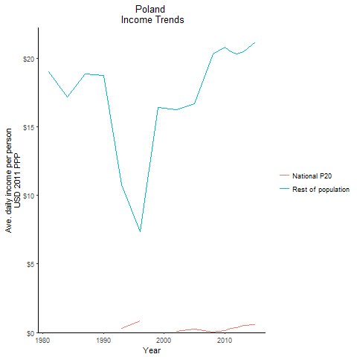
CountryName | National P20 | Rest of population | Year
Poland | -0.952555198 | 19.011719621 | 1981
Poland | -0.58605101 | 17.157725081 | 1984
Poland | -0.892780856 | 18.777554118 | 1990
Poland | -0.643916715 | 18.892190138 | 1987
Poland | 0.3007451 | 10.799209615 | 1993
Poland | 0.8359349525 | 7.3744655769 | 1996
Poland | -0.0473203325 | 16.398586248 | 1999
Poland | 0.063111183 | 16.267075629 | 2002
Poland | 0.260952212 | 16.716950988 | 2005
Poland | 0.042774828 | 20.326622731 | 2008
Poland | 0.117828706 | 20.821866111 | 2010
Poland | 0.2815440475 | 20.477505769 | 2011
Poland | 0.370423376 | 20.3320558 | 2012
Poland | 0.498262854 | 20.517254834 | 2013
Poland | 0.58356258 | 21.182921684 | 2015

Romania
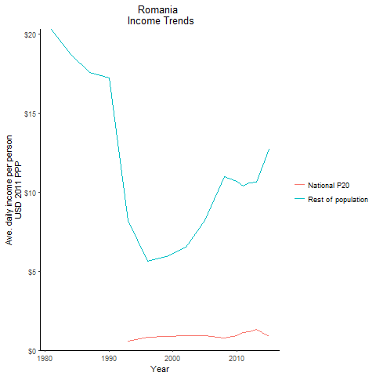
CountryName | National P20 | Rest of population | Year
Romania | -1.241560925 | 20.299131327 | 1981
Romania | -0.980724668 | 18.704398975 | 1984
Romania | -0.8088578265 | 17.208671991 | 1990
Romania | -0.724497286 | 17.553795554 | 1987
Romania | 0.563606668 | 8.1881832645 | 1993
Romania | 0.812159226 | 5.6129286867 | 1996
Romania | 0.8685272315 | 5.908679151 | 1999
Romania | 0.9058588125 | 6.5112394065 | 2002
Romania | 0.9304430625 | 8.1872221111 | 2005
Romania | 0.7849088045 | 10.972801566 | 2008
Romania | 0.9210575205 | 10.67103288 | 2010
Romania | 1.117885926 | 10.396607971 | 2011
Romania | 1.160650103 | 10.594416926 | 2012
Romania | 1.3026669285 | 10.629478473 | 2013
Romania | 0.885252591 | 12.700537537 | 2015

Russian Federation
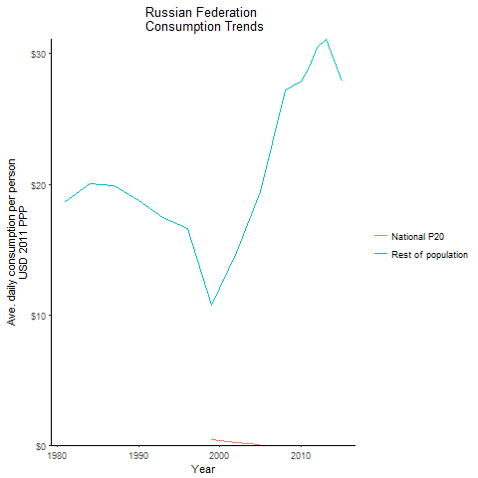
CountryName | National P20 | Rest of population | Year
Russian Federation | -0.56306689 | 18.658398229 | 1981
Russian Federation | -0.50091242 | 20.076497968 | 1984
Russian Federation | -0.27781204 | 18.730673558 | 1990
Russian Federation | -0.373190363 | 19.91790581 | 1987
Russian Federation | -0.131000048 | 17.48186782 | 1993
Russian Federation | -0.073443972 | 16.625596609 | 1996
Russian Federation | 0.4255799725 | 10.762202267 | 1999
Russian Federation | 0.20030655 | 14.81044802 | 2002
Russian Federation | 0.054153708 | 19.401927326 | 2005
Russian Federation | -0.38282294 | 27.221701625 | 2008
Russian Federation | -0.386678294 | 27.930291491 | 2010
Russian Federation | -0.241968 | 28.98359063 | 2011
Russian Federation | -0.415543425 | 30.533305034 | 2012
Russian Federation | -0.062998425 | 31.101642757 | 2013
Russian Federation | 0.1540366375 | 27.914890841 | 2015

Slovak Republic
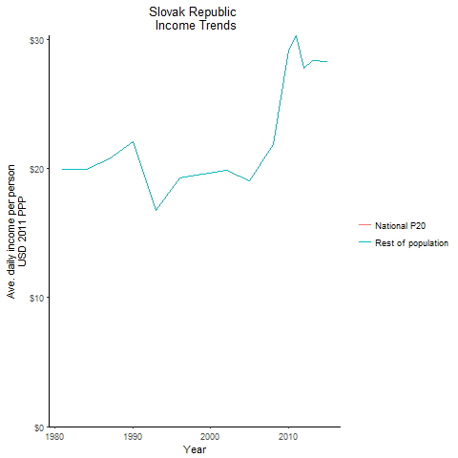
CountryName | National P20 | Rest of population | Year
Slovak Republic | -2.074156454 | 19.937658292 | 1981
Slovak Republic | -1.8964455385 | 19.94406207 | 1984
Slovak Republic | -2.17885195 | 22.075429426 | 1990
Slovak Republic | -1.8572574875 | 20.736395194 | 1987
Slovak Republic | -1.247648695 | 16.736036831 | 1993
Slovak Republic | -1.48788672 | 19.263748392 | 1996
Slovak Republic | -1.354221068 | 19.540116911 | 1999
Slovak Republic | -1.1530807595 | 19.831100327 | 2002
Slovak Republic | -0.10365264 | 19.083630968 | 2005
Slovak Republic | -0.1484202875 | 21.831953017 | 2008
Slovak Republic | -2.0976404 | 29.206645716 | 2010
Slovak Republic | -2.1502153625 | 30.304581238 | 2011
Slovak Republic | -1.7177568 | 27.74413509 | 2012
Slovak Republic | -1.4614110125 | 28.393551383 | 2013
Slovak Republic | -1.5828224375 | 28.296128897 | 2015

Turkey
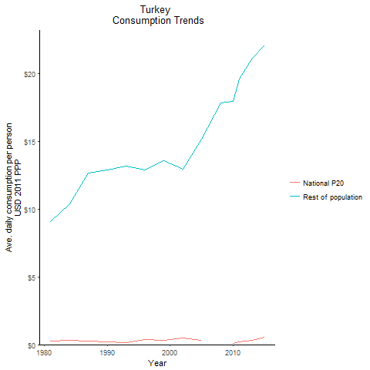
CountryName | National P20 | Rest of population | Year
Turkey | 0.2633826405 | 9.1091488604 | 1981
Turkey | 0.341223415 | 10.395231133 | 1984
Turkey | 0.186985707 | 12.875733025 | 1990
Turkey | 0.271660921 | 12.662214907 | 1987
Turkey | 0.170245124 | 13.190035979 | 1993
Turkey | 0.357537379 | 12.928318395 | 1996
Turkey | 0.327365048 | 13.606455998 | 1999
Turkey | 0.512842992 | 12.981883773 | 2002
Turkey | 0.2964026955 | 15.167789737 | 2005
Turkey | -0.0414246255 | 17.877571225 | 2008
Turkey | 0.115565599 | 17.950383943 | 2010
Turkey | 0.189911524 | 19.620472804 | 2011
Turkey | 0.281853423 | 20.356701028 | 2012
Turkey | 0.300447 | 21.182477291 | 2013
Turkey | 0.568136441 | 22.100417945 | 2015

Ukraine
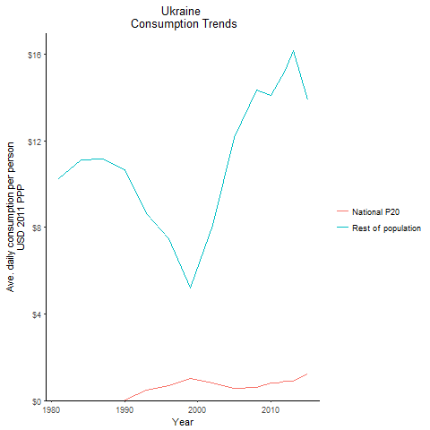
CountryName | National P20 | Rest of population | Year
Ukraine | -0.213282275 | 10.23921235 | 1981
Ukraine | -0.14507785 | 11.123566723 | 1984
Ukraine | 0.0147885855 | 10.645332991 | 1990
Ukraine | -0.040107024 | 11.175463742 | 1987
Ukraine | 0.4704367445 | 8.6449223207 | 1993
Ukraine | 0.7057107475 | 7.4859709433 | 1996
Ukraine | 0.999339682 | 5.2008568603 | 1999
Ukraine | 0.806369625 | 8.0783459499 | 2002
Ukraine | 0.572661163 | 12.158314161 | 2005
Ukraine | 0.5929734635 | 14.341431977 | 2008
Ukraine | 0.809030835 | 14.11395599 | 2010
Ukraine | 0.824342422 | 14.673421244 | 2011
Ukraine | 0.9097656685 | 15.269280501 | 2012
Ukraine | 0.8973449175 | 16.149491168 | 2013
Ukraine | 1.2359628825 | 13.875716129 | 2015

Uzbekistan
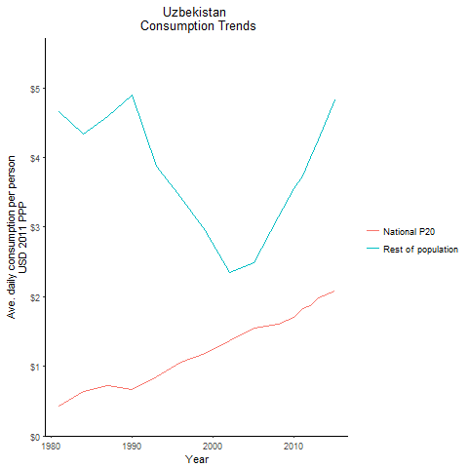
CountryName | National P20 | Rest of population | Year
Uzbekistan | 0.426854008 | 4.6630440322 | 1981
Uzbekistan | 0.633843817 | 4.3402732923 | 1984
Uzbekistan | 0.6732862975 | 4.8940469188 | 1990
Uzbekistan | 0.727360404 | 4.5911352415 | 1987
Uzbekistan | 0.8482245185 | 3.8731001717 | 1993
Uzbekistan | 1.06511544 | 3.4212216879 | 1996
Uzbekistan | 1.184119589 | 2.9566670891 | 1999
Uzbekistan | 1.364912652 | 2.3480285493 | 2002
Uzbekistan | 1.544121762 | 2.4922665458 | 2005
Uzbekistan | 1.60241029 | 3.1458145508 | 2008
Uzbekistan | 1.699917523 | 3.5511248658 | 2010
Uzbekistan | 1.8240172195 | 3.736076517 | 2011
Uzbekistan | 1.876342381 | 4.00046235 | 2012
Uzbekistan | 1.990268644 | 4.2547369486 | 2013
Uzbekistan | 2.086395047 | 4.8242327451 | 2015

Bosnia and Herzegovina
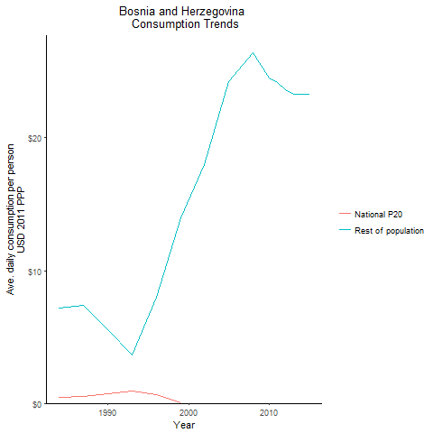
CountryName | National P20 | Rest of population | Year
Bosnia and Herzegovina | 0.4414615 | 7.1501236661 | 1984
Bosnia and Herzegovina | 0.717013026 | 5.5604330449 | 1990
Bosnia and Herzegovina | 0.534324216 | 7.3911668912 | 1987
Bosnia and Herzegovina | 0.957744969 | 3.6526445797 | 1993
Bosnia and Herzegovina | 0.666634804 | 7.9906947237 | 1996
Bosnia and Herzegovina | 0.0685836155 | 13.950800671 | 1999
Bosnia and Herzegovina | -0.301412933 | 17.972420357 | 2002
Bosnia and Herzegovina | -0.698306615 | 24.225145147 | 2005
Bosnia and Herzegovina | -0.67425235 | 26.390243909 | 2008
Bosnia and Herzegovina | -0.47309698 | 24.499894793 | 2010
Bosnia and Herzegovina | -0.340654505 | 24.157817051 | 2011
Bosnia and Herzegovina | -0.186384168 | 23.626986453 | 2012
Bosnia and Herzegovina | -0.0191057725 | 23.264483292 | 2013
Bosnia and Herzegovina | 0.0995324845 | 23.292255235 | 2015

Macedonia, former Yugoslav Rep
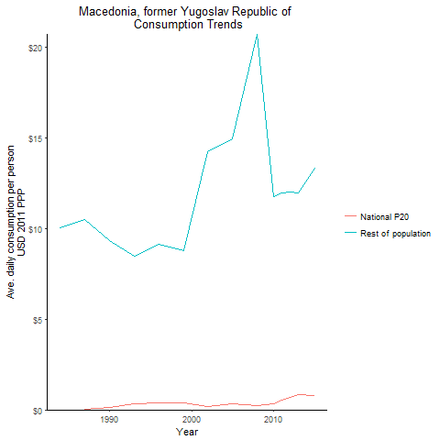
CountryName | National P20 | Rest of population | Year
Macedonia, former Yugoslav Republic of | -0.031354048 | 10.039345361 | 1984
Macedonia, former Yugoslav Republic of | 0.1526949 | 9.3559276449 | 1990
Macedonia, former Yugoslav Republic of | 0.0256423325 | 10.518004485 | 1987
Macedonia, former Yugoslav Republic of | 0.31146636 | 8.4566361497 | 1993
Macedonia, former Yugoslav Republic of | 0.389747952 | 9.1108698613 | 1996
Macedonia, former Yugoslav Republic of | 0.405179416 | 8.7716366528 | 1999
Macedonia, former Yugoslav Republic of | 0.195121392 | 14.24254157 | 2002
Macedonia, former Yugoslav Republic of | 0.32627956 | 14.960845178 | 2005
Macedonia, former Yugoslav Republic of | 0.218329222 | 20.722546462 | 2008
Macedonia, former Yugoslav Republic of | 0.312422545 | 11.745699843 | 2010
Macedonia, former Yugoslav Republic of | 0.549999051 | 11.946935854 | 2011
Macedonia, former Yugoslav Republic of | 0.698977812 | 12.039270615 | 2012
Macedonia, former Yugoslav Republic of | 0.843053712 | 11.966405065 | 2013
Macedonia, former Yugoslav Republic of | 0.7730524815 | 13.306247839 | 2015

Moldova
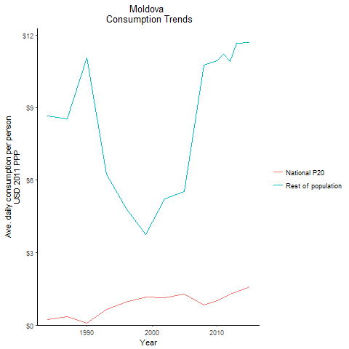
CountryName | National P20 | Rest of population | Year
Moldova | 0.232079218 | 8.655525401 | 1984
Moldova | 0.079191492 | 11.050029524 | 1990
Moldova | 0.360304581 | 8.5403320739 | 1987
Moldova | 0.655923209 | 6.2351383758 | 1993
Moldova | 0.96221122 | 4.8461814416 | 1996
Moldova | 1.171207661 | 3.7436421943 | 1999
Moldova | 1.125405138 | 5.2149610443 | 2002
Moldova | 1.29001157 | 5.525282039 | 2005
Moldova | 0.825001135 | 10.759933278 | 2008
Moldova | 1.004999965 | 10.943928091 | 2010
Moldova | 1.133448703 | 11.208861112 | 2011
Moldova | 1.2691279065 | 10.897630352 | 2012
Moldova | 1.385030592 | 11.646447831 | 2013
Moldova | 1.584753002 | 11.676292571 | 2015

Montenegro
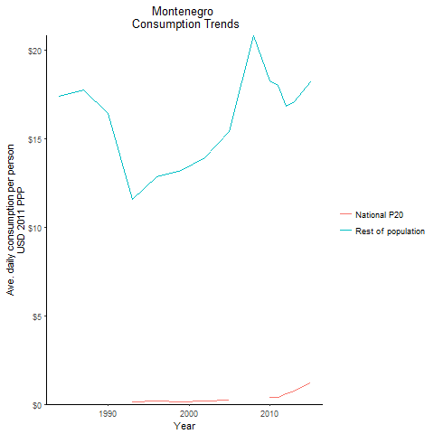
CountryName | National P20 | Rest of population | Year
Montenegro | -0.6161192825 | 17.405044889 | 1984
Montenegro | -0.407326134 | 16.411089068 | 1990
Montenegro | -0.532703556 | 17.775378629 | 1987
Montenegro | 0.1368183725 | 11.566803626 | 1993
Montenegro | 0.168213312 | 12.853134343 | 1996
Montenegro | 0.149016016 | 13.21210627 | 1999
Montenegro | 0.1697340625 | 13.942000731 | 2002
Montenegro | 0.219730602 | 15.424755021 | 2005
Montenegro | -0.355867895 | 20.813328618 | 2008
Montenegro | 0.373591648 | 18.287943184 | 2010
Montenegro | 0.36872838 | 18.006600097 | 2011
Montenegro | 0.593100408 | 16.829596131 | 2012
Montenegro | 0.7500513225 | 17.073073471 | 2013
Montenegro | 1.226066924 | 18.21887368 | 2015

Serbia
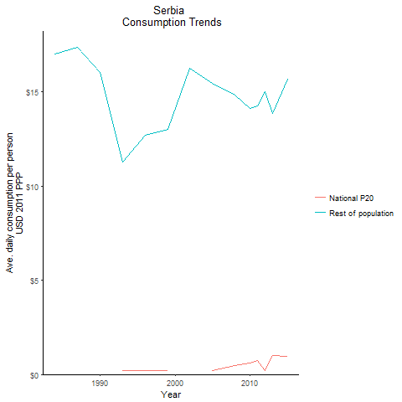
CountryName | National P20 | Rest of population | Year
Serbia | -0.52508192 | 16.986051302 | 1984
Serbia | -0.323428017 | 16.015513169 | 1990
Serbia | -0.44115824 | 17.347274492 | 1987
Serbia | 0.205063304 | 11.283284859 | 1993
Serbia | 0.2132426675 | 12.694387963 | 1996
Serbia | 0.20254718 | 13.003324849 | 1999
Serbia | -0.026727596 | 16.239603817 | 2002
Serbia | 0.191847896 | 15.45289419 | 2005
Serbia | 0.4839272285 | 14.835037371 | 2008
Serbia | 0.606917968 | 14.097917083 | 2010
Serbia | 0.750994447 | 14.262413032 | 2011
Serbia | 0.216085417 | 15.017764947 | 2012
Serbia | 1.01850752 | 13.870437504 | 2013
Serbia | 0.980703877 | 15.68643088 | 2015

Slovenia
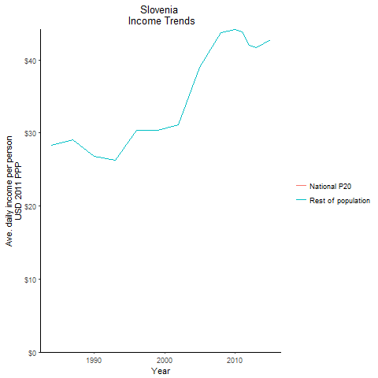
CountryName | National P20 | Rest of population | Year
Slovenia | -1.4212533 | 28.292373599 | 1984
Slovenia | -1.0793529875 | 26.808204 | 1990
Slovenia | -1.222786075 | 29.126141724 | 1987
Slovenia | -0.9722752 | 26.261805786 | 1993
Slovenia | -1.472105925 | 30.331973057 | 1996
Slovenia | -1.5391169375 | 30.391099782 | 1999
Slovenia | -1.7495388 | 31.091228536 | 2002
Slovenia | -2.70591955 | 39.021970298 | 2005
Slovenia | -2.9013955 | 43.78759545 | 2008
Slovenia | -3.290372825 | 44.202634302 | 2010
Slovenia | -3.2141304625 | 43.80988878 | 2011
Slovenia | -3.07594575 | 41.999876848 | 2012
Slovenia | -2.908733125 | 41.740775062 | 2013
Slovenia | -2.435374375 | 42.786131265 | 2015

Tajikistan
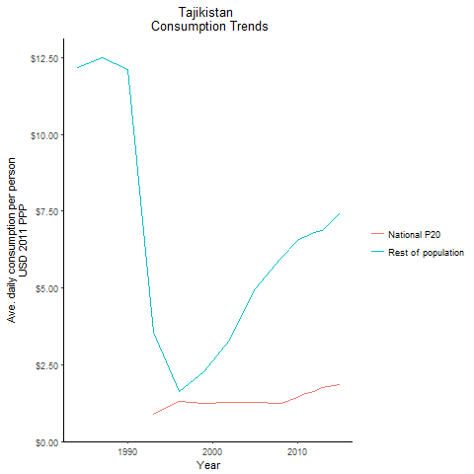
CountryName | National P20 | Rest of population | Year
Tajikistan | -0.2841836035 | 12.166971928 | 1984
Tajikistan | -0.186451079 | 12.105733318 | 1990
Tajikistan | -0.224011235 | 12.482097329 | 1987
Tajikistan | 0.894974432 | 3.5675647482 | 1993
Tajikistan | 1.290872041 | 1.6280570582 | 1996
Tajikistan | 1.233028813 | 2.2783896461 | 1999
Tajikistan | 1.282879872 | 3.2852257854 | 2002
Tajikistan | 1.27910639 | 4.9782316217 | 2005
Tajikistan | 1.248394964 | 5.9568861905 | 2008
Tajikistan | 1.446179552 | 6.5570920983 | 2010
Tajikistan | 1.56832164 | 6.6717524667 | 2011
Tajikistan | 1.626668159 | 6.7917425493 | 2012
Tajikistan | 1.762131302 | 6.8833178594 | 2013
Tajikistan | 1.8453424015 | 7.4584712489 | 2015

Turkmenistan
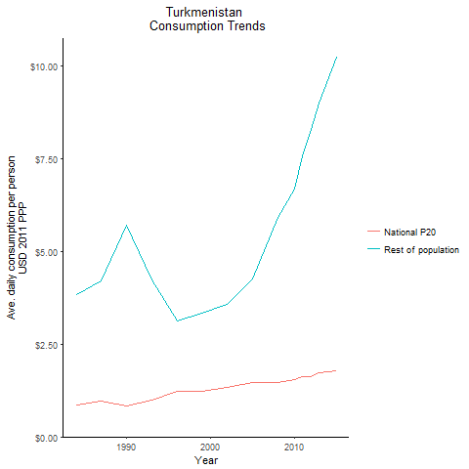
CountryName | National P20 | Rest of population | Year
Turkmenistan | 0.867820492 | 3.8276115893 | 1984
Turkmenistan | 0.8209412755 | 5.7135633113 | 1990
Turkmenistan | 0.955042035 | 4.2079340118 | 1987
Turkmenistan | 0.992157402 | 4.2280880468 | 1993
Turkmenistan | 1.238986312 | 3.1192123261 | 1996
Turkmenistan | 1.239728801 | 3.3289514984 | 1999
Turkmenistan | 1.320355625 | 3.5595208198 | 2002
Turkmenistan | 1.4675527365 | 4.255680309 | 2005
Turkmenistan | 1.47176584 | 5.9265311427 | 2008
Turkmenistan | 1.540638622 | 6.6905787007 | 2010
Turkmenistan | 1.61917699 | 7.5748482183 | 2011
Turkmenistan | 1.635157526 | 8.2987722623 | 2012
Turkmenistan | 1.727330912 | 8.9878754912 | 2013
Turkmenistan | 1.779505456 | 10.224730485 | 2015

Kosovo
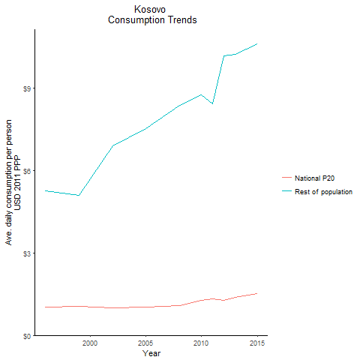
CountryName | National P20 | Rest of population | Year
Kosovo | 1.02282125 | 5.2519453724 | 1996
Kosovo | 1.0618167665 | 5.1014307399 | 1999
Kosovo | 0.997658724 | 6.9024168258 | 2002
Kosovo | 1.026818339 | 7.5420296618 | 2005
Kosovo | 1.092752846 | 8.3784090488 | 2008
Kosovo | 1.266201155 | 8.7718716291 | 2010
Kosovo | 1.317626815 | 8.4348467209 | 2011
Kosovo | 1.2606401185 | 10.170892025 | 2012
Kosovo | 1.3775388375 | 10.252289263 | 2013
Kosovo | 1.512293716 | 10.609044379 | 2015

