Belize
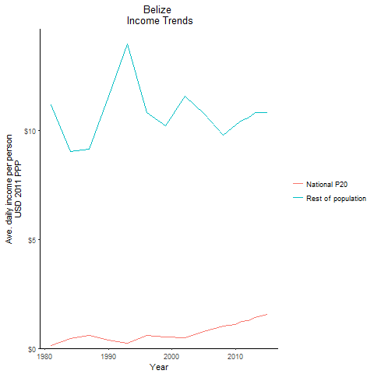
CountryName | National P20 | Rest of population | Year
Belize | 0.114952832 | 11.158816587 | 1981
Belize | 0.4625761195 | 9.0253436414 | 1984
Belize | 0.369972324 | 11.559572672 | 1990
Belize | 0.57888261 | 9.1337985256 | 1987
Belize | 0.2288467 | 13.949566407 | 1993
Belize | 0.59250036 | 10.798829705 | 1996
Belize | 0.52701821 | 10.200241338 | 1999
Belize | 0.492944954 | 11.578473351 | 2002
Belize | 0.780009312 | 10.783025069 | 2005
Belize | 1.010167868 | 9.7924566631 | 2008
Belize | 1.102712037 | 10.256265826 | 2010
Belize | 1.223088945 | 10.462797627 | 2011
Belize | 1.289407828 | 10.573294618 | 2012
Belize | 1.414412168 | 10.814546273 | 2013
Belize | 1.5686451025 | 10.808992149 | 2015

Bolivia
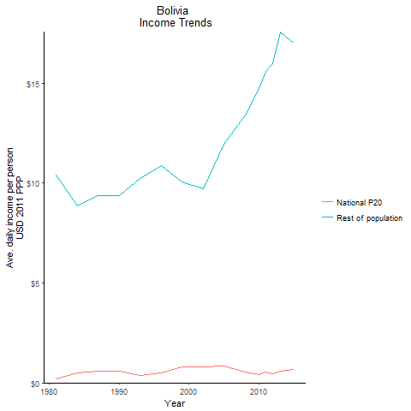
CountryName | National P20 | Rest of population | Year
Bolivia | 0.214364342 | 10.377400695 | 1981
Bolivia | 0.504935336 | 8.8390278098 | 1984
Bolivia | 0.576737952 | 9.3629963339 | 1990
Bolivia | 0.584677888 | 9.3518551855 | 1987
Bolivia | 0.35875587 | 10.208558978 | 1993
Bolivia | 0.47617905 | 10.849904553 | 1996
Bolivia | 0.78382385 | 10.058948147 | 1999
Bolivia | 0.81022709 | 9.7239089809 | 2002
Bolivia | 0.83614002 | 11.9389102 | 2005
Bolivia | 0.532208513 | 13.384878009 | 2008
Bolivia | 0.417560218 | 14.736453781 | 2010
Bolivia | 0.520374388 | 15.571092704 | 2011
Bolivia | 0.465296396 | 15.952990969 | 2012
Bolivia | 0.60239443 | 17.562556187 | 2013
Bolivia | 0.684186075 | 17.000193207 | 2015

Brazil
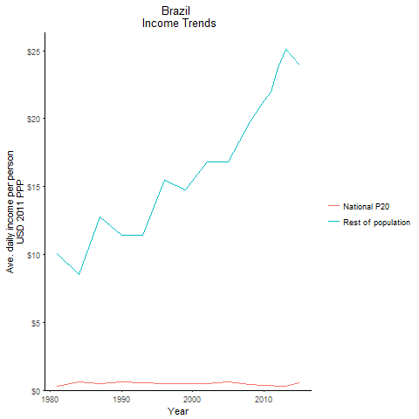
CountryName | National P20 | Rest of population | Year
Brazil | 0.30337369 | 10.062718221 | 1981
Brazil | 0.620786529 | 8.5143554225 | 1984
Brazil | 0.61303473 | 11.383746797 | 1990
Brazil | 0.480764077 | 12.732552816 | 1987
Brazil | 0.556540175 | 11.416712901 | 1993
Brazil | 0.469367187 | 15.457076011 | 1996
Brazil | 0.52016231 | 14.746836135 | 1999
Brazil | 0.5028606105 | 16.79615882 | 2002
Brazil | 0.608098344 | 16.841265825 | 2005
Brazil | 0.408684155 | 19.793064578 | 2008
Brazil | 0.33838769 | 21.299666091 | 2010
Brazil | 0.365446075 | 21.978578207 | 2011
Brazil | 0.3093824975 | 23.768043417 | 2012
Brazil | 0.31638628 | 25.078393841 | 2013
Brazil | 0.536848168 | 23.933896177 | 2015

Chile
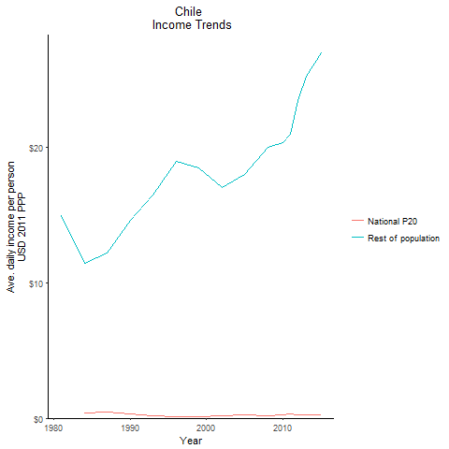
CountryName | National P20 | Rest of population | Year
Chile | -0.0342276265 | 15.004874715 | 1981
Chile | 0.3880544935 | 11.477142541 | 1984
Chile | 0.321042282 | 14.606173676 | 1990
Chile | 0.454306174 | 12.180259073 | 1987
Chile | 0.20975357 | 16.466173936 | 1993
Chile | 0.145540768 | 18.977023027 | 1996
Chile | 0.115577975 | 18.471789068 | 1999
Chile | 0.1804563465 | 17.065743448 | 2002
Chile | 0.264373621 | 17.993236732 | 2005
Chile | 0.171315632 | 19.99919301 | 2008
Chile | 0.247114528 | 20.370378902 | 2010
Chile | 0.347511844 | 21.014222039 | 2011
Chile | 0.2406665655 | 23.470271715 | 2012
Chile | 0.282224223 | 25.293950794 | 2013
Chile | 0.21752248 | 26.980665955 | 2015

Colombia
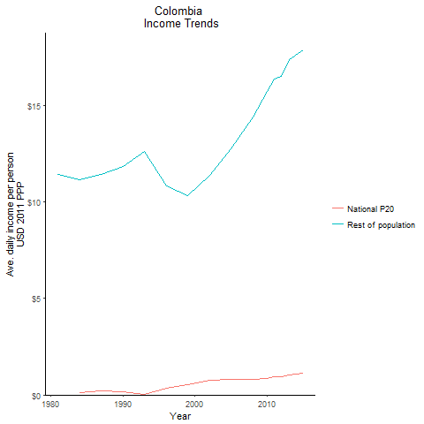
CountryName | National P20 | Rest of population | Year
Colombia | -0.09102438 | 11.435660205 | 1981
Colombia | 0.115916904 | 11.159076938 | 1984
Colombia | 0.158682729 | 11.846916989 | 1990
Colombia | 0.200562505 | 11.441548415 | 1987
Colombia | 0.011926989 | 12.629837431 | 1993
Colombia | 0.37129764 | 10.825248193 | 1996
Colombia | 0.511468625 | 10.314516405 | 1999
Colombia | 0.741521068 | 11.403208774 | 2002
Colombia | 0.826192176 | 12.776794422 | 2005
Colombia | 0.803226005 | 14.397904458 | 2008
Colombia | 0.864304432 | 15.727600604 | 2010
Colombia | 0.948369061 | 16.356146091 | 2011
Colombia | 0.94693575 | 16.532949624 | 2012
Colombia | 1.044260786 | 17.370082749 | 2013
Colombia | 1.1200215755 | 17.870849401 | 2015

Costa Rica
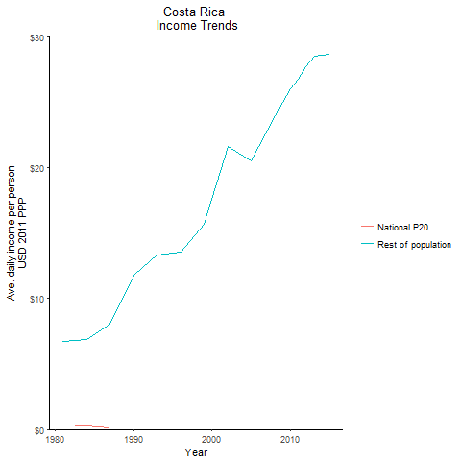
CountryName | National P20 | Rest of population | Year
Costa Rica | 0.365584483 | 6.7465819614 | 1981
Costa Rica | 0.28851349 | 6.8933702576 | 1984
Costa Rica | -0.21071391 | 11.815809984 | 1990
Costa Rica | 0.12717178 | 8.0776303427 | 1987
Costa Rica | -0.323450121 | 13.362310475 | 1993
Costa Rica | -0.1183201665 | 13.585930727 | 1996
Costa Rica | -0.164485102 | 15.706381549 | 1999
Costa Rica | -0.388317986 | 21.650571277 | 2002
Costa Rica | -0.112044895 | 20.512627662 | 2005
Costa Rica | -0.1685794695 | 23.983139388 | 2008
Costa Rica | -0.265175201 | 25.995108869 | 2010
Costa Rica | -0.079377985 | 26.799332167 | 2011
Costa Rica | -0.093245022 | 27.713923584 | 2012
Costa Rica | -0.015331158 | 28.516839639 | 2013
Costa Rica | 0.021493591 | 28.650186876 | 2015

Dominican Republic
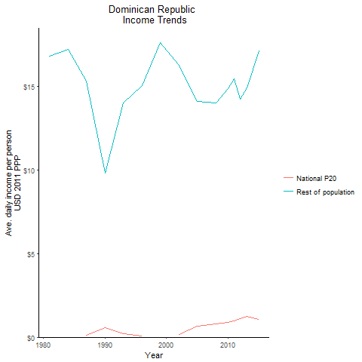
CountryName | National P20 | Rest of population | Year
Dominican Republic | -0.521488603 | 16.791139274 | 1981
Dominican Republic | -0.383747948 | 17.194387672 | 1984
Dominican Republic | 0.568234578 | 9.8123029993 | 1990
Dominican Republic | 0.118977251 | 15.31622555 | 1987
Dominican Republic | 0.199090267 | 14.002169899 | 1993
Dominican Republic | 0.059362846 | 15.034733261 | 1996
Dominican Republic | -0.0217717145 | 17.606245668 | 1999
Dominican Republic | 0.1542221535 | 16.27056227 | 2002
Dominican Republic | 0.670320519 | 14.114084254 | 2005
Dominican Republic | 0.813232387 | 14.032008342 | 2008
Dominican Republic | 0.89285675 | 14.865047456 | 2010
Dominican Republic | 0.956288992 | 15.437509944 | 2011
Dominican Republic | 1.097789203 | 14.248852699 | 2012
Dominican Republic | 1.224670445 | 14.930626909 | 2013
Dominican Republic | 1.06143829 | 17.113784263 | 2015

Ecuador
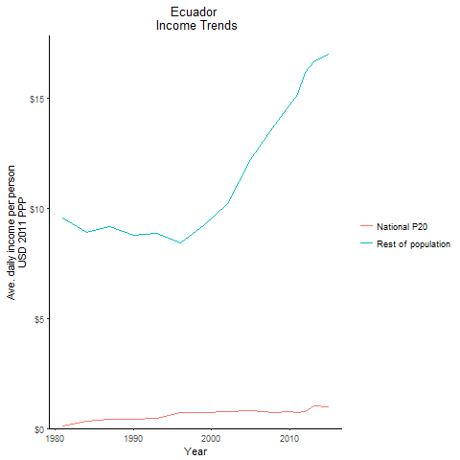
CountryName | National P20 | Rest of population | Year
Ecuador | 0.110910365 | 9.5686313129 | 1981
Ecuador | 0.34246993 | 8.9138030654 | 1984
Ecuador | 0.429808205 | 8.7847328803 | 1990
Ecuador | 0.4378828215 | 9.1594402535 | 1987
Ecuador | 0.442965661 | 8.8701202286 | 1993
Ecuador | 0.705967602 | 8.4078560447 | 1996
Ecuador | 0.72549794 | 9.2213282547 | 1999
Ecuador | 0.76751226 | 10.201465771 | 2002
Ecuador | 0.819356395 | 12.211807477 | 2005
Ecuador | 0.74317445 | 13.753205018 | 2008
Ecuador | 0.772806016 | 14.678193017 | 2010
Ecuador | 0.739039648 | 15.144656526 | 2011
Ecuador | 0.7710036825 | 16.140428531 | 2012
Ecuador | 1.005350032 | 16.650251533 | 2013
Ecuador | 0.9717815 | 16.96850668 | 2015

El Salvador
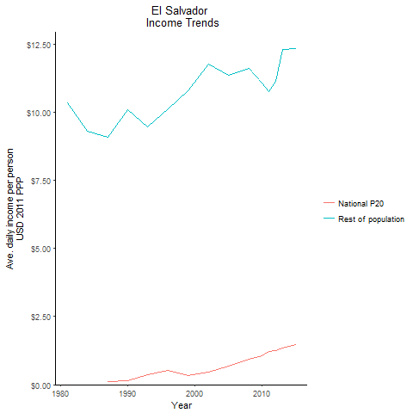
CountryName | National P20 | Rest of population | Year
El Salvador | -0.33681405 | 10.341774745 | 1981
El Salvador | -0.029019935 | 9.3028371755 | 1984
El Salvador | 0.16090908 | 10.094878209 | 1990
El Salvador | 0.11240571 | 9.0736561067 | 1987
El Salvador | 0.35481055 | 9.4525959926 | 1993
El Salvador | 0.5393819115 | 10.122195618 | 1996
El Salvador | 0.33183305 | 10.789271874 | 1999
El Salvador | 0.46209243 | 11.767468673 | 2002
El Salvador | 0.67839402 | 11.33714807 | 2005
El Salvador | 0.94656515 | 11.609668302 | 2008
El Salvador | 1.07315327 | 11.070273326 | 2010
El Salvador | 1.2327768255 | 10.761452369 | 2011
El Salvador | 1.253599154 | 11.141586513 | 2012
El Salvador | 1.3309678305 | 12.302633385 | 2013
El Salvador | 1.4731976295 | 12.319555387 | 2015

Guatemala
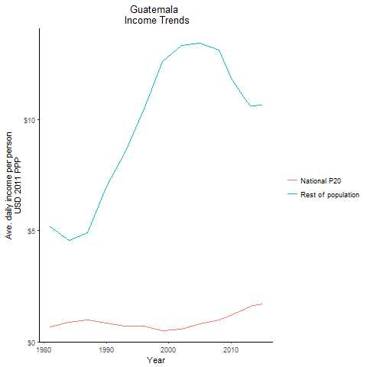
CountryName | National P20 | Rest of population | Year
Guatemala | 0.6745862245 | 5.1716370055 | 1981
Guatemala | 0.88585177 | 4.5730466465 | 1984
Guatemala | 0.837421839 | 7.0293650882 | 1990
Guatemala | 0.981143976 | 4.9141797594 | 1987
Guatemala | 0.7205495015 | 8.5416681041 | 1993
Guatemala | 0.69596059 | 10.492197524 | 1996
Guatemala | 0.5149572185 | 12.639359326 | 1999
Guatemala | 0.5679588405 | 13.358754125 | 2002
Guatemala | 0.81310562 | 13.443834554 | 2005
Guatemala | 0.98513523 | 13.129195645 | 2008
Guatemala | 1.184120368 | 11.861391826 | 2010
Guatemala | 1.342254493 | 11.470093911 | 2011
Guatemala | 1.432077051 | 11.02845608 | 2012
Guatemala | 1.5930190755 | 10.62285756 | 2013
Guatemala | 1.723610295 | 10.649737152 | 2015

Guyana
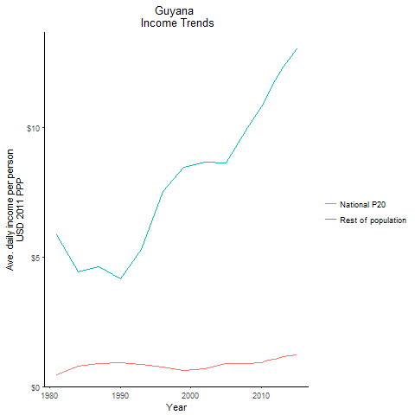
CountryName | National P20 | Rest of population | Year
Guyana | 0.463359212 | 5.8601766354 | 1981
Guyana | 0.778452472 | 4.4362074299 | 1984
Guyana | 0.906343979 | 4.162816745 | 1990
Guyana | 0.877139475 | 4.6330918436 | 1987
Guyana | 0.856630106 | 5.3090027475 | 1993
Guyana | 0.7620281805 | 7.5331943247 | 1996
Guyana | 0.605581125 | 8.4644156777 | 1999
Guyana | 0.682326272 | 8.6487444594 | 2002
Guyana | 0.88837295 | 8.6307259406 | 2005
Guyana | 0.8752593665 | 10.001433104 | 2008
Guyana | 0.92923392 | 10.785351794 | 2010
Guyana | 1.0254924175 | 11.294436485 | 2011
Guyana | 1.0438958505 | 11.834849325 | 2012
Guyana | 1.138377816 | 12.334539793 | 2013
Guyana | 1.2163952185 | 13.024066949 | 2015

Honduras
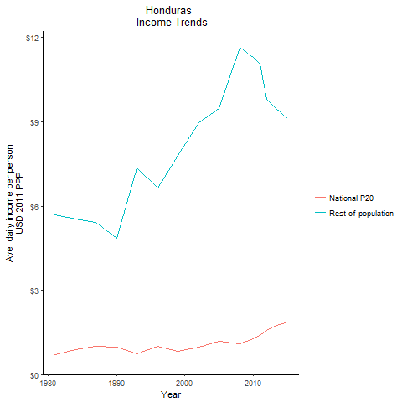
CountryName | National P20 | Rest of population | Year
Honduras | 0.696996294 | 5.6801481868 | 1981
Honduras | 0.887240176 | 5.5444118738 | 1984
Honduras | 0.980281016 | 4.8585009789 | 1990
Honduras | 1.0083496175 | 5.433578349 | 1987
Honduras | 0.727599866 | 7.3633835951 | 1993
Honduras | 0.990455841 | 6.6440559028 | 1996
Honduras | 0.821815949 | 7.8056843689 | 1999
Honduras | 0.9647423775 | 8.9609856385 | 2002
Honduras | 1.191271545 | 9.4739012918 | 2005
Honduras | 1.078761716 | 11.646601352 | 2008
Honduras | 1.259951544 | 11.302898415 | 2010
Honduras | 1.3953479125 | 11.069294529 | 2011
Honduras | 1.5759361435 | 9.8023255532 | 2012
Honduras | 1.711591135 | 9.5302611204 | 2013
Honduras | 1.882958041 | 9.1179591199 | 2015

Jamaica
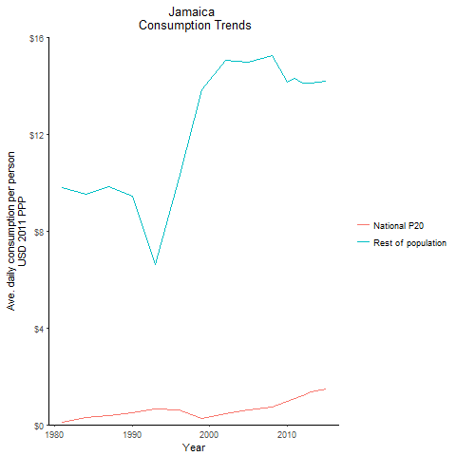
CountryName | National P20 | Rest of population | Year
Jamaica | 0.102633864 | 9.8155703011 | 1981
Jamaica | 0.309262084 | 9.5153200954 | 1984
Jamaica | 0.502358413 | 9.4475829995 | 1990
Jamaica | 0.3912119595 | 9.8299737225 | 1987
Jamaica | 0.6468971375 | 6.6063291403 | 1993
Jamaica | 0.623360916 | 10.192811826 | 1996
Jamaica | 0.266138336 | 13.839698293 | 1999
Jamaica | 0.448606725 | 15.054783935 | 2002
Jamaica | 0.618676566 | 14.990526749 | 2005
Jamaica | 0.737506596 | 15.239342529 | 2008
Jamaica | 0.961025051 | 14.158469765 | 2010
Jamaica | 1.100263564 | 14.309376575 | 2011
Jamaica | 1.1886420045 | 14.137618951 | 2012
Jamaica | 1.342241946 | 14.116199787 | 2013
Jamaica | 1.48877675 | 14.205237319 | 2015

Mexico
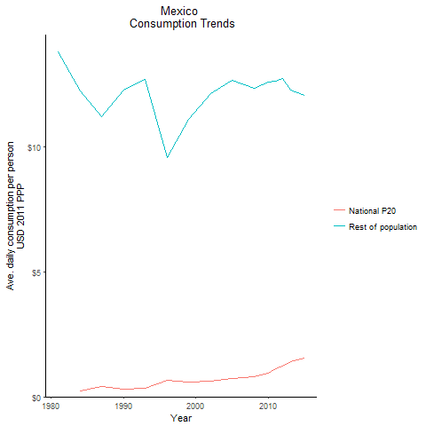
CountryName | National P20 | Rest of population | Year
Mexico | -0.059534905 | 13.776767288 | 1981
Mexico | 0.23825299 | 12.227725794 | 1984
Mexico | 0.313056051 | 12.28410722 | 1990
Mexico | 0.407519143 | 11.214395557 | 1987
Mexico | 0.339624785 | 12.688892434 | 1993
Mexico | 0.66330664 | 9.5807377236 | 1996
Mexico | 0.59328909 | 11.109428412 | 1999
Mexico | 0.614462969 | 12.139397956 | 2002
Mexico | 0.732178866 | 12.656897749 | 2005
Mexico | 0.8097959025 | 12.340452394 | 2008
Mexico | 0.9408723855 | 12.578040808 | 2010
Mexico | 1.118587065 | 12.63308885 | 2011
Mexico | 1.238701164 | 12.711660325 | 2012
Mexico | 1.405368201 | 12.267862059 | 2013
Mexico | 1.5522989195 | 12.044582804 | 2015

Nicaragua
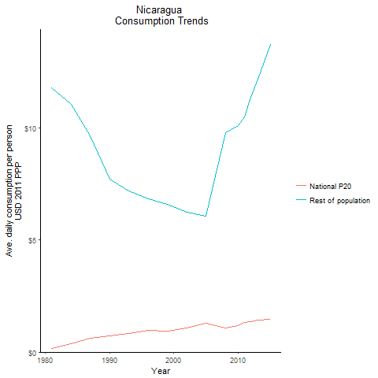
CountryName | National P20 | Rest of population | Year
Nicaragua | 0.155930881 | 11.795893992 | 1981
Nicaragua | 0.3827487875 | 11.06804842 | 1984
Nicaragua | 0.732693024 | 7.7190198947 | 1990
Nicaragua | 0.604365251 | 9.6584566325 | 1987
Nicaragua | 0.8253152615 | 7.1777807737 | 1993
Nicaragua | 0.956624949 | 6.8250670504 | 1996
Nicaragua | 0.9495800435 | 6.5912871809 | 1999
Nicaragua | 1.070521256 | 6.2569710559 | 2002
Nicaragua | 1.303204314 | 6.0543276886 | 2005
Nicaragua | 1.0929148795 | 9.8099479925 | 2008
Nicaragua | 1.184989567 | 10.098592334 | 2010
Nicaragua | 1.3204245755 | 10.486640431 | 2011
Nicaragua | 1.341516557 | 11.364296203 | 2012
Nicaragua | 1.431976352 | 12.180353857 | 2013
Nicaragua | 1.477141795 | 13.718258387 | 2015

Panama
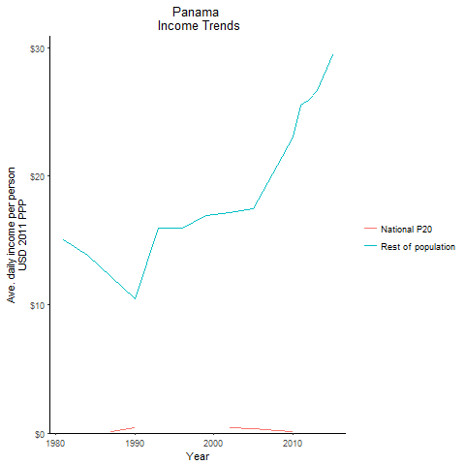
CountryName | National P20 | Rest of population | Year
Panama | -0.267514295 | 15.06371419 | 1981
Panama | -0.1544575 | 13.83646095 | 1984
Panama | 0.41894292 | 10.440597147 | 1990
Panama | 0.12230646 | 12.17967818 | 1987
Panama | -0.07457839 | 15.968103502 | 1993
Panama | 0.04115265 | 15.91318992 | 1996
Panama | -0.18514704 | 16.913059363 | 1999
Panama | 0.39638376 | 17.135587622 | 2002
Panama | 0.3823537485 | 17.420975946 | 2005
Panama | 0.160063155 | 20.809655444 | 2008
Panama | 0.0912999505 | 23.058320218 | 2010
Panama | -0.0560412635 | 25.520199357 | 2011
Panama | -0.0773652255 | 25.879916649 | 2012
Panama | 0.254795984 | 26.671976346 | 2013
Panama | -0.148565177 | 29.414090609 | 2015

Paraguay
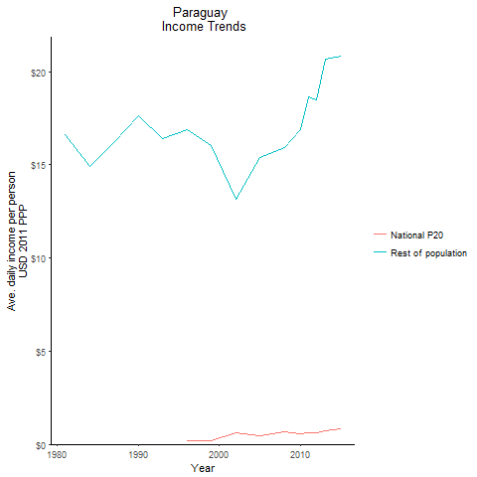
CountryName | National P20 | Rest of population | Year
Paraguay | -0.589187331 | 16.629744778 | 1981
Paraguay | -0.254276759 | 14.919495217 | 1984
Paraguay | -0.402567168 | 17.609225354 | 1990
Paraguay | -0.25717775 | 16.165253342 | 1987
Paraguay | -0.147445471 | 16.42773945 | 1993
Paraguay | 0.1819884 | 16.863620708 | 1996
Paraguay | 0.201391256 | 16.041853556 | 1999
Paraguay | 0.633492608 | 13.148956985 | 2002
Paraguay | 0.47585798 | 15.373902628 | 2005
Paraguay | 0.674616314 | 15.939566469 | 2008
Paraguay | 0.590460757 | 16.901060153 | 2010
Paraguay | 0.6247376405 | 18.623379973 | 2011
Paraguay | 0.616552604 | 18.495583767 | 2012
Paraguay | 0.738302355 | 20.653444959 | 2013
Paraguay | 0.8156532055 | 20.812344233 | 2015

Peru
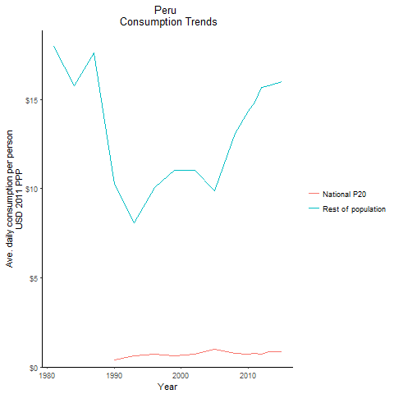
CountryName | National P20 | Rest of population | Year
Peru | -0.6495314765 | 17.974849992 | 1981
Peru | -0.267033622 | 15.775547447 | 1984
Peru | 0.4034859945 | 10.251462748 | 1990
Peru | -0.264229902 | 17.633268434 | 1987
Peru | 0.6062397725 | 8.0987112898 | 1993
Peru | 0.6977490245 | 10.06920247 | 1996
Peru | 0.636717015 | 11.042738554 | 1999
Peru | 0.735299382 | 11.025432689 | 2002
Peru | 1.011630354 | 9.9017841923 | 2005
Peru | 0.7568706125 | 13.12915084 | 2008
Peru | 0.706855153 | 14.359962924 | 2010
Peru | 0.7655881775 | 14.856101586 | 2011
Peru | 0.703049377 | 15.680219848 | 2012
Peru | 0.86111124 | 15.777093423 | 2013
Peru | 0.87195607 | 15.98863153 | 2015

St. Lucia
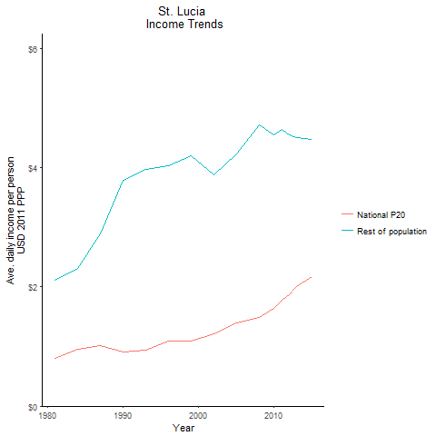
CountryName | National P20 | Rest of population | Year
St. Lucia | 0.795469621 | 2.1050409509 | 1981
St. Lucia | 0.952978488 | 2.306015104 | 1984
St. Lucia | 0.91335624 | 3.7847321729 | 1990
St. Lucia | 1.012162923 | 2.8941026939 | 1987
St. Lucia | 0.940649456 | 3.9665184579 | 1993
St. Lucia | 1.090847106 | 4.031133429 | 1996
St. Lucia | 1.094899753 | 4.2023819111 | 1999
St. Lucia | 1.217745975 | 3.8826347391 | 2002
St. Lucia | 1.396000591 | 4.2338738249 | 2005
St. Lucia | 1.484576892 | 4.710346188 | 2008
St. Lucia | 1.638418454 | 4.5395734687 | 2010
St. Lucia | 1.774457952 | 4.6372677038 | 2011
St. Lucia | 1.8620979 | 4.5528631962 | 2012
St. Lucia | 2.00911005 | 4.5009457752 | 2013
St. Lucia | 2.1713515 | 4.471752536 | 2015

Suriname
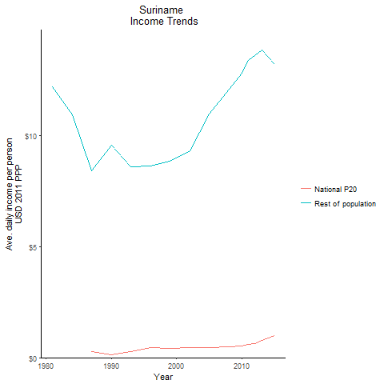
CountryName | National P20 | Rest of population | Year
Suriname | -0.480799045 | 12.177372364 | 1981
Suriname | -0.1577624 | 10.916959778 | 1984
Suriname | 0.12090719 | 9.5530759422 | 1990
Suriname | 0.2666006 | 8.4034142336 | 1987
Suriname | 0.28325863 | 8.5677058904 | 1993
Suriname | 0.43680888 | 8.6167703827 | 1996
Suriname | 0.42573576 | 8.8453030463 | 1999
Suriname | 0.46477284 | 9.3149191188 | 2002
Suriname | 0.469431495 | 10.941213359 | 2005
Suriname | 0.473882375 | 12.056729406 | 2008
Suriname | 0.523352365 | 12.784901635 | 2010
Suriname | 0.58762688 | 13.383237116 | 2011
Suriname | 0.646562655 | 13.590536049 | 2012
Suriname | 0.76698258 | 13.82130778 | 2013
Suriname | 0.99328174 | 13.17173162 | 2015

Trinidad and Tobago
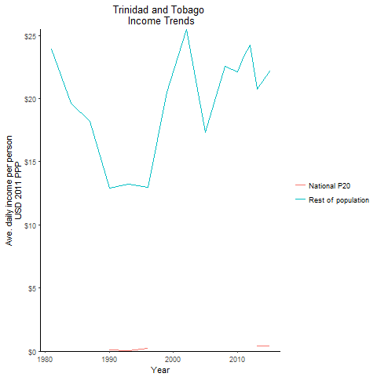
CountryName | National P20 | Rest of population | Year
Trinidad and Tobago | -1.171987902 | 23.902709304 | 1981
Trinidad and Tobago | -0.6090335765 | 19.593840586 | 1984
Trinidad and Tobago | 0.099479773 | 12.893388961 | 1990
Trinidad and Tobago | -0.361062494 | 18.19510124 | 1987
Trinidad and Tobago | 0.044704684 | 13.224293692 | 1993
Trinidad and Tobago | 0.222433533 | 12.942508055 | 1996
Trinidad and Tobago | -0.4942429465 | 20.493059367 | 1999
Trinidad and Tobago | -0.8874141 | 25.481163114 | 2002
Trinidad and Tobago | 0.120249868 | 17.317416985 | 2005
Trinidad and Tobago | -0.255711227 | 22.56099767 | 2008
Trinidad and Tobago | -0.072720188 | 22.120158129 | 2010
Trinidad and Tobago | -0.051316296 | 23.347223595 | 2011
Trinidad and Tobago | -0.055214564 | 24.238688573 | 2012
Trinidad and Tobago | 0.429386452 | 20.732728729 | 2013
Trinidad and Tobago | 0.4390859675 | 22.182049056 | 2015

Uruguay
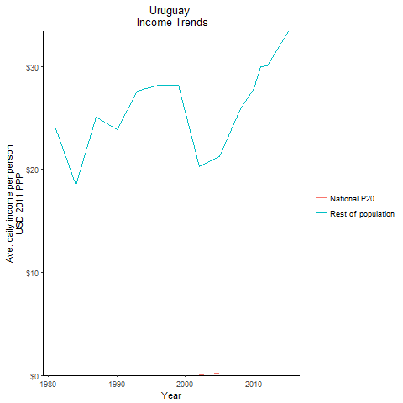
CountryName | National P20 | Rest of population | Year
Uruguay | -1.225038488 | 24.16318017 | 1981
Uruguay | -0.57247673 | 18.503797265 | 1984
Uruguay | -1.0283395515 | 23.900820504 | 1990
Uruguay | -1.1408831345 | 25.086816674 | 1987
Uruguay | -1.220233292 | 27.608107638 | 1993
Uruguay | -0.98301752 | 28.240476298 | 1996
Uruguay | -0.752441155 | 28.209651385 | 1999
Uruguay | 0.051309673 | 20.29108628 | 2002
Uruguay | 0.2233094445 | 21.237810995 | 2005
Uruguay | -0.1132269055 | 25.945212206 | 2008
Uruguay | -0.1367525 | 27.904726481 | 2010
Uruguay | -0.413996105 | 30.032982588 | 2011
Uruguay | -0.6500405625 | 30.042526579 | 2012
Uruguay | -0.5560445 | 31.293419344 | 2013
Uruguay | -0.60563215 | 33.437690229 | 2015

Venezuela, Republica Bolivaria
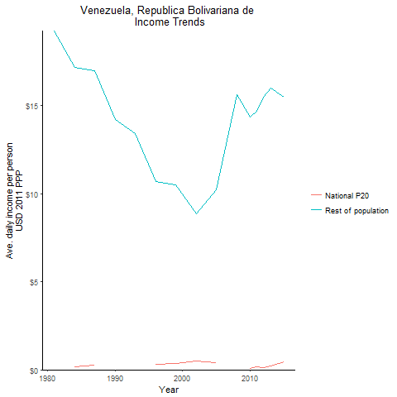
CountryName | National P20 | Rest of population | Year
Venezuela, Republica Bolivariana de | -0.147235752 | 19.262210308 | 1981
Venezuela, Republica Bolivariana de | 0.1472535075 | 17.178082514 | 1984
Venezuela, Republica Bolivariana de | -0.546903606 | 14.243075217 | 1990
Venezuela, Republica Bolivariana de | 0.2839345275 | 16.989621848 | 1987
Venezuela, Republica Bolivariana de | -0.26259 | 13.427610514 | 1993
Venezuela, Republica Bolivariana de | 0.288160128 | 10.681484626 | 1996
Venezuela, Republica Bolivariana de | 0.354481445 | 10.532978269 | 1999
Venezuela, Republica Bolivariana de | 0.52207687 | 8.8545177688 | 2002
Venezuela, Republica Bolivariana de | 0.4003278 | 10.229534488 | 2005
Venezuela, Republica Bolivariana de | -0.23803902 | 15.620928933 | 2008
Venezuela, Republica Bolivariana de | 0.070426 | 14.354033226 | 2010
Venezuela, Republica Bolivariana de | 0.165952 | 14.687591452 | 2011
Venezuela, Republica Bolivariana de | 0.12884873 | 15.50476727 | 2012
Venezuela, Republica Bolivariana de | 0.213271125 | 15.989486328 | 2013
Venezuela, Republica Bolivariana de | 0.435809455 | 15.482680513 | 2015

Haiti
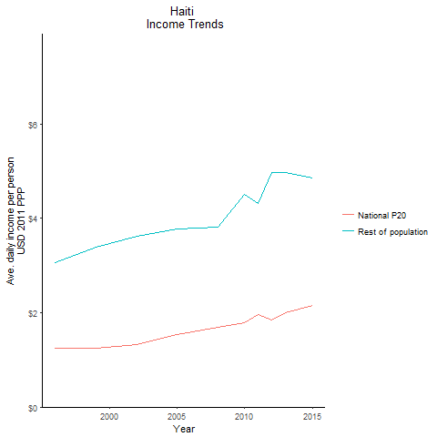
CountryName | National P20 | Rest of population | Year
Haiti | 1.255565748 | 3.0691654123 | 1996
Haiti | 1.245245745 | 3.3899969199 | 1999
Haiti | 1.333006508 | 3.6198438525 | 2002
Haiti | 1.544330502 | 3.7673762786 | 2005
Haiti | 1.696188074 | 3.81926805 | 2008
Haiti | 1.7944838875 | 4.5087927268 | 2010
Haiti | 1.965899271 | 4.3042881959 | 2011
Haiti | 1.842315227 | 4.9653321522 | 2012
Haiti | 1.993700547 | 4.9788721235 | 2013
Haiti | 2.156349612 | 4.8598851997 | 2015

