Algeria
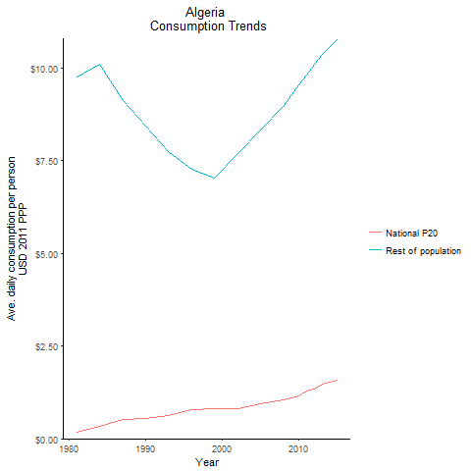
CountryName | National P20 | Rest of population | Year
Algeria | 0.171224491 | 9.7490952471 | 1981
Algeria | 0.3223113175 | 10.097813951 | 1984
Algeria | 0.545824936 | 8.4307876016 | 1990
Algeria | 0.521176992 | 9.1261934232 | 1987
Algeria | 0.619772175 | 7.7386405179 | 1993
Algeria | 0.796051842 | 7.2691212861 | 1996
Algeria | 0.8107933435 | 7.0299893354 | 1999
Algeria | 0.8024670525 | 7.6959667985 | 2002
Algeria | 0.946956418 | 8.324755416 | 2005
Algeria | 1.0358798985 | 9.000053313 | 2008
Algeria | 1.143466477 | 9.5504881753 | 2010
Algeria | 1.290629626 | 9.8178439634 | 2011
Algeria | 1.341882517 | 10.094045809 | 2012
Algeria | 1.464400143 | 10.364176677 | 2013
Algeria | 1.575357012 | 10.793390884 | 2015

Egypt, Arab Republic of
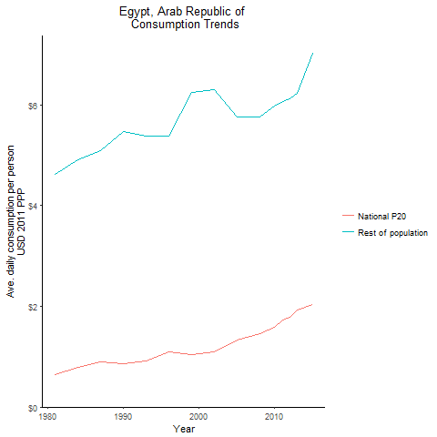
CountryName | National P20 | Rest of population | Year
Egypt, Arab Republic of | 0.63676909 | 4.6250063576 | 1981
Egypt, Arab Republic of | 0.788246518 | 4.9110219321 | 1984
Egypt, Arab Republic of | 0.857492141 | 5.4725502524 | 1990
Egypt, Arab Republic of | 0.897508659 | 5.0849118763 | 1987
Egypt, Arab Republic of | 0.922655336 | 5.3857347961 | 1993
Egypt, Arab Republic of | 1.089482673 | 5.3762717975 | 1996
Egypt, Arab Republic of | 1.035187723 | 6.2497482747 | 1999
Egypt, Arab Republic of | 1.094598048 | 6.3010641866 | 2002
Egypt, Arab Republic of | 1.333980696 | 5.7577500315 | 2005
Egypt, Arab Republic of | 1.4535175385 | 5.7587658209 | 2008
Egypt, Arab Republic of | 1.58189704 | 5.9821188907 | 2010
Egypt, Arab Republic of | 1.7227794575 | 6.0615065055 | 2011
Egypt, Arab Republic of | 1.778427795 | 6.1139231882 | 2012
Egypt, Arab Republic of | 1.920941124 | 6.2273414313 | 2013
Egypt, Arab Republic of | 2.03639155 | 7.0166034824 | 2015

Iran, Islamic Republic of
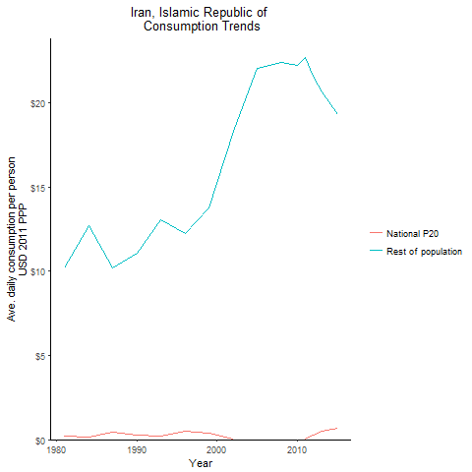
CountryName | National P20 | Rest of population | Year
Iran, Islamic Republic of | 0.186960187 | 10.196110638 | 1981
Iran, Islamic Republic of | 0.1590642975 | 12.710361323 | 1984
Iran, Islamic Republic of | 0.29521145 | 11.064724535 | 1990
Iran, Islamic Republic of | 0.4605097525 | 10.200454754 | 1987
Iran, Islamic Republic of | 0.214793354 | 13.04461399 | 1993
Iran, Islamic Republic of | 0.475882485 | 12.25431568 | 1996
Iran, Islamic Republic of | 0.400387535 | 13.770674349 | 1999
Iran, Islamic Republic of | 0.0543225525 | 18.32453991 | 2002
Iran, Islamic Republic of | -0.122566248 | 22.007182658 | 2005
Iran, Islamic Republic of | -0.085260242 | 22.40881917 | 2008
Iran, Islamic Republic of | -0.0704369375 | 22.230928412 | 2010
Iran, Islamic Republic of | 0.0438321295 | 22.647836488 | 2011
Iran, Islamic Republic of | 0.26048904 | 21.578928425 | 2012
Iran, Islamic Republic of | 0.526544235 | 20.607951612 | 2013
Iran, Islamic Republic of | 0.6886270515 | 19.296799402 | 2015

Iraq
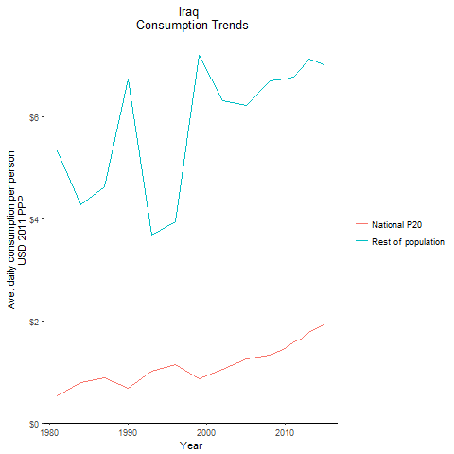
CountryName | National P20 | Rest of population | Year
Iraq | 0.5243667235 | 5.328649415 | 1981
Iraq | 0.796439047 | 4.2683258547 | 1984
Iraq | 0.67776544 | 6.7288860373 | 1990
Iraq | 0.884276176 | 4.6181241067 | 1987
Iraq | 1.009693053 | 3.6844237231 | 1993
Iraq | 1.13751539 | 3.9432293717 | 1996
Iraq | 0.865777426 | 7.1889487942 | 1999
Iraq | 1.04284816 | 6.3007071381 | 2002
Iraq | 1.258735667 | 6.2086845764 | 2005
Iraq | 1.334580464 | 6.6917877607 | 2008
Iraq | 1.4568593605 | 6.7282824201 | 2010
Iraq | 1.5871654 | 6.7686470062 | 2011
Iraq | 1.6459793715 | 6.936885979 | 2012
Iraq | 1.775927429 | 7.131585266 | 2013
Iraq | 1.939536133 | 7.01568309 | 2015

Jordan
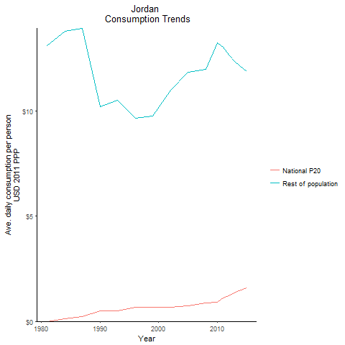
CountryName | National P20 | Rest of population | Year
Jordan | 0.001911799 | 13.132375475 | 1981
Jordan | 0.113625728 | 13.803705897 | 1984
Jordan | 0.48341433 | 10.20721765 | 1990
Jordan | 0.223948364 | 13.941125238 | 1987
Jordan | 0.50444825 | 10.52886465 | 1993
Jordan | 0.67998216 | 9.6808332271 | 1996
Jordan | 0.68039375 | 9.7671796447 | 1999
Jordan | 0.6596150835 | 11.011822257 | 2002
Jordan | 0.7404437025 | 11.84773702 | 2005
Jordan | 0.877069685 | 11.996761346 | 2008
Jordan | 0.926069242 | 13.270771731 | 2010
Jordan | 1.105932948 | 13.067656489 | 2011
Jordan | 1.217232872 | 12.677858905 | 2012
Jordan | 1.3886639365 | 12.334421687 | 2013
Jordan | 1.582498573 | 11.901231521 | 2015

Morocco
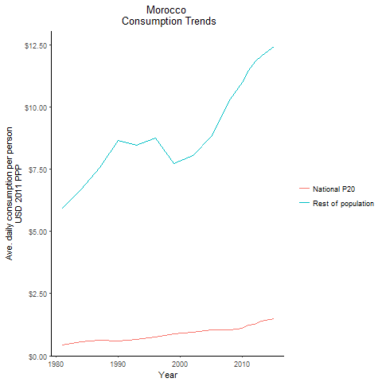
CountryName | National P20 | Rest of population | Year
Morocco | 0.4506365825 | 5.9309723612 | 1981
Morocco | 0.5521741425 | 6.671360574 | 1984
Morocco | 0.589633616 | 8.6591203631 | 1990
Morocco | 0.63992988 | 7.5696901327 | 1987
Morocco | 0.65047984 | 8.4699540126 | 1993
Morocco | 0.7712099095 | 8.7622427281 | 1996
Morocco | 0.8826138555 | 7.7276287279 | 1999
Morocco | 0.945785805 | 8.0520357405 | 2002
Morocco | 1.0577127835 | 8.8260279685 | 2005
Morocco | 1.0472847055 | 10.314559646 | 2008
Morocco | 1.1195946 | 10.982787651 | 2010
Morocco | 1.22162269 | 11.487655971 | 2011
Morocco | 1.2602082075 | 11.840861647 | 2012
Morocco | 1.38529539 | 12.043889851 | 2013
Morocco | 1.4999190615 | 12.418931194 | 2015

Syrian Arab Republic
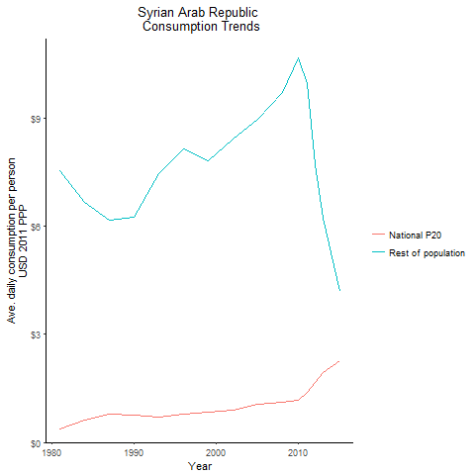
CountryName | National P20 | Rest of population | Year
Syrian Arab Republic | 0.36257695 | 7.5347639817 | 1981
Syrian Arab Republic | 0.614858564 | 6.661894948 | 1984
Syrian Arab Republic | 0.750315338 | 6.2535732203 | 1990
Syrian Arab Republic | 0.773174625 | 6.1591159328 | 1987
Syrian Arab Republic | 0.6994346 | 7.4402632678 | 1993
Syrian Arab Republic | 0.796369944 | 8.1252129935 | 1996
Syrian Arab Republic | 0.840852708 | 7.8018703846 | 1999
Syrian Arab Republic | 0.89045224 | 8.4092540633 | 2002
Syrian Arab Republic | 1.0509755475 | 8.9592684419 | 2005
Syrian Arab Republic | 1.12641209 | 9.7100983474 | 2008
Syrian Arab Republic | 1.176798614 | 10.646771579 | 2010
Syrian Arab Republic | 1.389330625 | 9.948124878 | 2011
Syrian Arab Republic | 1.6585290365 | 7.6878910285 | 2012
Syrian Arab Republic | 1.927254396 | 6.2108699626 | 2013
Syrian Arab Republic | 2.259555371 | 4.1738659518 | 2015

Tunisia
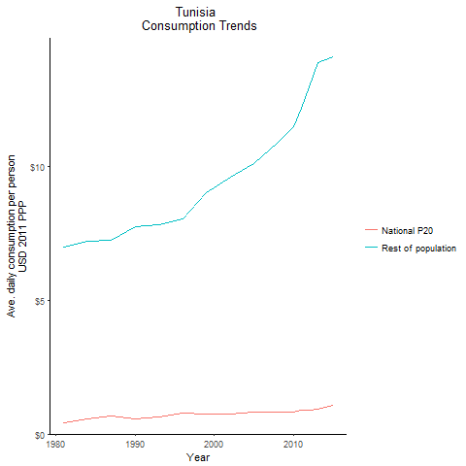
CountryName | National P20 | Rest of population | Year
Tunisia | 0.423082332 | 7.0023472252 | 1981
Tunisia | 0.582066119 | 7.2290999086 | 1984
Tunisia | 0.56996994 | 7.7444787479 | 1990
Tunisia | 0.671274749 | 7.2518182991 | 1987
Tunisia | 0.6401850275 | 7.8249468938 | 1993
Tunisia | 0.79871425 | 8.0518049991 | 1996
Tunisia | 0.739273457 | 9.0270473892 | 1999
Tunisia | 0.744421095 | 9.625337192 | 2002
Tunisia | 0.827780056 | 10.129863205 | 2005
Tunisia | 0.80562745 | 10.907358891 | 2008
Tunisia | 0.835089106 | 11.480629093 | 2010
Tunisia | 0.8986962785 | 12.175653328 | 2011
Tunisia | 0.88613832 | 12.986413365 | 2012
Tunisia | 0.9351650945 | 13.899056672 | 2013
Tunisia | 1.06660169 | 14.094394783 | 2015

Yemen, Republic of
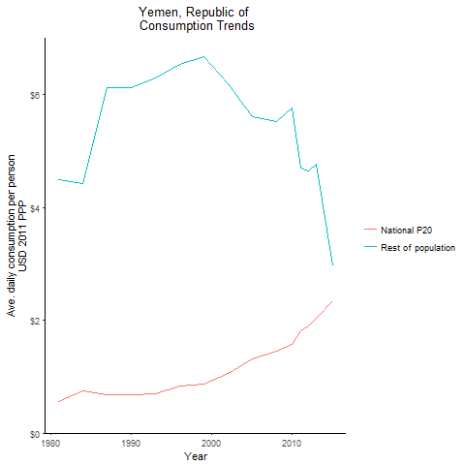
CountryName | National P20 | Rest of population | Year
Yemen, Republic of | 0.558779815 | 4.4874598408 | 1981
Yemen, Republic of | 0.743430227 | 4.4225534022 | 1984
Yemen, Republic of | 0.67359032 | 6.1247394063 | 1990
Yemen, Republic of | 0.685905026 | 6.1297525106 | 1987
Yemen, Republic of | 0.705474739 | 6.2988025481 | 1993
Yemen, Republic of | 0.841068315 | 6.5301164829 | 1996
Yemen, Republic of | 0.869618276 | 6.6680680337 | 1999
Yemen, Republic of | 1.059912892 | 6.194231366 | 2002
Yemen, Republic of | 1.31844 | 5.6097489041 | 2005
Yemen, Republic of | 1.4540885375 | 5.5192970437 | 2008
Yemen, Republic of | 1.575946884 | 5.7690201283 | 2010
Yemen, Republic of | 1.81022677 | 4.6934789239 | 2011
Yemen, Republic of | 1.8996725545 | 4.6467188477 | 2012
Yemen, Republic of | 2.034842202 | 4.7766853399 | 2013
Yemen, Republic of | 2.3461384665 | 2.9659478491 | 2015

Djibouti
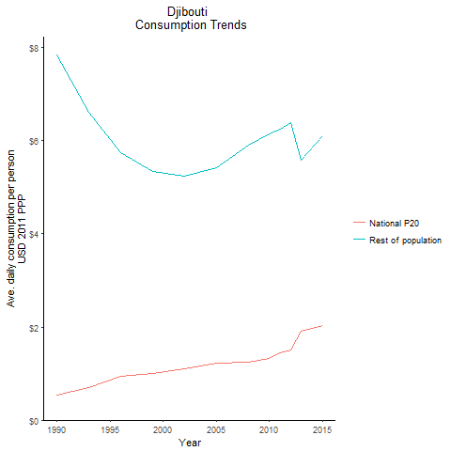
CountryName | National P20 | Rest of population | Year
Djibouti | 0.528077838 | 7.836325746 | 1990
Djibouti | 0.6962936975 | 6.6236306852 | 1993
Djibouti | 0.941325781 | 5.7524425274 | 1996
Djibouti | 0.995295665 | 5.3399829331 | 1999
Djibouti | 1.107216605 | 5.2369122871 | 2002
Djibouti | 1.226296608 | 5.4317847521 | 2005
Djibouti | 1.251642764 | 5.9109756104 | 2008
Djibouti | 1.323158713 | 6.1443527875 | 2010
Djibouti | 1.444720799 | 6.2530882934 | 2011
Djibouti | 1.4988576755 | 6.4007896907 | 2012
Djibouti | 1.914471 | 5.5898890993 | 2013
Djibouti | 2.023804054 | 6.1178599454 | 2015

Lebanon
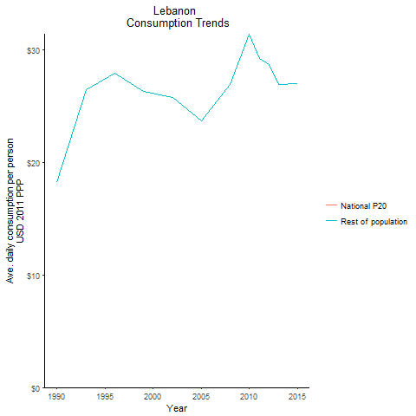
CountryName | National P20 | Rest of population | Year
Lebanon | -0.75901264 | 18.268192886 | 1990
Lebanon | -1.700427625 | 26.455786358 | 1993
Lebanon | -1.5643995125 | 27.936619056 | 1996
Lebanon | -1.29161185 | 26.288548168 | 1999
Lebanon | -1.34851695 | 25.800894991 | 2002
Lebanon | -0.7377581415 | 23.710760083 | 2005
Lebanon | -1.1136779 | 26.96627153 | 2008
Lebanon | -1.347986975 | 31.403599483 | 2010
Lebanon | -1.095810625 | 29.278129369 | 2011
Lebanon | -0.917869375 | 28.749419399 | 2012
Lebanon | -0.565785225 | 26.917777813 | 2013
Lebanon | -0.3714767 | 26.978713011 | 2015

West Bank and Gaza
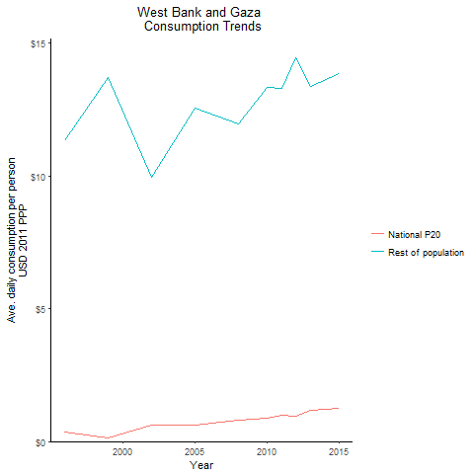
CountryName | National P20 | Rest of population | Year
West Bank and Gaza | 0.35952471 | 11.338507864 | 1996
West Bank and Gaza | 0.142725047 | 13.70269956 | 1999
West Bank and Gaza | 0.616627407 | 9.9649499976 | 2002
West Bank and Gaza | 0.602127447 | 12.569513344 | 2005
West Bank and Gaza | 0.804534092 | 11.968181545 | 2008
West Bank and Gaza | 0.8838661345 | 13.351769083 | 2010
West Bank and Gaza | 1.0019107575 | 13.295508612 | 2011
West Bank and Gaza | 0.957564318 | 14.433802071 | 2012
West Bank and Gaza | 1.184665545 | 13.37446786 | 2013
West Bank and Gaza | 1.266975079 | 13.850012395 | 2015

