Australia
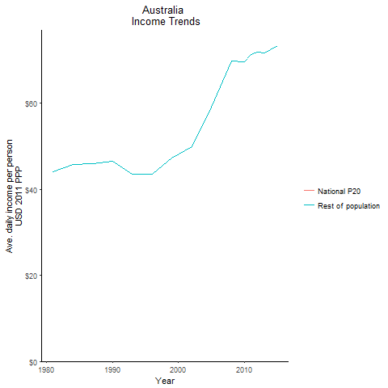
CountryName | National P20 | Rest of population | Year
Australia | -4.8376009 | 44.016605704 | 1981
Australia | -4.86753575 | 45.853308595 | 1984
Australia | -4.48368395 | 46.587441535 | 1990
Australia | -4.45783985 | 45.96478873 | 1987
Australia | -3.8107892375 | 43.496847994 | 1993
Australia | -3.6306639 | 43.522296112 | 1996
Australia | -4.161391075 | 47.378224481 | 1999
Australia | -4.1947666125 | 49.903075215 | 2002
Australia | -4.715825225 | 59.152065895 | 2005
Australia | -5.1149675987 | 69.803056968 | 2008
Australia | -5.34489638 | 69.629580259 | 2010
Australia | -5.3728188 | 71.259478673 | 2011
Australia | -5.35147938 | 71.825993133 | 2012
Australia | -5.1873487313 | 71.661672799 | 2013
Australia | -5.21281762 | 73.35095783 | 2015

Austria
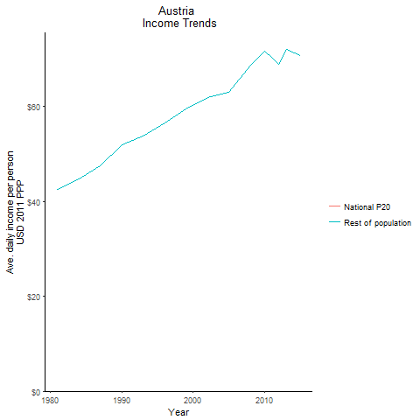
CountryName | National P20 | Rest of population | Year
Austria | -3.92870835 | 42.425985307 | 1981
Austria | -4.007763 | 44.632625682 | 1984
Austria | -4.777021875 | 51.823734921 | 1990
Austria | -4.1952390625 | 47.460535793 | 1987
Austria | -4.8555388 | 53.674802508 | 1993
Austria | -5.0269515625 | 56.428998165 | 1996
Austria | -5.2240245513 | 59.453649973 | 1999
Austria | -5.402499705 | 61.849200269 | 2002
Austria | -4.99807755 | 63.01849199 | 2005
Austria | -6.600928 | 68.607149808 | 2008
Austria | -6.4485904813 | 71.650435292 | 2010
Austria | -6.05445795 | 70.25158709 | 2011
Austria | -6.71979252 | 68.846537171 | 2012
Austria | -5.8015131338 | 71.907802941 | 2013
Austria | -5.9366007875 | 70.595437868 | 2015

Belgium
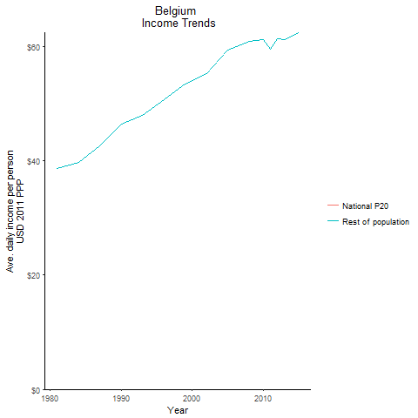
CountryName | National P20 | Rest of population | Year
Belgium | -3.8137806375 | 38.702099954 | 1981
Belgium | -3.785048725 | 39.714025195 | 1984
Belgium | -4.688732925 | 46.479950355 | 1990
Belgium | -4.2147888 | 42.601190351 | 1987
Belgium | -4.8776742875 | 48.023158298 | 1993
Belgium | -5.079970725 | 50.670581722 | 1996
Belgium | -5.366340475 | 53.500160461 | 1999
Belgium | -5.43034785 | 55.230025319 | 2002
Belgium | -5.32656939 | 59.453190293 | 2005
Belgium | -5.5070850575 | 60.964045237 | 2008
Belgium | -5.6357419425 | 61.169182061 | 2010
Belgium | -5.3050707825 | 59.630404682 | 2011
Belgium | -5.6193258037 | 61.365584876 | 2012
Belgium | -5.3486941725 | 61.173242036 | 2013
Belgium | -4.86431855 | 62.486476898 | 2015

Canada
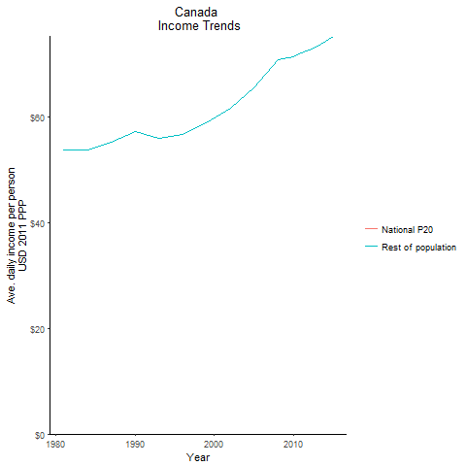
CountryName | National P20 | Rest of population | Year
Canada | -6.0338621375 | 53.868698411 | 1981
Canada | -5.72595575 | 53.864256061 | 1984
Canada | -5.82085385 | 57.213788805 | 1990
Canada | -5.80504415 | 55.327069257 | 1987
Canada | -5.436623425 | 55.935649007 | 1993
Canada | -5.477938525 | 56.669183261 | 1996
Canada | -5.81762525 | 58.932310422 | 1999
Canada | -5.85848805 | 61.770005574 | 2002
Canada | -5.95128978 | 65.664315596 | 2005
Canada | -6.30087445 | 70.913930941 | 2008
Canada | -6.139638185 | 71.502635574 | 2010
Canada | -6.42756045 | 72.227259976 | 2011
Canada | -6.7444328625 | 72.675971229 | 2012
Canada | -6.97518784 | 73.458632576 | 2013
Canada | -7.0440758813 | 75.357881984 | 2015

Cyprus
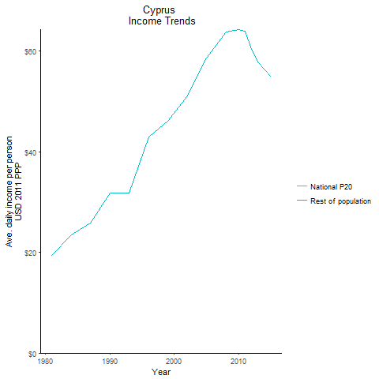
CountryName | National P20 | Rest of population | Year
Cyprus | -0.8131979615 | 19.419515929 | 1981
Cyprus | -1.13319365 | 23.519708002 | 1984
Cyprus | -1.6742094 | 31.765523583 | 1990
Cyprus | -1.21601145 | 25.809238479 | 1987
Cyprus | -1.6059226 | 31.801420376 | 1993
Cyprus | -2.62771585 | 42.931819373 | 1996
Cyprus | -2.737530475 | 46.151190838 | 1999
Cyprus | -3.163709625 | 51.165365762 | 2002
Cyprus | -3.18837179 | 58.592421715 | 2005
Cyprus | -3.40976176 | 63.851330851 | 2008
Cyprus | -4.1698688838 | 64.33317955 | 2010
Cyprus | -4.02031031 | 64.004625523 | 2011
Cyprus | -3.3634105125 | 60.339400573 | 2012
Cyprus | -2.709121625 | 57.782609173 | 2013
Cyprus | -2.793288125 | 54.926363127 | 2015

Denmark
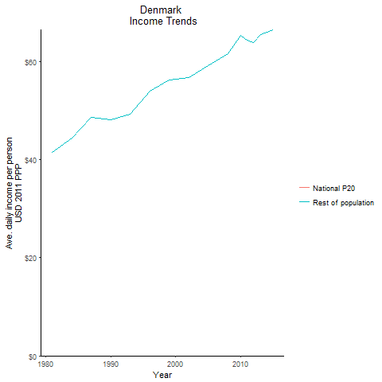
CountryName | National P20 | Rest of population | Year
Denmark | -3.5048624 | 41.504960805 | 1981
Denmark | -3.6767885 | 44.469580687 | 1984
Denmark | -3.8828590625 | 48.171892848 | 1990
Denmark | -3.935318 | 48.66192539 | 1987
Denmark | -4.141048375 | 49.361111409 | 1993
Denmark | -4.3687509 | 54.028091835 | 1996
Denmark | -4.60007863 | 56.245636096 | 1999
Denmark | -4.5492618062 | 56.807616821 | 2002
Denmark | -5.007690145 | 59.158497879 | 2005
Denmark | -5.45240699 | 61.570841474 | 2008
Denmark | -5.25491875 | 65.425332427 | 2010
Denmark | -5.0694710525 | 64.356751325 | 2011
Denmark | -5.0671076775 | 63.980215276 | 2012
Denmark | -5.20787728 | 65.542777539 | 2013
Denmark | -4.9851947912 | 66.543435684 | 2015

Finland
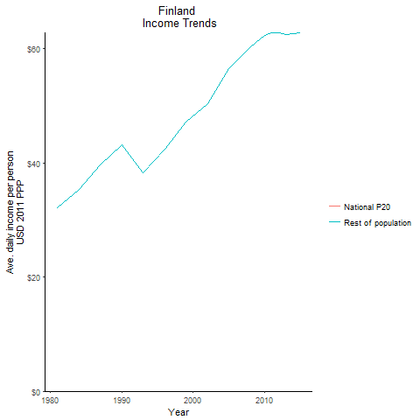
CountryName | National P20 | Rest of population | Year
Finland | -2.4385903875 | 32.061166775 | 1981
Finland | -2.561512075 | 35.286683498 | 1984
Finland | -3.331145575 | 43.142238449 | 1990
Finland | -2.864958125 | 39.571360079 | 1987
Finland | -2.7939519375 | 38.302994834 | 1993
Finland | -3.1528773 | 42.350959051 | 1996
Finland | -3.648448375 | 47.105207984 | 1999
Finland | -3.8498016 | 50.352107934 | 2002
Finland | -3.8628348125 | 56.501708703 | 2005
Finland | -4.7167961563 | 60.333527806 | 2008
Finland | -4.8022735325 | 62.409034137 | 2010
Finland | -4.79590045 | 62.756755934 | 2011
Finland | -4.4817488025 | 62.825711173 | 2012
Finland | -4.39674241 | 62.562322589 | 2013
Finland | -4.3820342975 | 62.799508574 | 2015

France

CountryName | National P20 | Rest of population | Year
France | -3.14386145 | 38.16858728 | 1981
France | -3.0682982 | 39.348290988 | 1984
France | -3.513715575 | 45.354456291 | 1990
France | -3.278831275 | 42.190159874 | 1987
France | -3.5972435 | 45.730941012 | 1993
France | -3.5401912 | 47.676499855 | 1996
France | -3.9379319 | 51.05842818 | 1999
France | -4.0605266625 | 54.204350844 | 2002
France | -4.20260095 | 54.877677635 | 2005
France | -4.8473821263 | 66.273831833 | 2008
France | -5.00548845 | 67.153317318 | 2010
France | -5.0706947862 | 67.509769587 | 2011
France | -5.0417857625 | 66.926583427 | 2012
France | -4.6009378313 | 66.179590622 | 2013
France | -4.7431361638 | 67.801400479 | 2015

Germany
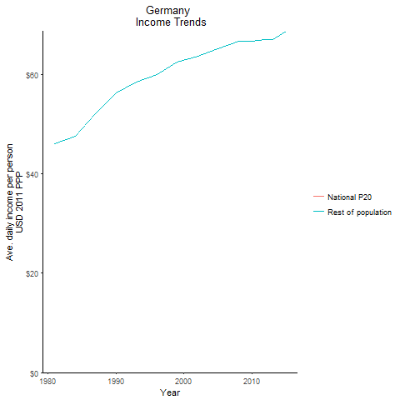
CountryName | National P20 | Rest of population | Year
Germany | -3.270644375 | 46.078661094 | 1981
Germany | -3.35203055 | 47.488007637 | 1984
Germany | -3.9773749125 | 56.196645098 | 1990
Germany | -3.6640038 | 52.015822868 | 1987
Germany | -4.9231281913 | 58.457713555 | 1993
Germany | -5.245455465 | 59.962432359 | 1996
Germany | -5.1837789238 | 62.411410484 | 1999
Germany | -5.2541214837 | 63.654557768 | 2002
Germany | -5.211601095 | 65.156585205 | 2005
Germany | -5.159027 | 66.644715654 | 2008
Germany | -4.9721709487 | 66.629275614 | 2010
Germany | -4.605496715 | 66.801401576 | 2011
Germany | -4.69409821 | 66.90455195 | 2012
Germany | -4.676850745 | 66.924322275 | 2013
Germany | -5.27992078 | 68.668048688 | 2015

Greece
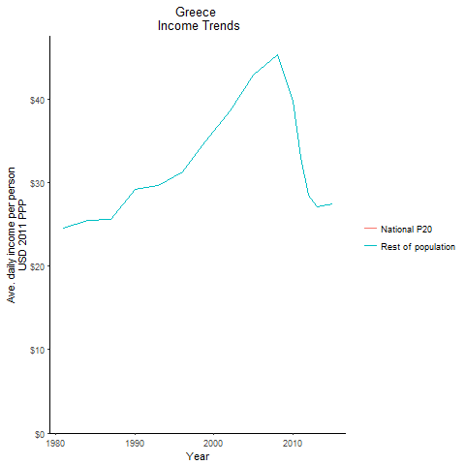
CountryName | National P20 | Rest of population | Year
Greece | -1.7628402125 | 24.507831971 | 1981
Greece | -1.792699575 | 25.520933798 | 1984
Greece | -2.159723725 | 29.154202164 | 1990
Greece | -1.6289336125 | 25.629400526 | 1987
Greece | -2.2124932 | 29.68002056 | 1993
Greece | -2.06083625 | 31.33493646 | 1996
Greece | -2.5214758 | 34.977521005 | 1999
Greece | -2.9091421 | 38.579255388 | 2002
Greece | -3.3518018625 | 42.896881972 | 2005
Greece | -3.582085525 | 45.277521381 | 2008
Greece | -2.873289 | 39.779103072 | 2010
Greece | -2.25588375 | 32.975231211 | 2011
Greece | -1.345486625 | 28.472977136 | 2012
Greece | -1.106962039 | 27.149721332 | 2013
Greece | -0.9579895 | 27.455291896 | 2015

Iceland
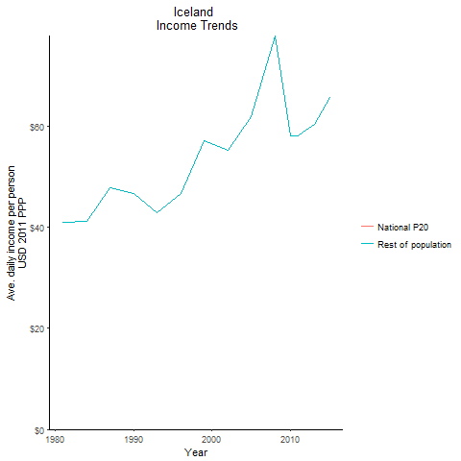
CountryName | National P20 | Rest of population | Year
Iceland | -4.0123472 | 41.07398406 | 1981
Iceland | -3.789897125 | 41.130292089 | 1984
Iceland | -4.3726104 | 46.696727942 | 1990
Iceland | -4.468553325 | 47.759042441 | 1987
Iceland | -3.985405875 | 42.879598044 | 1993
Iceland | -4.1541579 | 46.66438879 | 1996
Iceland | -5.3567265625 | 57.247715887 | 1999
Iceland | -4.9948668562 | 55.212346851 | 2002
Iceland | -4.5766328037 | 61.826678749 | 2005
Iceland | -5.47606582 | 77.926386318 | 2008
Iceland | -4.5862793 | 58.195967085 | 2010
Iceland | -4.0674320075 | 58.038515536 | 2011
Iceland | -4.0617059613 | 59.219741559 | 2012
Iceland | -3.775007775 | 60.409464273 | 2013
Iceland | -4.082460275 | 65.799409589 | 2015

Ireland
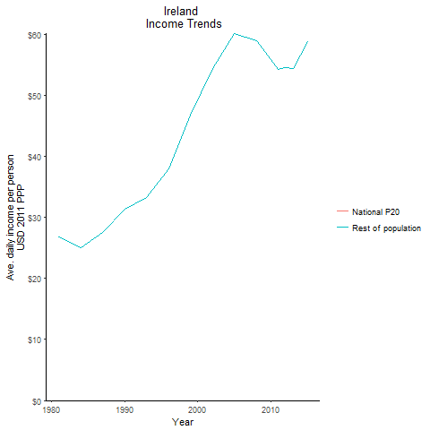
CountryName | National P20 | Rest of population | Year
Ireland | -1.87317225 | 26.809941008 | 1981
Ireland | -1.472501875 | 24.989051496 | 1984
Ireland | -2.2137068 | 31.350452727 | 1990
Ireland | -1.845656 | 27.545894822 | 1987
Ireland | -2.354017 | 33.205675483 | 1993
Ireland | -2.795020875 | 37.870333301 | 1996
Ireland | -3.6313425125 | 46.675383573 | 1999
Ireland | -4.472838375 | 54.39894932 | 2002
Ireland | -4.1759765625 | 60.111364004 | 2005
Ireland | -4.307634325 | 58.851853787 | 2008
Ireland | -4.519020875 | 55.800933301 | 2010
Ireland | -4.35953075 | 54.283416934 | 2011
Ireland | -3.5260671 | 54.48157157 | 2012
Ireland | -3.7925172 | 54.433156697 | 2013
Ireland | -3.80474125 | 58.817733258 | 2015

Israel
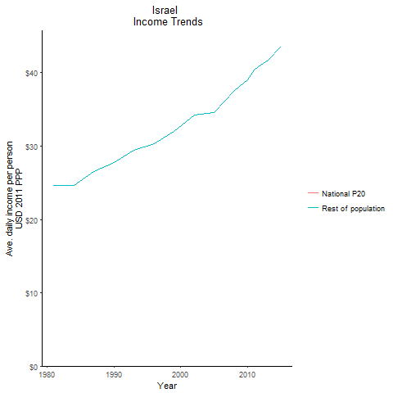
CountryName | National P20 | Rest of population | Year
Israel | -1.16875688 | 24.627753604 | 1981
Israel | -1.119271445 | 24.629420601 | 1984
Israel | -1.207434162 | 27.725355801 | 1990
Israel | -1.216662617 | 26.496577983 | 1987
Israel | -1.5320834375 | 29.432822229 | 1993
Israel | -1.4523738 | 30.317530436 | 1996
Israel | -1.31323555 | 32.054134915 | 1999
Israel | -1.7433383 | 34.222496219 | 2002
Israel | -1.43296643 | 34.55391421 | 2005
Israel | -1.4971163625 | 37.63798183 | 2008
Israel | -1.3542203125 | 39.035994804 | 2010
Israel | -1.678829975 | 40.384791055 | 2011
Israel | -1.9367052 | 41.04017767 | 2012
Israel | -1.8988083625 | 41.759797981 | 2013
Israel | -1.8917987375 | 43.585168862 | 2015

Italy
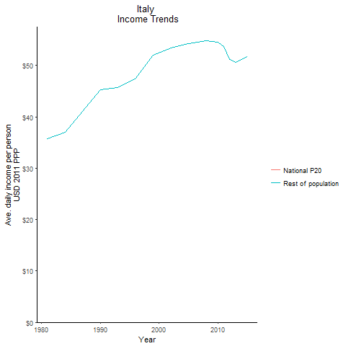
CountryName | National P20 | Rest of population | Year
Italy | -3.6843152 | 35.73448017 | 1981
Italy | -3.666813275 | 36.995044415 | 1984
Italy | -4.6696736 | 45.259486893 | 1990
Italy | -3.9972992 | 41.008680964 | 1987
Italy | -4.4917999375 | 45.688607519 | 1993
Italy | -4.59253245 | 47.547941332 | 1996
Italy | -5.1737776 | 51.999567688 | 1999
Italy | -5.20342205 | 53.395403458 | 2002
Italy | -5.320328125 | 54.282219018 | 2005
Italy | -5.03843485 | 54.782074466 | 2008
Italy | -5.8237849 | 54.590014718 | 2010
Italy | -5.1226916125 | 53.64230304 | 2011
Italy | -4.7737201625 | 51.192087575 | 2012
Italy | -4.655027925 | 50.592907666 | 2013
Italy | -4.98538955 | 51.694717251 | 2015

Japan
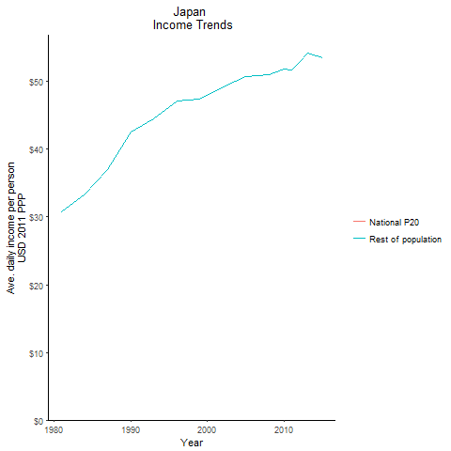
CountryName | National P20 | Rest of population | Year
Japan | -3.14645475 | 30.73148766 | 1981
Japan | -3.1760894 | 33.422901802 | 1984
Japan | -4.4742342 | 42.542476358 | 1990
Japan | -3.519318375 | 37.027893977 | 1987
Japan | -4.6189196875 | 44.460634031 | 1993
Japan | -4.696544975 | 47.069040353 | 1996
Japan | -4.849951 | 47.366172682 | 1999
Japan | -4.947622275 | 49.263987761 | 2002
Japan | -5.067980475 | 50.721912927 | 2005
Japan | -4.82267885 | 51.014340945 | 2008
Japan | -4.9381689 | 51.876021677 | 2010
Japan | -4.567985975 | 51.681311562 | 2011
Japan | -4.6612302875 | 52.812485654 | 2012
Japan | -4.87887115 | 54.166553404 | 2013
Japan | -4.627880125 | 53.563559072 | 2015

Korea, Republic of
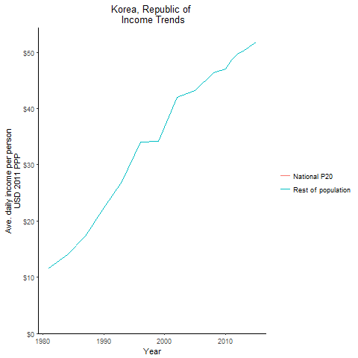
CountryName | National P20 | Rest of population | Year
Korea, Republic of | -0.49487434 | 11.612687078 | 1981
Korea, Republic of | -0.6309421765 | 14.022934174 | 1984
Korea, Republic of | -1.595848529 | 22.397226516 | 1990
Korea, Republic of | -0.9394439375 | 17.289770573 | 1987
Korea, Republic of | -2.137708375 | 27.046627094 | 1993
Korea, Republic of | -2.9806672125 | 34.09589557 | 1996
Korea, Republic of | -2.951490925 | 34.11948917 | 1999
Korea, Republic of | -3.881558375 | 41.953870416 | 2002
Korea, Republic of | -3.8158572 | 43.155210875 | 2005
Korea, Republic of | -4.1578411125 | 46.412652059 | 2008
Korea, Republic of | -4.2492662125 | 47.06324806 | 2010
Korea, Republic of | -4.390251975 | 48.630384912 | 2011
Korea, Republic of | -4.49582505 | 49.685161742 | 2012
Korea, Republic of | -4.3952313125 | 50.349273582 | 2013
Korea, Republic of | -4.5853955 | 51.773362574 | 2015

Luxembourg
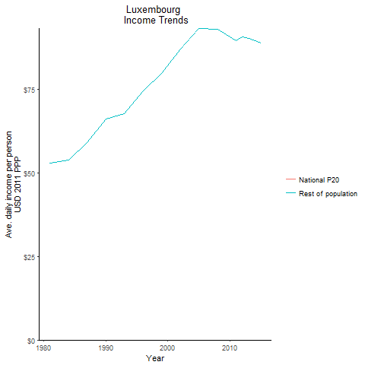
CountryName | National P20 | Rest of population | Year
Luxembourg | -4.93910605 | 52.762365554 | 1981
Luxembourg | -4.89632225 | 53.849546316 | 1984
Luxembourg | -5.96068055 | 65.991238631 | 1990
Luxembourg | -5.1750031725 | 58.913928875 | 1987
Luxembourg | -6.1059732738 | 67.63017825 | 1993
Luxembourg | -6.69419505 | 74.363014516 | 1996
Luxembourg | -7.23562165 | 79.607124591 | 1999
Luxembourg | -8.3086999 | 86.924695523 | 2002
Luxembourg | -8.395694 | 93.1279235 | 2005
Luxembourg | -7.7290963 | 92.809178185 | 2008
Luxembourg | -6.87569 | 90.560675925 | 2010
Luxembourg | -6.4643792 | 89.421903019 | 2011
Luxembourg | -5.85782125 | 90.474044354 | 2012
Luxembourg | -6.4900296 | 90.048781373 | 2013
Luxembourg | -7.4671396262 | 88.708524633 | 2015

Malta
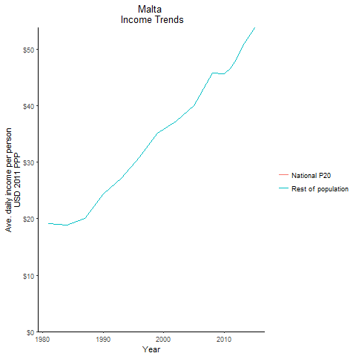
CountryName | National P20 | Rest of population | Year
Malta | -1.13779112 | 19.131955999 | 1981
Malta | -0.94173148 | 18.8967315 | 1984
Malta | -1.40712385 | 24.444443976 | 1990
Malta | -0.9566587385 | 20.109192082 | 1987
Malta | -1.7080458625 | 27.136344342 | 1993
Malta | -2.0178471 | 30.941738487 | 1996
Malta | -2.579248 | 35.215706521 | 1999
Malta | -2.5329632625 | 37.230064103 | 2002
Malta | -2.6288193 | 40.003807565 | 2005
Malta | -2.9577619375 | 45.863098019 | 2008
Malta | -3.25518795 | 45.634495618 | 2010
Malta | -2.9203405625 | 46.580482401 | 2011
Malta | -3.253240075 | 48.237515498 | 2012
Malta | -3.26376975 | 50.704997232 | 2013
Malta | -3.2128664 | 53.867298792 | 2015

Netherlands
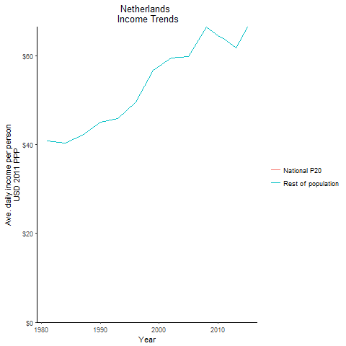
CountryName | National P20 | Rest of population | Year
Netherlands | -3.809608 | 40.853762274 | 1981
Netherlands | -3.4909961 | 40.441647655 | 1984
Netherlands | -3.866225 | 45.044241182 | 1990
Netherlands | -3.5617165625 | 42.123374346 | 1987
Netherlands | -4.02365865 | 45.952161238 | 1993
Netherlands | -4.382561475 | 49.706777355 | 1996
Netherlands | -5.0328530125 | 56.799309144 | 1999
Netherlands | -5.2742168 | 59.562937762 | 2002
Netherlands | -4.9050381562 | 59.828793786 | 2005
Netherlands | -5.8500086875 | 66.560282994 | 2008
Netherlands | -5.1433449837 | 64.655082821 | 2010
Netherlands | -5.0041852475 | 63.889854531 | 2011
Netherlands | -4.8006345763 | 62.970076452 | 2012
Netherlands | -4.875002475 | 61.73873692 | 2013
Netherlands | -5.3581296875 | 66.514409134 | 2015

Norway
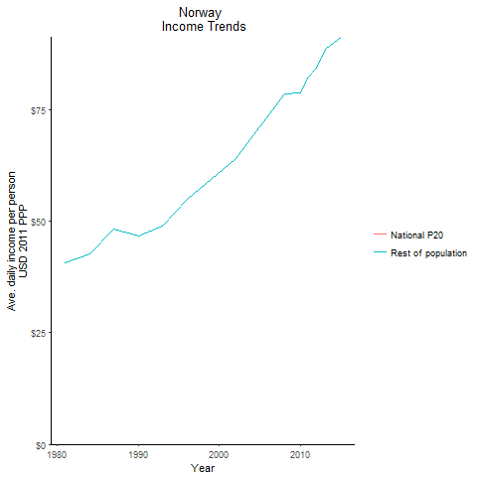
CountryName | National P20 | Rest of population | Year
Norway | -3.69721385 | 40.602480175 | 1981
Norway | -3.7084627625 | 42.738814321 | 1984
Norway | -3.916741125 | 46.570883911 | 1990
Norway | -4.0684930625 | 48.162862992 | 1987
Norway | -4.2324480625 | 48.985454481 | 1993
Norway | -4.6512971412 | 54.889824285 | 1996
Norway | -5.1265802425 | 59.312658759 | 1999
Norway | -5.5580121 | 63.959187957 | 2002
Norway | -6.3130160663 | 71.072226619 | 2005
Norway | -8.0741724 | 78.432488305 | 2008
Norway | -7.81181135 | 78.715185714 | 2010
Norway | -7.053206 | 82.291931637 | 2011
Norway | -7.6246397 | 84.280365404 | 2012
Norway | -8.3050135 | 88.513321868 | 2013
Norway | -9.4271434 | 91.233840645 | 2015

Portugal
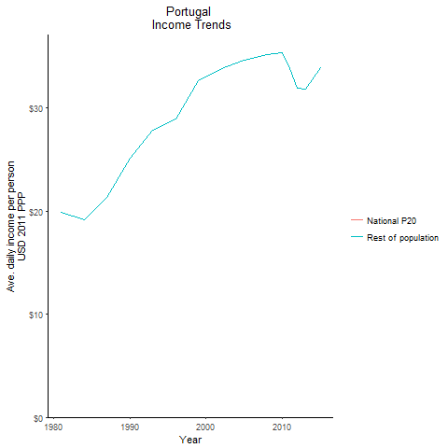
CountryName | National P20 | Rest of population | Year
Portugal | -1.314576953 | 19.854785334 | 1981
Portugal | -1.0512474775 | 19.121444746 | 1984
Portugal | -1.642550942 | 25.151440475 | 1990
Portugal | -1.197053309 | 21.337387985 | 1987
Portugal | -2.0506940625 | 27.86973105 | 1993
Portugal | -1.8552588 | 28.959820179 | 1996
Portugal | -2.4641074 | 32.607488494 | 1999
Portugal | -2.2936039125 | 33.842694129 | 2002
Portugal | -2.07174535 | 34.603024009 | 2005
Portugal | -1.9770622 | 35.149147742 | 2008
Portugal | -2.0612376 | 35.331854605 | 2010
Portugal | -1.83664095 | 33.798489005 | 2011
Portugal | -2.032435625 | 31.898793838 | 2012
Portugal | -1.91151835 | 31.794702875 | 2013
Portugal | -1.59313295 | 33.95315584 | 2015

Spain
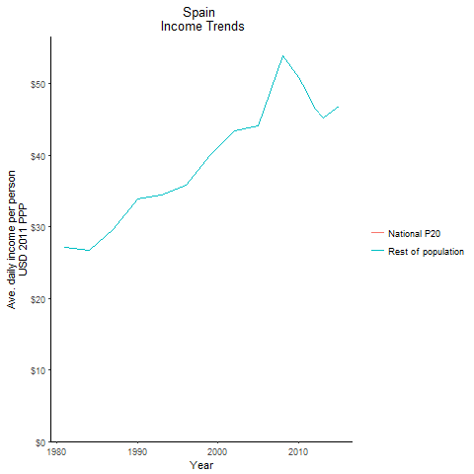
CountryName | National P20 | Rest of population | Year
Spain | -2.623310375 | 27.120381018 | 1981
Spain | -2.28805005 | 26.701556348 | 1984
Spain | -3.1911423 | 33.850893794 | 1990
Spain | -2.5907007 | 29.659955997 | 1987
Spain | -3.217532425 | 34.461974887 | 1993
Spain | -3.1753318625 | 35.780046664 | 1996
Spain | -3.771858025 | 39.880778205 | 1999
Spain | -3.9268946875 | 43.381709973 | 2002
Spain | -4.0637451 | 44.021922576 | 2005
Spain | -4.8778707375 | 53.833837547 | 2008
Spain | -4.537603625 | 50.829318714 | 2010
Spain | -4.2351215 | 48.894191334 | 2011
Spain | -4.067543875 | 46.591611996 | 2012
Spain | -3.4281096 | 45.184904112 | 2013
Spain | -3.77100275 | 46.778312331 | 2015

Sweden
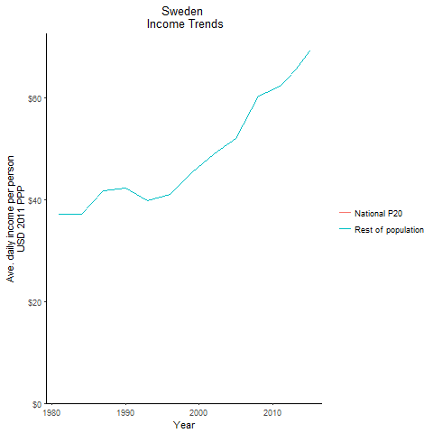
CountryName | National P20 | Rest of population | Year
Sweden | -3.6384439875 | 37.226115106 | 1981
Sweden | -3.4274719125 | 37.25624606 | 1984
Sweden | -3.9663893125 | 42.34067952 | 1990
Sweden | -3.910498025 | 41.78089163 | 1987
Sweden | -3.583658125 | 39.792278915 | 1993
Sweden | -3.6621739125 | 41.179505122 | 1996
Sweden | -4.09513205 | 45.424892602 | 1999
Sweden | -4.673665225 | 49.105662882 | 2002
Sweden | -5.4820425 | 52.033195557 | 2005
Sweden | -6.4941515125 | 60.399989933 | 2008
Sweden | -6.2994970337 | 61.63865508 | 2010
Sweden | -6.7881893537 | 62.385855558 | 2011
Sweden | -7.0327970925 | 63.869747218 | 2012
Sweden | -7.1754532125 | 65.528123577 | 2013
Sweden | -6.981717785 | 69.245922597 | 2015

Switzerland
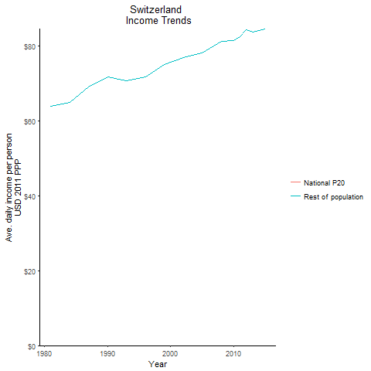
CountryName | National P20 | Rest of population | Year
Switzerland | -5.41412125 | 63.888982367 | 1981
Switzerland | -5.40900185 | 64.983318956 | 1984
Switzerland | -5.87194365 | 71.67780783 | 1990
Switzerland | -5.6241478975 | 69.131406837 | 1987
Switzerland | -5.7290269 | 70.691448506 | 1993
Switzerland | -5.66321038 | 71.62135054 | 1996
Switzerland | -5.988476875 | 75.088763054 | 1999
Switzerland | -6.075563745 | 76.839110114 | 2002
Switzerland | -5.9951898838 | 78.067222128 | 2005
Switzerland | -6.01875445 | 81.244770804 | 2008
Switzerland | -6.4573951137 | 81.309020011 | 2010
Switzerland | -6.2693638813 | 82.393957409 | 2011
Switzerland | -5.8220361525 | 84.280454244 | 2012
Switzerland | -5.3515342875 | 83.775993161 | 2013
Switzerland | -5.9679383375 | 84.540902393 | 2015

United Kingdom
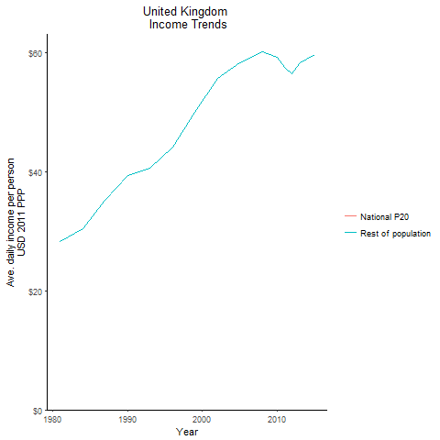
CountryName | National P20 | Rest of population | Year
United Kingdom | -2.040788 | 28.213475082 | 1981
United Kingdom | -2.2951149 | 30.383685574 | 1984
United Kingdom | -3.0756143125 | 39.373047414 | 1990
United Kingdom | -2.65256045 | 35.21476888 | 1987
United Kingdom | -3.2204688375 | 40.546889812 | 1993
United Kingdom | -3.36371355 | 44.113791401 | 1996
United Kingdom | -4.0772378125 | 49.944706713 | 1999
United Kingdom | -4.7407305 | 55.657004543 | 2002
United Kingdom | -5.38963565 | 58.388340419 | 2005
United Kingdom | -4.7555081875 | 60.116520882 | 2008
United Kingdom | -4.24174695 | 59.314066874 | 2010
United Kingdom | -3.87322145 | 57.564045089 | 2011
United Kingdom | -3.3631763125 | 56.499465311 | 2012
United Kingdom | -3.55539595 | 58.283451727 | 2013
United Kingdom | -3.8218568 | 59.701916255 | 2015

United States
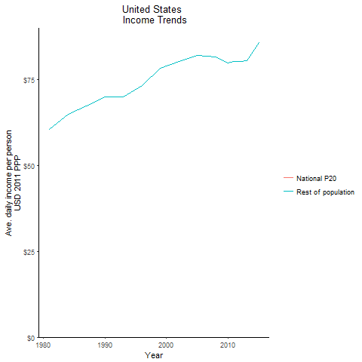
CountryName | National P20 | Rest of population | Year
United States | -6.5168679 | 60.562573139 | 1981
United States | -6.9770140625 | 64.865322009 | 1984
United States | -7.0090858125 | 69.910709809 | 1990
United States | -6.9442478 | 67.401705786 | 1987
United States | -6.807075725 | 69.920618246 | 1993
United States | -6.774254925 | 73.400755512 | 1996
United States | -7.2433011375 | 78.308975969 | 1999
United States | -7.6972444 | 80.353475484 | 2002
United States | -7.81998693 | 81.979955637 | 2005
United States | -7.643690175 | 81.705826653 | 2008
United States | -7.3828679 | 79.88216903 | 2010
United States | -7.15433555 | 80.221035942 | 2011
United States | -6.784768775 | 80.317110002 | 2012
United States | -6.589445025 | 80.471046188 | 2013
United States | -7.0173279363 | 85.747016916 | 2015

