Bangladesh
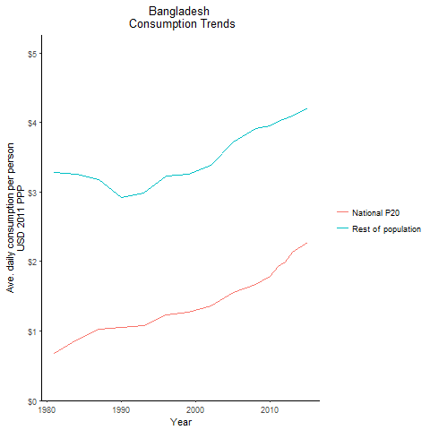
CountryName | National P20 | Rest of population | Year
Bangladesh | 0.676128935 | 3.2816516019 | 1981
Bangladesh | 0.87032028 | 3.2534749985 | 1984
Bangladesh | 1.046136434 | 2.9131854805 | 1990
Bangladesh | 1.028515651 | 3.1811114982 | 1987
Bangladesh | 1.07812235 | 2.9865313303 | 1993
Bangladesh | 1.22824701 | 3.222603453 | 1996
Bangladesh | 1.268615852 | 3.2516813795 | 1999
Bangladesh | 1.365107198 | 3.3836337484 | 2002
Bangladesh | 1.5500274875 | 3.7222917583 | 2005
Bangladesh | 1.66452389 | 3.9076375207 | 2008
Bangladesh | 1.788039907 | 3.9518941328 | 2010
Bangladesh | 1.925175475 | 4.0128499669 | 2011
Bangladesh | 1.9979679625 | 4.0498148587 | 2012
Bangladesh | 2.1379961 | 4.0910653586 | 2013
Bangladesh | 2.277967516 | 4.2101409977 | 2015

Bhutan
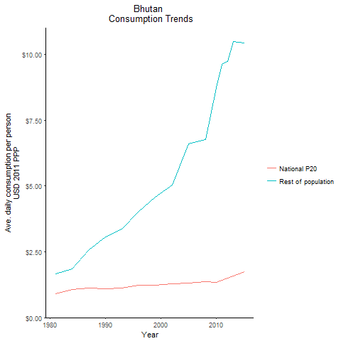
CountryName | National P20 | Rest of population | Year
Bhutan | 0.905141393 | 1.6685027339 | 1981
Bhutan | 1.0717422505 | 1.8434751223 | 1984
Bhutan | 1.09319122 | 3.0680898662 | 1990
Bhutan | 1.12960472 | 2.5861721077 | 1987
Bhutan | 1.12282712 | 3.3654155488 | 1993
Bhutan | 1.228663656 | 4.0501655928 | 1996
Bhutan | 1.2181261115 | 4.5863931297 | 1999
Bhutan | 1.2838081515 | 5.0509301539 | 2002
Bhutan | 1.315289865 | 6.6013213694 | 2005
Bhutan | 1.3663922345 | 6.7745581058 | 2008
Bhutan | 1.32624628 | 8.7291124026 | 2010
Bhutan | 1.4190207675 | 9.6179269999 | 2011
Bhutan | 1.4888397 | 9.7280133627 | 2012
Bhutan | 1.582640495 | 10.479389191 | 2013
Bhutan | 1.743148315 | 10.439036209 | 2015

India
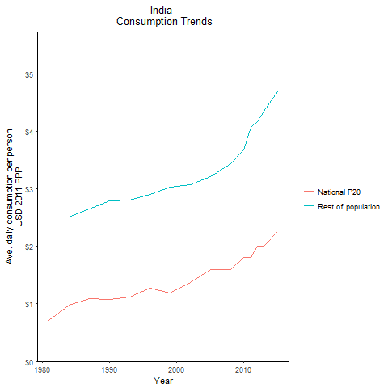
CountryName | National P20 | Rest of population | Year
India | 0.716863588 | 2.5114919112 | 1981
India | 0.716863588 | 2.5114919112 | 1981
India | 0.716863588 | 2.5114919112 | 1981
India | 0.716863588 | 2.5114919112 | 1981
India | 0.716863588 | 2.5114919112 | 1981
India | 0.716863588 | 2.5114919112 | 1981
India | 0.716863588 | 2.5114919112 | 1981
India | 0.716863588 | 2.5114919112 | 1981
India | 0.716863588 | 2.5114919112 | 1981
India | 0.716863588 | 2.5114919112 | 1981
India | 0.716863588 | 2.5114919112 | 1981
India | 0.716863588 | 2.5114919112 | 1981
India | 0.716863588 | 2.5114919112 | 1981
India | 0.716863588 | 2.5114919112 | 1981
India | 0.716863588 | 2.5114919112 | 1981
India | 0.716863588 | 2.5114919112 | 1981
India | 0.716863588 | 2.5114919112 | 1981
India | 0.716863588 | 2.5114919112 | 1981
India | 0.716863588 | 2.5114919112 | 1981
India | 0.716863588 | 2.5114919112 | 1981
India | 0.716863588 | 2.5114919112 | 1981
India | 0.716863588 | 2.5114919112 | 1981
India | 0.716863588 | 2.5114919112 | 1981
India | 0.716863588 | 2.5114919112 | 1981
India | 0.716863588 | 2.5114919112 | 1981
India | 0.716863588 | 2.5114919112 | 1981
India | 0.716863588 | 2.5114919112 | 1981
India | 0.980181824 | 2.5152586536 | 1984
India | 0.980181824 | 2.5152586536 | 1984
India | 0.980181824 | 2.5152586536 | 1984
India | 0.980181824 | 2.5152586536 | 1984
India | 0.980181824 | 2.5152586536 | 1984
India | 0.980181824 | 2.5152586536 | 1984
India | 0.980181824 | 2.5152586536 | 1984
India | 0.980181824 | 2.5152586536 | 1984
India | 0.980181824 | 2.5152586536 | 1984
India | 0.980181824 | 2.5152586536 | 1984
India | 0.980181824 | 2.5152586536 | 1984
India | 0.980181824 | 2.5152586536 | 1984
India | 0.980181824 | 2.5152586536 | 1984
India | 0.980181824 | 2.5152586536 | 1984
India | 0.980181824 | 2.5152586536 | 1984
India | 0.980181824 | 2.5152586536 | 1984
India | 0.980181824 | 2.5152586536 | 1984
India | 0.980181824 | 2.5152586536 | 1984
India | 0.980181824 | 2.5152586536 | 1984
India | 0.980181824 | 2.5152586536 | 1984
India | 0.980181824 | 2.5152586536 | 1984
India | 0.980181824 | 2.5152586536 | 1984
India | 0.980181824 | 2.5152586536 | 1984
India | 0.980181824 | 2.5152586536 | 1984
India | 0.980181824 | 2.5152586536 | 1984
India | 0.980181824 | 2.5152586536 | 1984
India | 0.980181824 | 2.5152586536 | 1984
India | 1.073356416 | 2.7922230878 | 1990
India | 1.073356416 | 2.7922230878 | 1990
India | 1.073356416 | 2.7922230878 | 1990
India | 1.073356416 | 2.7922230878 | 1990
India | 1.073356416 | 2.7922230878 | 1990
India | 1.073356416 | 2.7922230878 | 1990
India | 1.073356416 | 2.7922230878 | 1990
India | 1.073356416 | 2.7922230878 | 1990
India | 1.073356416 | 2.7922230878 | 1990
India | 1.073356416 | 2.7922230878 | 1990
India | 1.073356416 | 2.7922230878 | 1990
India | 1.073356416 | 2.7922230878 | 1990
India | 1.073356416 | 2.7922230878 | 1990
India | 1.073356416 | 2.7922230878 | 1990
India | 1.073356416 | 2.7922230878 | 1990
India | 1.073356416 | 2.7922230878 | 1990
India | 1.073356416 | 2.7922230878 | 1990
India | 1.073356416 | 2.7922230878 | 1990
India | 1.073356416 | 2.7922230878 | 1990
India | 1.073356416 | 2.7922230878 | 1990
India | 1.073356416 | 2.7922230878 | 1990
India | 1.073356416 | 2.7922230878 | 1990
India | 1.073356416 | 2.7922230878 | 1990
India | 1.073356416 | 2.7922230878 | 1990
India | 1.073356416 | 2.7922230878 | 1990
India | 1.073356416 | 2.7922230878 | 1990
India | 1.073356416 | 2.7922230878 | 1990
India | 1.093738909 | 2.6503381495 | 1987
India | 1.093738909 | 2.6503381495 | 1987
India | 1.093738909 | 2.6503381495 | 1987
India | 1.093738909 | 2.6503381495 | 1987
India | 1.093738909 | 2.6503381495 | 1987
India | 1.093738909 | 2.6503381495 | 1987
India | 1.093738909 | 2.6503381495 | 1987
India | 1.093738909 | 2.6503381495 | 1987
India | 1.093738909 | 2.6503381495 | 1987
India | 1.093738909 | 2.6503381495 | 1987
India | 1.093738909 | 2.6503381495 | 1987
India | 1.093738909 | 2.6503381495 | 1987
India | 1.093738909 | 2.6503381495 | 1987
India | 1.093738909 | 2.6503381495 | 1987
India | 1.093738909 | 2.6503381495 | 1987
India | 1.093738909 | 2.6503381495 | 1987
India | 1.093738909 | 2.6503381495 | 1987
India | 1.093738909 | 2.6503381495 | 1987
India | 1.093738909 | 2.6503381495 | 1987
India | 1.093738909 | 2.6503381495 | 1987
India | 1.093738909 | 2.6503381495 | 1987
India | 1.093738909 | 2.6503381495 | 1987
India | 1.093738909 | 2.6503381495 | 1987
India | 1.093738909 | 2.6503381495 | 1987
India | 1.093738909 | 2.6503381495 | 1987
India | 1.093738909 | 2.6503381495 | 1987
India | 1.093738909 | 2.6503381495 | 1987
India | 1.118976883 | 2.8083850943 | 1993
India | 1.118976883 | 2.8083850943 | 1993
India | 1.118976883 | 2.8083850943 | 1993
India | 1.118976883 | 2.8083850943 | 1993
India | 1.118976883 | 2.8083850943 | 1993
India | 1.118976883 | 2.8083850943 | 1993
India | 1.118976883 | 2.8083850943 | 1993
India | 1.118976883 | 2.8083850943 | 1993
India | 1.118976883 | 2.8083850943 | 1993
India | 1.118976883 | 2.8083850943 | 1993
India | 1.118976883 | 2.8083850943 | 1993
India | 1.118976883 | 2.8083850943 | 1993
India | 1.118976883 | 2.8083850943 | 1993
India | 1.118976883 | 2.8083850943 | 1993
India | 1.118976883 | 2.8083850943 | 1993
India | 1.118976883 | 2.8083850943 | 1993
India | 1.118976883 | 2.8083850943 | 1993
India | 1.118976883 | 2.8083850943 | 1993
India | 1.118976883 | 2.8083850943 | 1993
India | 1.118976883 | 2.8083850943 | 1993
India | 1.118976883 | 2.8083850943 | 1993
India | 1.118976883 | 2.8083850943 | 1993
India | 1.118976883 | 2.8083850943 | 1993
India | 1.118976883 | 2.8083850943 | 1993
India | 1.118976883 | 2.8083850943 | 1993
India | 1.118976883 | 2.8083850943 | 1993
India | 1.118976883 | 2.8083850943 | 1993
India | 1.27308123 | 2.8961680487 | 1996
India | 1.27308123 | 2.8961680487 | 1996
India | 1.27308123 | 2.8961680487 | 1996
India | 1.27308123 | 2.8961680487 | 1996
India | 1.27308123 | 2.8961680487 | 1996
India | 1.27308123 | 2.8961680487 | 1996
India | 1.27308123 | 2.8961680487 | 1996
India | 1.27308123 | 2.8961680487 | 1996
India | 1.27308123 | 2.8961680487 | 1996
India | 1.27308123 | 2.8961680487 | 1996
India | 1.27308123 | 2.8961680487 | 1996
India | 1.27308123 | 2.8961680487 | 1996
India | 1.27308123 | 2.8961680487 | 1996
India | 1.27308123 | 2.8961680487 | 1996
India | 1.27308123 | 2.8961680487 | 1996
India | 1.27308123 | 2.8961680487 | 1996
India | 1.27308123 | 2.8961680487 | 1996
India | 1.27308123 | 2.8961680487 | 1996
India | 1.27308123 | 2.8961680487 | 1996
India | 1.27308123 | 2.8961680487 | 1996
India | 1.27308123 | 2.8961680487 | 1996
India | 1.27308123 | 2.8961680487 | 1996
India | 1.27308123 | 2.8961680487 | 1996
India | 1.27308123 | 2.8961680487 | 1996
India | 1.27308123 | 2.8961680487 | 1996
India | 1.27308123 | 2.8961680487 | 1996
India | 1.27308123 | 2.8961680487 | 1996
India | 1.187729 | 3.0291472021 | 1999
India | 1.187729 | 3.0291472021 | 1999
India | 1.187729 | 3.0291472021 | 1999
India | 1.187729 | 3.0291472021 | 1999
India | 1.187729 | 3.0291472021 | 1999
India | 1.187729 | 3.0291472021 | 1999
India | 1.187729 | 3.0291472021 | 1999
India | 1.187729 | 3.0291472021 | 1999
India | 1.187729 | 3.0291472021 | 1999
India | 1.187729 | 3.0291472021 | 1999
India | 1.187729 | 3.0291472021 | 1999
India | 1.187729 | 3.0291472021 | 1999
India | 1.187729 | 3.0291472021 | 1999
India | 1.187729 | 3.0291472021 | 1999
India | 1.187729 | 3.0291472021 | 1999
India | 1.187729 | 3.0291472021 | 1999
India | 1.187729 | 3.0291472021 | 1999
India | 1.187729 | 3.0291472021 | 1999
India | 1.187729 | 3.0291472021 | 1999
India | 1.187729 | 3.0291472021 | 1999
India | 1.187729 | 3.0291472021 | 1999
India | 1.187729 | 3.0291472021 | 1999
India | 1.187729 | 3.0291472021 | 1999
India | 1.187729 | 3.0291472021 | 1999
India | 1.187729 | 3.0291472021 | 1999
India | 1.187729 | 3.0291472021 | 1999
India | 1.187729 | 3.0291472021 | 1999
India | 1.3741730975 | 3.0758259037 | 2002
India | 1.3741730975 | 3.0758259037 | 2002
India | 1.3741730975 | 3.0758259037 | 2002
India | 1.3741730975 | 3.0758259037 | 2002
India | 1.3741730975 | 3.0758259037 | 2002
India | 1.3741730975 | 3.0758259037 | 2002
India | 1.3741730975 | 3.0758259037 | 2002
India | 1.3741730975 | 3.0758259037 | 2002
India | 1.3741730975 | 3.0758259037 | 2002
India | 1.3741730975 | 3.0758259037 | 2002
India | 1.3741730975 | 3.0758259037 | 2002
India | 1.3741730975 | 3.0758259037 | 2002
India | 1.3741730975 | 3.0758259037 | 2002
India | 1.3741730975 | 3.0758259037 | 2002
India | 1.3741730975 | 3.0758259037 | 2002
India | 1.3741730975 | 3.0758259037 | 2002
India | 1.3741730975 | 3.0758259037 | 2002
India | 1.3741730975 | 3.0758259037 | 2002
India | 1.3741730975 | 3.0758259037 | 2002
India | 1.3741730975 | 3.0758259037 | 2002
India | 1.3741730975 | 3.0758259037 | 2002
India | 1.3741730975 | 3.0758259037 | 2002
India | 1.3741730975 | 3.0758259037 | 2002
India | 1.3741730975 | 3.0758259037 | 2002
India | 1.3741730975 | 3.0758259037 | 2002
India | 1.3741730975 | 3.0758259037 | 2002
India | 1.3741730975 | 3.0758259037 | 2002
India | 1.59520042 | 3.2108270183 | 2005
India | 1.59520042 | 3.2108270183 | 2005
India | 1.59520042 | 3.2108270183 | 2005
India | 1.59520042 | 3.2108270183 | 2005
India | 1.59520042 | 3.2108270183 | 2005
India | 1.59520042 | 3.2108270183 | 2005
India | 1.59520042 | 3.2108270183 | 2005
India | 1.59520042 | 3.2108270183 | 2005
India | 1.59520042 | 3.2108270183 | 2005
India | 1.59520042 | 3.2108270183 | 2005
India | 1.59520042 | 3.2108270183 | 2005
India | 1.59520042 | 3.2108270183 | 2005
India | 1.59520042 | 3.2108270183 | 2005
India | 1.59520042 | 3.2108270183 | 2005
India | 1.59520042 | 3.2108270183 | 2005
India | 1.59520042 | 3.2108270183 | 2005
India | 1.59520042 | 3.2108270183 | 2005
India | 1.59520042 | 3.2108270183 | 2005
India | 1.59520042 | 3.2108270183 | 2005
India | 1.59520042 | 3.2108270183 | 2005
India | 1.59520042 | 3.2108270183 | 2005
India | 1.59520042 | 3.2108270183 | 2005
India | 1.59520042 | 3.2108270183 | 2005
India | 1.59520042 | 3.2108270183 | 2005
India | 1.59520042 | 3.2108270183 | 2005
India | 1.59520042 | 3.2108270183 | 2005
India | 1.59520042 | 3.2108270183 | 2005
India | 1.602770864 | 3.4380994758 | 2008
India | 1.602770864 | 3.4380994758 | 2008
India | 1.602770864 | 3.4380994758 | 2008
India | 1.602770864 | 3.4380994758 | 2008
India | 1.602770864 | 3.4380994758 | 2008
India | 1.602770864 | 3.4380994758 | 2008
India | 1.602770864 | 3.4380994758 | 2008
India | 1.602770864 | 3.4380994758 | 2008
India | 1.602770864 | 3.4380994758 | 2008
India | 1.602770864 | 3.4380994758 | 2008
India | 1.602770864 | 3.4380994758 | 2008
India | 1.602770864 | 3.4380994758 | 2008
India | 1.602770864 | 3.4380994758 | 2008
India | 1.602770864 | 3.4380994758 | 2008
India | 1.602770864 | 3.4380994758 | 2008
India | 1.602770864 | 3.4380994758 | 2008
India | 1.602770864 | 3.4380994758 | 2008
India | 1.602770864 | 3.4380994758 | 2008
India | 1.602770864 | 3.4380994758 | 2008
India | 1.602770864 | 3.4380994758 | 2008
India | 1.602770864 | 3.4380994758 | 2008
India | 1.602770864 | 3.4380994758 | 2008
India | 1.602770864 | 3.4380994758 | 2008
India | 1.602770864 | 3.4380994758 | 2008
India | 1.602770864 | 3.4380994758 | 2008
India | 1.602770864 | 3.4380994758 | 2008
India | 1.602770864 | 3.4380994758 | 2008
India | 1.8106021845 | 3.6790809607 | 2010
India | 1.8106021845 | 3.6790809607 | 2010
India | 1.8106021845 | 3.6790809607 | 2010
India | 1.8106021845 | 3.6790809607 | 2010
India | 1.8106021845 | 3.6790809607 | 2010
India | 1.8106021845 | 3.6790809607 | 2010
India | 1.8106021845 | 3.6790809607 | 2010
India | 1.8106021845 | 3.6790809607 | 2010
India | 1.8106021845 | 3.6790809607 | 2010
India | 1.8106021845 | 3.6790809607 | 2010
India | 1.8106021845 | 3.6790809607 | 2010
India | 1.8106021845 | 3.6790809607 | 2010
India | 1.8106021845 | 3.6790809607 | 2010
India | 1.8106021845 | 3.6790809607 | 2010
India | 1.8106021845 | 3.6790809607 | 2010
India | 1.8106021845 | 3.6790809607 | 2010
India | 1.8106021845 | 3.6790809607 | 2010
India | 1.8106021845 | 3.6790809607 | 2010
India | 1.8106021845 | 3.6790809607 | 2010
India | 1.8106021845 | 3.6790809607 | 2010
India | 1.8106021845 | 3.6790809607 | 2010
India | 1.8106021845 | 3.6790809607 | 2010
India | 1.8106021845 | 3.6790809607 | 2010
India | 1.8106021845 | 3.6790809607 | 2010
India | 1.8106021845 | 3.6790809607 | 2010
India | 1.8106021845 | 3.6790809607 | 2010
India | 1.8106021845 | 3.6790809607 | 2010
India | 1.81022578 | 4.0670175276 | 2011
India | 1.81022578 | 4.0670175276 | 2011
India | 1.81022578 | 4.0670175276 | 2011
India | 1.81022578 | 4.0670175276 | 2011
India | 1.81022578 | 4.0670175276 | 2011
India | 1.81022578 | 4.0670175276 | 2011
India | 1.81022578 | 4.0670175276 | 2011
India | 1.81022578 | 4.0670175276 | 2011
India | 1.81022578 | 4.0670175276 | 2011
India | 1.81022578 | 4.0670175276 | 2011
India | 1.81022578 | 4.0670175276 | 2011
India | 1.81022578 | 4.0670175276 | 2011
India | 1.81022578 | 4.0670175276 | 2011
India | 1.81022578 | 4.0670175276 | 2011
India | 1.81022578 | 4.0670175276 | 2011
India | 1.81022578 | 4.0670175276 | 2011
India | 1.81022578 | 4.0670175276 | 2011
India | 1.81022578 | 4.0670175276 | 2011
India | 1.81022578 | 4.0670175276 | 2011
India | 1.81022578 | 4.0670175276 | 2011
India | 1.81022578 | 4.0670175276 | 2011
India | 1.81022578 | 4.0670175276 | 2011
India | 1.81022578 | 4.0670175276 | 2011
India | 1.81022578 | 4.0670175276 | 2011
India | 1.81022578 | 4.0670175276 | 2011
India | 1.81022578 | 4.0670175276 | 2011
India | 1.81022578 | 4.0670175276 | 2011
India | 1.9969475475 | 4.1618137981 | 2012
India | 1.9969475475 | 4.1618137981 | 2012
India | 1.9969475475 | 4.1618137981 | 2012
India | 1.9969475475 | 4.1618137981 | 2012
India | 1.9969475475 | 4.1618137981 | 2012
India | 1.9969475475 | 4.1618137981 | 2012
India | 1.9969475475 | 4.1618137981 | 2012
India | 1.9969475475 | 4.1618137981 | 2012
India | 1.9969475475 | 4.1618137981 | 2012
India | 1.9969475475 | 4.1618137981 | 2012
India | 1.9969475475 | 4.1618137981 | 2012
India | 1.9969475475 | 4.1618137981 | 2012
India | 1.9969475475 | 4.1618137981 | 2012
India | 1.9969475475 | 4.1618137981 | 2012
India | 1.9969475475 | 4.1618137981 | 2012
India | 1.9969475475 | 4.1618137981 | 2012
India | 1.9969475475 | 4.1618137981 | 2012
India | 1.9969475475 | 4.1618137981 | 2012
India | 1.9969475475 | 4.1618137981 | 2012
India | 1.9969475475 | 4.1618137981 | 2012
India | 1.9969475475 | 4.1618137981 | 2012
India | 1.9969475475 | 4.1618137981 | 2012
India | 1.9969475475 | 4.1618137981 | 2012
India | 1.9969475475 | 4.1618137981 | 2012
India | 1.9969475475 | 4.1618137981 | 2012
India | 1.9969475475 | 4.1618137981 | 2012
India | 1.9969475475 | 4.1618137981 | 2012
India | 2.000594795 | 4.3548129451 | 2013
India | 2.000594795 | 4.3548129451 | 2013
India | 2.000594795 | 4.3548129451 | 2013
India | 2.000594795 | 4.3548129451 | 2013
India | 2.000594795 | 4.3548129451 | 2013
India | 2.000594795 | 4.3548129451 | 2013
India | 2.000594795 | 4.3548129451 | 2013
India | 2.000594795 | 4.3548129451 | 2013
India | 2.000594795 | 4.3548129451 | 2013
India | 2.000594795 | 4.3548129451 | 2013
India | 2.000594795 | 4.3548129451 | 2013
India | 2.000594795 | 4.3548129451 | 2013
India | 2.000594795 | 4.3548129451 | 2013
India | 2.000594795 | 4.3548129451 | 2013
India | 2.000594795 | 4.3548129451 | 2013
India | 2.000594795 | 4.3548129451 | 2013
India | 2.000594795 | 4.3548129451 | 2013
India | 2.000594795 | 4.3548129451 | 2013
India | 2.000594795 | 4.3548129451 | 2013
India | 2.000594795 | 4.3548129451 | 2013
India | 2.000594795 | 4.3548129451 | 2013
India | 2.000594795 | 4.3548129451 | 2013
India | 2.000594795 | 4.3548129451 | 2013
India | 2.000594795 | 4.3548129451 | 2013
India | 2.000594795 | 4.3548129451 | 2013
India | 2.000594795 | 4.3548129451 | 2013
India | 2.000594795 | 4.3548129451 | 2013
India | 2.253737359 | 4.6903464822 | 2015
India | 2.253737359 | 4.6903464822 | 2015
India | 2.253737359 | 4.6903464822 | 2015
India | 2.253737359 | 4.6903464822 | 2015
India | 2.253737359 | 4.6903464822 | 2015
India | 2.253737359 | 4.6903464822 | 2015
India | 2.253737359 | 4.6903464822 | 2015
India | 2.253737359 | 4.6903464822 | 2015
India | 2.253737359 | 4.6903464822 | 2015
India | 2.253737359 | 4.6903464822 | 2015
India | 2.253737359 | 4.6903464822 | 2015
India | 2.253737359 | 4.6903464822 | 2015
India | 2.253737359 | 4.6903464822 | 2015
India | 2.253737359 | 4.6903464822 | 2015
India | 2.253737359 | 4.6903464822 | 2015
India | 2.253737359 | 4.6903464822 | 2015
India | 2.253737359 | 4.6903464822 | 2015
India | 2.253737359 | 4.6903464822 | 2015
India | 2.253737359 | 4.6903464822 | 2015
India | 2.253737359 | 4.6903464822 | 2015
India | 2.253737359 | 4.6903464822 | 2015
India | 2.253737359 | 4.6903464822 | 2015
India | 2.253737359 | 4.6903464822 | 2015
India | 2.253737359 | 4.6903464822 | 2015
India | 2.253737359 | 4.6903464822 | 2015
India | 2.253737359 | 4.6903464822 | 2015
India | 2.253737359 | 4.6903464822 | 2015

Nepal
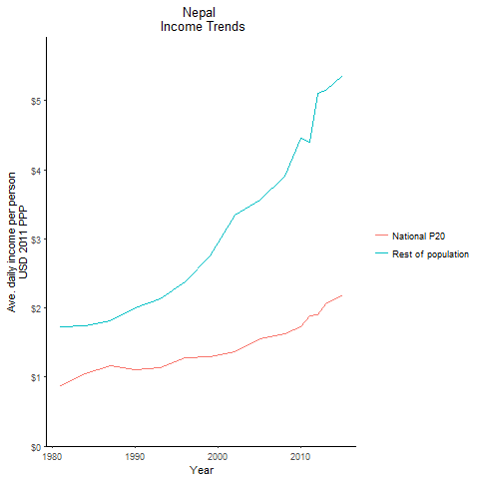
CountryName | National P20 | Rest of population | Year
Nepal | 0.877277975 | 1.7214179035 | 1981
Nepal | 1.0485956965 | 1.737159569 | 1984
Nepal | 1.102323549 | 2.0042699347 | 1990
Nepal | 1.159046195 | 1.8205687252 | 1987
Nepal | 1.135794908 | 2.1350745607 | 1993
Nepal | 1.278726012 | 2.3763120586 | 1996
Nepal | 1.29970352 | 2.7518223392 | 1999
Nepal | 1.365825711 | 3.3447886407 | 2002
Nepal | 1.552993056 | 3.5604943387 | 2005
Nepal | 1.62447002 | 3.906982495 | 2008
Nepal | 1.732183008 | 4.454463837 | 2010
Nepal | 1.89038037 | 4.3959528527 | 2011
Nepal | 1.90593098 | 5.0997939673 | 2012
Nepal | 2.0526793525 | 5.1434616687 | 2013
Nepal | 2.190794191 | 5.3736809043 | 2015

Pakistan
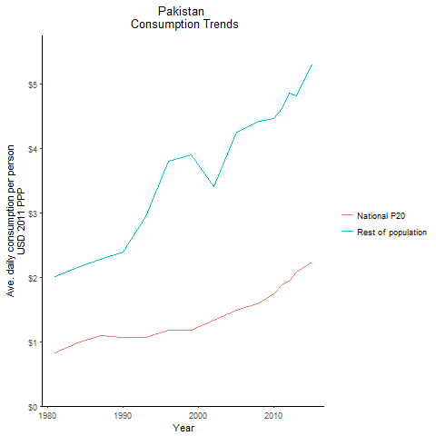
CountryName | National P20 | Rest of population | Year
Pakistan | 0.82807202 | 2.0121206251 | 1981
Pakistan | 0.987809524 | 2.1517724135 | 1984
Pakistan | 1.0736236785 | 2.3922209297 | 1990
Pakistan | 1.0904735355 | 2.2845183285 | 1987
Pakistan | 1.0646198535 | 2.9387565435 | 1993
Pakistan | 1.183377555 | 3.8087486249 | 1996
Pakistan | 1.181852775 | 3.9008874912 | 1999
Pakistan | 1.3308783465 | 3.4145084956 | 2002
Pakistan | 1.488626838 | 4.2513446604 | 2005
Pakistan | 1.6044909175 | 4.419573161 | 2008
Pakistan | 1.7479718125 | 4.4692645811 | 2010
Pakistan | 1.8861964375 | 4.6237700687 | 2011
Pakistan | 1.939595982 | 4.8566708675 | 2012
Pakistan | 2.0837715635 | 4.8208694379 | 2013
Pakistan | 2.242139478 | 5.294540473 | 2015

Sri Lanka
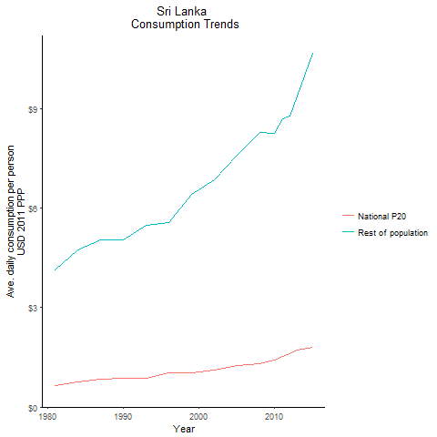
CountryName | National P20 | Rest of population | Year
Sri Lanka | 0.63920776 | 4.1395268271 | 1981
Sri Lanka | 0.768639644 | 4.7461154315 | 1984
Sri Lanka | 0.860860038 | 5.0569932097 | 1990
Sri Lanka | 0.85290912 | 5.0597165556 | 1987
Sri Lanka | 0.87612152 | 5.497609346 | 1993
Sri Lanka | 1.030653506 | 5.5782078564 | 1996
Sri Lanka | 1.020719261 | 6.41846813 | 1999
Sri Lanka | 1.1244251255 | 6.8628265953 | 2002
Sri Lanka | 1.254632343 | 7.6088569827 | 2005
Sri Lanka | 1.2967373105 | 8.306219782 | 2008
Sri Lanka | 1.412530799 | 8.2537481222 | 2010
Sri Lanka | 1.530491815 | 8.7086880052 | 2011
Sri Lanka | 1.6110204435 | 8.7747914645 | 2012
Sri Lanka | 1.7199423 | 9.4039651099 | 2013
Sri Lanka | 1.790591482 | 10.671683636 | 2015

Maldives
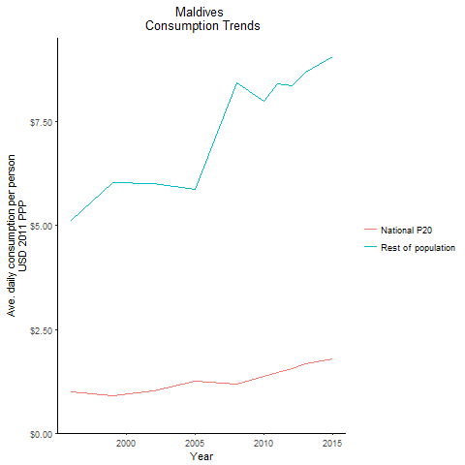
CountryName | National P20 | Rest of population | Year
Maldives | 0.9845818 | 5.121844961 | 1996
Maldives | 0.910222472 | 6.0468909573 | 1999
Maldives | 1.006527495 | 6.0091462084 | 2002
Maldives | 1.240153529 | 5.8814479191 | 2005
Maldives | 1.172610822 | 8.4389514041 | 2008
Maldives | 1.36135377 | 7.9905259411 | 2010
Maldives | 1.467884947 | 8.4215205441 | 2011
Maldives | 1.5484481875 | 8.3643235696 | 2012
Maldives | 1.663361106 | 8.7083309564 | 2013
Maldives | 1.791651608 | 9.0622679199 | 2015

