Angola
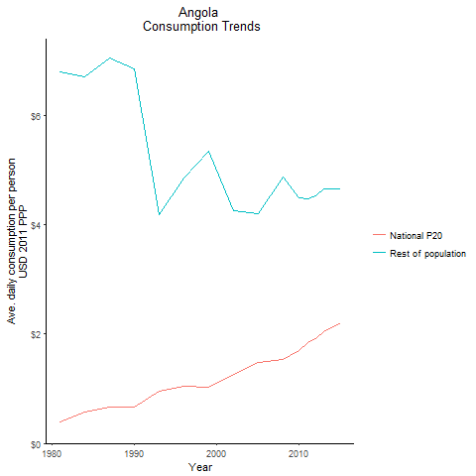
CountryName | National P20 | Rest of population | Year
Angola | 0.385516884 | 6.7899440667 | 1981
Angola | 0.570326703 | 6.7028964064 | 1984
Angola | 0.6628051925 | 6.8566000717 | 1990
Angola | 0.656392048 | 7.043701988 | 1987
Angola | 0.9615321755 | 4.1763114767 | 1993
Angola | 1.0513618885 | 4.8603869251 | 1996
Angola | 1.023369582 | 5.3551808922 | 1999
Angola | 1.2557439245 | 4.2495941559 | 2002
Angola | 1.4815870695 | 4.1992977532 | 2005
Angola | 1.5359906825 | 4.8825393157 | 2008
Angola | 1.698755199 | 4.4972016112 | 2010
Angola | 1.841695608 | 4.4749418514 | 2011
Angola | 1.917537297 | 4.5289389634 | 2012
Angola | 2.0513280225 | 4.6511008711 | 2013
Angola | 2.20967688 | 4.6499629718 | 2015

Benin
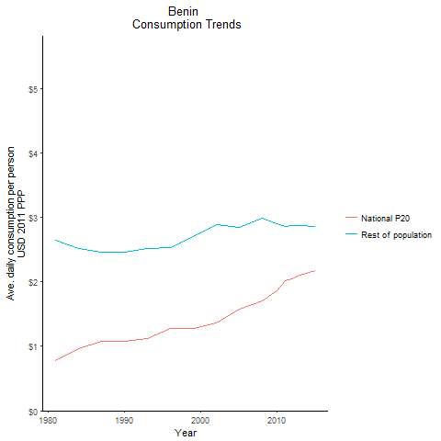
CountryName | National P20 | Rest of population | Year
Benin | 0.7721348575 | 2.6469462856 | 1981
Benin | 0.958331677 | 2.5150795465 | 1984
Benin | 1.0699768735 | 2.4572450967 | 1990
Benin | 1.0820899955 | 2.4617402409 | 1987
Benin | 1.118208054 | 2.5105083975 | 1993
Benin | 1.275796365 | 2.5342617307 | 1996
Benin | 1.272705528 | 2.7031712892 | 1999
Benin | 1.3582121785 | 2.8807385992 | 2002
Benin | 1.578512545 | 2.8388766583 | 2005
Benin | 1.71084825 | 2.9864182115 | 2008
Benin | 1.8621945835 | 2.8999705322 | 2010
Benin | 2.020388718 | 2.8637959712 | 2011
Benin | 2.039721636 | 2.8781972622 | 2012
Benin | 2.104727351 | 2.8647962444 | 2013
Benin | 2.16994215 | 2.8503952844 | 2015

Botswana
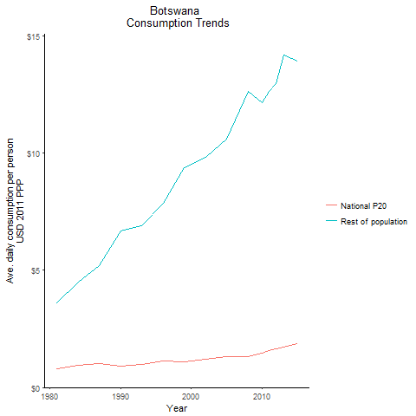
CountryName | National P20 | Rest of population | Year
Botswana | 0.796662298 | 3.6015064803 | 1981
Botswana | 0.929229568 | 4.4899679505 | 1984
Botswana | 0.9287244885 | 6.6765723025 | 1990
Botswana | 1.010503276 | 5.2143399344 | 1987
Botswana | 0.99207475 | 6.8913689837 | 1993
Botswana | 1.123452504 | 7.8634629014 | 1996
Botswana | 1.083355472 | 9.3751227758 | 1999
Botswana | 1.1940752045 | 9.8263990071 | 2002
Botswana | 1.3224659995 | 10.607654733 | 2005
Botswana | 1.30607726 | 12.62623137 | 2008
Botswana | 1.452934626 | 12.159674563 | 2010
Botswana | 1.5821780935 | 12.648660956 | 2011
Botswana | 1.640086725 | 12.967796127 | 2012
Botswana | 1.721350053 | 14.190717281 | 2013
Botswana | 1.8887362315 | 13.94994197 | 2015

Burkina Faso
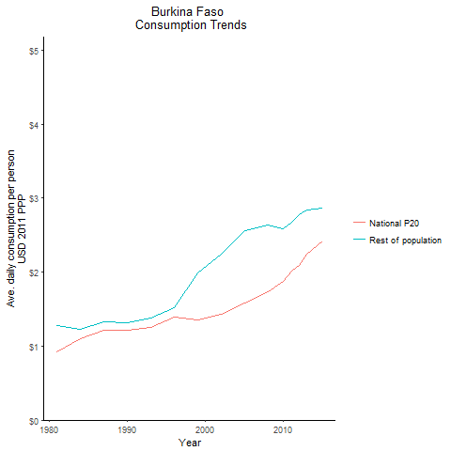
CountryName | National P20 | Rest of population | Year
Burkina Faso | 0.923289462 | 1.2755553057 | 1981
Burkina Faso | 1.10381216 | 1.2327720285 | 1984
Burkina Faso | 1.2081975045 | 1.3169487061 | 1990
Burkina Faso | 1.210883944 | 1.3286933976 | 1987
Burkina Faso | 1.2536980345 | 1.3756556284 | 1993
Burkina Faso | 1.389438594 | 1.5189296666 | 1996
Burkina Faso | 1.358965968 | 1.9847596039 | 1999
Burkina Faso | 1.4265057315 | 2.2477261699 | 2002
Burkina Faso | 1.5887526225 | 2.5660786937 | 2005
Burkina Faso | 1.7301951665 | 2.6347814823 | 2008
Burkina Faso | 1.873667248 | 2.5899467496 | 2010
Burkina Faso | 2.01540796 | 2.6746854073 | 2011
Burkina Faso | 2.092738368 | 2.7740628053 | 2012
Burkina Faso | 2.239715356 | 2.8368174624 | 2013
Burkina Faso | 2.415235675 | 2.8722084785 | 2015

Burundi
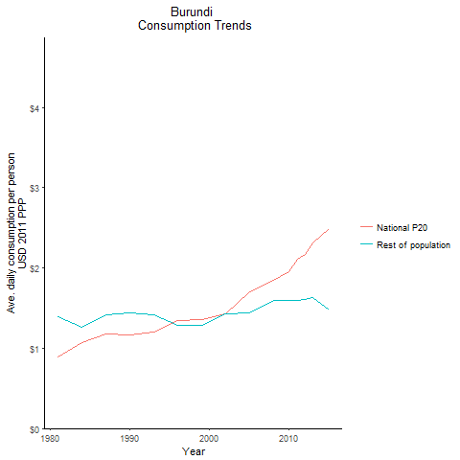
CountryName | National P20 | Rest of population | Year
Burundi | 0.89041588 | 1.3895339752 | 1981
Burundi | 1.074697741 | 1.2621392634 | 1984
Burundi | 1.16887679 | 1.4413488847 | 1990
Burundi | 1.1809111825 | 1.4131752181 | 1987
Burundi | 1.200847858 | 1.4184424191 | 1993
Burundi | 1.344417835 | 1.2807101988 | 1996
Burundi | 1.351548326 | 1.2877586719 | 1999
Burundi | 1.42309981 | 1.4279235407 | 2002
Burundi | 1.7020863595 | 1.4412029307 | 2005
Burundi | 1.84586231 | 1.5993330526 | 2008
Burundi | 1.955420118 | 1.5928667513 | 2010
Burundi | 2.103574476 | 1.5915898057 | 2011
Burundi | 2.171501329 | 1.6082664486 | 2012
Burundi | 2.315992856 | 1.627941512 | 2013
Burundi | 2.4861313635 | 1.4782674331 | 2015

Cabo Verde
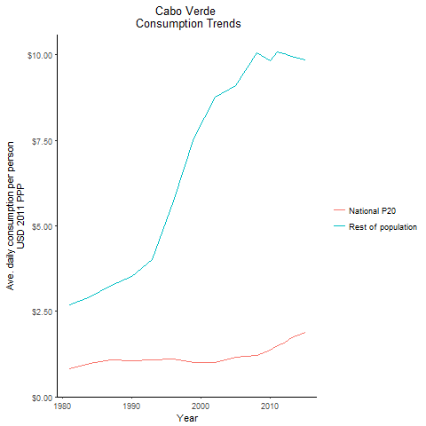
CountryName | National P20 | Rest of population | Year
Cabo Verde | 0.829069316 | 2.6784581505 | 1981
Cabo Verde | 0.987714475 | 2.9317896004 | 1984
Cabo Verde | 1.058053687 | 3.5187006878 | 1990
Cabo Verde | 1.0858381115 | 3.2574684173 | 1987
Cabo Verde | 1.071600247 | 4.0185040478 | 1993
Cabo Verde | 1.108066525 | 5.7348600811 | 1996
Cabo Verde | 0.9983286125 | 7.570916477 | 1999
Cabo Verde | 1.0072978125 | 8.765464588 | 2002
Cabo Verde | 1.146365514 | 9.1049127311 | 2005
Cabo Verde | 1.2131447825 | 10.058824763 | 2008
Cabo Verde | 1.3729222825 | 9.817013265 | 2010
Cabo Verde | 1.499696136 | 10.070410213 | 2011
Cabo Verde | 1.578031536 | 10.042389376 | 2012
Cabo Verde | 1.730040973 | 9.9642363321 | 2013
Cabo Verde | 1.894303776 | 9.8441678916 | 2015

Cameroon
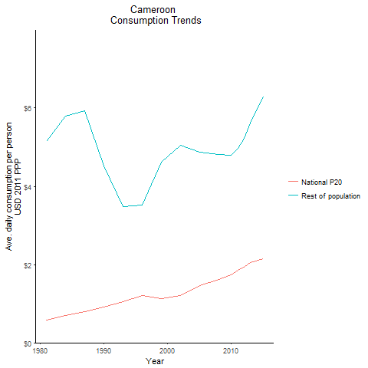
CountryName | National P20 | Rest of population | Year
Cameroon | 0.580929142 | 5.1484444268 | 1981
Cameroon | 0.703539332 | 5.78458503 | 1984
Cameroon | 0.90964596 | 4.5279665922 | 1990
Cameroon | 0.804737077 | 5.9282061417 | 1987
Cameroon | 1.0537569755 | 3.4836277424 | 1993
Cameroon | 1.200792996 | 3.5167149017 | 1996
Cameroon | 1.135716185 | 4.6263599948 | 1999
Cameroon | 1.207813191 | 5.0572384831 | 2002
Cameroon | 1.4543405145 | 4.8708806248 | 2005
Cameroon | 1.609918334 | 4.8077765809 | 2008
Cameroon | 1.738951153 | 4.7860183761 | 2010
Cameroon | 1.861263632 | 4.9629703934 | 2011
Cameroon | 1.92581495 | 5.2228284543 | 2012
Cameroon | 2.045111499 | 5.610855002 | 2013
Cameroon | 2.151905136 | 6.2854702913 | 2015

Central African Republic
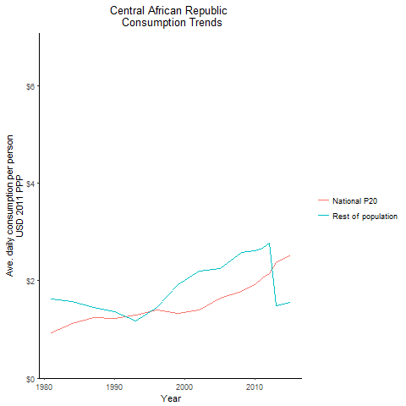
CountryName | National P20 | Rest of population | Year
Central African Republic | 0.938214484 | 1.6272619954 | 1981
Central African Republic | 1.116903124 | 1.5657898354 | 1984
Central African Republic | 1.2331627 | 1.3641365853 | 1990
Central African Republic | 1.239993663 | 1.4481782966 | 1987
Central African Republic | 1.28913983 | 1.1782406589 | 1993
Central African Republic | 1.404640878 | 1.4511177257 | 1996
Central African Republic | 1.335388976 | 1.9127302902 | 1999
Central African Republic | 1.406294335 | 2.1999806628 | 2002
Central African Republic | 1.636142538 | 2.2439966943 | 2005
Central African Republic | 1.783907153 | 2.5834495131 | 2008
Central African Republic | 1.9235281255 | 2.6205829001 | 2010
Central African Republic | 2.0645361575 | 2.6679266456 | 2011
Central African Republic | 2.140597092 | 2.7693359325 | 2012
Central African Republic | 2.378303508 | 1.4928709723 | 2013
Central African Republic | 2.5316815 | 1.554890036 | 2015

Chad
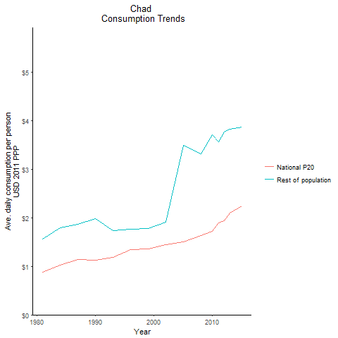
CountryName | National P20 | Rest of population | Year
Chad | 0.87712099 | 1.5560724922 | 1981
Chad | 1.027470485 | 1.7977148445 | 1984
Chad | 1.119564457 | 1.9815228584 | 1990
Chad | 1.1405366395 | 1.8610288538 | 1987
Chad | 1.1913560675 | 1.7324672845 | 1993
Chad | 1.3475988345 | 1.7579370037 | 1996
Chad | 1.363160864 | 1.7760878662 | 1999
Chad | 1.4519139965 | 1.9078024598 | 2002
Chad | 1.5030853595 | 3.4874367423 | 2005
Chad | 1.629188975 | 3.3196837152 | 2008
Chad | 1.721236625 | 3.704878515 | 2010
Chad | 1.894307001 | 3.5595024278 | 2011
Chad | 1.9459915625 | 3.7608733423 | 2012
Chad | 2.094574638 | 3.8193659295 | 2013
Chad | 2.241665025 | 3.8703618259 | 2015

Comoros
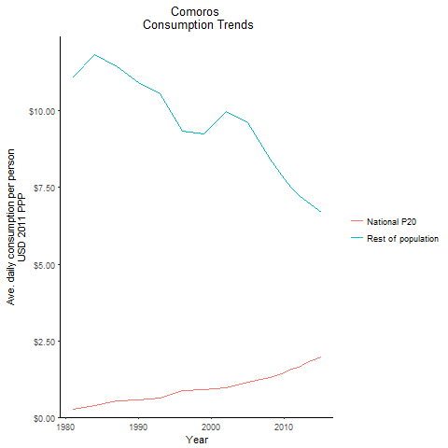
CountryName | National P20 | Rest of population | Year
Comoros | 0.262081408 | 11.108501566 | 1981
Comoros | 0.3927435145 | 11.82822371 | 1984
Comoros | 0.55632868 | 10.936732898 | 1990
Comoros | 0.53780741 | 11.449460476 | 1987
Comoros | 0.631112555 | 10.573723231 | 1993
Comoros | 0.8730467565 | 9.3406218725 | 1996
Comoros | 0.901148734 | 9.2594635014 | 1999
Comoros | 0.949646775 | 9.9861814569 | 2002
Comoros | 1.149830925 | 9.6143011729 | 2005
Comoros | 1.292117024 | 8.4221680043 | 2008
Comoros | 1.44257548 | 7.7747479108 | 2010
Comoros | 1.585843693 | 7.4768705836 | 2011
Comoros | 1.644627135 | 7.2288897916 | 2012
Comoros | 1.794071347 | 7.0676739441 | 2013
Comoros | 1.974819023 | 6.6862199018 | 2015

Congo, Democratic Republic of
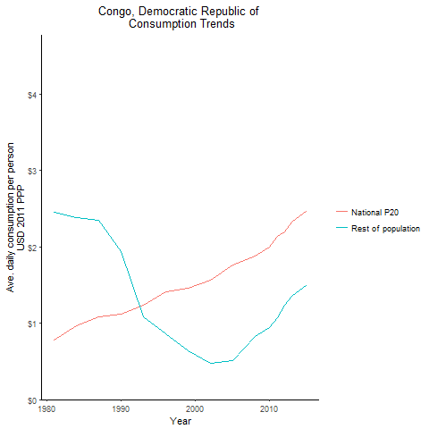
CountryName | National P20 | Rest of population | Year
Congo, Democratic Republic of | 0.7839765525 | 2.4575605194 | 1981
Congo, Democratic Republic of | 0.967485658 | 2.383133928 | 1984
Congo, Democratic Republic of | 1.113237776 | 1.9327263094 | 1990
Congo, Democratic Republic of | 1.086100414 | 2.347469554 | 1987
Congo, Democratic Republic of | 1.238124305 | 1.0882441292 | 1993
Congo, Democratic Republic of | 1.4166748335 | 0.86141978478 | 1996
Congo, Democratic Republic of | 1.45917048 | 0.64204806493 | 1999
Congo, Democratic Republic of | 1.568006382 | 0.47799470587 | 2002
Congo, Democratic Republic of | 1.767754416 | 0.51537577956 | 2005
Congo, Democratic Republic of | 1.881698108 | 0.82547560999 | 2008
Congo, Democratic Republic of | 2.001512009 | 0.93820090186 | 2010
Congo, Democratic Republic of | 2.1363566095 | 1.0661239983 | 2011
Congo, Democratic Republic of | 2.195242332 | 1.2325487321 | 2012
Congo, Democratic Republic of | 2.329435622 | 1.3559172589 | 2013
Congo, Democratic Republic of | 2.480433934 | 1.5032742562 | 2015

Congo, Republic of
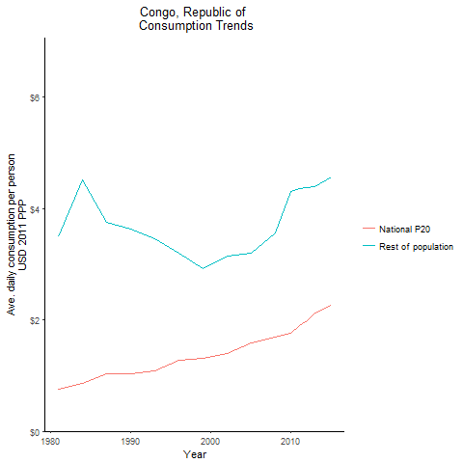
CountryName | National P20 | Rest of population | Year
Congo, Republic of | 0.7516335 | 3.4973343647 | 1981
Congo, Republic of | 0.855303936 | 4.5114493585 | 1984
Congo, Republic of | 1.0324893675 | 3.635708754 | 1990
Congo, Republic of | 1.03453819 | 3.7478046306 | 1987
Congo, Republic of | 1.090986793 | 3.4601820689 | 1993
Congo, Republic of | 1.2691527525 | 3.2020097571 | 1996
Congo, Republic of | 1.305348912 | 2.9182519501 | 1999
Congo, Republic of | 1.393003577 | 3.1396834893 | 2002
Congo, Republic of | 1.593535277 | 3.1943586465 | 2005
Congo, Republic of | 1.695270818 | 3.5563747613 | 2008
Congo, Republic of | 1.7586811 | 4.3133571223 | 2010
Congo, Republic of | 1.89978928 | 4.3503061047 | 2011
Congo, Republic of | 1.9786719035 | 4.3835416132 | 2012
Congo, Republic of | 2.1157959855 | 4.3917578529 | 2013
Congo, Republic of | 2.26087296 | 4.5644612121 | 2015

Cote d'Ivoire
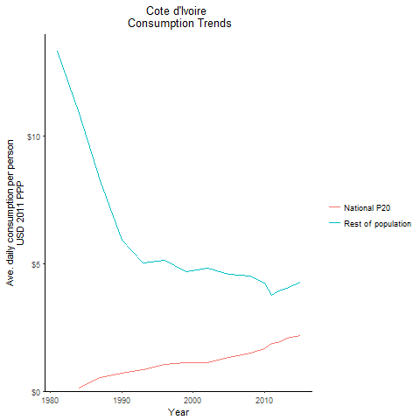
CountryName | National P20 | Rest of population | Year
Cote d'Ivoire | -0.279331376 | 13.307752022 | 1981
Cote d'Ivoire | 0.134990518 | 10.90235374 | 1984
Cote d'Ivoire | 0.70732341 | 5.9239979146 | 1990
Cote d'Ivoire | 0.5222093175 | 8.2654284925 | 1987
Cote d'Ivoire | 0.8592438165 | 5.0420232925 | 1993
Cote d'Ivoire | 1.0611693925 | 5.1217542272 | 1996
Cote d'Ivoire | 1.101955424 | 4.6832193632 | 1999
Cote d'Ivoire | 1.1135626485 | 4.8092641324 | 2002
Cote d'Ivoire | 1.340498724 | 4.56426573 | 2005
Cote d'Ivoire | 1.478840564 | 4.5117049275 | 2008
Cote d'Ivoire | 1.6622958325 | 4.234064398 | 2010
Cote d'Ivoire | 1.864294126 | 3.7510100301 | 2011
Cote d'Ivoire | 1.92260963 | 3.9405256747 | 2012
Cote d'Ivoire | 2.0685403975 | 4.0354470924 | 2013
Cote d'Ivoire | 2.1875700835 | 4.2588526846 | 2015

Eswatini
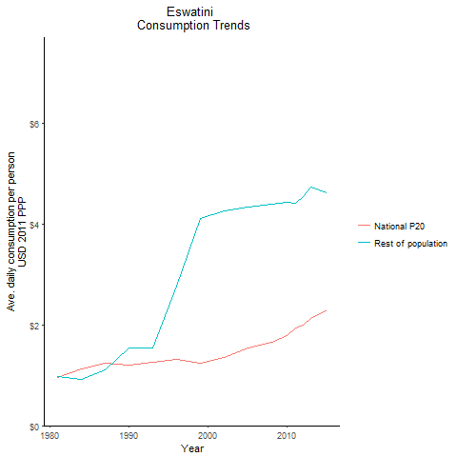
CountryName | National P20 | Rest of population | Year
Eswatini | 0.95300872 | 0.97232014877 | 1981
Eswatini | 1.13215495 | 0.91923468716 | 1984
Eswatini | 1.20750246 | 1.5437515083 | 1990
Eswatini | 1.244628393 | 1.112760847 | 1987
Eswatini | 1.249326703 | 1.5510620229 | 1993
Eswatini | 1.320384356 | 2.7779425411 | 1996
Eswatini | 1.237084971 | 4.1153177983 | 1999
Eswatini | 1.350212456 | 4.2584222285 | 2002
Eswatini | 1.5374363585 | 4.3464518693 | 2005
Eswatini | 1.6551542275 | 4.4017662376 | 2008
Eswatini | 1.781241202 | 4.4401157269 | 2010
Eswatini | 1.934164675 | 4.4202382833 | 2011
Eswatini | 1.996068974 | 4.5419690579 | 2012
Eswatini | 2.132146683 | 4.7333194936 | 2013
Eswatini | 2.300717393 | 4.6195713367 | 2015

Ethiopia
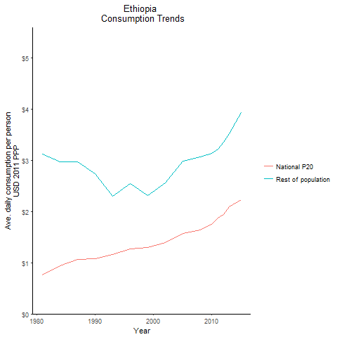
CountryName | National P20 | Rest of population | Year
Ethiopia | 0.7595943985 | 3.1179692086 | 1981
Ethiopia | 0.944307256 | 2.9722238709 | 1984
Ethiopia | 1.0737981075 | 2.7407929389 | 1990
Ethiopia | 1.060866792 | 2.9689686445 | 1987
Ethiopia | 1.158339005 | 2.3041671666 | 1993
Ethiopia | 1.276007148 | 2.5446634185 | 1996
Ethiopia | 1.296991712 | 2.3190471405 | 1999
Ethiopia | 1.395056822 | 2.5575322329 | 2002
Ethiopia | 1.570400459 | 2.9842561866 | 2005
Ethiopia | 1.645458425 | 3.0750179965 | 2008
Ethiopia | 1.7517996325 | 3.1335435165 | 2010
Ethiopia | 1.8794235695 | 3.2226920528 | 2011
Ethiopia | 1.945008598 | 3.3521578505 | 2012
Ethiopia | 2.08898616 | 3.5209520901 | 2013
Ethiopia | 2.227950875 | 3.9323520073 | 2015

Gabon
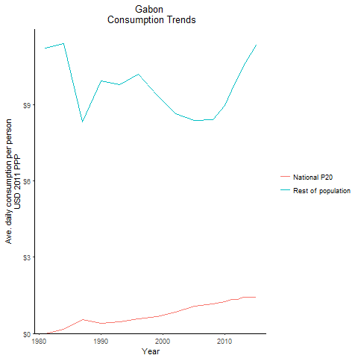
CountryName | National P20 | Rest of population | Year
Gabon | 0.000903204 | 11.214826254 | 1981
Gabon | 0.1575024945 | 11.375842185 | 1984
Gabon | 0.4025505125 | 9.9187705911 | 1990
Gabon | 0.555870677 | 8.3053706869 | 1987
Gabon | 0.4616497685 | 9.7712437223 | 1993
Gabon | 0.58438746 | 10.181888067 | 1996
Gabon | 0.67264482 | 9.3791333155 | 1999
Gabon | 0.8410783025 | 8.6430633011 | 2002
Gabon | 1.0699093 | 8.3660418531 | 2005
Gabon | 1.173611501 | 8.3854820563 | 2008
Gabon | 1.2585404425 | 8.9544936565 | 2010
Gabon | 1.334612078 | 9.5455894463 | 2011
Gabon | 1.334016855 | 10.001380718 | 2012
Gabon | 1.4175774975 | 10.496535763 | 2013
Gabon | 1.414709787 | 11.321689677 | 2015

Gambia, The
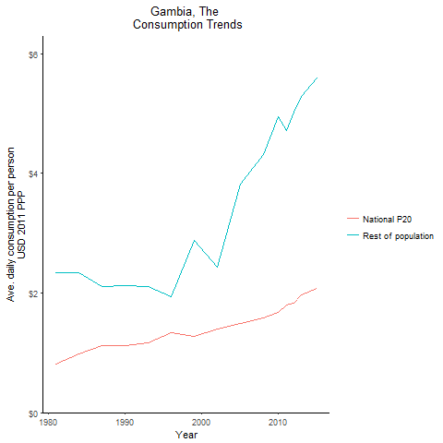
CountryName | National P20 | Rest of population | Year
Gambia, The | 0.8088373 | 2.3430671134 | 1981
Gambia, The | 0.985962318 | 2.3401665438 | 1984
Gambia, The | 1.113307655 | 2.1190178808 | 1990
Gambia, The | 1.121324182 | 2.1052796394 | 1987
Gambia, The | 1.162631204 | 2.1026669935 | 1993
Gambia, The | 1.3318642825 | 1.9398232444 | 1996
Gambia, The | 1.271886668 | 2.8797254563 | 1999
Gambia, The | 1.3974213275 | 2.4302075448 | 2002
Gambia, The | 1.496618233 | 3.826733113 | 2005
Gambia, The | 1.576248047 | 4.3189010019 | 2008
Gambia, The | 1.677007624 | 4.9394631625 | 2010
Gambia, The | 1.803538232 | 4.7113510584 | 2011
Gambia, The | 1.834901808 | 5.0243704384 | 2012
Gambia, The | 1.962211744 | 5.2819730914 | 2013
Gambia, The | 2.0745504385 | 5.5959048561 | 2015

Ghana
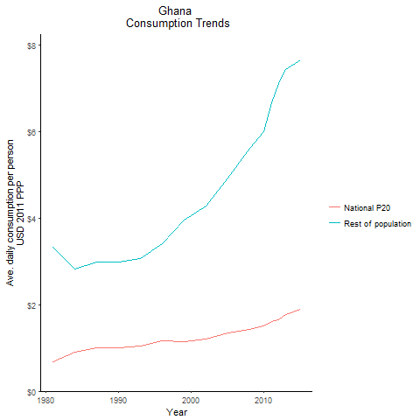
CountryName | National P20 | Rest of population | Year
Ghana | 0.675315999 | 3.331513055 | 1981
Ghana | 0.900020276 | 2.8256673968 | 1984
Ghana | 1.00558296 | 2.9853794655 | 1990
Ghana | 0.9993027535 | 2.9777752705 | 1987
Ghana | 1.047052939 | 3.06886882 | 1993
Ghana | 1.1740214375 | 3.4121665584 | 1996
Ghana | 1.146858183 | 3.9486361392 | 1999
Ghana | 1.205391865 | 4.2748355954 | 2002
Ghana | 1.3447350765 | 4.9349765048 | 2005
Ghana | 1.419701996 | 5.6095799805 | 2008
Ghana | 1.517724313 | 6.0098086478 | 2010
Ghana | 1.6077470005 | 6.6715372225 | 2011
Ghana | 1.6490188965 | 7.1133028101 | 2012
Ghana | 1.76791819 | 7.4333903155 | 2013
Ghana | 1.90215538 | 7.6529077303 | 2015

Guinea
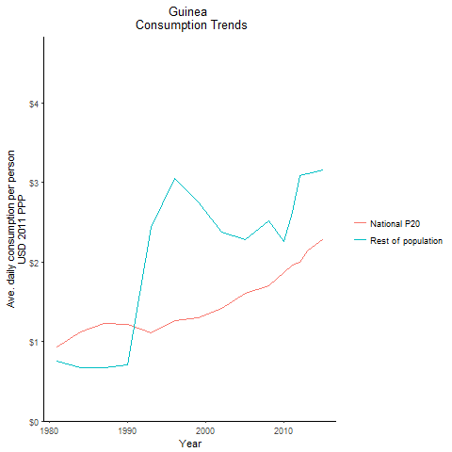
CountryName | National P20 | Rest of population | Year
Guinea | 0.929241353 | 0.74853144257 | 1981
Guinea | 1.1157820615 | 0.67357667641 | 1984
Guinea | 1.212474862 | 0.70477648998 | 1990
Guinea | 1.229250032 | 0.67359995775 | 1987
Guinea | 1.104279804 | 2.4373573093 | 1993
Guinea | 1.264944192 | 3.0517797054 | 1996
Guinea | 1.301893085 | 2.7541808383 | 1999
Guinea | 1.415843371 | 2.3735055956 | 2002
Guinea | 1.61037051 | 2.2817255917 | 2005
Guinea | 1.696891684 | 2.5207928324 | 2008
Guinea | 1.861899008 | 2.2567466179 | 2010
Guinea | 1.967210116 | 2.6298096628 | 2011
Guinea | 1.994181108 | 3.0891292435 | 2012
Guinea | 2.14190514 | 3.1108576876 | 2013
Guinea | 2.288550144 | 3.1623586284 | 2015

Guinea-Bissau
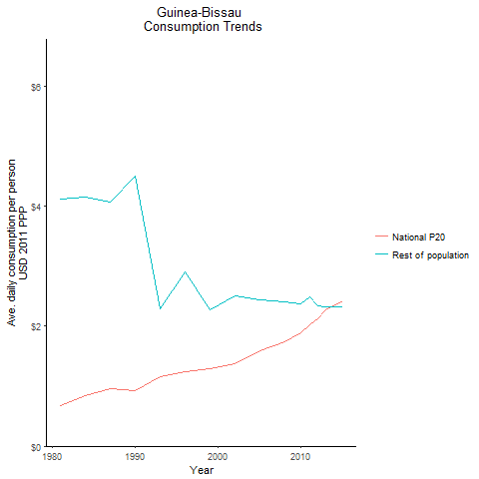
CountryName | National P20 | Rest of population | Year
Guinea-Bissau | 0.673304875 | 4.1109477539 | 1981
Guinea-Bissau | 0.84044334 | 4.1554727266 | 1984
Guinea-Bissau | 0.920947695 | 4.5047945831 | 1990
Guinea-Bissau | 0.9661732 | 4.0723087548 | 1987
Guinea-Bissau | 1.158750761 | 2.2817380632 | 1993
Guinea-Bissau | 1.237764898 | 2.9071743919 | 1996
Guinea-Bissau | 1.2886076415 | 2.2700967198 | 1999
Guinea-Bissau | 1.37389461 | 2.4975838817 | 2002
Guinea-Bissau | 1.5838924275 | 2.4454316876 | 2005
Guinea-Bissau | 1.7338866035 | 2.4085360204 | 2008
Guinea-Bissau | 1.89041638 | 2.3705304255 | 2010
Guinea-Bissau | 2.02776884 | 2.4885171051 | 2011
Guinea-Bissau | 2.125041664 | 2.3374373922 | 2012
Guinea-Bissau | 2.2680744415 | 2.3187064581 | 2013
Guinea-Bissau | 2.427257692 | 2.3299283167 | 2015

Kenya
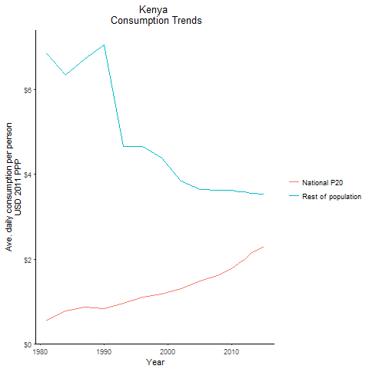
CountryName | National P20 | Rest of population | Year
Kenya | 0.559773106 | 6.8647526139 | 1981
Kenya | 0.7669879725 | 6.3499379384 | 1984
Kenya | 0.834693612 | 7.0536033093 | 1990
Kenya | 0.861904957 | 6.7311922539 | 1987
Kenya | 0.952909491 | 4.6552904355 | 1993
Kenya | 1.106374275 | 4.6621708148 | 1996
Kenya | 1.173414146 | 4.3949642717 | 1999
Kenya | 1.292821189 | 3.8493673055 | 2002
Kenya | 1.4895134745 | 3.6507543711 | 2005
Kenya | 1.62466883 | 3.6348467651 | 2008
Kenya | 1.76504542 | 3.6206975491 | 2010
Kenya | 1.9065626575 | 3.5973827603 | 2011
Kenya | 1.987580739 | 3.5839222125 | 2012
Kenya | 2.140501657 | 3.5576739008 | 2013
Kenya | 2.29810225 | 3.5410059443 | 2015

Lesotho
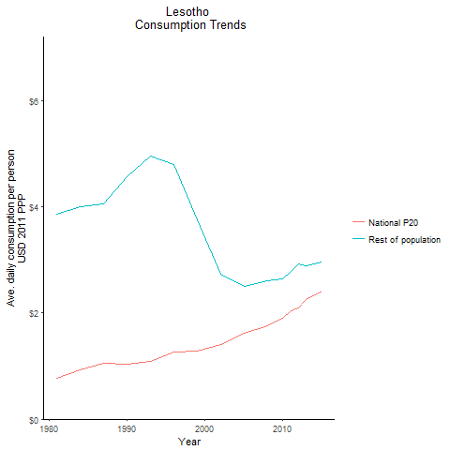
CountryName | National P20 | Rest of population | Year
Lesotho | 0.7642392295 | 3.8570740282 | 1981
Lesotho | 0.936281212 | 4.006269423 | 1984
Lesotho | 1.03456009 | 4.5644517583 | 1990
Lesotho | 1.045779684 | 4.0563893256 | 1987
Lesotho | 1.092789983 | 4.9595340111 | 1993
Lesotho | 1.2560425645 | 4.7938962082 | 1996
Lesotho | 1.28153285 | 3.7511769245 | 1999
Lesotho | 1.3986088175 | 2.732053823 | 2002
Lesotho | 1.6132737705 | 2.4965444341 | 2005
Lesotho | 1.75048097 | 2.6020722233 | 2008
Lesotho | 1.89305038 | 2.6384126105 | 2010
Lesotho | 2.0331104125 | 2.7800889722 | 2011
Lesotho | 2.100614037 | 2.9174853949 | 2012
Lesotho | 2.252655516 | 2.8974988607 | 2013
Lesotho | 2.404170274 | 2.9610904452 | 2015

Liberia
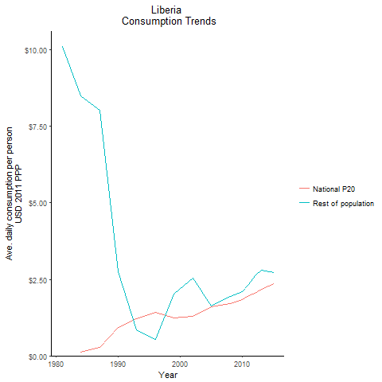
CountryName | National P20 | Rest of population | Year
Liberia | -0.261384965 | 10.101772269 | 1981
Liberia | 0.11600197 | 8.4968351239 | 1984
Liberia | 0.934528636 | 2.7463451013 | 1990
Liberia | 0.2876112925 | 8.0369369029 | 1987
Liberia | 1.2230601725 | 0.86026591578 | 1993
Liberia | 1.412309595 | 0.5408141081 | 1996
Liberia | 1.248760425 | 2.0299624965 | 1999
Liberia | 1.286490318 | 2.5504742698 | 2002
Liberia | 1.599132204 | 1.6359927024 | 2005
Liberia | 1.7046220955 | 1.9512146131 | 2008
Liberia | 1.842230992 | 2.1085107452 | 2010
Liberia | 1.9782966755 | 2.3439300777 | 2011
Liberia | 2.035015392 | 2.6217728643 | 2012
Liberia | 2.1753323775 | 2.8062381385 | 2013
Liberia | 2.363997381 | 2.7125998328 | 2015

Madagascar
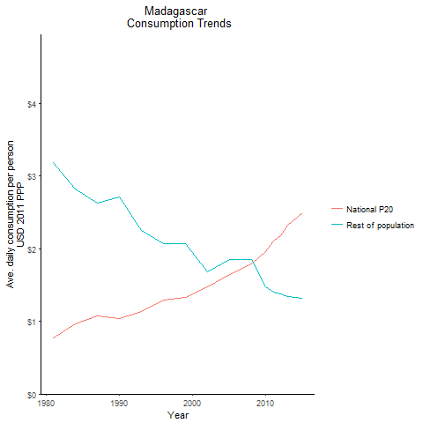
CountryName | National P20 | Rest of population | Year
Madagascar | 0.7735784935 | 3.1814274314 | 1981
Madagascar | 0.9608813725 | 2.8178230815 | 1984
Madagascar | 1.0385804525 | 2.7083103663 | 1990
Madagascar | 1.0801323 | 2.6278818565 | 1987
Madagascar | 1.1304936065 | 2.2537483792 | 1993
Madagascar | 1.29384132 | 2.0645885741 | 1996
Madagascar | 1.335123797 | 2.0719798727 | 1999
Madagascar | 1.47844635 | 1.6842455358 | 2002
Madagascar | 1.649346756 | 1.8521307083 | 2005
Madagascar | 1.7859012705 | 1.8456093399 | 2008
Madagascar | 1.962852469 | 1.4794563348 | 2010
Madagascar | 2.108324544 | 1.4072477681 | 2011
Madagascar | 2.181794808 | 1.3836281473 | 2012
Madagascar | 2.3296428855 | 1.3373731142 | 2013
Madagascar | 2.4937976725 | 1.3143767463 | 2015

Malawi
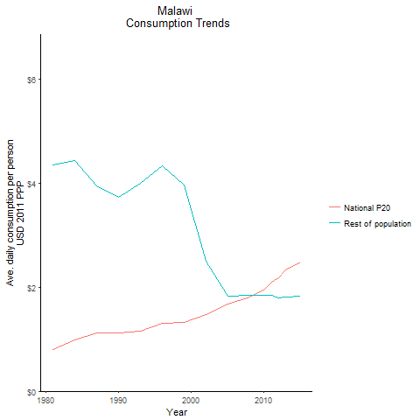
CountryName | National P20 | Rest of population | Year
Malawi | 0.801895459 | 4.3548329846 | 1981
Malawi | 0.9814510425 | 4.436671486 | 1984
Malawi | 1.117753027 | 3.7299236611 | 1990
Malawi | 1.11969001 | 3.9365117441 | 1987
Malawi | 1.1605291865 | 3.9965266075 | 1993
Malawi | 1.2966729225 | 4.3270810844 | 1996
Malawi | 1.321635977 | 3.9655704578 | 1999
Malawi | 1.4684499815 | 2.5032628471 | 2002
Malawi | 1.6734882285 | 1.8261108196 | 2005
Malawi | 1.808619609 | 1.8399157827 | 2008
Malawi | 1.9490679005 | 1.8421265865 | 2010
Malawi | 2.1024727055 | 1.8371612757 | 2011
Malawi | 2.186784695 | 1.7903991687 | 2012
Malawi | 2.327926428 | 1.8054755163 | 2013
Malawi | 2.481105945 | 1.8268284453 | 2015

Mali
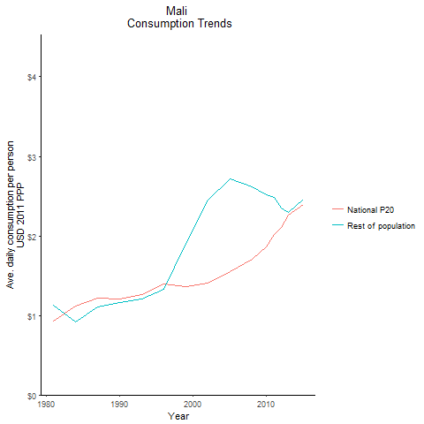
CountryName | National P20 | Rest of population | Year
Mali | 0.9286527225 | 1.1233518879 | 1981
Mali | 1.1198686625 | 0.91861666999 | 1984
Mali | 1.208866397 | 1.1634901131 | 1990
Mali | 1.218554372 | 1.105301818 | 1987
Mali | 1.258850936 | 1.2057098687 | 1993
Mali | 1.391328615 | 1.3268545586 | 1996
Mali | 1.35826573 | 1.9081346634 | 1999
Mali | 1.4050294375 | 2.4491781201 | 2002
Mali | 1.554388045 | 2.7136984682 | 2005
Mali | 1.704649529 | 2.6149035082 | 2008
Mali | 1.862963041 | 2.5220738973 | 2010
Mali | 2.014355647 | 2.4885642389 | 2011
Mali | 2.108842931 | 2.3536000892 | 2012
Mali | 2.263116555 | 2.2971253818 | 2013
Mali | 2.397019057 | 2.4639638659 | 2015

Mauritania
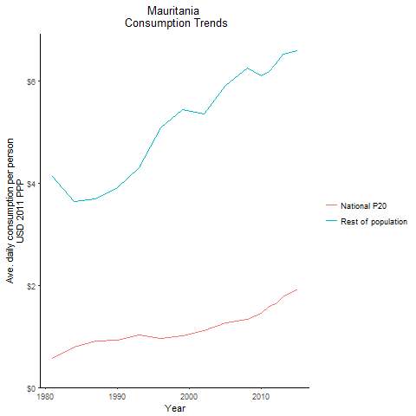
CountryName | National P20 | Rest of population | Year
Mauritania | 0.571533479 | 4.1268522467 | 1981
Mauritania | 0.799055437 | 3.6411192914 | 1984
Mauritania | 0.92470497 | 3.9071429356 | 1990
Mauritania | 0.902327164 | 3.6937998528 | 1987
Mauritania | 1.02964832 | 4.2969454542 | 1993
Mauritania | 0.9681753145 | 5.0782013769 | 1996
Mauritania | 1.01208782 | 5.4430122916 | 1999
Mauritania | 1.118425656 | 5.3525113942 | 2002
Mauritania | 1.2735406625 | 5.9249846974 | 2005
Mauritania | 1.334171009 | 6.2508284806 | 2008
Mauritania | 1.457142912 | 6.1021813953 | 2010
Mauritania | 1.595819904 | 6.185814887 | 2011
Mauritania | 1.641318452 | 6.3371512089 | 2012
Mauritania | 1.7688188575 | 6.5330541897 | 2013
Mauritania | 1.9202986195 | 6.5884637013 | 2015

Mauritius
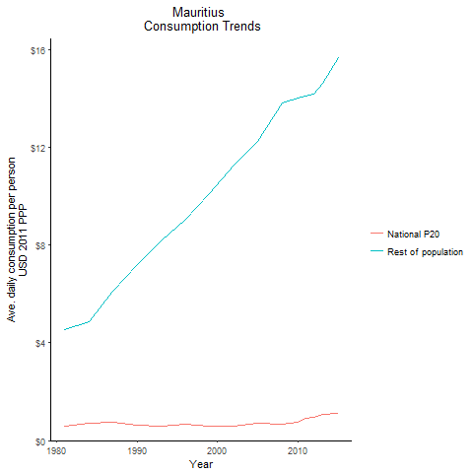
CountryName | National P20 | Rest of population | Year
Mauritius | 0.5847226125 | 4.5561303058 | 1981
Mauritius | 0.7301272735 | 4.8676969487 | 1984
Mauritius | 0.6257152575 | 7.2225314596 | 1990
Mauritius | 0.730612753 | 6.1233796885 | 1987
Mauritius | 0.581393162 | 8.1765448602 | 1993
Mauritius | 0.6579131305 | 9.0700313064 | 1996
Mauritius | 0.5854305535 | 10.103093047 | 1999
Mauritius | 0.5798570355 | 11.274272727 | 2002
Mauritius | 0.695644925 | 12.25457918 | 2005
Mauritius | 0.666063605 | 13.82667588 | 2008
Mauritius | 0.770025526 | 14.019389509 | 2010
Mauritius | 0.901579926 | 14.112295429 | 2011
Mauritius | 0.967411586 | 14.203101898 | 2012
Mauritius | 1.071726598 | 14.629562871 | 2013
Mauritius | 1.13156552 | 15.658488072 | 2015

Mozambique
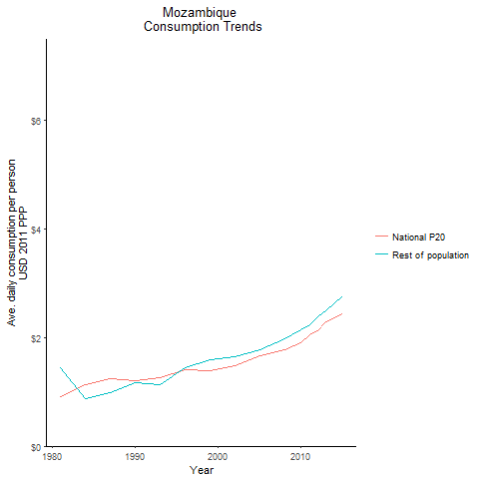
CountryName | National P20 | Rest of population | Year
Mozambique | 0.908647093 | 1.4352631583 | 1981
Mozambique | 1.126083811 | 0.86999740341 | 1984
Mozambique | 1.2078291825 | 1.1698147592 | 1990
Mozambique | 1.23789547 | 0.97711969414 | 1987
Mozambique | 1.262765887 | 1.1246496241 | 1993
Mozambique | 1.398669717 | 1.436619694 | 1996
Mozambique | 1.3912746635 | 1.5833935259 | 1999
Mozambique | 1.4769786 | 1.6519872678 | 2002
Mozambique | 1.66800963 | 1.7726712911 | 2005
Mozambique | 1.7759096005 | 1.9672890382 | 2008
Mozambique | 1.9044734875 | 2.1329080665 | 2010
Mozambique | 2.051626532 | 2.2406992574 | 2011
Mozambique | 2.1308659895 | 2.374410078 | 2012
Mozambique | 2.281063692 | 2.4948275017 | 2013
Mozambique | 2.429310338 | 2.7651507717 | 2015

Namibia
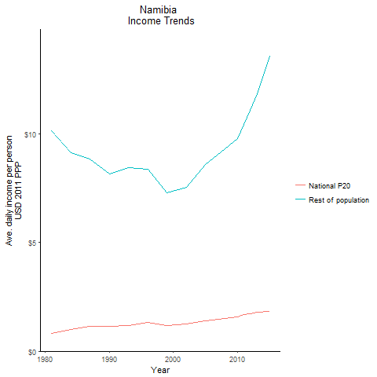
CountryName | National P20 | Rest of population | Year
Namibia | 0.801234064 | 10.142002443 | 1981
Namibia | 1.005028152 | 9.1401073456 | 1984
Namibia | 1.137884712 | 8.1401945754 | 1990
Namibia | 1.129476058 | 8.845776191 | 1987
Namibia | 1.175235427 | 8.4242692254 | 1993
Namibia | 1.3337027145 | 8.35898802 | 1996
Namibia | 1.163847285 | 7.270135439 | 1999
Namibia | 1.2495177075 | 7.5438931759 | 2002
Namibia | 1.3896131635 | 8.5935049283 | 2005
Namibia | 1.4888991125 | 9.2983245369 | 2008
Namibia | 1.5833977725 | 9.7710149404 | 2010
Namibia | 1.6825706925 | 10.438514861 | 2011
Namibia | 1.7024337975 | 11.08729429 | 2012
Namibia | 1.791375766 | 11.832019072 | 2013
Namibia | 1.83387832 | 13.55293179 | 2015

Niger
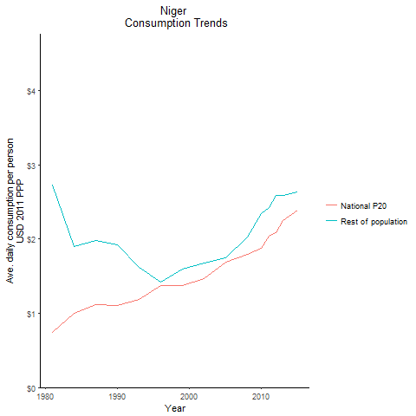
CountryName | National P20 | Rest of population | Year
Niger | 0.7471457125 | 2.722442202 | 1981
Niger | 1.00033424 | 1.8982094537 | 1984
Niger | 1.105869597 | 1.9239417788 | 1990
Niger | 1.1136769115 | 1.9817828269 | 1987
Niger | 1.183426242 | 1.6182243984 | 1993
Niger | 1.374672663 | 1.4233273137 | 1996
Niger | 1.378222614 | 1.599148867 | 1999
Niger | 1.47170435 | 1.679949118 | 2002
Niger | 1.686408206 | 1.749992743 | 2005
Niger | 1.7912588615 | 2.0277458326 | 2008
Niger | 1.8722457755 | 2.3437218438 | 2010
Niger | 2.038155615 | 2.4280384935 | 2011
Niger | 2.088817817 | 2.5917515731 | 2012
Niger | 2.2422537 | 2.5858098627 | 2013
Niger | 2.38805484 | 2.6386790297 | 2015

Nigeria
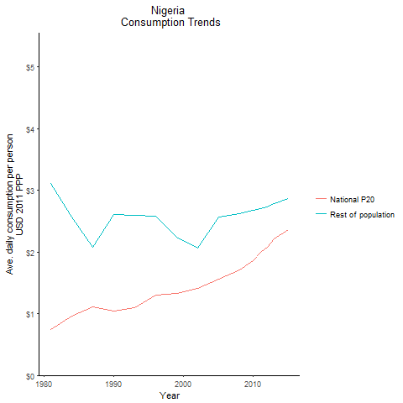
CountryName | National P20 | Rest of population | Year
Nigeria | 0.745507264 | 3.1182703073 | 1981
Nigeria | 0.968219906 | 2.5753642016 | 1984
Nigeria | 1.03863976 | 2.6117945805 | 1990
Nigeria | 1.111735767 | 2.0776631815 | 1987
Nigeria | 1.097099876 | 2.5977606474 | 1993
Nigeria | 1.296788901 | 2.5871227748 | 1996
Nigeria | 1.323327945 | 2.2443223973 | 1999
Nigeria | 1.414875614 | 2.0637073979 | 2002
Nigeria | 1.563819456 | 2.5728495196 | 2005
Nigeria | 1.715980685 | 2.6247607192 | 2008
Nigeria | 1.855425856 | 2.6791124401 | 2010
Nigeria | 1.99973919 | 2.7096365724 | 2011
Nigeria | 2.080233237 | 2.7384299099 | 2012
Nigeria | 2.218560624 | 2.7890451865 | 2013
Nigeria | 2.363671885 | 2.8696831246 | 2015

Rwanda
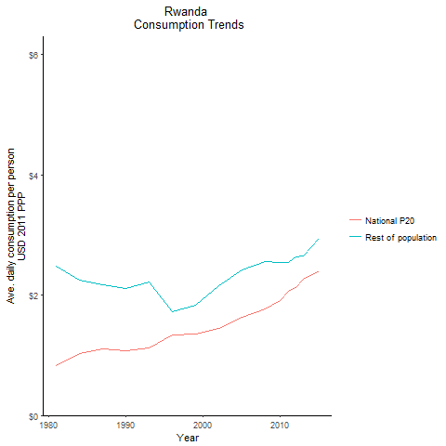
CountryName | National P20 | Rest of population | Year
Rwanda | 0.8297472055 | 2.4767170342 | 1981
Rwanda | 1.021442435 | 2.250721446 | 1984
Rwanda | 1.0772255525 | 2.1058556667 | 1990
Rwanda | 1.106186353 | 2.1734851926 | 1987
Rwanda | 1.1156189185 | 2.2195967772 | 1993
Rwanda | 1.339528498 | 1.7165585604 | 1996
Rwanda | 1.357857599 | 1.8240571071 | 1999
Rwanda | 1.4421377375 | 2.162211593 | 2002
Rwanda | 1.6311136125 | 2.4124094051 | 2005
Rwanda | 1.767207742 | 2.5498613522 | 2008
Rwanda | 1.907473171 | 2.5451463648 | 2010
Rwanda | 2.061027778 | 2.5394634665 | 2011
Rwanda | 2.130880838 | 2.6393889686 | 2012
Rwanda | 2.2652486595 | 2.6484607118 | 2013
Rwanda | 2.404031328 | 2.9378369625 | 2015

Senegal
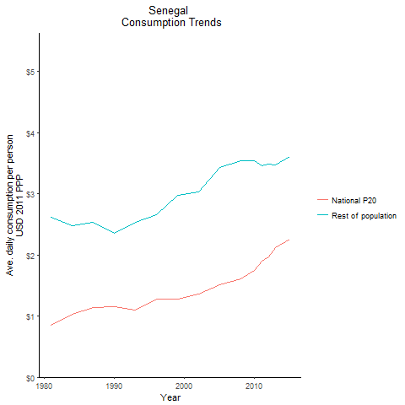
CountryName | National P20 | Rest of population | Year
Senegal | 0.846614817 | 2.6186868437 | 1981
Senegal | 1.034105232 | 2.4825387605 | 1984
Senegal | 1.150882287 | 2.3589981954 | 1990
Senegal | 1.145934129 | 2.5390266047 | 1987
Senegal | 1.0943932925 | 2.5287690741 | 1993
Senegal | 1.283361501 | 2.6608711316 | 1996
Senegal | 1.280694106 | 2.9760020899 | 1999
Senegal | 1.365146514 | 3.0335991249 | 2002
Senegal | 1.50786938 | 3.4361501892 | 2005
Senegal | 1.612086724 | 3.5405954423 | 2008
Senegal | 1.750262352 | 3.5385731791 | 2010
Senegal | 1.8939147925 | 3.4555732197 | 2011
Senegal | 1.975283936 | 3.487908879 | 2012
Senegal | 2.119173072 | 3.4679294717 | 2013
Senegal | 2.2623745775 | 3.6103364926 | 2015

Seychelles
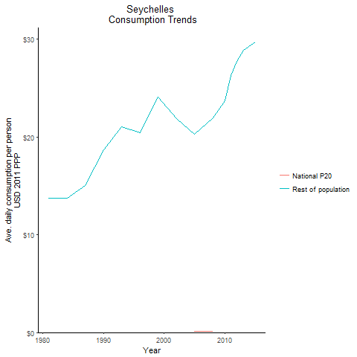
CountryName | National P20 | Rest of population | Year
Seychelles | -0.281426818 | 13.711710129 | 1981
Seychelles | -0.105706532 | 13.736837592 | 1984
Seychelles | -0.53478608 | 18.673158164 | 1990
Seychelles | -0.170994338 | 15.044717078 | 1987
Seychelles | -0.716684272 | 21.035845041 | 1993
Seychelles | -0.4215161405 | 20.460600953 | 1996
Seychelles | -0.7496276625 | 24.105272669 | 1999
Seychelles | -0.359445669 | 21.871139499 | 2002
Seychelles | 0.110780952 | 20.276185584 | 2005
Seychelles | 0.123025301 | 21.964458743 | 2008
Seychelles | -0.378806006 | 23.693552186 | 2010
Seychelles | -0.497723549 | 26.262719928 | 2011
Seychelles | -0.58180026 | 27.739519928 | 2012
Seychelles | -0.5457357 | 28.864396939 | 2013
Seychelles | -0.481265401 | 29.69831909 | 2015

Sierra Leone
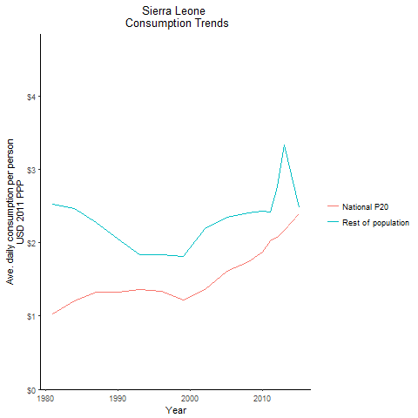
CountryName | National P20 | Rest of population | Year
Sierra Leone | 1.03 | 2.5190308219 | 1981
Sierra Leone | 1.21 | 2.4584916438 | 1984
Sierra Leone | 1.32 | 2.0428191781 | 1990
Sierra Leone | 1.33 | 2.2697620548 | 1987
Sierra Leone | 1.357396544 | 1.834390864 | 1993
Sierra Leone | 1.33464165 | 1.8371712313 | 1996
Sierra Leone | 1.21718213 | 1.811389536 | 1999
Sierra Leone | 1.3562541 | 2.1957342832 | 2002
Sierra Leone | 1.61029145 | 2.3392545348 | 2005
Sierra Leone | 1.7414883515 | 2.4020122957 | 2008
Sierra Leone | 1.870416464 | 2.4235484867 | 2010
Sierra Leone | 2.0220524005 | 2.4113227903 | 2011
Sierra Leone | 2.067796835 | 2.7660420241 | 2012
Sierra Leone | 2.164558855 | 3.3326476835 | 2013
Sierra Leone | 2.393607292 | 2.4816139304 | 2015

South Africa
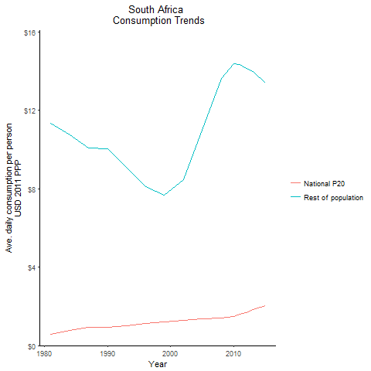
CountryName | National P20 | Rest of population | Year
South Africa | 0.58309429 | 11.332929167 | 1981
South Africa | 0.787896076 | 10.728578036 | 1984
South Africa | 0.9194985735 | 10.03069659 | 1990
South Africa | 0.934119998 | 10.06617274 | 1987
South Africa | 1.011456558 | 9.0910961345 | 1993
South Africa | 1.12292788 | 8.0981858382 | 1996
South Africa | 1.19557152 | 7.6596057501 | 1999
South Africa | 1.27162256 | 8.4497053189 | 2002
South Africa | 1.360905136 | 10.983618921 | 2005
South Africa | 1.385658972 | 13.598789367 | 2008
South Africa | 1.4859515895 | 14.377218952 | 2010
South Africa | 1.61012713 | 14.334594245 | 2011
South Africa | 1.6894081155 | 14.140930163 | 2012
South Africa | 1.843173198 | 13.959849166 | 2013
South Africa | 2.0232424835 | 13.3803839 | 2015

Sudan
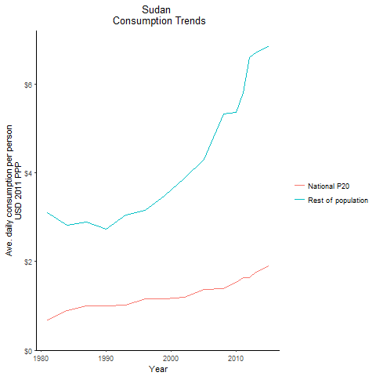
CountryName | National P20 | Rest of population | Year
Sudan | 0.68130549 | 3.0960234905 | 1981
Sudan | 0.8882813475 | 2.8132828138 | 1984
Sudan | 1.003470728 | 2.7302167016 | 1990
Sudan | 0.9970099755 | 2.8913821637 | 1987
Sudan | 1.0212824375 | 3.0475425413 | 1993
Sudan | 1.1629738285 | 3.164925721 | 1996
Sudan | 1.15178075 | 3.4931512509 | 1999
Sudan | 1.2031223115 | 3.888390655 | 2002
Sudan | 1.36579552 | 4.2972702981 | 2005
Sudan | 1.398072885 | 5.3236173952 | 2008
Sudan | 1.530584924 | 5.3729770567 | 2010
Sudan | 1.6345005175 | 5.8010871994 | 2011
Sudan | 1.6316534225 | 6.5975839046 | 2012
Sudan | 1.759084845 | 6.7029739942 | 2013
Sudan | 1.901838246 | 6.8605637262 | 2015

Tanzania
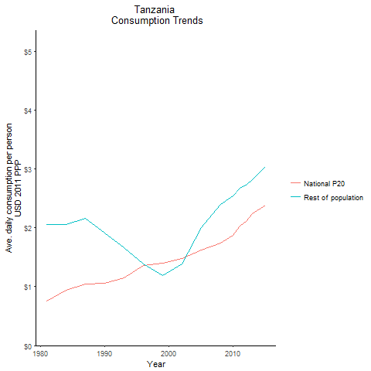
CountryName | National P20 | Rest of population | Year
Tanzania | 0.76072873 | 2.0556539819 | 1981
Tanzania | 0.933860206 | 2.0592068663 | 1984
Tanzania | 1.0596451485 | 1.905857069 | 1990
Tanzania | 1.0392617545 | 2.1588745614 | 1987
Tanzania | 1.155754941 | 1.6647935935 | 1993
Tanzania | 1.3607754165 | 1.3810635431 | 1996
Tanzania | 1.395348748 | 1.1924559637 | 1999
Tanzania | 1.47594832 | 1.3842971666 | 2002
Tanzania | 1.62819888 | 1.9988019238 | 2005
Tanzania | 1.73716065 | 2.3997897005 | 2008
Tanzania | 1.87730526 | 2.5422598494 | 2010
Tanzania | 2.02246214 | 2.6695737801 | 2011
Tanzania | 2.106106497 | 2.7176026908 | 2012
Tanzania | 2.2441371405 | 2.812134071 | 2013
Tanzania | 2.3790106575 | 3.0325403493 | 2015

Togo
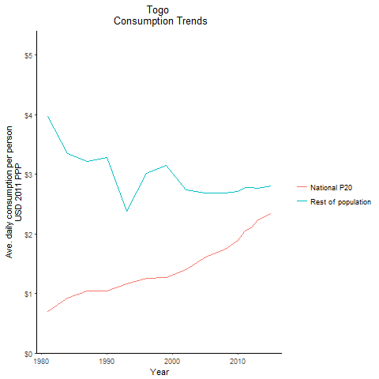
CountryName | National P20 | Rest of population | Year
Togo | 0.694394387 | 3.9718014033 | 1981
Togo | 0.915821158 | 3.344509916 | 1984
Togo | 1.036592865 | 3.2763028796 | 1990
Togo | 1.0434862965 | 3.2204106177 | 1987
Togo | 1.156023615 | 2.377346836 | 1993
Togo | 1.255818996 | 3.0118727852 | 1996
Togo | 1.271069096 | 3.153592315 | 1999
Togo | 1.39740665 | 2.7353740909 | 2002
Togo | 1.60893315 | 2.6887978084 | 2005
Togo | 1.747476755 | 2.6848383455 | 2008
Togo | 1.889825272 | 2.7084428601 | 2010
Togo | 2.043187852 | 2.7714549548 | 2011
Togo | 2.103006 | 2.7805263082 | 2012
Togo | 2.232078658 | 2.7632026643 | 2013
Togo | 2.34337399 | 2.8052685573 | 2015

Zambia
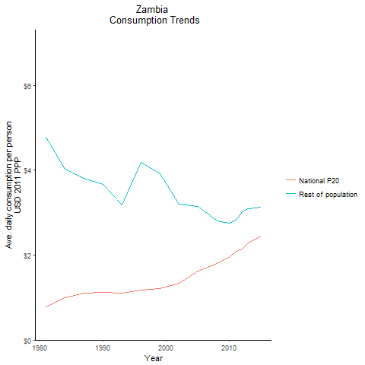
CountryName | National P20 | Rest of population | Year
Zambia | 0.77607732 | 4.7757971084 | 1981
Zambia | 0.98980387 | 4.0202586215 | 1984
Zambia | 1.11758275 | 3.6620869152 | 1990
Zambia | 1.113189065 | 3.8137754735 | 1987
Zambia | 1.112190172 | 3.1909099912 | 1993
Zambia | 1.1756722 | 4.1919737308 | 1996
Zambia | 1.2143419385 | 3.922288488 | 1999
Zambia | 1.344261822 | 3.1934908459 | 2002
Zambia | 1.621061807 | 3.1485337263 | 2005
Zambia | 1.799578009 | 2.809683169 | 2008
Zambia | 1.9424386825 | 2.7460400554 | 2010
Zambia | 2.0824468615 | 2.8291422572 | 2011
Zambia | 2.1452297975 | 3.0274751534 | 2012
Zambia | 2.291366595 | 3.088020954 | 2013
Zambia | 2.450729035 | 3.1210926728 | 2015

Zimbabwe
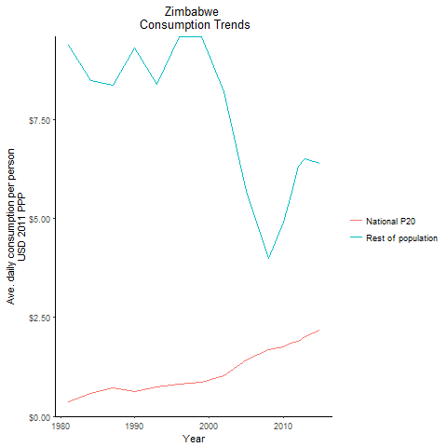
CountryName | National P20 | Rest of population | Year
Zimbabwe | 0.3600832 | 9.3961600219 | 1981
Zimbabwe | 0.5806834555 | 8.4980017389 | 1984
Zimbabwe | 0.629381643 | 9.3092450002 | 1990
Zimbabwe | 0.72641182 | 8.3874532094 | 1987
Zimbabwe | 0.745410881 | 8.3901705674 | 1993
Zimbabwe | 0.816904476 | 9.6006697714 | 1996
Zimbabwe | 0.855129858 | 9.5945284944 | 1999
Zimbabwe | 1.033476224 | 8.2224501221 | 2002
Zimbabwe | 1.437106215 | 5.6803686517 | 2005
Zimbabwe | 1.688381392 | 3.9919525972 | 2008
Zimbabwe | 1.758312517 | 4.9185040625 | 2010
Zimbabwe | 1.8479291875 | 5.5945615387 | 2011
Zimbabwe | 1.893900319 | 6.3250098518 | 2012
Zimbabwe | 2.023331925 | 6.5048094845 | 2013
Zimbabwe | 2.1885342635 | 6.3999869821 | 2015

Uganda
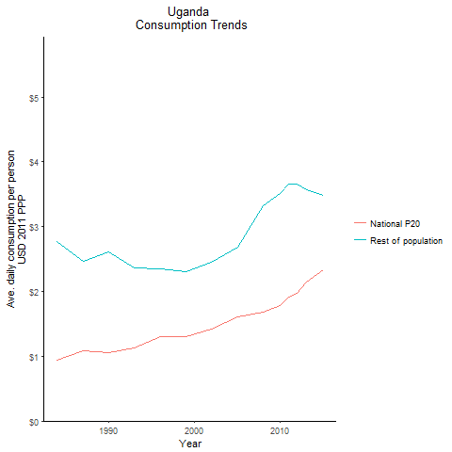
CountryName | National P20 | Rest of population | Year
Uganda | 0.9415085875 | 2.7643725792 | 1984
Uganda | 1.060450194 | 2.6132095063 | 1990
Uganda | 1.089951499 | 2.4614084266 | 1987
Uganda | 1.1329679 | 2.3674614497 | 1993
Uganda | 1.3029038775 | 2.3439123868 | 1996
Uganda | 1.306885128 | 2.3076728276 | 1999
Uganda | 1.4200625815 | 2.4519791491 | 2002
Uganda | 1.6149031755 | 2.6822829732 | 2005
Uganda | 1.673870942 | 3.3269324015 | 2008
Uganda | 1.781281128 | 3.5175058824 | 2010
Uganda | 1.90652649 | 3.6606724871 | 2011
Uganda | 1.974543528 | 3.6555326112 | 2012
Uganda | 2.145929538 | 3.5699899443 | 2013
Uganda | 2.33512603 | 3.481973424 | 2015

Sao Tome and Principe
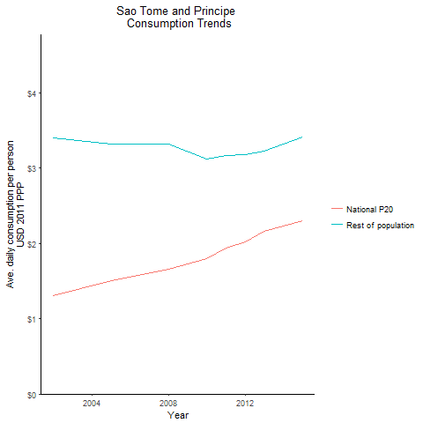
CountryName | National P20 | Rest of population | Year
Sao Tome and Principe | 1.3012785615 | 3.3928733733 | 2002
Sao Tome and Principe | 1.499130536 | 3.3190754482 | 2005
Sao Tome and Principe | 1.650331935 | 3.3213579752 | 2008
Sao Tome and Principe | 1.798053857 | 3.1238066727 | 2010
Sao Tome and Principe | 1.942598878 | 3.16087576 | 2011
Sao Tome and Principe | 2.022796264 | 3.1713088792 | 2012
Sao Tome and Principe | 2.163450717 | 3.2275519783 | 2013
Sao Tome and Principe | 2.296503554 | 3.4121668512 | 2015

South Sudan
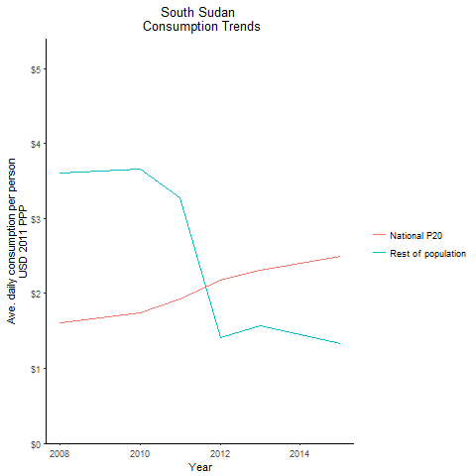
CountryName | National P20 | Rest of population | Year
South Sudan | 1.610443303 | 3.6125110921 | 2008
South Sudan | 1.7426147215 | 3.6582281004 | 2010
South Sudan | 1.921233465 | 3.2810061543 | 2011
South Sudan | 2.1726615 | 1.4156065428 | 2012
South Sudan | 2.311421112 | 1.5668800645 | 2013
South Sudan | 2.4918102815 | 1.3302270187 | 2015

