Angola
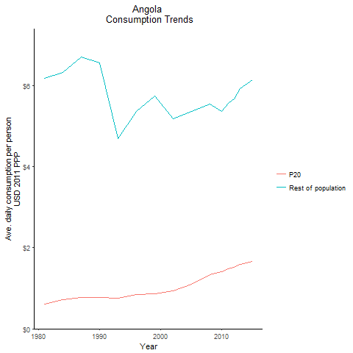
CountryName | P20 | Rest of population | Year
Angola | 0.61445580911 | 6.1856938467 | 1981
Angola | 0.71108336477 | 6.3280493103 | 1984
Angola | 0.76667319078 | 6.5604884684 | 1990
Angola | 0.77726790099 | 6.715845947 | 1987
Angola | 0.7597232921 | 4.6994501569 | 1993
Angola | 0.84657609078 | 5.3730897309 | 1996
Angola | 0.86005349803 | 5.7395719262 | 1999
Angola | 0.92845596673 | 5.1820013343 | 2002
Angola | 1.0965272958 | 5.3634033703 | 2005
Angola | 1.3408258825 | 5.545569441 | 2008
Angola | 1.4007126971 | 5.3701104506 | 2010
Angola | 1.4747580097 | 5.5624868524 | 2011
Angola | 1.5106406027 | 5.6812493977 | 2012
Angola | 1.5870900703 | 5.9337189378 | 2013
Angola | 1.6632230883 | 6.1472997503 | 2015

Benin
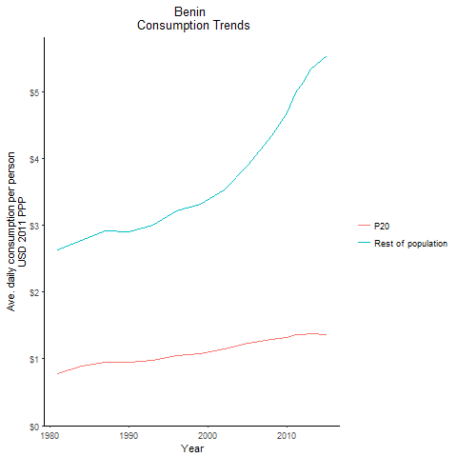
CountryName | P20 | Rest of population | Year
Benin | 0.77976674644 | 2.6231383673 | 1981
Benin | 0.88542361717 | 2.7787609423 | 1984
Benin | 0.94187641826 | 2.9003650539 | 1990
Benin | 0.94747565909 | 2.9156674838 | 1987
Benin | 0.9758114621 | 2.997914005 | 1993
Benin | 1.053522367 | 3.209487483 | 1996
Benin | 1.0838472723 | 3.316113564 | 1999
Benin | 1.1547762358 | 3.5333464022 | 2002
Benin | 1.2320114253 | 3.8935904104 | 2005
Benin | 1.2884338929 | 4.3380086816 | 2008
Benin | 1.3175103694 | 4.6757074109 | 2010
Benin | 1.356627155 | 4.980681915 | 2011
Benin | 1.3612044881 | 5.1387657098 | 2012
Benin | 1.3714268858 | 5.3288618966 | 2013
Benin | 1.3603128002 | 5.5287310154 | 2015

Botswana
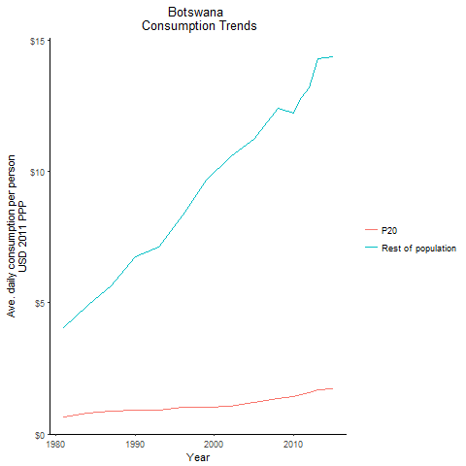
CountryName | P20 | Rest of population | Year
Botswana | 0.66186268757 | 4.0440603931 | 1981
Botswana | 0.79140175006 | 4.918843211 | 1984
Botswana | 0.9148935104 | 6.7406926369 | 1990
Botswana | 0.87399601197 | 5.6594420528 | 1987
Botswana | 0.92792490501 | 7.1339713586 | 1993
Botswana | 1.0047289549 | 8.3376332843 | 1996
Botswana | 1.0330487523 | 9.6669031993 | 1999
Botswana | 1.0700988288 | 10.558850235 | 2002
Botswana | 1.1970359218 | 11.230727916 | 2005
Botswana | 1.3590323207 | 12.424038264 | 2008
Botswana | 1.4404421457 | 12.231631985 | 2010
Botswana | 1.5203196756 | 12.814547737 | 2011
Botswana | 1.5729643205 | 13.19280426 | 2012
Botswana | 1.6894847969 | 14.309647957 | 2013
Botswana | 1.7347370698 | 14.363963927 | 2015

Burkina Faso
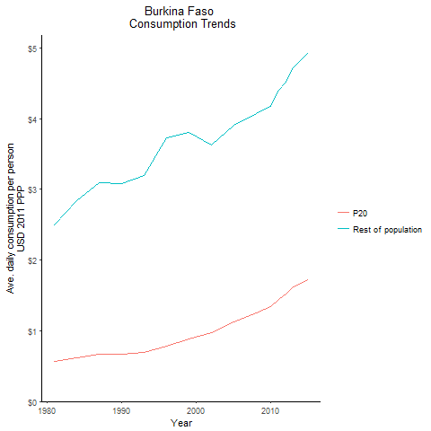
CountryName | P20 | Rest of population | Year
Burkina Faso | 0.570393789 | 2.4964109065 | 1981
Burkina Faso | 0.61953044423 | 2.8368828779 | 1984
Burkina Faso | 0.66913907843 | 3.0772969098 | 1990
Burkina Faso | 0.67421839694 | 3.1004937318 | 1987
Burkina Faso | 0.69640759269 | 3.1975085737 | 1993
Burkina Faso | 0.77905033636 | 3.7233764233 | 1996
Burkina Faso | 0.88475462552 | 3.8099018097 | 1999
Burkina Faso | 0.96727364785 | 3.6322573454 | 2002
Burkina Faso | 1.1310594445 | 3.9104152023 | 2005
Burkina Faso | 1.2530399521 | 4.0747469824 | 2008
Burkina Faso | 1.3462122552 | 4.1791262699 | 2010
Burkina Faso | 1.4470110818 | 4.4001824688 | 2011
Burkina Faso | 1.5250171047 | 4.5171813956 | 2012
Burkina Faso | 1.6227931877 | 4.7241872614 | 2013
Burkina Faso | 1.7172617609 | 4.9304743412 | 2015

Burundi
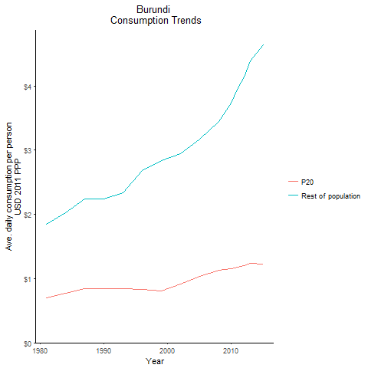
CountryName | P20 | Rest of population | Year
Burundi | 0.70390517776 | 1.847983965 | 1981
Burundi | 0.76666841562 | 2.0281674125 | 1984
Burundi | 0.84858619337 | 2.2350322529 | 1990
Burundi | 0.8477503577 | 2.2383030217 | 1987
Burundi | 0.84792679996 | 2.3354683692 | 1993
Burundi | 0.83336412905 | 2.6861996639 | 1996
Burundi | 0.80624665842 | 2.8335275879 | 1999
Burundi | 0.91605660641 | 2.9409207862 | 2002
Burundi | 1.0401103536 | 3.1693756336 | 2005
Burundi | 1.1317505007 | 3.4504613038 | 2008
Burundi | 1.1516954223 | 3.7297473484 | 2010
Burundi | 1.1829716881 | 3.9747095434 | 2011
Burundi | 1.2003491645 | 4.1379032891 | 2012
Burundi | 1.2356651226 | 4.3914598841 | 2013
Burundi | 1.2262003554 | 4.6349836916 | 2015

Cabo Verde
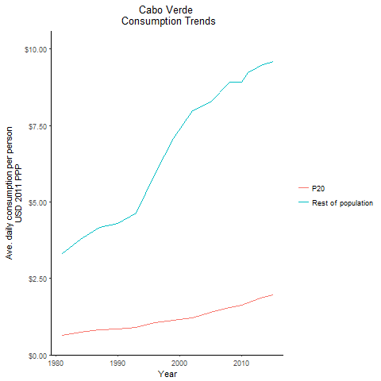
CountryName | P20 | Rest of population | Year
Cabo Verde | 0.65117057443 | 3.3001932982 | 1981
Cabo Verde | 0.75196389008 | 3.7650222241 | 1984
Cabo Verde | 0.84178751153 | 4.2839150926 | 1990
Cabo Verde | 0.83077708575 | 4.1643964305 | 1987
Cabo Verde | 0.89215506269 | 4.6442107698 | 1993
Cabo Verde | 1.0578414611 | 5.9219805715 | 1996
Cabo Verde | 1.1217341732 | 7.0828026974 | 1999
Cabo Verde | 1.200033616 | 7.9682490079 | 2002
Cabo Verde | 1.3829206071 | 8.2749534928 | 2005
Cabo Verde | 1.5460465186 | 8.922480025 | 2008
Cabo Verde | 1.6237513392 | 8.9097446246 | 2010
Cabo Verde | 1.7095426022 | 9.2223668076 | 2011
Cabo Verde | 1.7751479376 | 9.3232744343 | 2012
Cabo Verde | 1.8614446443 | 9.454512292 | 2013
Cabo Verde | 1.9509862458 | 9.5829043845 | 2015

Cameroon
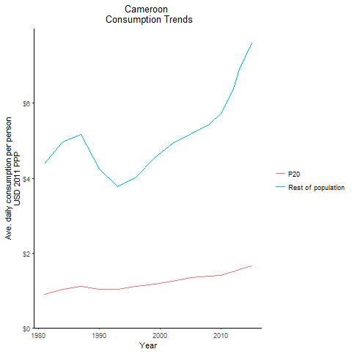
CountryName | P20 | Rest of population | Year
Cameroon | 0.88595193871 | 4.379556438 | 1981
Cameroon | 1.0294245107 | 4.96402761 | 1984
Cameroon | 1.023841998 | 4.2373098706 | 1990
Cameroon | 1.1151225879 | 5.1734598125 | 1987
Cameroon | 1.0299983238 | 3.7702381859 | 1993
Cameroon | 1.1107214378 | 4.0217582474 | 1996
Cameroon | 1.170445716 | 4.5458135004 | 1999
Cameroon | 1.2407051601 | 4.9338628345 | 2002
Cameroon | 1.3453731531 | 5.1873378863 | 2005
Cameroon | 1.3920610651 | 5.4466566166 | 2008
Cameroon | 1.406829328 | 5.7267717878 | 2010
Cameroon | 1.4619859341 | 6.0763151083 | 2011
Cameroon | 1.4949916875 | 6.4005366406 | 2012
Cameroon | 1.5671971987 | 6.9039921928 | 2013
Cameroon | 1.6599528151 | 7.6072926567 | 2015

Central African Republic
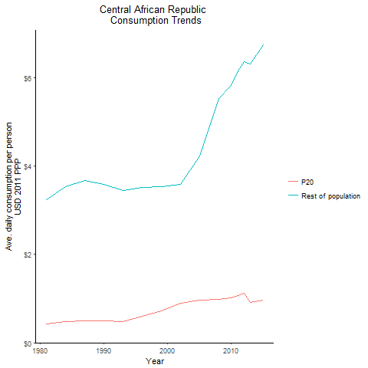
CountryName | P20 | Rest of population | Year
Central African Republic | 0.42982697434 | 3.233756718 | 1981
Central African Republic | 0.47817778025 | 3.5330596898 | 1984
Central African Republic | 0.48907269295 | 3.5847602905 | 1990
Central African Republic | 0.50037294975 | 3.6703357537 | 1987
Central African Republic | 0.48523473412 | 3.4399775959 | 1993
Central African Republic | 0.60450192762 | 3.5199224251 | 1996
Central African Republic | 0.72850856282 | 3.5301715579 | 1999
Central African Republic | 0.90254433973 | 3.582355808 | 2002
Central African Republic | 0.96765048257 | 4.2301112137 | 2005
Central African Republic | 0.98022596345 | 5.5244499906 | 2008
Central African Republic | 1.0257400117 | 5.8237713044 | 2010
Central African Republic | 1.0772557106 | 6.1649437823 | 2011
Central African Republic | 1.1137934478 | 6.3653085812 | 2012
Central African Republic | 0.91449439766 | 6.313671237 | 2013
Central African Republic | 0.96666904332 | 6.738428699 | 2015

Chad
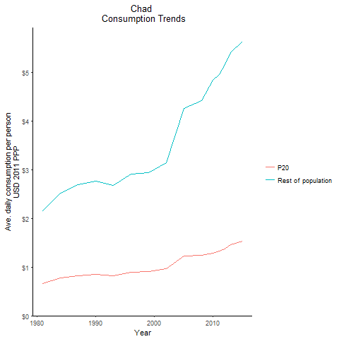
CountryName | P20 | Rest of population | Year
Chad | 0.66137328957 | 2.160369103 | 1981
Chad | 0.7711360844 | 2.5172711308 | 1984
Chad | 0.84515021687 | 2.7599209011 | 1990
Chad | 0.82837118442 | 2.6979319386 | 1987
Chad | 0.82395306922 | 2.6747388155 | 1993
Chad | 0.89608999577 | 2.9115904106 | 1996
Chad | 0.90656243731 | 2.945833521 | 1999
Chad | 0.96695985927 | 3.1410406545 | 2002
Chad | 1.2280469733 | 4.2628448521 | 2005
Chad | 1.2357603536 | 4.4263776311 | 2008
Chad | 1.2903072518 | 4.8474379948 | 2010
Chad | 1.3287946865 | 4.963396112 | 2011
Chad | 1.3749115516 | 5.1660461448 | 2012
Chad | 1.4577552106 | 5.4139080308 | 2013
Chad | 1.529273216 | 5.6329682426 | 2015

Comoros
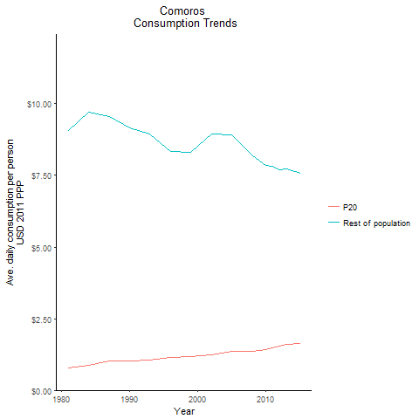
CountryName | P20 | Rest of population | Year
Comoros | 0.77682643505 | 9.0636834752 | 1981
Comoros | 0.886312014 | 9.7045767657 | 1984
Comoros | 1.0276471929 | 9.1725455433 | 1990
Comoros | 1.0337079809 | 9.5503027205 | 1987
Comoros | 1.0530022747 | 8.9536839099 | 1993
Comoros | 1.1598698316 | 8.3332454652 | 1996
Comoros | 1.1767893761 | 8.3204930907 | 1999
Comoros | 1.2514718782 | 8.9343080571 | 2002
Comoros | 1.3444839212 | 8.92369923 | 2005
Comoros | 1.356622262 | 8.1791722915 | 2008
Comoros | 1.4135473941 | 7.8543349769 | 2010
Comoros | 1.4919073644 | 7.8197576551 | 2011
Comoros | 1.5310061642 | 7.7077886259 | 2012
Comoros | 1.6082630674 | 7.7309159419 | 2013
Comoros | 1.6489187887 | 7.5841016151 | 2015

Congo, Democratic Republic of
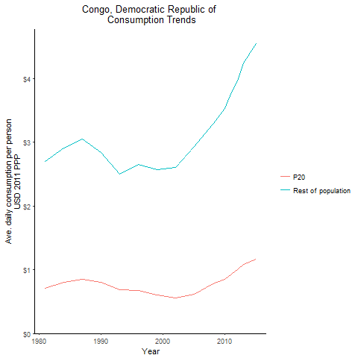
CountryName | P20 | Rest of population | Year
Congo, Democratic Republic of | 0.70762012877 | 2.7009818004 | 1981
Congo, Democratic Republic of | 0.79875617111 | 2.9050326054 | 1984
Congo, Democratic Republic of | 0.80668666416 | 2.8359474485 | 1990
Congo, Democratic Republic of | 0.85428316857 | 3.0519631997 | 1987
Congo, Democratic Republic of | 0.68182080165 | 2.5009913301 | 1993
Congo, Democratic Republic of | 0.66981156536 | 2.6463216191 | 1996
Congo, Democratic Republic of | 0.60049558866 | 2.5673278008 | 1999
Congo, Democratic Republic of | 0.55659667723 | 2.6076848821 | 2002
Congo, Democratic Republic of | 0.61761875894 | 2.9318173038 | 2005
Congo, Democratic Republic of | 0.7742646282 | 3.2835000028 | 2008
Congo, Democratic Republic of | 0.84856713354 | 3.5270357853 | 2010
Congo, Democratic Republic of | 0.92888744238 | 3.7897387855 | 2011
Congo, Democratic Republic of | 1.001304809 | 3.9669600443 | 2012
Congo, Democratic Republic of | 1.0792618333 | 4.2422893039 | 2013
Congo, Democratic Republic of | 1.1666750043 | 4.5418413738 | 2015

Congo, Republic of
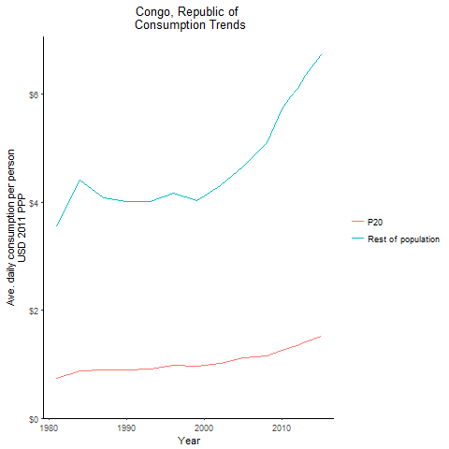
CountryName | P20 | Rest of population | Year
Congo, Republic of | 0.73665468287 | 3.5387855933 | 1981
Congo, Republic of | 0.88468691123 | 4.4047305818 | 1984
Congo, Republic of | 0.89352989908 | 4.0159388817 | 1990
Congo, Republic of | 0.9024080026 | 4.0891439188 | 1987
Congo, Republic of | 0.91742312836 | 4.019009774 | 1993
Congo, Republic of | 0.98067205011 | 4.1597620043 | 1996
Congo, Republic of | 0.95831604059 | 4.0300409208 | 1999
Congo, Republic of | 1.0235731718 | 4.3080659783 | 2002
Congo, Republic of | 1.1177312968 | 4.6752796894 | 2005
Congo, Republic of | 1.1611171044 | 5.1120091113 | 2008
Congo, Republic of | 1.2577502741 | 5.7199563749 | 2010
Congo, Republic of | 1.3052694286 | 5.9515632372 | 2011
Congo, Republic of | 1.3503102405 | 6.1122537435 | 2012
Congo, Republic of | 1.4185405358 | 6.3486415659 | 2013
Congo, Republic of | 1.509702097 | 6.7240224434 | 2015

Cote d'Ivoire
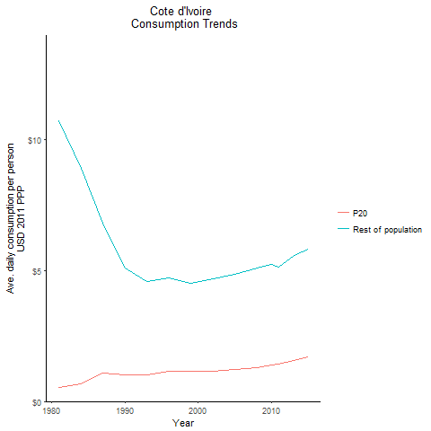
CountryName | P20 | Rest of population | Year
Cote d'Ivoire | 0.51808686476 | 10.712544771 | 1981
Cote d'Ivoire | 0.67940524376 | 8.9141424727 | 1984
Cote d'Ivoire | 1.0229270575 | 5.1038572045 | 1990
Cote d'Ivoire | 1.0755464766 | 6.8228503458 | 1987
Cote d'Ivoire | 1.0046565055 | 4.5816421675 | 1993
Cote d'Ivoire | 1.1610477287 | 4.7228993089 | 1996
Cote d'Ivoire | 1.1549243293 | 4.527033432 | 1999
Cote d'Ivoire | 1.1652931801 | 4.6864088697 | 2002
Cote d'Ivoire | 1.2371180559 | 4.8548262966 | 2005
Cote d'Ivoire | 1.2732751608 | 5.1047917887 | 2008
Cote d'Ivoire | 1.3893276449 | 5.2208805417 | 2010
Cote d'Ivoire | 1.4164542897 | 5.1395892048 | 2011
Cote d'Ivoire | 1.4848581444 | 5.3404013147 | 2012
Cote d'Ivoire | 1.5727392981 | 5.5687251252 | 2013
Cote d'Ivoire | 1.6880385096 | 5.7998243379 | 2015

Eswatini
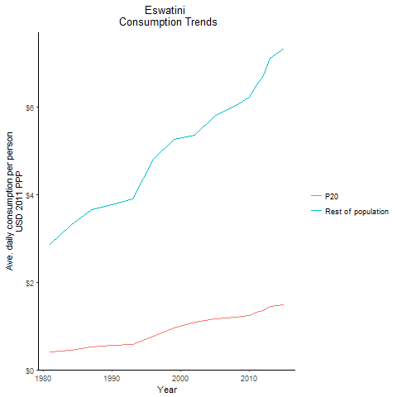
CountryName | P20 | Rest of population | Year
Eswatini | 0.41316028788 | 2.8596044921 | 1981
Eswatini | 0.45073455445 | 3.2947664117 | 1984
Eswatini | 0.56644079345 | 3.7799031881 | 1990
Eswatini | 0.51257262342 | 3.6485156622 | 1987
Eswatini | 0.58196516908 | 3.9007783423 | 1993
Eswatini | 0.77212682831 | 4.8135753901 | 1996
Eswatini | 0.96268201321 | 5.2677544182 | 1999
Eswatini | 1.093834515 | 5.358865364 | 2002
Eswatini | 1.1729610806 | 5.807861666 | 2005
Eswatini | 1.2100554286 | 6.0427951655 | 2008
Eswatini | 1.2483870854 | 6.2339488283 | 2010
Eswatini | 1.3120636782 | 6.5028635617 | 2011
Eswatini | 1.3577469129 | 6.7233936913 | 2012
Eswatini | 1.4378244354 | 7.1086114793 | 2013
Eswatini | 1.4890068791 | 7.3323128046 | 2015

Ethiopia
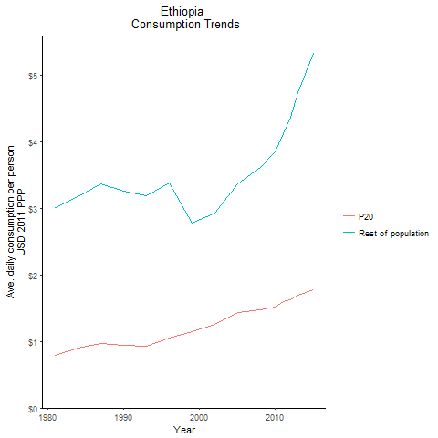
CountryName | P20 | Rest of population | Year
Ethiopia | 0.79076629561 | 3.0128287876 | 1981
Ethiopia | 0.89960451464 | 3.1789746418 | 1984
Ethiopia | 0.94741130294 | 3.2616174474 | 1990
Ethiopia | 0.97362957647 | 3.3750302769 | 1987
Ethiopia | 0.92594244154 | 3.1967572579 | 1993
Ethiopia | 1.0498933855 | 3.3836776251 | 1996
Ethiopia | 1.1428227679 | 2.7802638974 | 1999
Ethiopia | 1.2580596436 | 2.925321673 | 2002
Ethiopia | 1.4398514752 | 3.3740650739 | 2005
Ethiopia | 1.4705591995 | 3.6163797871 | 2008
Ethiopia | 1.5232091964 | 3.850220126 | 2010
Ethiopia | 1.5974306703 | 4.1300703523 | 2011
Ethiopia | 1.6293531823 | 4.3725639172 | 2012
Ethiopia | 1.7026993217 | 4.7394256336 | 2013
Ethiopia | 1.7742177201 | 5.3260463741 | 2015

Gabon
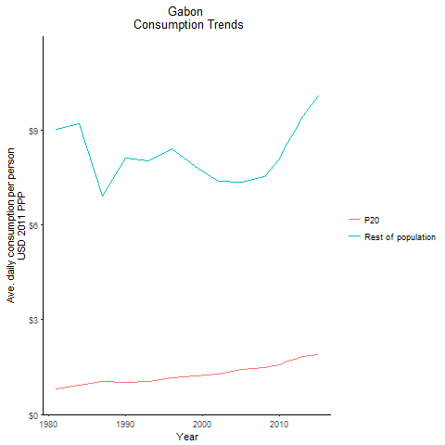
CountryName | P20 | Rest of population | Year
Gabon | 0.80270768666 | 9.0071699598 | 1981
Gabon | 0.92227488686 | 9.1895761197 | 1984
Gabon | 1.0044313575 | 8.1088944236 | 1990
Gabon | 1.0413543679 | 6.9091957479 | 1987
Gabon | 1.0557773251 | 8.0219605206 | 1993
Gabon | 1.1720542621 | 8.4047096056 | 1996
Gabon | 1.2113306885 | 7.8301619075 | 1999
Gabon | 1.2854720059 | 7.3679056779 | 2002
Gabon | 1.4333371223 | 7.3504318897 | 2005
Gabon | 1.486317217 | 7.5251766353 | 2008
Gabon | 1.5808624391 | 8.0722943455 | 2010
Gabon | 1.6800347899 | 8.6106840569 | 2011
Gabon | 1.737446645 | 8.990305608 | 2012
Gabon | 1.8231729731 | 9.4354567533 | 2013
Gabon | 1.9046451825 | 10.060558826 | 2015

Gambia, The
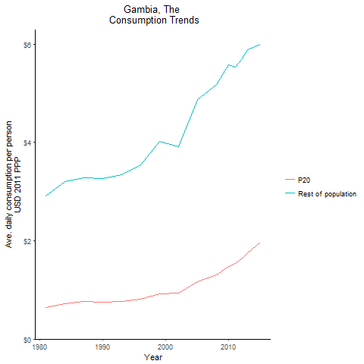
CountryName | P20 | Rest of population | Year
Gambia, The | 0.63932272476 | 2.9086266962 | 1981
Gambia, The | 0.72557829147 | 3.1979859974 | 1984
Gambia, The | 0.75557132951 | 3.2699457077 | 1990
Gambia, The | 0.75792158933 | 3.2784581303 | 1987
Gambia, The | 0.77296616127 | 3.3404635253 | 1993
Gambia, The | 0.81685325824 | 3.5405068136 | 1996
Gambia, The | 0.92532918196 | 4.0250948179 | 1999
Gambia, The | 0.93108125803 | 3.9138636042 | 2002
Gambia, The | 1.1626274173 | 4.8630952777 | 2005
Gambia, The | 1.3105080767 | 5.1832866883 | 2008
Gambia, The | 1.4740188468 | 5.5727902557 | 2010
Gambia, The | 1.5394806478 | 5.5303828502 | 2011
Gambia, The | 1.6215227988 | 5.6910403145 | 2012
Gambia, The | 1.7490460137 | 5.8943481606 | 2013
Gambia, The | 1.9656350976 | 5.987800834 | 2015

Ghana
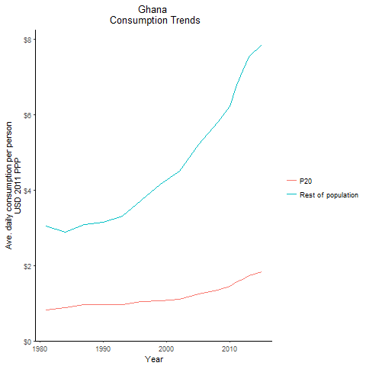
CountryName | P20 | Rest of population | Year
Ghana | 0.81334748193 | 3.0512078344 | 1981
Ghana | 0.87837182629 | 2.8774214782 | 1984
Ghana | 0.95334122374 | 3.1391379986 | 1990
Ghana | 0.95648475678 | 3.0830505426 | 1987
Ghana | 0.97105654871 | 3.3044127021 | 1993
Ghana | 1.0487354563 | 3.7443018017 | 1996
Ghana | 1.0608568332 | 4.1538424226 | 1999
Ghana | 1.1135185571 | 4.5104252278 | 2002
Ghana | 1.2442985581 | 5.2173023709 | 2005
Ghana | 1.3514082004 | 5.8072916005 | 2008
Ghana | 1.4528791023 | 6.214261811 | 2010
Ghana | 1.5679608257 | 6.7993756613 | 2011
Ghana | 1.6349795822 | 7.1670151702 | 2012
Ghana | 1.7369203852 | 7.5369335085 | 2013
Ghana | 1.8343122665 | 7.8521255049 | 2015

Guinea
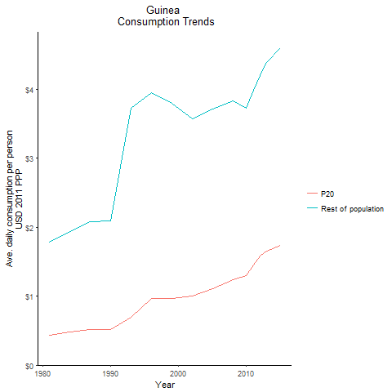
CountryName | P20 | Rest of population | Year
Guinea | 0.43927818191 | 1.778940061 | 1981
Guinea | 0.48152353107 | 1.9437400799 | 1984
Guinea | 0.51882972028 | 2.0967600702 | 1990
Guinea | 0.51521953959 | 2.086018343 | 1987
Guinea | 0.6925766725 | 3.7297354581 | 1993
Guinea | 0.96812572519 | 3.9554458756 | 1996
Guinea | 0.96921658743 | 3.8004627588 | 1999
Guinea | 0.99930080815 | 3.5791220259 | 2002
Guinea | 1.105615249 | 3.7106805228 | 2005
Guinea | 1.2415227112 | 3.8391463279 | 2008
Guinea | 1.2940726688 | 3.7236195363 | 2010
Guinea | 1.446994132 | 3.9882946634 | 2011
Guinea | 1.5822062838 | 4.2050646033 | 2012
Guinea | 1.6565577449 | 4.3944238178 | 2013
Guinea | 1.7348313592 | 4.5991715215 | 2015

Guinea-Bissau
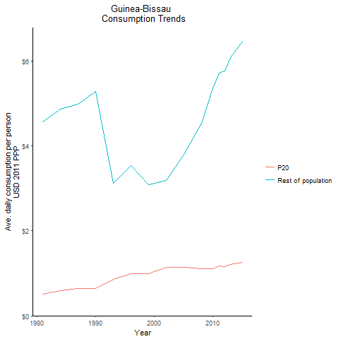
CountryName | P20 | Rest of population | Year
Guinea-Bissau | 0.50451181118 | 4.5739203158 | 1981
Guinea-Bissau | 0.58814137291 | 4.8658771142 | 1984
Guinea-Bissau | 0.64137664069 | 5.2872979164 | 1990
Guinea-Bissau | 0.64176722486 | 4.9798597046 | 1987
Guinea-Bissau | 0.85164463723 | 3.125840503 | 1993
Guinea-Bissau | 0.98805705589 | 3.5443074778 | 1996
Guinea-Bissau | 0.98693145784 | 3.0795014207 | 1999
Guinea-Bissau | 1.1351939896 | 3.1929708815 | 2002
Guinea-Bissau | 1.1358299156 | 3.8054430861 | 2005
Guinea-Bissau | 1.1089156365 | 4.5402375253 | 2008
Guinea-Bissau | 1.1114860185 | 5.3618687392 | 2010
Guinea-Bissau | 1.1795527884 | 5.7207803669 | 2011
Guinea-Bissau | 1.1626127974 | 5.7589335713 | 2012
Guinea-Bissau | 1.2012205322 | 6.0755268079 | 2013
Guinea-Bissau | 1.2512519133 | 6.4559026874 | 2015

Kenya
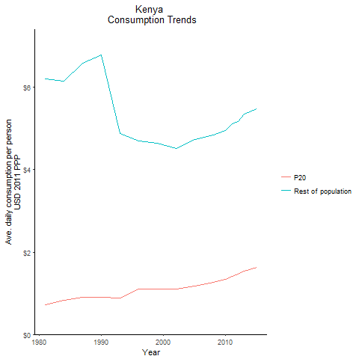
CountryName | P20 | Rest of population | Year
Kenya | 0.72615333053 | 6.2100601975 | 1981
Kenya | 0.82284615057 | 6.1444424896 | 1984
Kenya | 0.90044677495 | 6.7871981044 | 1990
Kenya | 0.89878693554 | 6.5916110679 | 1987
Kenya | 0.87624386836 | 4.8761711753 | 1993
Kenya | 1.0928340198 | 4.7010134579 | 1996
Kenya | 1.0980860045 | 4.6442547196 | 1999
Kenya | 1.0933617235 | 4.5118131043 | 2002
Kenya | 1.1752007459 | 4.7371537674 | 2005
Kenya | 1.2649766725 | 4.8445621253 | 2008
Kenya | 1.3447194462 | 4.956361728 | 2010
Kenya | 1.4165149028 | 5.1123818802 | 2011
Kenya | 1.4599309278 | 5.1740068844 | 2012
Kenya | 1.5375468079 | 5.3488481733 | 2013
Kenya | 1.6279557202 | 5.4811084076 | 2015

Lesotho
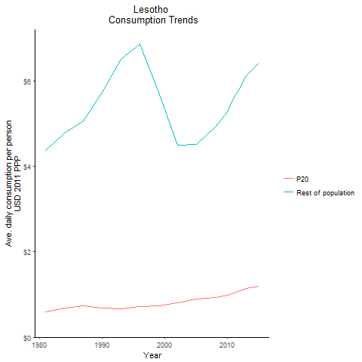
CountryName | P20 | Rest of population | Year
Lesotho | 0.60154887032 | 4.3698550951 | 1981
Lesotho | 0.68736412997 | 4.7726201428 | 1984
Lesotho | 0.68029792649 | 5.7261822938 | 1990
Lesotho | 0.73049869745 | 5.052138337 | 1987
Lesotho | 0.65759322932 | 6.5132230273 | 1993
Lesotho | 0.71560170746 | 6.8531042693 | 1996
Lesotho | 0.74207744526 | 5.7393259946 | 1999
Lesotho | 0.80196734248 | 4.4921189873 | 2002
Lesotho | 0.88828636803 | 4.5181754492 | 2005
Lesotho | 0.93080936722 | 4.9144215603 | 2008
Lesotho | 0.97660306658 | 5.2756514215 | 2010
Lesotho | 1.042805483 | 5.6291855055 | 2011
Lesotho | 1.0823006232 | 5.8458689291 | 2012
Lesotho | 1.1343956221 | 6.1146547257 | 2013
Lesotho | 1.1923279697 | 6.4260813537 | 2015

Liberia
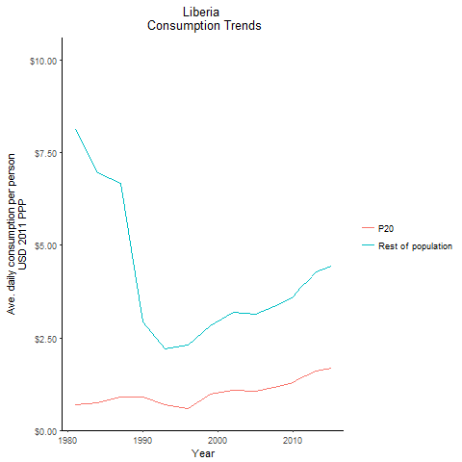
CountryName | P20 | Rest of population | Year
Liberia | 0.68897904807 | 8.1432825332 | 1981
Liberia | 0.73942980112 | 6.9561124141 | 1984
Liberia | 0.89031401894 | 2.9265484993 | 1990
Liberia | 0.90112862241 | 6.6860664095 | 1987
Liberia | 0.68975813022 | 2.2055321192 | 1993
Liberia | 0.5966162538 | 2.3106545405 | 1996
Liberia | 0.98544660029 | 2.8266144546 | 1999
Liberia | 1.077170097 | 3.1839482933 | 2002
Liberia | 1.0627558098 | 3.1305684728 | 2005
Liberia | 1.1908237462 | 3.4046824093 | 2008
Liberia | 1.2965221213 | 3.611106128 | 2010
Liberia | 1.4147588311 | 3.8727054849 | 2011
Liberia | 1.5066634763 | 4.046382674 | 2012
Liberia | 1.6056368517 | 4.2811370222 | 2013
Liberia | 1.6788616346 | 4.429432019 | 2015

Madagascar
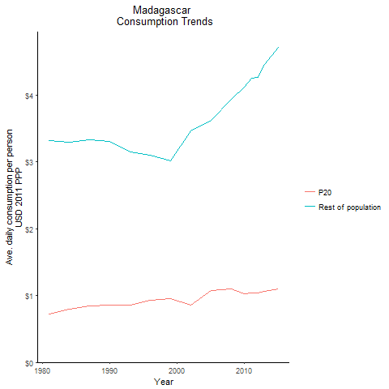
CountryName | P20 | Rest of population | Year
Madagascar | 0.72318680004 | 3.3193622133 | 1981
Madagascar | 0.79237339688 | 3.2969665092 | 1984
Madagascar | 0.8583249408 | 3.3096762499 | 1990
Madagascar | 0.85040581565 | 3.3324718669 | 1987
Madagascar | 0.86211274514 | 3.1518584143 | 1993
Madagascar | 0.93506132417 | 3.0952253868 | 1996
Madagascar | 0.94837915179 | 3.0138464909 | 1999
Madagascar | 0.85483020377 | 3.4688592587 | 2002
Madagascar | 1.0802146353 | 3.6186561956 | 2005
Madagascar | 1.0954396357 | 3.9390723301 | 2008
Madagascar | 1.0215527396 | 4.1209720811 | 2010
Madagascar | 1.0334187418 | 4.2583703185 | 2011
Madagascar | 1.039254569 | 4.2666896348 | 2012
Madagascar | 1.0617345721 | 4.4656592094 | 2013
Madagascar | 1.0952438586 | 4.7090258523 | 2015

Malawi
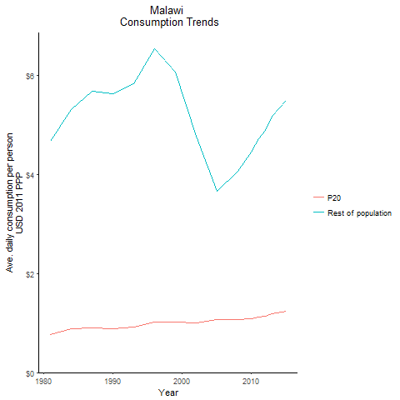
CountryName | P20 | Rest of population | Year
Malawi | 0.76822562974 | 4.6704930264 | 1981
Malawi | 0.87750086016 | 5.311377923 | 1984
Malawi | 0.88045973749 | 5.6306363037 | 1990
Malawi | 0.90018706288 | 5.6701900225 | 1987
Malawi | 0.92240177282 | 5.8331560975 | 1993
Malawi | 1.0207567089 | 6.5253315027 | 1996
Malawi | 1.0269811474 | 6.0580015266 | 1999
Malawi | 1.0006061601 | 4.7712989057 | 2002
Malawi | 1.0670186953 | 3.6539648874 | 2005
Malawi | 1.0667197551 | 4.0615850819 | 2008
Malawi | 1.0800298162 | 4.4460214092 | 2010
Malawi | 1.1182631191 | 4.7211018654 | 2011
Malawi | 1.1334775302 | 4.8869431635 | 2012
Malawi | 1.1794615836 | 5.1764703554 | 2013
Malawi | 1.2291070513 | 5.4891080447 | 2015

Mali
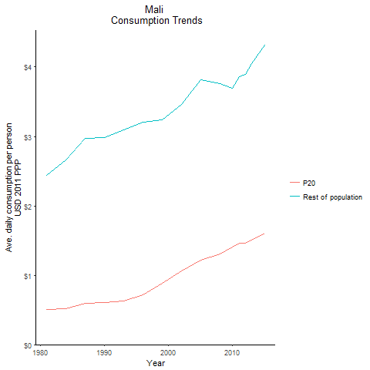
CountryName | P20 | Rest of population | Year
Mali | 0.51011620762 | 2.4410890517 | 1981
Mali | 0.52129713707 | 2.6653313118 | 1984
Mali | 0.6021044564 | 2.9857507846 | 1990
Mali | 0.59217193116 | 2.9701449949 | 1987
Mali | 0.62468545248 | 3.0979769481 | 1993
Mali | 0.72213976788 | 3.2033067418 | 1996
Mali | 0.88747051142 | 3.2395931271 | 1999
Mali | 1.0609422355 | 3.4577750106 | 2002
Mali | 1.2121277981 | 3.8217640166 | 2005
Mali | 1.3116394314 | 3.7637273577 | 2008
Mali | 1.403220953 | 3.699395355 | 2010
Mali | 1.4600057097 | 3.8639663182 | 2011
Mali | 1.4627103826 | 3.8963428596 | 2012
Mali | 1.5067927866 | 4.0473017887 | 2013
Mali | 1.6065070632 | 4.3112086068 | 2015

Mauritania
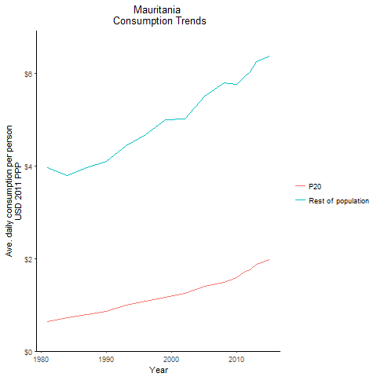
CountryName | P20 | Rest of population | Year
Mauritania | 0.64116383278 | 3.9660239096 | 1981
Mauritania | 0.72490274812 | 3.8010103769 | 1984
Mauritania | 0.86229363749 | 4.1077071591 | 1990
Mauritania | 0.78920267928 | 3.9621008017 | 1987
Mauritania | 0.99387250368 | 4.4476343863 | 1993
Mauritania | 1.0835393512 | 4.681931676 | 1996
Mauritania | 1.1574300319 | 4.9961184553 | 1999
Mauritania | 1.2477056061 | 5.0168828842 | 2002
Mauritania | 1.4054957456 | 5.5163270903 | 2005
Mauritania | 1.4903902791 | 5.8051772626 | 2008
Mauritania | 1.5895570581 | 5.7668341106 | 2010
Mauritania | 1.7004285943 | 5.9218749721 | 2011
Mauritania | 1.7615263006 | 6.0420971326 | 2012
Mauritania | 1.8693751135 | 6.2484474277 | 2013
Mauritania | 1.9859253683 | 6.3738647615 | 2015

Mauritius
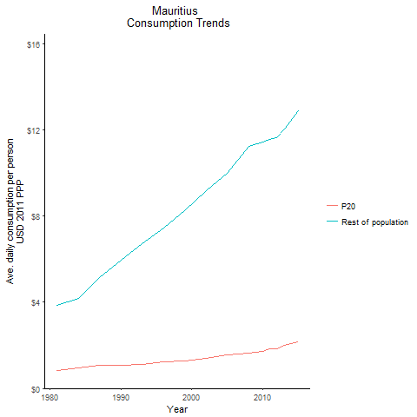
CountryName | P20 | Rest of population | Year
Mauritius | 0.82105160101 | 3.845640558 | 1981
Mauritius | 0.95335042522 | 4.1604396555 | 1984
Mauritius | 1.0751333984 | 5.9667935537 | 1990
Mauritius | 1.0653377347 | 5.1441385758 | 1987
Mauritius | 1.1245338244 | 6.7089924624 | 1993
Mauritius | 1.2478556308 | 7.4447309138 | 1996
Mauritius | 1.28933932 | 8.244827547 | 1999
Mauritius | 1.3904240679 | 9.1784015372 | 2002
Mauritius | 1.5396370864 | 9.9938642899 | 2005
Mauritius | 1.6298482827 | 11.2457859 | 2008
Mauritius | 1.7319464081 | 11.44519138 | 2010
Mauritius | 1.8210054917 | 11.566758204 | 2011
Mauritius | 1.8441732092 | 11.66138786 | 2012
Mauritius | 2.0184252993 | 12.053112784 | 2013
Mauritius | 2.1546036557 | 12.896319638 | 2015

Mozambique
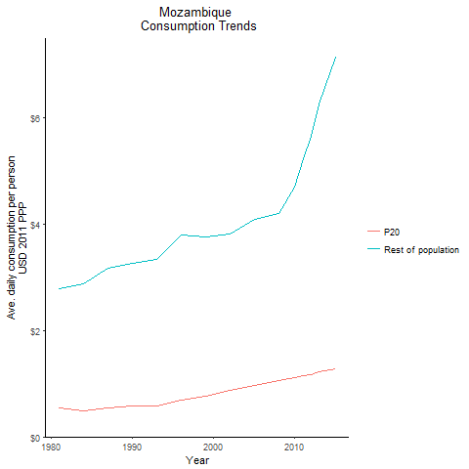
CountryName | P20 | Rest of population | Year
Mozambique | 0.53619493286 | 2.7849159864 | 1981
Mozambique | 0.48666682712 | 2.880838242 | 1984
Mozambique | 0.57721064948 | 3.2517749321 | 1990
Mozambique | 0.53889922977 | 3.1689049875 | 1987
Mozambique | 0.58104891234 | 3.331029123 | 1993
Mozambique | 0.68359533558 | 3.797691855 | 1996
Mozambique | 0.76785313027 | 3.7648782412 | 1999
Mozambique | 0.86959809757 | 3.8195465562 | 2002
Mozambique | 0.97183101613 | 4.085014761 | 2005
Mozambique | 1.0566631734 | 4.2018183049 | 2008
Mozambique | 1.1042072832 | 4.6945536882 | 2010
Mozambique | 1.1502862969 | 5.2249764767 | 2011
Mozambique | 1.1759003928 | 5.6455484325 | 2012
Mozambique | 1.2192500116 | 6.2559221494 | 2013
Mozambique | 1.2806729695 | 7.1248779786 | 2015

Namibia
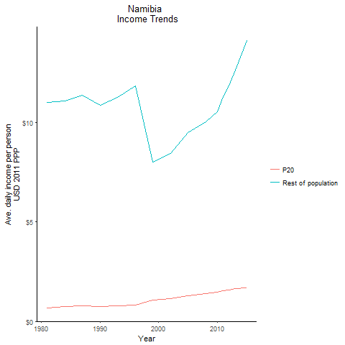
CountryName | P20 | Rest of population | Year
Namibia | 0.68898772098 | 10.99534844 | 1981
Namibia | 0.72955309543 | 11.093036703 | 1984
Namibia | 0.73639304984 | 10.85457774 | 1990
Namibia | 0.76363427258 | 11.379732868 | 1987
Namibia | 0.76339681205 | 11.247812998 | 1993
Namibia | 0.81515981905 | 11.825922644 | 1996
Namibia | 1.0665009997 | 8.0209901005 | 1999
Namibia | 1.1284071748 | 8.4429968572 | 2002
Namibia | 1.2806909495 | 9.4720318477 | 2005
Namibia | 1.3950208624 | 10.015189706 | 2008
Namibia | 1.484544746 | 10.536317052 | 2010
Namibia | 1.5552399996 | 11.277701994 | 2011
Namibia | 1.5810635209 | 11.831507229 | 2012
Namibia | 1.6453119927 | 12.623452325 | 2013
Namibia | 1.6922572219 | 14.099690829 | 2015

Niger
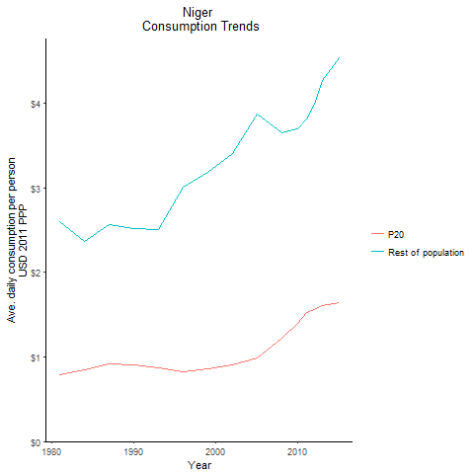
CountryName | P20 | Rest of population | Year
Niger | 0.78636791543 | 2.5927504307 | 1981
Niger | 0.84568893827 | 2.3662299305 | 1984
Niger | 0.90569338769 | 2.5209916442 | 1990
Niger | 0.91785563888 | 2.5578248714 | 1987
Niger | 0.87604145174 | 2.5047242278 | 1993
Niger | 0.82521121918 | 3.0071510377 | 1996
Niger | 0.86005225347 | 3.1797638481 | 1999
Niger | 0.90007006646 | 3.4005064833 | 2002
Niger | 0.98982291992 | 3.8738963745 | 2005
Niger | 1.2245267372 | 3.6535248489 | 2008
Niger | 1.3973961941 | 3.6905560825 | 2010
Niger | 1.5292003894 | 3.817329542 | 2011
Niger | 1.5597551954 | 3.9882817346 | 2012
Niger | 1.6008510662 | 4.2680109386 | 2013
Niger | 1.6411978678 | 4.5296915773 | 2015

Nigeria
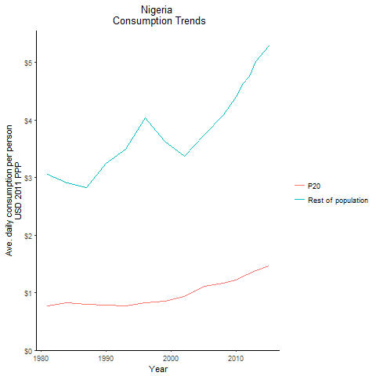
CountryName | P20 | Rest of population | Year
Nigeria | 0.77090669797 | 3.0622720046 | 1981
Nigeria | 0.8192723598 | 2.9149588805 | 1984
Nigeria | 0.77862104679 | 3.248812551 | 1990
Nigeria | 0.801561353 | 2.8290799683 | 1987
Nigeria | 0.76887838104 | 3.4886165036 | 1993
Nigeria | 0.82457200482 | 4.0335710236 | 1996
Nigeria | 0.85224267357 | 3.6266892301 | 1999
Nigeria | 0.9283743323 | 3.3682192427 | 2002
Nigeria | 1.1065749657 | 3.746010981 | 2005
Nigeria | 1.1658813737 | 4.0881905544 | 2008
Nigeria | 1.2245246241 | 4.4026438642 | 2010
Nigeria | 1.2885893382 | 4.6375619668 | 2011
Nigeria | 1.3235202909 | 4.7667017441 | 2012
Nigeria | 1.3895662062 | 5.015022794 | 2013
Nigeria | 1.4616826175 | 5.2862505508 | 2015

Rwanda
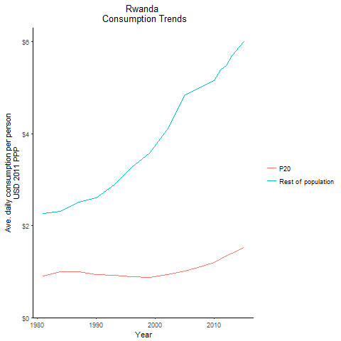
CountryName | P20 | Rest of population | Year
Rwanda | 0.90257595596 | 2.2706909651 | 1981
Rwanda | 0.99481138407 | 2.3166925106 | 1984
Rwanda | 0.93249677356 | 2.6049825521 | 1990
Rwanda | 1.0010944189 | 2.5069020975 | 1987
Rwanda | 0.92414563696 | 2.8833668613 | 1993
Rwanda | 0.8904778418 | 3.2650433109 | 1996
Rwanda | 0.87431590533 | 3.5805598156 | 1999
Rwanda | 0.9308811453 | 4.092774487 | 2002
Rwanda | 1.0157964486 | 4.8439118555 | 2005
Rwanda | 1.11621427 | 5.0327651738 | 2008
Rwanda | 1.2013445971 | 5.1515117406 | 2010
Rwanda | 1.2703269031 | 5.3874419483 | 2011
Rwanda | 1.3311475998 | 5.481368408 | 2012
Rwanda | 1.3963409907 | 5.697228592 | 2013
Rwanda | 1.5219376266 | 5.9940033491 | 2015

Senegal
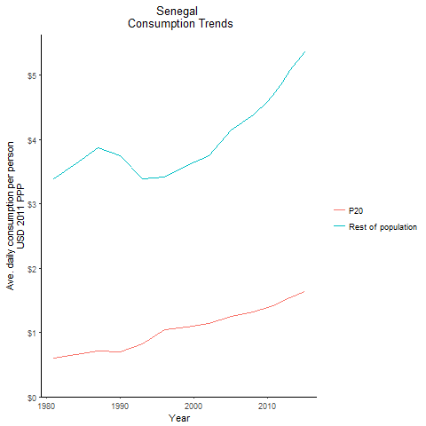
CountryName | P20 | Rest of population | Year
Senegal | 0.59724511554 | 3.3943707894 | 1981
Senegal | 0.66403029036 | 3.6222194981 | 1984
Senegal | 0.69853316221 | 3.744071834 | 1990
Senegal | 0.71619932495 | 3.8674998354 | 1987
Senegal | 0.82341240232 | 3.394544539 | 1993
Senegal | 1.0400595879 | 3.4129116899 | 1996
Senegal | 1.0877717828 | 3.5985377445 | 1999
Senegal | 1.1369059794 | 3.7522054781 | 2002
Senegal | 1.2511817565 | 4.1435891639 | 2005
Senegal | 1.3198987974 | 4.3846309662 | 2008
Senegal | 1.3834097395 | 4.5936547881 | 2010
Senegal | 1.4347903812 | 4.7418135359 | 2011
Senegal | 1.4824488721 | 4.8911610929 | 2012
Senegal | 1.5446397982 | 5.0761263083 | 2013
Senegal | 1.6319978854 | 5.3578484315 | 2015

Seychelles
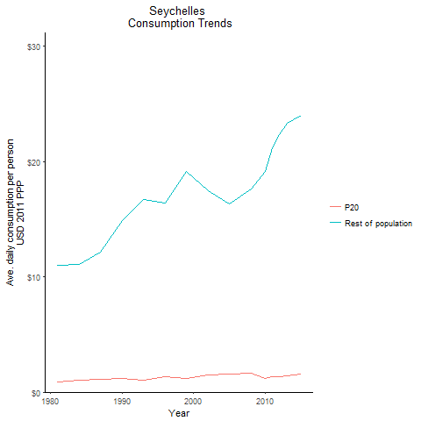
CountryName | P20 | Rest of population | Year
Seychelles | 0.88154344071 | 10.971228596 | 1981
Seychelles | 1.0211585312 | 11.081226878 | 1984
Seychelles | 1.1980730809 | 14.910593211 | 1990
Seychelles | 1.1173546594 | 12.125108208 | 1987
Seychelles | 1.009910112 | 16.704380039 | 1993
Seychelles | 1.3154127385 | 16.370941053 | 1996
Seychelles | 1.1581373468 | 19.156128143 | 1999
Seychelles | 1.4819130844 | 17.505953871 | 2002
Seychelles | 1.538898111 | 16.317108809 | 2005
Seychelles | 1.6526742232 | 17.655780746 | 2008
Seychelles | 1.2225558035 | 19.161886927 | 2010
Seychelles | 1.3145651693 | 21.212100179 | 2011
Seychelles | 1.3293398799 | 22.376706163 | 2012
Seychelles | 1.444806908 | 23.313707657 | 2013
Seychelles | 1.5323103916 | 24.016862157 | 2015

Sierra Leone
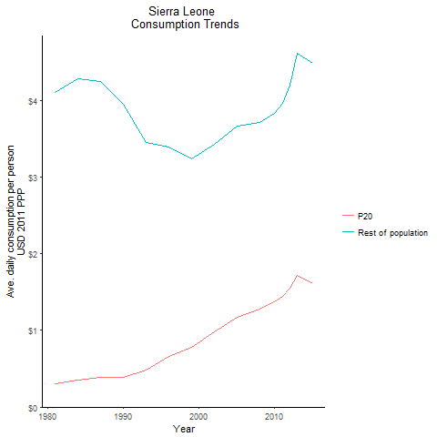
CountryName | P20 | Rest of population | Year
Sierra Leone | 0.30083638398 | 4.0982712876 | 1981
Sierra Leone | 0.35028396091 | 4.2820435846 | 1984
Sierra Leone | 0.38468644072 | 3.9480548954 | 1990
Sierra Leone | 0.38314743522 | 4.2451468496 | 1987
Sierra Leone | 0.48679907642 | 3.4438230957 | 1993
Sierra Leone | 0.65632296413 | 3.3923470106 | 1996
Sierra Leone | 0.77998011095 | 3.2360002869 | 1999
Sierra Leone | 0.98495399647 | 3.4304156728 | 2002
Sierra Leone | 1.1712004261 | 3.6591859257 | 2005
Sierra Leone | 1.2767745777 | 3.7118824391 | 2008
Sierra Leone | 1.374270147 | 3.8262838562 | 2010
Sierra Leone | 1.4446115469 | 3.9556869582 | 2011
Sierra Leone | 1.551850666 | 4.195847652 | 2012
Sierra Leone | 1.7174608644 | 4.6063427555 | 2013
Sierra Leone | 1.6046317379 | 4.478457686 | 2015

South Africa
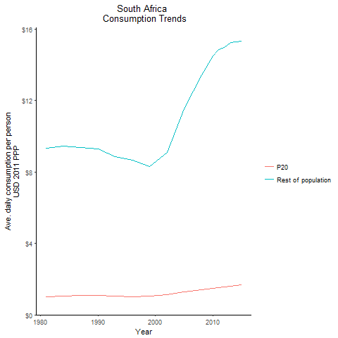
CountryName | P20 | Rest of population | Year
South Africa | 1.0001466788 | 9.3298811318 | 1981
South Africa | 1.0627797876 | 9.4384662439 | 1984
South Africa | 1.0831202858 | 9.2992396777 | 1990
South Africa | 1.0895073985 | 9.3463423919 | 1987
South Africa | 1.0613623848 | 8.858039026 | 1993
South Africa | 1.0073423105 | 8.6673141952 | 1996
South Africa | 1.0446130592 | 8.2797720462 | 1999
South Africa | 1.1383676885 | 9.0872277909 | 2002
South Africa | 1.2702837656 | 11.526848786 | 2005
South Africa | 1.4093435408 | 13.416953733 | 2008
South Africa | 1.4755538051 | 14.477818089 | 2010
South Africa | 1.5378896744 | 14.843849779 | 2011
South Africa | 1.5635167335 | 14.94759724 | 2012
South Africa | 1.6187650746 | 15.214690331 | 2013
South Africa | 1.6668747211 | 15.292499241 | 2015

Sudan

CountryName | P20 | Rest of population | Year
Sudan | 0.75278045069 | 2.8847492072 | 1981
Sudan | 0.86643441027 | 2.8800905834 | 1984
Sudan | 0.92242161924 | 2.933673892 | 1990
Sudan | 0.93801547251 | 3.0403953375 | 1987
Sudan | 0.97502634943 | 3.1805947868 | 1993
Sudan | 1.0687981921 | 3.3999932349 | 1996
Sudan | 1.1063264495 | 3.6265705634 | 1999
Sudan | 1.1852537642 | 3.960101723 | 2002
Sudan | 1.3322187051 | 4.4129083132 | 2005
Sudan | 1.4492352115 | 5.1652563312 | 2008
Sudan | 1.5407547629 | 5.3248396847 | 2010
Sudan | 1.6487297265 | 5.72816672 | 2011
Sudan | 1.7360870955 | 6.3164842067 | 2012
Sudan | 1.8264040452 | 6.5053469173 | 2013
Sudan | 1.9293113811 | 6.7445567034 | 2015

Tanzania
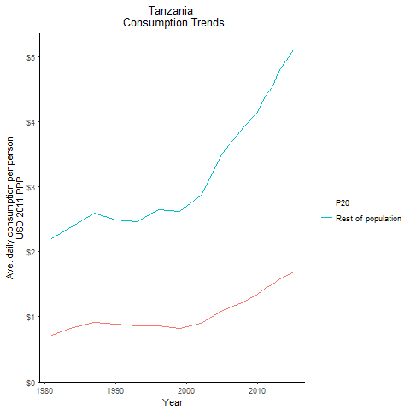
CountryName | P20 | Rest of population | Year
Tanzania | 0.71528776592 | 2.1960679148 | 1981
Tanzania | 0.8287559379 | 2.3937378024 | 1984
Tanzania | 0.88899435479 | 2.4835085939 | 1990
Tanzania | 0.91398555045 | 2.5992637073 | 1987
Tanzania | 0.86412567709 | 2.467072262 | 1993
Tanzania | 0.85741263495 | 2.6418809756 | 1996
Tanzania | 0.81565362013 | 2.6126086469 | 1999
Tanzania | 0.89821210413 | 2.8683496195 | 2002
Tanzania | 1.0955131039 | 3.5104327394 | 2005
Tanzania | 1.2277791635 | 3.9221603744 | 2008
Tanzania | 1.3399868721 | 4.1430443595 | 2010
Tanzania | 1.4404024988 | 4.3926107802 | 2011
Tanzania | 1.4957444637 | 4.5185089294 | 2012
Tanzania | 1.5733027282 | 4.7766887828 | 2013
Tanzania | 1.6818172888 | 5.0928353437 | 2015

Togo
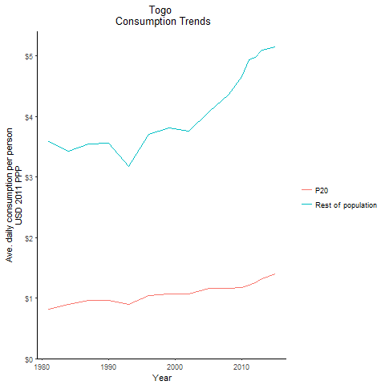
CountryName | P20 | Rest of population | Year
Togo | 0.81046123467 | 3.585250371 | 1981
Togo | 0.90228342375 | 3.4298983939 | 1984
Togo | 0.96404803248 | 3.5575188193 | 1990
Togo | 0.9651159596 | 3.5425826485 | 1987
Togo | 0.90064253574 | 3.1722766589 | 1993
Togo | 1.0421777727 | 3.7083792095 | 1996
Togo | 1.0660288069 | 3.8087516075 | 1999
Togo | 1.067983099 | 3.7551677962 | 2002
Togo | 1.1573660622 | 4.0781096629 | 2005
Togo | 1.165902072 | 4.3646265725 | 2008
Togo | 1.1750699783 | 4.6530613892 | 2010
Togo | 1.2138117754 | 4.9397510153 | 2011
Togo | 1.2554124998 | 4.977778218 | 2012
Togo | 1.3178472207 | 5.0905860867 | 2013
Togo | 1.4051249649 | 5.1423055404 | 2015

Zambia
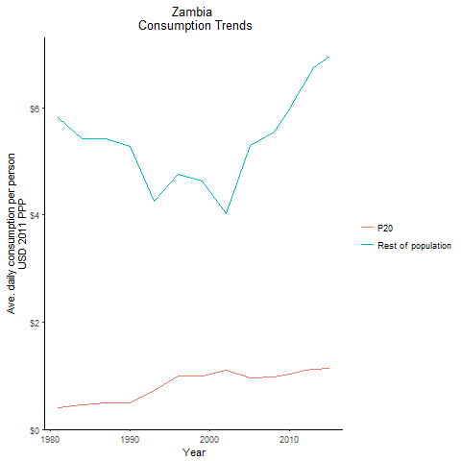
CountryName | P20 | Rest of population | Year
Zambia | 0.40518977691 | 5.8172021422 | 1981
Zambia | 0.45728908683 | 5.4186853962 | 1984
Zambia | 0.49570251244 | 5.2828372982 | 1990
Zambia | 0.499287617 | 5.4258642169 | 1987
Zambia | 0.72865824216 | 4.2533005655 | 1993
Zambia | 0.99555036217 | 4.7538094433 | 1996
Zambia | 1.0056314092 | 4.6305086345 | 1999
Zambia | 1.0982721834 | 4.0338643357 | 2002
Zambia | 0.96687721853 | 5.2991067845 | 2005
Zambia | 0.97762805735 | 5.5519925627 | 2008
Zambia | 1.0321209244 | 5.9775509877 | 2010
Zambia | 1.0664578224 | 6.2608328574 | 2011
Zambia | 1.0988230826 | 6.5020091732 | 2012
Zambia | 1.1269847888 | 6.7568493668 | 2013
Zambia | 1.1342670331 | 6.9568885054 | 2015

Zimbabwe
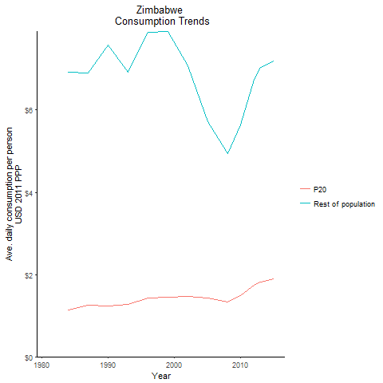
CountryName | P20 | Rest of population | Year
Zimbabwe |  |  | 1981
Zimbabwe | 1.1402369778 | 6.924275905 | 1984
Zimbabwe | 1.2439424915 | 7.5832771682 | 1990
Zimbabwe | 1.2458605661 | 6.8999459553 | 1987
Zimbabwe | 1.277525943 | 6.924388272 | 1993
Zimbabwe | 1.4321315284 | 7.8986330016 | 1996
Zimbabwe | 1.448036619 | 7.9104505644 | 1999
Zimbabwe | 1.4578696917 | 7.0674384729 | 2002
Zimbabwe | 1.4201794926 | 5.7175282298 | 2005
Zimbabwe | 1.336517157 | 4.9375891152 | 2008
Zimbabwe | 1.4921696237 | 5.6390284509 | 2010
Zimbabwe | 1.6267815917 | 6.220015129 | 2011
Zimbabwe | 1.7314515226 | 6.747781086 | 2012
Zimbabwe | 1.821556426 | 7.0463946868 | 2013
Zimbabwe | 1.8908426076 | 7.1979036114 | 2015

Uganda
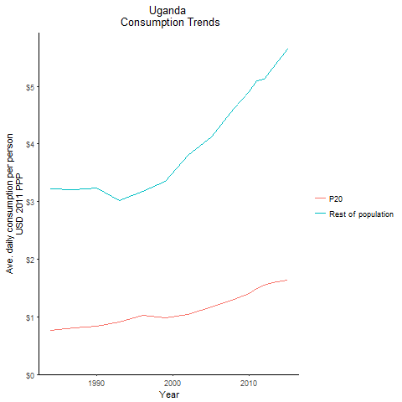
CountryName | P20 | Rest of population | Year
Uganda | 0.76945352461 | 3.2271531454 | 1984
Uganda | 0.83932274449 | 3.2290140833 | 1990
Uganda | 0.80690874169 | 3.2024827698 | 1987
Uganda | 0.91129004633 | 3.0197004862 | 1993
Uganda | 1.0213265503 | 3.1751728454 | 1996
Uganda | 0.98138685832 | 3.347020991 | 1999
Uganda | 1.0391767746 | 3.7982359947 | 2002
Uganda | 1.1675048712 | 4.1230926388 | 2005
Uganda | 1.3053842079 | 4.6204475399 | 2008
Uganda | 1.3976099476 | 4.9032442609 | 2010
Uganda | 1.494087142 | 5.1029387325 | 2011
Uganda | 1.5426751264 | 5.1267877245 | 2012
Uganda | 1.5997057478 | 5.3145993458 | 2013
Uganda | 1.6316412225 | 5.6425908539 | 2015

Sao Tome and Principe
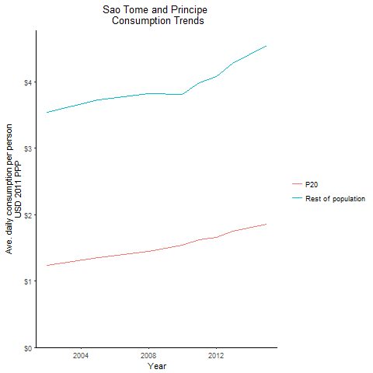
CountryName | P20 | Rest of population | Year
Sao Tome and Principe | 1.2378414356 | 3.5400683703 | 2002
Sao Tome and Principe | 1.3499335981 | 3.7207750953 | 2005
Sao Tome and Principe | 1.4488057281 | 3.8203657593 | 2008
Sao Tome and Principe | 1.5355509244 | 3.8075608119 | 2010
Sao Tome and Principe | 1.6171893772 | 3.9850818963 | 2011
Sao Tome and Principe | 1.6595871701 | 4.0789884132 | 2012
Sao Tome and Principe | 1.7462004235 | 4.2804773514 | 2013
Sao Tome and Principe | 1.8521358739 | 4.539263349 | 2015

South Sudan
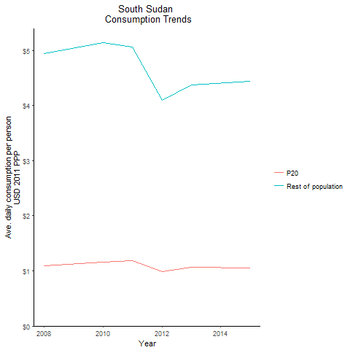
CountryName | P20 | Rest of population | Year
South Sudan | 1.0963656895 | 4.9384997838 | 2008
South Sudan | 1.1549998941 | 5.1343957779 | 2010
South Sudan | 1.1860234908 | 5.0588639867 | 2011
South Sudan | 0.99349680523 | 4.094983567 | 2012
South Sudan | 1.0667644545 | 4.3705068079 | 2013
South Sudan | 1.0517212849 | 4.4347831818 | 2015

