China
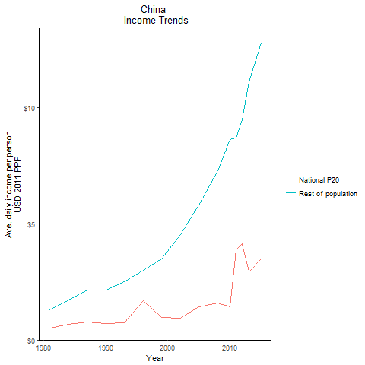
CountryName | National P20 | Rest of population | Year
China | 0.500511375 | 1.2984062658 | 1981
China | 0.500511375 | 1.2984062658 | 1981
China | 0.500511375 | 1.2984062658 | 1981
China | 0.500511375 | 1.2984062658 | 1981
China | 0.500511375 | 1.2984062658 | 1981
China | 0.500511375 | 1.2984062658 | 1981
China | 0.500511375 | 1.2984062658 | 1981
China | 0.500511375 | 1.2984062658 | 1981
China | 0.500511375 | 1.2984062658 | 1981
China | 0.500511375 | 1.2984062658 | 1981
China | 0.500511375 | 1.2984062658 | 1981
China | 0.500511375 | 1.2984062658 | 1981
China | 0.500511375 | 1.2984062658 | 1981
China | 0.500511375 | 1.2984062658 | 1981
China | 0.500511375 | 1.2984062658 | 1981
China | 0.500511375 | 1.2984062658 | 1981
China | 0.500511375 | 1.2984062658 | 1981
China | 0.500511375 | 1.2984062658 | 1981
China | 0.500511375 | 1.2984062658 | 1981
China | 0.500511375 | 1.2984062658 | 1981
China | 0.500511375 | 1.2984062658 | 1981
China | 0.500511375 | 1.2984062658 | 1981
China | 0.500511375 | 1.2984062658 | 1981
China | 0.500511375 | 1.2984062658 | 1981
China | 0.500511375 | 1.2984062658 | 1981
China | 0.500511375 | 1.2984062658 | 1981
China | 0.500511375 | 1.2984062658 | 1981
China | 0.67819818 | 1.7202051125 | 1984
China | 0.67819818 | 1.7202051125 | 1984
China | 0.67819818 | 1.7202051125 | 1984
China | 0.67819818 | 1.7202051125 | 1984
China | 0.67819818 | 1.7202051125 | 1984
China | 0.67819818 | 1.7202051125 | 1984
China | 0.67819818 | 1.7202051125 | 1984
China | 0.67819818 | 1.7202051125 | 1984
China | 0.67819818 | 1.7202051125 | 1984
China | 0.67819818 | 1.7202051125 | 1984
China | 0.67819818 | 1.7202051125 | 1984
China | 0.67819818 | 1.7202051125 | 1984
China | 0.67819818 | 1.7202051125 | 1984
China | 0.67819818 | 1.7202051125 | 1984
China | 0.67819818 | 1.7202051125 | 1984
China | 0.67819818 | 1.7202051125 | 1984
China | 0.67819818 | 1.7202051125 | 1984
China | 0.67819818 | 1.7202051125 | 1984
China | 0.67819818 | 1.7202051125 | 1984
China | 0.67819818 | 1.7202051125 | 1984
China | 0.67819818 | 1.7202051125 | 1984
China | 0.67819818 | 1.7202051125 | 1984
China | 0.67819818 | 1.7202051125 | 1984
China | 0.67819818 | 1.7202051125 | 1984
China | 0.67819818 | 1.7202051125 | 1984
China | 0.67819818 | 1.7202051125 | 1984
China | 0.67819818 | 1.7202051125 | 1984
China | 0.702690164 | 2.13006787 | 1990
China | 0.702690164 | 2.13006787 | 1990
China | 0.702690164 | 2.13006787 | 1990
China | 0.702690164 | 2.13006787 | 1990
China | 0.702690164 | 2.13006787 | 1990
China | 0.702690164 | 2.13006787 | 1990
China | 0.702690164 | 2.13006787 | 1990
China | 0.702690164 | 2.13006787 | 1990
China | 0.702690164 | 2.13006787 | 1990
China | 0.702690164 | 2.13006787 | 1990
China | 0.702690164 | 2.13006787 | 1990
China | 0.702690164 | 2.13006787 | 1990
China | 0.702690164 | 2.13006787 | 1990
China | 0.702690164 | 2.13006787 | 1990
China | 0.702690164 | 2.13006787 | 1990
China | 0.702690164 | 2.13006787 | 1990
China | 0.702690164 | 2.13006787 | 1990
China | 0.702690164 | 2.13006787 | 1990
China | 0.702690164 | 2.13006787 | 1990
China | 0.702690164 | 2.13006787 | 1990
China | 0.702690164 | 2.13006787 | 1990
China | 0.702690164 | 2.13006787 | 1990
China | 0.702690164 | 2.13006787 | 1990
China | 0.702690164 | 2.13006787 | 1990
China | 0.702690164 | 2.13006787 | 1990
China | 0.702690164 | 2.13006787 | 1990
China | 0.702690164 | 2.13006787 | 1990
China | 0.756173634 | 2.1415933038 | 1987
China | 0.756173634 | 2.1415933038 | 1987
China | 0.756173634 | 2.1415933038 | 1987
China | 0.756173634 | 2.1415933038 | 1987
China | 0.756173634 | 2.1415933038 | 1987
China | 0.756173634 | 2.1415933038 | 1987
China | 0.756173634 | 2.1415933038 | 1987
China | 0.756173634 | 2.1415933038 | 1987
China | 0.756173634 | 2.1415933038 | 1987
China | 0.756173634 | 2.1415933038 | 1987
China | 0.756173634 | 2.1415933038 | 1987
China | 0.756173634 | 2.1415933038 | 1987
China | 0.756173634 | 2.1415933038 | 1987
China | 0.756173634 | 2.1415933038 | 1987
China | 0.756173634 | 2.1415933038 | 1987
China | 0.756173634 | 2.1415933038 | 1987
China | 0.756173634 | 2.1415933038 | 1987
China | 0.756173634 | 2.1415933038 | 1987
China | 0.756173634 | 2.1415933038 | 1987
China | 0.756173634 | 2.1415933038 | 1987
China | 0.756173634 | 2.1415933038 | 1987
China | 0.756173634 | 2.1415933038 | 1987
China | 0.756173634 | 2.1415933038 | 1987
China | 0.756173634 | 2.1415933038 | 1987
China | 0.756173634 | 2.1415933038 | 1987
China | 0.756173634 | 2.1415933038 | 1987
China | 0.756173634 | 2.1415933038 | 1987
China | 0.742225833 | 2.5014329938 | 1993
China | 0.742225833 | 2.5014329938 | 1993
China | 0.742225833 | 2.5014329938 | 1993
China | 0.742225833 | 2.5014329938 | 1993
China | 0.742225833 | 2.5014329938 | 1993
China | 0.742225833 | 2.5014329938 | 1993
China | 0.742225833 | 2.5014329938 | 1993
China | 0.742225833 | 2.5014329938 | 1993
China | 0.742225833 | 2.5014329938 | 1993
China | 0.742225833 | 2.5014329938 | 1993
China | 0.742225833 | 2.5014329938 | 1993
China | 0.742225833 | 2.5014329938 | 1993
China | 0.742225833 | 2.5014329938 | 1993
China | 0.742225833 | 2.5014329938 | 1993
China | 0.742225833 | 2.5014329938 | 1993
China | 0.742225833 | 2.5014329938 | 1993
China | 0.742225833 | 2.5014329938 | 1993
China | 0.742225833 | 2.5014329938 | 1993
China | 0.742225833 | 2.5014329938 | 1993
China | 0.742225833 | 2.5014329938 | 1993
China | 0.742225833 | 2.5014329938 | 1993
China | 0.742225833 | 2.5014329938 | 1993
China | 0.742225833 | 2.5014329938 | 1993
China | 0.742225833 | 2.5014329938 | 1993
China | 0.742225833 | 2.5014329938 | 1993
China | 0.742225833 | 2.5014329938 | 1993
China | 0.742225833 | 2.5014329938 | 1993
China | 1.677761605 | 2.9831312426 | 1996
China | 1.677761605 | 2.9831312426 | 1996
China | 1.677761605 | 2.9831312426 | 1996
China | 1.677761605 | 2.9831312426 | 1996
China | 1.677761605 | 2.9831312426 | 1996
China | 1.677761605 | 2.9831312426 | 1996
China | 1.677761605 | 2.9831312426 | 1996
China | 1.677761605 | 2.9831312426 | 1996
China | 1.677761605 | 2.9831312426 | 1996
China | 1.677761605 | 2.9831312426 | 1996
China | 1.677761605 | 2.9831312426 | 1996
China | 1.677761605 | 2.9831312426 | 1996
China | 1.677761605 | 2.9831312426 | 1996
China | 1.677761605 | 2.9831312426 | 1996
China | 1.677761605 | 2.9831312426 | 1996
China | 1.677761605 | 2.9831312426 | 1996
China | 1.677761605 | 2.9831312426 | 1996
China | 1.677761605 | 2.9831312426 | 1996
China | 1.677761605 | 2.9831312426 | 1996
China | 1.677761605 | 2.9831312426 | 1996
China | 1.677761605 | 2.9831312426 | 1996
China | 1.677761605 | 2.9831312426 | 1996
China | 1.677761605 | 2.9831312426 | 1996
China | 1.677761605 | 2.9831312426 | 1996
China | 1.677761605 | 2.9831312426 | 1996
China | 1.677761605 | 2.9831312426 | 1996
China | 1.677761605 | 2.9831312426 | 1996
China | 0.968184576 | 3.4993779656 | 1999
China | 0.968184576 | 3.4993779656 | 1999
China | 0.968184576 | 3.4993779656 | 1999
China | 0.968184576 | 3.4993779656 | 1999
China | 0.968184576 | 3.4993779656 | 1999
China | 0.968184576 | 3.4993779656 | 1999
China | 0.968184576 | 3.4993779656 | 1999
China | 0.968184576 | 3.4993779656 | 1999
China | 0.968184576 | 3.4993779656 | 1999
China | 0.968184576 | 3.4993779656 | 1999
China | 0.968184576 | 3.4993779656 | 1999
China | 0.968184576 | 3.4993779656 | 1999
China | 0.968184576 | 3.4993779656 | 1999
China | 0.968184576 | 3.4993779656 | 1999
China | 0.968184576 | 3.4993779656 | 1999
China | 0.968184576 | 3.4993779656 | 1999
China | 0.968184576 | 3.4993779656 | 1999
China | 0.968184576 | 3.4993779656 | 1999
China | 0.968184576 | 3.4993779656 | 1999
China | 0.968184576 | 3.4993779656 | 1999
China | 0.968184576 | 3.4993779656 | 1999
China | 0.968184576 | 3.4993779656 | 1999
China | 0.968184576 | 3.4993779656 | 1999
China | 0.968184576 | 3.4993779656 | 1999
China | 0.968184576 | 3.4993779656 | 1999
China | 0.968184576 | 3.4993779656 | 1999
China | 0.968184576 | 3.4993779656 | 1999
China | 0.9270421875 | 4.5184887682 | 2002
China | 0.9270421875 | 4.5184887682 | 2002
China | 0.9270421875 | 4.5184887682 | 2002
China | 0.9270421875 | 4.5184887682 | 2002
China | 0.9270421875 | 4.5184887682 | 2002
China | 0.9270421875 | 4.5184887682 | 2002
China | 0.9270421875 | 4.5184887682 | 2002
China | 0.9270421875 | 4.5184887682 | 2002
China | 0.9270421875 | 4.5184887682 | 2002
China | 0.9270421875 | 4.5184887682 | 2002
China | 0.9270421875 | 4.5184887682 | 2002
China | 0.9270421875 | 4.5184887682 | 2002
China | 0.9270421875 | 4.5184887682 | 2002
China | 0.9270421875 | 4.5184887682 | 2002
China | 0.9270421875 | 4.5184887682 | 2002
China | 0.9270421875 | 4.5184887682 | 2002
China | 0.9270421875 | 4.5184887682 | 2002
China | 0.9270421875 | 4.5184887682 | 2002
China | 0.9270421875 | 4.5184887682 | 2002
China | 0.9270421875 | 4.5184887682 | 2002
China | 0.9270421875 | 4.5184887682 | 2002
China | 0.9270421875 | 4.5184887682 | 2002
China | 0.9270421875 | 4.5184887682 | 2002
China | 0.9270421875 | 4.5184887682 | 2002
China | 0.9270421875 | 4.5184887682 | 2002
China | 0.9270421875 | 4.5184887682 | 2002
China | 0.9270421875 | 4.5184887682 | 2002
China | 1.440205272 | 5.818818545 | 2005
China | 1.440205272 | 5.818818545 | 2005
China | 1.440205272 | 5.818818545 | 2005
China | 1.440205272 | 5.818818545 | 2005
China | 1.440205272 | 5.818818545 | 2005
China | 1.440205272 | 5.818818545 | 2005
China | 1.440205272 | 5.818818545 | 2005
China | 1.440205272 | 5.818818545 | 2005
China | 1.440205272 | 5.818818545 | 2005
China | 1.440205272 | 5.818818545 | 2005
China | 1.440205272 | 5.818818545 | 2005
China | 1.440205272 | 5.818818545 | 2005
China | 1.440205272 | 5.818818545 | 2005
China | 1.440205272 | 5.818818545 | 2005
China | 1.440205272 | 5.818818545 | 2005
China | 1.440205272 | 5.818818545 | 2005
China | 1.440205272 | 5.818818545 | 2005
China | 1.440205272 | 5.818818545 | 2005
China | 1.440205272 | 5.818818545 | 2005
China | 1.440205272 | 5.818818545 | 2005
China | 1.440205272 | 5.818818545 | 2005
China | 1.440205272 | 5.818818545 | 2005
China | 1.440205272 | 5.818818545 | 2005
China | 1.440205272 | 5.818818545 | 2005
China | 1.440205272 | 5.818818545 | 2005
China | 1.440205272 | 5.818818545 | 2005
China | 1.440205272 | 5.818818545 | 2005
China | 1.58457915 | 7.269270281 | 2008
China | 1.58457915 | 7.269270281 | 2008
China | 1.58457915 | 7.269270281 | 2008
China | 1.58457915 | 7.269270281 | 2008
China | 1.58457915 | 7.269270281 | 2008
China | 1.58457915 | 7.269270281 | 2008
China | 1.58457915 | 7.269270281 | 2008
China | 1.58457915 | 7.269270281 | 2008
China | 1.58457915 | 7.269270281 | 2008
China | 1.58457915 | 7.269270281 | 2008
China | 1.58457915 | 7.269270281 | 2008
China | 1.58457915 | 7.269270281 | 2008
China | 1.58457915 | 7.269270281 | 2008
China | 1.58457915 | 7.269270281 | 2008
China | 1.58457915 | 7.269270281 | 2008
China | 1.58457915 | 7.269270281 | 2008
China | 1.58457915 | 7.269270281 | 2008
China | 1.58457915 | 7.269270281 | 2008
China | 1.58457915 | 7.269270281 | 2008
China | 1.58457915 | 7.269270281 | 2008
China | 1.58457915 | 7.269270281 | 2008
China | 1.58457915 | 7.269270281 | 2008
China | 1.58457915 | 7.269270281 | 2008
China | 1.58457915 | 7.269270281 | 2008
China | 1.58457915 | 7.269270281 | 2008
China | 1.58457915 | 7.269270281 | 2008
China | 1.58457915 | 7.269270281 | 2008
China | 1.4240559075 | 8.6252421875 | 2010
China | 1.4240559075 | 8.6252421875 | 2010
China | 1.4240559075 | 8.6252421875 | 2010
China | 1.4240559075 | 8.6252421875 | 2010
China | 1.4240559075 | 8.6252421875 | 2010
China | 1.4240559075 | 8.6252421875 | 2010
China | 1.4240559075 | 8.6252421875 | 2010
China | 1.4240559075 | 8.6252421875 | 2010
China | 1.4240559075 | 8.6252421875 | 2010
China | 1.4240559075 | 8.6252421875 | 2010
China | 1.4240559075 | 8.6252421875 | 2010
China | 1.4240559075 | 8.6252421875 | 2010
China | 1.4240559075 | 8.6252421875 | 2010
China | 1.4240559075 | 8.6252421875 | 2010
China | 1.4240559075 | 8.6252421875 | 2010
China | 1.4240559075 | 8.6252421875 | 2010
China | 1.4240559075 | 8.6252421875 | 2010
China | 1.4240559075 | 8.6252421875 | 2010
China | 1.4240559075 | 8.6252421875 | 2010
China | 1.4240559075 | 8.6252421875 | 2010
China | 1.4240559075 | 8.6252421875 | 2010
China | 1.4240559075 | 8.6252421875 | 2010
China | 1.4240559075 | 8.6252421875 | 2010
China | 1.4240559075 | 8.6252421875 | 2010
China | 1.4240559075 | 8.6252421875 | 2010
China | 1.4240559075 | 8.6252421875 | 2010
China | 1.4240559075 | 8.6252421875 | 2010
China | 3.876257241 | 8.6668452788 | 2011
China | 3.876257241 | 8.6668452788 | 2011
China | 3.876257241 | 8.6668452788 | 2011
China | 3.876257241 | 8.6668452788 | 2011
China | 3.876257241 | 8.6668452788 | 2011
China | 3.876257241 | 8.6668452788 | 2011
China | 3.876257241 | 8.6668452788 | 2011
China | 3.876257241 | 8.6668452788 | 2011
China | 3.876257241 | 8.6668452788 | 2011
China | 3.876257241 | 8.6668452788 | 2011
China | 3.876257241 | 8.6668452788 | 2011
China | 3.876257241 | 8.6668452788 | 2011
China | 3.876257241 | 8.6668452788 | 2011
China | 3.876257241 | 8.6668452788 | 2011
China | 3.876257241 | 8.6668452788 | 2011
China | 3.876257241 | 8.6668452788 | 2011
China | 3.876257241 | 8.6668452788 | 2011
China | 3.876257241 | 8.6668452788 | 2011
China | 3.876257241 | 8.6668452788 | 2011
China | 3.876257241 | 8.6668452788 | 2011
China | 3.876257241 | 8.6668452788 | 2011
China | 3.876257241 | 8.6668452788 | 2011
China | 3.876257241 | 8.6668452788 | 2011
China | 3.876257241 | 8.6668452788 | 2011
China | 3.876257241 | 8.6668452788 | 2011
China | 3.876257241 | 8.6668452788 | 2011
China | 3.876257241 | 8.6668452788 | 2011
China | 4.143178377 | 9.4809848578 | 2012
China | 4.143178377 | 9.4809848578 | 2012
China | 4.143178377 | 9.4809848578 | 2012
China | 4.143178377 | 9.4809848578 | 2012
China | 4.143178377 | 9.4809848578 | 2012
China | 4.143178377 | 9.4809848578 | 2012
China | 4.143178377 | 9.4809848578 | 2012
China | 4.143178377 | 9.4809848578 | 2012
China | 4.143178377 | 9.4809848578 | 2012
China | 4.143178377 | 9.4809848578 | 2012
China | 4.143178377 | 9.4809848578 | 2012
China | 4.143178377 | 9.4809848578 | 2012
China | 4.143178377 | 9.4809848578 | 2012
China | 4.143178377 | 9.4809848578 | 2012
China | 4.143178377 | 9.4809848578 | 2012
China | 4.143178377 | 9.4809848578 | 2012
China | 4.143178377 | 9.4809848578 | 2012
China | 4.143178377 | 9.4809848578 | 2012
China | 4.143178377 | 9.4809848578 | 2012
China | 4.143178377 | 9.4809848578 | 2012
China | 4.143178377 | 9.4809848578 | 2012
China | 4.143178377 | 9.4809848578 | 2012
China | 4.143178377 | 9.4809848578 | 2012
China | 4.143178377 | 9.4809848578 | 2012
China | 4.143178377 | 9.4809848578 | 2012
China | 4.143178377 | 9.4809848578 | 2012
China | 4.143178377 | 9.4809848578 | 2012
China | 2.913251505 | 11.094900822 | 2013
China | 2.913251505 | 11.094900822 | 2013
China | 2.913251505 | 11.094900822 | 2013
China | 2.913251505 | 11.094900822 | 2013
China | 2.913251505 | 11.094900822 | 2013
China | 2.913251505 | 11.094900822 | 2013
China | 2.913251505 | 11.094900822 | 2013
China | 2.913251505 | 11.094900822 | 2013
China | 2.913251505 | 11.094900822 | 2013
China | 2.913251505 | 11.094900822 | 2013
China | 2.913251505 | 11.094900822 | 2013
China | 2.913251505 | 11.094900822 | 2013
China | 2.913251505 | 11.094900822 | 2013
China | 2.913251505 | 11.094900822 | 2013
China | 2.913251505 | 11.094900822 | 2013
China | 2.913251505 | 11.094900822 | 2013
China | 2.913251505 | 11.094900822 | 2013
China | 2.913251505 | 11.094900822 | 2013
China | 2.913251505 | 11.094900822 | 2013
China | 2.913251505 | 11.094900822 | 2013
China | 2.913251505 | 11.094900822 | 2013
China | 2.913251505 | 11.094900822 | 2013
China | 2.913251505 | 11.094900822 | 2013
China | 2.913251505 | 11.094900822 | 2013
China | 2.913251505 | 11.094900822 | 2013
China | 2.913251505 | 11.094900822 | 2013
China | 2.913251505 | 11.094900822 | 2013
China | 3.484786287 | 12.758604798 | 2015
China | 3.484786287 | 12.758604798 | 2015
China | 3.484786287 | 12.758604798 | 2015
China | 3.484786287 | 12.758604798 | 2015
China | 3.484786287 | 12.758604798 | 2015
China | 3.484786287 | 12.758604798 | 2015
China | 3.484786287 | 12.758604798 | 2015
China | 3.484786287 | 12.758604798 | 2015
China | 3.484786287 | 12.758604798 | 2015
China | 3.484786287 | 12.758604798 | 2015
China | 3.484786287 | 12.758604798 | 2015
China | 3.484786287 | 12.758604798 | 2015
China | 3.484786287 | 12.758604798 | 2015
China | 3.484786287 | 12.758604798 | 2015
China | 3.484786287 | 12.758604798 | 2015
China | 3.484786287 | 12.758604798 | 2015
China | 3.484786287 | 12.758604798 | 2015
China | 3.484786287 | 12.758604798 | 2015
China | 3.484786287 | 12.758604798 | 2015
China | 3.484786287 | 12.758604798 | 2015
China | 3.484786287 | 12.758604798 | 2015
China | 3.484786287 | 12.758604798 | 2015
China | 3.484786287 | 12.758604798 | 2015
China | 3.484786287 | 12.758604798 | 2015
China | 3.484786287 | 12.758604798 | 2015
China | 3.484786287 | 12.758604798 | 2015
China | 3.484786287 | 12.758604798 | 2015

Fiji
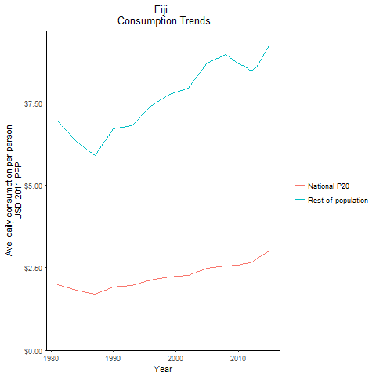
CountryName | National P20 | Rest of population | Year
Fiji | 1.996342988 | 6.9614169927 | 1981
Fiji | 1.816109568 | 6.3329178135 | 1984
Fiji | 1.9227146015 | 6.7047323085 | 1990
Fiji | 1.6915105895 | 5.8984552293 | 1987
Fiji | 1.956343121 | 6.8219224389 | 1993
Fiji | 2.125758492 | 7.4127083222 | 1996
Fiji | 2.2287861 | 7.7719993654 | 1999
Fiji | 2.280218861 | 7.9513672026 | 2002
Fiji | 2.487653952 | 8.7175796627 | 2005
Fiji | 2.5565951 | 8.9822662935 | 2008
Fiji | 2.57257838 | 8.6803704735 | 2010
Fiji | 2.6293621275 | 8.6277827558 | 2011
Fiji | 2.655778014 | 8.468860976 | 2012
Fiji | 2.771910407 | 8.583934727 | 2013
Fiji | 2.999962467 | 9.224051849 | 2015

Indonesia
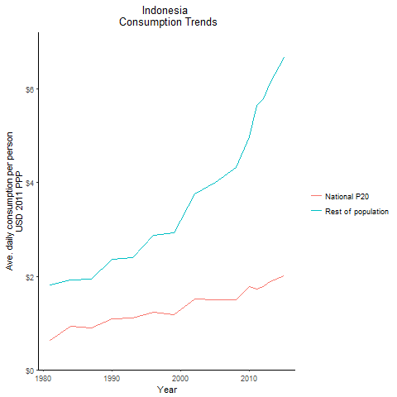
CountryName | National P20 | Rest of population | Year
Indonesia | 0.6222143885 | 1.8079694166 | 1981
Indonesia | 0.6222143885 | 1.8079694166 | 1981
Indonesia | 0.6222143885 | 1.8079694166 | 1981
Indonesia | 0.6222143885 | 1.8079694166 | 1981
Indonesia | 0.6222143885 | 1.8079694166 | 1981
Indonesia | 0.6222143885 | 1.8079694166 | 1981
Indonesia | 0.6222143885 | 1.8079694166 | 1981
Indonesia | 0.6222143885 | 1.8079694166 | 1981
Indonesia | 0.6222143885 | 1.8079694166 | 1981
Indonesia | 0.6222143885 | 1.8079694166 | 1981
Indonesia | 0.6222143885 | 1.8079694166 | 1981
Indonesia | 0.6222143885 | 1.8079694166 | 1981
Indonesia | 0.6222143885 | 1.8079694166 | 1981
Indonesia | 0.6222143885 | 1.8079694166 | 1981
Indonesia | 0.6222143885 | 1.8079694166 | 1981
Indonesia | 0.6222143885 | 1.8079694166 | 1981
Indonesia | 0.6222143885 | 1.8079694166 | 1981
Indonesia | 0.6222143885 | 1.8079694166 | 1981
Indonesia | 0.6222143885 | 1.8079694166 | 1981
Indonesia | 0.6222143885 | 1.8079694166 | 1981
Indonesia | 0.6222143885 | 1.8079694166 | 1981
Indonesia | 0.6222143885 | 1.8079694166 | 1981
Indonesia | 0.6222143885 | 1.8079694166 | 1981
Indonesia | 0.6222143885 | 1.8079694166 | 1981
Indonesia | 0.6222143885 | 1.8079694166 | 1981
Indonesia | 0.6222143885 | 1.8079694166 | 1981
Indonesia | 0.6222143885 | 1.8079694166 | 1981
Indonesia | 0.935181118 | 1.9134674602 | 1984
Indonesia | 0.935181118 | 1.9134674602 | 1984
Indonesia | 0.935181118 | 1.9134674602 | 1984
Indonesia | 0.935181118 | 1.9134674602 | 1984
Indonesia | 0.935181118 | 1.9134674602 | 1984
Indonesia | 0.935181118 | 1.9134674602 | 1984
Indonesia | 0.935181118 | 1.9134674602 | 1984
Indonesia | 0.935181118 | 1.9134674602 | 1984
Indonesia | 0.935181118 | 1.9134674602 | 1984
Indonesia | 0.935181118 | 1.9134674602 | 1984
Indonesia | 0.935181118 | 1.9134674602 | 1984
Indonesia | 0.935181118 | 1.9134674602 | 1984
Indonesia | 0.935181118 | 1.9134674602 | 1984
Indonesia | 0.935181118 | 1.9134674602 | 1984
Indonesia | 0.935181118 | 1.9134674602 | 1984
Indonesia | 0.935181118 | 1.9134674602 | 1984
Indonesia | 0.935181118 | 1.9134674602 | 1984
Indonesia | 0.935181118 | 1.9134674602 | 1984
Indonesia | 0.935181118 | 1.9134674602 | 1984
Indonesia | 0.935181118 | 1.9134674602 | 1984
Indonesia | 0.935181118 | 1.9134674602 | 1984
Indonesia | 0.935181118 | 1.9134674602 | 1984
Indonesia | 0.935181118 | 1.9134674602 | 1984
Indonesia | 0.935181118 | 1.9134674602 | 1984
Indonesia | 0.935181118 | 1.9134674602 | 1984
Indonesia | 0.935181118 | 1.9134674602 | 1984
Indonesia | 0.935181118 | 1.9134674602 | 1984
Indonesia | 1.092236604 | 2.3584430408 | 1990
Indonesia | 1.092236604 | 2.3584430408 | 1990
Indonesia | 1.092236604 | 2.3584430408 | 1990
Indonesia | 1.092236604 | 2.3584430408 | 1990
Indonesia | 1.092236604 | 2.3584430408 | 1990
Indonesia | 1.092236604 | 2.3584430408 | 1990
Indonesia | 1.092236604 | 2.3584430408 | 1990
Indonesia | 1.092236604 | 2.3584430408 | 1990
Indonesia | 1.092236604 | 2.3584430408 | 1990
Indonesia | 1.092236604 | 2.3584430408 | 1990
Indonesia | 1.092236604 | 2.3584430408 | 1990
Indonesia | 1.092236604 | 2.3584430408 | 1990
Indonesia | 1.092236604 | 2.3584430408 | 1990
Indonesia | 1.092236604 | 2.3584430408 | 1990
Indonesia | 1.092236604 | 2.3584430408 | 1990
Indonesia | 1.092236604 | 2.3584430408 | 1990
Indonesia | 1.092236604 | 2.3584430408 | 1990
Indonesia | 1.092236604 | 2.3584430408 | 1990
Indonesia | 1.092236604 | 2.3584430408 | 1990
Indonesia | 1.092236604 | 2.3584430408 | 1990
Indonesia | 1.092236604 | 2.3584430408 | 1990
Indonesia | 1.092236604 | 2.3584430408 | 1990
Indonesia | 1.092236604 | 2.3584430408 | 1990
Indonesia | 1.092236604 | 2.3584430408 | 1990
Indonesia | 1.092236604 | 2.3584430408 | 1990
Indonesia | 1.092236604 | 2.3584430408 | 1990
Indonesia | 1.092236604 | 2.3584430408 | 1990
Indonesia | 0.898156695 | 1.9445508262 | 1987
Indonesia | 0.898156695 | 1.9445508262 | 1987
Indonesia | 0.898156695 | 1.9445508262 | 1987
Indonesia | 0.898156695 | 1.9445508262 | 1987
Indonesia | 0.898156695 | 1.9445508262 | 1987
Indonesia | 0.898156695 | 1.9445508262 | 1987
Indonesia | 0.898156695 | 1.9445508262 | 1987
Indonesia | 0.898156695 | 1.9445508262 | 1987
Indonesia | 0.898156695 | 1.9445508262 | 1987
Indonesia | 0.898156695 | 1.9445508262 | 1987
Indonesia | 0.898156695 | 1.9445508262 | 1987
Indonesia | 0.898156695 | 1.9445508262 | 1987
Indonesia | 0.898156695 | 1.9445508262 | 1987
Indonesia | 0.898156695 | 1.9445508262 | 1987
Indonesia | 0.898156695 | 1.9445508262 | 1987
Indonesia | 0.898156695 | 1.9445508262 | 1987
Indonesia | 0.898156695 | 1.9445508262 | 1987
Indonesia | 0.898156695 | 1.9445508262 | 1987
Indonesia | 0.898156695 | 1.9445508262 | 1987
Indonesia | 0.898156695 | 1.9445508262 | 1987
Indonesia | 0.898156695 | 1.9445508262 | 1987
Indonesia | 0.898156695 | 1.9445508262 | 1987
Indonesia | 0.898156695 | 1.9445508262 | 1987
Indonesia | 0.898156695 | 1.9445508262 | 1987
Indonesia | 0.898156695 | 1.9445508262 | 1987
Indonesia | 0.898156695 | 1.9445508262 | 1987
Indonesia | 0.898156695 | 1.9445508262 | 1987
Indonesia | 1.10694171 | 2.3973211478 | 1993
Indonesia | 1.10694171 | 2.3973211478 | 1993
Indonesia | 1.10694171 | 2.3973211478 | 1993
Indonesia | 1.10694171 | 2.3973211478 | 1993
Indonesia | 1.10694171 | 2.3973211478 | 1993
Indonesia | 1.10694171 | 2.3973211478 | 1993
Indonesia | 1.10694171 | 2.3973211478 | 1993
Indonesia | 1.10694171 | 2.3973211478 | 1993
Indonesia | 1.10694171 | 2.3973211478 | 1993
Indonesia | 1.10694171 | 2.3973211478 | 1993
Indonesia | 1.10694171 | 2.3973211478 | 1993
Indonesia | 1.10694171 | 2.3973211478 | 1993
Indonesia | 1.10694171 | 2.3973211478 | 1993
Indonesia | 1.10694171 | 2.3973211478 | 1993
Indonesia | 1.10694171 | 2.3973211478 | 1993
Indonesia | 1.10694171 | 2.3973211478 | 1993
Indonesia | 1.10694171 | 2.3973211478 | 1993
Indonesia | 1.10694171 | 2.3973211478 | 1993
Indonesia | 1.10694171 | 2.3973211478 | 1993
Indonesia | 1.10694171 | 2.3973211478 | 1993
Indonesia | 1.10694171 | 2.3973211478 | 1993
Indonesia | 1.10694171 | 2.3973211478 | 1993
Indonesia | 1.10694171 | 2.3973211478 | 1993
Indonesia | 1.10694171 | 2.3973211478 | 1993
Indonesia | 1.10694171 | 2.3973211478 | 1993
Indonesia | 1.10694171 | 2.3973211478 | 1993
Indonesia | 1.10694171 | 2.3973211478 | 1993
Indonesia | 1.232750918 | 2.8844356952 | 1996
Indonesia | 1.232750918 | 2.8844356952 | 1996
Indonesia | 1.232750918 | 2.8844356952 | 1996
Indonesia | 1.232750918 | 2.8844356952 | 1996
Indonesia | 1.232750918 | 2.8844356952 | 1996
Indonesia | 1.232750918 | 2.8844356952 | 1996
Indonesia | 1.232750918 | 2.8844356952 | 1996
Indonesia | 1.232750918 | 2.8844356952 | 1996
Indonesia | 1.232750918 | 2.8844356952 | 1996
Indonesia | 1.232750918 | 2.8844356952 | 1996
Indonesia | 1.232750918 | 2.8844356952 | 1996
Indonesia | 1.232750918 | 2.8844356952 | 1996
Indonesia | 1.232750918 | 2.8844356952 | 1996
Indonesia | 1.232750918 | 2.8844356952 | 1996
Indonesia | 1.232750918 | 2.8844356952 | 1996
Indonesia | 1.232750918 | 2.8844356952 | 1996
Indonesia | 1.232750918 | 2.8844356952 | 1996
Indonesia | 1.232750918 | 2.8844356952 | 1996
Indonesia | 1.232750918 | 2.8844356952 | 1996
Indonesia | 1.232750918 | 2.8844356952 | 1996
Indonesia | 1.232750918 | 2.8844356952 | 1996
Indonesia | 1.232750918 | 2.8844356952 | 1996
Indonesia | 1.232750918 | 2.8844356952 | 1996
Indonesia | 1.232750918 | 2.8844356952 | 1996
Indonesia | 1.232750918 | 2.8844356952 | 1996
Indonesia | 1.232750918 | 2.8844356952 | 1996
Indonesia | 1.232750918 | 2.8844356952 | 1996
Indonesia | 1.182179958 | 2.9268544626 | 1999
Indonesia | 1.182179958 | 2.9268544626 | 1999
Indonesia | 1.182179958 | 2.9268544626 | 1999
Indonesia | 1.182179958 | 2.9268544626 | 1999
Indonesia | 1.182179958 | 2.9268544626 | 1999
Indonesia | 1.182179958 | 2.9268544626 | 1999
Indonesia | 1.182179958 | 2.9268544626 | 1999
Indonesia | 1.182179958 | 2.9268544626 | 1999
Indonesia | 1.182179958 | 2.9268544626 | 1999
Indonesia | 1.182179958 | 2.9268544626 | 1999
Indonesia | 1.182179958 | 2.9268544626 | 1999
Indonesia | 1.182179958 | 2.9268544626 | 1999
Indonesia | 1.182179958 | 2.9268544626 | 1999
Indonesia | 1.182179958 | 2.9268544626 | 1999
Indonesia | 1.182179958 | 2.9268544626 | 1999
Indonesia | 1.182179958 | 2.9268544626 | 1999
Indonesia | 1.182179958 | 2.9268544626 | 1999
Indonesia | 1.182179958 | 2.9268544626 | 1999
Indonesia | 1.182179958 | 2.9268544626 | 1999
Indonesia | 1.182179958 | 2.9268544626 | 1999
Indonesia | 1.182179958 | 2.9268544626 | 1999
Indonesia | 1.182179958 | 2.9268544626 | 1999
Indonesia | 1.182179958 | 2.9268544626 | 1999
Indonesia | 1.182179958 | 2.9268544626 | 1999
Indonesia | 1.182179958 | 2.9268544626 | 1999
Indonesia | 1.182179958 | 2.9268544626 | 1999
Indonesia | 1.182179958 | 2.9268544626 | 1999
Indonesia | 1.5060240285 | 3.7593145408 | 2002
Indonesia | 1.5060240285 | 3.7593145408 | 2002
Indonesia | 1.5060240285 | 3.7593145408 | 2002
Indonesia | 1.5060240285 | 3.7593145408 | 2002
Indonesia | 1.5060240285 | 3.7593145408 | 2002
Indonesia | 1.5060240285 | 3.7593145408 | 2002
Indonesia | 1.5060240285 | 3.7593145408 | 2002
Indonesia | 1.5060240285 | 3.7593145408 | 2002
Indonesia | 1.5060240285 | 3.7593145408 | 2002
Indonesia | 1.5060240285 | 3.7593145408 | 2002
Indonesia | 1.5060240285 | 3.7593145408 | 2002
Indonesia | 1.5060240285 | 3.7593145408 | 2002
Indonesia | 1.5060240285 | 3.7593145408 | 2002
Indonesia | 1.5060240285 | 3.7593145408 | 2002
Indonesia | 1.5060240285 | 3.7593145408 | 2002
Indonesia | 1.5060240285 | 3.7593145408 | 2002
Indonesia | 1.5060240285 | 3.7593145408 | 2002
Indonesia | 1.5060240285 | 3.7593145408 | 2002
Indonesia | 1.5060240285 | 3.7593145408 | 2002
Indonesia | 1.5060240285 | 3.7593145408 | 2002
Indonesia | 1.5060240285 | 3.7593145408 | 2002
Indonesia | 1.5060240285 | 3.7593145408 | 2002
Indonesia | 1.5060240285 | 3.7593145408 | 2002
Indonesia | 1.5060240285 | 3.7593145408 | 2002
Indonesia | 1.5060240285 | 3.7593145408 | 2002
Indonesia | 1.5060240285 | 3.7593145408 | 2002
Indonesia | 1.5060240285 | 3.7593145408 | 2002
Indonesia | 1.49237407 | 4.0058420989 | 2005
Indonesia | 1.49237407 | 4.0058420989 | 2005
Indonesia | 1.49237407 | 4.0058420989 | 2005
Indonesia | 1.49237407 | 4.0058420989 | 2005
Indonesia | 1.49237407 | 4.0058420989 | 2005
Indonesia | 1.49237407 | 4.0058420989 | 2005
Indonesia | 1.49237407 | 4.0058420989 | 2005
Indonesia | 1.49237407 | 4.0058420989 | 2005
Indonesia | 1.49237407 | 4.0058420989 | 2005
Indonesia | 1.49237407 | 4.0058420989 | 2005
Indonesia | 1.49237407 | 4.0058420989 | 2005
Indonesia | 1.49237407 | 4.0058420989 | 2005
Indonesia | 1.49237407 | 4.0058420989 | 2005
Indonesia | 1.49237407 | 4.0058420989 | 2005
Indonesia | 1.49237407 | 4.0058420989 | 2005
Indonesia | 1.49237407 | 4.0058420989 | 2005
Indonesia | 1.49237407 | 4.0058420989 | 2005
Indonesia | 1.49237407 | 4.0058420989 | 2005
Indonesia | 1.49237407 | 4.0058420989 | 2005
Indonesia | 1.49237407 | 4.0058420989 | 2005
Indonesia | 1.49237407 | 4.0058420989 | 2005
Indonesia | 1.49237407 | 4.0058420989 | 2005
Indonesia | 1.49237407 | 4.0058420989 | 2005
Indonesia | 1.49237407 | 4.0058420989 | 2005
Indonesia | 1.49237407 | 4.0058420989 | 2005
Indonesia | 1.49237407 | 4.0058420989 | 2005
Indonesia | 1.49237407 | 4.0058420989 | 2005
Indonesia | 1.495029777 | 4.3251877612 | 2008
Indonesia | 1.495029777 | 4.3251877612 | 2008
Indonesia | 1.495029777 | 4.3251877612 | 2008
Indonesia | 1.495029777 | 4.3251877612 | 2008
Indonesia | 1.495029777 | 4.3251877612 | 2008
Indonesia | 1.495029777 | 4.3251877612 | 2008
Indonesia | 1.495029777 | 4.3251877612 | 2008
Indonesia | 1.495029777 | 4.3251877612 | 2008
Indonesia | 1.495029777 | 4.3251877612 | 2008
Indonesia | 1.495029777 | 4.3251877612 | 2008
Indonesia | 1.495029777 | 4.3251877612 | 2008
Indonesia | 1.495029777 | 4.3251877612 | 2008
Indonesia | 1.495029777 | 4.3251877612 | 2008
Indonesia | 1.495029777 | 4.3251877612 | 2008
Indonesia | 1.495029777 | 4.3251877612 | 2008
Indonesia | 1.495029777 | 4.3251877612 | 2008
Indonesia | 1.495029777 | 4.3251877612 | 2008
Indonesia | 1.495029777 | 4.3251877612 | 2008
Indonesia | 1.495029777 | 4.3251877612 | 2008
Indonesia | 1.495029777 | 4.3251877612 | 2008
Indonesia | 1.495029777 | 4.3251877612 | 2008
Indonesia | 1.495029777 | 4.3251877612 | 2008
Indonesia | 1.495029777 | 4.3251877612 | 2008
Indonesia | 1.495029777 | 4.3251877612 | 2008
Indonesia | 1.495029777 | 4.3251877612 | 2008
Indonesia | 1.495029777 | 4.3251877612 | 2008
Indonesia | 1.495029777 | 4.3251877612 | 2008
Indonesia | 1.772647086 | 4.9859382285 | 2010
Indonesia | 1.772647086 | 4.9859382285 | 2010
Indonesia | 1.772647086 | 4.9859382285 | 2010
Indonesia | 1.772647086 | 4.9859382285 | 2010
Indonesia | 1.772647086 | 4.9859382285 | 2010
Indonesia | 1.772647086 | 4.9859382285 | 2010
Indonesia | 1.772647086 | 4.9859382285 | 2010
Indonesia | 1.772647086 | 4.9859382285 | 2010
Indonesia | 1.772647086 | 4.9859382285 | 2010
Indonesia | 1.772647086 | 4.9859382285 | 2010
Indonesia | 1.772647086 | 4.9859382285 | 2010
Indonesia | 1.772647086 | 4.9859382285 | 2010
Indonesia | 1.772647086 | 4.9859382285 | 2010
Indonesia | 1.772647086 | 4.9859382285 | 2010
Indonesia | 1.772647086 | 4.9859382285 | 2010
Indonesia | 1.772647086 | 4.9859382285 | 2010
Indonesia | 1.772647086 | 4.9859382285 | 2010
Indonesia | 1.772647086 | 4.9859382285 | 2010
Indonesia | 1.772647086 | 4.9859382285 | 2010
Indonesia | 1.772647086 | 4.9859382285 | 2010
Indonesia | 1.772647086 | 4.9859382285 | 2010
Indonesia | 1.772647086 | 4.9859382285 | 2010
Indonesia | 1.772647086 | 4.9859382285 | 2010
Indonesia | 1.772647086 | 4.9859382285 | 2010
Indonesia | 1.772647086 | 4.9859382285 | 2010
Indonesia | 1.772647086 | 4.9859382285 | 2010
Indonesia | 1.772647086 | 4.9859382285 | 2010
Indonesia | 1.7187060525 | 5.6455495143 | 2011
Indonesia | 1.7187060525 | 5.6455495143 | 2011
Indonesia | 1.7187060525 | 5.6455495143 | 2011
Indonesia | 1.7187060525 | 5.6455495143 | 2011
Indonesia | 1.7187060525 | 5.6455495143 | 2011
Indonesia | 1.7187060525 | 5.6455495143 | 2011
Indonesia | 1.7187060525 | 5.6455495143 | 2011
Indonesia | 1.7187060525 | 5.6455495143 | 2011
Indonesia | 1.7187060525 | 5.6455495143 | 2011
Indonesia | 1.7187060525 | 5.6455495143 | 2011
Indonesia | 1.7187060525 | 5.6455495143 | 2011
Indonesia | 1.7187060525 | 5.6455495143 | 2011
Indonesia | 1.7187060525 | 5.6455495143 | 2011
Indonesia | 1.7187060525 | 5.6455495143 | 2011
Indonesia | 1.7187060525 | 5.6455495143 | 2011
Indonesia | 1.7187060525 | 5.6455495143 | 2011
Indonesia | 1.7187060525 | 5.6455495143 | 2011
Indonesia | 1.7187060525 | 5.6455495143 | 2011
Indonesia | 1.7187060525 | 5.6455495143 | 2011
Indonesia | 1.7187060525 | 5.6455495143 | 2011
Indonesia | 1.7187060525 | 5.6455495143 | 2011
Indonesia | 1.7187060525 | 5.6455495143 | 2011
Indonesia | 1.7187060525 | 5.6455495143 | 2011
Indonesia | 1.7187060525 | 5.6455495143 | 2011
Indonesia | 1.7187060525 | 5.6455495143 | 2011
Indonesia | 1.7187060525 | 5.6455495143 | 2011
Indonesia | 1.7187060525 | 5.6455495143 | 2011
Indonesia | 1.7868651125 | 5.7864289274 | 2012
Indonesia | 1.7868651125 | 5.7864289274 | 2012
Indonesia | 1.7868651125 | 5.7864289274 | 2012
Indonesia | 1.7868651125 | 5.7864289274 | 2012
Indonesia | 1.7868651125 | 5.7864289274 | 2012
Indonesia | 1.7868651125 | 5.7864289274 | 2012
Indonesia | 1.7868651125 | 5.7864289274 | 2012
Indonesia | 1.7868651125 | 5.7864289274 | 2012
Indonesia | 1.7868651125 | 5.7864289274 | 2012
Indonesia | 1.7868651125 | 5.7864289274 | 2012
Indonesia | 1.7868651125 | 5.7864289274 | 2012
Indonesia | 1.7868651125 | 5.7864289274 | 2012
Indonesia | 1.7868651125 | 5.7864289274 | 2012
Indonesia | 1.7868651125 | 5.7864289274 | 2012
Indonesia | 1.7868651125 | 5.7864289274 | 2012
Indonesia | 1.7868651125 | 5.7864289274 | 2012
Indonesia | 1.7868651125 | 5.7864289274 | 2012
Indonesia | 1.7868651125 | 5.7864289274 | 2012
Indonesia | 1.7868651125 | 5.7864289274 | 2012
Indonesia | 1.7868651125 | 5.7864289274 | 2012
Indonesia | 1.7868651125 | 5.7864289274 | 2012
Indonesia | 1.7868651125 | 5.7864289274 | 2012
Indonesia | 1.7868651125 | 5.7864289274 | 2012
Indonesia | 1.7868651125 | 5.7864289274 | 2012
Indonesia | 1.7868651125 | 5.7864289274 | 2012
Indonesia | 1.7868651125 | 5.7864289274 | 2012
Indonesia | 1.7868651125 | 5.7864289274 | 2012
Indonesia | 1.879633724 | 6.1399956786 | 2013
Indonesia | 1.879633724 | 6.1399956786 | 2013
Indonesia | 1.879633724 | 6.1399956786 | 2013
Indonesia | 1.879633724 | 6.1399956786 | 2013
Indonesia | 1.879633724 | 6.1399956786 | 2013
Indonesia | 1.879633724 | 6.1399956786 | 2013
Indonesia | 1.879633724 | 6.1399956786 | 2013
Indonesia | 1.879633724 | 6.1399956786 | 2013
Indonesia | 1.879633724 | 6.1399956786 | 2013
Indonesia | 1.879633724 | 6.1399956786 | 2013
Indonesia | 1.879633724 | 6.1399956786 | 2013
Indonesia | 1.879633724 | 6.1399956786 | 2013
Indonesia | 1.879633724 | 6.1399956786 | 2013
Indonesia | 1.879633724 | 6.1399956786 | 2013
Indonesia | 1.879633724 | 6.1399956786 | 2013
Indonesia | 1.879633724 | 6.1399956786 | 2013
Indonesia | 1.879633724 | 6.1399956786 | 2013
Indonesia | 1.879633724 | 6.1399956786 | 2013
Indonesia | 1.879633724 | 6.1399956786 | 2013
Indonesia | 1.879633724 | 6.1399956786 | 2013
Indonesia | 1.879633724 | 6.1399956786 | 2013
Indonesia | 1.879633724 | 6.1399956786 | 2013
Indonesia | 1.879633724 | 6.1399956786 | 2013
Indonesia | 1.879633724 | 6.1399956786 | 2013
Indonesia | 1.879633724 | 6.1399956786 | 2013
Indonesia | 1.879633724 | 6.1399956786 | 2013
Indonesia | 1.879633724 | 6.1399956786 | 2013
Indonesia | 2.00094804 | 6.6728246338 | 2015
Indonesia | 2.00094804 | 6.6728246338 | 2015
Indonesia | 2.00094804 | 6.6728246338 | 2015
Indonesia | 2.00094804 | 6.6728246338 | 2015
Indonesia | 2.00094804 | 6.6728246338 | 2015
Indonesia | 2.00094804 | 6.6728246338 | 2015
Indonesia | 2.00094804 | 6.6728246338 | 2015
Indonesia | 2.00094804 | 6.6728246338 | 2015
Indonesia | 2.00094804 | 6.6728246338 | 2015
Indonesia | 2.00094804 | 6.6728246338 | 2015
Indonesia | 2.00094804 | 6.6728246338 | 2015
Indonesia | 2.00094804 | 6.6728246338 | 2015
Indonesia | 2.00094804 | 6.6728246338 | 2015
Indonesia | 2.00094804 | 6.6728246338 | 2015
Indonesia | 2.00094804 | 6.6728246338 | 2015
Indonesia | 2.00094804 | 6.6728246338 | 2015
Indonesia | 2.00094804 | 6.6728246338 | 2015
Indonesia | 2.00094804 | 6.6728246338 | 2015
Indonesia | 2.00094804 | 6.6728246338 | 2015
Indonesia | 2.00094804 | 6.6728246338 | 2015
Indonesia | 2.00094804 | 6.6728246338 | 2015
Indonesia | 2.00094804 | 6.6728246338 | 2015
Indonesia | 2.00094804 | 6.6728246338 | 2015
Indonesia | 2.00094804 | 6.6728246338 | 2015
Indonesia | 2.00094804 | 6.6728246338 | 2015
Indonesia | 2.00094804 | 6.6728246338 | 2015
Indonesia | 2.00094804 | 6.6728246338 | 2015

Kiribati
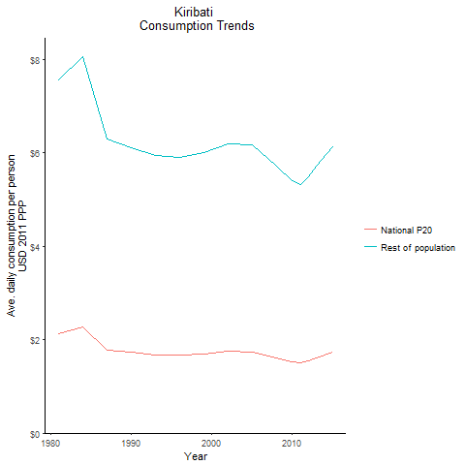
CountryName | National P20 | Rest of population | Year
Kiribati | 2.135876391 | 7.5647487105 | 1981
Kiribati | 2.2736801725 | 8.0528073541 | 1984
Kiribati | 1.7282048875 | 6.120910422 | 1990
Kiribati | 1.7789587475 | 6.300641135 | 1987
Kiribati | 1.681730431 | 5.9562728717 | 1993
Kiribati | 1.6694335695 | 5.9127196898 | 1996
Kiribati | 1.693604123 | 5.9983455446 | 1999
Kiribati | 1.747932892 | 6.1907482838 | 2002
Kiribati | 1.7414667075 | 6.1678511313 | 2005
Kiribati | 1.612516553 | 5.7111297659 | 2008
Kiribati | 1.525895826 | 5.4043548106 | 2010
Kiribati | 1.503811491 | 5.3261471272 | 2011
Kiribati | 1.55277694 | 5.4996180938 | 2012
Kiribati | 1.613492322 | 5.7145926729 | 2013
Kiribati | 1.733660769 | 6.1402012461 | 2015

Malaysia
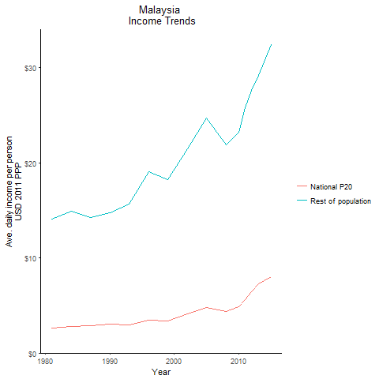
CountryName | National P20 | Rest of population | Year
Malaysia | 2.6507913075 | 14.08053505 | 1981
Malaysia | 2.79804261 | 14.862709895 | 1984
Malaysia | 3.0386641195 | 14.719364107 | 1990
Malaysia | 2.858483588 | 14.211246226 | 1987
Malaysia | 2.98317822 | 15.667349281 | 1993
Malaysia | 3.49152705 | 19.02289221 | 1996
Malaysia | 3.3813023 | 18.227096343 | 1999
Malaysia | 4.102932582 | 21.422773704 | 2002
Malaysia | 4.74398155 | 24.65512516 | 2005
Malaysia | 4.34895 | 21.891484418 | 2008
Malaysia | 4.899603708 | 23.162871676 | 2010
Malaysia | 5.636775916 | 25.793359446 | 2011
Malaysia | 6.4180584 | 27.615547044 | 2012
Malaysia | 7.2522385 | 29.200303389 | 2013
Malaysia | 8.01501975 | 32.380925884 | 2015

Mongolia
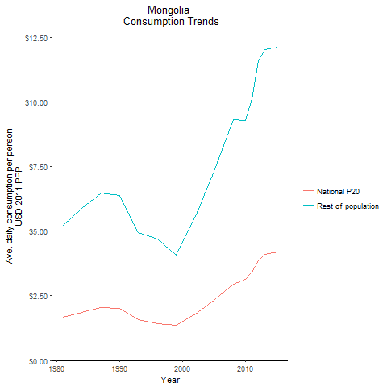
CountryName | National P20 | Rest of population | Year
Mongolia | 1.65947056 | 5.2168761956 | 1981
Mongolia | 1.867455996 | 5.8706894257 | 1984
Mongolia | 2.002973658 | 6.3842730239 | 1990
Mongolia | 2.0556404505 | 6.4622816682 | 1987
Mongolia | 1.570807843 | 4.9381459845 | 1993
Mongolia | 1.4292237375 | 4.7050831067 | 1996
Mongolia | 1.3449957875 | 4.0585373545 | 1999
Mongolia | 1.801563918 | 5.5765062808 | 2002
Mongolia | 2.320977717 | 7.3130473516 | 2005
Mongolia | 2.9580560625 | 9.304769546 | 2008
Mongolia | 3.133764275 | 9.2821671504 | 2010
Mongolia | 3.4146379215 | 10.117385725 | 2011
Mongolia | 3.8390511755 | 11.587692001 | 2012
Mongolia | 4.096473494 | 12.015476147 | 2013
Mongolia | 4.194447624 | 12.096105902 | 2015

Myanmar
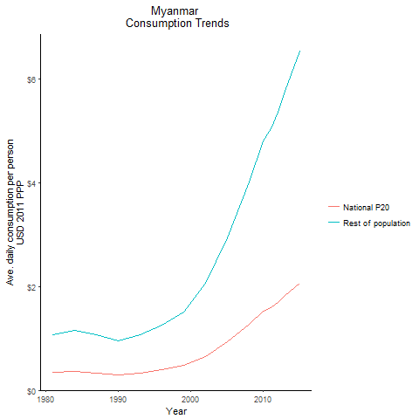
CountryName | National P20 | Rest of population | Year
Myanmar | 0.338753925 | 1.0699252174 | 1981
Myanmar | 0.366771615 | 1.1586261373 | 1984
Myanmar | 0.30401108 | 0.9602481889 | 1990
Myanmar | 0.3379062825 | 1.0673064431 | 1987
Myanmar | 0.3380447475 | 1.0677292241 | 1993
Myanmar | 0.3986582885 | 1.2591385786 | 1996
Myanmar | 0.475743618 | 1.502569438 | 1999
Myanmar | 0.652051484 | 2.05944754 | 2002
Myanmar | 0.9309077265 | 2.9401449862 | 2005
Myanmar | 1.2735538335 | 4.022377295 | 2008
Myanmar | 1.52275276 | 4.8094309881 | 2010
Myanmar | 1.5952803755 | 5.0384538787 | 2011
Myanmar | 1.6976898 | 5.3619323445 | 2012
Myanmar | 1.824212335 | 5.7615578752 | 2013
Myanmar | 2.069325268 | 6.535668683 | 2015

Papua New Guinea
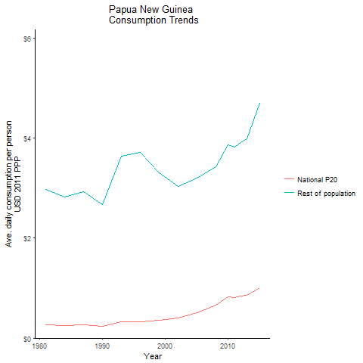
CountryName | National P20 | Rest of population | Year
Papua New Guinea | 0.264075015 | 2.9733687805 | 1981
Papua New Guinea | 0.25075656 | 2.8235455175 | 1984
Papua New Guinea | 0.236464305 | 2.6625241977 | 1990
Papua New Guinea | 0.25929092 | 2.9194835714 | 1987
Papua New Guinea | 0.32325895 | 3.6397556735 | 1993
Papua New Guinea | 0.33033708 | 3.7197287437 | 1996
Papua New Guinea | 0.35812296 | 3.3056017258 | 1999
Papua New Guinea | 0.398386692 | 3.0330148338 | 2002
Papua New Guinea | 0.506706883 | 3.196255608 | 2005
Papua New Guinea | 0.65645424 | 3.4205794537 | 2008
Papua New Guinea | 0.827026263 | 3.8699680918 | 2010
Papua New Guinea | 0.817640128 | 3.8261064064 | 2011
Papua New Guinea | 0.837119865 | 3.9172446913 | 2012
Papua New Guinea | 0.8505877515 | 3.9802804594 | 2013
Papua New Guinea | 1.0019099 | 4.6883649908 | 2015

Philippines
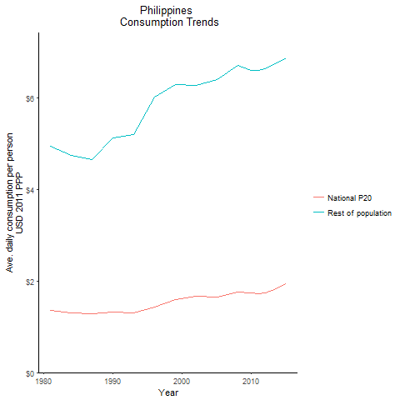
CountryName | National P20 | Rest of population | Year
Philippines | 1.359611553 | 4.9425710844 | 1981
Philippines | 1.3073634245 | 4.7526440754 | 1984
Philippines | 1.326155787 | 5.1370747519 | 1990
Philippines | 1.2866216905 | 4.6487815637 | 1987
Philippines | 1.31143236 | 5.2054734168 | 1993
Philippines | 1.4291348775 | 6.0259847738 | 1996
Philippines | 1.58792192 | 6.2856017118 | 1999
Philippines | 1.670219099 | 6.2697082389 | 2002
Philippines | 1.652003208 | 6.4105526227 | 2005
Philippines | 1.763829175 | 6.7099413364 | 2008
Philippines | 1.74471813 | 6.6067190976 | 2010
Philippines | 1.728988027 | 6.5991735412 | 2011
Philippines | 1.7376331305 | 6.6420533612 | 2012
Philippines | 1.79864347 | 6.7131473517 | 2013
Philippines | 1.938523702 | 6.8778375677 | 2015

Samoa
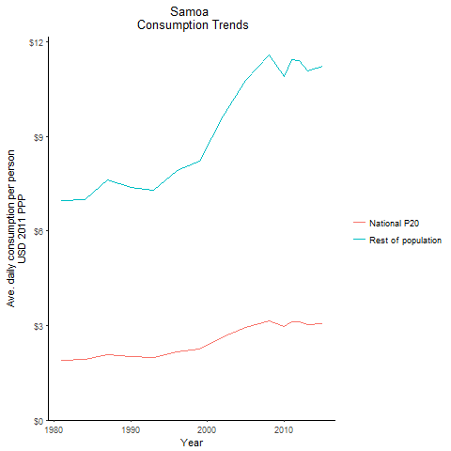
CountryName | National P20 | Rest of population | Year
Samoa | 1.899386658 | 6.9532807328 | 1981
Samoa | 1.912140965 | 7.0000113341 | 1984
Samoa | 2.012704182 | 7.3681664203 | 1990
Samoa | 2.0839362015 | 7.6289227989 | 1987
Samoa | 1.9899043575 | 7.2846924038 | 1993
Samoa | 2.1645027915 | 7.9238304665 | 1996
Samoa | 2.2425317565 | 8.2094807595 | 1999
Samoa | 2.6326303515 | 9.6375629601 | 2002
Samoa | 2.9426344805 | 10.772464668 | 2005
Samoa | 3.159312255 | 11.565708923 | 2008
Samoa | 2.9783598675 | 10.903185376 | 2010
Samoa | 3.1259524 | 11.44350779 | 2011
Samoa | 3.1131402435 | 11.396672473 | 2012
Samoa | 3.02792387 | 11.084701224 | 2013
Samoa | 3.0659806575 | 11.224032233 | 2015

Thailand
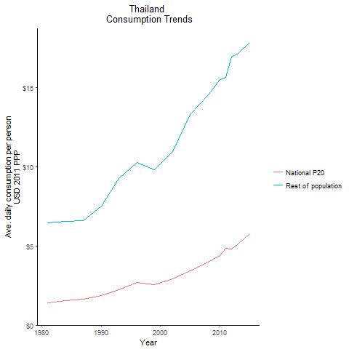
CountryName | National P20 | Rest of population | Year
Thailand | 1.423689312 | 6.4689749323 | 1981
Thailand | 1.561588868 | 6.5392616871 | 1984
Thailand | 1.88561797 | 7.5053366034 | 1990
Thailand | 1.649965472 | 6.6235565772 | 1987
Thailand | 2.249781786 | 9.2864888001 | 1993
Thailand | 2.714955829 | 10.282899399 | 1996
Thailand | 2.54158014 | 9.8387063349 | 1999
Thailand | 2.93337639 | 10.948286039 | 2002
Thailand | 3.434675445 | 13.297237988 | 2005
Thailand | 3.9964891755 | 14.561372227 | 2008
Thailand | 4.3922182875 | 15.508774195 | 2010
Thailand | 4.8702660765 | 15.638459508 | 2011
Thailand | 4.832344134 | 16.96307424 | 2012
Thailand | 5.117066038 | 17.180551299 | 2013
Thailand | 5.770587624 | 17.845816108 | 2015

Timor-Leste
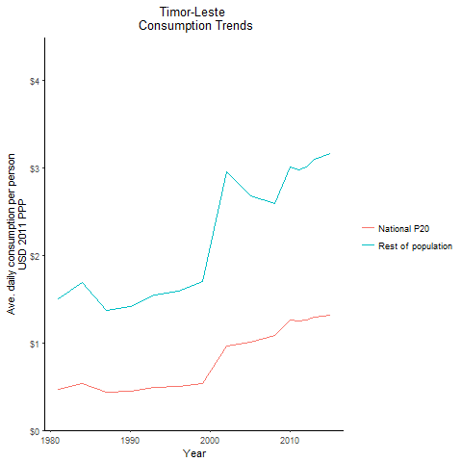
CountryName | National P20 | Rest of population | Year
Timor-Leste | 0.472006155 | 1.5026329818 | 1981
Timor-Leste | 0.53039644 | 1.6884954105 | 1984
Timor-Leste | 0.445582809 | 1.4185841608 | 1990
Timor-Leste | 0.4322101665 | 1.3759040337 | 1987
Timor-Leste | 0.487238464 | 1.5511251785 | 1993
Timor-Leste | 0.499656465 | 1.5906621851 | 1996
Timor-Leste | 0.534531655 | 1.7017773602 | 1999
Timor-Leste | 0.9680287345 | 2.9535952821 | 2002
Timor-Leste | 1.0135408095 | 2.6831775374 | 2005
Timor-Leste | 1.0878904125 | 2.5890406845 | 2008
Timor-Leste | 1.260996594 | 3.0105993447 | 2010
Timor-Leste | 1.24734948 | 2.9827531779 | 2011
Timor-Leste | 1.259293464 | 3.0159656751 | 2012
Timor-Leste | 1.29015632 | 3.0946980433 | 2013
Timor-Leste | 1.318854027 | 3.1684599179 | 2015

Tonga
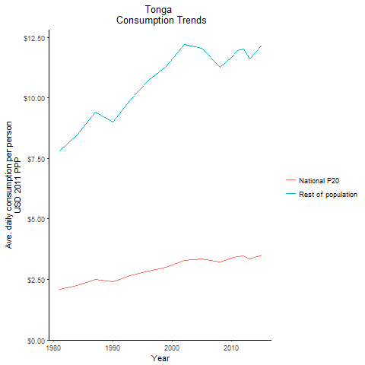
CountryName | National P20 | Rest of population | Year
Tonga | 2.0826982035 | 7.8113775039 | 1981
Tonga | 2.25397935 | 8.4537942036 | 1984
Tonga | 2.4036096 | 9.0150099288 | 1990
Tonga | 2.5114146525 | 9.419335378 | 1987
Tonga | 2.64644017 | 9.9257762589 | 1993
Tonga | 2.859236394 | 10.723845696 | 1996
Tonga | 3.00881028 | 11.284837156 | 1999
Tonga | 3.2808018425 | 12.188206389 | 2002
Tonga | 3.335849412 | 12.03251162 | 2005
Tonga | 3.2142914915 | 11.24639973 | 2008
Tonga | 3.3714194895 | 11.674858826 | 2010
Tonga | 3.450743055 | 11.949529305 | 2011
Tonga | 3.469057207 | 12.012956246 | 2012
Tonga | 3.348772116 | 11.596426149 | 2013
Tonga | 3.510526405 | 12.156562919 | 2015

Vanuatu
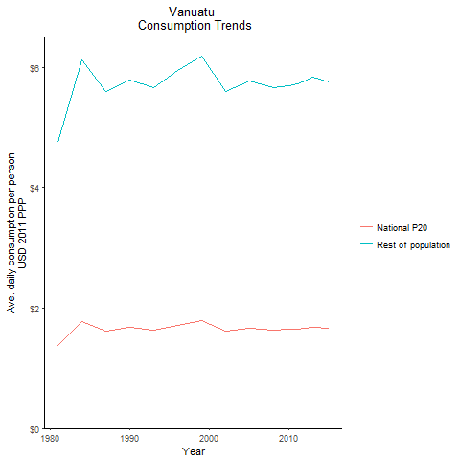
CountryName | National P20 | Rest of population | Year
Vanuatu | 1.374070164 | 4.7496687604 | 1981
Vanuatu | 1.77040284 | 6.1196773722 | 1984
Vanuatu | 1.6752160755 | 5.790637077 | 1990
Vanuatu | 1.6187464935 | 5.5954243355 | 1987
Vanuatu | 1.638615633 | 5.6641173246 | 1993
Vanuatu | 1.718240559 | 5.9393782164 | 1996
Vanuatu | 1.787222877 | 6.1777901712 | 1999
Vanuatu | 1.6209034245 | 5.6029440069 | 2002
Vanuatu | 1.670090732 | 5.772907454 | 2005
Vanuatu | 1.639570455 | 5.6674087561 | 2008
Vanuatu | 1.646030792 | 5.6897484664 | 2010
Vanuatu | 1.656311552 | 5.7252864956 | 2011
Vanuatu | 1.667961134 | 5.7655576617 | 2012
Vanuatu | 1.687152576 | 5.8319337738 | 2013
Vanuatu | 1.663779375 | 5.7511017316 | 2015

Vietnam
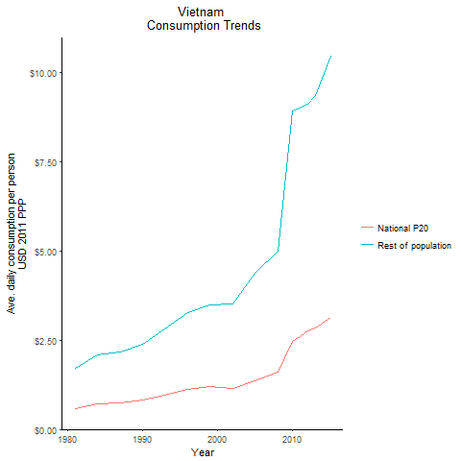
CountryName | National P20 | Rest of population | Year
Vietnam | 0.582527741 | 1.7229484757 | 1981
Vietnam | 0.706406085 | 2.0894053281 | 1984
Vietnam | 0.8094641765 | 2.3941906682 | 1990
Vietnam | 0.729438897 | 2.1575552073 | 1987
Vietnam | 0.9517710565 | 2.812096003 | 1993
Vietnam | 1.118169557 | 3.2669906244 | 1996
Vietnam | 1.198547664 | 3.4792711662 | 1999
Vietnam | 1.140570145 | 3.507515409 | 2002
Vietnam | 1.35286182 | 4.3816598875 | 2005
Vietnam | 1.60023227 | 4.9979734393 | 2008
Vietnam | 2.458286488 | 8.9011530355 | 2010
Vietnam | 2.599001061 | 8.9838990498 | 2011
Vietnam | 2.760848625 | 9.0957344191 | 2012
Vietnam | 2.8399133025 | 9.3551572908 | 2013
Vietnam | 3.13131456 | 10.434335744 | 2015

Lao People's Democratic Republ
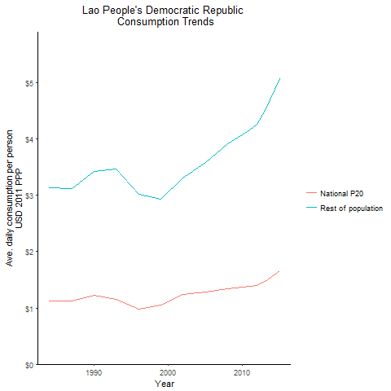
CountryName | National P20 | Rest of population | Year
Lao People's Democratic Republic | 1.123904937 | 3.1313063685 | 1984
Lao People's Democratic Republic | 1.227672754 | 3.4204116745 | 1990
Lao People's Democratic Republic | 1.121226219 | 3.1239167329 | 1987
Lao People's Democratic Republic | 1.156761321 | 3.4655110396 | 1993
Lao People's Democratic Republic | 0.977531373 | 3.014134965 | 1996
Lao People's Democratic Republic | 1.053923802 | 2.931244529 | 1999
Lao People's Democratic Republic | 1.238790462 | 3.3100115626 | 2002
Lao People's Democratic Republic | 1.284766326 | 3.584693761 | 2005
Lao People's Democratic Republic | 1.341086838 | 3.9150666467 | 2008
Lao People's Democratic Republic | 1.366380664 | 4.0784897655 | 2010
Lao People's Democratic Republic | 1.382295846 | 4.1708849426 | 2011
Lao People's Democratic Republic | 1.40042777 | 4.2706040164 | 2012
Lao People's Democratic Republic | 1.47507716 | 4.5099170114 | 2013
Lao People's Democratic Republic | 1.659472523 | 5.0736688556 | 2015

Micronesia, Federated States o
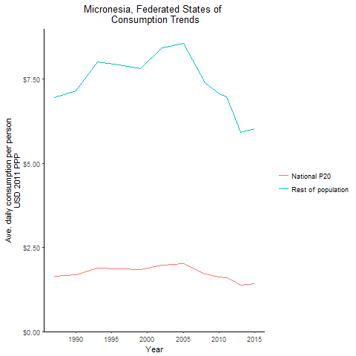
CountryName | National P20 | Rest of population | Year
Micronesia, Federated States of | 1.6839983675 | 7.1508442437 | 1990
Micronesia, Federated States of | 1.636176146 | 6.9479134977 | 1987
Micronesia, Federated States of | 1.885910932 | 8.0082277465 | 1993
Micronesia, Federated States of | 1.8669759345 | 7.9279053314 | 1996
Micronesia, Federated States of | 1.839523503 | 7.811291727 | 1999
Micronesia, Federated States of | 1.98414823 | 8.4253917096 | 2002
Micronesia, Federated States of | 2.014571333 | 8.5545694955 | 2005
Micronesia, Federated States of | 1.702786293 | 7.4024746596 | 2008
Micronesia, Federated States of | 1.62288456 | 7.0588583121 | 2010
Micronesia, Federated States of | 1.607862157 | 6.9691782964 | 2011
Micronesia, Federated States of | 1.508472595 | 6.497784591 | 2012
Micronesia, Federated States of | 1.38664422 | 5.9171745614 | 2013
Micronesia, Federated States of | 1.413692085 | 6.0325865678 | 2015

Solomon Islands
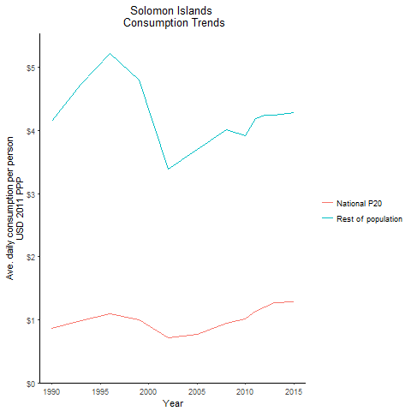
CountryName | National P20 | Rest of population | Year
Solomon Islands | 0.868580307 | 4.1471316356 | 1990
Solomon Islands | 0.99105696 | 4.7319645271 | 1993
Solomon Islands | 1.093290085 | 5.2201500815 | 1996
Solomon Islands | 1.004313998 | 4.7952872539 | 1999
Solomon Islands | 0.710482464 | 3.3922733566 | 2002
Solomon Islands | 0.775083736 | 3.7008105728 | 2005
Solomon Islands | 0.947078228 | 4.0172386622 | 2008
Solomon Islands | 1.013781744 | 3.9251107284 | 2010
Solomon Islands | 1.1346797295 | 4.1838971909 | 2011
Solomon Islands | 1.208548558 | 4.2386916276 | 2012
Solomon Islands | 1.27432521 | 4.2480104783 | 2013
Solomon Islands | 1.287084264 | 4.2905809888 | 2015

Tuvalu
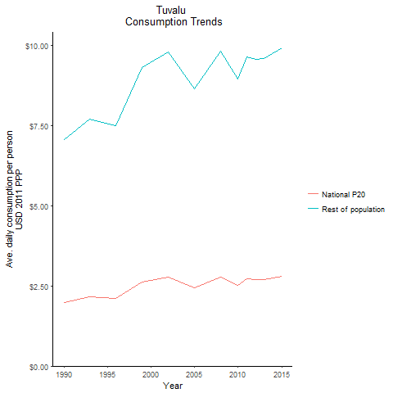
CountryName | National P20 | Rest of population | Year
Tuvalu | 1.993583802 | 7.0668725427 | 1990
Tuvalu | 2.1734808915 | 7.7045667634 | 1993
Tuvalu | 2.11815223 | 7.5084605726 | 1996
Tuvalu | 2.623887904 | 9.3012663802 | 1999
Tuvalu | 2.76341604 | 9.7957733873 | 2002
Tuvalu | 2.4364075125 | 8.6367378479 | 2005
Tuvalu | 2.77137371 | 9.8239771204 | 2008
Tuvalu | 2.52950274 | 8.9666133561 | 2010
Tuvalu | 2.718296308 | 9.635835512 | 2011
Tuvalu | 2.698385648 | 9.5653487935 | 2012
Tuvalu | 2.709689367 | 9.6053324528 | 2013
Tuvalu | 2.79642 | 9.9128032192 | 2015

