Belize
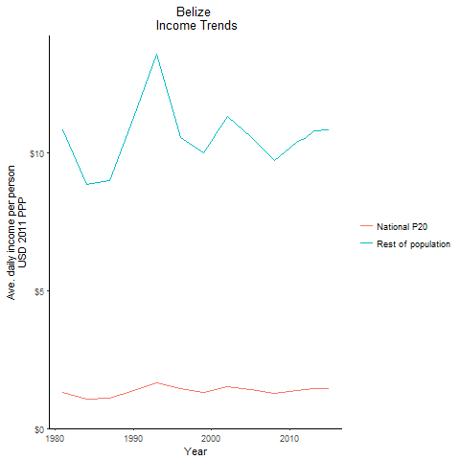
CountryName | National P20 | Rest of population | Year
Belize | 1.324952832 | 10.856316587 | 1981
Belize | 1.0825761195 | 8.8703436414 | 1984
Belize | 1.379972324 | 11.307072672 | 1990
Belize | 1.09888261 | 9.0037985256 | 1987
Belize | 1.6588467 | 13.592066407 | 1993
Belize | 1.46250036 | 10.581329705 | 1996
Belize | 1.32701821 | 10.000241338 | 1999
Belize | 1.502944954 | 11.325973351 | 2002
Belize | 1.410009312 | 10.625525069 | 2005
Belize | 1.290167868 | 9.7224566631 | 2008
Belize | 1.352712037 | 10.193765826 | 2010
Belize | 1.383088945 | 10.422797627 | 2011
Belize | 1.399407828 | 10.545794618 | 2012
Belize | 1.434412168 | 10.809546273 | 2013
Belize | 1.4386451025 | 10.841492149 | 2015

Bolivia
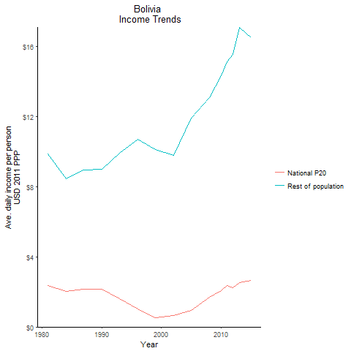
CountryName | National P20 | Rest of population | Year
Bolivia | 2.344364342 | 9.8449006953 | 1981
Bolivia | 2.014935336 | 8.4615278098 | 1984
Bolivia | 2.136737952 | 8.9729963339 | 1990
Bolivia | 2.134677888 | 8.9643551855 | 1987
Bolivia | 1.58875587 | 9.9010589777 | 1993
Bolivia | 1.04617905 | 10.707404553 | 1996
Bolivia | 0.52382385 | 10.123948147 | 1999
Bolivia | 0.67022709 | 9.7589089809 | 2002
Bolivia | 0.95614002 | 11.9089102 | 2005
Bolivia | 1.712208513 | 13.089878009 | 2008
Bolivia | 2.057560218 | 14.326453781 | 2010
Bolivia | 2.370374388 | 15.108592704 | 2011
Bolivia | 2.215296396 | 15.515490969 | 2012
Bolivia | 2.53239443 | 17.080056187 | 2013
Bolivia | 2.664186075 | 16.505193207 | 2015

Brazil
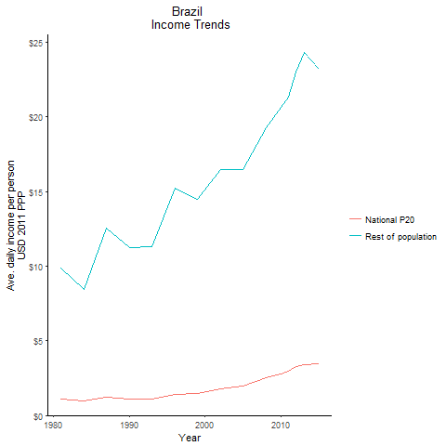
CountryName | National P20 | Rest of population | Year
Brazil | 1.08337369 | 9.8677182213 | 1981
Brazil | 0.950786529 | 8.4318554225 | 1984
Brazil | 1.07303473 | 11.268746797 | 1990
Brazil | 1.220764077 | 12.547552816 | 1987
Brazil | 1.086540175 | 11.284212901 | 1993
Brazil | 1.399367187 | 15.224576011 | 1996
Brazil | 1.49016231 | 14.504336135 | 1999
Brazil | 1.7828606105 | 16.47615882 | 2002
Brazil | 1.988098344 | 16.496265825 | 2005
Brazil | 2.538684155 | 19.260564578 | 2008
Brazil | 2.79838769 | 20.684666091 | 2010
Brazil | 2.935446075 | 21.336078207 | 2011
Brazil | 3.2893824975 | 23.023043417 | 2012
Brazil | 3.39638628 | 24.308393841 | 2013
Brazil | 3.486848168 | 23.196396177 | 2015

Chile
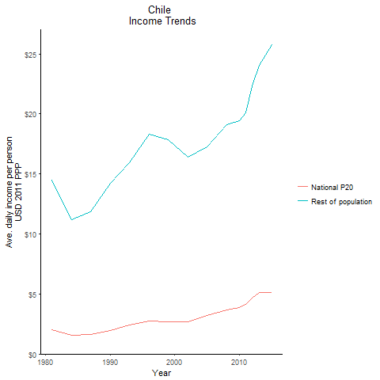
CountryName | National P20 | Rest of population | Year
Chile | 2.0057723735 | 14.494874715 | 1981
Chile | 1.5480544935 | 11.187142541 | 1984
Chile | 1.971042282 | 14.193673676 | 1990
Chile | 1.644306174 | 11.882759073 | 1987
Chile | 2.40975357 | 15.916173936 | 1993
Chile | 2.775540768 | 18.319523027 | 1996
Chile | 2.705577975 | 17.824289068 | 1999
Chile | 2.7004563465 | 16.435743448 | 2002
Chile | 3.184373621 | 17.263236732 | 2005
Chile | 3.691315632 | 19.11919301 | 2008
Chile | 3.867114528 | 19.465378902 | 2010
Chile | 4.117511844 | 20.071722039 | 2011
Chile | 4.6806665655 | 22.360271715 | 2012
Chile | 5.142224223 | 24.078950794 | 2013
Chile | 5.13752248 | 25.750665955 | 2015

Colombia
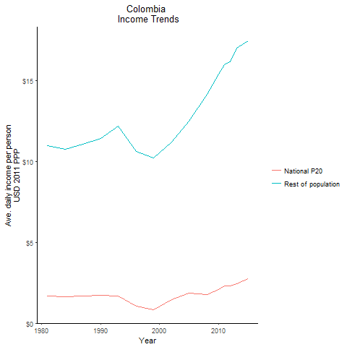
CountryName | National P20 | Rest of population | Year
Colombia | 1.67897562 | 10.993160205 | 1981
Colombia | 1.645916904 | 10.776576938 | 1984
Colombia | 1.748682729 | 11.449416989 | 1990
Colombia | 1.690562505 | 11.069048415 | 1987
Colombia | 1.661926989 | 12.217337431 | 1993
Colombia | 1.06129764 | 10.652748193 | 1996
Colombia | 0.851468625 | 10.229516405 | 1999
Colombia | 1.451521068 | 11.225708774 | 2002
Colombia | 1.846192176 | 12.521794422 | 2005
Colombia | 1.753226005 | 14.160404458 | 2008
Colombia | 2.084304432 | 15.422600604 | 2010
Colombia | 2.288369061 | 16.021146091 | 2011
Colombia | 2.32693575 | 16.187949624 | 2012
Colombia | 2.464260786 | 17.015082749 | 2013
Colombia | 2.7500215755 | 17.463349401 | 2015

Costa Rica
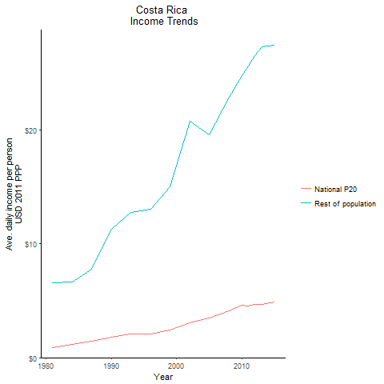
CountryName | National P20 | Rest of population | Year
Costa Rica | 0.915584483 | 6.6090819614 | 1981
Costa Rica | 1.17851349 | 6.6708702576 | 1984
Costa Rica | 1.76928609 | 11.320809984 | 1990
Costa Rica | 1.43717178 | 7.7501303427 | 1987
Costa Rica | 2.046549879 | 12.769810475 | 1993
Costa Rica | 2.0616798335 | 13.040930727 | 1996
Costa Rica | 2.465514898 | 15.048881549 | 1999
Costa Rica | 3.051682014 | 20.790571277 | 2002
Costa Rica | 3.477955105 | 19.615127662 | 2005
Costa Rica | 4.1414205305 | 22.905639388 | 2008
Costa Rica | 4.614824799 | 24.775108869 | 2010
Costa Rica | 4.520622015 | 25.649332167 | 2011
Costa Rica | 4.676754978 | 26.521423584 | 2012
Costa Rica | 4.684668842 | 27.341839639 | 2013
Costa Rica | 4.871493591 | 27.437686876 | 2015

Dominican Republic
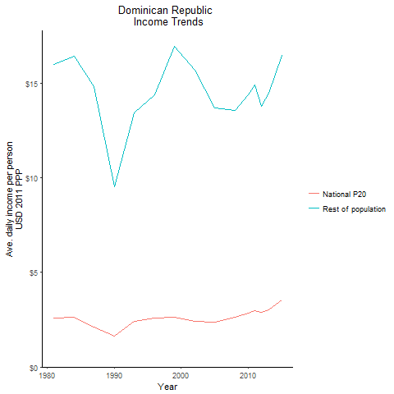
CountryName | National P20 | Rest of population | Year
Dominican Republic | 2.578511397 | 16.016139274 | 1981
Dominican Republic | 2.646252052 | 16.436887672 | 1984
Dominican Republic | 1.618234578 | 9.5498029993 | 1990
Dominican Republic | 2.098977251 | 14.82122555 | 1987
Dominican Republic | 2.419090267 | 13.447169899 | 1993
Dominican Republic | 2.589362846 | 14.402233261 | 1996
Dominican Republic | 2.6382282855 | 16.941245668 | 1999
Dominican Republic | 2.4342221535 | 15.70056227 | 2002
Dominican Republic | 2.350320519 | 13.694084254 | 2005
Dominican Republic | 2.633232387 | 13.577008342 | 2008
Dominican Republic | 2.84285675 | 14.377547456 | 2010
Dominican Republic | 2.986288992 | 14.930009944 | 2011
Dominican Republic | 2.907789203 | 13.796352699 | 2012
Dominican Republic | 3.014670445 | 14.483126909 | 2013
Dominican Republic | 3.54143829 | 16.493784263 | 2015

Ecuador
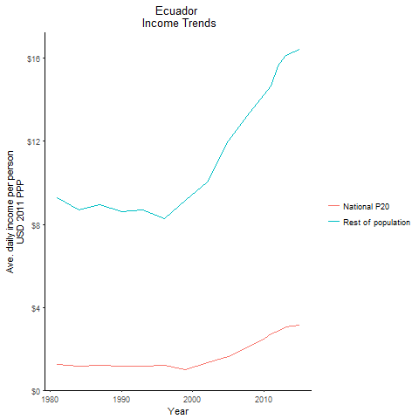
CountryName | National P20 | Rest of population | Year
Ecuador | 1.260910365 | 9.2811313129 | 1981
Ecuador | 1.18246993 | 8.7038030654 | 1984
Ecuador | 1.159808205 | 8.6022328803 | 1990
Ecuador | 1.2178828215 | 8.9644402535 | 1987
Ecuador | 1.162965661 | 8.6901202286 | 1993
Ecuador | 1.215967602 | 8.2803560447 | 1996
Ecuador | 0.97549794 | 9.1588282547 | 1999
Ecuador | 1.33751226 | 10.058965771 | 2002
Ecuador | 1.609356395 | 12.014307477 | 2005
Ecuador | 2.13317445 | 13.405705018 | 2008
Ecuador | 2.472806016 | 14.253193017 | 2010
Ecuador | 2.709039648 | 14.652156526 | 2011
Ecuador | 2.8310036825 | 15.625428531 | 2012
Ecuador | 3.065350032 | 16.135251533 | 2013
Ecuador | 3.1417815 | 16.42600668 | 2015

El Salvador
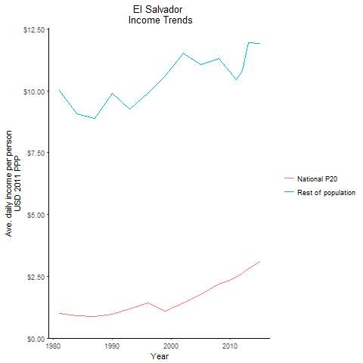
CountryName | National P20 | Rest of population | Year
El Salvador | 0.98318595 | 10.011774745 | 1981
El Salvador | 0.890980065 | 9.0728371755 | 1984
El Salvador | 0.96090908 | 9.8948782095 | 1990
El Salvador | 0.87240571 | 8.8836561067 | 1987
El Salvador | 1.18481055 | 9.2450959926 | 1993
El Salvador | 1.4193819115 | 9.902195618 | 1996
El Salvador | 1.09183305 | 10.599271874 | 1999
El Salvador | 1.42209243 | 11.527468673 | 2002
El Salvador | 1.76839402 | 11.06464807 | 2005
El Salvador | 2.19656515 | 11.297168302 | 2008
El Salvador | 2.33315327 | 10.755273326 | 2010
El Salvador | 2.4727768255 | 10.451452369 | 2011
El Salvador | 2.623599154 | 10.799086513 | 2012
El Salvador | 2.8009678305 | 11.935133385 | 2013
El Salvador | 3.1031976295 | 11.912055387 | 2015

Guatemala
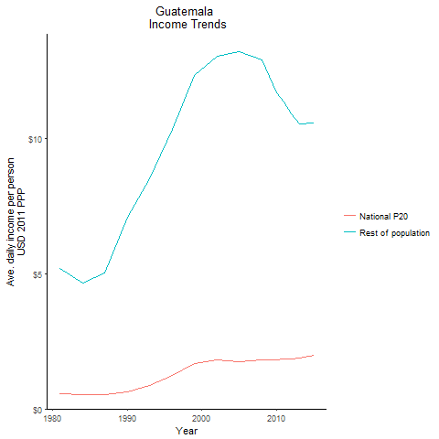
CountryName | National P20 | Rest of population | Year
Guatemala | 0.5745862245 | 5.1966370055 | 1981
Guatemala | 0.51585177 | 4.6655466465 | 1984
Guatemala | 0.627421839 | 7.0818650882 | 1990
Guatemala | 0.531143976 | 5.0266797594 | 1987
Guatemala | 0.8805495015 | 8.5016681041 | 1993
Guatemala | 1.22596059 | 10.359697524 | 1996
Guatemala | 1.6949572185 | 12.344359326 | 1999
Guatemala | 1.8279588405 | 13.043754125 | 2002
Guatemala | 1.75310562 | 13.208834554 | 2005
Guatemala | 1.82513523 | 12.919195645 | 2008
Guatemala | 1.804120368 | 11.706391826 | 2010
Guatemala | 1.832254493 | 11.347593911 | 2011
Guatemala | 1.852077051 | 10.92345608 | 2012
Guatemala | 1.8830190755 | 10.55035756 | 2013
Guatemala | 1.993610295 | 10.582237152 | 2015

Guyana
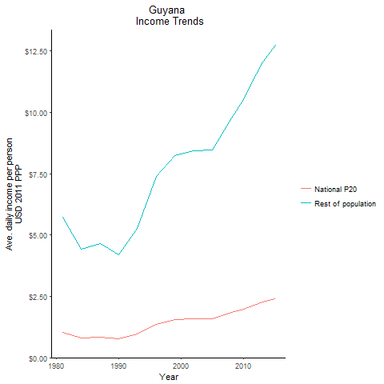
CountryName | National P20 | Rest of population | Year
Guyana | 1.043359212 | 5.7151766354 | 1981
Guyana | 0.808452472 | 4.4287074299 | 1984
Guyana | 0.766343979 | 4.197816745 | 1990
Guyana | 0.847139475 | 4.6405918436 | 1987
Guyana | 0.966630106 | 5.2815027475 | 1993
Guyana | 1.3620281805 | 7.3831943247 | 1996
Guyana | 1.555581125 | 8.2269156777 | 1999
Guyana | 1.592326272 | 8.4212444594 | 2002
Guyana | 1.59837295 | 8.4532259406 | 2005
Guyana | 1.8452593665 | 9.7589331036 | 2008
Guyana | 1.98923392 | 10.520351794 | 2010
Guyana | 2.0854924175 | 11.029436485 | 2011
Guyana | 2.1838958505 | 11.549849325 | 2012
Guyana | 2.278377816 | 12.049539793 | 2013
Guyana | 2.4063952185 | 12.726566949 | 2015

Honduras
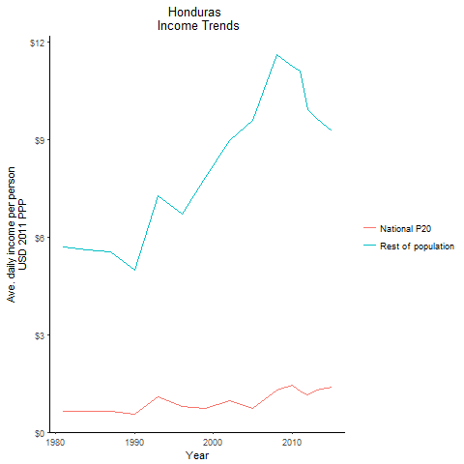
CountryName | National P20 | Rest of population | Year
Honduras | 0.646996294 | 5.6926481868 | 1981
Honduras | 0.637240176 | 5.6069118738 | 1984
Honduras | 0.540281016 | 4.9685009789 | 1990
Honduras | 0.6283496175 | 5.528578349 | 1987
Honduras | 1.077599866 | 7.2758835951 | 1993
Honduras | 0.790455841 | 6.6940559028 | 1996
Honduras | 0.741815949 | 7.8256843689 | 1999
Honduras | 0.9647423775 | 8.9609856385 | 2002
Honduras | 0.741271545 | 9.5864012918 | 2005
Honduras | 1.298761716 | 11.591601352 | 2008
Honduras | 1.449951544 | 11.255398415 | 2010
Honduras | 1.2553479125 | 11.104294529 | 2011
Honduras | 1.1359361435 | 9.9123255532 | 2012
Honduras | 1.281591135 | 9.6377611204 | 2013
Honduras | 1.392958041 | 9.2404591199 | 2015

Jamaica
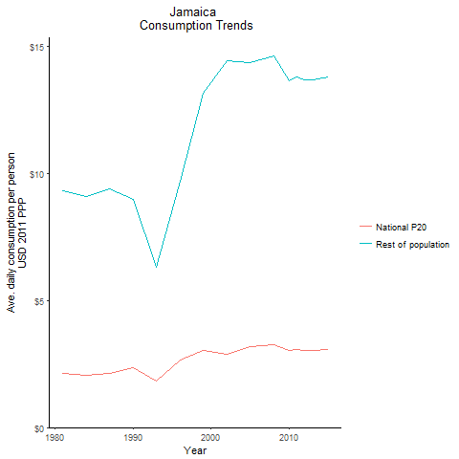
CountryName | National P20 | Rest of population | Year
Jamaica | 2.112633864 | 9.3130703011 | 1981
Jamaica | 2.059262084 | 9.0778200954 | 1984
Jamaica | 2.352358413 | 8.9850829995 | 1990
Jamaica | 2.1312119595 | 9.3949737225 | 1987
Jamaica | 1.8268971375 | 6.3113291403 | 1993
Jamaica | 2.653360916 | 9.6853118258 | 1996
Jamaica | 3.036138336 | 13.147198293 | 1999
Jamaica | 2.898606725 | 14.442283935 | 2002
Jamaica | 3.198676566 | 14.345526749 | 2005
Jamaica | 3.257506596 | 14.609342529 | 2008
Jamaica | 3.041025051 | 13.638469765 | 2010
Jamaica | 3.080263564 | 13.814376575 | 2011
Jamaica | 3.0486420045 | 13.672618951 | 2012
Jamaica | 3.052241946 | 13.688699787 | 2013
Jamaica | 3.07877675 | 13.807737319 | 2015

Mexico
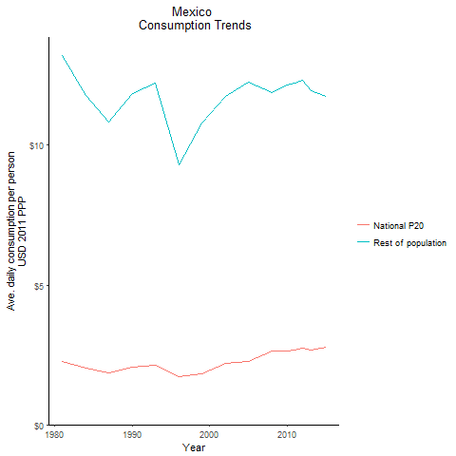
CountryName | National P20 | Rest of population | Year
Mexico | 2.260465095 | 13.196767288 | 1981
Mexico | 2.01825299 | 11.782725794 | 1984
Mexico | 2.053056051 | 11.84910722 | 1990
Mexico | 1.867519143 | 10.849395557 | 1987
Mexico | 2.139624785 | 12.238892434 | 1993
Mexico | 1.73330664 | 9.3132377236 | 1996
Mexico | 1.81328909 | 10.804428412 | 1999
Mexico | 2.194462969 | 11.744397956 | 2002
Mexico | 2.262178866 | 12.274397749 | 2005
Mexico | 2.6397959025 | 11.882952394 | 2008
Mexico | 2.6308723855 | 12.155540808 | 2010
Mexico | 2.678587065 | 12.24308885 | 2011
Mexico | 2.728701164 | 12.339160325 | 2012
Mexico | 2.675368201 | 11.950362059 | 2013
Mexico | 2.7622989195 | 11.742082804 | 2015

Nicaragua
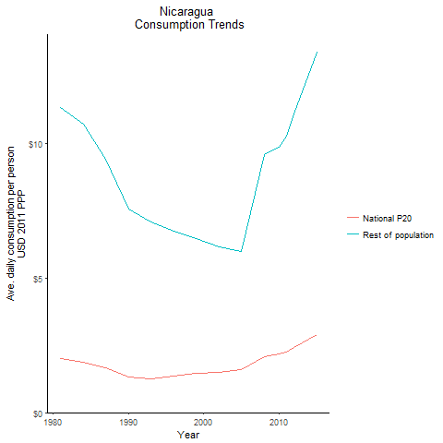
CountryName | National P20 | Rest of population | Year
Nicaragua | 1.995930881 | 11.335893992 | 1981
Nicaragua | 1.8827487875 | 10.69304842 | 1984
Nicaragua | 1.332693024 | 7.5690198947 | 1990
Nicaragua | 1.654365251 | 9.3959566325 | 1987
Nicaragua | 1.2453152615 | 7.0727807737 | 1993
Nicaragua | 1.366624949 | 6.7225670504 | 1996
Nicaragua | 1.4695800435 | 6.4612871809 | 1999
Nicaragua | 1.500521256 | 6.1494710559 | 2002
Nicaragua | 1.583204314 | 5.9843276886 | 2005
Nicaragua | 2.0829148795 | 9.5624479925 | 2008
Nicaragua | 2.184989567 | 9.8485923343 | 2010
Nicaragua | 2.2604245755 | 10.251640431 | 2011
Nicaragua | 2.431516557 | 11.091796203 | 2012
Nicaragua | 2.591976352 | 11.890353857 | 2013
Nicaragua | 2.897141795 | 13.363258387 | 2015

Panama
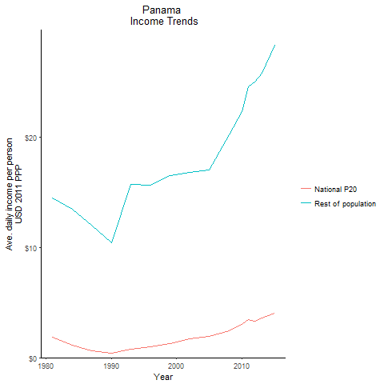
CountryName | National P20 | Rest of population | Year
Panama | 1.852485705 | 14.53371419 | 1981
Panama | 1.1355425 | 13.51396095 | 1984
Panama | 0.41894292 | 10.440597147 | 1990
Panama | 0.60230646 | 12.05967818 | 1987
Panama | 0.78542161 | 15.753103502 | 1993
Panama | 0.97115265 | 15.68068992 | 1996
Panama | 1.28485296 | 16.545559363 | 1999
Panama | 1.70638376 | 16.808087622 | 2002
Panama | 1.9123537485 | 17.038475946 | 2005
Panama | 2.470063155 | 20.232155444 | 2008
Panama | 3.0212999505 | 22.325820218 | 2010
Panama | 3.4839587365 | 24.635199357 | 2011
Panama | 3.2826347745 | 25.039916649 | 2012
Panama | 3.574795984 | 25.841976346 | 2013
Panama | 4.041434823 | 28.366590609 | 2015

Paraguay
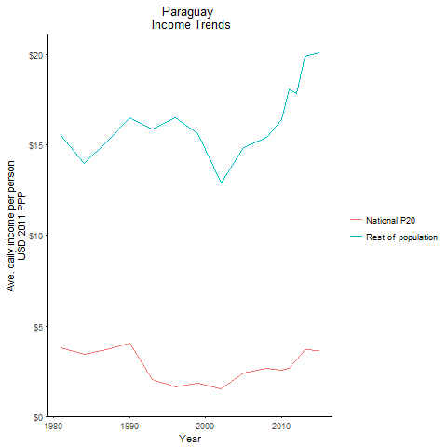
CountryName | National P20 | Rest of population | Year
Paraguay | 3.800812669 | 15.532244778 | 1981
Paraguay | 3.425723241 | 13.999495217 | 1984
Paraguay | 4.037432832 | 16.499225354 | 1990
Paraguay | 3.71282225 | 15.172753342 | 1987
Paraguay | 2.062554529 | 15.87523945 | 1993
Paraguay | 1.6419884 | 16.498620708 | 1996
Paraguay | 1.831391256 | 15.634353556 | 1999
Paraguay | 1.543492608 | 12.921456985 | 2002
Paraguay | 2.41585798 | 14.888902628 | 2005
Paraguay | 2.634616314 | 15.449566469 | 2008
Paraguay | 2.580460757 | 16.403560153 | 2010
Paraguay | 2.6647376405 | 18.113379973 | 2011
Paraguay | 3.116552604 | 17.870583767 | 2012
Paraguay | 3.678302355 | 19.918444959 | 2013
Paraguay | 3.6456532055 | 20.104844233 | 2015

Peru
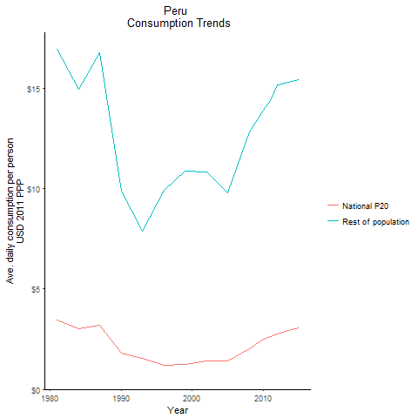
CountryName | National P20 | Rest of population | Year
Peru | 3.4504685235 | 16.949849992 | 1981
Peru | 3.042966378 | 14.948047447 | 1984
Peru | 1.7934859945 | 9.903962748 | 1990
Peru | 3.185770098 | 16.770768434 | 1987
Peru | 1.5262397725 | 7.8687112898 | 1993
Peru | 1.1977490245 | 9.9442024699 | 1996
Peru | 1.226717015 | 10.895238554 | 1999
Peru | 1.425299382 | 10.852932689 | 2002
Peru | 1.431630354 | 9.7967841923 | 2005
Peru | 2.0068706125 | 12.81665084 | 2008
Peru | 2.496855153 | 13.912462924 | 2010
Peru | 2.6255881775 | 14.391101586 | 2011
Peru | 2.753049377 | 15.167719848 | 2012
Peru | 2.88111124 | 15.272093423 | 2013
Peru | 3.05195607 | 15.44363153 | 2015

St. Lucia
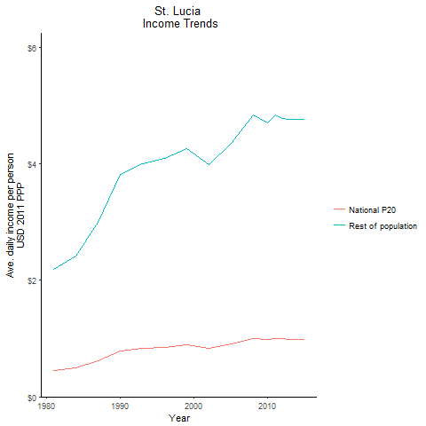
CountryName | National P20 | Rest of population | Year
St. Lucia | 0.455469621 | 2.1900409509 | 1981
St. Lucia | 0.502978488 | 2.418515104 | 1984
St. Lucia | 0.79335624 | 3.8147321729 | 1990
St. Lucia | 0.622162923 | 2.9916026939 | 1987
St. Lucia | 0.830649456 | 3.9940184579 | 1993
St. Lucia | 0.850847106 | 4.091133429 | 1996
St. Lucia | 0.884899753 | 4.2548819111 | 1999
St. Lucia | 0.827745975 | 3.9801347391 | 2002
St. Lucia | 0.906000591 | 4.3563738249 | 2005
St. Lucia | 1.004576892 | 4.830346188 | 2008
St. Lucia | 0.978418454 | 4.7045734687 | 2010
St. Lucia | 1.004457952 | 4.8297677038 | 2011
St. Lucia | 0.9920979 | 4.7703631962 | 2012
St. Lucia | 0.98911005 | 4.7559457752 | 2013
St. Lucia | 0.9913515 | 4.766752536 | 2015

Suriname
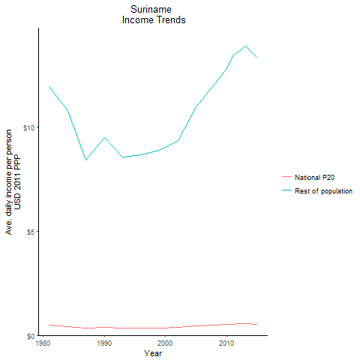
CountryName | National P20 | Rest of population | Year
Suriname | 0.479200955 | 11.937372364 | 1981
Suriname | 0.4322376 | 10.769459778 | 1984
Suriname | 0.38090719 | 9.4880759422 | 1990
Suriname | 0.3366006 | 8.3859142336 | 1987
Suriname | 0.34325863 | 8.5527058904 | 1993
Suriname | 0.34680888 | 8.6392703827 | 1996
Suriname | 0.35573576 | 8.8628030463 | 1999
Suriname | 0.37477284 | 9.3374191188 | 2002
Suriname | 0.439431495 | 10.948713359 | 2005
Suriname | 0.483882375 | 12.054229406 | 2008
Suriname | 0.513352365 | 12.787401635 | 2010
Suriname | 0.53762688 | 13.395737116 | 2011
Suriname | 0.546562655 | 13.615536049 | 2012
Suriname | 0.55698258 | 13.87380778 | 2013
Suriname | 0.53328174 | 13.28673162 | 2015

Trinidad and Tobago
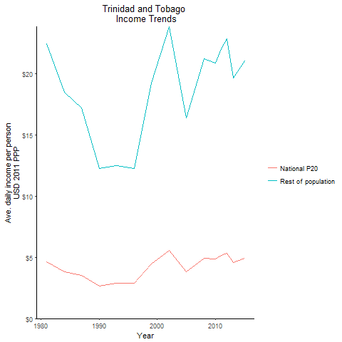
CountryName | National P20 | Rest of population | Year
Trinidad and Tobago | 4.628012098 | 22.452709304 | 1981
Trinidad and Tobago | 3.8109664235 | 18.488840586 | 1984
Trinidad and Tobago | 2.639479773 | 12.258388961 | 1990
Trinidad and Tobago | 3.548937506 | 17.21760124 | 1987
Trinidad and Tobago | 2.914704684 | 12.506793692 | 1993
Trinidad and Tobago | 2.862433533 | 12.282508055 | 1996
Trinidad and Tobago | 4.4857570535 | 19.248059367 | 1999
Trinidad and Tobago | 5.5625859 | 23.868663114 | 2002
Trinidad and Tobago | 3.820249868 | 16.392416985 | 2005
Trinidad and Tobago | 4.954288773 | 21.25849767 | 2008
Trinidad and Tobago | 4.867279812 | 20.885158129 | 2010
Trinidad and Tobago | 5.138683704 | 22.049723595 | 2011
Trinidad and Tobago | 5.334785436 | 22.891188573 | 2012
Trinidad and Tobago | 4.589386452 | 19.692728729 | 2013
Trinidad and Tobago | 4.9090859675 | 21.064549056 | 2015

Uruguay
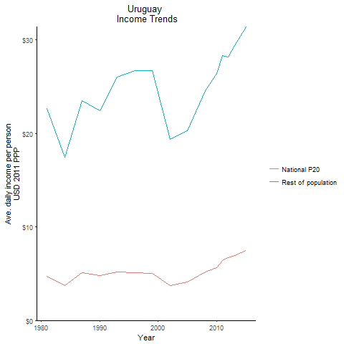
CountryName | National P20 | Rest of population | Year
Uruguay | 4.754961512 | 22.66818017 | 1981
Uruguay | 3.70752327 | 17.433797265 | 1984
Uruguay | 4.8216604485 | 22.438320504 | 1990
Uruguay | 5.1191168655 | 23.521816674 | 1987
Uruguay | 5.169766708 | 26.010607638 | 1993
Uruguay | 5.08698248 | 26.722976298 | 1996
Uruguay | 5.047558845 | 26.759651385 | 1999
Uruguay | 3.731309673 | 19.37108628 | 2002
Uruguay | 4.0933094445 | 20.270310995 | 2005
Uruguay | 5.2167730945 | 24.612712206 | 2008
Uruguay | 5.6432475 | 26.459726481 | 2010
Uruguay | 6.446003895 | 28.317982588 | 2011
Uruguay | 6.7299594375 | 28.197526579 | 2012
Uruguay | 6.9239555 | 29.423419344 | 2013
Uruguay | 7.46436785 | 31.420190229 | 2015

Venezuela, Republica Bolivaria
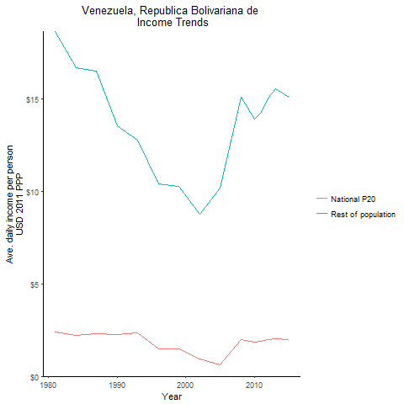
CountryName | National P20 | Rest of population | Year
Venezuela, Republica Bolivariana de | 2.382764248 | 18.629710308 | 1981
Venezuela, Republica Bolivariana de | 2.2272535075 | 16.658082514 | 1984
Venezuela, Republica Bolivariana de | 2.273096394 | 13.538075217 | 1990
Venezuela, Republica Bolivariana de | 2.3039345275 | 16.484621848 | 1987
Venezuela, Republica Bolivariana de | 2.36741 | 12.770110514 | 1993
Venezuela, Republica Bolivariana de | 1.488160128 | 10.381484626 | 1996
Venezuela, Republica Bolivariana de | 1.504481445 | 10.245478269 | 1999
Venezuela, Republica Bolivariana de | 0.93207687 | 8.7520177688 | 2002
Venezuela, Republica Bolivariana de | 0.6403278 | 10.169534488 | 2005
Venezuela, Republica Bolivariana de | 1.98196098 | 15.065928933 | 2008
Venezuela, Republica Bolivariana de | 1.830426 | 13.914033226 | 2010
Venezuela, Republica Bolivariana de | 1.875952 | 14.260091452 | 2011
Venezuela, Republica Bolivariana de | 1.97884873 | 15.04226727 | 2012
Venezuela, Republica Bolivariana de | 2.043271125 | 15.531986328 | 2013
Venezuela, Republica Bolivariana de | 1.985809455 | 15.095180513 | 2015

Haiti
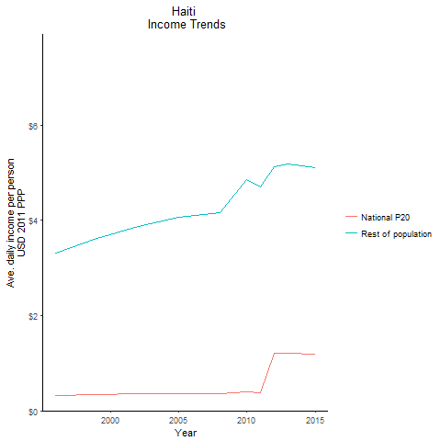
CountryName | National P20 | Rest of population | Year
Haiti | 0.315565748 | 3.3041654123 | 1996
Haiti | 0.345245745 | 3.6149969199 | 1999
Haiti | 0.363006508 | 3.8623438525 | 2002
Haiti | 0.364330502 | 4.0623762786 | 2005
Haiti | 0.356188074 | 4.15426805 | 2008
Haiti | 0.4044838875 | 4.8562927268 | 2010
Haiti | 0.385899271 | 4.6992881959 | 2011
Haiti | 1.202315227 | 5.1253321522 | 2012
Haiti | 1.213700547 | 5.1738721235 | 2013
Haiti | 1.196349612 | 5.0998851997 | 2015

