Bangladesh
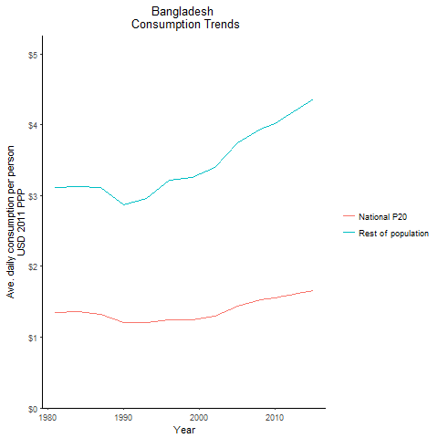
CountryName | National P20 | Rest of population | Year
Bangladesh | 1.346128935 | 3.1141516019 | 1981
Bangladesh | 1.36032028 | 3.1309749985 | 1984
Bangladesh | 1.206136434 | 2.8731854805 | 1990
Bangladesh | 1.318515651 | 3.1086114982 | 1987
Bangladesh | 1.20812235 | 2.9540313303 | 1993
Bangladesh | 1.23824701 | 3.220103453 | 1996
Bangladesh | 1.238615852 | 3.2591813795 | 1999
Bangladesh | 1.295107198 | 3.4011337484 | 2002
Bangladesh | 1.4400274875 | 3.7497917583 | 2005
Bangladesh | 1.52452389 | 3.9426375207 | 2008
Bangladesh | 1.558039907 | 4.0093941328 | 2010
Bangladesh | 1.585175475 | 4.0978499669 | 2011
Bangladesh | 1.5979679625 | 4.1498148587 | 2012
Bangladesh | 1.6179961 | 4.2210653586 | 2013
Bangladesh | 1.657967516 | 4.3651409977 | 2015

Bhutan
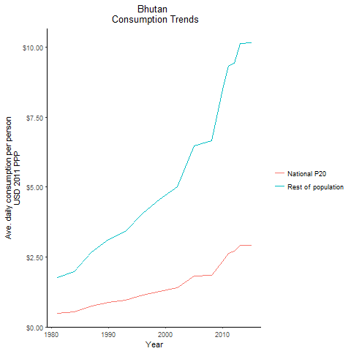
CountryName | National P20 | Rest of population | Year
Bhutan | 0.495141393 | 1.7710027339 | 1981
Bhutan | 0.5517422505 | 1.9734751223 | 1984
Bhutan | 0.87319122 | 3.1230898662 | 1990
Bhutan | 0.74960472 | 2.6811721077 | 1987
Bhutan | 0.95282712 | 3.4079155488 | 1993
Bhutan | 1.138663656 | 4.0726655928 | 1996
Bhutan | 1.2781261115 | 4.5713931297 | 1999
Bhutan | 1.4038081515 | 5.0209301539 | 2002
Bhutan | 1.825289865 | 6.4738213694 | 2005
Bhutan | 1.8563922345 | 6.6520581058 | 2008
Bhutan | 2.34624628 | 8.4741124026 | 2010
Bhutan | 2.6190207675 | 9.3179269999 | 2011
Bhutan | 2.7188397 | 9.4205133627 | 2012
Bhutan | 2.922640495 | 10.144389191 | 2013
Bhutan | 2.913148315 | 10.146536209 | 2015

India
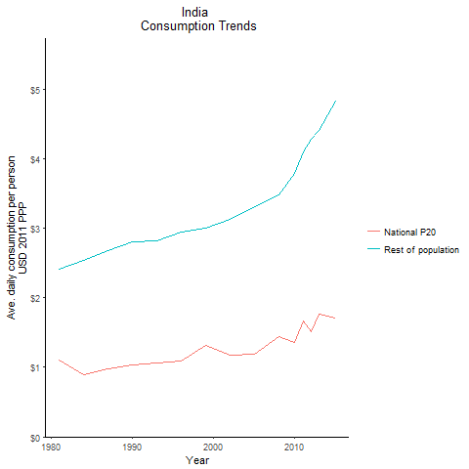
CountryName | National P20 | Rest of population | Year
India | 1.106863588 | 2.4139919112 | 1981
India | 1.106863588 | 2.4139919112 | 1981
India | 1.106863588 | 2.4139919112 | 1981
India | 1.106863588 | 2.4139919112 | 1981
India | 1.106863588 | 2.4139919112 | 1981
India | 1.106863588 | 2.4139919112 | 1981
India | 1.106863588 | 2.4139919112 | 1981
India | 1.106863588 | 2.4139919112 | 1981
India | 1.106863588 | 2.4139919112 | 1981
India | 1.106863588 | 2.4139919112 | 1981
India | 1.106863588 | 2.4139919112 | 1981
India | 1.106863588 | 2.4139919112 | 1981
India | 1.106863588 | 2.4139919112 | 1981
India | 1.106863588 | 2.4139919112 | 1981
India | 1.106863588 | 2.4139919112 | 1981
India | 1.106863588 | 2.4139919112 | 1981
India | 1.106863588 | 2.4139919112 | 1981
India | 1.106863588 | 2.4139919112 | 1981
India | 1.106863588 | 2.4139919112 | 1981
India | 1.106863588 | 2.4139919112 | 1981
India | 1.106863588 | 2.4139919112 | 1981
India | 1.106863588 | 2.4139919112 | 1981
India | 1.106863588 | 2.4139919112 | 1981
India | 1.106863588 | 2.4139919112 | 1981
India | 1.106863588 | 2.4139919112 | 1981
India | 1.106863588 | 2.4139919112 | 1981
India | 1.106863588 | 2.4139919112 | 1981
India | 0.890181824 | 2.5377586536 | 1984
India | 0.890181824 | 2.5377586536 | 1984
India | 0.890181824 | 2.5377586536 | 1984
India | 0.890181824 | 2.5377586536 | 1984
India | 0.890181824 | 2.5377586536 | 1984
India | 0.890181824 | 2.5377586536 | 1984
India | 0.890181824 | 2.5377586536 | 1984
India | 0.890181824 | 2.5377586536 | 1984
India | 0.890181824 | 2.5377586536 | 1984
India | 0.890181824 | 2.5377586536 | 1984
India | 0.890181824 | 2.5377586536 | 1984
India | 0.890181824 | 2.5377586536 | 1984
India | 0.890181824 | 2.5377586536 | 1984
India | 0.890181824 | 2.5377586536 | 1984
India | 0.890181824 | 2.5377586536 | 1984
India | 0.890181824 | 2.5377586536 | 1984
India | 0.890181824 | 2.5377586536 | 1984
India | 0.890181824 | 2.5377586536 | 1984
India | 0.890181824 | 2.5377586536 | 1984
India | 0.890181824 | 2.5377586536 | 1984
India | 0.890181824 | 2.5377586536 | 1984
India | 0.890181824 | 2.5377586536 | 1984
India | 0.890181824 | 2.5377586536 | 1984
India | 0.890181824 | 2.5377586536 | 1984
India | 0.890181824 | 2.5377586536 | 1984
India | 0.890181824 | 2.5377586536 | 1984
India | 0.890181824 | 2.5377586536 | 1984
India | 1.033356416 | 2.8022230878 | 1990
India | 1.033356416 | 2.8022230878 | 1990
India | 1.033356416 | 2.8022230878 | 1990
India | 1.033356416 | 2.8022230878 | 1990
India | 1.033356416 | 2.8022230878 | 1990
India | 1.033356416 | 2.8022230878 | 1990
India | 1.033356416 | 2.8022230878 | 1990
India | 1.033356416 | 2.8022230878 | 1990
India | 1.033356416 | 2.8022230878 | 1990
India | 1.033356416 | 2.8022230878 | 1990
India | 1.033356416 | 2.8022230878 | 1990
India | 1.033356416 | 2.8022230878 | 1990
India | 1.033356416 | 2.8022230878 | 1990
India | 1.033356416 | 2.8022230878 | 1990
India | 1.033356416 | 2.8022230878 | 1990
India | 1.033356416 | 2.8022230878 | 1990
India | 1.033356416 | 2.8022230878 | 1990
India | 1.033356416 | 2.8022230878 | 1990
India | 1.033356416 | 2.8022230878 | 1990
India | 1.033356416 | 2.8022230878 | 1990
India | 1.033356416 | 2.8022230878 | 1990
India | 1.033356416 | 2.8022230878 | 1990
India | 1.033356416 | 2.8022230878 | 1990
India | 1.033356416 | 2.8022230878 | 1990
India | 1.033356416 | 2.8022230878 | 1990
India | 1.033356416 | 2.8022230878 | 1990
India | 1.033356416 | 2.8022230878 | 1990
India | 0.973738909 | 2.6803381495 | 1987
India | 0.973738909 | 2.6803381495 | 1987
India | 0.973738909 | 2.6803381495 | 1987
India | 0.973738909 | 2.6803381495 | 1987
India | 0.973738909 | 2.6803381495 | 1987
India | 0.973738909 | 2.6803381495 | 1987
India | 0.973738909 | 2.6803381495 | 1987
India | 0.973738909 | 2.6803381495 | 1987
India | 0.973738909 | 2.6803381495 | 1987
India | 0.973738909 | 2.6803381495 | 1987
India | 0.973738909 | 2.6803381495 | 1987
India | 0.973738909 | 2.6803381495 | 1987
India | 0.973738909 | 2.6803381495 | 1987
India | 0.973738909 | 2.6803381495 | 1987
India | 0.973738909 | 2.6803381495 | 1987
India | 0.973738909 | 2.6803381495 | 1987
India | 0.973738909 | 2.6803381495 | 1987
India | 0.973738909 | 2.6803381495 | 1987
India | 0.973738909 | 2.6803381495 | 1987
India | 0.973738909 | 2.6803381495 | 1987
India | 0.973738909 | 2.6803381495 | 1987
India | 0.973738909 | 2.6803381495 | 1987
India | 0.973738909 | 2.6803381495 | 1987
India | 0.973738909 | 2.6803381495 | 1987
India | 0.973738909 | 2.6803381495 | 1987
India | 0.973738909 | 2.6803381495 | 1987
India | 0.973738909 | 2.6803381495 | 1987
India | 1.058976883 | 2.8233850943 | 1993
India | 1.058976883 | 2.8233850943 | 1993
India | 1.058976883 | 2.8233850943 | 1993
India | 1.058976883 | 2.8233850943 | 1993
India | 1.058976883 | 2.8233850943 | 1993
India | 1.058976883 | 2.8233850943 | 1993
India | 1.058976883 | 2.8233850943 | 1993
India | 1.058976883 | 2.8233850943 | 1993
India | 1.058976883 | 2.8233850943 | 1993
India | 1.058976883 | 2.8233850943 | 1993
India | 1.058976883 | 2.8233850943 | 1993
India | 1.058976883 | 2.8233850943 | 1993
India | 1.058976883 | 2.8233850943 | 1993
India | 1.058976883 | 2.8233850943 | 1993
India | 1.058976883 | 2.8233850943 | 1993
India | 1.058976883 | 2.8233850943 | 1993
India | 1.058976883 | 2.8233850943 | 1993
India | 1.058976883 | 2.8233850943 | 1993
India | 1.058976883 | 2.8233850943 | 1993
India | 1.058976883 | 2.8233850943 | 1993
India | 1.058976883 | 2.8233850943 | 1993
India | 1.058976883 | 2.8233850943 | 1993
India | 1.058976883 | 2.8233850943 | 1993
India | 1.058976883 | 2.8233850943 | 1993
India | 1.058976883 | 2.8233850943 | 1993
India | 1.058976883 | 2.8233850943 | 1993
India | 1.058976883 | 2.8233850943 | 1993
India | 1.09308123 | 2.9411680487 | 1996
India | 1.09308123 | 2.9411680487 | 1996
India | 1.09308123 | 2.9411680487 | 1996
India | 1.09308123 | 2.9411680487 | 1996
India | 1.09308123 | 2.9411680487 | 1996
India | 1.09308123 | 2.9411680487 | 1996
India | 1.09308123 | 2.9411680487 | 1996
India | 1.09308123 | 2.9411680487 | 1996
India | 1.09308123 | 2.9411680487 | 1996
India | 1.09308123 | 2.9411680487 | 1996
India | 1.09308123 | 2.9411680487 | 1996
India | 1.09308123 | 2.9411680487 | 1996
India | 1.09308123 | 2.9411680487 | 1996
India | 1.09308123 | 2.9411680487 | 1996
India | 1.09308123 | 2.9411680487 | 1996
India | 1.09308123 | 2.9411680487 | 1996
India | 1.09308123 | 2.9411680487 | 1996
India | 1.09308123 | 2.9411680487 | 1996
India | 1.09308123 | 2.9411680487 | 1996
India | 1.09308123 | 2.9411680487 | 1996
India | 1.09308123 | 2.9411680487 | 1996
India | 1.09308123 | 2.9411680487 | 1996
India | 1.09308123 | 2.9411680487 | 1996
India | 1.09308123 | 2.9411680487 | 1996
India | 1.09308123 | 2.9411680487 | 1996
India | 1.09308123 | 2.9411680487 | 1996
India | 1.09308123 | 2.9411680487 | 1996
India | 1.317729 | 2.9966472021 | 1999
India | 1.317729 | 2.9966472021 | 1999
India | 1.317729 | 2.9966472021 | 1999
India | 1.317729 | 2.9966472021 | 1999
India | 1.317729 | 2.9966472021 | 1999
India | 1.317729 | 2.9966472021 | 1999
India | 1.317729 | 2.9966472021 | 1999
India | 1.317729 | 2.9966472021 | 1999
India | 1.317729 | 2.9966472021 | 1999
India | 1.317729 | 2.9966472021 | 1999
India | 1.317729 | 2.9966472021 | 1999
India | 1.317729 | 2.9966472021 | 1999
India | 1.317729 | 2.9966472021 | 1999
India | 1.317729 | 2.9966472021 | 1999
India | 1.317729 | 2.9966472021 | 1999
India | 1.317729 | 2.9966472021 | 1999
India | 1.317729 | 2.9966472021 | 1999
India | 1.317729 | 2.9966472021 | 1999
India | 1.317729 | 2.9966472021 | 1999
India | 1.317729 | 2.9966472021 | 1999
India | 1.317729 | 2.9966472021 | 1999
India | 1.317729 | 2.9966472021 | 1999
India | 1.317729 | 2.9966472021 | 1999
India | 1.317729 | 2.9966472021 | 1999
India | 1.317729 | 2.9966472021 | 1999
India | 1.317729 | 2.9966472021 | 1999
India | 1.317729 | 2.9966472021 | 1999
India | 1.1741730975 | 3.1258259037 | 2002
India | 1.1741730975 | 3.1258259037 | 2002
India | 1.1741730975 | 3.1258259037 | 2002
India | 1.1741730975 | 3.1258259037 | 2002
India | 1.1741730975 | 3.1258259037 | 2002
India | 1.1741730975 | 3.1258259037 | 2002
India | 1.1741730975 | 3.1258259037 | 2002
India | 1.1741730975 | 3.1258259037 | 2002
India | 1.1741730975 | 3.1258259037 | 2002
India | 1.1741730975 | 3.1258259037 | 2002
India | 1.1741730975 | 3.1258259037 | 2002
India | 1.1741730975 | 3.1258259037 | 2002
India | 1.1741730975 | 3.1258259037 | 2002
India | 1.1741730975 | 3.1258259037 | 2002
India | 1.1741730975 | 3.1258259037 | 2002
India | 1.1741730975 | 3.1258259037 | 2002
India | 1.1741730975 | 3.1258259037 | 2002
India | 1.1741730975 | 3.1258259037 | 2002
India | 1.1741730975 | 3.1258259037 | 2002
India | 1.1741730975 | 3.1258259037 | 2002
India | 1.1741730975 | 3.1258259037 | 2002
India | 1.1741730975 | 3.1258259037 | 2002
India | 1.1741730975 | 3.1258259037 | 2002
India | 1.1741730975 | 3.1258259037 | 2002
India | 1.1741730975 | 3.1258259037 | 2002
India | 1.1741730975 | 3.1258259037 | 2002
India | 1.1741730975 | 3.1258259037 | 2002
India | 1.18520042 | 3.3133270183 | 2005
India | 1.18520042 | 3.3133270183 | 2005
India | 1.18520042 | 3.3133270183 | 2005
India | 1.18520042 | 3.3133270183 | 2005
India | 1.18520042 | 3.3133270183 | 2005
India | 1.18520042 | 3.3133270183 | 2005
India | 1.18520042 | 3.3133270183 | 2005
India | 1.18520042 | 3.3133270183 | 2005
India | 1.18520042 | 3.3133270183 | 2005
India | 1.18520042 | 3.3133270183 | 2005
India | 1.18520042 | 3.3133270183 | 2005
India | 1.18520042 | 3.3133270183 | 2005
India | 1.18520042 | 3.3133270183 | 2005
India | 1.18520042 | 3.3133270183 | 2005
India | 1.18520042 | 3.3133270183 | 2005
India | 1.18520042 | 3.3133270183 | 2005
India | 1.18520042 | 3.3133270183 | 2005
India | 1.18520042 | 3.3133270183 | 2005
India | 1.18520042 | 3.3133270183 | 2005
India | 1.18520042 | 3.3133270183 | 2005
India | 1.18520042 | 3.3133270183 | 2005
India | 1.18520042 | 3.3133270183 | 2005
India | 1.18520042 | 3.3133270183 | 2005
India | 1.18520042 | 3.3133270183 | 2005
India | 1.18520042 | 3.3133270183 | 2005
India | 1.18520042 | 3.3133270183 | 2005
India | 1.18520042 | 3.3133270183 | 2005
India | 1.442770864 | 3.4780994758 | 2008
India | 1.442770864 | 3.4780994758 | 2008
India | 1.442770864 | 3.4780994758 | 2008
India | 1.442770864 | 3.4780994758 | 2008
India | 1.442770864 | 3.4780994758 | 2008
India | 1.442770864 | 3.4780994758 | 2008
India | 1.442770864 | 3.4780994758 | 2008
India | 1.442770864 | 3.4780994758 | 2008
India | 1.442770864 | 3.4780994758 | 2008
India | 1.442770864 | 3.4780994758 | 2008
India | 1.442770864 | 3.4780994758 | 2008
India | 1.442770864 | 3.4780994758 | 2008
India | 1.442770864 | 3.4780994758 | 2008
India | 1.442770864 | 3.4780994758 | 2008
India | 1.442770864 | 3.4780994758 | 2008
India | 1.442770864 | 3.4780994758 | 2008
India | 1.442770864 | 3.4780994758 | 2008
India | 1.442770864 | 3.4780994758 | 2008
India | 1.442770864 | 3.4780994758 | 2008
India | 1.442770864 | 3.4780994758 | 2008
India | 1.442770864 | 3.4780994758 | 2008
India | 1.442770864 | 3.4780994758 | 2008
India | 1.442770864 | 3.4780994758 | 2008
India | 1.442770864 | 3.4780994758 | 2008
India | 1.442770864 | 3.4780994758 | 2008
India | 1.442770864 | 3.4780994758 | 2008
India | 1.442770864 | 3.4780994758 | 2008
India | 1.3606021845 | 3.7915809607 | 2010
India | 1.3606021845 | 3.7915809607 | 2010
India | 1.3606021845 | 3.7915809607 | 2010
India | 1.3606021845 | 3.7915809607 | 2010
India | 1.3606021845 | 3.7915809607 | 2010
India | 1.3606021845 | 3.7915809607 | 2010
India | 1.3606021845 | 3.7915809607 | 2010
India | 1.3606021845 | 3.7915809607 | 2010
India | 1.3606021845 | 3.7915809607 | 2010
India | 1.3606021845 | 3.7915809607 | 2010
India | 1.3606021845 | 3.7915809607 | 2010
India | 1.3606021845 | 3.7915809607 | 2010
India | 1.3606021845 | 3.7915809607 | 2010
India | 1.3606021845 | 3.7915809607 | 2010
India | 1.3606021845 | 3.7915809607 | 2010
India | 1.3606021845 | 3.7915809607 | 2010
India | 1.3606021845 | 3.7915809607 | 2010
India | 1.3606021845 | 3.7915809607 | 2010
India | 1.3606021845 | 3.7915809607 | 2010
India | 1.3606021845 | 3.7915809607 | 2010
India | 1.3606021845 | 3.7915809607 | 2010
India | 1.3606021845 | 3.7915809607 | 2010
India | 1.3606021845 | 3.7915809607 | 2010
India | 1.3606021845 | 3.7915809607 | 2010
India | 1.3606021845 | 3.7915809607 | 2010
India | 1.3606021845 | 3.7915809607 | 2010
India | 1.3606021845 | 3.7915809607 | 2010
India | 1.67022578 | 4.1020175276 | 2011
India | 1.67022578 | 4.1020175276 | 2011
India | 1.67022578 | 4.1020175276 | 2011
India | 1.67022578 | 4.1020175276 | 2011
India | 1.67022578 | 4.1020175276 | 2011
India | 1.67022578 | 4.1020175276 | 2011
India | 1.67022578 | 4.1020175276 | 2011
India | 1.67022578 | 4.1020175276 | 2011
India | 1.67022578 | 4.1020175276 | 2011
India | 1.67022578 | 4.1020175276 | 2011
India | 1.67022578 | 4.1020175276 | 2011
India | 1.67022578 | 4.1020175276 | 2011
India | 1.67022578 | 4.1020175276 | 2011
India | 1.67022578 | 4.1020175276 | 2011
India | 1.67022578 | 4.1020175276 | 2011
India | 1.67022578 | 4.1020175276 | 2011
India | 1.67022578 | 4.1020175276 | 2011
India | 1.67022578 | 4.1020175276 | 2011
India | 1.67022578 | 4.1020175276 | 2011
India | 1.67022578 | 4.1020175276 | 2011
India | 1.67022578 | 4.1020175276 | 2011
India | 1.67022578 | 4.1020175276 | 2011
India | 1.67022578 | 4.1020175276 | 2011
India | 1.67022578 | 4.1020175276 | 2011
India | 1.67022578 | 4.1020175276 | 2011
India | 1.67022578 | 4.1020175276 | 2011
India | 1.67022578 | 4.1020175276 | 2011
India | 1.5169475475 | 4.2818137981 | 2012
India | 1.5169475475 | 4.2818137981 | 2012
India | 1.5169475475 | 4.2818137981 | 2012
India | 1.5169475475 | 4.2818137981 | 2012
India | 1.5169475475 | 4.2818137981 | 2012
India | 1.5169475475 | 4.2818137981 | 2012
India | 1.5169475475 | 4.2818137981 | 2012
India | 1.5169475475 | 4.2818137981 | 2012
India | 1.5169475475 | 4.2818137981 | 2012
India | 1.5169475475 | 4.2818137981 | 2012
India | 1.5169475475 | 4.2818137981 | 2012
India | 1.5169475475 | 4.2818137981 | 2012
India | 1.5169475475 | 4.2818137981 | 2012
India | 1.5169475475 | 4.2818137981 | 2012
India | 1.5169475475 | 4.2818137981 | 2012
India | 1.5169475475 | 4.2818137981 | 2012
India | 1.5169475475 | 4.2818137981 | 2012
India | 1.5169475475 | 4.2818137981 | 2012
India | 1.5169475475 | 4.2818137981 | 2012
India | 1.5169475475 | 4.2818137981 | 2012
India | 1.5169475475 | 4.2818137981 | 2012
India | 1.5169475475 | 4.2818137981 | 2012
India | 1.5169475475 | 4.2818137981 | 2012
India | 1.5169475475 | 4.2818137981 | 2012
India | 1.5169475475 | 4.2818137981 | 2012
India | 1.5169475475 | 4.2818137981 | 2012
India | 1.5169475475 | 4.2818137981 | 2012
India | 1.770594795 | 4.4123129451 | 2013
India | 1.770594795 | 4.4123129451 | 2013
India | 1.770594795 | 4.4123129451 | 2013
India | 1.770594795 | 4.4123129451 | 2013
India | 1.770594795 | 4.4123129451 | 2013
India | 1.770594795 | 4.4123129451 | 2013
India | 1.770594795 | 4.4123129451 | 2013
India | 1.770594795 | 4.4123129451 | 2013
India | 1.770594795 | 4.4123129451 | 2013
India | 1.770594795 | 4.4123129451 | 2013
India | 1.770594795 | 4.4123129451 | 2013
India | 1.770594795 | 4.4123129451 | 2013
India | 1.770594795 | 4.4123129451 | 2013
India | 1.770594795 | 4.4123129451 | 2013
India | 1.770594795 | 4.4123129451 | 2013
India | 1.770594795 | 4.4123129451 | 2013
India | 1.770594795 | 4.4123129451 | 2013
India | 1.770594795 | 4.4123129451 | 2013
India | 1.770594795 | 4.4123129451 | 2013
India | 1.770594795 | 4.4123129451 | 2013
India | 1.770594795 | 4.4123129451 | 2013
India | 1.770594795 | 4.4123129451 | 2013
India | 1.770594795 | 4.4123129451 | 2013
India | 1.770594795 | 4.4123129451 | 2013
India | 1.770594795 | 4.4123129451 | 2013
India | 1.770594795 | 4.4123129451 | 2013
India | 1.770594795 | 4.4123129451 | 2013
India | 1.713737359 | 4.8253464822 | 2015
India | 1.713737359 | 4.8253464822 | 2015
India | 1.713737359 | 4.8253464822 | 2015
India | 1.713737359 | 4.8253464822 | 2015
India | 1.713737359 | 4.8253464822 | 2015
India | 1.713737359 | 4.8253464822 | 2015
India | 1.713737359 | 4.8253464822 | 2015
India | 1.713737359 | 4.8253464822 | 2015
India | 1.713737359 | 4.8253464822 | 2015
India | 1.713737359 | 4.8253464822 | 2015
India | 1.713737359 | 4.8253464822 | 2015
India | 1.713737359 | 4.8253464822 | 2015
India | 1.713737359 | 4.8253464822 | 2015
India | 1.713737359 | 4.8253464822 | 2015
India | 1.713737359 | 4.8253464822 | 2015
India | 1.713737359 | 4.8253464822 | 2015
India | 1.713737359 | 4.8253464822 | 2015
India | 1.713737359 | 4.8253464822 | 2015
India | 1.713737359 | 4.8253464822 | 2015
India | 1.713737359 | 4.8253464822 | 2015
India | 1.713737359 | 4.8253464822 | 2015
India | 1.713737359 | 4.8253464822 | 2015
India | 1.713737359 | 4.8253464822 | 2015
India | 1.713737359 | 4.8253464822 | 2015
India | 1.713737359 | 4.8253464822 | 2015
India | 1.713737359 | 4.8253464822 | 2015
India | 1.713737359 | 4.8253464822 | 2015

Nepal
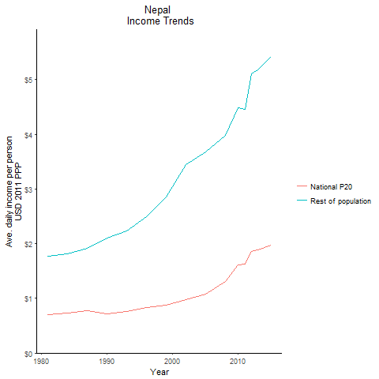
CountryName | National P20 | Rest of population | Year
Nepal | 0.707277975 | 1.7639179035 | 1981
Nepal | 0.7285956965 | 1.817159569 | 1984
Nepal | 0.712323549 | 2.1017699347 | 1990
Nepal | 0.769046195 | 1.9180687252 | 1987
Nepal | 0.755794908 | 2.2300745607 | 1993
Nepal | 0.828726012 | 2.4888120586 | 1996
Nepal | 0.86970352 | 2.8593223392 | 1999
Nepal | 0.975825711 | 3.4422886407 | 2002
Nepal | 1.072993056 | 3.6804943387 | 2005
Nepal | 1.30447002 | 3.986982495 | 2008
Nepal | 1.612183008 | 4.484463837 | 2010
Nepal | 1.62038037 | 4.4634528527 | 2011
Nepal | 1.85593098 | 5.1122939673 | 2012
Nepal | 1.8826793525 | 5.1859616687 | 2013
Nepal | 1.970794191 | 5.4286809043 | 2015

Pakistan
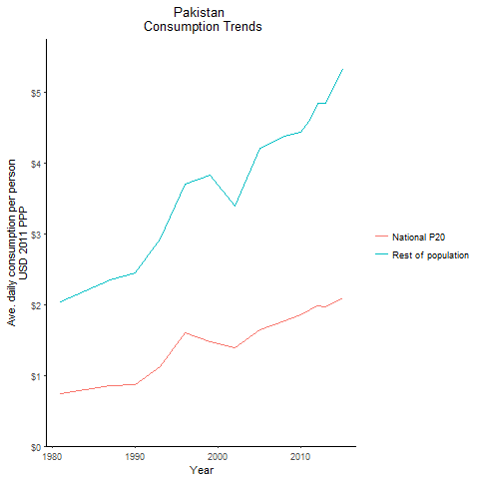
CountryName | National P20 | Rest of population | Year
Pakistan | 0.73807202 | 2.0346206251 | 1981
Pakistan | 0.797809524 | 2.1992724135 | 1984
Pakistan | 0.8636236785 | 2.4447209297 | 1990
Pakistan | 0.8504735355 | 2.3445183285 | 1987
Pakistan | 1.1246198535 | 2.9237565435 | 1993
Pakistan | 1.603377555 | 3.7037486249 | 1996
Pakistan | 1.481852775 | 3.8258874912 | 1999
Pakistan | 1.3908783465 | 3.3995084956 | 2002
Pakistan | 1.648626838 | 4.2113446604 | 2005
Pakistan | 1.7744909175 | 4.377073161 | 2008
Pakistan | 1.8579718125 | 4.4417645811 | 2010
Pakistan | 1.9261964375 | 4.6137700687 | 2011
Pakistan | 1.989595982 | 4.8441708675 | 2012
Pakistan | 1.9737715635 | 4.8483694379 | 2013
Pakistan | 2.092139478 | 5.332040473 | 2015

Sri Lanka
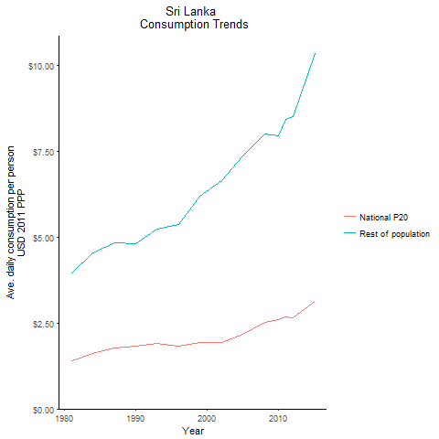
CountryName | National P20 | Rest of population | Year
Sri Lanka | 1.40920776 | 3.9470268271 | 1981
Sri Lanka | 1.618639644 | 4.5336154315 | 1984
Sri Lanka | 1.830860038 | 4.8144932097 | 1990
Sri Lanka | 1.76290912 | 4.8322165556 | 1987
Sri Lanka | 1.90612152 | 5.240109346 | 1993
Sri Lanka | 1.830653506 | 5.3782078564 | 1996
Sri Lanka | 1.940719261 | 6.18846813 | 1999
Sri Lanka | 1.9444251255 | 6.6578265953 | 2002
Sri Lanka | 2.174632343 | 7.3788569827 | 2005
Sri Lanka | 2.5067373105 | 8.003719782 | 2008
Sri Lanka | 2.612530799 | 7.9537481222 | 2010
Sri Lanka | 2.690491815 | 8.4186880052 | 2011
Sri Lanka | 2.6510204435 | 8.5147914645 | 2012
Sri Lanka | 2.7999423 | 9.1339651099 | 2013
Sri Lanka | 3.130591482 | 10.336683636 | 2015

Maldives
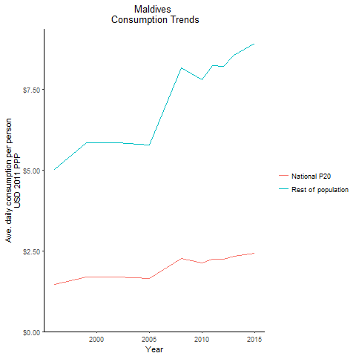
CountryName | National P20 | Rest of population | Year
Maldives | 1.4545818 | 5.004344961 | 1996
Maldives | 1.700222472 | 5.8493909573 | 1999
Maldives | 1.696527495 | 5.8366462084 | 2002
Maldives | 1.640153529 | 5.7814479191 | 2005
Maldives | 2.252610822 | 8.1689514041 | 2008
Maldives | 2.12135377 | 7.8005259411 | 2010
Maldives | 2.237884947 | 8.2290205441 | 2011
Maldives | 2.2284481875 | 8.1943235696 | 2012
Maldives | 2.323361106 | 8.5433309564 | 2013
Maldives | 2.421651608 | 8.9047679199 | 2015

