Angola
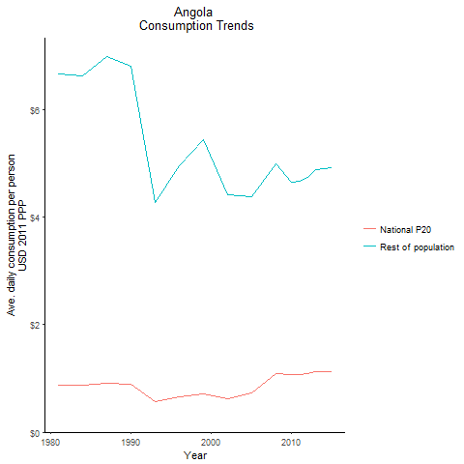
CountryName | National P20 | Rest of population | Year
Angola | 0.875516884 | 6.6674440667 | 1981
Angola | 0.870326703 | 6.6278964064 | 1984
Angola | 0.8928051925 | 6.7991000717 | 1990
Angola | 0.916392048 | 6.978701988 | 1987
Angola | 0.5615321755 | 4.2763114767 | 1993
Angola | 0.6513618885 | 4.9603869251 | 1996
Angola | 0.713369582 | 5.4326808922 | 1999
Angola | 0.6157439245 | 4.4095941559 | 2002
Angola | 0.7315870695 | 4.3867977532 | 2005
Angola | 1.0859906825 | 4.9950393157 | 2008
Angola | 1.068755199 | 4.6547016112 | 2010
Angola | 1.071695608 | 4.6674418514 | 2011
Angola | 1.087537297 | 4.7364389634 | 2012
Angola | 1.1213280225 | 4.8836008711 | 2013
Angola | 1.12967688 | 4.9199629718 | 2015

Benin
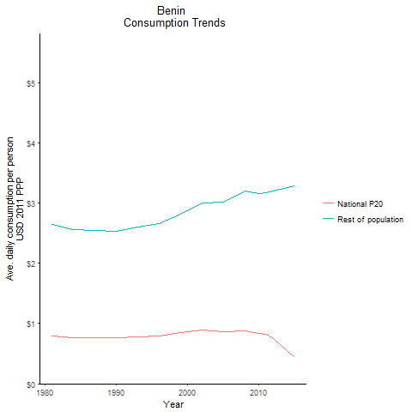
CountryName | National P20 | Rest of population | Year
Benin | 0.7921348575 | 2.6419462856 | 1981
Benin | 0.768331677 | 2.5625795465 | 1984
Benin | 0.7599768735 | 2.5347450967 | 1990
Benin | 0.7620899955 | 2.5417402409 | 1987
Benin | 0.778208054 | 2.5955083975 | 1993
Benin | 0.795796365 | 2.6542617307 | 1996
Benin | 0.842705528 | 2.8106712892 | 1999
Benin | 0.8982121785 | 2.9957385992 | 2002
Benin | 0.868512545 | 3.0163766583 | 2005
Benin | 0.87084825 | 3.1964182115 | 2008
Benin | 0.8321945835 | 3.1574705322 | 2010
Benin | 0.820388718 | 3.1637959712 | 2011
Benin | 0.749721636 | 3.2006972622 | 2012
Benin | 0.644727351 | 3.2297962444 | 2013
Benin | 0.43994215 | 3.2828952844 | 2015

Botswana
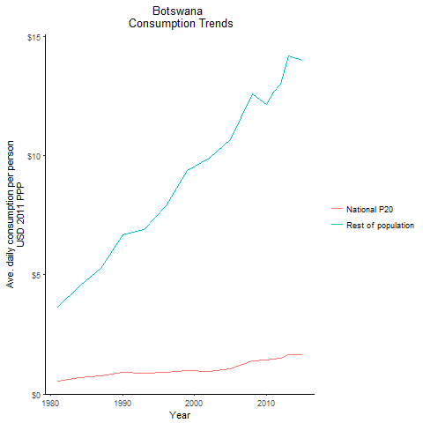
CountryName | National P20 | Rest of population | Year
Botswana | 0.546662298 | 3.6640064803 | 1981
Botswana | 0.679229568 | 4.5524679505 | 1984
Botswana | 0.8987244885 | 6.6840723025 | 1990
Botswana | 0.760503276 | 5.2768399344 | 1987
Botswana | 0.87207475 | 6.9213689837 | 1993
Botswana | 0.903452504 | 7.9184629014 | 1996
Botswana | 0.973355472 | 9.4026227758 | 1999
Botswana | 0.9340752045 | 9.8913990071 | 2002
Botswana | 1.0724659995 | 10.670154733 | 2005
Botswana | 1.40607726 | 12.60123137 | 2008
Botswana | 1.422934626 | 12.167174563 | 2010
Botswana | 1.4821780935 | 12.673660956 | 2011
Botswana | 1.520086725 | 12.997796127 | 2012
Botswana | 1.661350053 | 14.205717281 | 2013
Botswana | 1.6387362315 | 14.01244197 | 2015

Burkina Faso
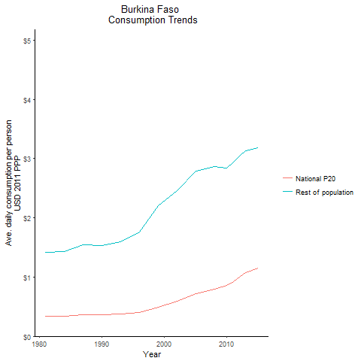
CountryName | National P20 | Rest of population | Year
Burkina Faso | 0.333289462 | 1.4230553057 | 1981
Burkina Faso | 0.33381216 | 1.4252720285 | 1984
Burkina Faso | 0.3581975045 | 1.5294487061 | 1990
Burkina Faso | 0.360883944 | 1.5411933976 | 1987
Burkina Faso | 0.3736980345 | 1.5956556284 | 1993
Burkina Faso | 0.399438594 | 1.7664296666 | 1996
Burkina Faso | 0.488965968 | 2.2022596039 | 1999
Burkina Faso | 0.5865057315 | 2.4577261699 | 2002
Burkina Faso | 0.7187526225 | 2.7835786937 | 2005
Burkina Faso | 0.8001951665 | 2.8672814823 | 2008
Burkina Faso | 0.853667248 | 2.8449467496 | 2010
Burkina Faso | 0.92540796 | 2.9471854073 | 2011
Burkina Faso | 1.002738368 | 3.0465628053 | 2012
Burkina Faso | 1.079715356 | 3.1268174624 | 2013
Burkina Faso | 1.155235675 | 3.1872084785 | 2015

Burundi
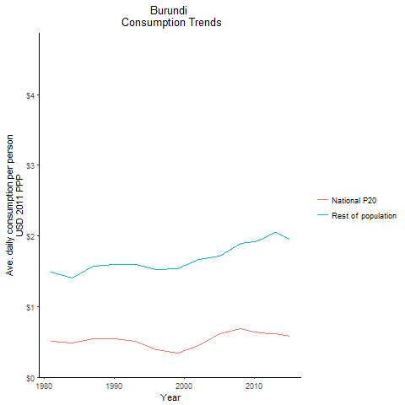
CountryName | National P20 | Rest of population | Year
Burundi | 0.51041588 | 1.4845339752 | 1981
Burundi | 0.484697741 | 1.4096392634 | 1984
Burundi | 0.54887679 | 1.5963488847 | 1990
Burundi | 0.5409111825 | 1.5731752181 | 1987
Burundi | 0.510847858 | 1.5909424191 | 1993
Burundi | 0.394417835 | 1.5182101988 | 1996
Burundi | 0.341548326 | 1.5402586719 | 1999
Burundi | 0.45309981 | 1.6704235407 | 2002
Burundi | 0.6120863595 | 1.7137029307 | 2005
Burundi | 0.68586231 | 1.8893330526 | 2008
Burundi | 0.645420118 | 1.9203667513 | 2010
Burundi | 0.633574476 | 1.9590898057 | 2011
Burundi | 0.621501329 | 1.9957664486 | 2012
Burundi | 0.615992856 | 2.052941512 | 2013
Burundi | 0.5761313635 | 1.9557674331 | 2015

Cabo Verde
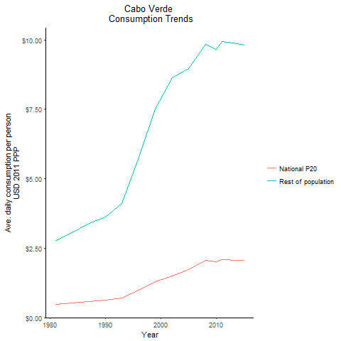
CountryName | National P20 | Rest of population | Year
Cabo Verde | 0.479069316 | 2.7659581505 | 1981
Cabo Verde | 0.527714475 | 3.0467896004 | 1984
Cabo Verde | 0.628053687 | 3.6262006878 | 1990
Cabo Verde | 0.5858381115 | 3.3824684173 | 1987
Cabo Verde | 0.711600247 | 4.1085040478 | 1993
Cabo Verde | 0.998066525 | 5.7623600811 | 1996
Cabo Verde | 1.2983286125 | 7.495916477 | 1999
Cabo Verde | 1.5072978125 | 8.640464588 | 2002
Cabo Verde | 1.726365514 | 8.9599127311 | 2005
Cabo Verde | 2.0631447825 | 9.8463247633 | 2008
Cabo Verde | 2.0229222825 | 9.654513265 | 2010
Cabo Verde | 2.079696136 | 9.9254102126 | 2011
Cabo Verde | 2.078031536 | 9.9173893763 | 2012
Cabo Verde | 2.070040973 | 9.8792363321 | 2013
Cabo Verde | 2.054303776 | 9.8041678916 | 2015

Cameroon
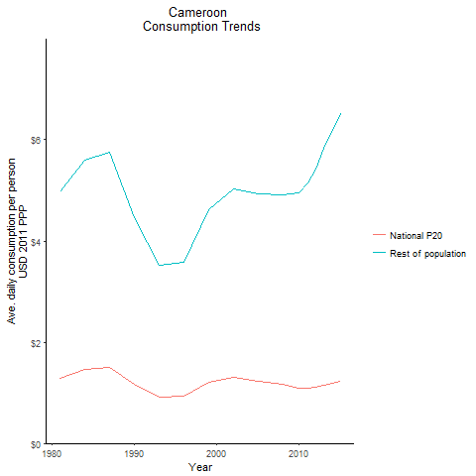
CountryName | National P20 | Rest of population | Year
Cameroon | 1.290929142 | 4.9709444268 | 1981
Cameroon | 1.453539332 | 5.59708503 | 1984
Cameroon | 1.15964596 | 4.4654665922 | 1990
Cameroon | 1.494737077 | 5.7557061417 | 1987
Cameroon | 0.9137569755 | 3.5186277424 | 1993
Cameroon | 0.930792996 | 3.5842149017 | 1996
Cameroon | 1.205716185 | 4.6088599948 | 1999
Cameroon | 1.297813191 | 5.0347384831 | 2002
Cameroon | 1.2243405145 | 4.9283806248 | 2005
Cameroon | 1.169918334 | 4.9177765809 | 2008
Cameroon | 1.088951153 | 4.9485183761 | 2010
Cameroon | 1.091263632 | 5.1554703934 | 2011
Cameroon | 1.10581495 | 5.4278284543 | 2012
Cameroon | 1.145111499 | 5.835855002 | 2013
Cameroon | 1.231905136 | 6.5154702913 | 2015

Central African Republic
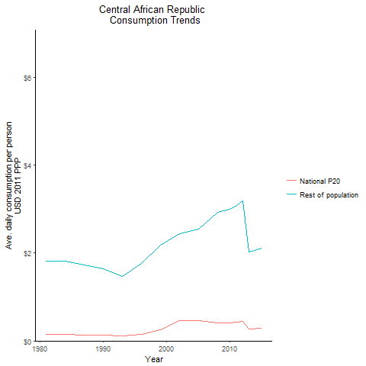
CountryName | National P20 | Rest of population | Year
Central African Republic | 0.148214484 | 1.8247619954 | 1981
Central African Republic | 0.146903124 | 1.8082898354 | 1984
Central African Republic | 0.1331627 | 1.6391365853 | 1990
Central African Republic | 0.139993663 | 1.7231782966 | 1987
Central African Republic | 0.11913983 | 1.4707406589 | 1993
Central African Republic | 0.154640878 | 1.7636177257 | 1996
Central African Republic | 0.255388976 | 2.1827302902 | 1999
Central African Republic | 0.456294335 | 2.4374806628 | 2002
Central African Republic | 0.456142538 | 2.5389966943 | 2005
Central African Republic | 0.403907153 | 2.9284495131 | 2008
Central African Republic | 0.4135281255 | 2.9980829001 | 2010
Central African Republic | 0.4245361575 | 3.0779266456 | 2011
Central African Republic | 0.440597092 | 3.1943359325 | 2012
Central African Republic | 0.278303508 | 2.0178709723 | 2013
Central African Republic | 0.2916815 | 2.114890036 | 2015

Chad
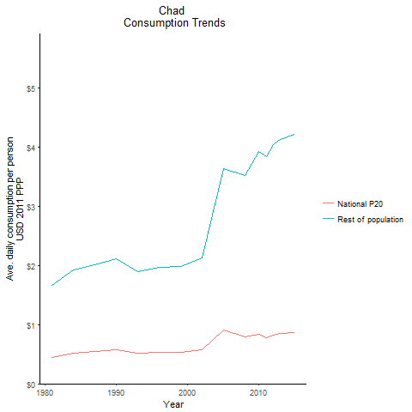
CountryName | National P20 | Rest of population | Year
Chad | 0.44712099 | 1.6635724922 | 1981
Chad | 0.517470485 | 1.9252148445 | 1984
Chad | 0.569564457 | 2.1190228584 | 1990
Chad | 0.5405366395 | 2.0110288538 | 1987
Chad | 0.5113560675 | 1.9024672845 | 1993
Chad | 0.5275988345 | 1.9629370037 | 1996
Chad | 0.533160864 | 1.9835878662 | 1999
Chad | 0.5719139965 | 2.1278024598 | 2002
Chad | 0.9130853595 | 3.6349367423 | 2005
Chad | 0.799188975 | 3.5271837152 | 2008
Chad | 0.831236625 | 3.927378515 | 2010
Chad | 0.784307001 | 3.8370024278 | 2011
Chad | 0.8259915625 | 4.0408733423 | 2012
Chad | 0.844574638 | 4.1318659295 | 2013
Chad | 0.861665025 | 4.2153618259 | 2015

Comoros
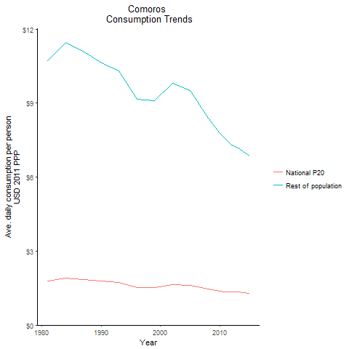
CountryName | National P20 | Rest of population | Year
Comoros | 1.792081408 | 10.726001566 | 1981
Comoros | 1.9127435145 | 11.44822371 | 1984
Comoros | 1.77632868 | 10.631732898 | 1990
Comoros | 1.85780741 | 11.119460476 | 1987
Comoros | 1.721112555 | 10.301223231 | 1993
Comoros | 1.5330467565 | 9.1756218725 | 1996
Comoros | 1.521148734 | 9.1044635014 | 1999
Comoros | 1.639646775 | 9.8136814569 | 2002
Comoros | 1.599830925 | 9.5018011729 | 2005
Comoros | 1.452117024 | 8.3821680043 | 2008
Comoros | 1.38257548 | 7.7897479108 | 2010
Comoros | 1.355843693 | 7.5343705836 | 2011
Comoros | 1.334627135 | 7.3063897916 | 2012
Comoros | 1.334071347 | 7.1826739441 | 2013
Comoros | 1.284819023 | 6.8587199018 | 2015

Congo, Democratic Republic of
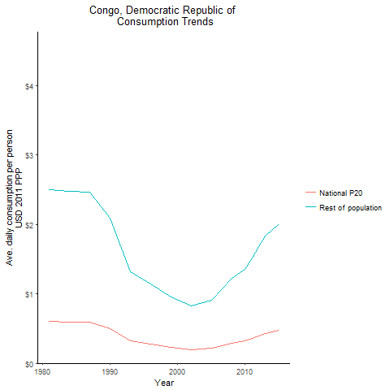
CountryName | National P20 | Rest of population | Year
Congo, Democratic Republic of | 0.6039765525 | 2.5025605194 | 1981
Congo, Democratic Republic of | 0.597485658 | 2.475633928 | 1984
Congo, Democratic Republic of | 0.503237776 | 2.0852263094 | 1990
Congo, Democratic Republic of | 0.596100414 | 2.469969554 | 1987
Congo, Democratic Republic of | 0.318124305 | 1.3182441292 | 1993
Congo, Democratic Republic of | 0.2766748335 | 1.1464197848 | 1996
Congo, Democratic Republic of | 0.22917048 | 0.94954806493 | 1999
Congo, Democratic Republic of | 0.198006382 | 0.82049470587 | 2002
Congo, Democratic Republic of | 0.217754416 | 0.90287577956 | 2005
Congo, Democratic Republic of | 0.291698108 | 1.22297561 | 2008
Congo, Democratic Republic of | 0.321512009 | 1.3582009019 | 2010
Congo, Democratic Republic of | 0.3563566095 | 1.5111239983 | 2011
Congo, Democratic Republic of | 0.395242332 | 1.6825487321 | 2012
Congo, Democratic Republic of | 0.429435622 | 1.8309172589 | 2013
Congo, Democratic Republic of | 0.470433934 | 2.0057742562 | 2015

Congo, Republic of
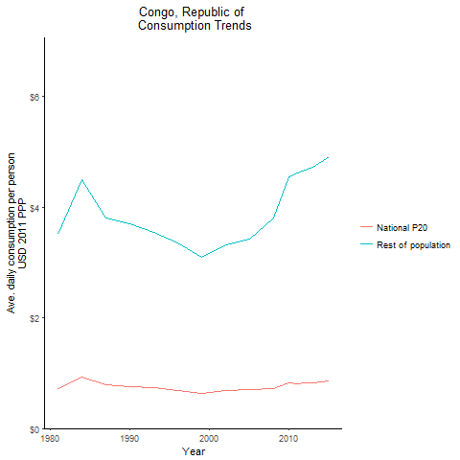
CountryName | National P20 | Rest of population | Year
Congo, Republic of | 0.7216335 | 3.5048343647 | 1981
Congo, Republic of | 0.925303936 | 4.4939493585 | 1984
Congo, Republic of | 0.7624893675 | 3.703208754 | 1990
Congo, Republic of | 0.78453819 | 3.8103046306 | 1987
Congo, Republic of | 0.730986793 | 3.5501820689 | 1993
Congo, Republic of | 0.6891527525 | 3.3470097571 | 1996
Congo, Republic of | 0.635348912 | 3.0857519501 | 1999
Congo, Republic of | 0.683003577 | 3.3171834893 | 2002
Congo, Republic of | 0.703535277 | 3.4168586465 | 2005
Congo, Republic of | 0.715270818 | 3.8013747613 | 2008
Congo, Republic of | 0.8186811 | 4.5483571223 | 2010
Congo, Republic of | 0.80978928 | 4.6228061047 | 2011
Congo, Republic of | 0.8186719035 | 4.6735416132 | 2012
Congo, Republic of | 0.8257959855 | 4.7142578529 | 2013
Congo, Republic of | 0.86087296 | 4.9144612121 | 2015

Cote d'Ivoire
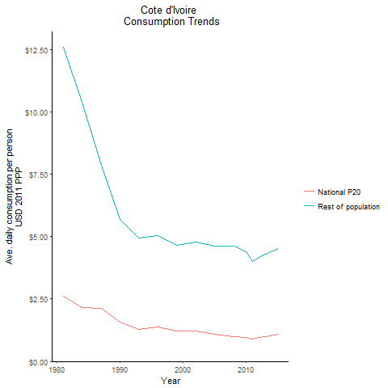
CountryName | National P20 | Rest of population | Year
Cote d'Ivoire | 2.620668624 | 12.582752022 | 1981
Cote d'Ivoire | 2.164990518 | 10.39485374 | 1984
Cote d'Ivoire | 1.57732341 | 5.7064979146 | 1990
Cote d'Ivoire | 2.1422093175 | 7.8604284925 | 1987
Cote d'Ivoire | 1.2792438165 | 4.9370232925 | 1993
Cote d'Ivoire | 1.3811693925 | 5.0417542272 | 1996
Cote d'Ivoire | 1.231955424 | 4.6507193632 | 1999
Cote d'Ivoire | 1.2335626485 | 4.7792641324 | 2002
Cote d'Ivoire | 1.090498724 | 4.62676573 | 2005
Cote d'Ivoire | 0.998840564 | 4.6317049275 | 2008
Cote d'Ivoire | 0.9722958325 | 4.406564398 | 2010
Cote d'Ivoire | 0.894294126 | 3.9935100301 | 2011
Cote d'Ivoire | 0.95260963 | 4.1830256747 | 2012
Cote d'Ivoire | 0.9985403975 | 4.3029470924 | 2013
Cote d'Ivoire | 1.0975700835 | 4.5313526846 | 2015

Eswatini
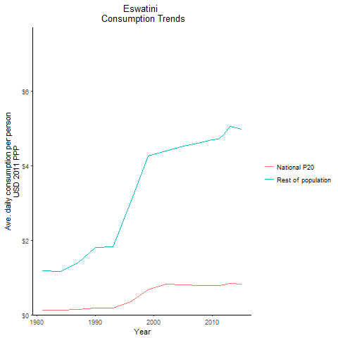
CountryName | National P20 | Rest of population | Year
Eswatini | 0.12300872 | 1.1798201488 | 1981
Eswatini | 0.12215495 | 1.1717346872 | 1984
Eswatini | 0.18750246 | 1.7987515083 | 1990
Eswatini | 0.144628393 | 1.387760847 | 1987
Eswatini | 0.189326703 | 1.8160620229 | 1993
Eswatini | 0.350384356 | 3.0204425411 | 1996
Eswatini | 0.667084971 | 4.2578177983 | 1999
Eswatini | 0.820212456 | 4.3909222285 | 2002
Eswatini | 0.8074363585 | 4.5289518693 | 2005
Eswatini | 0.7851542275 | 4.6192662376 | 2008
Eswatini | 0.781241202 | 4.6901157269 | 2010
Eswatini | 0.784164675 | 4.7077382833 | 2011
Eswatini | 0.806068974 | 4.8394690579 | 2012
Eswatini | 0.842146683 | 5.0558194936 | 2013
Eswatini | 0.830717393 | 4.9870713367 | 2015

Ethiopia
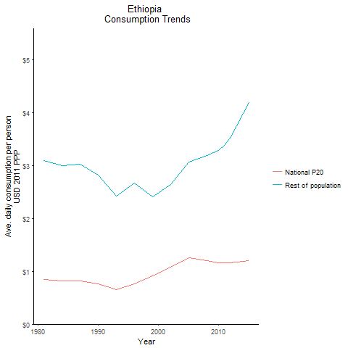
CountryName | National P20 | Rest of population | Year
Ethiopia | 0.8395943985 | 3.0979692086 | 1981
Ethiopia | 0.814307256 | 3.0047238709 | 1984
Ethiopia | 0.7637981075 | 2.8182929389 | 1990
Ethiopia | 0.820866792 | 3.0289686445 | 1987
Ethiopia | 0.658339005 | 2.4291671666 | 1993
Ethiopia | 0.766007148 | 2.6721634185 | 1996
Ethiopia | 0.916991712 | 2.4140471405 | 1999
Ethiopia | 1.075056822 | 2.6375322329 | 2002
Ethiopia | 1.250400459 | 3.0642561866 | 2005
Ethiopia | 1.195458425 | 3.1875179965 | 2008
Ethiopia | 1.1617996325 | 3.2810435165 | 2010
Ethiopia | 1.1594235695 | 3.4026920528 | 2011
Ethiopia | 1.155008598 | 3.5496578505 | 2012
Ethiopia | 1.16898616 | 3.7509520901 | 2013
Ethiopia | 1.207950875 | 4.1873520073 | 2015

Gabon
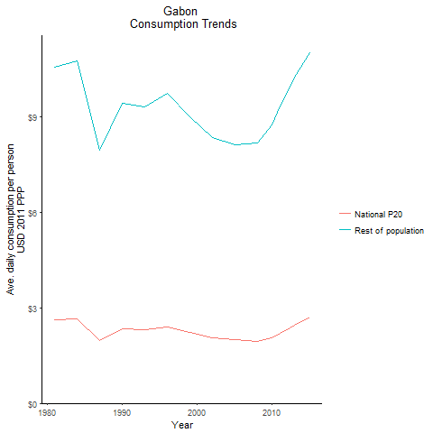
CountryName | National P20 | Rest of population | Year
Gabon | 2.610903204 | 10.562326254 | 1981
Gabon | 2.6575024945 | 10.750842185 | 1984
Gabon | 2.3325505125 | 9.4362705911 | 1990
Gabon | 1.965870677 | 7.9528706869 | 1987
Gabon | 2.3016497685 | 9.3112437223 | 1993
Gabon | 2.40438746 | 9.7268880665 | 1996
Gabon | 2.22264482 | 8.9916333155 | 1999
Gabon | 2.0610783025 | 8.3380633011 | 2002
Gabon | 2.0099093 | 8.1310418531 | 2005
Gabon | 1.953611501 | 8.1904820563 | 2008
Gabon | 2.0685404425 | 8.7519936565 | 2010
Gabon | 2.204612078 | 9.3280894463 | 2011
Gabon | 2.314016855 | 9.7563807178 | 2012
Gabon | 2.4475774975 | 10.239035763 | 2013
Gabon | 2.704709787 | 10.999189677 | 2015

Gambia, The
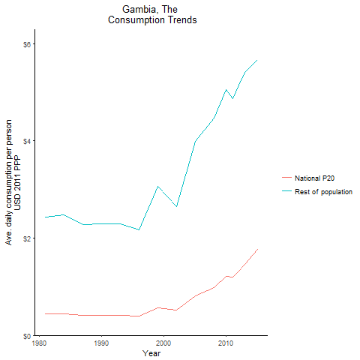
CountryName | National P20 | Rest of population | Year
Gambia, The | 0.4388373 | 2.4355671134 | 1981
Gambia, The | 0.445962318 | 2.4751665438 | 1984
Gambia, The | 0.413307655 | 2.2940178808 | 1990
Gambia, The | 0.411324182 | 2.2827796394 | 1987
Gambia, The | 0.412631204 | 2.2901669935 | 1993
Gambia, The | 0.3918642825 | 2.1748232444 | 1996
Gambia, The | 0.561886668 | 3.0572254563 | 1999
Gambia, The | 0.5174213275 | 2.6502075448 | 2002
Gambia, The | 0.816618233 | 3.996733113 | 2005
Gambia, The | 0.986248047 | 4.4664010019 | 2008
Gambia, The | 1.217007624 | 5.0544631625 | 2010
Gambia, The | 1.203538232 | 4.8613510584 | 2011
Gambia, The | 1.324901808 | 5.1518704384 | 2012
Gambia, The | 1.462211744 | 5.4069730914 | 2013
Gambia, The | 1.7645504385 | 5.6734048561 | 2015

Ghana
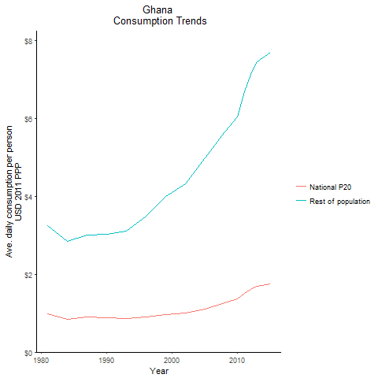
CountryName | National P20 | Rest of population | Year
Ghana | 0.975315999 | 3.256513055 | 1981
Ghana | 0.850020276 | 2.8381673968 | 1984
Ghana | 0.87558296 | 3.0178794655 | 1990
Ghana | 0.8993027535 | 3.0027752705 | 1987
Ghana | 0.857052939 | 3.11636882 | 1993
Ghana | 0.8940214375 | 3.4821665584 | 1996
Ghana | 0.966858183 | 3.9936361392 | 1999
Ghana | 1.005391865 | 4.3248355954 | 2002
Ghana | 1.1147350765 | 4.9924765048 | 2005
Ghana | 1.259701996 | 5.6495799805 | 2008
Ghana | 1.357724313 | 6.0498086478 | 2010
Ghana | 1.5077470005 | 6.6965372225 | 2011
Ghana | 1.6090188965 | 7.1233028101 | 2012
Ghana | 1.68791819 | 7.4533903155 | 2013
Ghana | 1.74215538 | 7.6929077303 | 2015

Guinea
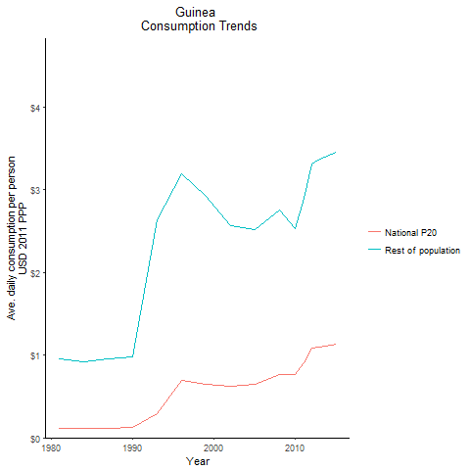
CountryName | National P20 | Rest of population | Year
Guinea | 0.119241353 | 0.95103144257 | 1981
Guinea | 0.1157820615 | 0.92357667641 | 1984
Guinea | 0.122474862 | 0.97727648998 | 1990
Guinea | 0.119250032 | 0.95109995775 | 1987
Guinea | 0.294279804 | 2.6398573093 | 1993
Guinea | 0.694944192 | 3.1942797054 | 1996
Guinea | 0.651893085 | 2.9166808383 | 1999
Guinea | 0.625843371 | 2.5710055956 | 2002
Guinea | 0.65037051 | 2.5217255917 | 2005
Guinea | 0.766891684 | 2.7532928324 | 2008
Guinea | 0.761899008 | 2.5317466179 | 2010
Guinea | 0.907210116 | 2.8948096628 | 2011
Guinea | 1.084181108 | 3.3166292435 | 2012
Guinea | 1.10190514 | 3.3708576876 | 2013
Guinea | 1.128550144 | 3.4523586284 | 2015

Guinea-Bissau
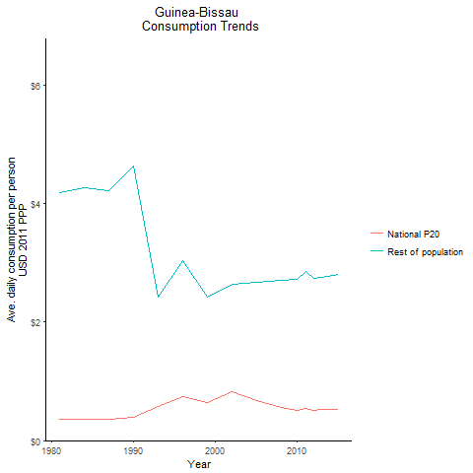
CountryName | National P20 | Rest of population | Year
Guinea-Bissau | 0.353304875 | 4.1909477539 | 1981
Guinea-Bissau | 0.36044334 | 4.2754727266 | 1984
Guinea-Bissau | 0.390947695 | 4.6372945831 | 1990
Guinea-Bissau | 0.3561732 | 4.2248087548 | 1987
Guinea-Bissau | 0.578750761 | 2.4267380632 | 1993
Guinea-Bissau | 0.737764898 | 3.0321743919 | 1996
Guinea-Bissau | 0.6486076415 | 2.4300967198 | 1999
Guinea-Bissau | 0.82389461 | 2.6350838817 | 2002
Guinea-Bissau | 0.6738924275 | 2.6729316876 | 2005
Guinea-Bissau | 0.5638866035 | 2.7010360204 | 2008
Guinea-Bissau | 0.51041638 | 2.7155304255 | 2010
Guinea-Bissau | 0.53776884 | 2.8610171051 | 2011
Guinea-Bissau | 0.515041664 | 2.7399373922 | 2012
Guinea-Bissau | 0.5180744415 | 2.7562064581 | 2013
Guinea-Bissau | 0.527257692 | 2.8049283167 | 2015

Kenya
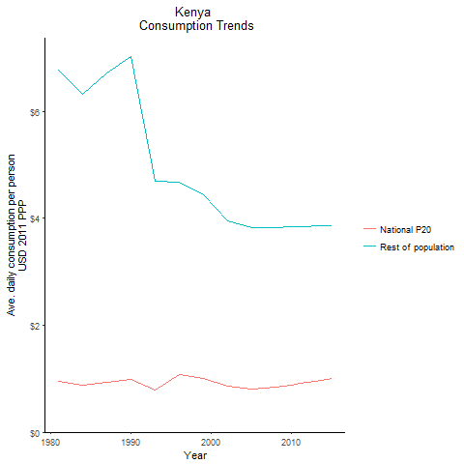
CountryName | National P20 | Rest of population | Year
Kenya | 0.949773106 | 6.7672526139 | 1981
Kenya | 0.8869879725 | 6.3199379384 | 1984
Kenya | 0.984693612 | 7.0161033093 | 1990
Kenya | 0.941904957 | 6.7111922539 | 1987
Kenya | 0.792909491 | 4.6952904355 | 1993
Kenya | 1.076374275 | 4.6696708148 | 1996
Kenya | 1.003414146 | 4.4374642717 | 1999
Kenya | 0.852821189 | 3.9593673055 | 2002
Kenya | 0.7995134745 | 3.8232543711 | 2005
Kenya | 0.84466883 | 3.8298467651 | 2008
Kenya | 0.88504542 | 3.8406975491 | 2010
Kenya | 0.9065626575 | 3.8473827603 | 2011
Kenya | 0.927580739 | 3.8489222125 | 2012
Kenya | 0.950501657 | 3.8551739008 | 2013
Kenya | 0.99810225 | 3.8660059443 | 2015

Lesotho
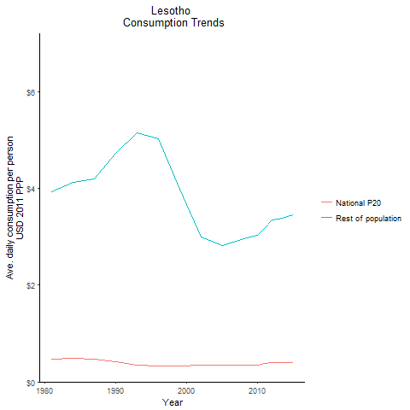
CountryName | National P20 | Rest of population | Year
Lesotho | 0.4642392295 | 3.9320740282 | 1981
Lesotho | 0.486281212 | 4.118769423 | 1984
Lesotho | 0.41456009 | 4.7194517583 | 1990
Lesotho | 0.475779684 | 4.1988893256 | 1987
Lesotho | 0.352789983 | 5.1445340111 | 1993
Lesotho | 0.3360425645 | 5.0238962082 | 1996
Lesotho | 0.33153285 | 3.9886769245 | 1999
Lesotho | 0.3386088175 | 2.997053823 | 2002
Lesotho | 0.3432737705 | 2.8140444341 | 2005
Lesotho | 0.35048097 | 2.9520722233 | 2008
Lesotho | 0.35305038 | 3.0234126105 | 2010
Lesotho | 0.3731104125 | 3.1950889722 | 2011
Lesotho | 0.390614037 | 3.3449853949 | 2012
Lesotho | 0.392655516 | 3.3624988607 | 2013
Lesotho | 0.404170274 | 3.4610904452 | 2015

Liberia
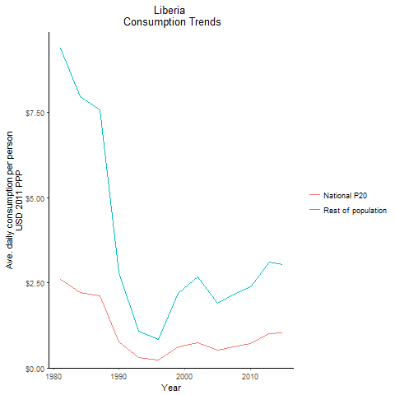
CountryName | National P20 | Rest of population | Year
Liberia | 2.608615035 | 9.3842722686 | 1981
Liberia | 2.21600197 | 7.9718351239 | 1984
Liberia | 0.774528636 | 2.7863451013 | 1990
Liberia | 2.1076112925 | 7.5819369029 | 1987
Liberia | 0.3030601725 | 1.0902659158 | 1993
Liberia | 0.232309595 | 0.8358141081 | 1996
Liberia | 0.608760425 | 2.1899624965 | 1999
Liberia | 0.746490318 | 2.6854742698 | 2002
Liberia | 0.529132204 | 1.9034927024 | 2005
Liberia | 0.6346220955 | 2.2187146131 | 2008
Liberia | 0.722230992 | 2.3885107452 | 2010
Liberia | 0.8182966755 | 2.6339300777 | 2011
Liberia | 0.925015392 | 2.8992728643 | 2012
Liberia | 1.0053323775 | 3.0987381385 | 2013
Liberia | 1.023997381 | 3.0475998328 | 2015

Madagascar
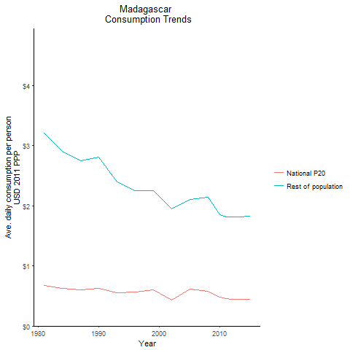
CountryName | National P20 | Rest of population | Year
Madagascar | 0.6735784935 | 3.2064274314 | 1981
Madagascar | 0.6208813725 | 2.9028230815 | 1984
Madagascar | 0.6285804525 | 2.8108103663 | 1990
Madagascar | 0.6001323 | 2.7478818565 | 1987
Madagascar | 0.5504936065 | 2.3987483792 | 1993
Madagascar | 0.56384132 | 2.2470885741 | 1996
Madagascar | 0.605123797 | 2.2544798727 | 1999
Madagascar | 0.42844635 | 1.9467455358 | 2002
Madagascar | 0.609346756 | 2.1121307083 | 2005
Madagascar | 0.5759012705 | 2.1481093399 | 2008
Madagascar | 0.482852469 | 1.8494563348 | 2010
Madagascar | 0.458324544 | 1.8197477681 | 2011
Madagascar | 0.441794808 | 1.8186281473 | 2012
Madagascar | 0.4396428855 | 1.8098731142 | 2013
Madagascar | 0.4437976725 | 1.8268767463 | 2015

Malawi
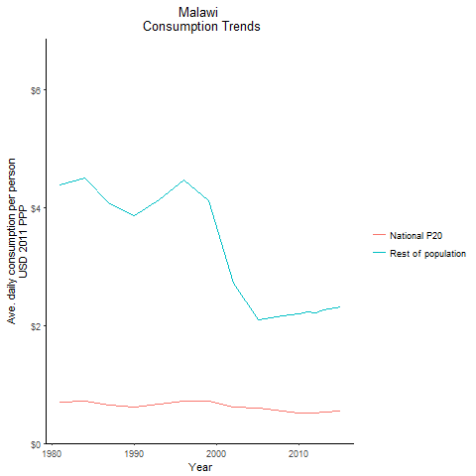
CountryName | National P20 | Rest of population | Year
Malawi | 0.701895459 | 4.3798329846 | 1981
Malawi | 0.7214510425 | 4.501671486 | 1984
Malawi | 0.617753027 | 3.8549236611 | 1990
Malawi | 0.64969001 | 4.0540117441 | 1987
Malawi | 0.6605291865 | 4.1215266075 | 1993
Malawi | 0.7166729225 | 4.4720810844 | 1996
Malawi | 0.711635977 | 4.1180704578 | 1999
Malawi | 0.6084499815 | 2.7182628471 | 2002
Malawi | 0.6034882285 | 2.0936108196 | 2005
Malawi | 0.548619609 | 2.1549157827 | 2008
Malawi | 0.5190679005 | 2.1996265865 | 2010
Malawi | 0.5224727055 | 2.2321612757 | 2011
Malawi | 0.516784695 | 2.2078991687 | 2012
Malawi | 0.527926428 | 2.2554755163 | 2013
Malawi | 0.541105945 | 2.3118284453 | 2015

Mali
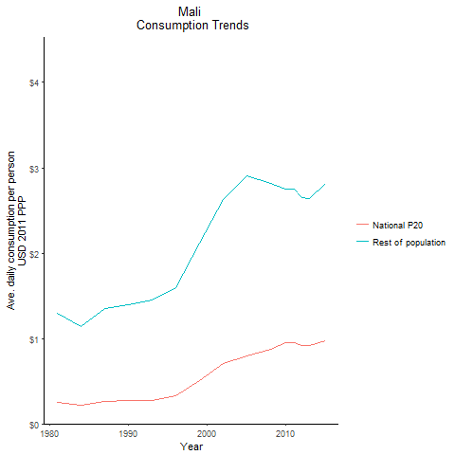
CountryName | National P20 | Rest of population | Year
Mali | 0.2486527225 | 1.2933518879 | 1981
Mali | 0.2198686625 | 1.14361667 | 1984
Mali | 0.268866397 | 1.3984901131 | 1990
Mali | 0.258554372 | 1.345301818 | 1987
Mali | 0.278850936 | 1.4507098687 | 1993
Mali | 0.331328615 | 1.5918545586 | 1996
Mali | 0.50826573 | 2.1206346634 | 1999
Mali | 0.7050294375 | 2.6241781201 | 2002
Mali | 0.794388045 | 2.9036984682 | 2005
Mali | 0.874649529 | 2.8224035082 | 2008
Mali | 0.952963041 | 2.7495738973 | 2010
Mali | 0.954355647 | 2.7535642389 | 2011
Mali | 0.918842931 | 2.6511000892 | 2012
Mali | 0.913116555 | 2.6346253818 | 2013
Mali | 0.977019057 | 2.8189638659 | 2015

Mauritania
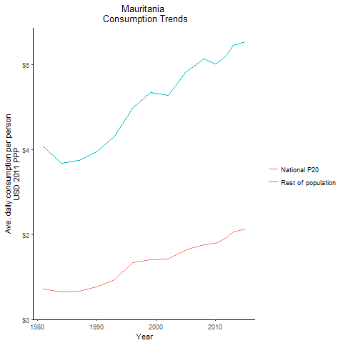
CountryName | National P20 | Rest of population | Year
Mauritania | 0.721533479 | 4.0893522467 | 1981
Mauritania | 0.649055437 | 3.6786192914 | 1984
Mauritania | 0.77470497 | 3.9446429356 | 1990
Mauritania | 0.662327164 | 3.7537998528 | 1987
Mauritania | 0.93964832 | 4.3194454542 | 1993
Mauritania | 1.3481753145 | 4.9832013769 | 1996
Mauritania | 1.41208782 | 5.3430122916 | 1999
Mauritania | 1.428425656 | 5.2750113942 | 2002
Mauritania | 1.6435406625 | 5.8324846974 | 2005
Mauritania | 1.764171009 | 6.1433284806 | 2008
Mauritania | 1.797142912 | 6.0171813953 | 2010
Mauritania | 1.865819904 | 6.118314887 | 2011
Mauritania | 1.951318452 | 6.2596512089 | 2012
Mauritania | 2.0588188575 | 6.4605541897 | 2013
Mauritania | 2.1302986195 | 6.5359637013 | 2015

Mauritius
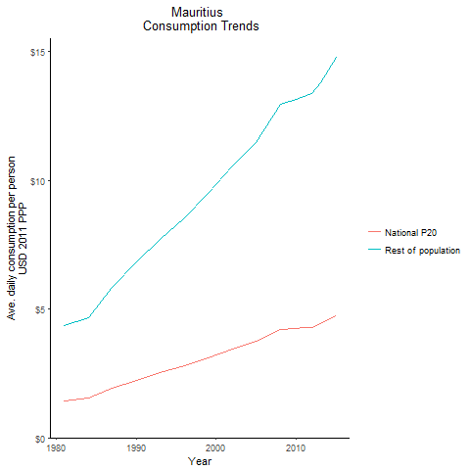
CountryName | National P20 | Rest of population | Year
Mauritius | 1.4247226125 | 4.3461303058 | 1981
Mauritius | 1.5301272735 | 4.6676969487 | 1984
Mauritius | 2.2357152575 | 6.8200314596 | 1990
Mauritius | 1.910612753 | 5.8283796885 | 1987
Mauritius | 2.521393162 | 7.6915448602 | 1993
Mauritius | 2.7979131305 | 8.5350313064 | 1996
Mauritius | 3.1054305535 | 9.4730930466 | 1999
Mauritius | 3.4598570355 | 10.554272727 | 2002
Mauritius | 3.765644925 | 11.48707918 | 2005
Mauritius | 4.216063605 | 12.93917588 | 2008
Mauritius | 4.250025526 | 13.149389509 | 2010
Mauritius | 4.271579926 | 13.269795429 | 2011
Mauritius | 4.287411586 | 13.373101898 | 2012
Mauritius | 4.421726598 | 13.792062871 | 2013
Mauritius | 4.73156552 | 14.758488072 | 2015

Mozambique
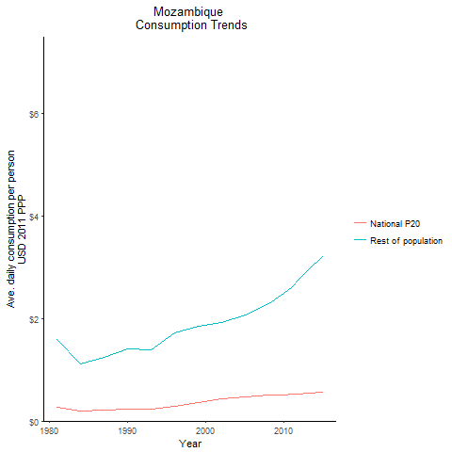
CountryName | National P20 | Rest of population | Year
Mozambique | 0.268647093 | 1.5952631583 | 1981
Mozambique | 0.186083811 | 1.1049974034 | 1984
Mozambique | 0.2378291825 | 1.4123147592 | 1990
Mozambique | 0.20789547 | 1.2346196941 | 1987
Mozambique | 0.232765887 | 1.3821496241 | 1993
Mozambique | 0.288669717 | 1.714119694 | 1996
Mozambique | 0.3512746635 | 1.8433935259 | 1999
Mozambique | 0.4269786 | 1.9144872678 | 2002
Mozambique | 0.46800963 | 2.0726712911 | 2005
Mozambique | 0.5059096005 | 2.2847890382 | 2008
Mozambique | 0.5144734875 | 2.4804080665 | 2010
Mozambique | 0.521626532 | 2.6231992574 | 2011
Mozambique | 0.5308659895 | 2.774410078 | 2012
Mozambique | 0.541063692 | 2.9298275017 | 2013
Mozambique | 0.569310338 | 3.2301507717 | 2015

Namibia
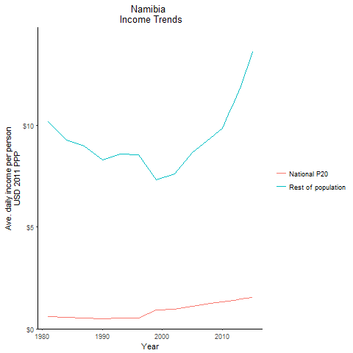
CountryName | National P20 | Rest of population | Year
Namibia | 0.611234064 | 10.189502443 | 1981
Namibia | 0.555028152 | 9.2526073456 | 1984
Namibia | 0.497884712 | 8.3001945754 | 1990
Namibia | 0.539476058 | 8.993276191 | 1987
Namibia | 0.515235427 | 8.5892692254 | 1993
Namibia | 0.5137027145 | 8.56398802 | 1996
Namibia | 0.913847285 | 7.332635439 | 1999
Namibia | 0.9495177075 | 7.6188931759 | 2002
Namibia | 1.0996131635 | 8.6660049283 | 2005
Namibia | 1.2388991125 | 9.3608245369 | 2008
Namibia | 1.3133977725 | 9.8385149404 | 2010
Namibia | 1.3625706925 | 10.518514861 | 2011
Namibia | 1.4024337975 | 11.16229429 | 2012
Namibia | 1.451375766 | 11.917019072 | 2013
Namibia | 1.55387832 | 13.62293179 | 2015

Niger
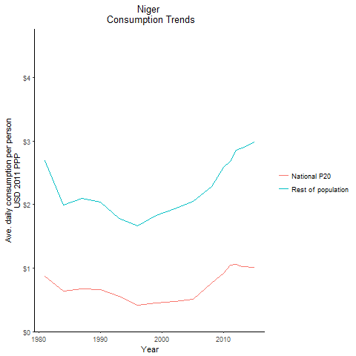
CountryName | National P20 | Rest of population | Year
Niger | 0.8671457125 | 2.692442202 | 1981
Niger | 0.64033424 | 1.9882094537 | 1984
Niger | 0.655869597 | 2.0364417788 | 1990
Niger | 0.6736769115 | 2.0917828269 | 1987
Niger | 0.553426242 | 1.7757243984 | 1993
Niger | 0.414672663 | 1.6633273137 | 1996
Niger | 0.448222614 | 1.831648867 | 1999
Niger | 0.47170435 | 1.929949118 | 2002
Niger | 0.506408206 | 2.044992743 | 2005
Niger | 0.7612588615 | 2.2852458326 | 2008
Niger | 0.9222457755 | 2.5812218438 | 2010
Niger | 1.048155615 | 2.6755384935 | 2011
Niger | 1.058817817 | 2.8492515731 | 2012
Niger | 1.0222537 | 2.8908098627 | 2013
Niger | 1.00805484 | 2.9836790297 | 2015

Nigeria
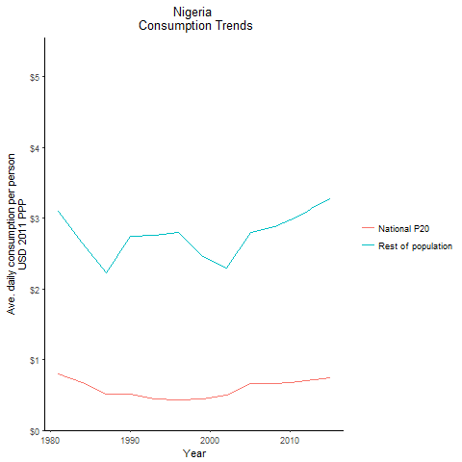
CountryName | National P20 | Rest of population | Year
Nigeria | 0.795507264 | 3.1057703073 | 1981
Nigeria | 0.678219906 | 2.6478642016 | 1984
Nigeria | 0.51863976 | 2.7417945805 | 1990
Nigeria | 0.511735767 | 2.2276631815 | 1987
Nigeria | 0.447099876 | 2.7602606474 | 1993
Nigeria | 0.426788901 | 2.8046227747 | 1996
Nigeria | 0.443327945 | 2.4643223973 | 1999
Nigeria | 0.494875614 | 2.2937073979 | 2002
Nigeria | 0.663819456 | 2.7978495196 | 2005
Nigeria | 0.665980685 | 2.8872607192 | 2008
Nigeria | 0.675425856 | 2.9741124401 | 2010
Nigeria | 0.68973919 | 3.0371365724 | 2011
Nigeria | 0.700233237 | 3.0834299099 | 2012
Nigeria | 0.718560624 | 3.1640451865 | 2013
Nigeria | 0.743671885 | 3.2746831246 | 2015

Rwanda
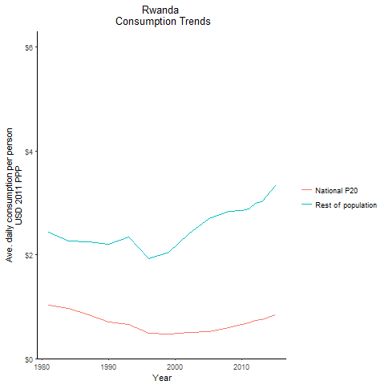
CountryName | National P20 | Rest of population | Year
Rwanda | 1.0297472055 | 2.4267170342 | 1981
Rwanda | 0.961442435 | 2.265721446 | 1984
Rwanda | 0.7072255525 | 2.1983556667 | 1990
Rwanda | 0.836186353 | 2.2409851926 | 1987
Rwanda | 0.6556189185 | 2.3345967772 | 1993
Rwanda | 0.489528498 | 1.9290585604 | 1996
Rwanda | 0.467857599 | 2.0465571071 | 1999
Rwanda | 0.5021377375 | 2.397211593 | 2002
Rwanda | 0.5211136125 | 2.6899094051 | 2005
Rwanda | 0.597207742 | 2.8423613522 | 2008
Rwanda | 0.657473171 | 2.8576463648 | 2010
Rwanda | 0.691027778 | 2.8819634665 | 2011
Rwanda | 0.730880838 | 2.9893889686 | 2012
Rwanda | 0.7552486595 | 3.0259607118 | 2013
Rwanda | 0.844031328 | 3.3278369625 | 2015

Senegal
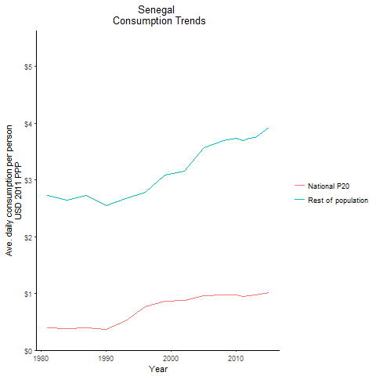
CountryName | National P20 | Rest of population | Year
Senegal | 0.396614817 | 2.7311868437 | 1981
Senegal | 0.384105232 | 2.6450387605 | 1984
Senegal | 0.370882287 | 2.5539981954 | 1990
Senegal | 0.395934129 | 2.7265266047 | 1987
Senegal | 0.5143932925 | 2.6737690741 | 1993
Senegal | 0.773361501 | 2.7883711316 | 1996
Senegal | 0.860694106 | 3.0810020899 | 1999
Senegal | 0.875146514 | 3.1560991249 | 2002
Senegal | 0.95786938 | 3.5736501892 | 2005
Senegal | 0.972086724 | 3.7005954423 | 2008
Senegal | 0.970262352 | 3.7335731791 | 2010
Senegal | 0.9539147925 | 3.6905732197 | 2011
Senegal | 0.965283936 | 3.740408879 | 2012
Senegal | 0.969173072 | 3.7554294717 | 2013
Senegal | 1.0123745775 | 3.9228364926 | 2015

Seychelles
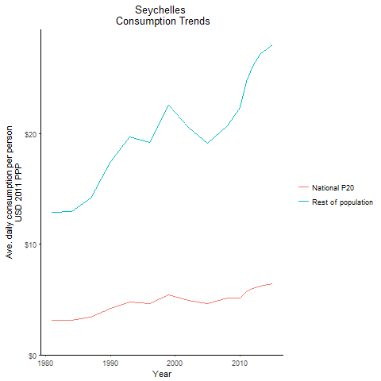
CountryName | National P20 | Rest of population | Year
Seychelles | 3.108573182 | 12.864210129 | 1981
Seychelles | 3.124293468 | 12.929337592 | 1984
Seychelles | 4.22521392 | 17.483158164 | 1990
Seychelles | 3.419005662 | 14.147217078 | 1987
Seychelles | 4.753315728 | 19.668345041 | 1993
Seychelles | 4.6384838595 | 19.195600953 | 1996
Seychelles | 5.4503723375 | 22.555272669 | 1999
Seychelles | 4.920554331 | 20.551139499 | 2002
Seychelles | 4.640780952 | 19.143685584 | 2005
Seychelles | 5.103025301 | 20.719458743 | 2008
Seychelles | 5.121193994 | 22.318552186 | 2010
Seychelles | 5.672276451 | 24.720219928 | 2011
Seychelles | 5.98819974 | 26.097019928 | 2012
Seychelles | 6.2342643 | 27.169396939 | 2013
Seychelles | 6.418734599 | 27.97331909 | 2015

Sierra Leone
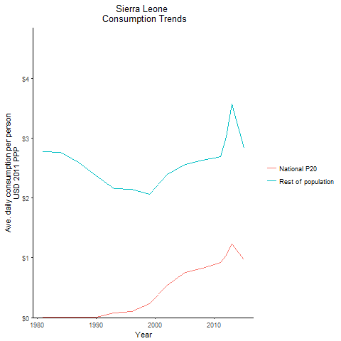
CountryName | National P20 | Rest of population | Year
Sierra Leone | 0.01 | 2.7740308219 | 1981
Sierra Leone | 0.01 | 2.7584916438 | 1984
Sierra Leone | 0.01 | 2.3703191781 | 1990
Sierra Leone | 0.01 | 2.5997620548 | 1987
Sierra Leone | 0.077396544 | 2.154390864 | 1993
Sierra Leone | 0.10464165 | 2.1446712313 | 1996
Sierra Leone | 0.23718213 | 2.056389536 | 1999
Sierra Leone | 0.5462541 | 2.3982342832 | 2002
Sierra Leone | 0.75029145 | 2.5542545348 | 2005
Sierra Leone | 0.8314883515 | 2.6295122957 | 2008
Sierra Leone | 0.890416464 | 2.6685484867 | 2010
Sierra Leone | 0.9220524005 | 2.6863227903 | 2011
Sierra Leone | 1.037796835 | 3.0235420241 | 2012
Sierra Leone | 1.224558855 | 3.5676476835 | 2013
Sierra Leone | 0.973607292 | 2.8366139304 | 2015

South Africa
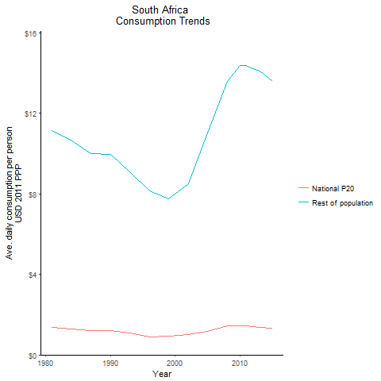
CountryName | National P20 | Rest of population | Year
South Africa | 1.35309429 | 11.140429167 | 1981
South Africa | 1.287896076 | 10.603578036 | 1984
South Africa | 1.2094985735 | 9.9581965895 | 1990
South Africa | 1.214119998 | 9.9961727402 | 1987
South Africa | 1.101456558 | 9.0685961345 | 1993
South Africa | 0.89292788 | 8.1556858382 | 1996
South Africa | 0.92557152 | 7.7271057501 | 1999
South Africa | 1.02162256 | 8.5122053189 | 2002
South Africa | 1.170905136 | 11.031118921 | 2005
South Africa | 1.445658972 | 13.583789367 | 2008
South Africa | 1.4559515895 | 14.384718952 | 2010
South Africa | 1.44012713 | 14.377094245 | 2011
South Africa | 1.4094081155 | 14.210930163 | 2012
South Africa | 1.383173198 | 14.074849166 | 2013
South Africa | 1.3132424835 | 13.5578839 | 2015

Sudan
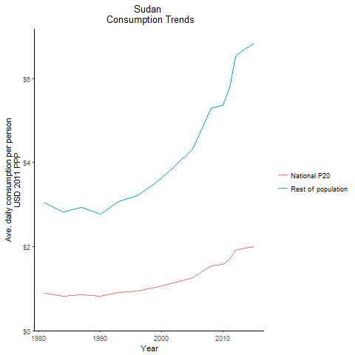
CountryName | National P20 | Rest of population | Year
Sudan | 0.89130549 | 3.0435234905 | 1981
Sudan | 0.8282813475 | 2.8282828138 | 1984
Sudan | 0.813470728 | 2.7777167016 | 1990
Sudan | 0.8570099755 | 2.9263821637 | 1987
Sudan | 0.9012824375 | 3.0775425413 | 1993
Sudan | 0.9429738285 | 3.219925721 | 1996
Sudan | 1.03178075 | 3.5231512509 | 1999
Sudan | 1.1431223115 | 3.903390655 | 2002
Sudan | 1.26579552 | 4.3222702981 | 2005
Sudan | 1.548072885 | 5.2861173952 | 2008
Sudan | 1.570584924 | 5.3629770567 | 2010
Sudan | 1.6945005175 | 5.7860871994 | 2011
Sudan | 1.9116534225 | 6.5275839046 | 2012
Sudan | 1.949084845 | 6.6554739942 | 2013
Sudan | 2.001838246 | 6.8355637262 | 2015

Tanzania
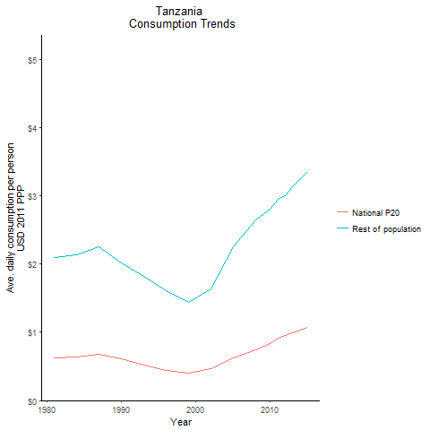
CountryName | National P20 | Rest of population | Year
Tanzania | 0.63072873 | 2.0881539819 | 1981
Tanzania | 0.643860206 | 2.1317068663 | 1984
Tanzania | 0.6096451485 | 2.018357069 | 1990
Tanzania | 0.6792617545 | 2.2488745614 | 1987
Tanzania | 0.525754941 | 1.8222935935 | 1993
Tanzania | 0.4407754165 | 1.6110635431 | 1996
Tanzania | 0.405348748 | 1.4399559637 | 1999
Tanzania | 0.46594832 | 1.6367971666 | 2002
Tanzania | 0.61819888 | 2.2513019238 | 2005
Tanzania | 0.73716065 | 2.6497897005 | 2008
Tanzania | 0.83730526 | 2.8022598494 | 2010
Tanzania | 0.91246214 | 2.9470737801 | 2011
Tanzania | 0.956106497 | 3.0051026908 | 2012
Tanzania | 0.9941371405 | 3.124634071 | 2013
Tanzania | 1.0690106575 | 3.3600403493 | 2015

Togo
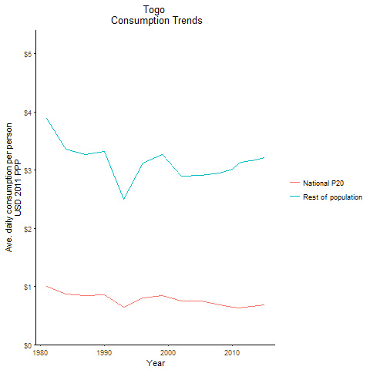
CountryName | National P20 | Rest of population | Year
Togo | 1.004394387 | 3.8943014033 | 1981
Togo | 0.865821158 | 3.357009916 | 1984
Togo | 0.856592865 | 3.3213028796 | 1990
Togo | 0.8434862965 | 3.2704106177 | 1987
Togo | 0.646023615 | 2.504846836 | 1993
Togo | 0.805818996 | 3.1243727852 | 1996
Togo | 0.841069096 | 3.261092315 | 1999
Togo | 0.74740665 | 2.8978740909 | 2002
Togo | 0.74893315 | 2.9037978084 | 2005
Togo | 0.687476755 | 2.9498383455 | 2008
Togo | 0.639825272 | 3.0209428601 | 2010
Togo | 0.633187852 | 3.1239549548 | 2011
Togo | 0.643006 | 3.1455263082 | 2012
Togo | 0.652078658 | 3.1582026643 | 2013
Togo | 0.68337399 | 3.2202685573 | 2015

Zambia
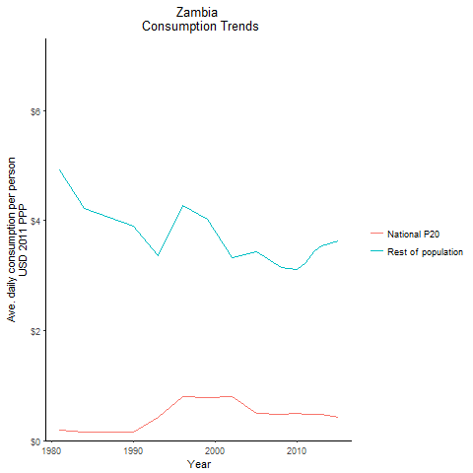
CountryName | National P20 | Rest of population | Year
Zambia | 0.18607732 | 4.9232971084 | 1981
Zambia | 0.15980387 | 4.2277586215 | 1984
Zambia | 0.14758275 | 3.9045869152 | 1990
Zambia | 0.153189065 | 4.0537754735 | 1987
Zambia | 0.422190172 | 3.3634099912 | 1993
Zambia | 0.8056722 | 4.2844737308 | 1996
Zambia | 0.7743419385 | 4.032288488 | 1999
Zambia | 0.804261822 | 3.3284908459 | 2002
Zambia | 0.501061807 | 3.4285337263 | 2005
Zambia | 0.469578009 | 3.142183169 | 2008
Zambia | 0.4924386825 | 3.1085400554 | 2010
Zambia | 0.4824468615 | 3.2291422572 | 2011
Zambia | 0.4852297975 | 3.4424751534 | 2012
Zambia | 0.471366595 | 3.543020954 | 2013
Zambia | 0.430729035 | 3.6260926728 | 2015

Zimbabwe
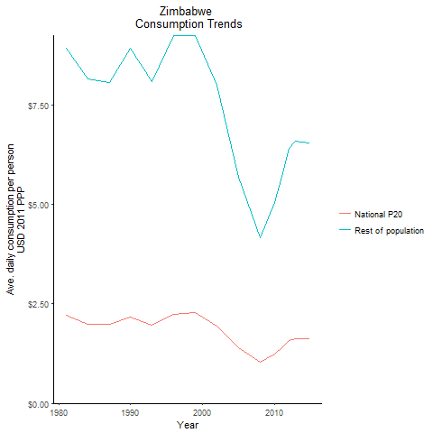
CountryName | National P20 | Rest of population | Year
Zimbabwe | 2.2100832 | 8.9336600219 | 1981
Zimbabwe | 1.9806834555 | 8.1480017389 | 1984
Zimbabwe | 2.169381643 | 8.9242450002 | 1990
Zimbabwe | 1.99641182 | 8.0699532094 | 1987
Zimbabwe | 1.965410881 | 8.0851705674 | 1993
Zimbabwe | 2.246904476 | 9.2431697714 | 1996
Zimbabwe | 2.285129858 | 9.2370284944 | 1999
Zimbabwe | 1.943476224 | 7.9949501221 | 2002
Zimbabwe | 1.407106215 | 5.6878686517 | 2005
Zimbabwe | 1.028381392 | 4.1569525972 | 2008
Zimbabwe | 1.248312517 | 5.0460040625 | 2010
Zimbabwe | 1.3879291875 | 5.7095615387 | 2011
Zimbabwe | 1.583900319 | 6.4025098518 | 2012
Zimbabwe | 1.633331925 | 6.6023094845 | 2013
Zimbabwe | 1.6185342635 | 6.5424869821 | 2015

Uganda
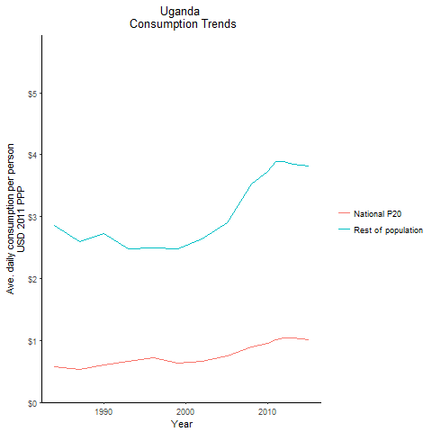
CountryName | National P20 | Rest of population | Year
Uganda | 0.5815085875 | 2.8543725792 | 1984
Uganda | 0.600450194 | 2.7282095063 | 1990
Uganda | 0.529951499 | 2.6014084266 | 1987
Uganda | 0.6629679 | 2.4849614497 | 1993
Uganda | 0.7229038775 | 2.4889123868 | 1996
Uganda | 0.636885128 | 2.4751728276 | 1999
Uganda | 0.6600625815 | 2.6419791491 | 2002
Uganda | 0.7449031755 | 2.8997829732 | 2005
Uganda | 0.893870942 | 3.5219324015 | 2008
Uganda | 0.951281128 | 3.7250058824 | 2010
Uganda | 1.01652649 | 3.8831724871 | 2011
Uganda | 1.044543528 | 3.8880326112 | 2012
Uganda | 1.035929538 | 3.8474899443 | 2013
Uganda | 1.00512603 | 3.814473424 | 2015

Sao Tome and Principe
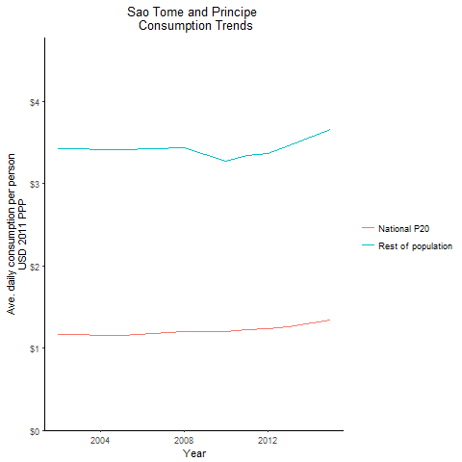
CountryName | National P20 | Rest of population | Year
Sao Tome and Principe | 1.1612785615 | 3.4278733733 | 2002
Sao Tome and Principe | 1.149130536 | 3.4065754482 | 2005
Sao Tome and Principe | 1.200331935 | 3.4338579752 | 2008
Sao Tome and Principe | 1.198053857 | 3.2738066727 | 2010
Sao Tome and Principe | 1.222598878 | 3.34087576 | 2011
Sao Tome and Principe | 1.232796264 | 3.3688088792 | 2012
Sao Tome and Principe | 1.263450717 | 3.4525519783 | 2013
Sao Tome and Principe | 1.336503554 | 3.6521668512 | 2015

South Sudan
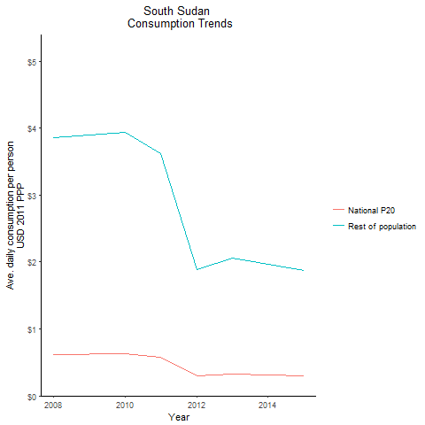
CountryName | National P20 | Rest of population | Year
South Sudan | 0.620443303 | 3.8600110921 | 2008
South Sudan | 0.6326147215 | 3.9357281004 | 2010
South Sudan | 0.581233465 | 3.6160061543 | 2011
South Sudan | 0.3026615 | 1.8831065428 | 2012
South Sudan | 0.331421112 | 2.0618800645 | 2013
South Sudan | 0.3018102815 | 1.8777270187 | 2015

